problem 1
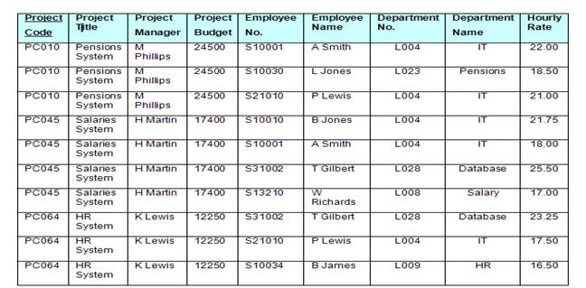
This table is un-normalized form. Convert this table from 1NF to 3NF.
Show your work.
 |  |  |  |  |  |  |  |  |  |  |  | Un-normalized form

 |  |  |  |  |  |  |  | Project Code | Project Title | Project Manager | Project Budget | Employee No. | Employee Name | Department No. | Department Name | Houry Rate
 |  |  |  |  |  |  |  | PC010 | Pensions System | M Phillips | 24500 | S10001 | A Smith | L004 | IT | 22.00
 |  |  |  |  |  |  |  | PC010 | Pensions System | M Phillips | 24500 | S10030 | L Jones | L023 | Pensions | 18.50
 |  |  |  |  |  |  |  | PC010 | Pensions System | M Phillips | 24500 | S21010 | P Lewis | L004 | IT | 21.00
 |  |  |  |  |  |  |  | PC045 | Salaries System | H Martin | 17400 | S10010 | B Jones | L004 | IT | 21.75
 |  |  |  |  |  |  |  | PC045 | Salaries System | H Martin | 17400 | S10001 | A Smith | L004 | IT | 18.00
 |  |  |  |  |  |  |  | PC045 | Salaries System | H Martin | 17400 | S31002 | T Gilbert | L028 | Database | 25.50
 |  |  |  |  |  |  |  | PC045 | Salaries System | H Martin | 17400 | S13210 | W Richards | L008 | Salary | 17.00
 |  |  |  |  |  |  |  | PC064 | HR System | K Lewis | 12250 | S31002 | T Gilbert | L028 | Database | 23.25
 |  |  |  |  |  |  |  | PC064 | HR System | K Lewis | 12250 | S21010 | P Lewis | L004 | IT | 17.50
 |  |  |  |  |  |  |  | PC064 | HR System | K Lewis | 12250 | S10034 | B James | L009 | HR | 16.50

 |  |  |  | 1st Normalized Form

 | Project Code | Employee No. | Employee Name | Department No. | Department Name | Houry Rate |  | Project Code | Project Title | Project Manager | Project Budget
 | PC010 | S10001 | A Smith | L004 | IT | 22.00 |  | PC010 | Pensions System | M Phillips | 24500
 | PC010 | S10030 | L Jones | L023 | Pensions | 18.50 |  | PC045 | Salaries System | H Martin | 17400
 | PC010 | S21010 | P Lewis | L004 | IT | 21.00 |  | PC064 | HR System | K Lewis | 12250
 | PC045 | S10010 | B Jones | L004 | IT | 21.75
 | PC045 | S10001 | A Smith | L004 | IT | 18.00
 | PC045 | S31002 | T Gilbert | L028 | Database | 25.50
 | PC045 | S13210 | W Richards | L008 | Salary | 17.00
 | PC064 | S31002 | T Gilbert | L028 | Database | 23.25
 | PC064 | S21010 | P Lewis | L004 | IT | 17.50
 | PC064 | S10034 | B James | L009 | HR | 16.50

 |  |  |  | 2nd Normalized Form

 | Project Code | Employee No. | Department Name | Houry Rate |  | Project Code | Project Title | Project Manager | Project Budget
 | PC010 | S10001 | IT | 22.00 |  | PC010 | Pensions System | M Phillips | 24500
 | PC010 | S10030 | Pensions | 18.50 |  | PC045 | Salaries System | H Martin | 17400
 | PC010 | S21010 | IT | 21.00 |  | PC064 | HR System | K Lewis | 12250
 | PC045 | S10010 | IT | 21.75
 | PC045 | S10001 | IT | 18.00 |  | Employee No. | Employee Name | Department No.
 | PC045 | S31002 | Database | 25.50 |  | S10001 | A Smith | L004
 | PC045 | S13210 | Salary | 17.00 |  | S10030 | L Jones | L023
 | PC064 | S31002 | Database | 23.25 |  | S21010 | P Lewis | L004
 | PC064 | S21010 | IT | 17.50 |  | S10010 | B Jones | L004
 | PC064 | S10034 | HR | 16.50 |  | S31002 | T Gilbert | L028
 |  |  |  |  |  | S13210 | W Richards | L008
 |  |  |  |  |  | S10034 | B James | L009

 |  |  |  | 3rd Normalized Form
 |  |  |  |  |  | Department No. | Department Name
 | Project Code | Project Title | Manager No. | Project Budget |  | L004 | IT
 | PC010 | Pensions System | M00001 | 24500 |  | L023 | Pensions
 | PC045 | Salaries System | M00002 | 17400 |  | L028 | Database
 | PC064 | HR System | M00003 | 12250 |  | L008 | Salary
 |  |  |  |  |  | L009 | HR

 |  |  |  |  |  | Manager No. | Manager Name
 | Project Code | Employee No. | Houry Rate |  |  | M00001 | M Phillips
 | PC010 | S10001 | 22.00 |  |  | M00002 | H Martin
 | PC010 | S10030 | 18.50 |  |  | M00003 | K Lewis
 | PC010 | S21010 | 21.00
 | PC045 | S10010 | 21.75 |  | Employee No. | Employee Name | Department No.
 | PC045 | S10001 | 18.00 |  | S10001 | A Smith | L004
 | PC045 | S31002 | 25.50 |  | S10030 | L Jones | L023
 | PC045 | S13210 | 17.00 |  | S21010 | P Lewis | L004
 | PC064 | S31002 | 23.25 |  | S10010 | B Jones | L004
 | PC064 | S21010 | 17.50 |  | S31002 | T Gilbert | L028
 | PC064 | S10034 | 16.50 |  | S13210 | W Richards | L008
 |  |  |  |  | S10034 | B James | L009

