Sheet1
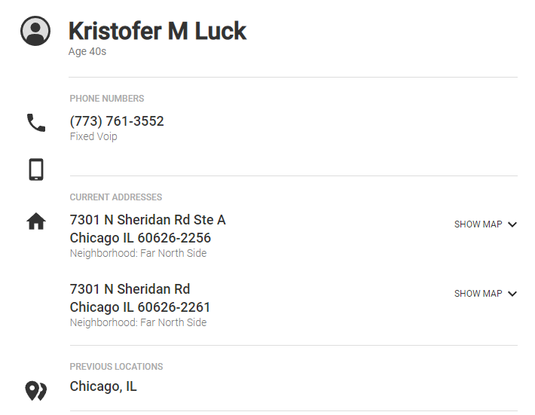
Name | Email | Phone | LinkedIn | Notes
Keith Jones
Kristofer M. Luck | kris@questinternet.net | 1.7737613555
 | info@questinternet.net
 |  | (206) 337-1097 |  | Fax
 | solutions@fischersoftwareusa.com

Sheet2
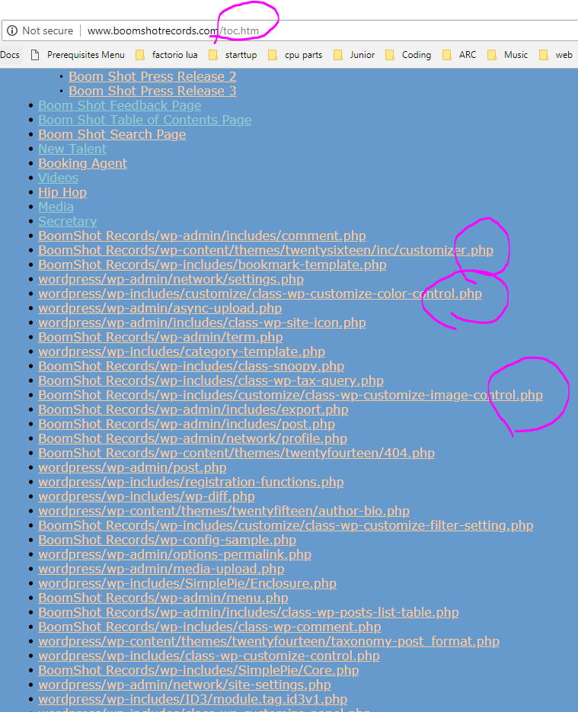
Website | Notes
https://www.questnetworkservices.com/ | Uses Wix
http://questpcs.com/
http://questinternet.net/
https://twitter.com/questcomputer
https://www.facebook.com/questservices/
http://www.boomshotrecords.com/ | Horribly misconfigured wordpress site, can see ALL php urls.

