Sheet1
Item to be tested | Data outputs | Expected outputs | Actual (left pictures are taken first) | Changes
Loading a large number of sliders | GUI outputs the sliders to the display | Bars and sliders will line up and the rest of the program will work | 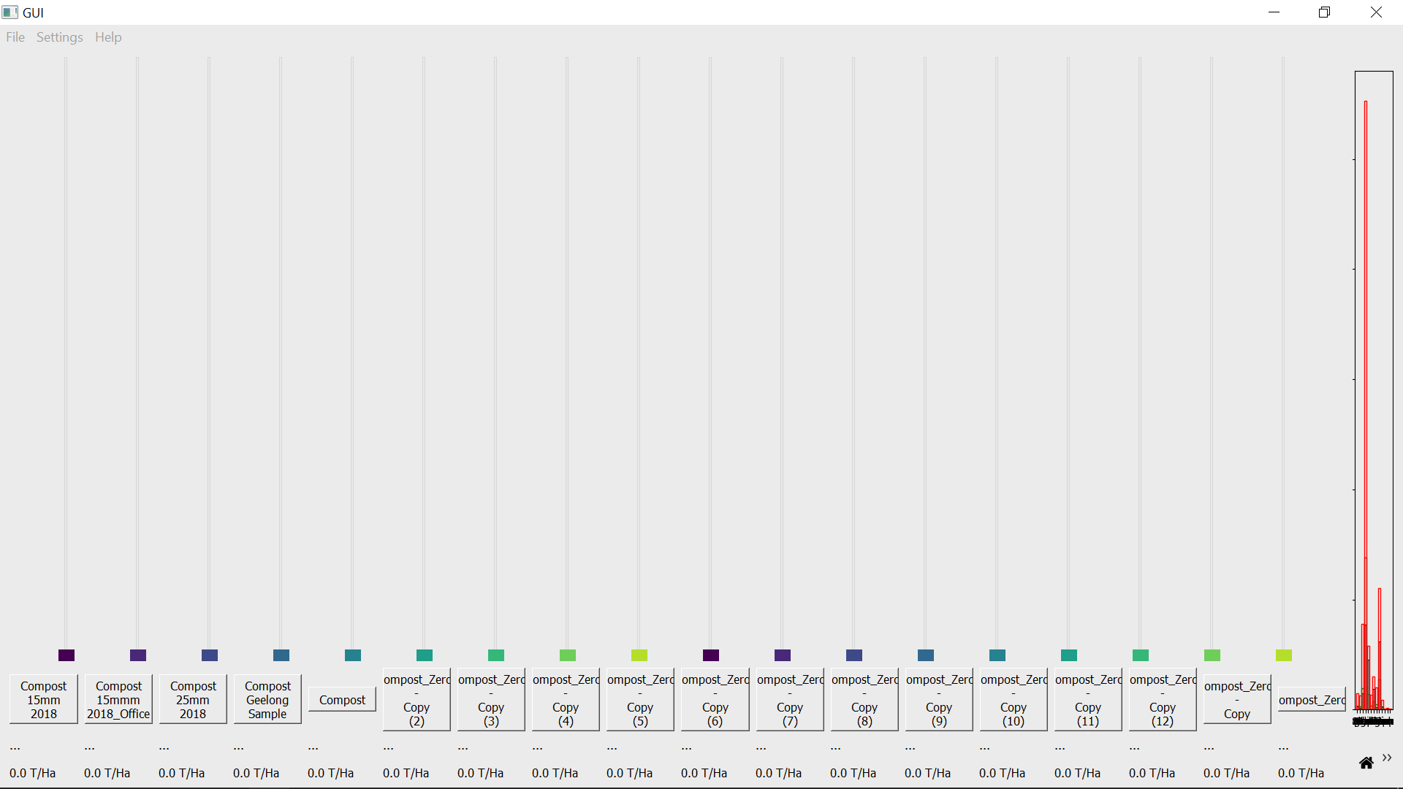 | None, although the graph is squished this would work on a larger screen and will be kept for flexibility
Letters or blanks in files | Printed values for comparison with files | Non numbers should return 0 | 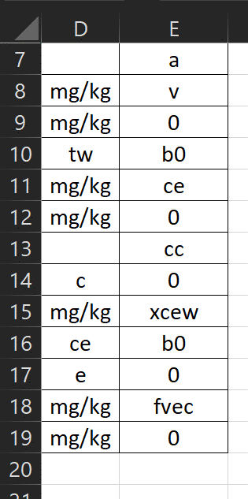 | None
Extended use | GUI frame rate and Task manager | Memory or processing power will not increase with time and frame rate will stay the same, otherwise the program should function normally
Extended use redo
Extended use redo |  |  |  | unable to replicate, but the loop responsible has been simplified
Extended use redo |  |  |  | Wasn’t deleting self.slider_colors when slider was removed
Extended use redo |  |  | 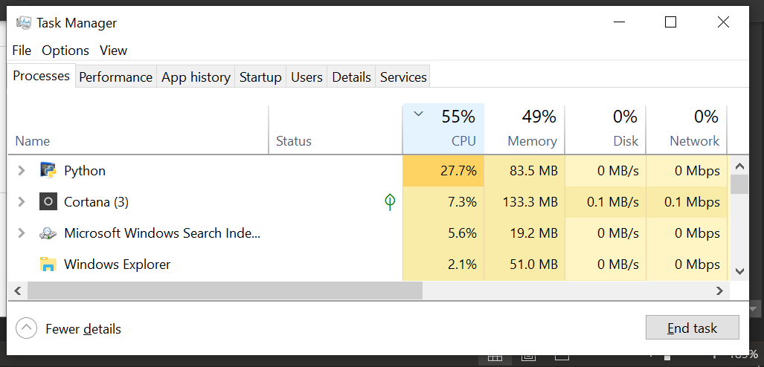 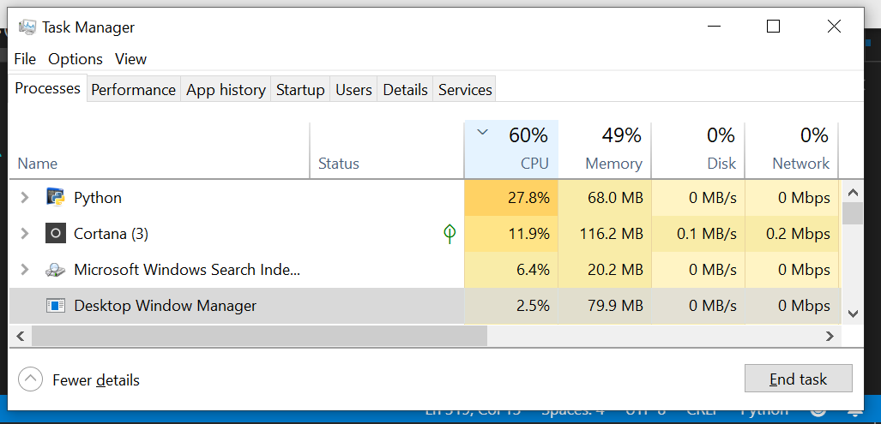 | None, the program showed no performance decrease over time (left to right)
Opening wrong file types | GUI will update with values and these will be printed for comparison | File(s) should not show in GUI (the slider would have the name of the file) or cause it to break | 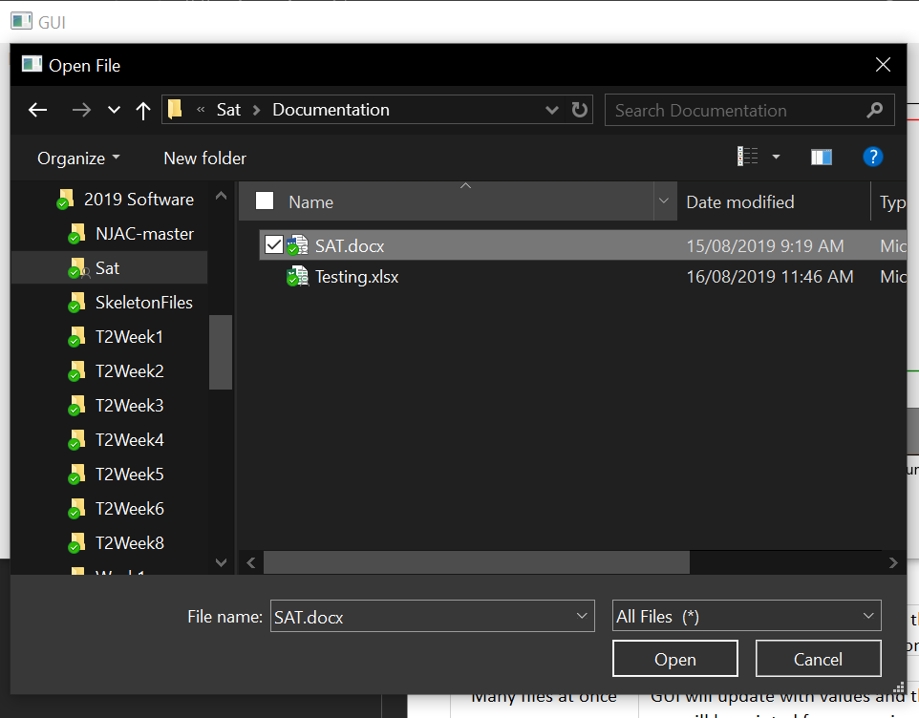 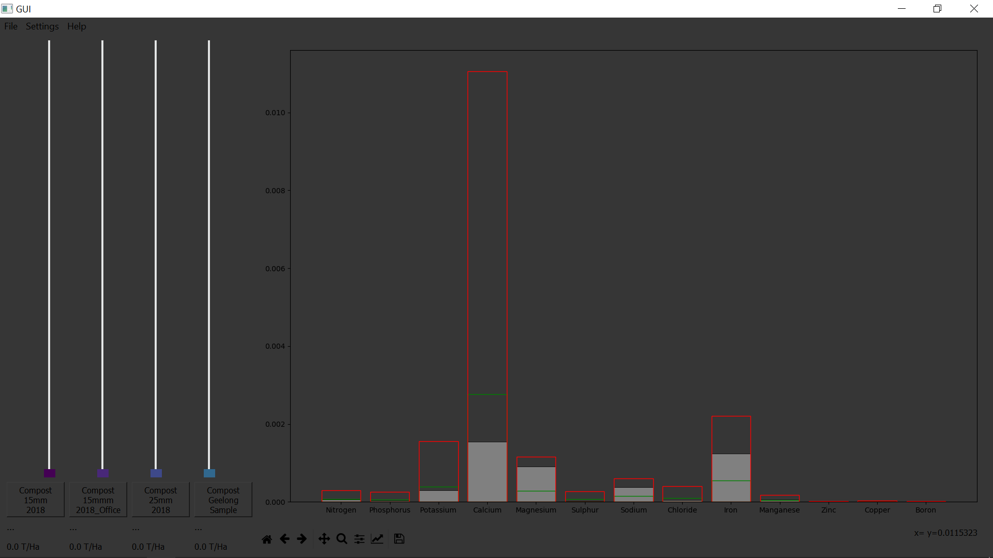 | None
Ideal is used | GUI updates sliders and distance from the ldeal values is printed if it is the new min | Ideal should be closest to ideal values | 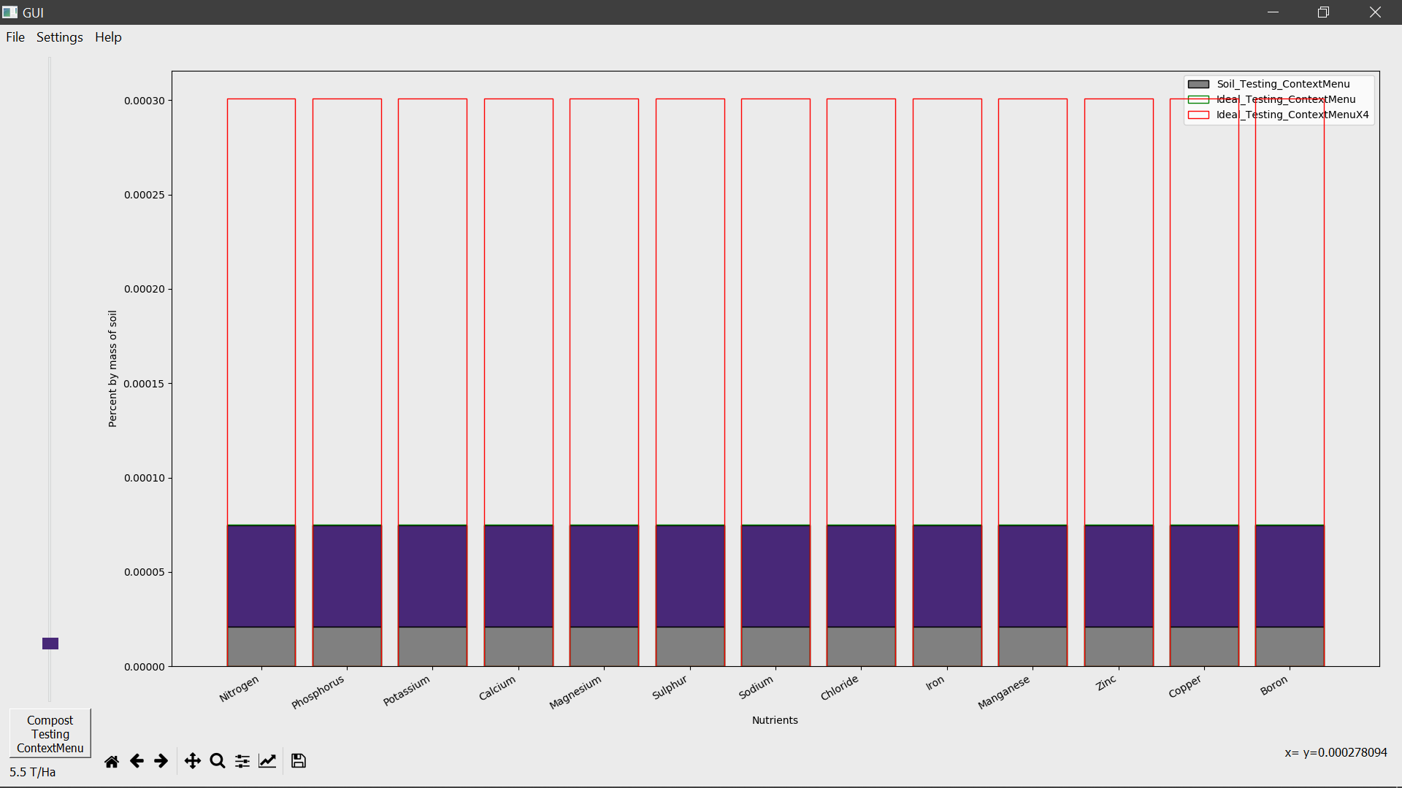 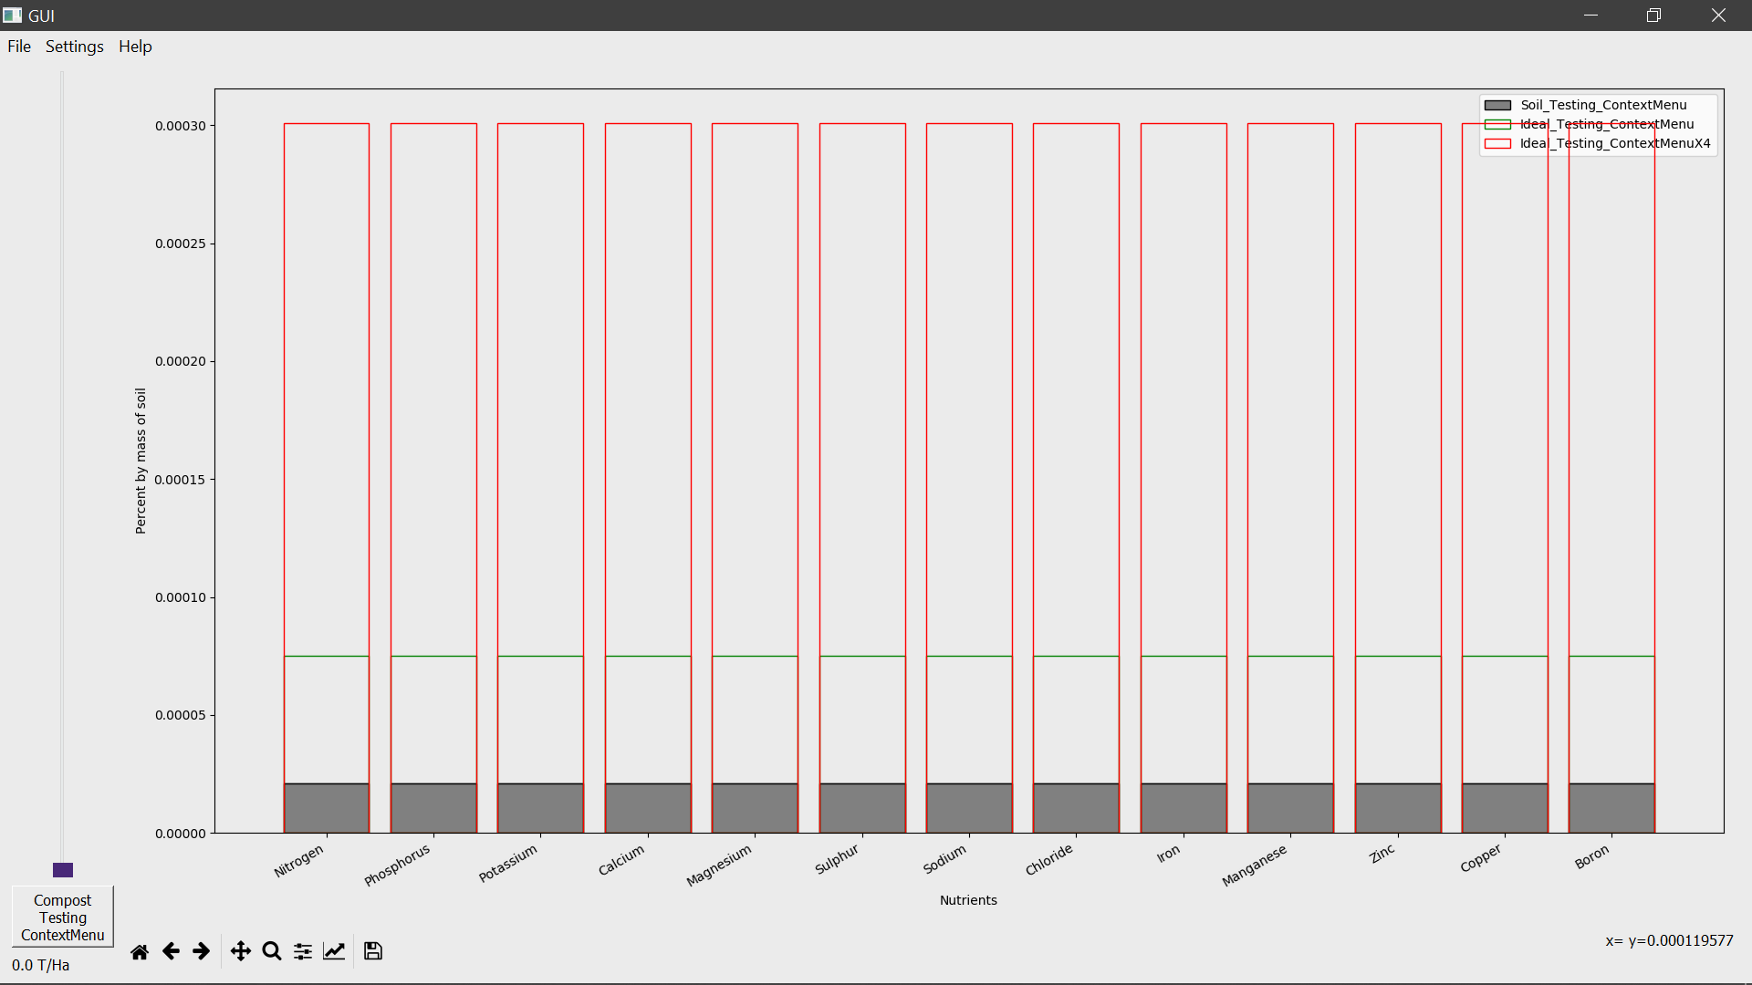 | None
max is used | GUI updates sliders | max should raise sliders to the cutoff | 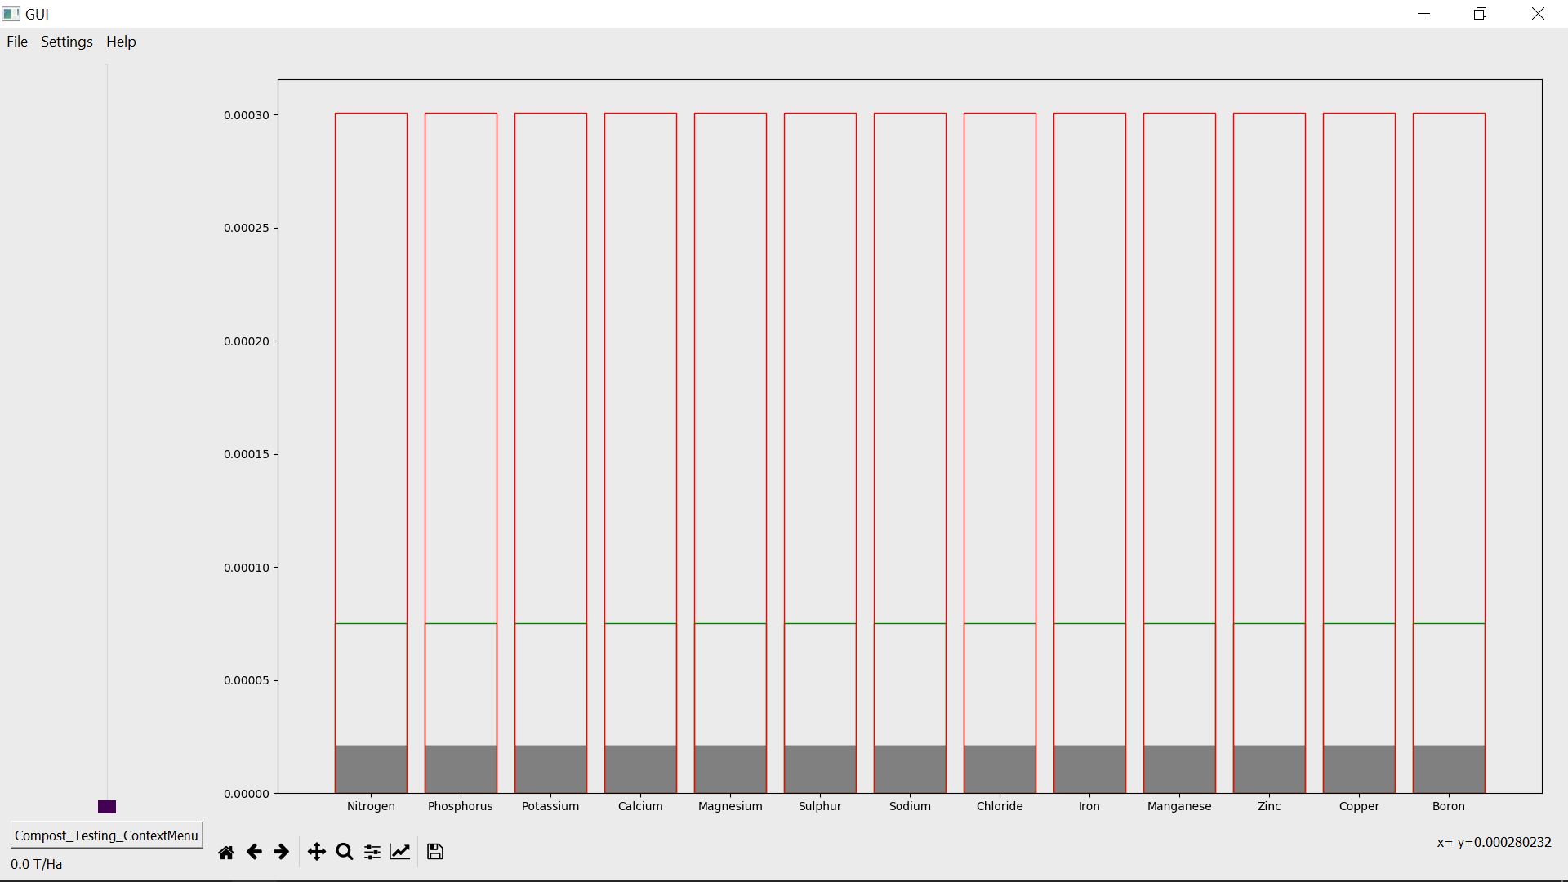 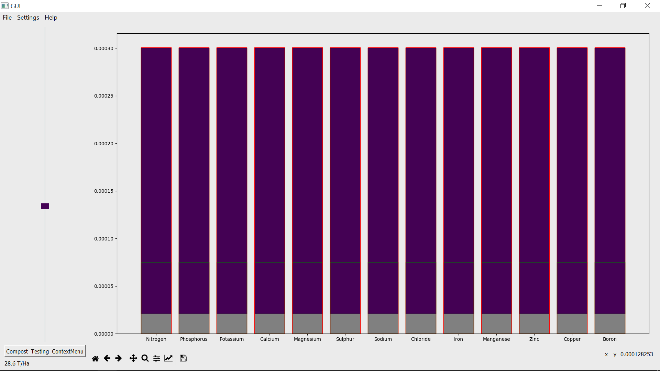 | None
Drag and Drop are used | GUI will update with values and these will be printed for comparison | File(s) should show in GUI and be saved in backup | 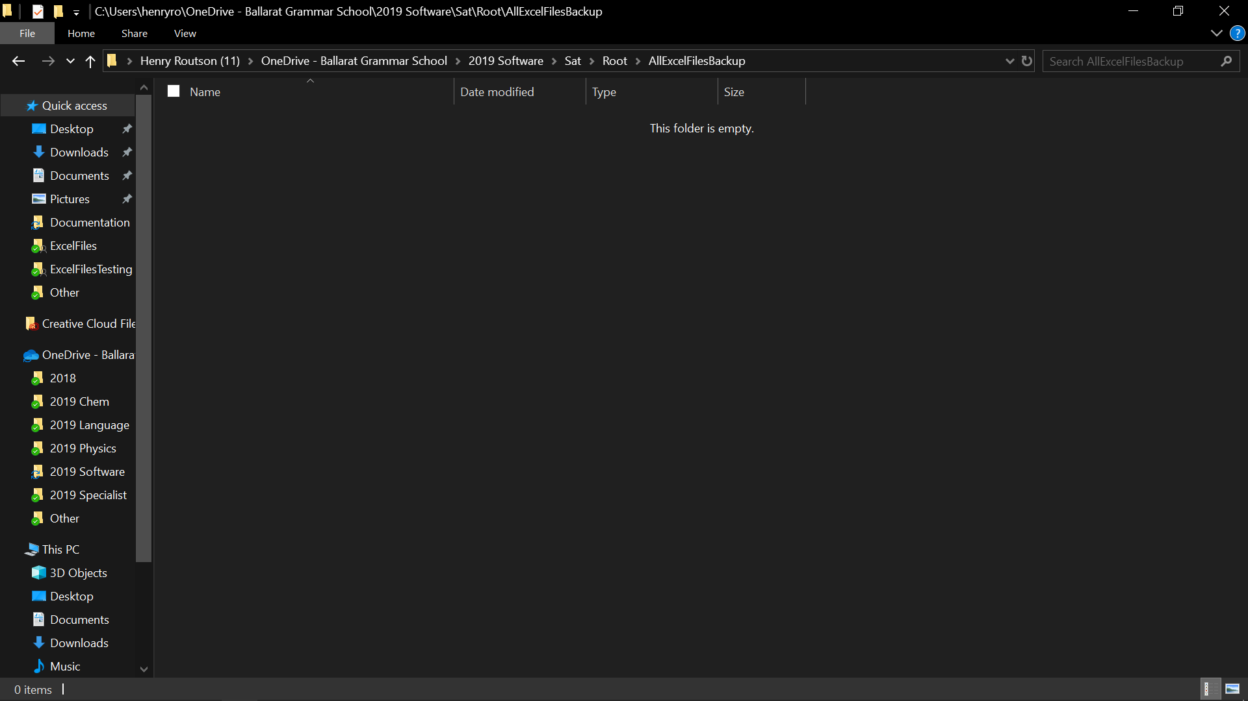 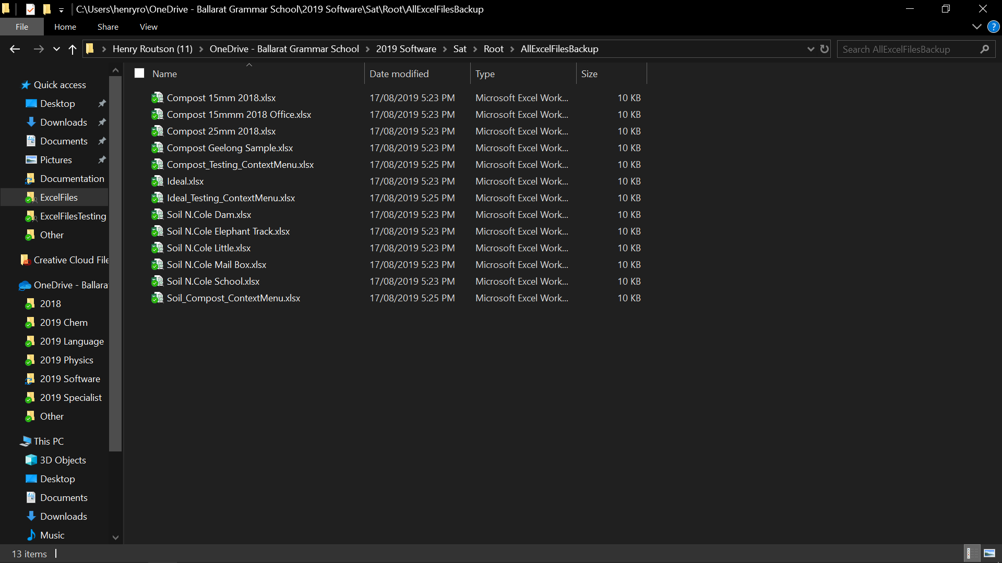 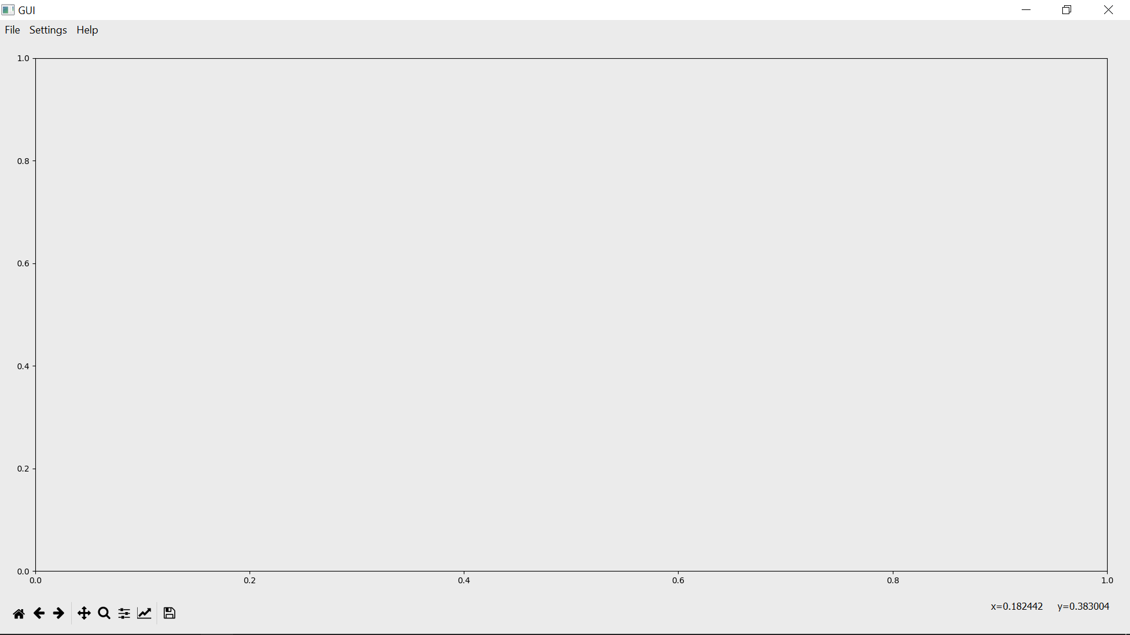 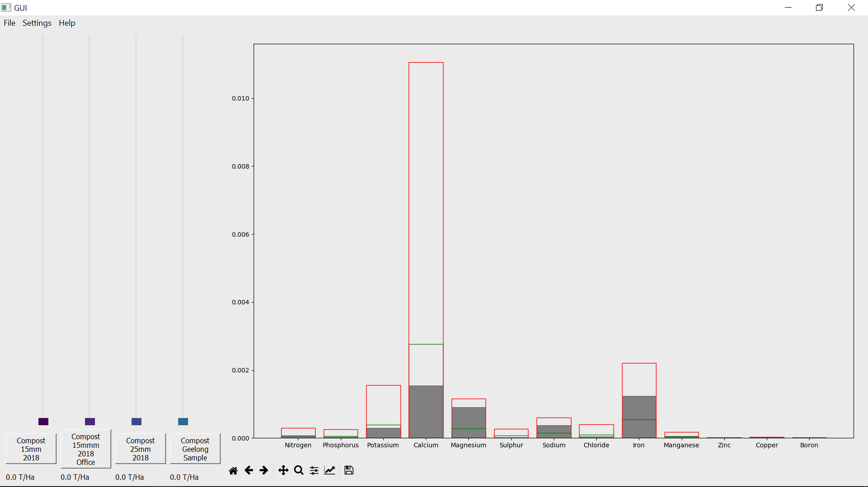 | None
Dark mode is used | GUI color will update | GUI color will switch | 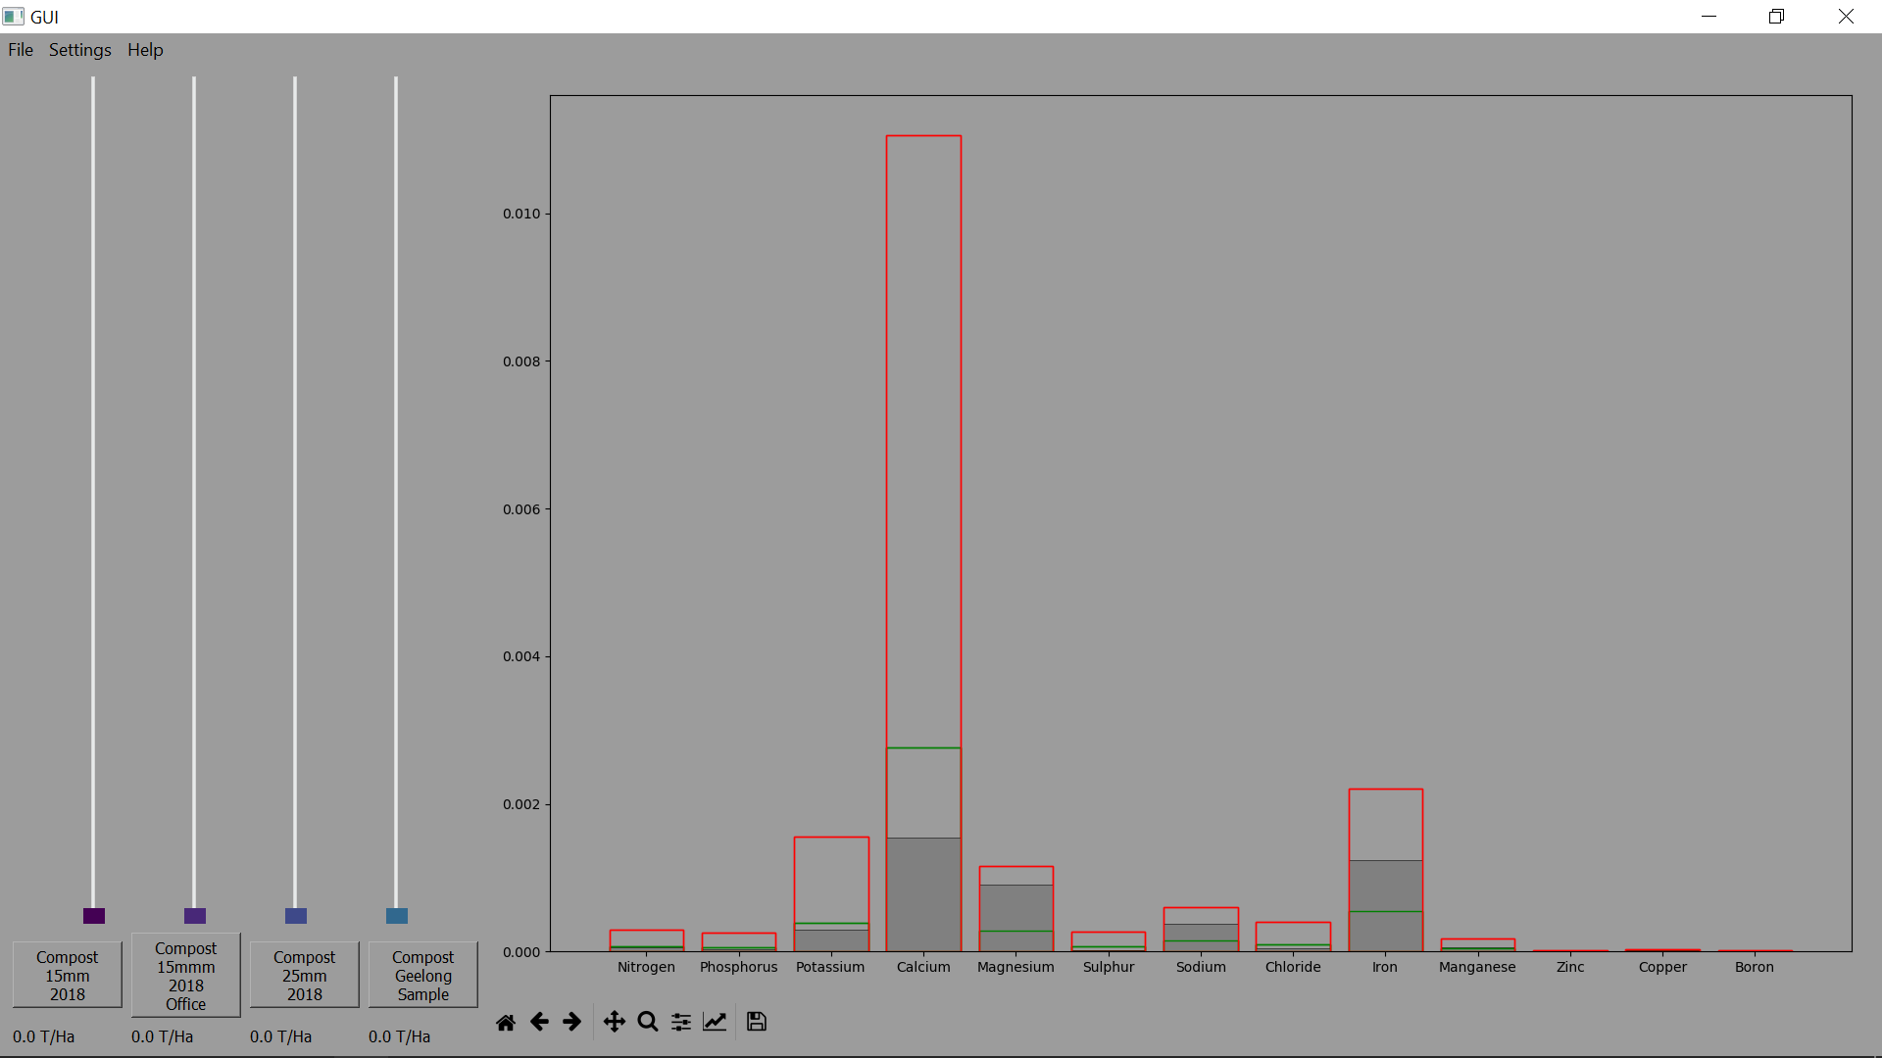 | None
Many files at once | GUI will update with values and these will be printed for comparison |  | 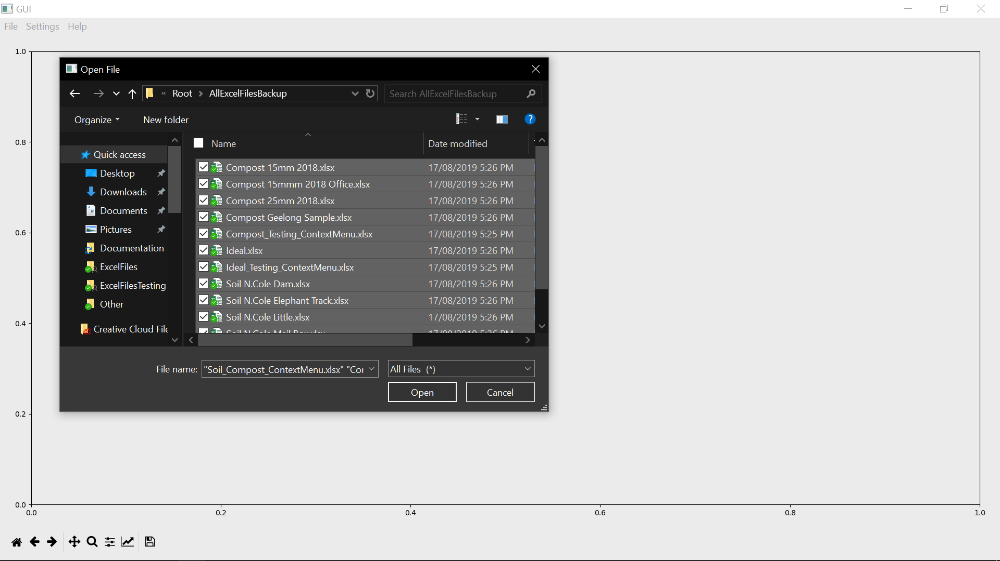 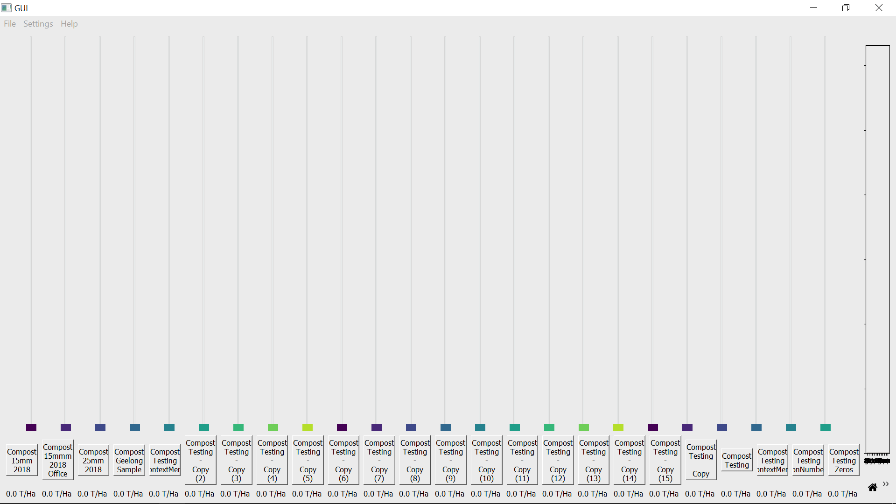 | None

