XLS_Overview
I. General information

I.1. Type of questions (or variables)
text | For free text inputs.
integer | Round numbers entry.
decimal | Decimal numbers entry.
select_one [options] | For multiple choice answer, where you can only select one answer among the list provided. [option] indicates that you must specify, in the « choices » sheet, where is the list of options provided. If the name of your list is “foodtype”, this would read “select_one [foodtype]".
select_multiple [options] | Same as "select_one", except that the user can choose as many options as he wants.
note | Prints a note on the screen, but doesn’t allow any input.
geopoint | To collect GPS coordinates.
image | To take a picture.
barcode | To analyse a barcode, but requires additional applications for this.
date | Select a date.
datetime | Select a date & time.
audio | Record audio.
video | Record video.
calculate | Performs a calculation.

I.2. Role of columns
Columns | Description
type | Question type (text, image...)
name | Name of the question (and of the columns in "Output")
label::English | What the interviewer will actually see on the phone. You can add as many languages as you want (or remove the columns of languages you don't want to see).
hint::English | A note to the interviewer, to clarify a question, or prompt up a reminder… Don't forget to add the different languages you added for the "label" column (or remove the columns of languages you have removed for "label").
constraint | Add constraints to the answers (a range for numerical value for example).
constraint_message::English | Message to display if the answer entered doesn’t meet the constraints.
calculation | Calculates a value (“+”, “-” et div), can calculate age from a date of birth for example.
relevant | Adds condition(s) that must be met for the question to show. For example, if the answer to the previous question is « Other », show the question « If other, please specify », otherwise do not show.
repeat_count | Makes it possible to repeat questions a number of times automatically.
choice_filter | This is the column to set up cascading lists (options appearing depending on the answers to a previous questions).
appearance | Widget for display (more later: like a calendar for example).
required | Enter “yes” if you want to make an answer mandatory.
media::image | This is the column to be able to view modalities as photos and text (see tab "instructions", section II.2 for more information).
module | To specify in which tabs in the Module your question results will appear.

II. Specific settings
The section below describes specific settings that one can define for each question or group of questions.
II.1 Constraints on data
This needs to be put in the “constraint” column.
Type of constraint | Examples
The result for this question must be GREATER THAN 0 and inferior to 30. | .>=1 and .<=30
THIS ROW must be GREATER OR EQUAL to the value of “HHSIZE”. | .<${HHSIZE}
You can also add a constraint message in the column "constraint_message".
Notice that a question result can be called upon by using "${VARIABLENAME}".

II.2 Conditional questions (“relevant”)
This needs to be put in the “relevant” column to specify if a question or group of question should only appear in specific cases. When you add more than one condition, you will have to use the "AND"/"OR" operators to specify if you want all conditions to apply or just one.
Type of condition | Examples
The questions on household members will only appear if the variable “${DMCONST}” is equal to 1. | ${DMCONST} = 1

The question "Is the household member ${NAME} currently pregnant?" will appear if the household member's age is greater or equal to 15 and if the sex of the household member is female. The condition added to the relevant column for this is ${ENA_LIV_HHMAGE} >= 15 and ${ENA_LIV_HHMAGE} <= 49 and ${ENA_LIV_HHMSEX} = 'f'. | ${ENA_LIV_HHMAGE} >= 15 and ${ENA_LIV_HHMAGE} <= 49 and ${ENA_LIV_HHMSEX} = 'f'

You cannot make a reference to a variable that will receive a value later in the survey.
When using selected(${Variable}, ’youroption’), you must ALWAYS use single quotes, even for numbers. Otherwise when you upload the form you will get an error.

II.3. Calculations
This needs to be put in the "calculations" column to calculate elements based on survey results (ex: an age by comparing the date of survey and the date of birth, a sum of different elements etc).
II.4 Appearance
This needs to be put in the column “appearance” to help you change the way things look on the screen (only the two most used settings are specified here).
Type of effect | Exemples
Shows a calendar, such as the one used for “Date of Interview” at the beginning of the survey. | no-calendar
To show many question on the same page, like field-list, but different presentation. Has to be set at a group level (group in which all questions will be found). | field_list

III. Beyond individual questions
The section below describes different ways of regrouping questions for different purposes:
III.1 Groups
Grouping questions can have different purposes: (1) to specify a setting for a whole group of questions rather than just one (a skip pattern, or to make them appear on a given screen...) (2) to facilitate analysis by making the analysis tool understand that there is a link between the questions (see example below). The questions need to be regrouped between a "begin group" and "end group" prompt.

III.2 Repeats

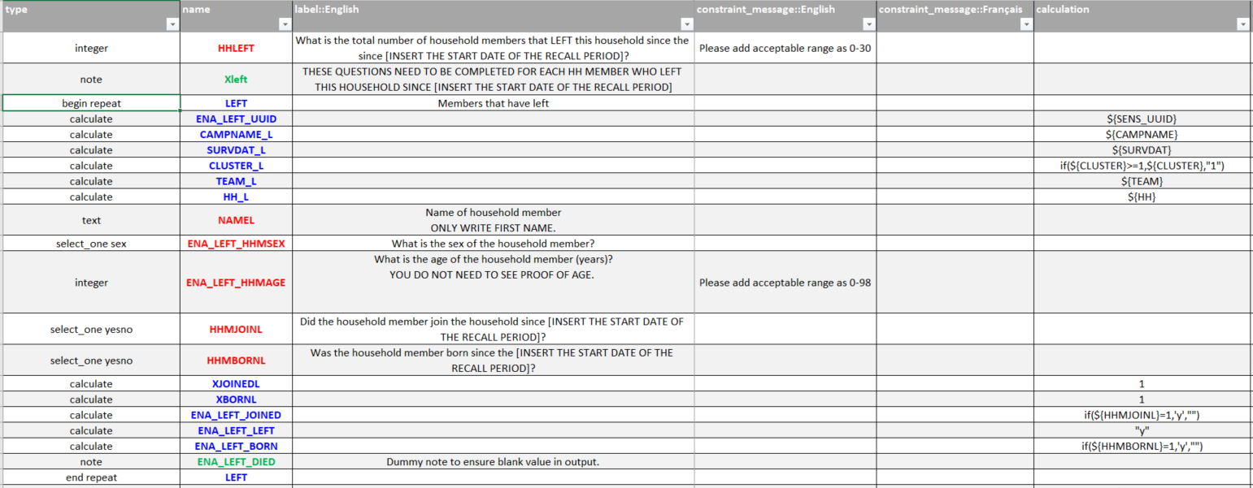
A "repeat" group of questions means that the related questions will be asked a number of times. The questions need to be regrouped between a "begin repeat" and "end repeat" prompt. If nothing is specified in the "repeat_count" column, the number of questions will be repeated until the enumetor mentions that he does not want to add a new group of questions. If either a number of else the name of a previous question is specified in the "repeat_column" (as is the case here, with the number of containers), then the group of questions will automatically appear as many times as it corresponds to.

