Sheet1
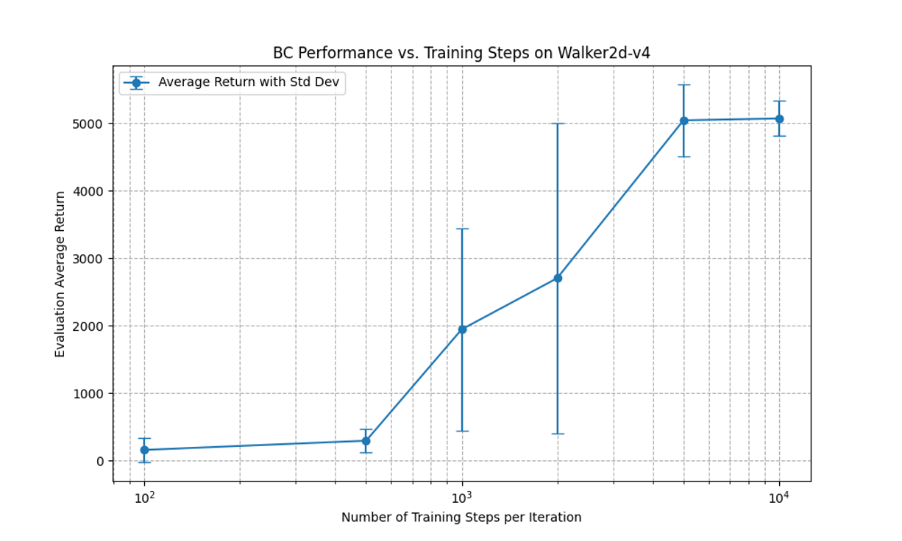
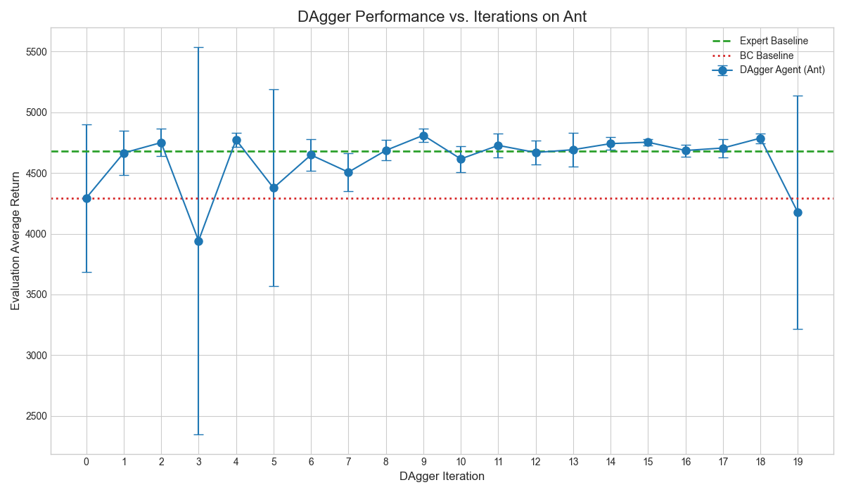
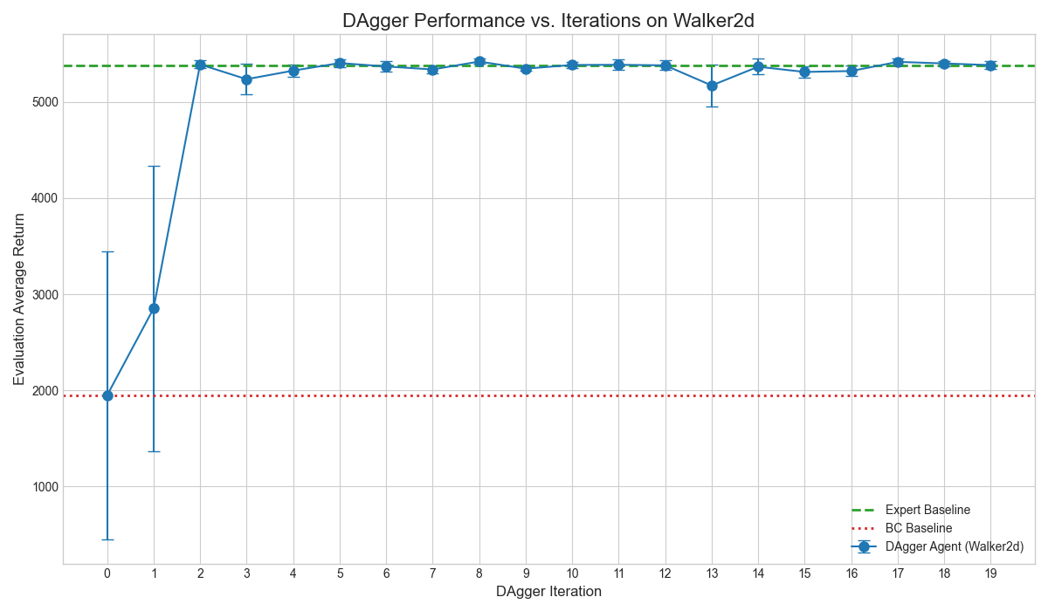
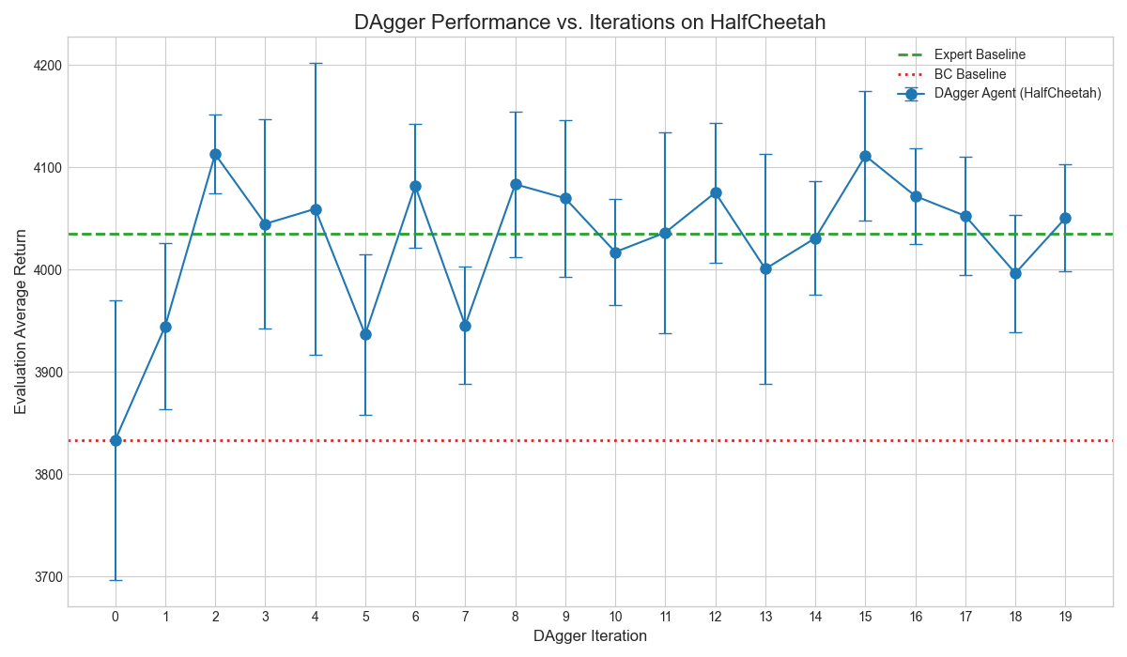
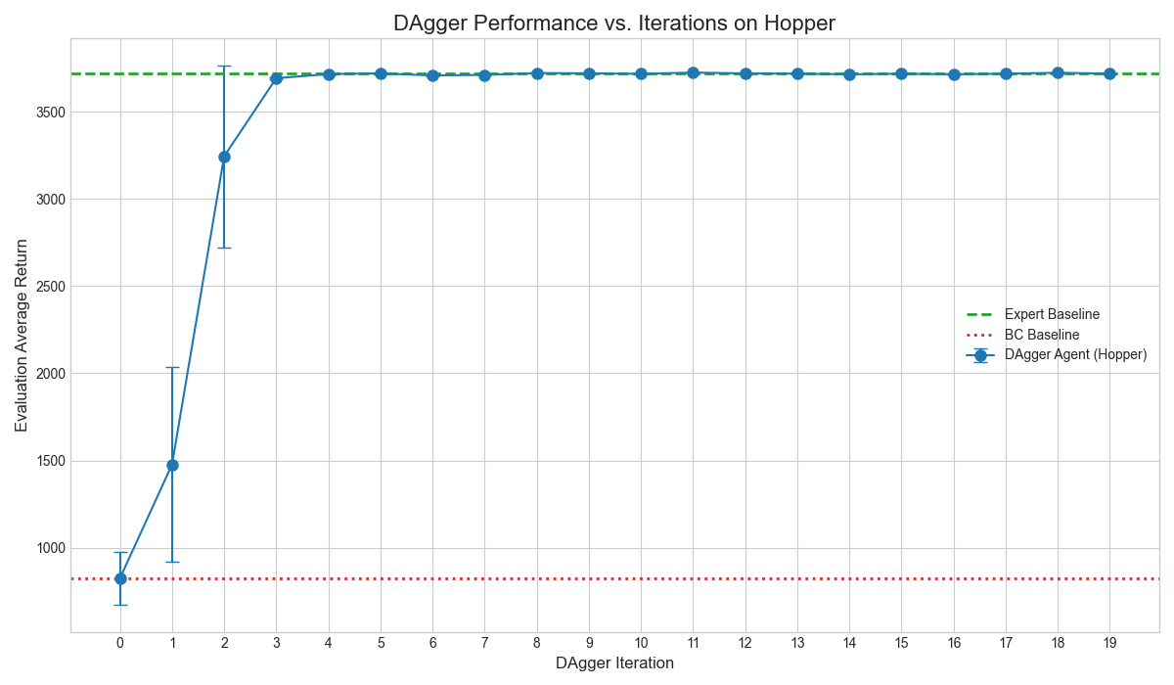
任务一：1 |  |  |  |  | 任务二：
Table 1: Performance of Behavioral Cloning agents on various MuJoCo tasks.
Environment Name | Ant | Walker2d | HalfCheetah | Hopper
Eval_AverageReturn (My Policy Mean Return) | 4309.59 | 2121.59 | 3884.17 | 819.94
Eval_StdReturn (My Policy Std Dev) | 610.98 | 1559.59 | 94.68 | 153.46
Train_AverageReturn (Expert Mean Return) | 4681.89 | 5383.31 | 4034.80 | 3717.51
Performance vs Expert ( (My Return / Expert Return) * 100%) | 92.0% | 39.4% | 96.3% | 22.1%
All agents were trained on expert data for a single iteration (n_iter=1) with 1000 gradient steps.
The policy network is a 2-layer MLP with 64 hidden units per layer,
trained with a learning rate of 1e-4.
Performance was evaluated by averaging over 5 rollouts (ep_len=1000, eval_batch_size=5000).
The amount of expert data for all tasks was 2000 timesteps.

任务一：2

