账号
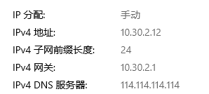
 |  |  |  |  | 宝安论坛
SVN |  |  |  |  | http://14.21.41.202:10220/forum.php
user： |  | dingguanghui |  |  |  | 企业QQ |  |  |  | 禅道：
pwd: |  | d123456# |  |  |  |  | user： | 3001297060 |  | http://192.168.99.204/zentao/bug-browse-2-assignToMe-0.html
 |  |  |  |  |  |  | user： | 2851810174
代码和资料： |  |  |  |  |  |  | pwd: | dGH……/Dgh017509 |  |  | user： | dingguanghui
 |  |  | CODE/trunk/besskyERP |  |  |  |  |  |  |  | pwd: | d123456$
http://192.168.99.182:81/svn/develop/DOC/01项目资料库 |  |  |  |  |  | oa上线： | https://oa.ser.ltd/dashboard
 |  |  |  |  |  | 宝安OA: | https://oa.ksold.ltd/dashboard |  |  | 3.0开发 |  |  | 3.0查看提交
 |  |  |  |  |  |  | user： | 017509 |  | http://192.168.99.230/user/dashboard |  |  | http://10.30.2.2:8080/asynchPeople/
 |  |  |  |  |  |  | pwd: | dgh@666666
D:\anaconda\envs\py3.7.5\Lib\site-packages
 |  |  |  |  |  | ERP上线： | http://192.168.99.213:9095/pss |  |  | 海外仓系统（主做海外仓的账号，还是有部分少量发本地仓订单）
 |  |  |  |  |  |  |  |  |  | http://192.168.99.143:59095/pss
 |  |  |  |  |  | 宝安： | http://10.30.1.45:9095/pss
PM→经理 |  |  |  |  |  | 宝安外网： | http://erpx.ksold.ltd:9095/pss |  |  | 海外仓系统外网地址（供销售、仓库使用）
DM→主管 |  |  |  |  |  | 手机登入 | http://erpapp.ksold.ltd:18085/user |  |  | http://hwerp.ser.ltd:59095/pss
PL→组长 |  |  |  |  |  |  | user： | it_dingguanghui |  | 自营物流系统
 |  |  |  |  |  |  | pwd: | d123456~ |  | http://116.31.91.74:39075/pss
 |  |  |  |  |  | GitHub:
 |  |  |  |  |  |  | user： | 2851810174@qq.com |  | 测试
 |  |  |  |  |  |  | pwd: | Dgh017509 |  | http://192.168.99.203:8080/pss
erp系统 |  |  |  |  |  |  |  |  |  | user： | bessky_it

 | user： | bessky_it |  |  |  |  | user： | 1877…….@163.com |  | pwd: | 1
 | pwd: | 1 |  |  |  |  | pwd: | Dgh13….
 |  |  |  |  |  | erp 3.0代码 |  | http://192.168.99.182/

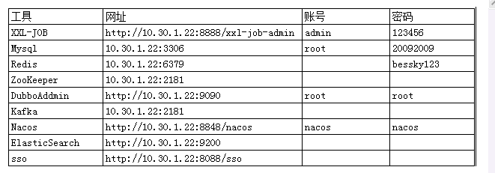
Tomcat |  |  | System.out.println(Charset.defaultCharset())
 | VM options: |  | -Dfile.encoding=utf-8 |  | 解决前端页面中文乱码
 |  |  | -Dfile.encoding=gbk |  | 解决tomcat控制台打印乱码
 |  |  | 局部设置： |  |  |  |  |  |  |  |  |  |  | Redis搭配字典： | 写一个前端页面传值
 |  |  |  | PrintStream ps = new PrintStream(System.out,true,"gbk"); |  |  |  |  |  |  |  |  |  | 后端拿值 Integer upperLimitOfBagNumber = DictionaryCacheUtils.getDictionaryIntegerValue("App.Logistics.PrintLabel.UpperLimitOfBagNumber");
 |  |  |  | ps.println("_jspService(): JSP共响应了"+serviceVar+"次请求");
 | On frame deactivation: |  |  | Update classes and resources |  | 热部署

 | java.util.logging.ConsoleHandler.encoding=GBK |  |  |  |  | Tomcat logging乱码

 | 去除路径多余字段： |  | Application context删除字段(xx_war_explored)，URL删除对应字段

 | 配置tomcat的虚拟路径， tomcat设置上传文件路径 |  |  |  |  |  |  |  | 脚本 | http://10.30.1.45:8888/xxl-job-admin
 | session生效 |  |  |  |  |  |  |  |  | name: | bessky
 |  |  |  |  |  |  |  |  |  | pwd: | Li721Zhong~

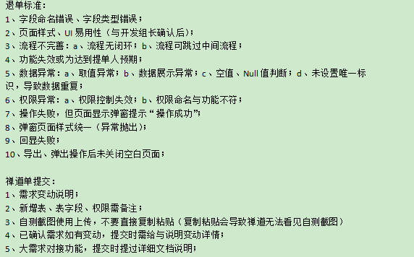
禅道
 |  |  |  |  |  |  |  |  | 意见箱 | http://erpx.ksold.ltd:9095/pss/bbs/topics/view?bbsTopicId=58570

禅道需求完成确认：

图片需要上传

华磊系统文档 |  | http://www.sz56t.com:8090/pages/viewpage.action?pageId=3473454

接口customer_id生成 |  | http://121.37.29.222:8082/selectAuth.htm?username=RYDKJ&password=123456
面单获取(ip非固定） |  | http://129.204.183.60:8089/order/FastRpt/PDF_NEW.aspx?PrintType=lab10_10&order_id=8807284
对接新的渠道： |  | E:\besskyERP\1.0\bessky_pss\bessky_pss_core\src\main\java\com\bessky\pss\common\dict\LogisticsCompany.java
 |  | E:\besskyERP\1.0\bessky_pss\bessky_pss_web\src\main\webapp\theme\default\js\pages\logistics.label.print.new.js
 |  | E:\besskyERP\1.0\bessky_pss\bessky_pss_web\src\main\webapp\theme\default\js\pages\logistics.label.print.js
 |  | E:\besskyERP\1.0\bessky_pss\bessky_pss_web\src\main\webapp\theme\default\js\pages\goods.print.js
 |  | 也要加

sentence
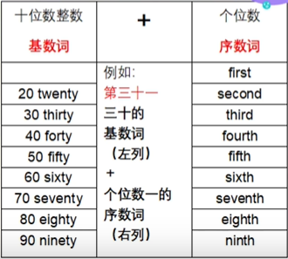
I can't forgive his infidelities |  |  | n.plural | fidelity/fi deləti/ |  |  |  |  |  |  | 雅思：英国发布，国家范围更广；一个是A类（针对留学类）一个是G类（移民或工作类） |  |  |  |  |  |  |  | spoken
please feel free to give it a thumbs-up |  |  |  | 请大家多多点赞 |  |  |  |  |  |  |  |  |  |  |  |  |  |  | I never thought that |  |  | 祈使句中用never do sth.
I can't contain my laughter |  |  | myself for joy | 抑制（感情） |  |  |  |  |  |  | pronounce |  | naʊn |  |  |  |  |  | what' up,my dude |  |  | 打招呼
let's be frank here |  |  |  |  |  |  |  |  |  |  | pronunciation |  | nʌn |  |  |  |  |  | Mr Miss xx |  |  | mɪstər | 老师称呼
I want reliable people, people who aren't going tio be carried away |  |  |  |  |  |  |  |  |  |  |  |  |  |  |  |  |  |  | you deserve it |  |  | 罪有应得
with some superhuman gifts |  |  | some某种 |  |  |  |  |  |  |  | build |  | bɪld |  |  |  |  |  | what do you think of |  |  | how do you like
it is a pleasure |  |  | tiz | 此处=a pleasurable thing |  |  |  |  |  |  |  |  |  |  |  |  |  |  | I don't wear any makeup |  |  | 指装饰物
tom's and jerry's rooms |  |  | 各自的房间 |  |  |  |  |  |  |  | clothes |  | kloʊðz |  |  |  |  |  | I wish you a good day |  |  | 不加 to do
his voice was heavy with 'sarcasm |  |  |  | 讽刺.n | I don’t like the bi*ch murmured sarcastically |  |  |  | 阴阳怪气的牢骚 |  |  |  |  |  |  |  |  |  | living in ShangHai is expensive |  |  | 生活成本高
There is fragrant smell of the lotus/osmanthus |  |  |  |  | /ɒz'mænθəs/ |  |  |  |  |  | flour |  | flaʊər = flower |  |  |  |  |  | I live a happy life |  |  | 不能life is happy；习惯adj+n |  |  | safe streets
it was similar to my chidhood allergy |  |  |  |  | simələ |  |  |  |  |  |  |  |  |  |  |  |  |  | he is healthy |  |  | healthy不能修饰body
we get in touch every evening |  |  |  |  | getin |  |  |  |  |  | colonel |  | kɜːrnl |  |  |  |  |  | I have the habit of … |  | 习惯需要加of | better -> swimming is part of my life
that was a mystery to me |  |  |  |  | wəzə tə |  |  |  |  |  |  |  |  |  |  |  |  |  | I got more tanned |  |  | black指黑人
it was hilarious |  |  |  |  | hile |  |  |  |  |  | inexpensive |  | ɪnɪkˈspensɪv |  |  |  |  |  | excuse me miss, you dropped your keys |  |  | beautiful woman 有戏谑意味；madam指年龄大的人
the egg smells |  |  |  |  | v.臭味 |  |  |  |  |  |  |  |  |  |  |  |  |  | I'm stoked |  |  | 我很兴奋high一般指吸毒 |  | kt |  |  | 形容词口诀： | 美小圆旧黄 法国木书房
I don't mind the cold |  |  |  |  | n |  |  |  |  |  | obvious |  | ɑːbviəs | b不完全爆破 |  |  |  |  | sorry，I have to run.let's talk again soon |  |  | 结束对话
are you color blind |  |  |  |  |  |  |  |  |  |  |  |  |  |  |  |  |  |  | no problem,talk to you late |  |  |  |  |  |  |  | 只能后置定语 | somebody nice
once is enough for me |  |  |  |  | siz |  |  |  |  |  | do homework |  | write + 具体东西; 家庭作业可能是手工的 |  |  |  |  |  | my life was a stagnant tide |  |  | 一潭死水 |  |  |  |  |  | anybody absent
I rested my head on her shoulder |  |  |  |  | ʃoʊ |  |  |  |  |  |  |  |  |  |  |  |  |  | I like to watch beauty tutorials to improve my make-up skills |  |  |  | tuːˈtɔːriəl | kʌp |  |  |  | everything possible
I don't take sugar in my coffee,thanks |  |  |  |  | rin | 泛指糖时不可数 |  |  |  |  | vary tasty |  | delicious包含very 不用于否定句 |  |  |  |  |  | could you check Grace's calendar and see if she's available for a one-hour meeting next Tuesday at 11 a.m |  |  |  |  |  |  | sis |  | nothing wrong
I find myself at a loss for words |  |  |  |  | fə tə |  |  |  |  |  |  |  |  |  |  |  |  |  | my delivery order has arrived |  |  | 外卖
he met his death in a road accident |  |  |  |  | this thin |  |  |  |  |  | No wonder |  | 原来如此 |  |  |  |  |  | let's order in |  |  |  |  |  |  |  | help sb. to do sth. |  | to可以省
did I take your seat.Do excuse me |  |  |  |  |  |  |  |  |  |  |  |  |  |  |  |  |  |  | do your order via food delivery apps often
the stain just won't come out |  |  |  |  | 去除 |  |  |  |  |  | trashy guy |  | 没素质的家伙，或者classy反讽 |  |  |  |  |  | would you like any bags |  |  | 收银员
I don't catch your meaning |  |  |  |  |  |  |  |  |  |  |  |  |  |  |  |  |  |  | can you tell me where I can find the peanut butter |  |  | 问路
I don't know why you bother with that crowd |  |  |  |  | v.费时间 | n.令人烦恼的情况(或事物、人) |  |  |  |  | the GOAT/CEO |  | yyds |  |  |  |  |  | it’s at the far end of aisle 9 |  |  | 最后面 | aɪl 过道
you are early |  |  |  |  | ə |  |  |  |  |  |  |  |  |  |  |  |  |  | it‘s engaged
I aoplogize if you took offence |  |  |  |  | 本身发ə，连读即可 |  |  |  |  |  | sleep late | sleep in /go to sleep late | 起的晚 | 睡懒觉 |  |  |  |  | can I get this to go |  |  | 打包
your passports has expired |  |  |  |  | iks |  |  |  |  |  |  |  |  |  |  |  |  |  | please put the steak and salad in separate boxes
don't you |  |  |  |  | tʃu |  |  |  |  |  | internatinal/overseas |  | foreigner含歧视意味 |  |  |  |  |  | all the best
the teacher named John as monitor |  |  |  |  |  |  |  |  |  |  |  |  |  |  |  |  |  |  | the boarding time is 9:30 pm, gate 31
a live bomb had earlier been defused |  |  |  |  | lai 实弹【未爆炸】 |  |  |  |  |  | don't feel like doing |  | 懒得，不想做某事 |  |  |  |  |  | Could you take a message for Mary, please? |  |  | 留信
he dealt me a sudden blow |  |  |  |  | deal -> dealt |  | di -> de | deal sb/sth a blow |  | 给什么人打击 |  |  |  |  |  |  |  |  | I'm going to the army |  |  | 当兵，服兵役
 | Her sudden death dealt a blow to the whole country |  |  |  |  |  |  |  |  |  | not that bad |  | 不用just so so |  |  |  |  |  | you need to cross/go across the skybridge to get the buiding B |  |  |  | need do和need to do的意思一样的，一个是情态动词用法，一个是实意动词用法
celtic won the first leg 2-0 |  |  |  |  | 第一场 |  | - 读to |  |  |  |  |  |  |  |  |  |  |  |  |  |  |  | need do 多否定 |  | across介词
she has grown her hair long |  |  |  |  | 留发长 |  |  |  |  |  | should try the |  | have a try有现在尝试的意思 |  |  |  |  |  | take the escalator to the second floor
his money comes mainly from salary |  |  |  |  |  |  |  |  |  |  |  |  |  |  |  |  |  |  | the telecom store is two doors down form the supermarket
I value my freedom above all things |  |  |  |  |  |  |  |  |  |  | 点赞 |  | give out a thumbs-up |  | zʌ |  |  |  | the cost for two tickets is 5 dolllars
the totall cost will be 126 dollar |  |  |  |  |  |  |  |  |  |  | 投币 |  | give out a coin |  |  |  |  |  | the shoes pinch my feet |  |  |  | 不合脚
you need learn caution |  |  |  |  |  |  |  |  |  |  | 关注 |  | follow the video creator |  |  |  |  |  | I have an appointment with Sarah Lin at 2 o'clock
his courage is a lesson to us all |  |  |  |  |  |  |  |  |  |  | 收藏 |  | add videos to your favorites |  |  |  |  |  | is there a restroom on this floor
her daughters were aged 5 and 1 |  |  |  |  | adj…岁 |  |  |  |  |  | 转发 |  | forward the video |  |  |  |  |  | would you like it in cash or on your credit card |  |  |  | 退还
I doubt his competence to do the job |  |  |  |  | job是可数名词，work是不可数名词 |  |  |  |  |  | 白嫖 |  | a freeloader |  |  |  |  |  | it's a long time since I paid in cash
he must be green to belive that |  |  |  |  | 幼稚的 |  |  |  |  |  |  |  |  |  |  |  |  |  | my wife has severe diarrhea and has vomited three times in the past few hours |  |  |  |  |  | daiəriə 腹泻 | vomit呕吐
the train gathered speed |  |  |  |  | v.逐渐增加 |  |  |  |  |  | ask for sick leave |  | 请病假 |  |  |  |  |  | I cut down on sugary drinks , fried food and stopped eating late-night snacks
the guard was relayed every four hours |  |  |  |  |  |  |  |  |  |  |  |  |  |  |  |  |  |  | would you like any sides |  |  |  | 配菜
johnson cut himself shaving |  |  |  |  |  |  |  |  |  |  | short,tall and grande |  |  | 小，中，大杯 | di 【美】 |  |  |  | what's today's special |  |  |  | 特价菜
would you ever have plastic surgery |  |  |  |  | 将来时 |  |  |  |  |  |  |  |  |  |  |  |  |  | try to relax and think positive
Her eyes dilated with fear |  |  |  |  | dai | 眼睛，瞳孔，血管扩张 |  |  |  |  | thesis |  |  | ˈθiːsəs |  |  |  |  | could you call me a taxi
 | Red wine can help to dilate blood vessels. |  |  |  | sə |  |  |  |  |  |  |  |  |  |  |  |  |  | take a trial class and see if you like it |  |  |  | ˈtraɪəl试听课 |  | take a couple of classes
please sent me those slides |  |  |  |  | 请把ppt文件发我 |  |  |  |  |  | hobby |  |  | ha【美】 |  |  |  |  | when will the typhoon make landfall |  |  |  | taɪˈfuːn
help yourself to these apple pies |  |  |  |  |  |  |  |  |  |  |  |  |  |  |  |  |  |  | how much does this pair of earrings cost
I'll stand dinner for you if I'm wrong |  |  |  |  | 请客 |  |  |  |  |  | canvas | bag |  | 帆布包 |  |  |  |  | is there a discount if I buy two pairs
Shut the door and windows while you eat, ok |  |  |  |  | ‘=close |  | shut up 住嘴 |  |  |  | plastic |  |  |  |  |  |  |  | she's kind of digging herself a grave |  |  |  | 自作自受
we had a buffet supper last night |  |  |  |  | 自助晚餐 |  | bəˈfeɪ sʌpə |  |  |  |  |  |  |  |  |  |  |  | could I have an extra blanket
 | The wind buffeted him |  |  |  | 左摇右摆 |  | bʌfɪtid |  |  |  | neat freak |  |  | 洁癖 |  |  |  |  | do you have any pills for headaches
I prefer animal food |  |  |  |  | 反：vegetarian food |  | n.素食主义者 |  |  |  |  |  |  |  |  |  |  |  | how much does this pair of earrings cost
I need a daily fix of coffee |  |  |  |  | 每天固定的 |  | fiksə |  |  |  | what a rip-off |  |  | 物非所值 |  |  |  |  | How late is the swimming pool open |  |  |  | 开的多晚
strawberries bring me out in a rash |  |  |  |  | 疹子 |  |  |  |  |  |  |  |  |  |  |  |  |  | What time does the bank open
 |  |  |  |  |  |  |  |  |  |  | crime series |  |  | 电视剧 |  |  |  |  | I' like a double cheesebuger with no sauce and no pickles
he left in a temper |  |  |  |  |  |  |  |  |  |  |  |  |  |  |  |  |  |  | how long have you been working out here |  |  |  | 健身
the woman's smile concealed her angry |  |  |  |  | 掩饰 |  |  |  |  |  | 抖音网红 |  |  | tiktok influencer |  |  |  |  | take bus 9 heading towards xx , and get off at xx bus stop |  |  |  | 开往 | bus站
the tears flowed down from her eyes |  |  |  |  | 程度深：pour down |  |  |  |  |  | 抖音主播 |  |  | streamer |  |  |  |  | don't play dumb with me |  |  |  | 别装傻
 | were rolling down his face |  |  |  |  |  |  |  |  |  | 新闻主播 |  |  | anchor |  |  |  |  |  | drop the act |  |  | 别装了
you appear unhappy
her tears were pure theatre |  |  |  |  | θiːətər | 英国英语用 cinema |  |  |  |  | #5 |  |  | number 5
she gave me a sad look |  |  |  |  |  |  |  |  |  |  | a 30 ml bottle |  |  | millilitres [ˈmɪləˌlitərz]
her eyes were flooded with tears / watery |  |  |  |  | 灌满；充满
in a fit of anger he hit his friend |  |  |  |  | …冲动 |  |  |  |  |  | it's refreshing |  |  | 让人耳目一新
her heart pulsed with excitement |  |  |  |  | （有节奏的）跳动
they were angered at the resolution |  |  |  |  | 因..流泪 |  |  |  |  |  | regular mail |  |  | 平邮
they wept tears of happiness |  |  |  |  |  |  |  |  |  |  | express mail |  |  | 快递
I'm glad he's out and about again |  |  |  |  | about 四处走动的
we leave (for Beijing) the day after tomorrow |  |  |  |  |  |  |  |  |  |  | a one bedroom apartment |  |  | 大单间
business is slack |  | a slack period |  |  | 萧条的；松弛的 |  |  |  |  |  | a studio |  |  | 单身公寓
I love travelling on trains |  |  |  |  | ing 具有长期性
how long is the flight |  |  |  |  |  |  |  |  |  |  | night owl |  |  | 夜猫
shall we walk or take a cab |  |  |  |  | cab 多美式
the train was 40 minutes late |  |  |  |  |  |  |  |  |  |  | 朋友圈 |  |  | wechat moments
our car had a flat tire |  |  |  |  | 平坦 -> 漏气的 |  |  |  |  |  | 头像 |  |  | profile picture
he was bombing along on his motorbike |  |  |  |  | go like a bomb |  | take a walk / walking along the beach 散步 |  |  |  | 网名 |  |  | screen name
I'm be home for The Spring Festival |  |  |  |  | 中国节日加the |  |  |  |  |  | 自拍 |  |  | take a lot of selfies
they're coming to visit over Easter |  |  |  |  | 期间=during |  |  |  |  |  | 聊天记录 |  |  | chat history
Here's to the New Year |  |  |  |  | 为...干杯 |  |  |  |  |  | 订阅频道 |  |  | subscribe to my channel
can you distinguish goat from sheep |  |  |  |  |  |  |  |  |  |  | 撤回消息 |  |  | recall a message
the director saluted his splendid work |  |  |  |  | sə致敬 ~ praise |  |  |  |  |  | @某人 |  |  | give me a mention
he has seen a great deal in his life |  |  |  |  |  |  |  |  |  |  | 扫二维码 |  |  | scan QR code
the two horses were even in the race |  |  |  |  | 相等的 |  |  |  |  |  | 屏蔽朋友圈 |  |  | block his moments
I'll stand you a dinner |  |  |  |  | 请吃饭（饮料） |  |  |  |  |  | 取关，删除，拉黑 |  |  | unfollow unfriend blacklist
I'm afraid this isn't the proper way to handle the case |  |  |  |  |  | 合适的
that color really becomes you |  |  |  |  |  | 适合（某人） |  |  |  |  | accelerate to full |  |  | 全速前进
she ruled two red lines under the title |  |  |  |  |  | 用尺子画 |  |  |  |  | accidental death |  |  | 意外死亡
It's none of your beeswax |  |  |  |  |  |  |  |  |  |  | in accordance with the scriptures |  |  |  | 正如圣经所载 |  | n. 一致
Information is given to the patient verbally and in writing. |  |  |  |  |  | 口头上adv |  |  |  |  | activate emergency protocol |  |  |  | 启动紧急预案
many kids suffer from acne and angst |  |  |  |  | ækni | 青春痘 | 焦虑 |  |  |  | adequately explain |  |  | kwi | 充分解释
I'm like to sign up for a gym membership |  |  |  |  | 报名；注册 | nʌp |  |  |  |  | I largely only eat carrots |  |  |  | 基本上； | large.adv.大
the initiation /the monthly fee is $99 |  |  |  |  | 入会费用/月费 |  |  |  |  |  | 联系人 |  |  |  | contact | 不加er
Please fill out these forms |  |  |  |  | lout
She was reluctant to admit she was wrong. |  |  |  |  | 不情愿的
You rescued me from an embarrassing situation |  |  |  |  | 解救 |  |  |  |  |  | 年会 |  |  |  | annual conference
I have paronychia |  |  |  |  | pərəʊnikiə
due to the bed weather in TaiPei,the plane was grounded for five hours |  |  |  |  |  |  | 停留 |  |  |  | 回怼 |  |  |  | no offfence but you are thick as a brick |  |  | ri
we have mango,passion fruit and strawberry smoothies |  |  |  |  |  | smoothie | ði 沙冰 |  |  |  |  |  |  |  | is it what you actually think,intersting
it prevents excessive intake of vitamins |  |  |  |  |  | intake 摄入 |  |  |  |  |  |  |  |  | awww,honey,who hurts you
The campfire radiated a warm cozy glow |  |  |  |  | ˈreɪdieɪtɪd散发 |  | ˈkoʊzi舒适的
We'll have to postpone the meeting until next week |  |  |  |  |  | 推迟..到 |  |  |  |  | 小/大雨 |  |  |  | light/heavy rain
they're made of sterling silver |  |  |  |  | sterling纯粹的 |  | 纯银 |  |  |  | 中雨 |  |  |  | moderate rain
the stainless steel ones on the right side are much cheaper |  |  |  |  |  | stainless | steɪnləs不生锈的 |  |  |  | 毛毛雨 |  |  |  | it was drizzling. | n&v
the graffiti of the building is an eyesore |  |  |  |  |  |  |  |  |  |  | 暴雨 |  |  |  | downpour .n
I finished five seasons of Mrs.X on Netflix |  |  |  |  |  |  |  |  |  |  | 雷阵雨 |  |  |  | thunder shower
Internet trolls write provocative comments to get responses from others |  |  |  |  |  |  |  | 网络喷子 |  |  | 雨夹雪 |  |  |  | it was sleeting | n&v
there is a boutique on the corner |  |  |  |  |  |  | buːˈtiːk | 精品店
what if I extend the 12 month lease to 24 months |  |  |  |  |  |  | lease 租约 |  |  |  | 漏税 |  |  |  | tax evasion
the rent is $300 per / a month
it has few side effects and you won't feel drowsy after taking it |  |  |  |  |  |  | 副作用
I usually run on the treadmill for half an hour,and then use a few weight machines ,like the smith machine
I intend to be a teacher |  |  |  |  |  |  | = want to / plan to
Any wiggle room there |  |  |  |  |  |  | 回旋余地 | 可用于询问折扣
these books are giveaways for peple present at the meeting |  |  |  |  |  |  | 赠品
I had an abortion |  |  |  |  |  |  | n.流产
I'm willing to accede to your methods |  |  |  |  |  |  | si 同意
We should adhere to the traffic rules |  |  |  |  |  | ədˈhɪr | 遵守
 | The face powder adheres well to the skin. |  |  |  |  |  | 吸附
the outlook for jobs is bleak |  |  |  |  |  |  | （前景）黯淡
we can't help being suspicious of Bob because he bought a luxurious sports car just after the money was stolen from the office
 |  |  |  |  |  |  | /səˈspɪʃəs/adj. |  | ləɡˈʒʊriəs
Stress is taking a significant toll on our health |  |  |  |  |  |  | 重大损坏
Don't try to rip me off |  |  |  |  |  |  | 坑钱
We encountered a number of difficulties in the first week. |  |  |  |  |  |  | 遇见，遭受 | 一些
some people argue that |  |  |  |  |  |  | 认为..
the professor chimed in the student's discussion |  |  |  |  |  |  | 钟声，插话 | [tʃaɪm]
there is little or no incentive to adopt such measures |  |  |  |  |  |  | 激励
Germany declared war on France on 1 August 1914 |  |  |  |  |  |  | 宣称 | [dɪˈkler]
Modest students are generally more attentive than their comtemporaries |  |  |  |  |  |  |  | 专注的
Abuse can lead to both psychological and emotional problems
Apologies can minimize conflict and serve to restore ralationships |  |  |  |  |  |  |  | 起到…作用
He stood as a candidate in the local elections |  |  |  |  |  |  | kændɪdeit | 候选人

数据库
 |  |  |  |  |  |  |  |  | information_schema.columns信息库之所有数据库信息 |  |  |  |  | distinct 不仅去重，默认升序
 | 数据库： |  |  |  |  |  |  |  | select distinct table_schema, table_name,column_name,ordinal_position,data_type,column_comment from information_schema.columns
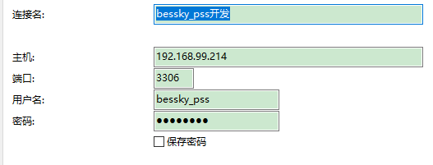
表对应的结构=数据库

20092009

 |  |  |  |  |  |  |  |  | 判断表里面所有列名有某列名：
 |  |  |  |  |  |  |  |  | select "role_id" in (select distinct column_name from information_schema.columns where table_name='t_user') x;
 | ERP从库：
 | 10.30.1.30
 | 原来177-》
 | 10.30.1.43 |  |  |  |  |  |  |  | sqlt调优 | 具体字段代替* |  | limit作为父集
 | 原来242-》 |  |  |  |  |  |  |  | SELECT t.product_sku,t.parent_sku from (select product_sku,parent_sku from t_product where warehouse_id=8 limit 0,100000) t where t.product_sku="ZSY4060501B"
 | 10.30.1.44 |  |  |  |  |  |  |  | 查找表里面所有列名哪些包含字段（模糊查询）：
 |  |  |  |  |  |  |  |  | SELECT * FROM (select distinct column_name from information_schema.columns where table_name='t_user') X WHERE X.column_name like "%id"
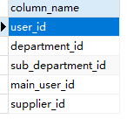
 | 页面：计件统计新
 | work_type : |  | 6 sku上架 | 14 按货配货
 | sub_department |  | 85 BGHK
SELECT * FROM t_work_hours_report w, t_user u WHERE w.report_date > '2021-03-18 00:00:00' and w.user_id = u.user_id and u.name="田文德"

 | 仓库：product_stock_chart_list.jsp
 | <app:item key="1" value="大浪仓库"></app:item>
 | <app:item key="2" value="石岩仓库"></app:item> |  |  |  |  |  |  |  | limit分页 | mysql> SELECT * FROM table LIMIT 95,-1; // 报错 |  |  |  |  | java pager传参 |  |  | 分页查询数据合并成list
 | <app:item key="3" value="森海诺仓库"></app:item> |  |  |  |  |  |  |  |  | 显示十条数据 |  |  |  |  | Pager pager = new Pager(); |  |  | int pageSize = 5000; | // 分页容量
 | <app:item key="7" value="中泰仓库"></app:item> |  |  |  |  |  |  |  |  | SELECT * FROM t_order limit 0,10 |  |  |  |  | pager.setPageSize(5); |  |  | Pager pager = new Pager();
 | <app:item key="8" value="东莞仓库"></app:item> |  |  |  |  |  |  |  |  |  |  |  |  |  |  |  |  | pager.setPageSize(pageSize);
 | <app:item key="18" value="塘厦仓库"></app:item> |  |  |  |  |  |  |  |  |  |  |  |  |  | pagerNo=1当前页码 |  | pageSize=10;//每页显示记录数 | ProductDao productDao = SpringContextHolder.getBean("productDao", ProductDao.class);
 | <app:item key="21" value="开发部样品仓"></app:item> |  |  |  |  |  |  |  |  | 分页 |  |  |  |  |  |  |  | int total = productDao.queryProductCount(query);
 | <app:item key="31" value="出口退税仓"></app:item> |  |  |  |  |  |  |  |  | long start = (pager.getPageNo() - 1) * pager.getPageSize(); |  |  |  |  | start=0 |  |  | pager.setTotalCount(total);
 | <app:item key="32" value="龙岗仓库"></app:item>
 | <app:item key="33" value="杭州仓库"></app:item> |  |  |  |  |  |  |  |  | long end = start + pager.getPageSize() - 1L; |  |  |  |  | end=9 |  |  | int totalPage = pager.getTotalPage();
 | 42 大岭山仓库 |  |  |  |  |  |  |  |  |  |  |  |  |  |  |  |  | List<Product> products = new ArrayList<Product>();
 |  |  |  |  |  |  |  |  |  | request.addSqlDataParam("LIMIT", dial.queryFirst2Last("", (int) start, (int) end)); |  |  |  |  |  | 查询数据库前十条数据 |  | for (int pageNo = 1; pageNo <= totalPage; pageNo++)
 |  |  |  |  |  |  |  |  |  |  |  |  |  |  |  |  |  | {
 | 订单状态t_order-status |  |  |  |  |  |  |  | insert into |  |  |  |  |  |  |  |  | pager.setPageNo(pageNo);
 | 3 待合并 | 15 等待打单 |  |  |  |  |  |  |  | desc查看表字段数据结构 |  |  |  |  |  |  |  | List<Product> searchProducts = productDao.queryProductList(query, pager);
 |  |  |  |  |  |  |  |  |  | on duplicate key update(非主键，非唯一键字段，重复数据更新不插入） |  |  |  |  |  |  |  | products.addAll(searchProducts);
 | uuid |  |  |  |  |  |  |  |  | 批量插入values后面增加数据 |  |  |  |  |  |  |  | }
 | select sku,uuid from t_sku_trace where sku="QYY70930713L" |  |  |  |  |  |  |  |  |  |  |  |  |  |  |  |  | //获取总页数
 |  |  |  |  |  |  |  |  |  |  |  |  |  |  |  |  |  | public int getTotalPage()
 | 袋号 序列号 t_deliver_logistics_package |  |  |  |  |  |  |  |  |  |  |  |  |  |  |  |  | {
 |  |  |  |  |  |  |  |  |  |  |  |  |  |  |  |  |  | return (this.totalCount + pageSize - 1) / pageSize;
 | 最新 |  |  |  |  |  |  |  |  |  |  |  |  |  |  |  |  | }
 | <c:set value="${app:j2cache('J2CACHE_DICTIONARY', 'App.NewSystem.CompanyCode') }" var="companyCode"></c:set>
 | companyCode eq 'BA'

 | 加载缓存 | TransportationModeServiceImpl-load（）
 | 缓存类： | transportationRuleFacade |  |  |  |  |  |  |  | 插入单条数据xml
 | 对应前端缓存名 |  |  |  |  |  |  |  |  | <sql datasource="dataSource" id="createOrderLock" >
 |  |  |  |  |  |  |  |  |  | <content >
E:\besskyERP\2.1\bessky-erp\bessky-erp-system\src\main\java\com\bessky\erp\system\logistics\service\impl\TransportRuleServiceImpl.java |  |  |  |  |  |  |  |  |  | <![CDATA[
 | @Override |  |  |  |  |  |  |  |  | INSERT INTO t_id (id，test)
 | public String cacheName() |  |  |  |  |  |  |  |  | VALUES (:id, :test)
 | { |  |  |  |  |  |  |  |  | ON DUPLICATE KEY UPDATE id=:id, test=:test
 | return CacheName.J2CACHE_TRANSPORT_RULE; |  |  |  | 所属类CacheName |  |  |  |  | ]]>
 | } |  |  |  |  |  |  |  |  | </content>
 | 前端代码： |  |  |  |  |  |  |  |  | </sql>
 | <td>${app:j2cache('J2CACHE_TRANSPORTATION_RULE', freight.key).maxWeight}</td> |  |  |  |  |  |  |  |  | daoImpl批量 |  | for (StableOrderTrack entity : entityList)
 |  |  |  |  |  |  |  |  |  |  |  | {
 |  |  |  |  |  |  |  |  |  |  |  | request.addBatchDataParam(StableOrderTrackDBField.ORDER_ID, DataType.INT, entity.getOrderId());
 | 序列号 |  |  |  |  |  |  |  |  |  |  | request.addBatch();
 | t_deliver_scan_record |  |  |  |  |  |  |  |  |  |  | }
 |  |  |  |  |  |  |  |  |  |  |  | SqlerTemplate.batchUpdate(request);
 | 根据平台订单号搜sku |  |  |  |  |  |  |  | 取前五条数据：字段a分组，按照字段b逆序
 | select order_id,product_sku from t_order_item where order_id in ('405-2577334-5793960_1304192780', |  |  |  |  |  |  |  | <sql datasource="dataSource" id="queryLocationNumberRecordListHistorys">
 | '404-4982697-1536326_1304192780', |  |  |  |  |  |  |  | <content>
 | '_1304192780', |  |  |  |  |  |  |  | <![CDATA[
 | 系统配置-自定义导出格式里面可以配置导出操作 |  |  |  |  |  |  |  | SELECT t1.record_id, t1.sku, t1.created_by, t1.creation_date, t1.previous_number, t1.current_number, t1.location_number_record_type FROM t_location_number_record t1
 |  |  |  |  |  |  |  |  | WHERE 1 = 1
 |  |  |  |  |  |  |  |  | <[AND record_id = :record_id]>
 |  |  |  |  |  |  |  |  | 。。。。。。
 | 区分宝安龙华 |  | t_system_dictionary |  |  |  | 大于几就是取b字段几个 |  | AND 5 > (SELECT COUNT(*) FROM t_location_number_record WHERE sku = t1.sku AND record_id > t1.record_id )
 | companyCode eq 'BA' |  |  |  |  |  |  |  | ORDER BY t1.sku,t1.record_id DESC |  |  |  |  |  | 大于号逆序
 | <c:set value="${app:j2cache('J2CACHE_DICTIONARY', 'App.NewSystem.CompanyCode') }" var="companyCode"></c:set> |  |  |  |  |  |  |  | ]]>
 |  |  |  |  |  |  |  |  | </content>
 |  |  |  |  |  |  |  |  | </sql>
 | QC扫描 |  |  |  |  |  |  |  |  |  |  |  |  |  |  | DEFAULT NULL
 |  |  |  |  |  |  | 新建列 |  | ALTER TABLE `bessky_pss`.`t_transportation_mode` ADD COLUMN `enabled_apply_tracking_number` tinyint(1) NULL DEFAULT 1 COMMENT '是否开启申请跟踪号' AFTER `is_ship`;
 | select sku,uuid from t_sku_trace where sku="QYY70930713L" |  |  |  |  |  |  |  | alter table t_transportation_mode add is_apply_tracking_num TINYINT(1) comment '是否开启申请跟踪号' DEFAULT true
 |  |  |  |  |  |  | 更新数据 |  | UPDATE t_product SET product_feature=null where product_sku="#D161B"
 | 权限 |  | 菜单显示要重启项目加载缓存 |  |  |  | 删除列 |  | ALTER TABLE t_transportation_mode DROP COLUMN is_apply_tracking_num;
 | INSERT INTO `bessky_pss`.`t_menu` (`menu_name`, `menu_code`, `parent_id`, `url`, `level`) VALUES ('特殊加工审批', '11169850', '11160000', 'special/process', '3'); |  |  |  |  |  | 删数据 |  | delete from t_everyday_export where export_id=254393
 | INSERT INTO `bessky_pss`.`t_permission` (`permission_name`, `permission_code`, `assign_type`, `parent_id`, `resource_type`, `resource_key`) VALUES ('特殊加工审批', '11161300', '1', '11160000', '1', '11161300');
 | INSERT INTO `bessky_pss`.`t_permission` (`permission_name`, `permission_code`, `assign_type`, `parent_id`, `resource_type`, `resource_key`) VALUES ('移采购经理审批', '11169851', '1', '11169850', '1', '11169851');

 |  |  |  |  |  |  | 日期格式化 |  | DATE_FORMAT(w.report_date,'%Y-%m-%d')

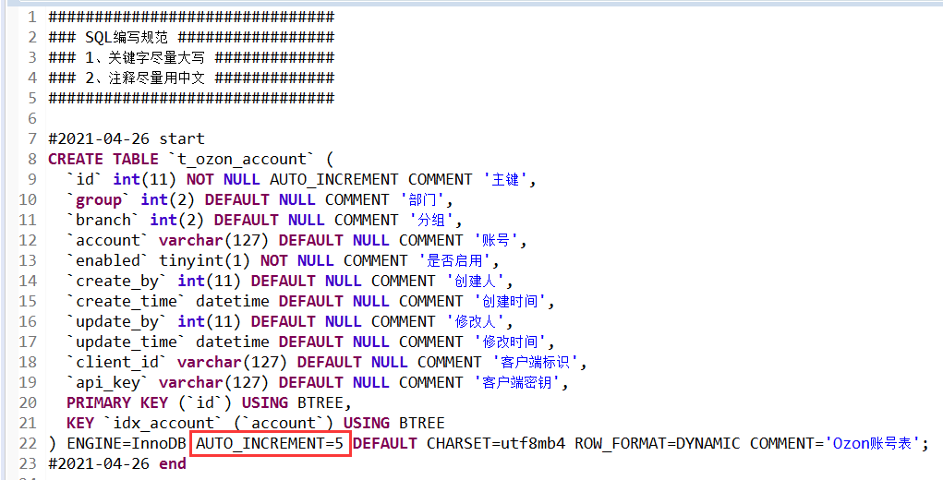

 |  |  |  |  |  | 建表语句最好把自增去掉，让他从1开始

 |  |  |  |  |  |  |  | 查找最后几个数据 |  | select * from t_operation_log order by log_id desc limit 10

 |  |  |  |  |  | navicat复制表到另一个数据库 |  |  | 工具-数据传输，复制表结构
 |  |  |  |  |  |  |  |  | 原始表选择数据，右键复制为insert语句

 |  |  |  |  |  |  |  | 比较相等 | 'A' = null | 显示空
 |  |  |  |  |  |  |  |  | 'A' <=> null |  | 显示false

 |  |  |  |  |  |  |  | 截取字符串 | SUBSTRING_INDEX('www.yuanrengu.com', '.', 2);
 |  |  |  |  |  |  |  |  | LEFT('www.yuanrengu.com',8)
 |  |  |  |  |  |  |  |  | SUBSTRING('www.yuanrengu.com', 9, 3)

 |  |  |  |  |  |  |  | 不相等 | password != 123 |  | password <> 123
 |  |  |  |  |  |  |  |  | 均不会显示null,需加上 |  | or password is NULL

 |  |  |  |  |  |  |  | MySQL语句的执行顺序为：
 |  |  |  |  |  |  |  | 先from，在执行where，group by ，select， having，order by ，limit
 |  |  |  |  |  |  |  | count(*) 和 count(1) 是一样的

 |  |  |  |  |  |  |  | 取列最小值 | SELECT MIN(t1.creation_date) FROM t_product_update_record t1

 |  |  |  |  |  |  |  | 聚合 | SELECT count(notice_id) from t_notice GROUP BY type
 |  |  |  |  |  |  |  | 单用，去重 | SELECT notice_id，type from t_notice GROUP BY type ORDER BY create_time DESC

 |  |  |  |  |  |  |  | with sql_mode=only_full_group_by
 |  |  |  |  |  |  |  |  | 它只允许你的查询和order by字段是包括在 group by 里面的字段
 |  |  |  |  |  |  |  |  | 解决： | select @@sql_mode; |  | 删除only_full_group_by | SET SESSION sql_mode='STRICT_TRANS_TABLES,NO_ZERO_IN_DATE,NO_ZERO_DATE,ERROR_FOR_DIVISION_BY_ZERO,NO_AUTO_CREATE_USER,NO_ENGINE_SUBSTITUTION'

 |  |  |  |  |  |  |  | 数据库datetime,double,text长度和小数位个数都设为0
 |  |  |  |  |  |  | 字符类型 | 字符集： |  | utf8mb4
 |  |  |  |  |  |  |  | 排序： |  | utf8mb4_general_ci

 |  |  |  |  |  |  | 默认 |  |  | NULL

 |  |  |  |  |  |  |  | 重复数据查询 | select business_id,count(*) as count from t_qc_record group by business_id having count>1;

 |  |  |  |  |  |  | 更新两个表a字段数据相同,b字段
 |  |  |  |  |  |  |  |  | update bessky_pss.t_transport_limit_quantity q INNER JOIN (SELECT r.transportation_mode_id,r.allow_tracking_number_countrys FROM bessky_pss.t_transportation_rule r WHERE r.allow_tracking_number_countrys IS NOT NULL AND LENGTH(r.allow_tracking_number_countrys) >0
 |  |  |  |  |  |  |  |  | ) r2 ON q.transport_mode_id = r2.transportation_mode_id set q.allow_countries = r2.allow_tracking_number_countrys

 |  |  |  |  |  |  | Duplicate entry '' for key 'idx_t_order_t_number' |  |  |  |  | UNIQUE索引类型（修改数据库数据应该为null而不是''空字符）

 |  |  |  |  |  |  | 插入A表，B表数据 |  | INSERT INTO bessky_pss.t_logistics_reparation_item (order_id, reparation_amount, reparation_method, reparation_detail, logistic_company, create_by, create_time)
 |  |  |  |  |  |  |  |  | SELECT r.order_id, r.reparated_amount, r.reparat_method, r.reparat_details, r.logistics_company, r.reparation_by, r.reparation_date FROM bessky_pss.t_logistics_reparation r

项目业务
dubbo+spring boot |  |  |  |  |  | 订单ID | 问题描述（截图） |  | 问题解决
 |  |  |  |  |  | 717240493 | 申请跟踪号失败 |  | 修改订单找到街道，里面有00200，ARMEE关键字
jsp+tomcat
bessky_erp为psscontroller层，bessky_pss为数据层

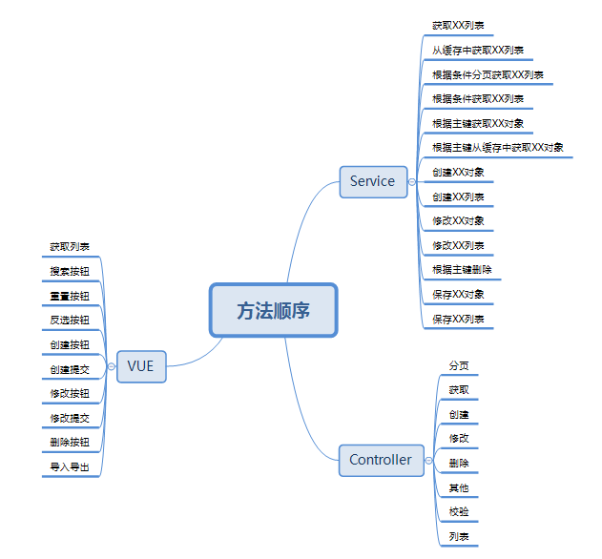
 |  |  |  |  |  | 714467223 | 这单帮忙再新申请一个单号 SKU信息换下 品名：化妆刷、Makeup brush 重量：0.3kg |  | 开发环境找到对应的物流类，修改buildRequestOrder方法里面的重量 ，中文品名，英文品名，
 |  |  |  |  |  |  |  |  | 查询线上订单的信息，复制到开发环境
 |  |  |  |  |  |  |  |  | SELECT * from t_order t where order_id="690173449";
 |  |  |  |  |  |  |  |  | SELECT * from t_order_item WHERE order_id='404-6061393-5906753_468039084';
 |  |  |  |  |  |  |  |  | SELECT * from t_product where product_sku='ZHI200929084OR'; | 复制粘贴为insert语句
 |  |  |  |  |  |  |  |  | 申请跟踪号
 |  |  |  |  |  | 719125280 | 麻烦申请下跟踪号 |  | 物流接口操作：申请跟踪号

 |  |  |  |  |  | 20210225153022300.00 | 回退到等待物流收包状态
 |  |  |  |  |  |  |  |  | 包裹都是无法回退的，只能一单一单回退扫描

 |  |  |  |  |  | 通性问题 | PDA退货扫描，多仓订单，扫退货时候，能否改成电脑一样，只报一个仓库 |  | 退件员只负责扫退货，拆包、更换二维码现在都是仓库自己完成
 |  |  |  |  |  | 702967767改589 | 帮忙改下渠道 |  | 改运输方式
 |  |  |  |  |  | 通性问题 | 跟踪号重复，无法获取面单 |  | 标记发货相当于换号处理，清空跟踪号后再申请就好了
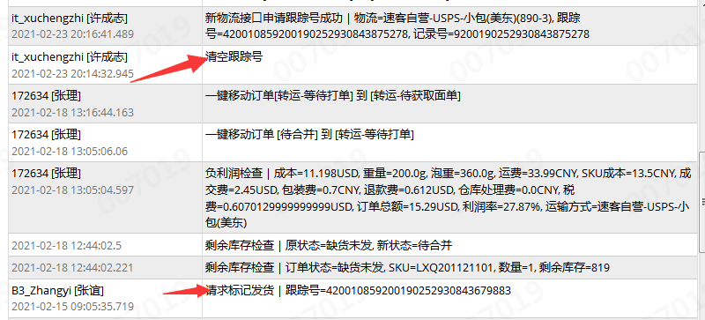

 |  |  |  |  |  |  | 多仓订单移等待打单 |  | 待合并运输方式为空的移不到等待打单
 |  |  |  |  |  |  |  |  | 找销售先匹配下渠道在移单

 |  |  |  |  |  |  | 027渠道什么都对，出库扫描显示禁止发货 725281130 （大岭山仓库） |  | 老系统以存在的订单不能发货
 | 新系统开发流程： |  |  |  |  |  |  |  | 直接把订单移到禁止发货
 | 1、申请需求编号
 | 2、编写开发指导 |  |  |  |  |  | 采购单PO20210315193353461，skuZYK200907001A 入不了库 |  | 入库超过采购数量了
 | 3、提交生成代码
 | 4、编写需求代码

 |  |  |  |  |  |  |  |  | 一半的可以获取服务号
 | 订单列表：

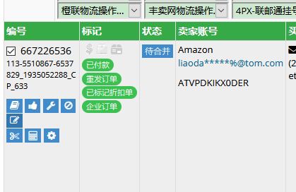

 |  |  |  |  |  |  | 727205222 这几单物流反馈没有数据 |  | logistics xml 配置数据预报

 |  |  |  |  |  |  | Amazon不走Vova线上物流

 |  |  |  |  |  |  | 领讯物流-中美专线-液体(746C)下单的时候就预报了,不用推送
修改订单里面添加sku,其他问题可以订单管理-工具-异常修复（也可以改订单状态）

 |  |  |  |  |  |  | 获取服务商号失败 |  | 清空跟踪号申请跟踪号再获取服务商号

 | 订单操作-清除跟踪号 |  |  |  |  |  | ERP订单管理的显示有问题，不管搜什么都显示几百条记录 |  | 清理缓存
 | 运输方式规则看禁运国家 | transportation/rules
 | 运输方式下拉缓存设置 | 系统配置-运输方式设置
 | 基本物流设置（userId,userCode,token设置） |  |  |  |  |  | One World物流-免泡专线(z01) Amazon标记发货：标记与规则不匹配 |  | 这个渠道要物流商收到包裹后，返回 9 或者 420 开头的尾程号，才能标记的
 | 缓存类E:\besskyERP\2.1\bessky-erp\bessky-erp-core\src\main\java\com\bessky\erp\core\common\cache\CacheName.java
 |  |  |  |  |  |  | 订单业务统计账号缺失是什么原因 |  | 等下次更新就可以了，数据权限改的有问题

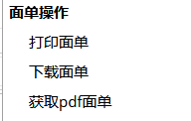
 |  |  |  |  |  |  | 跟踪号已存在，还允许获取服务商号的渠道 |  | App.Logistics.AgentMailno.ExcluedCheckPositionLogisticsTypes
 |  |  | 自画
 |  |  | fastdfs
 |  |  | 渠道获取 |  |  |  | 611和611w两个运输类型，服务代码一致，运费规则一致；最终运费不一致 |  | 泡重规则设置不同（页面设置）对应类：TransportationModeStableUtils

 |  |  |  |  |  |  | 编辑发货规则就是系统配置 运输方式设置 修改发货规则 |  | 可编辑发货平台，跟踪号前缀限制

 |  |  |  |  |  |  | 这两票是wish线上渠道,换跟踪号了,要用新跟踪号重新标记
 | 导出操作
 | EmailTaskJobHandler引用LogisticsReportJobProcessor
 | OrderExportController |  |  |  |  |  |  |  | 一般是多传了东西，或者选错了
 | 数据库：t_order_export_format |  |  |  |  |  |  | amazon/month/bills/search修改报空指针
 | 自动邮件 包裹报表
 | PackageReportJobProcessor.java |  |  |  |  |  |  |  | 运输方式设置没选下拉物流渠道
 |  |  |  |  |  |  | 请检查product_id属性!
 | 轨迹节点刷新-订单管理-工具-物流追踪信息
 |  |  |  |  |  |  | customer_id属性 |  | 基本物流设置
 | 字符串过滤工具类MyStringUtils
 |  |  |  |  |  |  | 已发货重新申请跟踪号 |  | 更换面单+需要通知销售重新标记发货

 | 日志位置OperationLogController |  |  | cell = row.createCell(cellNum++); |  |  | 仓库移单的时候为啥会自动跑到无法判断邮寄方式 |  | 用泡重算的，超出渠道限重10kg，运费会为0
 | 业务主键输入订单id |  |  | List<OperationLog> logs = OperationLogUtil.queryOperationLogList(approval.getId(), ModuleName.EXCEPTION_FEEDBACK_APPROVAL);
 |  |  |  | Integer operator = logs.stream().filter(o -> StringUtils.contains(o.getContent(), "移[已完成]"))
 | 仓库直接请求 |  |  | .map(OperationLog::getOperator).findFirst().orElse(null); |  |  | 待获取面单的 大家处理下，这个状态基本都是获取面单异常的，不处理的话会一直挂在这里的 |  | 自营的 880-4,880-3 的可以直接清空跟踪号再申请；定时任务自动上传
 | products/stock?query.warehouseId=42 |  |  | PortalUser assistant = LocalCacheQuerier.getUser(operator);
 |  |  |  | cell.setCellValue(Optional.ofNullable(assistant).map(u -> u.getName()).orElse(""));
 | 当前用户 |  |  |  | 空判断 |  | 前两周下载的时候订单总运费是一个金额，现在在系统看又是另外一个金额 |  | 运费是会变的，受渠道设置还有产品重量影响
 | PortalUser user = SystemCacheQuerier.getUser(DataContextHolder.getUserId());
 |  |  |  |  |  |  | 快递单号：PO744857已快递单扫描仍挂在快递签收记录 |  | 这个快递单号的开头几个字母 最好不要跟采购单的一样
 | PDA包裹扫描
 | E:\besskyERP\1.0\bessky_pss\bessky_pss_oauth\src\main\java\com\bessky\pss\api\deliver\service\DeliverLogisticsApiServices.java |  |  |  |  |  | 很多自定义sku每次出单都在sku不存在的状态，请问有自动匹配的功能吗 |  | 重新绑定

 | 获取上级主管
 | ProductUtils.getSupervisor(buyer.getUserId(), 1); |  |  |  |  |  |  |  | 2个小时之内不能重复同步
 |  |  |  |  |  |  | cn1527129707ztbq 已同步三次在线列表仍然没有任何产品
 | package_print_100_100
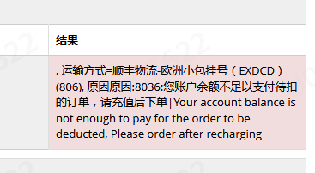
 | 出库扫描打印http://localhost:8081/bessky_pss_web_war_exploded/deliver/scans/print?serialNumber=20170905091830766.123&logisticsType=2217 |  |  |  |  |  | 西安发货到美国平均时效7-15天
 | t_deliver_logistics_package修改logistics_ids
 | t_deliver_scan_record修改logistics_type;remark增加serial_number

 |  |  |  |  |  |  |  |  | 找龙秀妹
 |  |  |  |  |  |  | 订单备注“此为暂存sku,不做备货，请换相应的子sku出货“
 |  |  |  |  |  |  |  |  | 这个单移缺货就可以，

 |  |  |  |  |  |  | 标记显示乱码
 |  |  |  |  |  |  |  |  | 5.5的那些没问题噢
 |  |  |  |  |  |  |  |  | 是不是当时平台更新就错乱了

 |  |  |  |  |  |  |  |  | 这个找销售绑定账号

 |  |  |  |  |  |  | 没有物流追踪信息 |  | 需要到物流轨迹信息设置里面配置

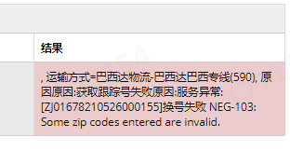
 |  |  |  |  |  |  |  |  | 邮编有问题，收件地址不够完整

 |  |  |  |  |  |  | 729345161 这个订单为什么不能自动进入待合并 |  | 没有付款时间

 |  |  |  |  |  |  |  |  | 包裹扫描合并配置136添加

 |  |  |  |  |  |  | 888-10和888-11怎么扫不了收包

 |  |  |  |  |  |  | 看下这部分卓月物流的订单为啥返回不了尾程单号 |  | 物流商没有返回

 |  |  |  |  |  |  | sku列表没建议价 |  | 找下你们经理 要检查下角色权限（3.0系统）

 |  |  |  |  |  |  |  |  | 物流部3.0账号管理-Amazon-账号列表-物流配置

 |  |  |  |  |  |  | 匹配物流：速卖通大货运费报价比普通便宜 |  | 302-2没有配置波兰国家的运费，用的默认的运费设置

 |  |  |  |  |  |  | 合并物流配置平邮和挂号不放一起发货

 |  |  |  |  |  |  |  |  | 订单移贴纸

 |  |  |  |  |  |  |  |  | 换渠道

 |  |  |  |  |  |  | 731217374
 |  |  |  |  |  |  | 这个订单标记发货错了，用了服务单号标记发货，而不是跟踪号 |  | 找物流部
 |  |  |  |  |  |  |  |  | @钟辉耀
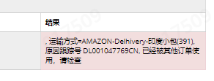

 |  |  |  |  |  |  |  |  | 上次有销售说印度的不能重发，这两票你找下销售确认下

 |  |  |  |  |  |  |  |  | 找产品开发填

 |  |  |  |  |  |  | 物流轨迹节点状态显示已上网，状态错误 |  | 物流轨迹信息设置-详情配置设置节点状态

 |  |  |  |  |  |  | 云途物流-中美专线(048)负利润检查运费差距大 |  | 重量超过300g,满足泡重计算规则

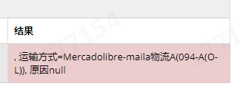
 |  |  |  |  |  |  |  |  | 这个 等平台 有跟踪号 我们才能获取到

 |  |  |  |  |  |  |  |  | IOSS号发给耀哥

 |  |  |  |  |  |  |  |  | 去刷新一下令牌，不行就重新授权，感觉是授权过期了

 |  |  |  |  |  |  | 速卖通线上申请跟踪号提示Taxed orders of orderLineId are not allowed to be shipped across trade orders |  | 该订单为三个欧盟交税订单（I_TAXED）线上物流不能合并发货

 |  |  |  |  |  |  | 订单合并失败 |  | 电话也要一样，邮箱，买家ID，地址都要一样

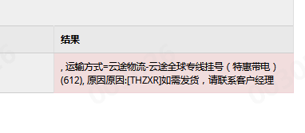

 |  |  |  |  |  |  |  |  | 限量

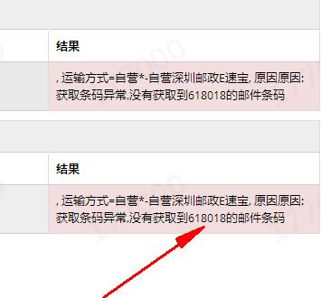

 |  |  |  |  |  |  |  |  | 易速宝条码没有了，正在添加

服务器布局
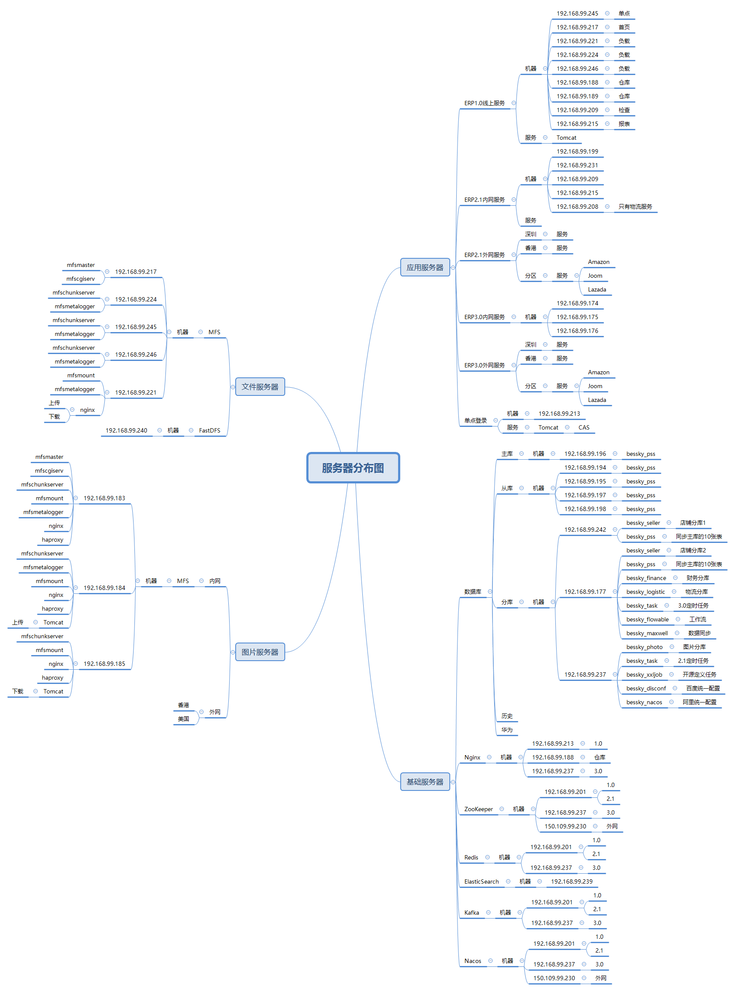

mooseFS驼鹿，分布式文件系统
数据分散，用户看到整体，64MB以上大文件

单个小文件
不支持FUSE，就不能挂载文件系统（非真实的文件系统：FAT,HFS..）
用户空间文件系统（Filesystem in Userspace）

Java
 |  |  |  |  | TortoiseSVN |  | 前端 | 后台
 | rpc，都可以整合spring boot |  |  | erp-企业管理系统(1库存管理：SKU列表，仓库，库位管理，出入库，采购；2FBA&海外仓管理；3订单管理：待检查，待合并，已发货，已退款..平邮，快递，转运；4收发货管理：出库（等待打单，按货按筐多品锁单，打印拣货单，核对扫描，等待发货，出库扫描；入库（采购单生成，确认采购，回货快递单QC入库扫描）5刊登工具：刊登模板和在线列表6客服管理7统计报表：订单，产品，采购，发货，计件，日报表8系统设置：运输方式设置和规则(限制），基本物流设置（用户和token），偏远地区限制（定时任务)，物流轨迹，数据字典) |  |  |  | apache:commons工具类，日志log4j |  | sq增加字段->mapper要加->被引用sql都要增加 |  |  |  |  |  |  | dao实现 | 代码：
 | 区别 | Dubbo | SpringCloud |  |  | 1.0+2.1 | jsp+tomcat | RPC框架：dubbo(服务提供方和服务消费方之间的调用) |  | mapper | 代码： | public class PlatformTrackStatisticCompletedRateMapper implements RowMapper<PlatformTrackStatisticCompletedRate> |  |  |  |  |  |  | @Override
 | 注册中心，服务发现和治理 | Redis，zk | eureka,nacos | it模块划分： | service-实现、mapper,dao |  | springmvc | 数据库：spring-JdbcTemplate表参数都要传参 |  |  |  | { |  |  |  |  |  |  | public List<PlatformTrackStatisticCompletedRate> statisticsPlatformTrackCompletedRate(StableOrderTrackQueryCondition query)
 | 服务调用方式 | RPC | REST API | AG(商家后台）财务、采购(入库）和产品开发（SKU) | bean、controller等放一块 |  |  | Json框架:alibaba/fastjson |  |  |  | @Override |  |  |  |  |  |  | {
 | 服务监控 | Dubbo-monitor | Admin | OA/财务系统 |  |  |  | Spring框架 |  |  |  | public PlatformTrackStatisticCompletedRate mapRow(ResultSet rs, int rowNum) throws SQLException |  |  |  |  |  |  | SqlerRequest request = new SqlerRequest("statisticsPlatformTrackCompletedRate");
 | 熔断器 | 不完善 | NetflixHystrix | AG店铺管理：Amazon,Shoppe,速卖通，Ebay,Wish |  |  |  | 分布式：zookeeper(注册服务和负载均衡) |  |  |  | { |  |  |  |  |  |  | setQueryCondition(request, query);
 | 服务网关 | 无 | Netflix Zuul，gateway | 新平台：jumia，lazada | gitlib | 3.0(解耦) | vue+elementui | spring-boot |  |  |  | PlatformTrackStatisticCompletedRate entity = new PlatformTrackStatisticCompletedRate(); |  |  |  |  |  |  | return SqlerTemplate.query(request, new PlatformTrackStatisticCompletedRateMapper());
数据库，redis，消息队列 | 分布式配置 | 无 | Config，nacos【动态配置】 | 仓库物流 |  |  |  | 数据库：mybatis（plus）无dao简单增删改查可直接调用mapper;EasyCode |  |  |  | entity.setPlatform(rs.getInt(PlatformTrackStatisticCompletedRateDBField.PLATFORM)); |  |  |  |  |  |  | }
业务开关 | 服务跟踪 | 无 | Sleuth | 测试 |  | api模块：bean,service，枚举（type) |  | excel:easyExcel | 无where |  |  |  |  | DBField : select 字段映射；命名风格不一致
 | 数据流 | 无 | Stream | 3.0：公共ui,common，sso,店铺,产品，用户，仓库，物流，财务，采购，报表，历史 |  | controller |  |  |  |  |  | return entity; |  |  |  |  | setQueryCondition 占位映射
 | 批量任务 | 无 | Task |  |  | service模块;service实现,mapper接口 |  | extends BaseMapper<LocationNumber> |  |  |  | } |  |  |  |  |  |  | private void setQueryCondition(SqlerRequest request, PackageRecordQueryCondition query)
 | 信息总线 | 无 | Bus |  |  |  |  | extends ServiceImpl<LocationNumberMapper, LocationNumber> |  |  |  |  |  |  |  |  |  |  | {
 | 网络消耗 | 二进制传输 | HTTP传输，带宽消耗大 |  |  |  |  |  |  | sql.xml | 代码： | <?xml version="1.0" encoding="UTF-8" ?> |  |  |  |  |  |  | if (query == null)
 | 公司 | 阿里巴巴 | spring |  |  | 1.0+2.1模块调用关系： |  |  |  |  |  | <sqlmap> |  |  |  |  |  |  | {
 |  |  |  |  |  |  | controller | 前端路径 |  |  |  | <sql datasource="dataSource" id="queryStableOrderTrackCount"> |  |  |  |  |  |  | return;
 |  |  | 客户端发起轮询请求后，服务端如果有配置发生变更，就直接返回。 |  |  |  | façade 接口-实现 | 实现：模块和模块之间调用（xml配置） <!-- 物流赔款 --> <dubbo:reference interface="com.bessky.erp.warehouse.reparation.facade.ReparationFacade" id="reparationFacade" version="1.0.0" url="dubbo://127.0.0.1:26006" /> |  |  |  | <content> |  |  |  |  |  |  | }
 |  |  |  |  |  |  | service 接口-实现 | 实现：查询参数空判断；‘@Service("productUpdateRecordService") |  |  |  | <sql datasource="dataSource" id="statisticsPlatformTrackCompletedRate"> |  |  |  |  |  |  | // 搜索条件不允许出现空字符
 |  |  |  |  |  |  | dao 接口-实现 |  |  |  |  | <content> |  |  |  |  |  |  | request.setAllowBlank(false);
 |  |  |  |  |  |  | 实现：sql.id，mapper类（setQueryCondition为公共方法） |  |  |  |  | <![CDATA[ |  |  |  |  |  |  | // 占位参数 |  |  | 这里拿的也是数据库字段 String PLATFORM= "platform";
 |  |  |  |  |  |  | 对应sql.xml，DBField（数据库字段） |  |  |  |  | SELECT |  |  |  |  |  |  | request.addDataParam(StableOrderTrackDBField.PLATFORM, DataType.INT, query.getPlatform());
 |  |  |  |  |  |  |  |  |  |  |  | logistics_type, |  |  | select 字段 |  |  |  | // 自定义参数skuList
 |  |  |  |  |  |  |  |  |  |  |  | FROM t_stable_order_track |  |  |  |  |  |  | request.addDataParam("sku_list", DataType.STRING, query.getSkuList());
 | 服务管理，注册 |  | Eureka | → | Nacos |  |  |  |  |  |  | WHERE 1=1 |  |  |  |  |  |  | request.addDataParam("from_creation_date", DataType.STRING, query.getFromCreationDate());
 | 负载均衡 |  | Ribbon | → | LoadBalance |  |  |  |  |  |  | <[AND platform = :platform]> |  |  |  | 占位可选性传参 |  |  | request.addDataParam("to_creation_date", DataType.STRING, query.getToCreationDate());
 | 熔断器 |  | Hystrix | → | Sentinel（流量哨兵）：熔断降级（服务器500：整合feign，fallback=Degradedxx.class,该类实现Feign接口，客户端页面改变）（微服务速度变慢：RT超过设置阈值，客户端页面改变） |  |  |  |  |  |  | <[AND sku IN (:sku_list)]> |  |  |  |  |  |  | //查询上一次或者这一次的库位号的sql
 |  |  |  |  | ，限流保护（生产）（sentinel控制台-限流规则：快速失败，预热【量大→屏蔽】，排队等待【第N个屏蔽等待一定时长】） |  |  |  |  |  |  | <[AND creation_date >= :from_creation_date]> |  |  |  |  |  |  | if (StringUtils.isNotEmpty(query.getLocationNumber()))
 | 微服务调用 |  | RestTemplate | → | feign/openfeign |  |  |  |  |  |  | <[AND creation_date <= :to_creation_date]> |  |  |  |  |  |  | {
 | 服务网关 |  | Zuul | → | gateway |  |  |  |  |  |  | <[:LOCATION_NUMBER_RECORD]> |  |  |  | sql语句占位 |  |  | String sql = "AND previous_number = '" + query.getLocationNumber() + "' OR current_number = '" + query.getLocationNumber() + "'";
 | 分布式配置 |  | config | → | nacos |  |  |  |  |  |  | GROUP BY logistics_type,platform |  |  |  |  |  |  | request.addSqlDataParam("LOCATION_NUMBER_RECORD", sql);
 |  |  |  |  |  |  |  |  |  |  |  | ]]> |  |  |  |  |  |  | }}
 | springMVC |  |  |  |  |  |  |  |  |  |  | </content> |  |  |  |  | 3.0 serviceImpl
 | @Resource的作用相当于@Autowired，只不过@Autowired按byType自动注入，而@Resource默认按 byName自动注入罢了 |  |  |  |  |  |  |  |  |  |  | </sql> |  |  |  |  | @Service
 |  |  |  |  |  |  |  |  |  |  |  | </sqlmap> |  |  |  |  | @CacheConfig(cacheNames = "out_stock")
 |  |  |  |  |  |  |  |  |  | 3.0 bean |  |  |  |  |  |  | public class OutStockServiceImpl extends ServiceImpl<OutStockMapper, OutStock> implements OutStockService
 | @InitBinder public void initListBinder(WebDataBinder binder) { binder.setAutoGrowCollectionLimit(1024); } |  |  |  |  |  |  |  |  | @Data |  | ‘@Data相当于@Getter @Setter @RequiredArgsConstructor @ToString @EqualsAndHashCode(默认false） |  |  |  |  | {
 |  | controller取消自动绑定（如日期String传参转化为Date），注册类型绑定器进行参数绑定 |  |  |  |  |  |  |  | @TableName("t_out_stock") |  |  |  |  |  |  | @Override
 |  | springmvc默认只支持256个对象映射， binder.setAutoGrowCollectionLimit(1000)设置为1000个 |  |  |  |  |  |  |  | public class OutStock implements Serializable |  |  |  |  | 序列化写入序列化文件，反序列化检测文件与当前类是否一致 |  | public List<OutStock> getOutStockList()
 |  |  |  |  |  |  |  |  |  | { |  |  |  |  |  |  | {
 |  |  |  |  |  |  |  |  |  | private static final long serialVersionUID = 1L; |  |  |  |  |  |  | return this.list();
 |  |  |  |  |  |  |  |  |  |  |  |  |  |  |  |  | }
 |  |  |  |  |  |  |  |  |  | @TableId(value = "location_id", type = IdType.AUTO) |  |  |  |  | auto自增 |  | @Override |  |  |  |  |  | @CacheEvict(key = CacheKey.ALL) | 清除缓存
 |  |  |  |  |  |  |  |  |  | private Integer id; |  |  |  |  |  |  | public IPage<OutStock> getOutStockPageList(OutStockCustom query) |  |  |  |  |  | @Transactional(rollbackFor = Exception.class)
 | Ehcache 和 Redis 比较 |  |  |  |  |  |  |  |  |  |  |  |  |  |  |  | { |  |  |  |  |  | @Override
 |  |  |  |  |  |  |  |  |  | @TableField(value = "product_type") |  |  |  | select字段映射 |  |  | IPage<OutStock> page = new Page<>(query.getCurrent(), query.getSize()); |  |  |  |  |  | public void batchCreateOutStock(List<OutStockCustom> outStockCustoms)
 |  |  |  |  |  |  |  |  |  | private Integer locationType; |  |  |  |  |  |  | LambdaQueryWrapper<OutStock> queryWrapper = this.setQueryWrapper(query); |  |  |  |  |  | {
 | 区别 | Ehcache |  |  |  | Redis |  |  |  |  |  |  |  |  |  |  | return this.page(page, queryWrapper); |  |  |  |  |  | for (OutStockCustom outStockCustom : outStockCustoms)
 | 存取速度 | Ehcache直接在jvm虚拟机中缓存，速度快，效率高 |  |  |  | Redis是通过socket访问到缓存服务，效率比ecache低 |  |  |  | ’@TableField(value = "creation_date", updateStrategy = FieldStrategy.NEVER, fill = FieldFill.INSERT) |  |  |  |  | 字段验证策略 |  | } |  |  |  |  |  | {
 | 集群和分布式 | Ehcache有缓存共享方案，不过是通过RMI或者Jgroup多播方式进行广播缓存通知更新，缓存共享复杂，维护不方便；简单的共享可以，但是涉及到缓存恢复，大数据缓存，则不合适。 |  |  |  | Redis有成熟的分布式解决方案。适合大规模分布式集群部署。 |  |  |  | private LocalDateTime createTime; |  |  |  |  |  |  | @Cacheable(key = CacheKey.ALL) |  |  | 支持缓存，有传参时 "#参数" |  |  | this.save(outStockCustom); | 扩展类自动映射自段，返回本身，id自增生成
 |  |  |  |  |  |  |  |  |  |  |  |  |  |  |  |  | @Override |  |  |  |  |  | }
 | 操作复杂度 | Ehcache提供的接口非常简单明了，从Ehcache的搭建到运用运行仅仅需要的是你宝贵的几分钟。其实很多开发者都不知道自己用在用Ehcache，Ehcache被广泛的运用于其他的开源项目。比如：Hibernate |  |  |  | 至少需要安装服务端和客户端才能使用。操作略比Ehcache复杂一些 |  |  |  | private String outType; |  |  |  |  | 自动映射数据库out_type |  | public List<OutStock> getOutStockListForCache()
 |  |  |  |  |  |  |  |  |  |  |  |  |  |  |  |  | { |  |  |  |  |  | Map<Integer, OutStockItem> OutStockItemMap = outStockCustoms.stream()
 |  |  |  |  |  |  |  |  |  | bean扩展类 |  |  |  |  |  |  | return this.getOutStockList(); |  |  |  |  |  | .collect(Collectors.toMap(OutStockCustom::getId, OutStockCustom::getOutStockItem));
 |  |  |  |  |  |  |  |  |  | @Data |  |  |  |  |  |  | } |  |  |  |  |  | for (Map.Entry<Integer, OutStockItem> entry : OutStockItemMap.entrySet())
 |  |  |  |  |  |  |  |  |  | @EqualsAndHashCode(callSuper = true) |  |  |  |  | true调用父类 的hashCode()；否则子类属性里面的相同的话，那hashcode的值就相同 |  | 占位映射 |  |  |  |  |  | {
 |  |  |  |  |  |  |  |  |  | public class OutStockCustom extends OutStock |  |  |  |  |  |  | private LambdaQueryWrapper<OutStock> setQueryWrapper(OutStockCustom query) |  |  |  |  |  | Integer key = entry.getKey();
 | Person person = new Person(); |  |  |  |  |  |  |  |  | /** |  |  |  |  |  |  | { |  |  |  |  |  | OutStockItem outStockItem = entry.getValue();
 |  |  |  |  |  |  |  |  |  | * 当前页码 |  |  |  |  |  |  | LambdaQueryWrapper<OutStock> queryWrapper = Wrappers.lambdaQuery(); |  |  |  |  |  | if (outStockItem != null && outStockItem.getQuantity() != null)
 | 栈 |  | 堆 |  |  |  |  |  |  | */ | 不可大写 |  |  |  |  |  |  |  |  |  |  |  | {
 | 栈的优势是，存取速度比堆要快，仅次于寄存器，栈数据可以共享 |  | new的对象没被栈引用一定时间会被垃圾回收器释放掉 |  |  |  |  |  |  | private Long current; |  | 搜索时间范围： |  |  |  |  | // 默认根据主键逆序 |  |  |  |  |  | // 设置关联外键
 |  |  |  |  |  |  |  |  |  |  |  | private LocalDateTime fromCreationDate; |  |  |  |  | queryWrapper.orderByDesc(OutStock::getId); |  |  |  |  |  | outStockItem.setOutId(key);
 | 8大基本数据类型int a=10 |  | new的对象 |  |  |  |  |  |  | /** |  | private LocalDateTime toCreationDate; |  |  |  |  |  |  |  |  |  |  | this.createOutStockItem(outStockItem);
 | 引用类型地址person@xxx |  | 对象属性person.age=10 |  |  |  |  |  |  | * 每页数量 |  |  |  |  |  |  | if (query == null) |  |  |  |  |  | }
 | 类里面方法（），里面数据类型用完会释放 |  |  |  |  |  |  |  |  | */ |  |  |  |  |  |  | {
 |  |  |  |  |  |  |  |  |  | private Long size; |  |  |  |  |  |  | return queryWrapper; |  |  |  |  |  | }
 |  |  |  |  |  |  |  |  |  | 填充策略：执行方法前 |  |  |  |  |  |  | }
 |  |  |  |  |  |  |  |  |  | @Component |  |  |  |  |  |  |  |  |  |  |  |  | }
 |  |  |  |  |  |  |  |  |  | public class OutStockMetaObjectHandler extends MyMetaObjectHandler |  |  |  |  |  |  | queryWrapper.eq(query.getCreatedBy() != null, OutStock::getCreatedBy, query.getCreatedBy());
 |  |  |  |  |  |  |  |  |  | { |  |  |  |  |  |  | if (StringUtils.isNotBlank(query.getSkuId())) |  |  |  |  | skuId为String逗号隔开搜索框
 |  |  |  |  |  |  |  |  |  | @Override |  |  |  |  |  |  | {
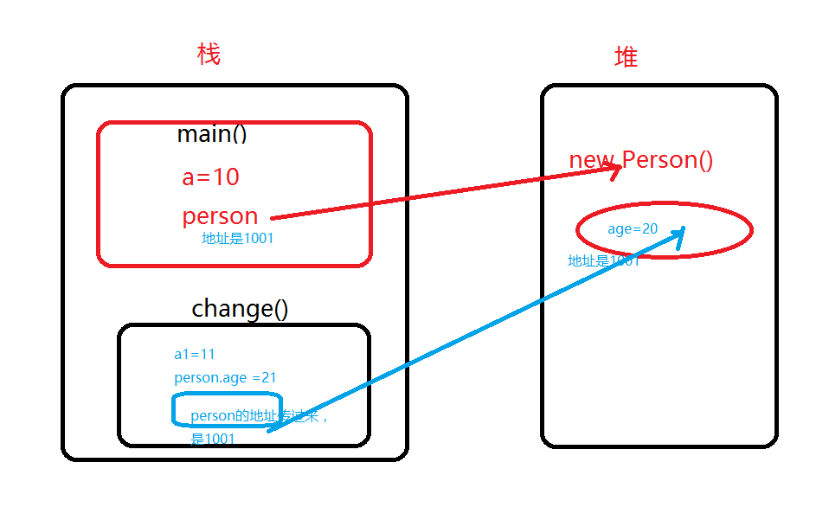
 |  |  |  |  |  |  |  |  |  | public void insertFill(MetaObject metaObject) { |  |  |  |  |  |  | if (StringUtils.indexOf(query.getSkuId(), ",") != -1)
 |  |  |  |  |  |  |  |  |  | String[] getterNames = metaObject.getGetterNames(); |  |  |  |  |  |  | {
 |  |  |  | class Person { |  |  |  |  |  | this.fillStrategy(metaObject, "createdBy", ContextUtils.getUserId()); |  |  |  |  |  |  | String[] split = StringUtils.split(query.getSkuId(), ",");
 |  |  |  | int age; |  |  |  |  |  | this.fillStrategy(metaObject, "updateBy", "1"); |  |  |  |  |  |  | List<String> skuList = new ArrayList<String>();
 |  |  |  | } |  |  |  |  |  | this.fillStrategy(metaObject, "createTime", LocalDateTime.now());
 |  |  |  | public class LearnHeap { |  |  |  |  |  | this.fillStrategy(metaObject, "updateTime", LocalDateTime.now()); |  |  |  |  |  |  | for (int i = 0, len = split.length; i < len; i++)
 |  |  |  | public static void main(String args[]){ |  |  |  |  |  | this.fillStrategy(metaObject, "state", OutStateEnum.UNCONFIRM); |  |  |  |  |  |  | {
 |  |  |  | int a=10; |  |  |  |  |  |  |  |  |  |  |  |  | skuList.add(split[i].trim());
 |  |  |  | Person person = new Person(); |  |  |  |  |  | } |  |  |  |  |  |  | } |  |  |  | 自定义sql
 |  |  |  | person.age =20; |  |  |  |  |  |  |  |  |  |  |  |  | queryWrapper.apply("out_id IN (SELECT inner_item.out_id FROM t_out_stock_item inner_item WHERE inner_item.sku IN ({0}))", skuList);
 |  |  |  |  |  |  |  |  |  | @Override |  |  |  |  |  |  | }
 |  |  |  | change(a,person); |  |  |  |  |  | public void updateFill(MetaObject metaObject) { |  |  |  |  |  |  | else
 |  |  |  | System.out.println("a="+ a+",and person.age = "+person.age); |  |  |  |  |  | this.fillStrategy(metaObject, "updateTime", LocalDateTime.now()); |  |  |  |  |  |  | {
 |  |  |  | } |  |  |  |  |  | } |  |  |  |  |  |  | queryWrapper
 |  |  |  | static void change(int a1, Person person){ |  |  |  |  |  | } |  |  |  |  |  |  | .apply("out_id IN (SELECT inner_item.out_id FROM t_out_stock_item inner_item WHERE inner_item.sku = {0})", query
 |  |  |  | a1 = 11; |  |  |  |  |  | 枚举 |  |  |  |  |  |  | .getSkuId());}
 |  |  |  | person.age= 21; |  |  |  |  |  | public enum OutStatusEnum implements CodeNameEnum |  |  |  |  |  |  | queryWrapper.like(StringUtils.isNotBlank(query.getRemark()), OutStock::getRemark, query.getRemark());
 | 执行完change（）方法，变量a1释放掉，堆里面age被修改为21 |  |  | System.out.println("a1="+ a1+",and age1 = "+person); |  |  |  |  |  | { |  |  |  |  |  |  | if (StringUtils.isNotBlank(query.getLikeOutId()))
 |  |  |  | } |  |  |  |  |  | UNCONFIRM("1", "未确认出库"), |  |  |  |  |  |  | {
 |  |  |  | } |  |  |  |  |  | CONFIRMED("2", "已确认出库"); |  |  |  |  |  |  | if (StringUtils.indexOf(query.getLikeOutId(), ",") != -1)
 |  |  |  |  |  |  |  |  |  | private String code; |  |  |  |  |  |  | {
 |  |  |  |  |  |  |  |  |  | private String display; |  |  |  |  |  |  |  | …同上
 |  |  |  |  |  |  |  |  |  | OutStatusEnum(String code, String display) |  |  |  |  |  |  | List<Integer> collect = OutIds.stream().map(Integer::parseInt).collect(Collectors.toList());
 |  |  |  |  |  |  |  |  |  | { |  |  |  |  |  |  | queryWrapper.in(query.getLikeOutId() != null, OutStock::getId, collect);
 |  |  |  |  |  |  |  |  |  | this.code = code; |  |  |  |  |  |  | }
 | equals |  | hashCode |  | equals |  |  |  |  | this.display = display; |  |  |  |  |  |  | else
 | 判断对象内容相等 |  | hashcode只有在创建某个类的散列表的时候才有用，需要根据hashcode值确认对象在散列表中的位置 |  |  |  |  |  |  | } |  |  |  |  |  |  | {
 |  |  |  |  |  |  |  |  |  |  |  |  |  |  |  |  | queryWrapper.eq(query.getLikeOutId() != null, OutStock::getId, Integer.parseInt(query.getLikeOutId()));
 | “==”地址相等 |  | HashMap，HashSet，HashTable |  |  |  |  |  |  | public static OutStatusEnum build(int code) |  |  |  |  |  |  | }
 | 相等 |  | 不一定相等 |  |  |  |  |  |  | { |  |  |  |  |  |  | }
 | 不相等 |  | 必然不等 |  |  |  |  |  |  | return Arrays.stream(values()).filter(type -> type.intCode() == code).findAny().orElse(null); |  |  |  |  |  |  | // 创建时间范围查询
 |  |  | 相等 |  | 不一定相等 |  |  |  |  | } |  |  |  |  |  |  | queryWrapper.ge(query.getFromCreationDate() != null, OutStock::getCreationDate, query.getFromCreationDate());
 |  |  | 不相等 |  | 不一定不相等 |  |  |  |  |  |  |  |  |  |  |  | queryWrapper.le(query.getToCreationDate() != null, OutStock::getCreationDate, query.getToCreationDate());
 |  |  |  |  |  |  |  |  |  | public static OutStatusEnum build(String display) |  |  |  |  |  |  | return queryWrapper;
 |  |  |  |  |  |  |  |  |  | { |  |  |  |  |  |  | }
 |  |  |  |  |  |  |  |  |  | return Arrays.stream(values()).filter(type -> type.display.equals(display)).findAny().orElse(null); |  |  |  |  |  |  | router-index.js
 |  |  |  |  |  |  |  |  |  | } |  |  | build=getDisplay |  |  |  | import { router, Layout, RouteView } from 'bessky-ui'
 |  |  |  |  |  |  |  |  |  |  |  |  |  | public static String getDisplay(String code) |  |  | export default router
 |  |  |  |  |  |  |  |  |  | @Override |  |  |  | { |  |  | export const routes = [{
 |  |  |  |  |  |  |  |  |  | public String code() |  |  |  | for (OutTypeEnum ele : values()) |  |  | path: '/',
 |  |  |  |  |  |  |  |  |  | { |  |  |  | { |  |  | component: Layout,
 |  |  |  |  |  |  |  |  |  | return this.code; |  |  |  |  | if (ele.getCode().equals(code)) |  | redirect: '/dashboard',
 |  |  |  |  |  |  |  |  |  | } |  |  |  |  | { |  | children: [{
 |  |  |  |  |  |  |  |  |  |  |  |  |  |  | return ele.getDisplay(); |  | path: 'dashboard',
 | tech | area |  |  |  |  |  |  |  | @Override |  |  |  |  | } |  | name: 'Dashboard',
 |  |  |  |  |  |  |  |  |  | public String display() |  |  |  | } |  |  | component: () => import('@/views/dashboard'),
 | XXL-JOB | 系统订单满足一定条件的，状态的改变 |  |  |  |  |  |  |  | { |  |  |  | return null; |  |  | meta: { title: '系统首页', icon: 'dashboard', affix: true }
 |  | 采购订单月报表 |  |  |  |  |  |  |  | return this.display; |  |  |  | } |  |  | }]
 |  | 物流跟踪号，服务商号获取 |  |  |  |  |  |  |  | } |  |  |  |  |  |  | }
 |  | AliExpress，wish平台数据调整 |  |  |  |  |  |  |  |  |  |  |  | intCode列表 |  |  | , {
 |  | 面单自动获取 |  |  |  |  |  |  |  | public int intCode() |  |  |  | List<Integer> transferOutTypes = Arrays.stream(OutTypeFBAEnum.values()).map(OutTypeFBAEnum::intCode) |  |  | path: '/inOutStock',
 |  |  |  |  |  |  |  |  |  | { |  |  |  | .collect(Collectors.toList()); |  |  | component: Layout,
 | dubbo | 连接不同module |  |  |  |  |  |  |  | return Integer.parseInt(this.code); |  |  |  |  |  |  | meta: {title: '出入库管理', icon: 'dashboard'},
 |  |  |  |  |  |  |  |  |  | } |  |  |  |  |  |  | children: [{
 |  |  |  |  |  |  |  |  |  | 枚举controller |  |  |  |  |  |  | path: 'outStock',
 |  |  |  |  |  |  |  |  |  | @GetMapping("outStatus/list") |  |  |  |  |  |  | component: RouteView,
 |  |  |  |  |  |  |  |  |  | public R getOutStatusList() |  |  |  |  |  |  | redirect: '/inOutStock/outStock/list', |  |  |  |  | 页面自定义的路径，对应上面两个父path即可
 |  |  |  |  |  |  |  |  |  | { |  |  |  |  |  |  | meta: {title: '出库单', roles: ['5405010000'] }, |  |  |  |  | 无需和control层路径一致
 |  |  |  |  |  |  |  |  |  | List<KeyValue<Integer, String>> list = Arrays.stream(OutStatusEnum.values()) |  |  |  |  |  |  | children: [{
 |  |  |  |  |  |  |  |  |  | .map(type -> new KeyValue<>(type.intCode(), type.display())).collect(Collectors.toList()); |  |  |  |  |  |  | hidden: true,
 |  |  |  |  |  |  |  |  |  | return R.ok(list); |  |  |  |  |  |  | path: 'list', |  | 对应上面redirect子路径
 |  |  |  |  |  |  |  |  |  | } |  |  |  |  |  |  | name: 'OutStockList',
 |  |  |  |  |  |  |  |  |  |  |  |  |  |  |  |  | component: () => import('@/views/inOutStock/outStock/out_stock_list'), |  |  |  |  |  | out_stock_list.vue路径
 |  |  |  |  |  |  |  |  |  | 3.0 Controller |  |  |  |  | 不能直接传对象 |  | meta: {title: '出库单列表', activeMenu: '/inOutStock/outStock'}
 |  |  |  |  |  |  |  |  |  | public R batchImportOutStock(@RequestParam("outStocks") String outStocks, @RequestParam("file") MultipartFile file) |  |  |  |  |  |  | }]
 |  |  |  |  |  |  |  |  |  | { |  |  |  |  |  |  | }]
 |  |  |  |  |  |  |  |  |  | OutStockCustom outStockCustom = JSONUtil.toBean(outStocks, OutStockCustom.class); |  |  |  |  |  |  | }

 |  |  |  |  |  |  |  |  |  | // 读取excel并处理数据
 |  |  |  |  |  |  |  |  |  | List<OutStockExcelModel> outStockExcelModels = EasyExcelUtils.importExcel(file, OutStockExcelModel.class);

office
目录：

 |  |  |  |  |  |  |  | 体脂表

 |  |  |  |  |  |  |  | date | weight | BFR | 去脂体重 | 骨骼肌
 |  |  |  |  |  |  |  | 2020-11-04 | 79.2 | 21.6% | 62.09 | 35.3
 |  |  |  |  |  |  |  | 2021-03-09 | 76.6 | 14.8% | 65.26 | 36.7
 |  |  |  |  |  |  |  | 2021-10-07 | 80.5 | 20.6% | 63.92 | 36 | 四肢小幅下降，肚子大了
 | 引用-目录-自动目录

修改目录样式： |  | 引用-目录-自定义目录-修改

字间距：

 | 右键段落左对齐（可在目录标题上面统一修改）

页面宽度：
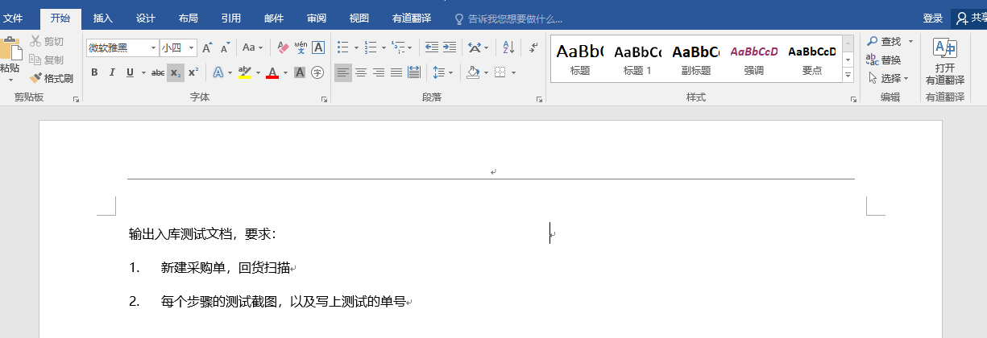
点这里！

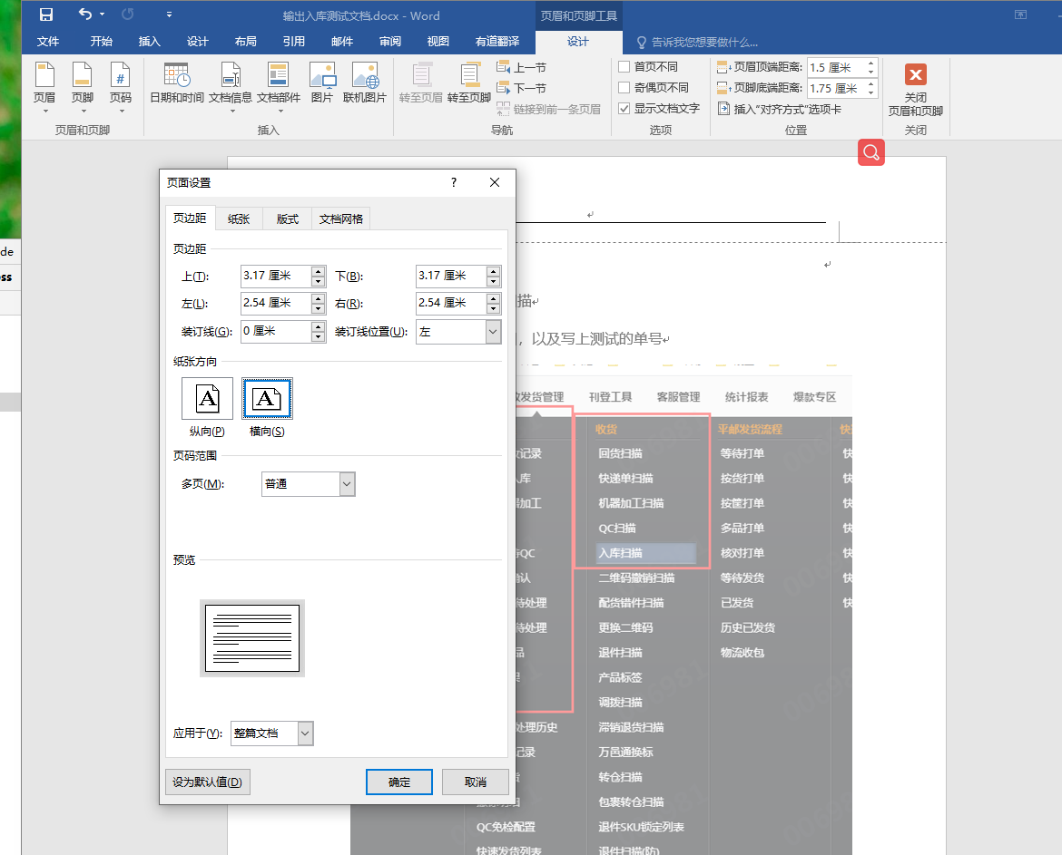
点这里！

输入代码首字母大写取消：

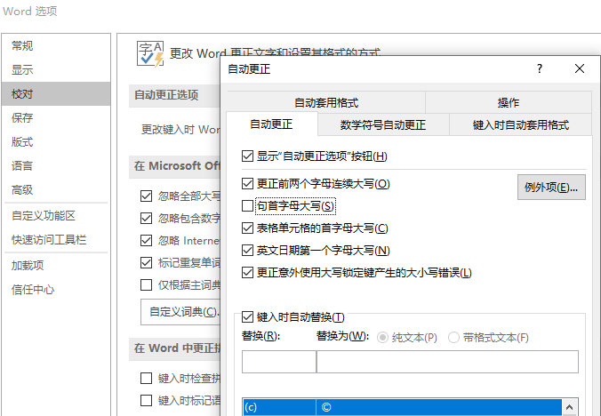

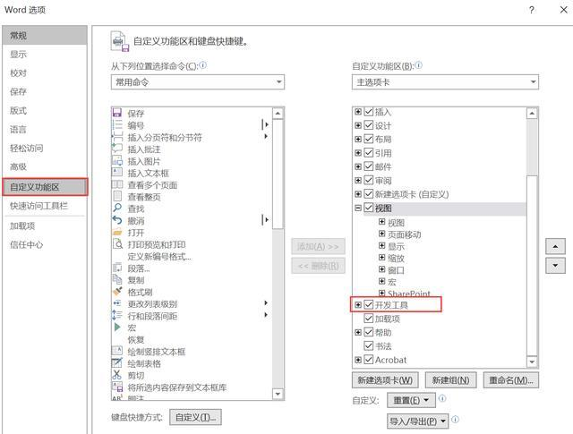
选择多个图片

 |  | Sub 图片边框

 |  | Dim tupian As InlineShape

 |  | Application.ScreenUpdating = True

 |  | For Each tupian In ActiveDocument.InlineShapes

 |  | With tupian.Borders

 |  | .OutsideLineStyle = wdLineStyleSingle

 |  | .OutsideColorIndex = wdGray25

 |  | .OutsideLineWidth = wdLineWidth150pt

 |  | End With

 |  | Next

 |  | Application.ScreenUpdating = False

 |  | End Sub
word去掉回车符
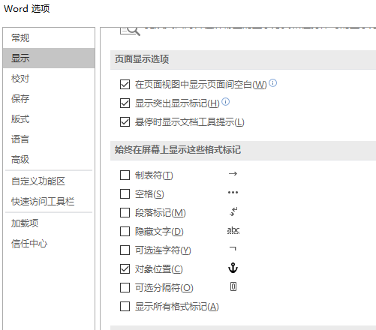

取消自动换行编号
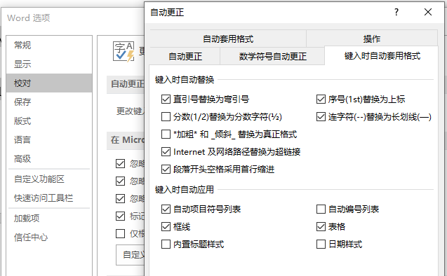

输入法打出ico图标 |  |  | 要简写，如bs,会显示扳手

谷歌如何安装扩展程序 |  |  | 直接点击crx/下载的crx改后缀为zip,拖到更多工具-扩展程序
 |  |  | 谷歌翻译：右键翻译成中文
 |  |  | Enable Copy启动可以右键复制越过警告
https://www.extfans.com/hot/

电脑是否被安装监控 |  |  | services.msc在服务里面看看有没有什么可疑的文件，例如VNC,pcanywhere之类的
 |  |  | netstat -an ，看看有没有对应自己电脑主机的ip

电脑熄屏 |  |  | win+L

电脑没声卡 |  |  | 360驱动大师更新声卡
 |  |  | 控制面板-Realtek-“扳手”图标禁用前面板耳机检测
excel =开头单元格不以公式呈现 |  |  |  | 加英文’=

拼接“A" |  |  | ”“”“&A

截取单元格字符第一次和第二次之间字符 |  |  |  | ‘=MID(B1,FIND("""",B1),FIND("""",B1,FIND("""",B1)+1)-FIND("""",B1)+1)

截取单元格字符第三次和第四次之间字符 |  |  |  | 上面结果 | ’=SUBSTITUTE(B1,"""",",",1) | ‘=SUBSTITUTE(左1,"""",",",1) | ‘=MID(左1,FIND("""",左1),FIND("""",左1,FIND("""",左1)+1)-FIND("""",左1)+1)

电脑文件夹右键闪退 |  |  |  | 火绒右键管理

