Sheet4
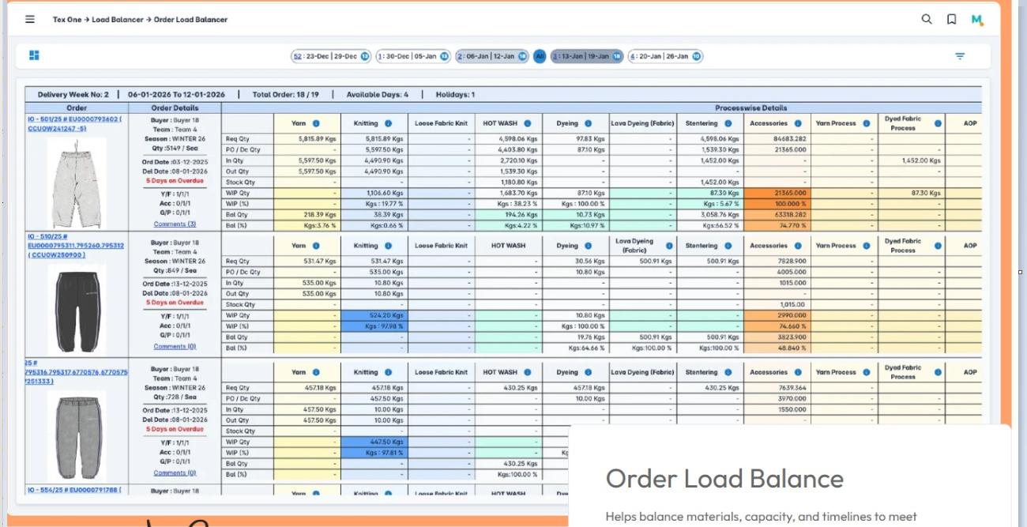
image | first column in grid |  |  |  |  |  |  |  | Process Only row to column in grid

Column to row |  |  |  |  |  |  |  |  | PROCESS Headers use Process field

Column to row in second column in grid |  |  |  |  |  |  |  |  | J | Column to Row in grid in third column
OrderNo | Buyer | Merchandiser | Season | Qty | OrderDate | OurDelvDate | QtyType | SNo | Process | ReqQty | PoDcQty | InwQty | RetQty | WIPQty | WIPPer | InwBalQty | InwBalPer | DcBalQty | DcBalPer
J6641A | 0 LIVING CRAFTS GMBH & CO KG | M1 |  | 2095 | 2023-11-18 | 2060-04-01 | Yarn Purchase | 1 | Yarn Purchase | 438.3294 | 420 | 423.36 | 0 | -3.36 | -0.8 | 14.9694 | 3.4151 | 18.3294 | 4.1816
J6641A | 0 LIVING CRAFTS GMBH & CO KG | M1 |  | 2095 | 2023-11-18 | 2060-04-01 | Knitting | 3 | Knitting | 438.3295 | 423.36 | 435.2 | 0 | -11.84 | -2.7966 | 3.1295 | 0.7139 | 14.9695 | 3.4151
J6641A | 0 LIVING CRAFTS GMBH & CO KG | M1 |  | 2095 | 2023-11-18 | 2060-04-01 | Fabric Process | 4 | Fabric Dyeing | 438.3295 | 870.4 | 414 | 435.2 | 21.2 | 4.8713 | 24.3295 | 5.5505 | 3.1295 | 0.7139
J6641A | 0 LIVING CRAFTS GMBH & CO KG | M1 |  | 2095 | 2023-11-18 | 2060-04-01 | Fabric Process | 4 | Tubular Compacting | 438.3295 | 414 | 409.1 | 0 | 4.9 | 1.1835 | 29.2295 | 6.6683 | 24.3295 | 5.5505
J6641A | 0 LIVING CRAFTS GMBH & CO KG | M1 |  | 2095 | 2023-11-18 | 2060-04-01 | Fabric Process | 4 | Re-Compacting | 0 | 106.4 | 106 | 0 | 0.4 | 0.3759 | -106 | 0 | -106.4 | 0
J6729A | 0 DRDO | M1 | Spring | 36 | 2024-04-17 | 2060-05-20 | Yarn Purchase | 1 | Yarn Purchase | 94.3389 | 100 | 109.34 | 0 | -9.34 | -9.34 | -15.0011 | -15.9012 | -5.6611 | -6.0008
J6729A | 0 DRDO | M1 | Spring | 36 | 2024-04-17 | 2060-05-20 | Yarn Process | 2 | Cone Winding | 93.3367 | 164.42 | 163.52 | 0 | 0.9 | 0.5473 | -70.1833 | -75.1936 | -71.0833 | -76.1579
J6729A | 0 DRDO | M1 | Spring | 36 | 2024-04-17 | 2060-05-20 | Yarn Process | 2 | Double Wax Winding | 93.3367 | 23.92 | 23.92 | 0 | 0 | 0 | 69.4167 | 74.3723 | 69.4167 | 74.3723
J6729A | 0 DRDO | M1 | Spring | 36 | 2024-04-17 | 2060-05-20 | Knitting | 3 | Knitting | 94.3389 | 383.82 | 75.6 | 304.88 | 3.34 | 4.231 | 18.7389 | 19.8633 | 15.3989 | 16.3229
J6729A | 0 DRDO | M1 | Spring | 36 | 2024-04-17 | 2060-05-20 | Fabric Process | 4 | Tubular Compacting | 94.3389 | 0 | 0 | 0 | 0 | 0 | 94.3389 | 100 | 94.3389 | 100

