Sheet1
 |  | 3.3V | VBUS |  |  |  |  | PF2 | GND
GPIO_B5 | Eth: RST# | PB5 | GND |  |  |  |  | PF3 | PB2 |  |  |  | RGB | trimmer | 100
 |  | PB0 | PD0 |  |  |  |  | PB3 | PE0
 |  | PB1 | PD1 |  |  | M0PWM6 | RGB:R | PC4 | PF0
M0PWM4 | RGB:B | PE4 | PD2 | RedLED | GPIO_PD2 | M0PWM7 | RGB:G | PC5 | RST
M1PWM3 | LED Strips | PE5 | PD3 |  |  | GPIO_C6 | But1 | PC6 | PB7 | Eth: SI | SSI2Tx
SSI2Clk | Eth: SCK | PB4 | PE1 |  |  | GPIO_C7 | But2 | PC7 | PB6 | Eth: SO | SSI2Rx
SSI0Tx | Scr: SDA | PA5 | PE2 |  |  | GPIO_D6 | Bl-LED | PD6 | PA4 | Scr: DC | GPIO_A4
M1PWM2 | Scr: BL | PA6 | PE3 |  |  | GPIO_D7 | Yel-LED | PD7 | PA3 | Scr: RES | GPIO_A3
 | Scr:CS | PA7 | PF1 |  |  |  |  | PF4 | PA2 | Scr: SCL | SSI0Clk

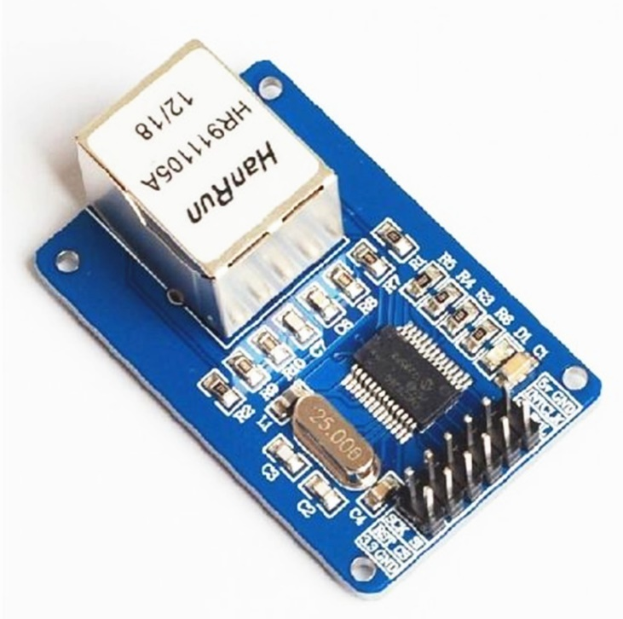
 |  |  |  |  |  |  | 5V | GND | GND
 |  |  |  |  |  |  | INT | CLK
 |  |  |  |  | data out | PB6 | SO | WOL
 |  |  |  |  | clock | PB4 | SCK | SI | PB7 | data in
 |  |  |  |  | reset | PB5 | RST# | CS# | GND | chip select
 |  |  |  |  |  | 3.3V | 3.3 | GND | GND

 |  |  |  |  |  | ENC28J60

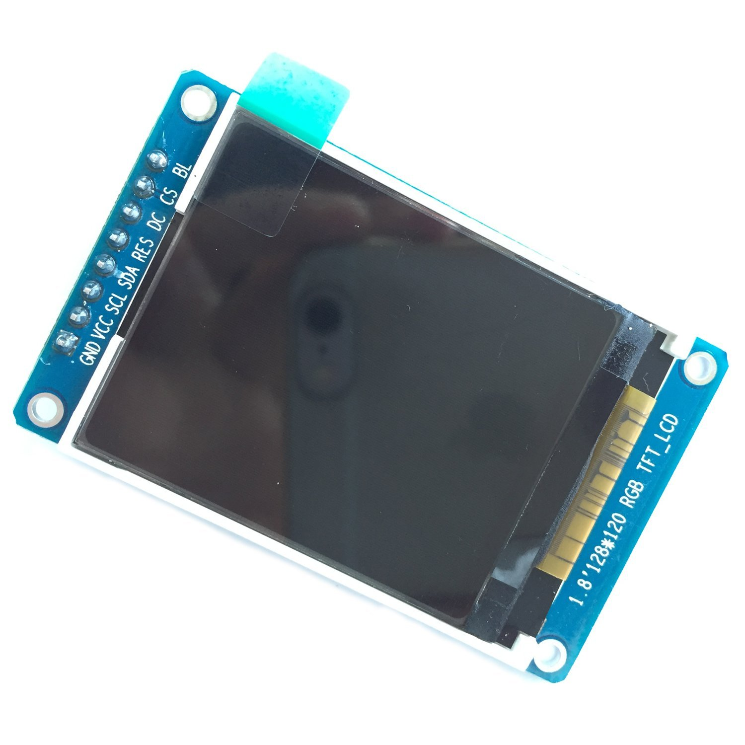
 |  |  |  |  |  |  |  |  |  |  | GND | GND
 |  |  |  |  |  |  |  |  |  |  | VCC | 3.3 V
 |  |  |  |  |  |  |  |  |  |  | SCL | PA2
 |  |  |  |  |  |  |  |  |  |  | SDA | PA5
 |  |  |  |  |  |  |  |  |  |  | RES | PA3
 |  |  |  |  |  |  |  |  |  |  | DC | PA4
 |  |  |  |  |  |  |  |  |  |  | CS# | PA7
 |  |  |  |  |  |  |  |  |  |  | BL | PA6

 |  |  |  |  |  |  |  |  |  |  | ST7735

 |  |  |  |  | Base Resistor
 |  |  |  |  | 2N3906 | 33k (RED)
 |  |  |  |  |  | 54k (G&B)
 |  |  |  |  | 2N3904 | 41k

