Butterfly
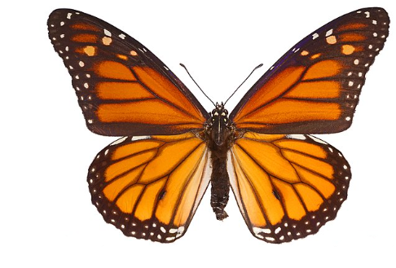
 | x(k) | Tri pair/impair |  | Décimation N/4=2 |  | Wnk | Décimation N/2=4 |  |  | Wnk | Décimation N=8 |  | X(k)

x(0) | 1 |  | 1 |  | 1.14 |  | 1.14 |  | 1,56 |  | 1,56 |  | 2,5 | X(0)
 |  |  | x(0) |  |  | 1 |  |  |  | 1

x(1) | 0.61 |  | 0.14 |  | 0.86 |  | 0.86 |  | 0,86-0,32j |  | 0,86-0,32j |  | 1,10041630560343-0,829116882454315j | X(1)
 |  |  | x(4) | -1 |  | 1 |  |  |  | 1 |  |  |  |  |  |  | k | |X(k)| |  |  | k | Arg[X(k)]
 |  |  |  |  |  |  |  |  |  |  |  |  |  |  |  |  | -4 | 0.62 |  |  | -4 | 0
x(2) | 0.37 |  | 0.37 |  | 0.42 |  | 0.42 |  | 0,72 |  | 0,72 |  | 0,72-0,44j | X(2) |  |  | -3 | 0.65 |  |  | -3 | 16.973875909
 |  |  | x(2) |  |  | 1 |  | -1 |  | 1 |  |  |  |  |  |  | -2 | 0.84 |  |  | -2 | 31.429565615
 |  |  |  |  |  |  |  |  |  |  |  |  |  |  | k | |X(k)| | -1 | 1.38 | k | Arg[X(k)] | -1 | 36.996470279
x(3) | 0.22 |  | 0.05 |  | 0.32 |  | -0,32j |  | 0,86+0,32j |  | 0,86+0,32j |  | 0,619583694396574-0,189116882454315j | X(3) | 0 | 2.50 | 0 | 2.50 | 0 | 0.00 | 0 | 0.00000
 |  |  | x(6) | -1 |  | -j |  | -1 |  | 1 |  |  |  |  | 1 | 1.38 | 1 | 1.38 | 1 | -0.65 | 1 | -36.99647
 |  |  |  |  |  |  |  |  |  |  |  |  |  |  | 2 | 0.84 | 2 | 0.84 | 2 | -0.55 | 2 | -31.42957
x(4) | 0.14 |  | 0.61 |  | 0.69 |  | 0.69 |  | 0,94 |  | 0,94 |  | 0,62 | X(4) | 3 | 0.65 | 3 | 0.65 | 3 | -0.30 | 3 | -16.97388
 |  |  | x(1) |  |  | 1 |  |  |  | 1 |  | -1 |  |  | 4 | 0.62 | 4 | 0.62 | 4 | 0.00 | 4 | 0.00000
 |  |  |  |  |  |  |  |  |  |  |  |  |  |  | 5 | 0.65 | Shifting |  | 5 | 0.30 | Shifting
x(5) | 0.08 |  | 0.08 |  | 0.53 |  | 0.53 |  | 0,53-0,19j |  | 0,240416305603426-0,509116882454315j |  | 0,619583694396574+0,189116882454315j | X(5) | 6 | 0.84 |  |  | 6 | 0.55
 |  |  | x(5) | -1 |  | 1 |  |  |  | 0,707106781186548-0,707106781186548j |  | -1 |  |  | 7 | 1.38 |  |  | 7 | 0.65

x(6) | 0.05 |  | 0.22 |  | 0.25 |  | 0.25 |  | 0,44 |  | -0,44j |  | 0,72+0,44j | X(6)
 |  |  | x(3) |  |  | 1 |  | -1 |  | -j |  | -1

x(7) | 0.03 |  | 0.03 |  | 0.19 |  | -0,19j |  | 0,53+0,19j |  | -0,240416305603426-0,509116882454315j |  | 1,10041630560343+0,829116882454315j | X(7)
 |  |  | x(7) | -1 |  | -j |  | -1 |  | -0,707106781186548-0,707106781186548j |  | -1
Signal entrée x(k)

0 | 1
1 | 0.61
2 | 0.37
3 | 0.22 |  |  |  |  |  | Transformée de Fourier
4 | 0.14
5 | 0.08
6 | 0.05
7 | 0.03

Exp(-at) | 1

 | 0.61

 | 0.37

 | 0.22

 | 0.14

 | 0.08

 | 0.05

 | 0.03

