3 Modules
3. Module Design |  |  |  |  | ← Contents
Every module with its responsibility and the APIs it owns

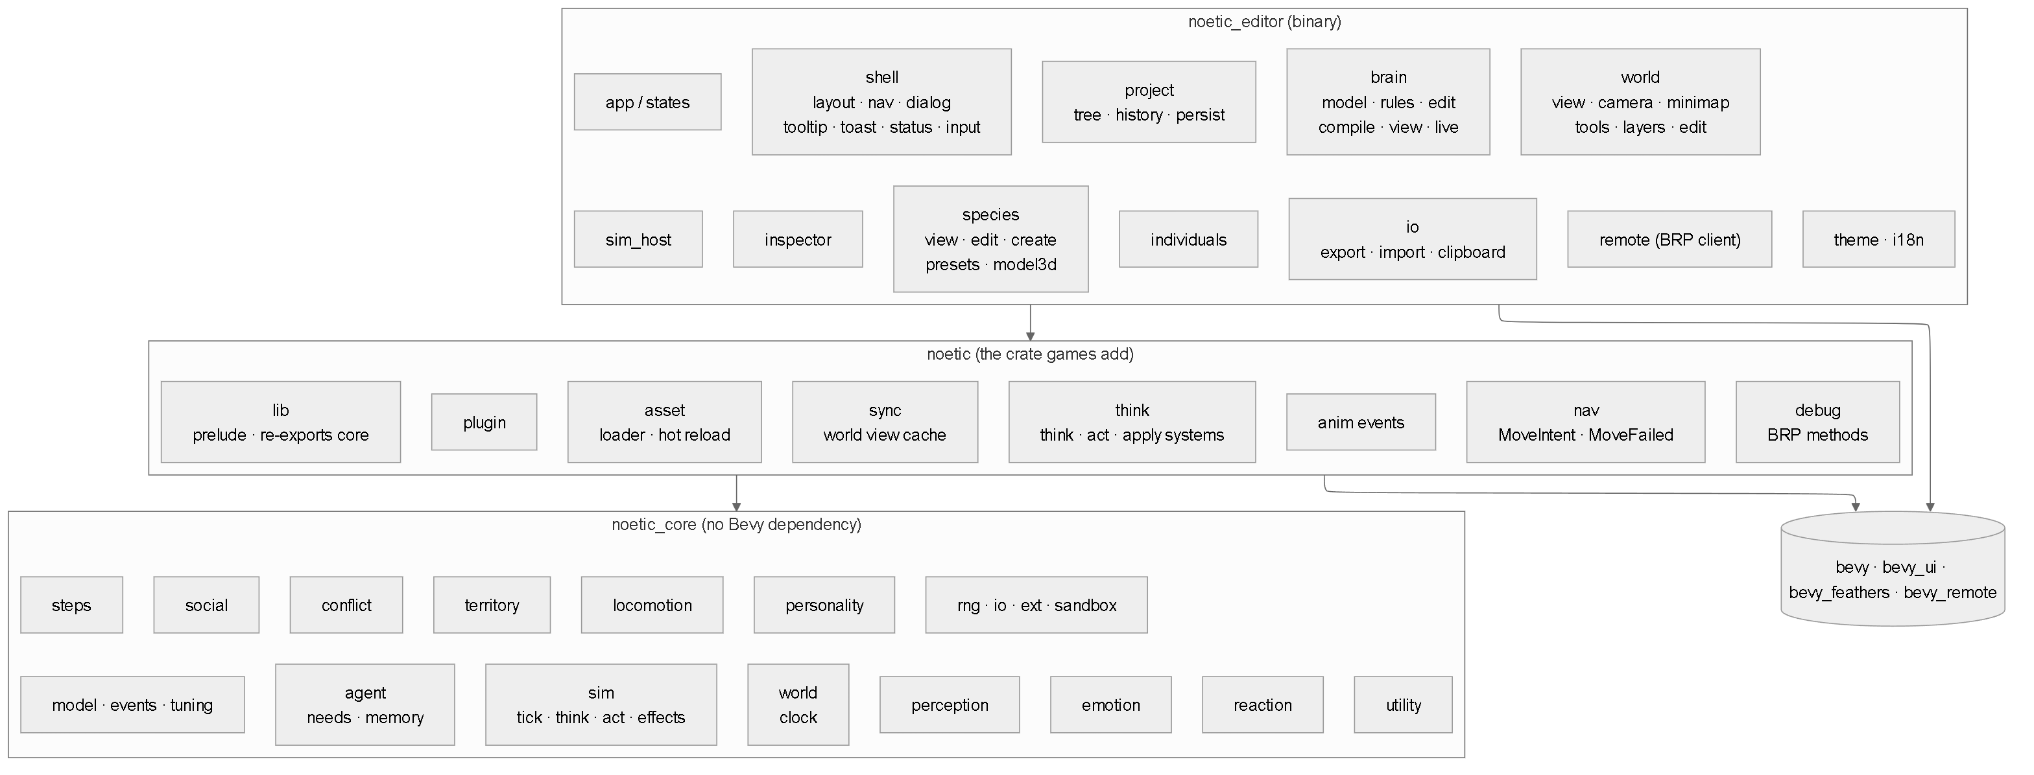

ID | Module path | Crate | Responsibility | APIs (Detailed Design) | # APIs
MOD-001 | noetic_core::agent | noetic_core | Agent, Needs, Memory, Health, spawn. | API-WLD-005, API-DBG-002 | 2
MOD-002 | noetic_core::agent::memory | noetic_core | Habituation and spatial memories. | API-COR-004 | 1
MOD-003 | noetic_core::agent::needs | noetic_core | Need update. | API-COR-002 | 1
MOD-004 | noetic_core::conflict | noetic_core | Fights, damage, healing. | API-COR-013, API-COR-014 | 2
MOD-005 | noetic_core::emotion | noetic_core | Fear. | API-COR-005 | 1
MOD-006 | noetic_core::ext | noetic_core | Extension traits and registry. | API-RT-009 | 1
MOD-007 | noetic_core::io | noetic_core | RON read/write, validation. | API-IO-001, API-IO-002, API-IO-003 | 3
MOD-008 | noetic_core::io::migrate | noetic_core | Schema migrations. | API-IO-004 | 1
MOD-009 | noetic_core::locomotion | noetic_core | Gaits and movement intent (Movement); simple mover with terrain speed for SimWorld (editor only). | API-COR-016 | 1
MOD-010 | noetic_core::perception | noetic_core | Vision, hearing, smell. | API-COR-003 | 1
MOD-011 | noetic_core::personality | noetic_core | Trait generation, presets. | API-IND-001 | 1
MOD-012 | noetic_core::reaction | noetic_core | Threat branch walk. | API-COR-006 | 1
MOD-013 | noetic_core::rng | noetic_core | Seeded PRNG, weighted pick. | API-COR-007, API-COR-017 | 2
MOD-014 | noetic_core::sandbox | noetic_core | Isolated reaction test. | API-IND-008 | 1
MOD-015 | noetic_core::sim | noetic_core | One agent pipeline shared by the editor and the game: think_agent, act_agent, think_due, Effect and apply_effect; tick drives a SimWorld (editor). | API-COR-001, API-COR-020…023 | 5
MOD-016 | noetic_core::social | noetic_core | Alarms, groups. | API-COR-008, API-COR-012 | 2
MOD-017 | noetic_core::steps | noetic_core | Step runner. | API-COR-011 | 1
MOD-018 | noetic_core::territory | noetic_core | Scent marks. | API-COR-015 | 1
MOD-019 | noetic_core::utility | noetic_core | Curves, routine, activity choice. | API-COR-009, API-COR-010, API-COR-018, API-COR-019 | 4
MOD-020 | noetic_core::world | noetic_core | SimWorld, Terrain, Wind, Stimulus, spatial grid. | API-WLD-006 | 1
MOD-021 | noetic_core::world::clock | noetic_core | Clock, light. | API-SIM-004, API-SIM-005, API-SIM-006 | 3
MOD-022 | noetic::anim | noetic | Animation events. | API-RT-006 | 1
MOD-023 | noetic::asset | noetic | AssetLoader, hot reload. | API-RT-002, API-RT-003 | 2
MOD-024 | noetic::debug | noetic | BRP methods (feature debug). | API-RT-007 | 1
MOD-025 | noetic::nav | noetic | Movement intent out (MoveIntent), MoveFailed back; the game moves the body. | API-RT-008 | 1
MOD-026 | noetic::plugin | noetic | NoeticPlugin; prelude, pub use noetic_core. | API-RT-001 | 1
MOD-027 | noetic::sync | noetic | Game components → world view; world markers and zones (WaterSource, Burrow, Cover, Mud…); agent positions read back; AgentId for new agents, AgentOrder. | API-RT-004 | 1
MOD-028 | noetic::think | noetic | Think, act and apply systems; NoeticAgent, AgentBrainState. | API-RT-005, API-RT-010, API-RT-011 | 3
MOD-029 | noetic_editor::brain::activity | noetic_editor | Activity/step edits. | API-BRN-013, API-BRN-017, API-BRN-024, API-BRN-026 | 4
MOD-030 | noetic_editor::brain::compile | noetic_editor | Graph → Brain/steps. | API-BRN-002, API-BRN-016 | 2
MOD-031 | noetic_editor::brain::edit | noetic_editor | Graph edit commands. | API-BRN-003, API-BRN-004, API-BRN-007, API-BRN-008, API-BRN-009, API-BRN-010, API-BRN-025 | 7
MOD-032 | noetic_editor::brain::live | noetic_editor | Follow animal. | API-BRN-018, API-BRN-019 | 2
MOD-033 | noetic_editor::brain::model | noetic_editor | Editable graph. | API-BRN-001 | 1
MOD-034 | noetic_editor::brain::rules | noetic_editor | Connection rules. | API-BRN-005, API-BRN-006 | 2
MOD-035 | noetic_editor::brain::view | noetic_editor | Graph rendering and camera. | API-BRN-014, API-BRN-015, API-BRN-020, API-BRN-021, API-BRN-022, API-BRN-023 | 6
MOD-036 | noetic_editor::individuals | noetic_editor | Individual page. | API-IND-002, API-IND-003, API-IND-004, API-IND-005, API-IND-006, API-IND-007, API-IND-009, API-IND-010, API-IND-011 | 9
MOD-037 | noetic_editor::inspector | noetic_editor | Animal debug panel. | API-DBG-001 | 1
MOD-038 | noetic_editor::io | noetic_editor | Import/export dialogs, clipboard, files. | API-IO-005, API-IO-006, API-IO-007 | 3
MOD-039 | noetic_editor::project::history | noetic_editor | Undo/redo stack. | API-PRJ-006, API-PRJ-007 | 2
MOD-040 | noetic_editor::project::persist | noetic_editor | Project save/load. | API-PRJ-008, API-PRJ-009, API-PRJ-012 | 3
MOD-041 | noetic_editor::project::tree | noetic_editor | Folder tree commands. | API-PRJ-001, API-PRJ-002, API-PRJ-003, API-PRJ-004, API-PRJ-005, API-PRJ-010, API-PRJ-011 | 7
MOD-042 | noetic_editor::remote | noetic_editor | BRP client. | API-NET-001, API-NET-002, API-NET-003 | 3
MOD-043 | noetic_editor::shell::dialog | noetic_editor | Modal dialogs. | API-APP-003, API-APP-004 | 2
MOD-044 | noetic_editor::shell::input | noetic_editor | Shortcuts. | API-APP-009 | 1
MOD-045 | noetic_editor::shell::layout | noetic_editor | Window frame, panels. | API-APP-002, API-APP-008, API-APP-010 | 3
MOD-046 | noetic_editor::shell::nav | noetic_editor | Area switching. | API-APP-001 | 1
MOD-047 | noetic_editor::shell::status | noetic_editor | Status bar. | API-APP-007 | 1
MOD-048 | noetic_editor::shell::toast | noetic_editor | Toasts. | API-APP-006 | 1
MOD-049 | noetic_editor::shell::tooltip | noetic_editor | Tooltips. | API-APP-005 | 1
MOD-050 | noetic_editor::species::create | noetic_editor | Create/duplicate/delete. | API-SPC-002, API-SPC-003, API-SPC-004 | 3
MOD-051 | noetic_editor::species::edit | noetic_editor | Species field setters. | API-BRN-011, API-BRN-012, API-SPC-001 | 3
MOD-052 | noetic_editor::species::model3d | noetic_editor | Clips, animation list. | API-SPC-009, API-SPC-010, API-SPC-011 | 3
MOD-053 | noetic_editor::species::presets | noetic_editor | Presets. | API-SPC-005, API-SPC-006, API-SPC-007, API-SPC-008 | 4
MOD-054 | noetic_editor::species::view | noetic_editor | Species page tabs. | API-SPC-012 | 1
MOD-055 | noetic_editor::world::camera | noetic_editor | World camera. | API-WLD-001, API-DBG-003 | 2
MOD-056 | noetic_editor::world::edit | noetic_editor | Terrain editing. | API-WLD-008, API-WLD-009, API-WLD-010, API-WLD-011, API-WLD-012, API-WLD-013 | 6
MOD-057 | noetic_editor::sim_host | noetic_editor | Simulation host in the editor, shared by the brain, world, individuals and inspector areas. | API-SIM-001, API-SIM-002, API-SIM-003, API-SIM-007 | 4
MOD-058 | noetic_editor::world::layers | noetic_editor | Debug layers. | API-WLD-007 | 1
MOD-059 | noetic_editor::world::minimap | noetic_editor | Minimap. | API-WLD-002 | 1
MOD-060 | noetic_editor::world::tools | noetic_editor | World tools, selection. | API-WLD-003, API-WLD-004, API-WLD-014, API-DBG-004 | 4
MOD-061 | noetic_editor::world::view | noetic_editor | World and day-strip rendering. | API-WLD-015, API-WLD-016, API-WLD-017, API-WLD-018 | 4
MOD-062 | noetic_core::model | noetic_core | Species, Brain, Activity, Step and their enums (TYP-01…10); types only. | — | 0
MOD-063 | noetic_core::events | noetic_core | SimEvent (TYP-16); types only. | — | 0
MOD-064 | noetic_core::tuning | noetic_core | Dropped (0.15): every tuning constant is named in the Config section of the file that uses it (CONTRIBUTING). | — | 0

7 State Machines
7. State Machines |  |  |  | ← Contents

7.1 Agent behavior state (TYP-12)
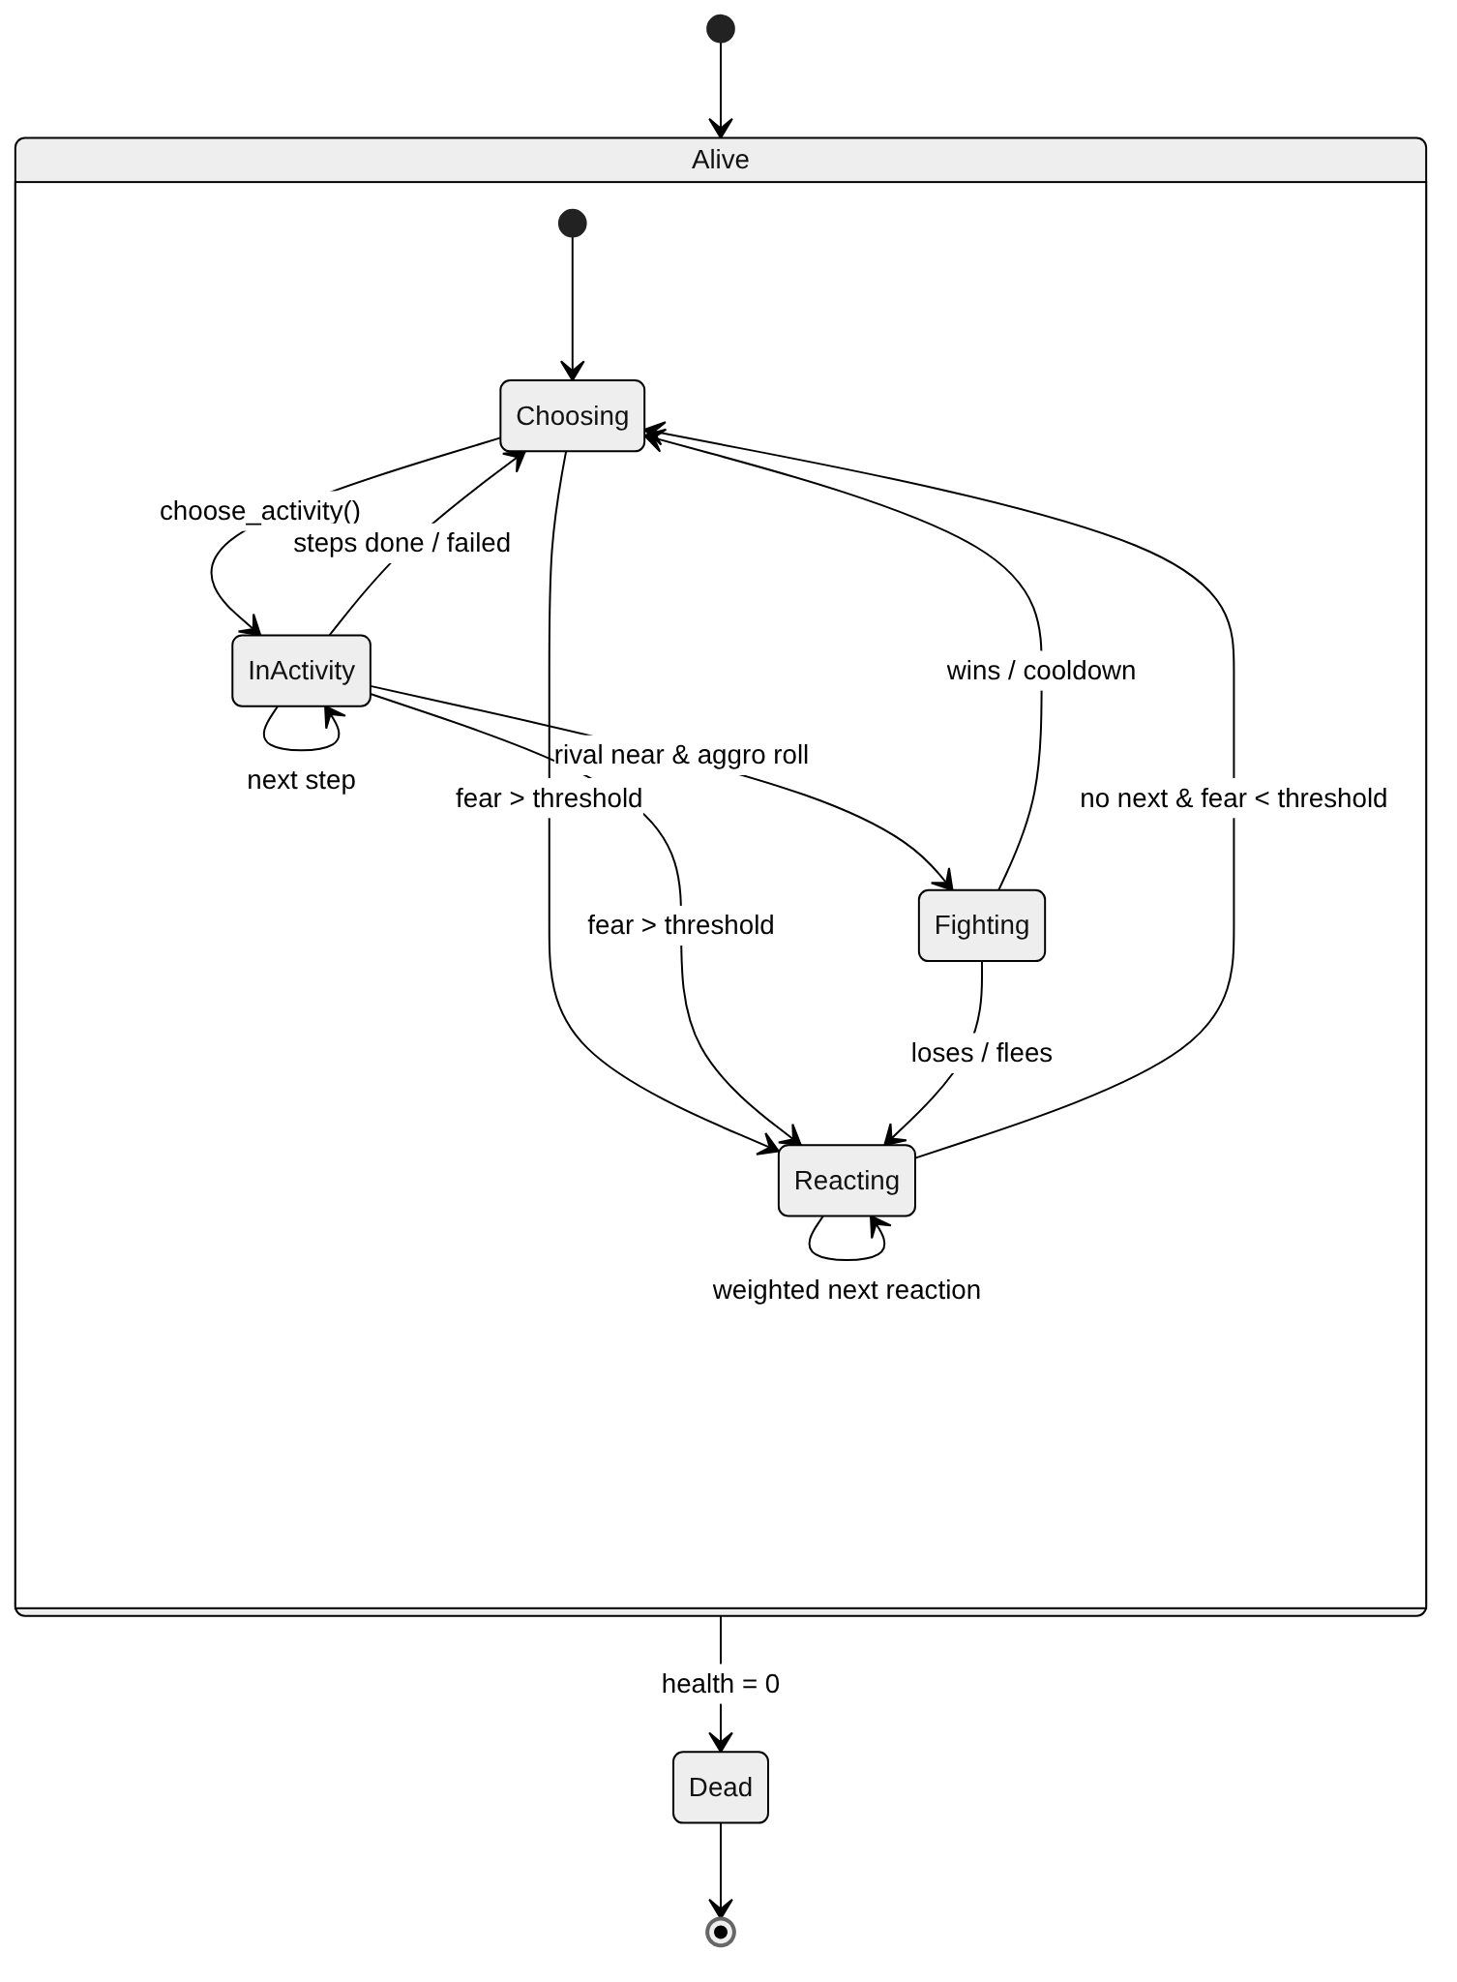

From | To | Event / guard | Action | API
Choosing | InActivity | idle | choose_activity; first step starts; Anim event | API-COR-009, API-COR-011
InActivity | InActivity | step done & more steps | next step | API-COR-011
InActivity | Choosing | last step done / step failed | clear activity | API-COR-011
Choosing / InActivity | Reacting | fear > threshold, or challenged and not fighting back (Flee) | weighted pick of first reaction | API-COR-006
Reacting | Reacting | reaction time over & next exists | weighted pick of next | API-COR-006, API-COR-007
Reacting | Reacting | no next & fear > threshold | repeat the last reaction (e.g. hide) | API-COR-006
Reacting | Choosing | no next & fear ≤ threshold | end reaction | API-COR-006
Choosing / InActivity | Fighting | urge to fight ≥ 70 & rival ≤ 12 m, or challenged (Effect::Challenge) and fighting back | approach rival / answer the challenge | API-COR-013 in the rival's act; API-COR-022 only records the challenge
Fighting | Reacting / Choosing | loses or flees / wins or cooldown |  | API-COR-013
Alive | Dead | health ≤ 0 | emit Died; stop processing | API-COR-014

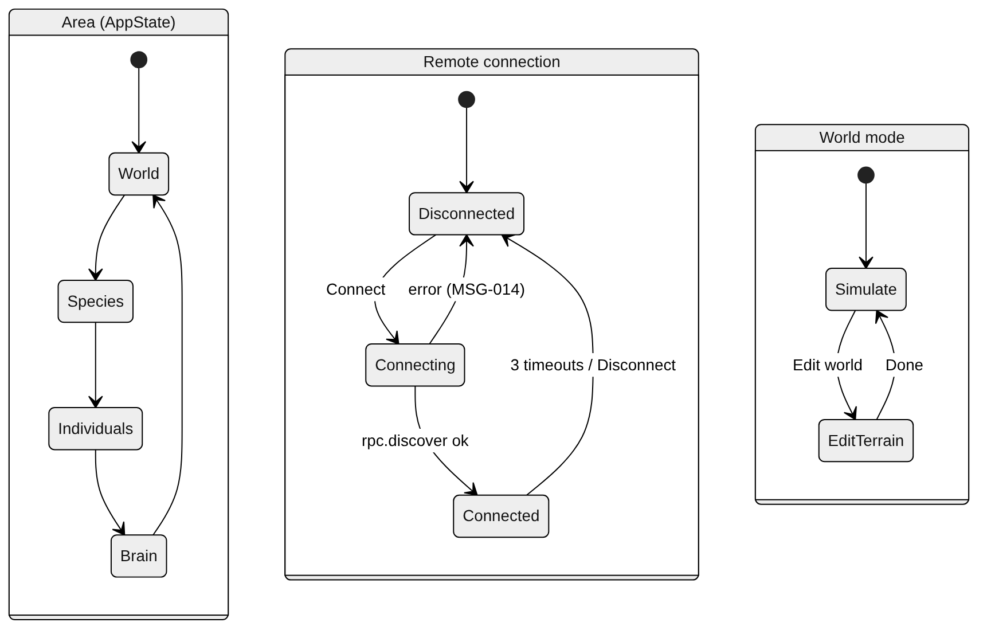
7.2 Editor states (STA-01…03)

8 Sequences
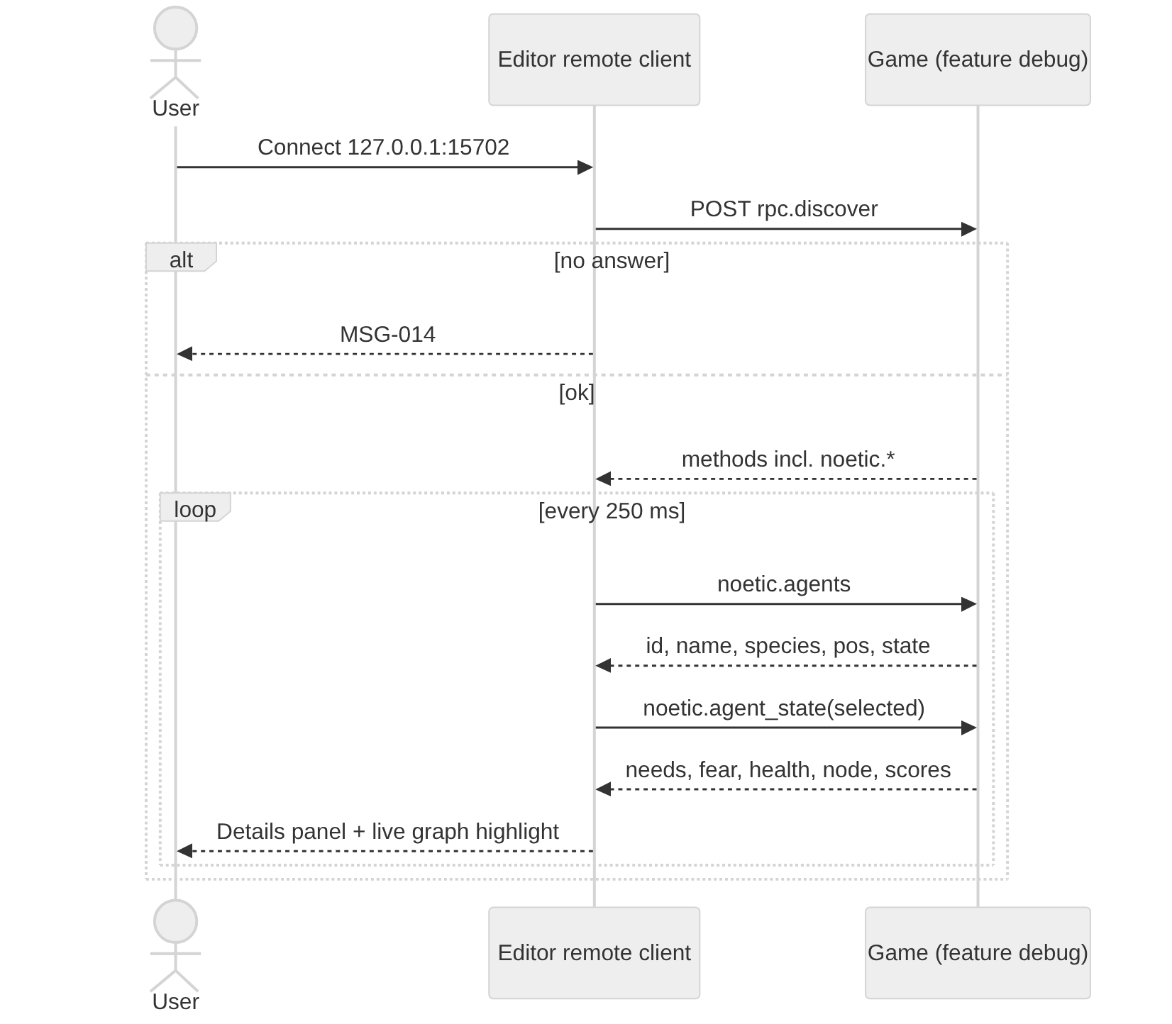
8. Sequence Diagrams | ← Contents

SEQ-01 Game frame with NoeticPlugin (PRC-01…17)
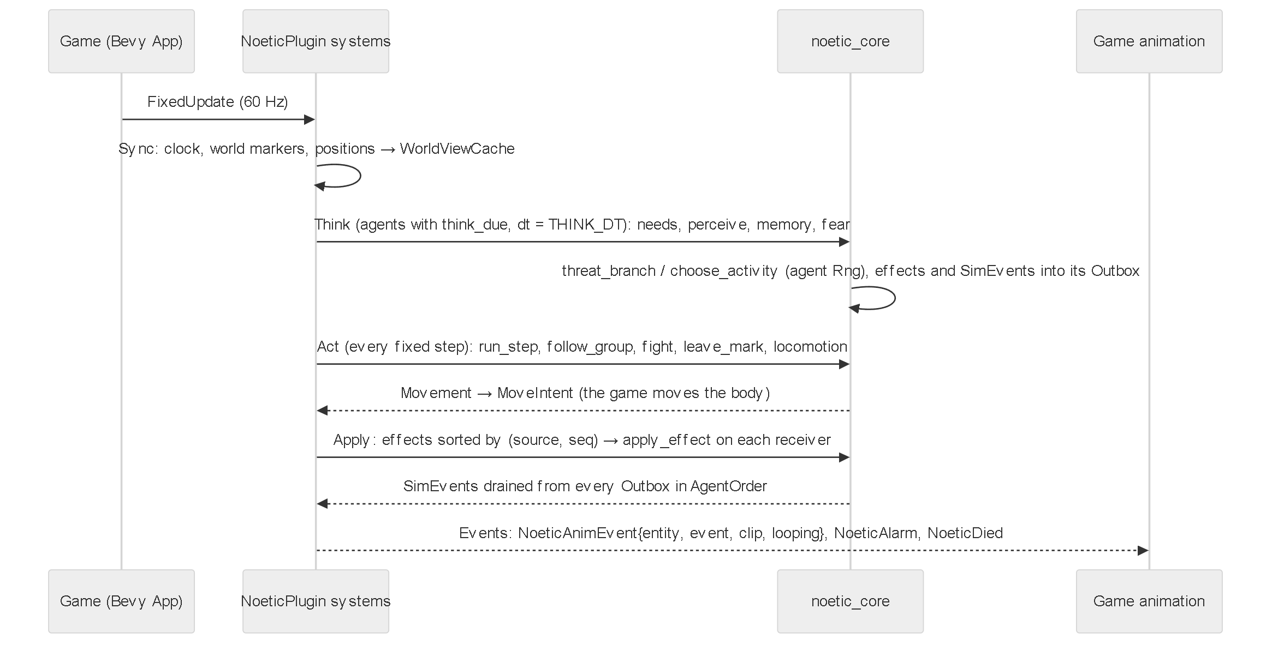

SEQ-02 Connect two blocks in the Brain graph (SCR-02-24/25)
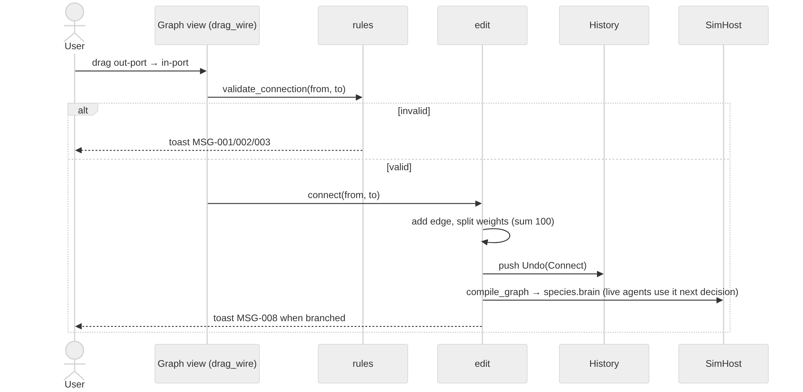

SEQ-03 Export and import a species (DLG-02/03)
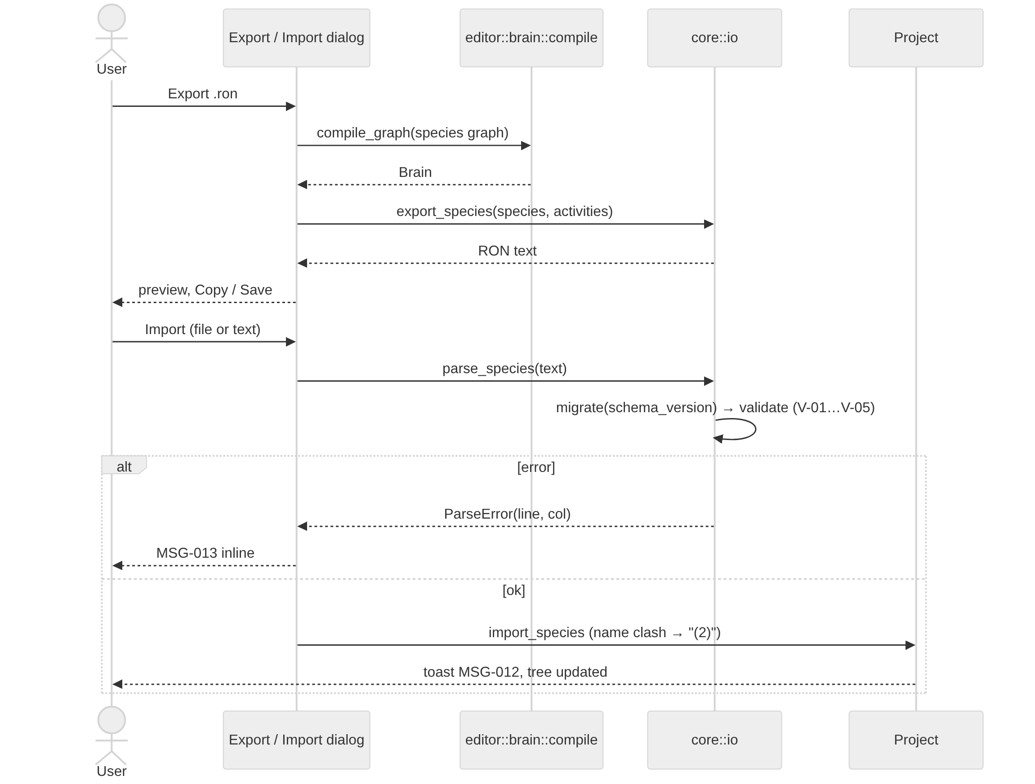

SEQ-04 Remote debug (DLG-04)

