SCR-01
SCR-01 Main Window (common frame) |  |  |  |  |  |  |  |  |  | ← Contents

Screen ID |  | SCR-01
Name |  | Main Window (common frame)
Area |  | Common
Purpose |  | Fixed frame shared by every area: top bar, area bar, Project panel, main area, Details panel and status bar.
Opened from |  | Application start
Related FR |  | FR-701, FR-702, FR-703

Screenshot SCR-01 — Main window — World area active (items 1–21)
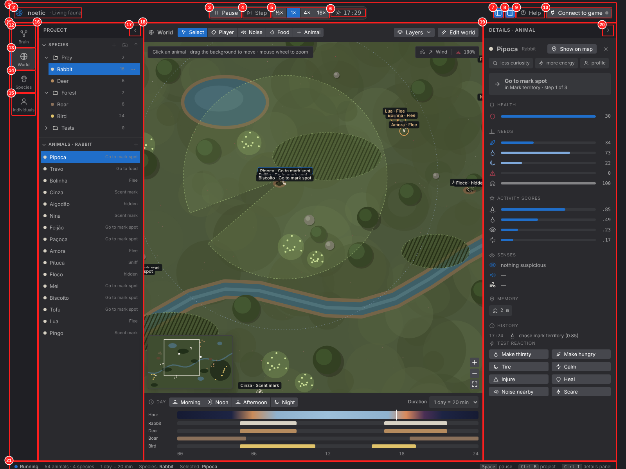

Item definitions
No. | Item ID | Object name | Type | Name | On-screen label | Description | Behavior / event | Input rule / range | Related FR | Detailed design ref.
1 | SCR-01-01 | hdrTop | Area | Top bar |  | Holds the logo, the time controls and global actions. Always visible. |  |  | FR-701 | API-APP-008
2 | SCR-01-02 | imgLogo | Image + label | Logo and product name | noetic · Living fauna | Lens-diaphragm logo and product name. | No action. |  |  | API-APP-010
3 | SCR-01-03 | btnPlayPause | Button | Play / Pause | Pause / Run | Starts or pauses the simulation clock. Valid in every area. | Click or Space toggles. Label and icon switch between Pause and Run. | Default: running | FR-203 | API-SIM-001
4 | SCR-01-04 | btnStep | Button | Step | Step | Advances the simulation by one tick while paused. | Click: runs one tick (pauses first if running). |  | FR-203 | API-SIM-002
5 | SCR-01-05 | segSpeed | Segmented control | Simulation speed | ½× · 1× · 4× · 16× | Multiplier of simulated time per real second. | Click selects one value; the selected one is highlighted. | Values: 0.5, 1, 4, 16. Default 1× | FR-203 | API-SIM-003
6 | SCR-01-06 | lblClock | Label | World clock | hh:mm | Current time of day in the world (24 h). | Read only; updates every tick. |  | FR-204 | API-SIM-007, API-APP-007
7 | SCR-01-07 | tglProjectPanel | Toggle icon button | Show/hide Project panel |  | Shows or hides the left Project panel. | Click or Ctrl+B. Layout keeps its grid columns. |  | FR-702 | API-APP-002
8 | SCR-01-08 | tglDetailsPanel | Toggle icon button | Show/hide Details panel |  | Shows or hides the right Details panel. | Click or Ctrl+I. |  | FR-702 | API-APP-002
9 | SCR-01-09 | btnHelp | Button | Quick guide | Help | Opens the Quick guide dialog (DLG-06). | Click → DLG-06. |  | FR-705 | API-APP-003
10 | SCR-01-10 | btnConnectGame | Button | Connect to game | Connect to game | Opens the remote-debug connection dialog (DLG-04). The dot shows the connection state. | Click → DLG-04. |  | FR-605 | API-APP-003, API-NET-001
11 | SCR-01-11 | navAreaBar | Navigation bar | Area bar |  | Vertical bar that switches the main area. | Selected area is highlighted with an accent stripe. |  | FR-701 | API-APP-001
12 | SCR-01-12 | navBrain | Navigation button | Brain area | Brain | Behavior graph editor. | Click → SCR-02. |  | FR-101 | API-APP-001
13 | SCR-01-13 | navWorld | Navigation button | World area | World | Test playground. | Click → SCR-05. |  | FR-201 | API-APP-001
14 | SCR-01-14 | navSpecies | Navigation button | Species area | Species | Species settings pages. | Click → SCR-09. |  | FR-301 | API-APP-001
15 | SCR-01-15 | navIndividuals | Navigation button | Individuals area | Individuals | Per-animal personality and tests. | Click → SCR-13. |  | FR-401 | API-APP-001
16 | SCR-01-16 | pnlProject | Panel | Project panel | Project | Folder trees of species, activities and animals. Content depends on the area. | Collapsible. |  | FR-301 | API-APP-008, API-PRJ-010
17 | SCR-01-17 | btnCollapseProject | Icon button | Collapse Project panel |  | Hides the Project panel (same as Ctrl+B). |  |  | FR-702 | API-APP-002
18 | SCR-01-18 | pnlMain | Panel | Main area |  | Shows the active area (graph, world, species page, individual page). |  |  | FR-701 | API-APP-001
19 | SCR-01-19 | pnlDetails | Panel | Details panel | Details · … | Shows and edits whatever is selected; the header says what kind of item it is. | Collapsible. |  | FR-701 | API-APP-008
20 | SCR-01-20 | btnCollapseDetails | Icon button | Collapse Details panel |  | Hides the Details panel (same as Ctrl+I). |  |  | FR-702 | API-APP-002
21 | SCR-01-21 | barStatus | Status bar | Status bar | Running · 54 animals … | Run state, animal and species counts, day length, current species, selection and shortcut hints. | Read only. |  | FR-701 | API-APP-007

SCR-02
SCR-02 Brain — Species Behavior Graph |  |  |  |  |  |  |  |  |  | ← Contents

Screen ID |  | SCR-02
Name |  | Brain — Species Behavior Graph
Area |  | Brain
Purpose |  | Edit the brain of one species as a graph: threat reactions with weighted branches and activity choice.
Opened from |  | Area bar → Brain; species row in Project panel; Species page → "Edit brain"
Related FR |  | FR-101 – FR-106, FR-110 – FR-115

Screenshot SCR-02 — Brain area — rabbit graph with a branching reaction (items 1–25)
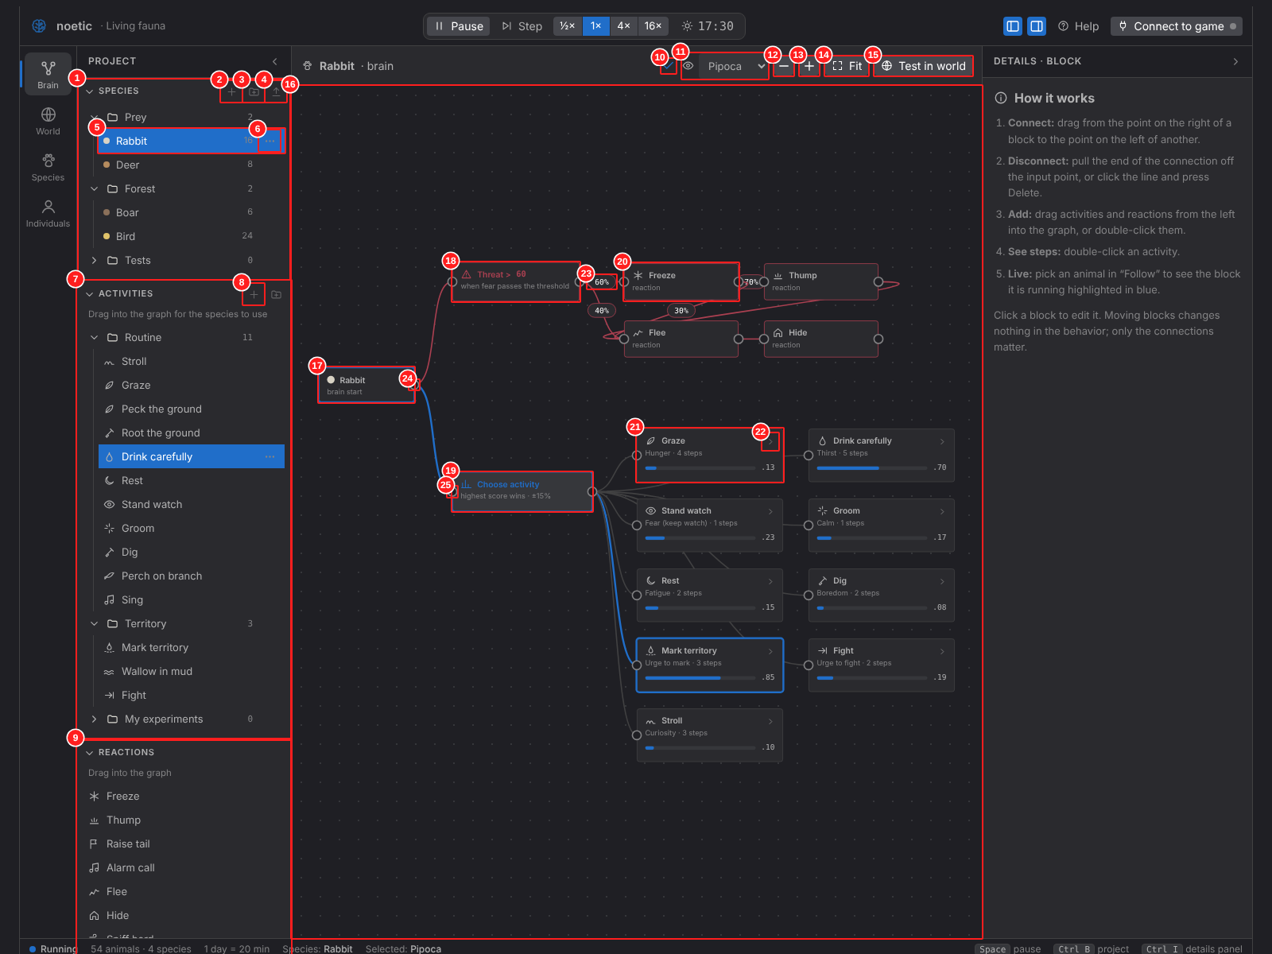

Item definitions
No. | Item ID | Object name | Type | Name | On-screen label | Description | Behavior / event | Input rule / range | Related FR | Detailed design ref.
1 | SCR-02-01 | accSpeciesTree | Tree (accordion) | Species tree | Species | User folders with species (VS Code style). Selecting a species opens its graph. | Click row: select species. Right-click / "…": context menu (POP-01). F2 rename, Del delete. |  | FR-301 | API-PRJ-010, API-PRJ-002, API-PRJ-005
2 | SCR-02-02 | btnNewSpecies | Icon button | New species |  | Opens the New species dialog. | Click → DLG-01. |  | FR-303 | API-APP-003, API-SPC-002
3 | SCR-02-03 | btnNewFolder | Icon button | New folder |  | Creates a folder in the tree and starts renaming it. |  |  | FR-301 | API-PRJ-001
4 | SCR-02-04 | btnImportRon | Icon button | Import .ron |  | Opens the Import dialog. | Click → DLG-03. |  | FR-602 | API-APP-003, API-IO-005
5 | SCR-02-05 | rowSpecies | Tree row | Species row | Rabbit 16 | Species name, color dot and number of animals in the world. | Click selects; double-click renames. |  | FR-301 | API-PRJ-010, API-PRJ-002
6 | SCR-02-06 | btnRowMenu | Icon button | Row menu | … | Opens the item context menu. | Click → POP-01. |  | FR-301 | API-PRJ-011
7 | SCR-02-07 | accActivityLib | Tree (accordion) | Activity library | Activities | All activities in user folders. Drag one into the graph to give it to the species. | Drag → graph; double-click adds it; right-click → menu. |  | FR-111 | API-BRN-008, API-PRJ-011
8 | SCR-02-08 | btnNewActivity | Icon button | New activity |  | Creates an empty activity in the library. |  |  | FR-107 | API-BRN-013, API-PRJ-003
9 | SCR-02-09 | accReactionLib | List (accordion) | Reaction library | Reactions | Reaction types that can be dragged into the threat graph. | Drag → graph. |  | FR-105 | API-BRN-008
10 | SCR-02-10 | icnGraphStatus | Status icon / chip | Graph status | ✓ or "N loose" | Check mark when every block is connected; warning chip with the count of loose blocks otherwise. | Hover shows the explanation. |  | FR-104 | API-BRN-023, API-BRN-006
11 | SCR-02-11 | selFollowAnimal | Dropdown | Follow animal | none / names | Choose an animal to highlight live the block it is running. | If there are no animals, a button to spawn one is shown instead. | Default: none | FR-112 | API-BRN-018, API-BRN-019
12 | SCR-02-12 | btnZoomOut | Icon button | Zoom out | − | Zooms the graph out. | Mouse wheel also zooms. |  | FR-115 | API-BRN-020
13 | SCR-02-13 | btnZoomIn | Icon button | Zoom in | + | Zooms the graph in. |  |  | FR-115 | API-BRN-020
14 | SCR-02-14 | btnFitGraph | Button | Fit | Fit | Fits all blocks in view. |  |  | FR-115 | API-BRN-020
15 | SCR-02-15 | btnTestInWorld | Button | Test in world | Test in world | Goes to the World area with this species. | Click → SCR-05. |  | FR-201 | API-APP-001
16 | SCR-02-16 | cnvGraph | Canvas (node editor) | Graph canvas |  | Pannable, zoomable canvas with blocks and connections. | Drag background: pan. Drag block: move (layout only). Click empty: deselect. |  | FR-101 | API-BRN-021, API-BRN-020
17 | SCR-02-17 | nodRoot | Graph node | Root block | Rabbit · brain start | Start of the brain. Always present, cannot be deleted. |  |  | FR-101 | API-BRN-021
18 | SCR-02-18 | nodThreat | Graph node | Threat block | Threat > 60 | Runs when fear passes the threshold; its outputs are the first reactions. | Click → details (fear threshold, branch %). |  | FR-503 | API-BRN-021, API-BRN-011
19 | SCR-02-19 | nodChoose | Graph node | Choose activity block | Choose activity | Utility choice: scores every connected activity and runs the best one. | Click → details (random variation). |  | FR-110 | API-BRN-021, API-BRN-012
20 | SCR-02-20 | nodReaction | Graph node | Reaction block | Freeze · reaction | One reaction step. Can branch to several next reactions with chances. | Click → SCR-03 reaction details. |  | FR-105 | API-BRN-021, API-BRN-010
21 | SCR-02-21 | nodActivity | Graph node | Activity block | Graze · Hunger · 4 steps | Activity with its driving need, step count, live score bar and value. | Click → details. Double-click or ▸ opens its steps (SCR-04). |  | FR-109, FR-113 | API-BRN-021, API-BRN-019, API-BRN-014
22 | SCR-02-22 | btnOpenSteps | Icon button | Open steps | › | Opens the activity subgraph. | Click → SCR-04. |  | FR-107 | API-BRN-014
23 | SCR-02-23 | lblEdgeChance | Edge label | Branch chance | 60% | Chance of following this connection. Shown only when a block has 2+ outputs. | Click selects the source block to edit the %. |  | FR-105 | API-BRN-021, API-BRN-007
24 | SCR-02-24 | prtOutput | Connection port | Output port | ○ | Drag from here to an input port to connect. | Invalid connections are refused with a message. |  | FR-102, FR-103 | API-BRN-025, API-BRN-003, API-BRN-005
25 | SCR-02-25 | prtInput | Connection port | Input port | ○ | Target of a connection. | Drag a connected end away to disconnect. |  | FR-102 | API-BRN-025, API-BRN-004

SCR-03
SCR-03 Brain — Block Details |  |  |  |  |  |  |  |  |  | ← Contents

Screen ID |  | SCR-03
Name |  | Brain — Block Details
Area |  | Brain
Purpose |  | Details panel content for each block type selected in the graph.
Opened from |  | Click a block in SCR-02
Related FR |  | FR-105, FR-109, FR-110, FR-503

Screenshot SCR-03a — Threat block selected (items 1–4)
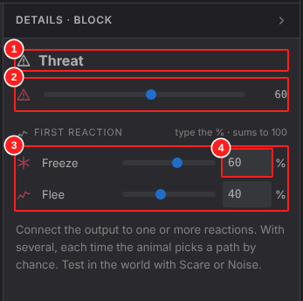

Screenshot SCR-03b — Reaction block selected (items 5–7)
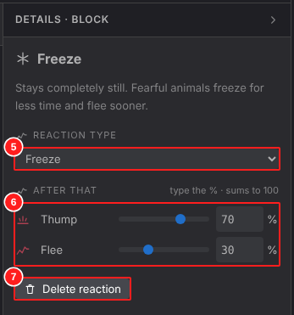

Screenshot SCR-03c — Choose-activity block selected (items 8–8)
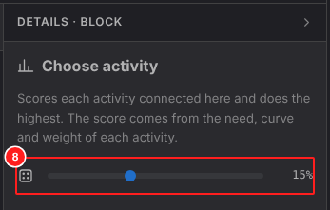

Screenshot SCR-03d — Activity block selected (items 9–15)
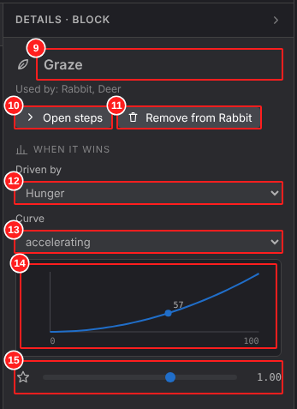

Screenshot SCR-03e — Nothing selected (items 16–16)
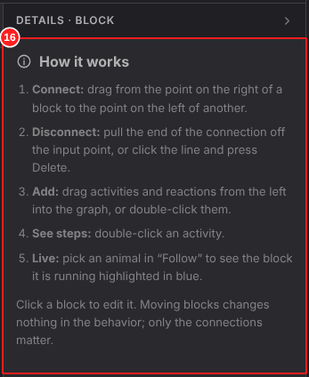

Item definitions
No. | Item ID | Object name | Type | Name | On-screen label | Description | Behavior / event | Input rule / range | Related FR | Detailed design ref.
1 | SCR-03-01 | lblBlockTitle | Label | Block title | Threat | Name and icon of the selected block. |  |  |  | API-BRN-021
2 | SCR-03-02 | sldFearThresholdBlock | Slider | Fear threshold | Fear threshold | Fear value (0–100) above which the threat branch runs. Same value as Species › Mind. | Drag; value applies immediately. | 0–100, default per species (rabbit 60) | FR-503 | API-BRN-011
3 | SCR-03-03 | lstBranchChances | List of sliders | Branch chances | First reaction: Freeze %, Flee % | One row per outgoing connection with slider + number box. | Changing one re-balances the others so the total is always 100%; the last edited value is kept. | Integer 0–100, sum = 100 | FR-105 | API-BRN-007
4 | SCR-03-04 | numBranchPct | Number input | Branch % (typed) | % | Exact chance typed by the user. | Enter/blur applies. | Integer 0–100 | FR-105 | API-BRN-007
5 | SCR-03-05 | selReactionType | Dropdown | Reaction type | Freeze | What the animal does at this step (freeze, thump, raise tail, alarm call, flee, hide, sniff hard, face/charge, take off). | Change replaces the reaction keeping the connections. |  | FR-105 | API-BRN-010
6 | SCR-03-06 | lstNextChances | List of sliders | Next-reaction chances | Then: …% | Chances of the next reactions. | Same balancing rule as above. |  | FR-105 | API-BRN-007
7 | SCR-03-07 | btnDeleteReaction | Button | Delete reaction | Delete reaction | Removes the block and its connections. | Undo available (toast). |  | FR-707 | API-BRN-009
8 | SCR-03-08 | sldRandomVariation | Slider | Random variation | Random variation | Adds noise to activity scores so animals are less predictable. | Drag. | 0–40 %, default 15 % | FR-110 | API-BRN-012
9 | SCR-03-09 | txtActivityName | Text input | Activity name | Graze | Name shown in the library and graph. | Edit renames everywhere. | Required, 1–40 chars | FR-107 | API-BRN-013
10 | SCR-03-10 | btnOpenStepsDetail | Button | Open steps | Open steps | Opens the step subgraph. | Click → SCR-04. |  | FR-107 | API-BRN-014
11 | SCR-03-11 | btnRemoveFromSpecies | Button | Remove from species | Remove from Rabbit | Disconnects the activity from this species (the activity stays in the library). |  |  | FR-109 | API-BRN-009
12 | SCR-03-12 | selNeed | Dropdown | Driving need | Driven by | Need that drives the score (hunger, thirst, fatigue, fear, boredom, urge to mark/fight/sing…). |  |  | FR-109 | API-BRN-013
13 | SCR-03-13 | selCurve | Dropdown | Utility curve | Curve | How the need value becomes a score: linear, accelerating, fast start, on/off. |  |  | FR-109 | API-BRN-013
14 | SCR-03-14 | imgCurveChart | Chart | Curve preview |  | Plot of the curve with the current value of the followed animal. | Read only. |  | FR-109 | API-BRN-022, API-COR-010
15 | SCR-03-15 | sldWeight | Slider | Weight | Weight | Multiplier of the activity score. |  | 0.0–2.0, default 1.0 | FR-109 | API-BRN-013
16 | SCR-03-16 | pnlHowItWorks | Help panel | How it works | How it works | Short help: connect, disconnect, add, open steps, follow live. | Shown when no block is selected. |  | FR-703 | API-APP-008

SCR-04
SCR-04 Brain — Activity Steps |  |  |  |  |  |  |  |  |  | ← Contents

Screen ID |  | SCR-04
Name |  | Brain — Activity Steps
Area |  | Brain
Purpose |  | Edit the ordered steps of one activity (behavior tree sequence).
Opened from |  | Open steps on an activity (SCR-02 / SCR-03)
Related FR |  | FR-107, FR-108, FR-114

Screenshot SCR-04a — Steps of the activity "Pastar" (items 1–5)
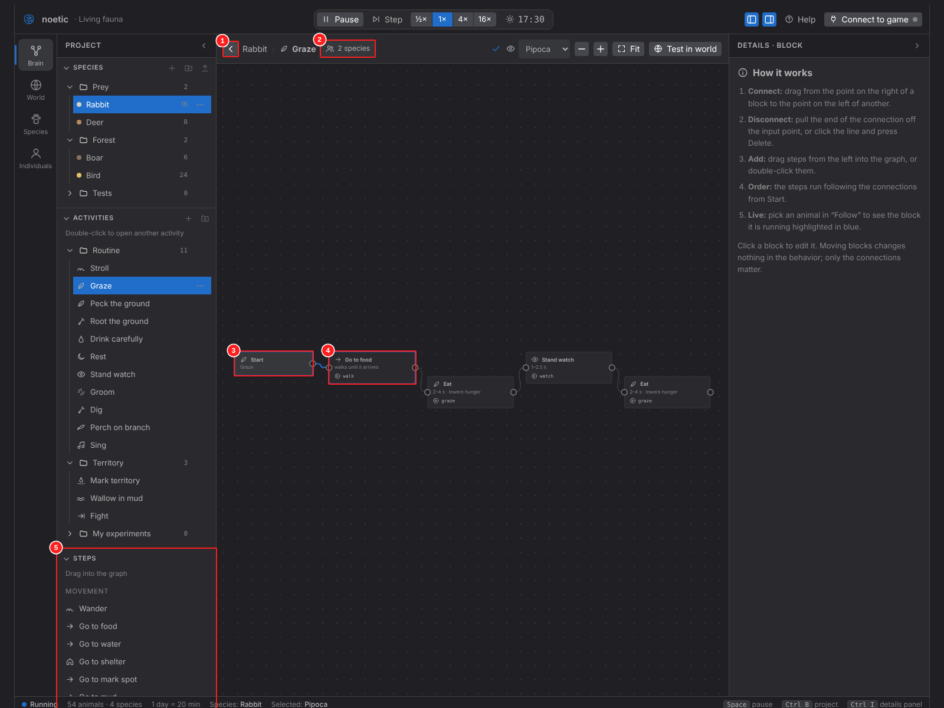

Screenshot SCR-04b — Step block selected (items 6–9)
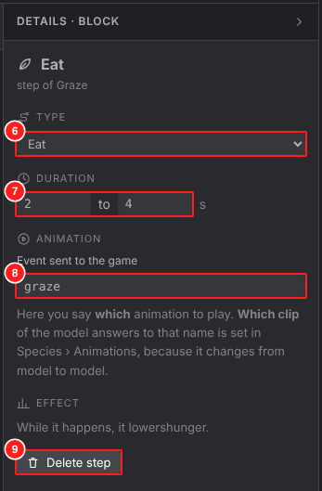

Item definitions
No. | Item ID | Object name | Type | Name | On-screen label | Description | Behavior / event | Input rule / range | Related FR | Detailed design ref.
1 | SCR-04-01 | btnBack | Icon button | Back | ‹ | Returns to the species graph. | Click → SCR-02. |  | FR-107 | API-BRN-015
2 | SCR-04-02 | chpShared | Chip | Shared activity | 2 species | Warns that editing changes every species that uses it. | Hover lists the species. |  | FR-114 | API-BRN-024
3 | SCR-04-03 | nodStart | Graph node | Start block | Start | Start of the step sequence. |  |  | FR-107 | API-BRN-021
4 | SCR-04-04 | nodStep | Graph node | Step block | Go to food · walks until it arrives | One step: type, duration and animation event. | Click → step details. |  | FR-108 | API-BRN-021, API-BRN-016
5 | SCR-04-05 | accStepLib | List (accordion) | Step library | Steps | Step types grouped by kind (move, act, mark…). Drag into the sequence. | Drag → graph. |  | FR-111 | API-BRN-008
6 | SCR-04-06 | selStepType | Dropdown | Step type | Tipo | What the step does (walk, sniff, watch, go to food/water/shelter, eat, drink, rest, dig, mark…). |  |  | FR-108 | API-BRN-017
7 | SCR-04-07 | numStepDuration | Number inputs (min–max) | Duration | Duration (min – max) | Random duration between min and max seconds. |  | 0.1–120 s, min ≤ max | FR-108 | API-BRN-017
8 | SCR-04-08 | txtAnimEvent | Text input | Animation event | Event sent to the game | Name of the animation event sent to the game while the step runs. | Listed in the animation list (DLG-05). | snake_case, may be empty | FR-108, FR-312 | API-BRN-017
9 | SCR-04-09 | btnDeleteStep | Button | Delete step | Apagar passo | Removes the step and reconnects its neighbours. |  |  | FR-707 | API-BRN-009

SCR-05
SCR-05 World — Simulation |  |  |  |  |  |  |  |  |  | ← Contents

Screen ID |  | SCR-05
Name |  | World — Simulation
Area |  | World
Purpose |  | Top-down 2D test world: watch animals live, place stimuli and change the time of day.
Opened from |  | Area bar → World; "Test in world"
Related FR |  | FR-201 – FR-210, FR-213

Screenshot SCR-05 — World area (items 1–20)
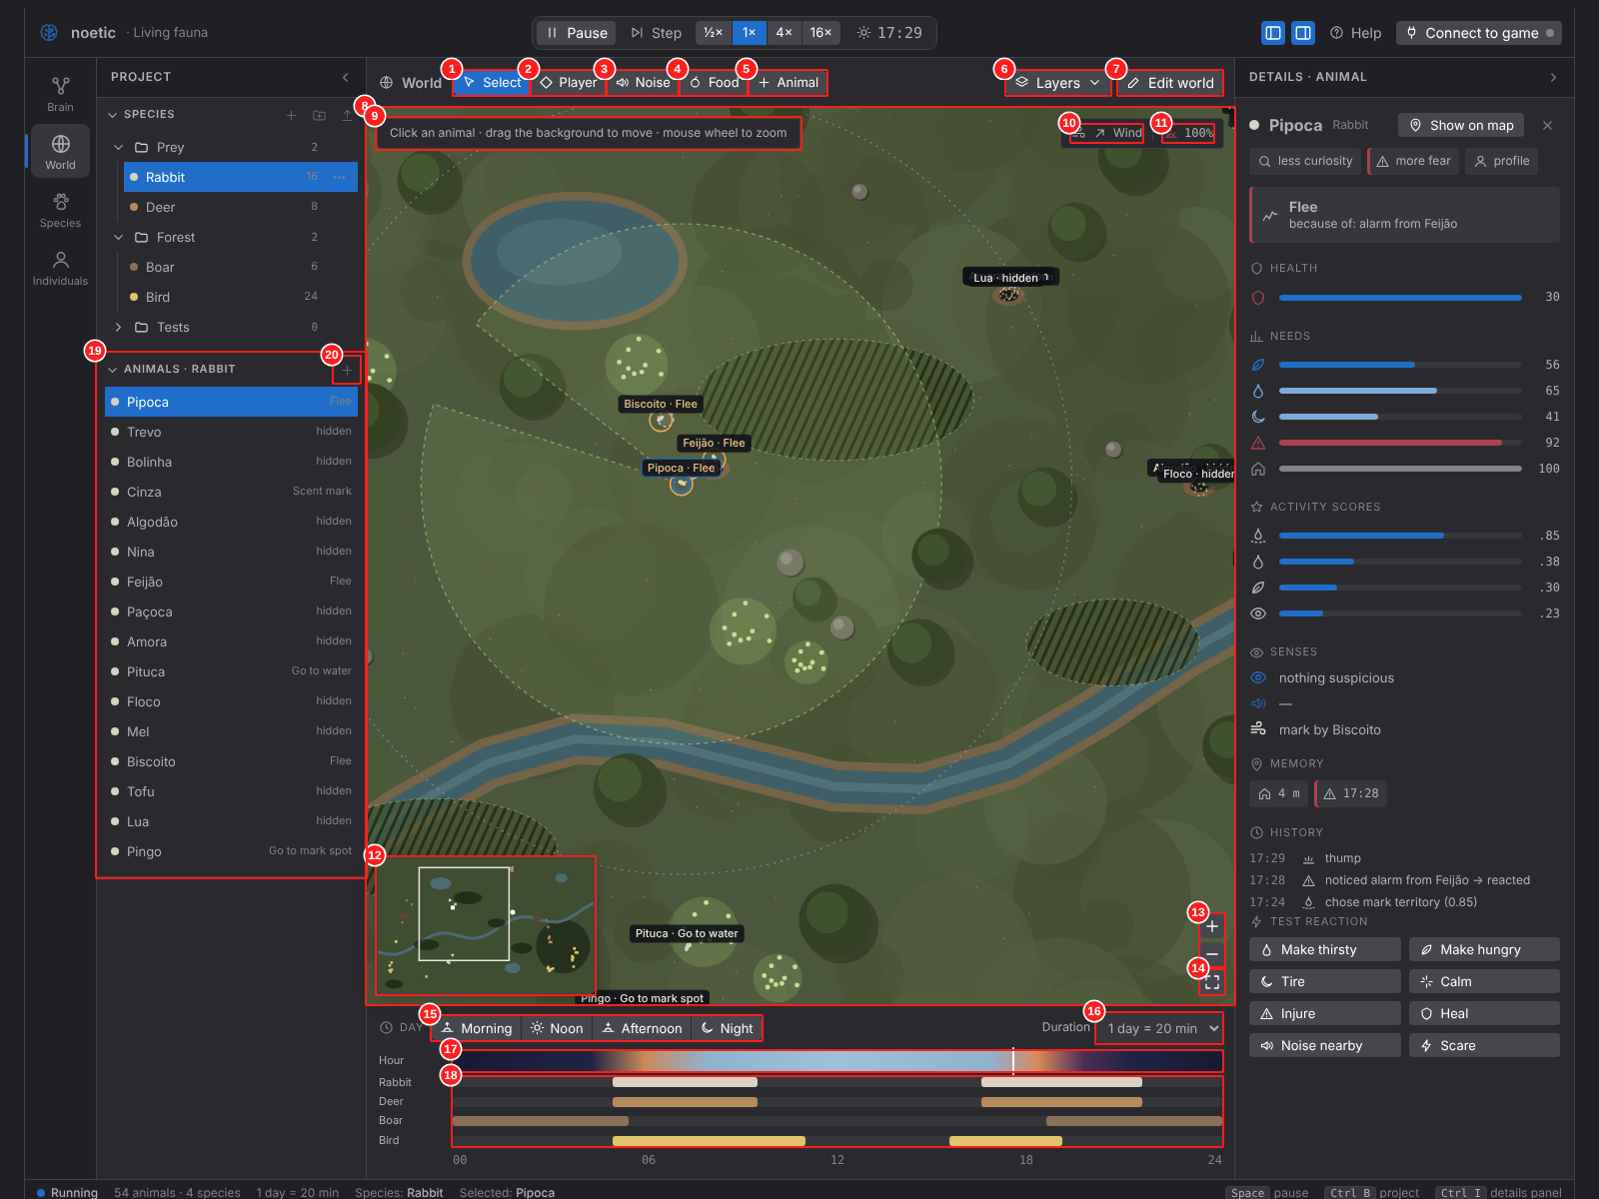

Item definitions
No. | Item ID | Object name | Type | Name | On-screen label | Description | Behavior / event | Input rule / range | Related FR | Detailed design ref.
1 | SCR-05-01 | btnToolSelect | Tool button | Select tool | Select | Click an animal to inspect it; drag the background to pan. |  |  | FR-206 | API-WLD-003, API-WLD-014
2 | SCR-05-02 | btnToolPlayer | Tool button | Test player tool | Player | Places a test player; standing/walking and tall-grass cover change how it is perceived. |  |  | FR-206 | API-WLD-003, API-WLD-004
3 | SCR-05-03 | btnToolNoise | Tool button | Noise tool | Noise | Click to make a noise at that point. |  |  | FR-206 | API-WLD-003, API-WLD-004
4 | SCR-05-04 | btnToolFood | Tool button | Food tool | Food | Click to drop food. |  |  | FR-206 | API-WLD-003, API-WLD-004
5 | SCR-05-05 | btnToolAddAnimal | Tool button | Add animal tool | Animal | Click to spawn an animal of the chosen species. | Species chosen in a dropdown when the tool is active. |  | FR-206 | API-WLD-003, API-WLD-005
6 | SCR-05-06 | btnLayers | Dropdown button | Layers | Layers | Opens the layers menu (SCR-08). |  |  | FR-207 | API-WLD-007
7 | SCR-05-07 | btnEditWorld | Button | Edit world | Edit world | Switches to world edit mode (SCR-07). |  |  | FR-209 | API-WLD-008
8 | SCR-05-08 | cnvWorld | Canvas | World view |  | Colored top-down map with terrain, animals, vision cones, marks and labels. | Wheel: zoom. Drag: pan. Click: tool action. |  | FR-201, FR-213 | API-WLD-015, API-WLD-001
9 | SCR-05-09 | lblHint | Label | Tool hint | Clique num animal · … | One-line help for the active tool. |  |  | FR-703 | API-WLD-003
10 | SCR-05-10 | btnWind | Button | Wind direction | Wind ↗ | Rotates the wind direction (affects smell). | Click rotates 45°. |  | FR-208 | API-WLD-006
11 | SCR-05-11 | lblLight | Label | Light level | 100% | Current light from the time of day. | Read only. |  | FR-205 | API-SIM-006
12 | SCR-05-12 | cnvMinimap | Canvas | Minimap |  | Whole world; the rectangle is the current view. | Click moves the camera. |  | FR-202 | API-WLD-002
13 | SCR-05-13 | btnWorldZoom | Icon buttons | Zoom in / out | + − | Zoom the world view. |  |  | FR-202 | API-WLD-001
14 | SCR-05-14 | btnWorldFit | Icon button | View whole world |  | Fits the whole map. |  |  | FR-202 | API-WLD-001
15 | SCR-05-15 | segTimePresets | Button group | Time shortcuts | Morning · Noon · Afternoon · Night | Jump the clock to morning, noon, afternoon or night. |  |  | FR-204 | API-WLD-018
16 | SCR-05-16 | selDayLength | Dropdown | Day length | 1 dia = 5 min | Real minutes per world day. |  | 5, 10, 20, 40 min | FR-204 | API-SIM-005
17 | SCR-05-17 | barSky | Timeline bar | Day/night bar | Hour | 24 h light gradient; the marker shows the current time. | Click jumps to that hour. |  | FR-204 | API-WLD-016, API-SIM-004
18 | SCR-05-18 | lstSpeciesActivity | Timeline lanes | Species activity bands | Rabbit, Deer … | Hours when each species is active (from its routine). | Read only. |  | FR-204, FR-510 | API-WLD-016, API-COR-019
19 | SCR-05-19 | accAnimals | List (accordion) | Animals of the species | Animals · Rabbit | Every animal of the selected species with what it is doing. | Click selects (camera follows). |  | FR-211 | API-WLD-017, API-WLD-014
20 | SCR-05-20 | btnSpawnOne | Icon button | Spawn one more | + | Adds one animal of this species near its shelter. |  |  | FR-206 | API-WLD-005

SCR-07
SCR-07 World — Edit Mode |  |  |  |  |  |  |  |  |  | ← Contents

Screen ID |  | SCR-07
Name |  | World — Edit Mode
Area |  | World
Purpose |  | Change the terrain while animals keep living.
Opened from |  | "Edit world" in SCR-05
Related FR |  | FR-209, FR-210

Screenshot SCR-07 — World edit mode (items 1–7)
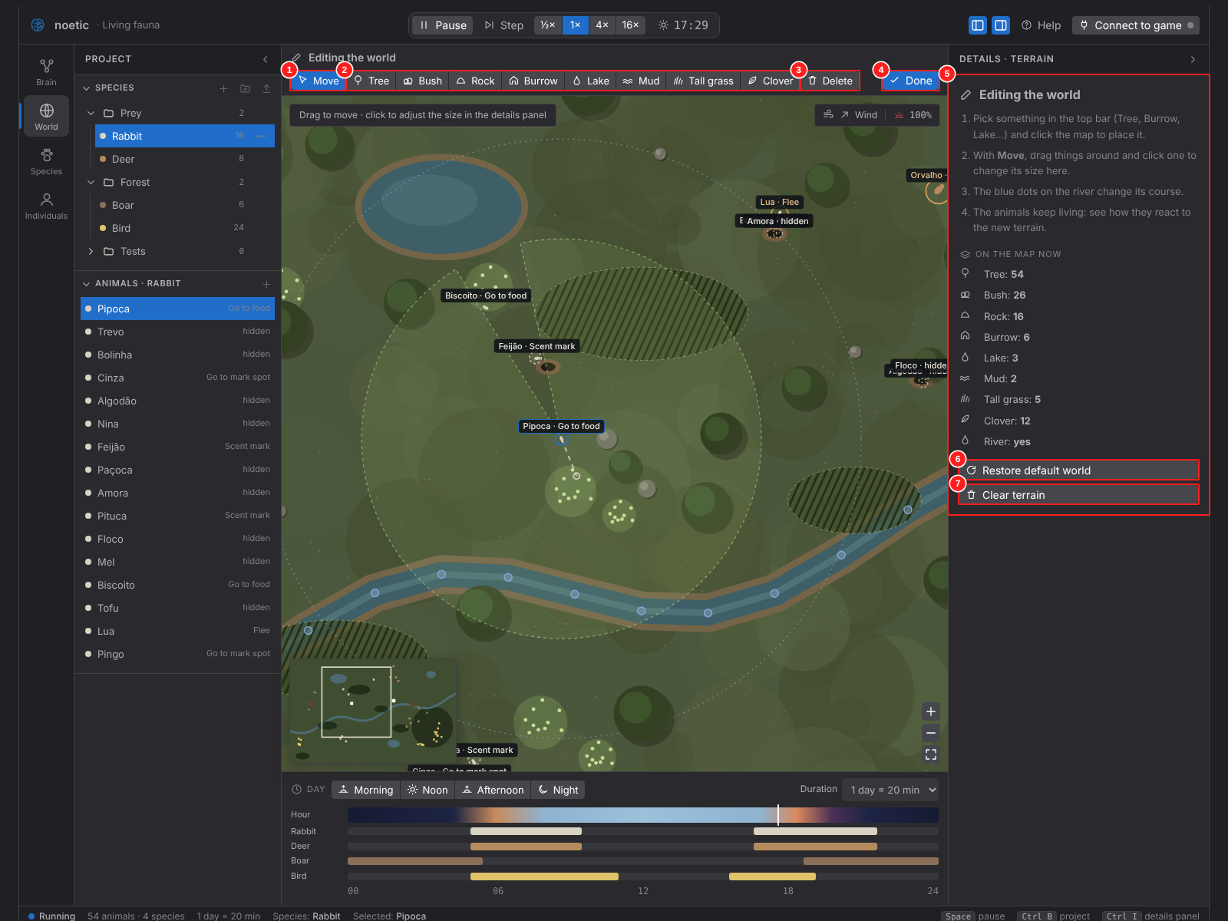

Item definitions
No. | Item ID | Object name | Type | Name | On-screen label | Description | Behavior / event | Input rule / range | Related FR | Detailed design ref.
1 | SCR-07-01 | btnBrushMove | Tool button | Move | Move | Drag items to move; handles resize. |  |  | FR-209 | API-WLD-010
2 | SCR-07-02 | segBrushes | Tool buttons | Place brushes | Tree, Bush, Rock, Burrow, Lake, Mud, Tall grass, Clover | Click on the map places the item. |  |  | FR-209 | API-WLD-009
3 | SCR-07-03 | btnBrushErase | Tool button | Erase | Delete | Click an item to delete it. | Undo with Ctrl+Z. |  | FR-209, FR-707 | API-WLD-011
4 | SCR-07-04 | btnDoneEditing | Button (primary) | Done | Done | Leaves edit mode. |  |  | FR-209 | API-WLD-008
5 | SCR-07-05 | pnlTerrainDetails | Panel | Terrain details | Details · terrain | Properties of the selected terrain item (size, type). |  |  | FR-209 | API-WLD-010
6 | SCR-07-06 | btnWorldReset | Button | Restore default world | Restore default world | Rebuilds the default map. | Undo available. |  | FR-209 | API-WLD-012
7 | SCR-07-07 | btnWorldClear | Button | Clear terrain | Clear terrain | Removes every terrain item. | Undo available. |  | FR-209 | API-WLD-013

SCR-08
SCR-08 World — Layers Menu |  |  |  |  |  |  |  |  |  | ← Contents

Screen ID |  | SCR-08
Name |  | World — Layers Menu
Area |  | World
Purpose |  | Toggle debug overlays on the map.
Opened from |  | "Layers" in SCR-05
Related FR |  | FR-207

Screenshot SCR-08 — Layers menu (items 1–6)
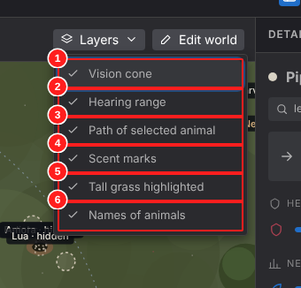

Item definitions
No. | Item ID | Object name | Type | Name | On-screen label | Description | Behavior / event | Input rule / range | Related FR | Detailed design ref.
1 | SCR-08-01 | chkLayerVision | Menu checkbox | Vision cone | Vision cone | Shows the selected animal's vision cone. |  |  | FR-207 | API-WLD-007
2 | SCR-08-02 | chkLayerHearing | Menu checkbox | Hearing range | Hearing range | Shows hearing radius. |  |  | FR-207 | API-WLD-007
3 | SCR-08-03 | chkLayerPath | Menu checkbox | Path | Path of selected animal | Shows the planned path. |  |  | FR-207 | API-WLD-007
4 | SCR-08-04 | chkLayerMarks | Menu checkbox | Scent marks | Scent marks | Shows scent marks. |  |  | FR-207 | API-WLD-007
5 | SCR-08-05 | chkLayerCover | Menu checkbox | Cover | Tall grass highlighted | Highlights tall grass (cover). |  |  | FR-207 | API-WLD-007
6 | SCR-08-06 | chkLayerNames | Menu checkbox | Names | Names of animals | Shows animal names and actions. |  |  | FR-207 | API-WLD-007

SCR-09
SCR-09 Species — Body |  |  |  |  |  |  |  |  |  | ← Contents

Screen ID |  | SCR-09
Name |  | Species — Body
Area |  | Species
Purpose |  | Identity, health and locomotion of a species.
Opened from |  | Area bar → Species
Related FR |  | FR-303 – FR-306

Screenshot SCR-09 — Species page, Body tab (items 1–17)
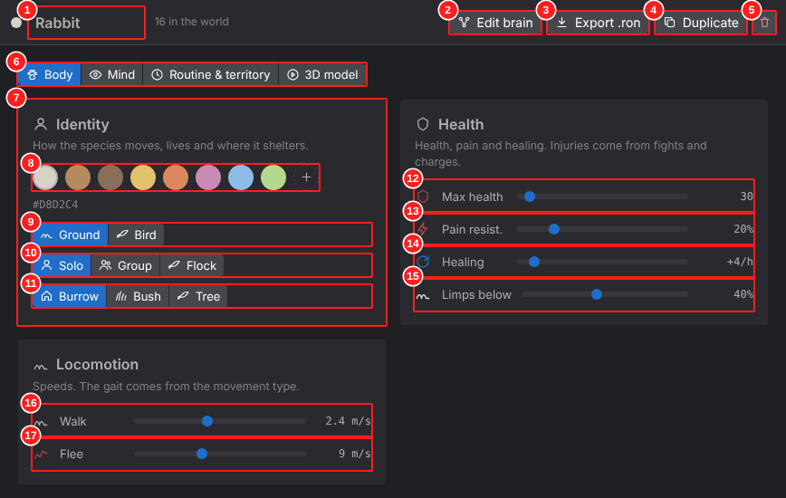

Item definitions
No. | Item ID | Object name | Type | Name | On-screen label | Description | Behavior / event | Input rule / range | Related FR | Detailed design ref.
1 | SCR-09-01 | txtSpeciesName | Text input | Species name | Rabbit | Name of the species. | Edit renames everywhere. | Required, unique, 1–40 chars | FR-303 | API-PRJ-002
2 | SCR-09-02 | btnEditBrain | Button | Edit brain | Edit brain | Opens this species in the Brain area. | Click → SCR-02. |  | FR-101 | API-APP-001
3 | SCR-09-03 | btnExportRon | Button | Export .ron | Export .ron | Opens the export dialog. | Click → DLG-02. |  | FR-601 | API-APP-003, API-IO-001
4 | SCR-09-04 | btnDuplicateSpecies | Button | Duplicate | Duplicate | Creates a copy of the species. |  |  | FR-301 | API-SPC-003
5 | SCR-09-05 | btnDeleteSpecies | Icon button | Delete species |  | Deletes the species and its animals. | Undo available. |  | FR-302, FR-707 | API-SPC-004
6 | SCR-09-06 | tabSpecies | Tab bar | Species tabs | Body · Mind · Routine & territory · 3D model | Four groups of settings. |  |  | FR-304 – FR-311 | API-SPC-012
7 | SCR-09-07 | crdIdentity | Card | Identity | Identity | Color, movement type, group and shelter. |  |  | FR-304 | API-SPC-001
8 | SCR-09-08 | palColor | Color palette + picker | Color |  | Preset swatches plus "+" for any color (native picker). The hex is shown below. |  | #RRGGBB | FR-304 | API-SPC-001
9 | SCR-09-09 | segMovement | Segmented control | Movement | Ground · Bird | Ground or bird. |  |  | FR-304 | API-SPC-001
10 | SCR-09-10 | segGroup | Segmented control | Group | Solo · Group · Flock | Solitary, group with leader, flock. |  |  | FR-304, FR-505 | API-SPC-001
11 | SCR-09-11 | segShelter | Segmented control | Shelter | Burrow · Bush · Tree | Where it hides and rests. |  |  | FR-304 | API-SPC-001
12 | SCR-09-12 | sldMaxHealth | Slider | Max health | Max health | Health points. |  | 5–200 | FR-305 | API-SPC-001
13 | SCR-09-13 | sldPainResist | Slider | Pain resistance | Pain resist. | How much damage turns into fear. |  | 0–100 % | FR-305 | API-SPC-001
14 | SCR-09-14 | sldHealRate | Slider | Healing | Healing | Health recovered per game hour (faster when resting). |  | 0–20 /h | FR-305 | API-SPC-001
15 | SCR-09-15 | sldLimpThreshold | Slider | Limp threshold | Limps below | Below this health % the animal limps (slower). |  | 0–100 % | FR-305 | API-SPC-001
16 | SCR-09-16 | sldWalkSpeed | Slider | Walk speed | Walk | Normal speed. |  | 0.2–8 m/s | FR-306 | API-SPC-001
17 | SCR-09-17 | sldFleeSpeed | Slider | Flee speed | Flee | Speed when fleeing. |  | 1–20 m/s | FR-306 | API-SPC-001

SCR-10
SCR-10 Species — Mind |  |  |  |  |  |  |  |  |  | ← Contents

Screen ID |  | SCR-10
Name |  | Species — Mind
Area |  | Species
Purpose |  | Senses, needs and base personality.
Opened from |  | Species tabs → Mind
Related FR |  | FR-307 – FR-309

Screenshot SCR-10 — Species page, Mind tab (items 1–12)
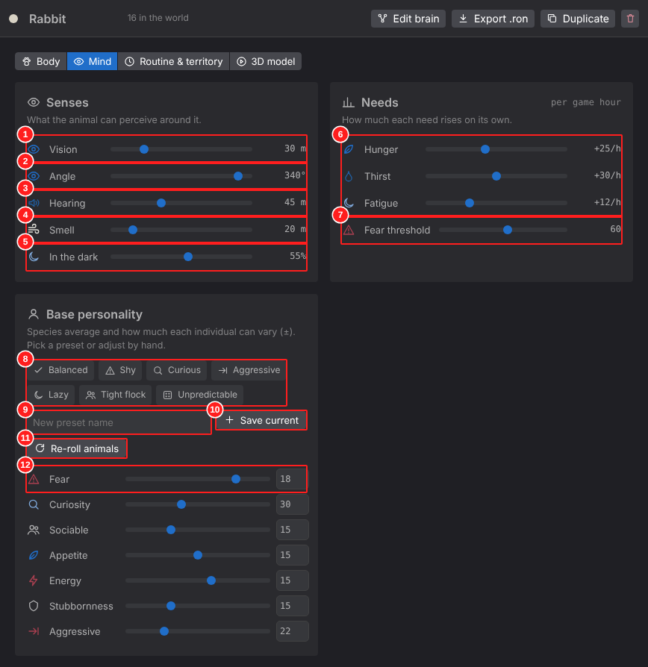

Item definitions
No. | Item ID | Object name | Type | Name | On-screen label | Description | Behavior / event | Input rule / range | Related FR | Detailed design ref.
1 | SCR-10-01 | sldVisionRange | Slider | Vision range | Vision |  |  | 0–100 m | FR-307 | API-SPC-001
2 | SCR-10-02 | sldVisionAngle | Slider | Vision angle | Angle |  |  | 30–360° | FR-307 | API-SPC-001
3 | SCR-10-03 | sldHearing | Slider | Hearing | Hearing |  |  | 0–100 m | FR-307 | API-SPC-001
4 | SCR-10-04 | sldSmell | Slider | Smell | Smell | Range with wind in favor. |  | 0–100 m | FR-307, FR-208 | API-SPC-001
5 | SCR-10-05 | sldNightVision | Slider | Night vision | In the dark | Share of vision kept at night. |  | 0–100 % | FR-307, FR-205 | API-SPC-001
6 | SCR-10-06 | sldNeedRates | Sliders | Need rates | Hunger, Thirst, Fatigue | How fast each need rises per game hour. |  | 0–60 /h | FR-308 | API-SPC-001
7 | SCR-10-07 | sldFearThreshold | Slider | Fear threshold | Fear threshold | Fear level that triggers the threat branch. |  | 0–100 | FR-308, FR-503 | API-BRN-011
8 | SCR-10-08 | chpPresets | Chips | Personality presets | Balanced, Shy, Curious, Aggressive, Lazy, Tight flock, Unpredictable | Apply a ready-made trait set. User presets appear here too (× deletes). |  |  | FR-309 | API-SPC-005, API-SPC-007
9 | SCR-10-09 | txtPresetName | Text input | New preset name | New preset name |  |  | 1–30 chars | FR-309 | API-SPC-006
10 | SCR-10-10 | btnSavePreset | Button | Save current as preset | Save current | Saves the current values as a preset. |  |  | FR-309 | API-SPC-006
11 | SCR-10-11 | btnRerollAll | Button | Re-roll animals | Re-roll animals | Draws new personalities for spawned animals that are not locked. |  |  | FR-309, FR-403 | API-SPC-008
12 | SCR-10-12 | rowTraitBase | Slider + number | Trait mean ± variation | Fear … ± | Slider = species mean; number = variation (±) used when generating individuals. |  | mean 0–100, ± 0–50 | FR-309 | API-SPC-001

SCR-11
SCR-11 Species — Routine & Territory |  |  |  |  |  |  |  |  |  | ← Contents

Screen ID |  | SCR-11
Name |  | Species — Routine & Territory
Area |  | Species
Purpose |  | Daily routine and scent marking.
Opened from |  | Species tabs → Routine & territory
Related FR |  | FR-310

Screenshot SCR-11 — Species page, Routine & territory tab (items 1–6)
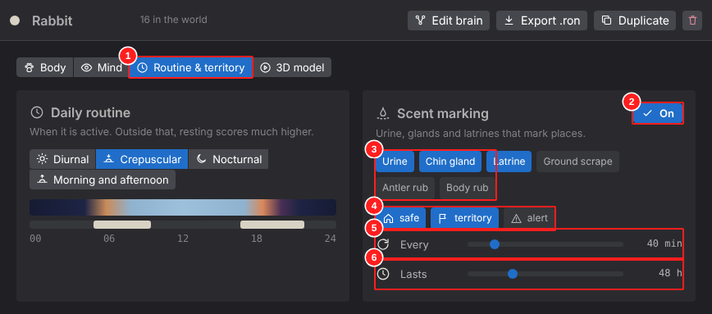

Item definitions
No. | Item ID | Object name | Type | Name | On-screen label | Description | Behavior / event | Input rule / range | Related FR | Detailed design ref.
1 | SCR-11-01 | segRoutine | Segmented control | Routine | Diurnal · Crepuscular · Nocturnal · Morning and afternoon | Active hours of the species. |  |  | FR-310, FR-510 | API-SPC-001
2 | SCR-11-02 | tglMarking | Toggle button | Scent marking on/off | On |  |  |  | FR-310, FR-506 | API-SPC-001
3 | SCR-11-03 | chpMarkTypes | Toggle chips | Mark types | Urine, Chin gland, Latrine, Ground scrape, Antler rub, Body rub | Which kinds of marks the species leaves. |  |  | FR-310 | API-SPC-001
4 | SCR-11-04 | chpMarkMeaning | Toggle chips | Meaning | safe · territory · alert | What the mark means to others. |  |  | FR-310 | API-SPC-001
5 | SCR-11-05 | sldMarkFrequency | Slider | Frequency | Every | Minutes between marks. |  | 5–240 min | FR-310 | API-SPC-001
6 | SCR-11-06 | sldMarkLifetime | Slider | Lifetime | Lasts | Hours a mark lasts. |  | 1–168 h | FR-310 | API-SPC-001

SCR-12
SCR-12 Species — 3D Model |  |  |  |  |  |  |  |  |  | ← Contents

Screen ID |  | SCR-12
Name |  | Species — 3D Model
Area |  | Species
Purpose |  | Map animation events to clips of the 3D model.
Opened from |  | Species tabs → Modelo 3D
Related FR |  | FR-311, FR-312

Screenshot SCR-12 — Species page, 3D model tab (items 1–3)
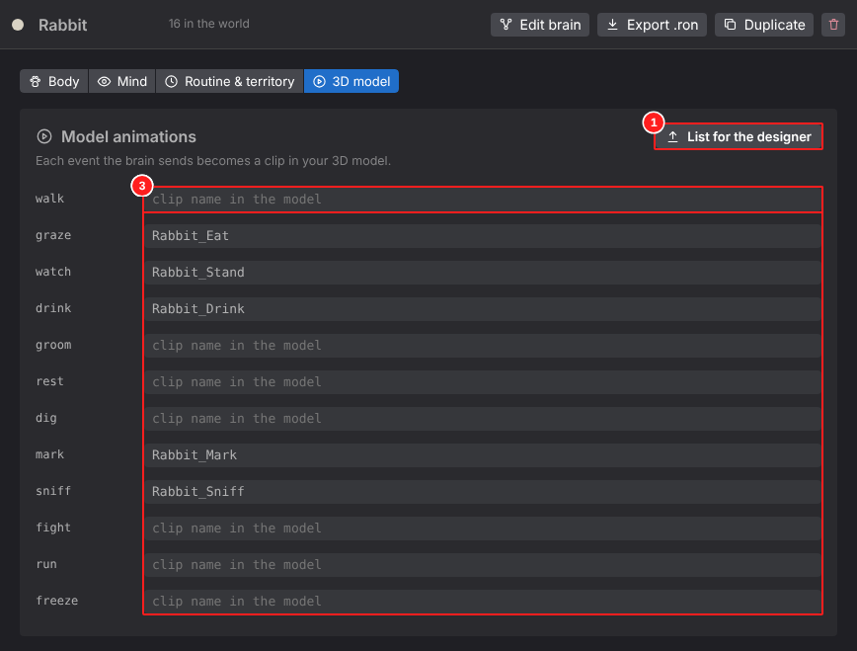

Item definitions
No. | Item ID | Object name | Type | Name | On-screen label | Description | Behavior / event | Input rule / range | Related FR | Detailed design ref.
1 | SCR-12-01 | btnAnimList | Button | List for the 3D designer | List for the 3D designer | Opens the animation list dialog (DLG-05). |  |  | FR-312 | API-APP-003, API-SPC-010
2 | SCR-12-02 | txtClipName | Text input | Clip name | Rabbit_Eat | Clip of the glTF model played for this event. Empty = not mapped yet. |  | Free text, must match the model | FR-311 | API-SPC-009
3 | SCR-12-03 | tblEventClips | Table of inputs | Event → clip table |  | One row per animation event used by the species. |  |  | FR-311 | API-SPC-010, API-SPC-009

SCR-13
SCR-13 Individuals — Profile |  |  |  |  |  |  |  |  |  | ← Contents

Screen ID |  | SCR-13
Name |  | Individuals — Profile
Area |  | Individuals
Purpose |  | Personality, quirks and memories of one animal.
Opened from |  | Area bar → Individuals; "profile" chip
Related FR |  | FR-401 – FR-405

Screenshot SCR-13 — Individual page (items 1–11)
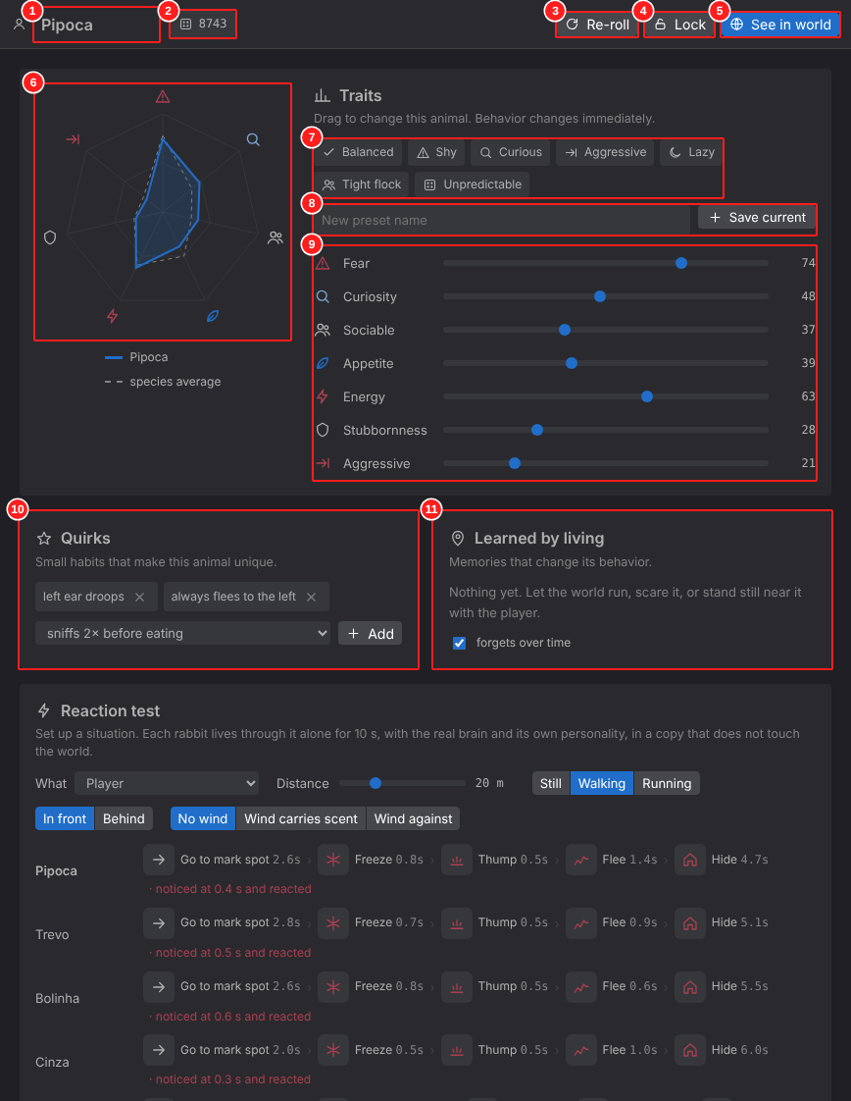

Item definitions
No. | Item ID | Object name | Type | Name | On-screen label | Description | Behavior / event | Input rule / range | Related FR | Detailed design ref.
1 | SCR-13-01 | txtAnimalName | Text input | Animal name | Pipoca |  |  |  | FR-401 | API-IND-009
2 | SCR-13-02 | chpSeed | Chip | Seed | 81762 | Seed that generated the personality (reproducible). |  |  | FR-401 | API-IND-001
3 | SCR-13-03 | btnReroll | Button | Re-roll | Re-roll | New seed and traits. | Disabled when locked. |  | FR-403 | API-IND-002
4 | SCR-13-04 | tglLock | Toggle button | Lock | Lock | Locks the personality against re-rolls. |  |  | FR-403 | API-IND-003
5 | SCR-13-05 | btnSeeInWorld | Button (primary) | See in world | See in world | Goes to the World and follows the animal. |  |  | FR-211 | API-DBG-003
6 | SCR-13-06 | imgRadar | Chart | Personality radar |  | This animal vs. species average (dashed). | Read only. |  | FR-402 | API-IND-010
7 | SCR-13-07 | chpPresetsInd | Chips | Apply preset |  | Applies a preset to this animal only. |  |  | FR-402 | API-IND-005
8 | SCR-13-08 | grpSavePresetInd | Text input + button | Save as preset | Save current |  |  |  | FR-309 | API-SPC-006
9 | SCR-13-09 | lstTraits | Sliders | Traits | Fear, Curiosity, Sociable, Appetite, Energy, Stubbornness, Aggressive | Edit this animal; the behavior changes immediately. |  | 0–100 | FR-401, FR-402 | API-IND-004
10 | SCR-13-10 | crdQuirks | Card | Quirks | Quirks | Chips with × to remove, dropdown + "Add" to add. |  |  | FR-404 | API-IND-006
11 | SCR-13-11 | crdLearned | Card | Learned by living | Learned by living | Memories with strength bars; "forget over time" checkbox. |  |  | FR-405 | API-IND-011, API-IND-007

SCR-14
SCR-14 Individuals — Reaction Test |  |  |  |  |  |  |  |  |  | ← Contents

Screen ID |  | SCR-14
Name |  | Individuals — Reaction Test
Area |  | Individuals
Purpose |  | Same stimulus, different reactions: run the real brain on isolated copies.
Opened from |  | Scroll down on SCR-13
Related FR |  | FR-406

Screenshot SCR-14 — Reaction test card (items 1–6)
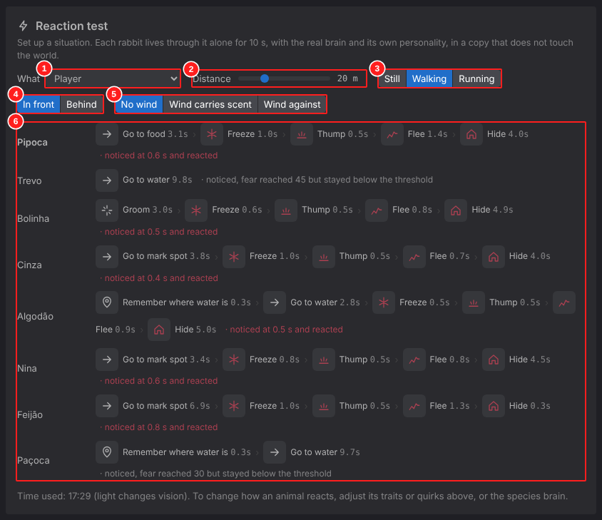

Item definitions
No. | Item ID | Object name | Type | Name | On-screen label | Description | Behavior / event | Input rule / range | Related FR | Detailed design ref.
1 | SCR-14-01 | selStimulus | Dropdown | Stimulus | What | Player, noise or another species. |  |  | FR-406 | API-IND-008
2 | SCR-14-02 | sldDistance | Slider | Distance | Distance | Meters from the animal. |  | 2–70 m | FR-406 | API-IND-008
3 | SCR-14-03 | segPlayerState | Segmented control | Player state | Still · Walking · Running | Only for the player stimulus. |  |  | FR-406 | API-IND-008
4 | SCR-14-04 | segPosition | Segmented control | Position | In front · Behind |  |  |  | FR-406 | API-IND-008
5 | SCR-14-05 | segWind | Segmented control | Wind | No wind · Wind carries scent · Wind against |  |  |  | FR-406 | API-IND-008
6 | SCR-14-06 | lstResults | Result list | Results per individual |  | Each animal of the species: sequence of steps/reactions with durations and a note. Re-runs on every change. | Read only; the world is not changed. |  | FR-406 | API-IND-008

DLG-01
DLG-01 New Species dialog |  |  |  |  |  |  |  |  |  | ← Contents

Screen ID |  | DLG-01
Name |  | New Species dialog
Area |  | Dialog
Purpose |  | Create a species from a template.
Opened from |  | btnNewSpecies; folder menu "New species here"
Related FR |  | FR-303

Screenshot DLG-01 — New species (items 1–9)
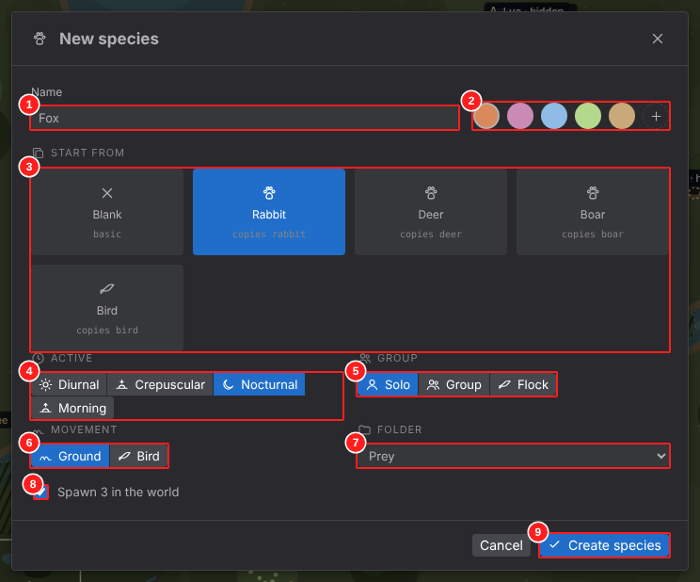

Item definitions
No. | Item ID | Object name | Type | Name | On-screen label | Description | Behavior / event | Input rule / range | Related FR | Detailed design ref.
1 | DLG-01-01 | txtNewName | Text input | Name |  |  |  | Required, unique | FR-303 | API-SPC-002
2 | DLG-01-02 | palNewColor | Color palette + picker | Color |  |  |  |  | FR-303 | API-SPC-002
3 | DLG-01-03 | lstTemplates | Card choice | Start from | Blank, Rabbit, Deer, Boar, Bird | Blank or copy of an existing species. |  |  | FR-303 | API-SPC-002
4 | DLG-01-04 | segNewRoutine | Segmented control | Routine |  |  |  |  | FR-303 | API-SPC-002
5 | DLG-01-05 | segNewGroup | Segmented control | Group |  |  |  |  | FR-303 | API-SPC-002
6 | DLG-01-06 | segNewMovement | Segmented control | Movement |  |  |  |  | FR-303 | API-SPC-002
7 | DLG-01-07 | selNewFolder | Dropdown | Folder |  |  |  |  | FR-303 | API-SPC-002
8 | DLG-01-08 | chkSpawnNow | Checkbox | Spawn animals now |  | Adds a few animals to the world after creating. |  |  | FR-303 | API-SPC-002, API-WLD-005
9 | DLG-01-09 | btnCreateSpecies | Button (primary) | Create species | Create species |  | Validates name; opens the new species. |  | FR-303 | API-SPC-002

DLG-02
DLG-02 Export .ron dialog |  |  |  |  |  |  |  |  |  | ← Contents

Screen ID |  | DLG-02
Name |  | Export .ron dialog
Area |  | Dialog
Purpose |  | Preview and copy/save the species file.
Opened from |  | btnExportRon; row menu
Related FR |  | FR-601

Screenshot DLG-02 — Export (items 1–3)
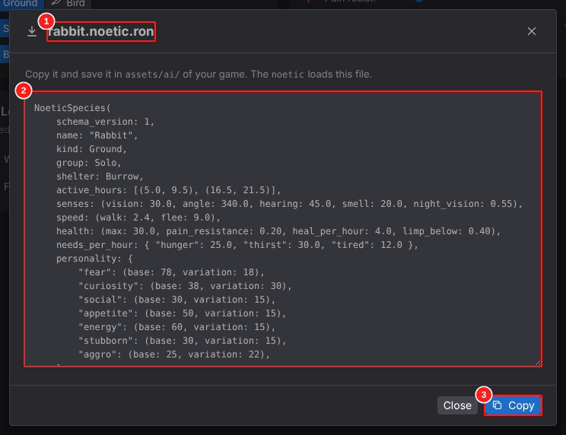

Item definitions
No. | Item ID | Object name | Type | Name | On-screen label | Description | Behavior / event | Input rule / range | Related FR | Detailed design ref.
1 | DLG-02-01 | lblFileName | Label | File name | rabbit.noetic.ron |  |  |  | FR-601 | API-IO-001
2 | DLG-02-02 | txtRonPreview | Text area (read only) | RON preview |  | Full file content. |  |  | FR-601 | API-IO-001
3 | DLG-02-03 | btnCopyRon | Button (primary) | Copy | Copiar | Copies to clipboard (desktop: save dialog). |  |  | FR-601 | API-IO-006, API-IO-007

DLG-03
DLG-03 Import .ron dialog |  |  |  |  |  |  |  |  |  | ← Contents

Screen ID |  | DLG-03
Name |  | Import .ron dialog
Area |  | Dialog
Purpose |  | Load a species from a file or pasted text.
Opened from |  | btnImportRon
Related FR |  | FR-602

Screenshot DLG-03 — Import (items 1–3)
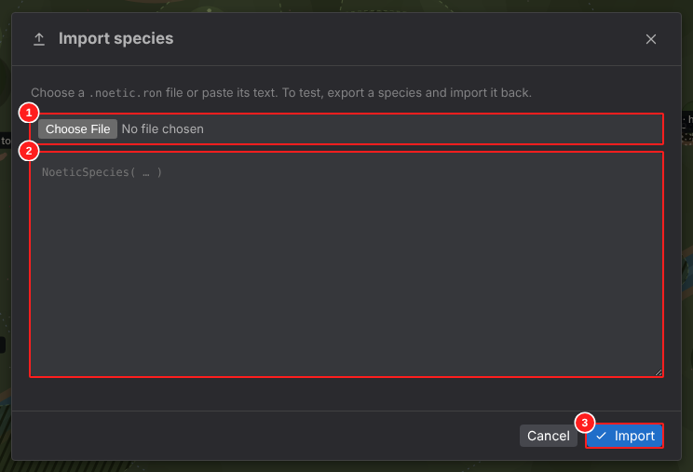

Item definitions
No. | Item ID | Object name | Type | Name | On-screen label | Description | Behavior / event | Input rule / range | Related FR | Detailed design ref.
1 | DLG-03-01 | filRon | File input | File |  |  |  | *.ron | FR-602 | API-IO-005
2 | DLG-03-02 | txtRonPaste | Text area | Pasted text |  |  |  |  | FR-602 | API-IO-005
3 | DLG-03-03 | btnDoImport | Button (primary) | Import | Import | Parses and validates; errors shown in the dialog. |  |  | FR-602 | API-IO-005, API-IO-002, API-IO-003

DLG-04
DLG-04 Connect to Game dialog |  |  |  |  |  |  |  |  |  | ← Contents

Screen ID |  | DLG-04
Name |  | Connect to Game dialog
Area |  | Dialog
Purpose |  | Remote debug connection to a running game.
Opened from |  | btnConnectGame
Related FR |  | FR-605

Screenshot DLG-04 — Connect to game (items 1–2)
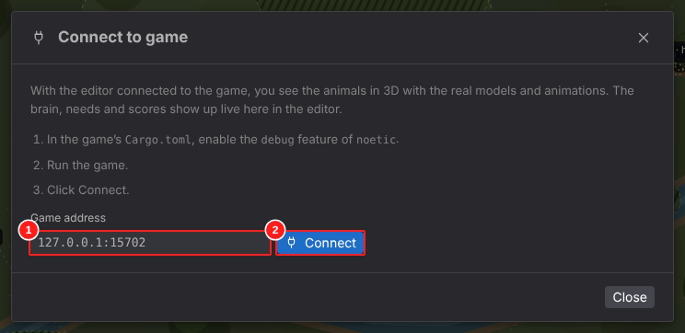

Item definitions
No. | Item ID | Object name | Type | Name | On-screen label | Description | Behavior / event | Input rule / range | Related FR | Detailed design ref.
1 | DLG-04-01 | txtAddress | Text input | Address | 127.0.0.1:15702 |  |  | host:port | FR-605 | API-NET-001
2 | DLG-04-02 | btnConnect | Button (primary) | Connect | Connect | Tries to connect; shows state. |  |  | FR-605 | API-NET-001, API-NET-002

DLG-05
DLG-05 Animation List dialog |  |  |  |  |  |  |  |  |  | ← Contents

Screen ID |  | DLG-05
Name |  | Animation List dialog
Area |  | Dialog
Purpose |  | Animation list for the 3D designer.
Opened from |  | btnAnimList (SCR-12)
Related FR |  | FR-312

Screenshot DLG-05 — Animation list (items 1–4)
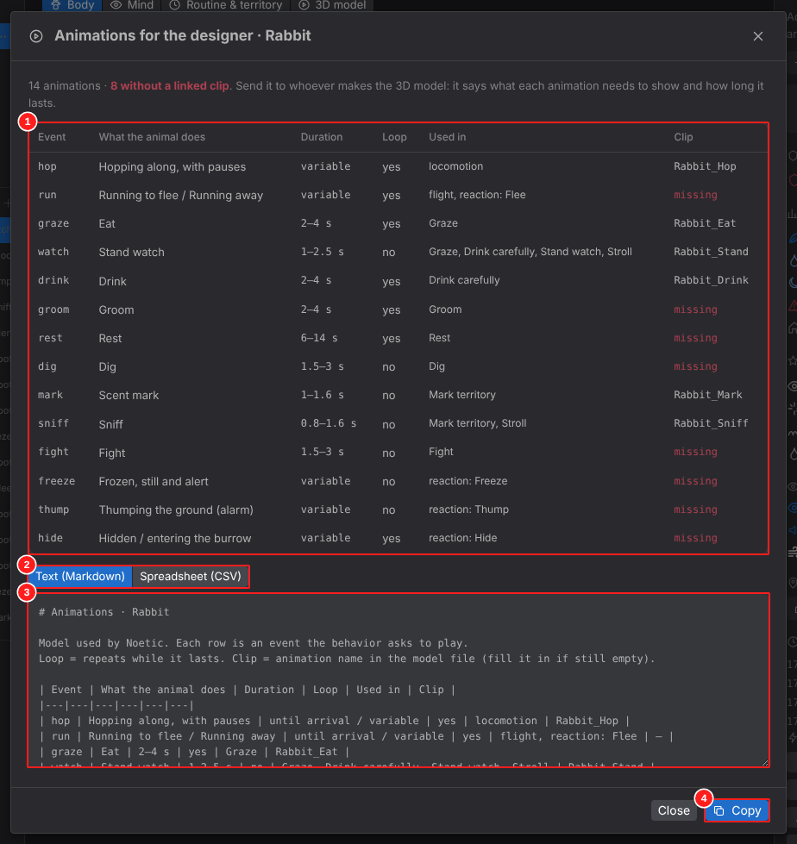

Item definitions
No. | Item ID | Object name | Type | Name | On-screen label | Description | Behavior / event | Input rule / range | Related FR | Detailed design ref.
1 | DLG-05-01 | tblAnimations | Table | Animations |  | Event, what the animal does, duration, loop, where used, clip. |  |  | FR-312 | API-SPC-010
2 | DLG-05-02 | segFormat | Segmented control | Format | Text (Markdown) · Spreadsheet (CSV) |  |  |  | FR-312 | API-SPC-011
3 | DLG-05-03 | txtSheet | Text area | Export text |  |  |  |  | FR-312 | API-SPC-011
4 | DLG-05-04 | btnCopySheet | Button (primary) | Copy | Copiar |  |  |  | FR-312 | API-IO-006

DLG-06
DLG-06 Quick Guide dialog |  |  |  |  |  |  |  |  |  | ← Contents

Screen ID |  | DLG-06
Name |  | Quick Guide dialog
Area |  | Dialog
Purpose |  | Layout explanation and shortcuts.
Opened from |  | btnHelp
Related FR |  | FR-705

Screenshot DLG-06 — Quick guide (items 1–1)
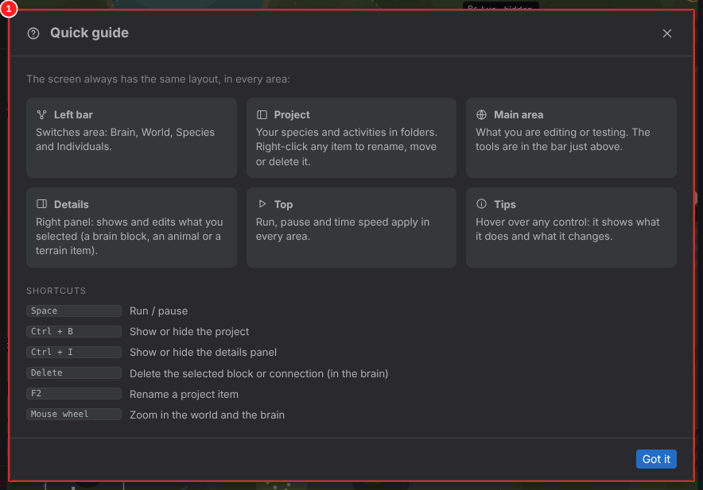

Item definitions
No. | Item ID | Object name | Type | Name | On-screen label | Description | Behavior / event | Input rule / range | Related FR | Detailed design ref.
1 | DLG-06-01 | dlgGuide | Dialog | Quick guide | Quick guide | Explains the regions and lists shortcuts. | Close: "Got it", × or Esc. |  | FR-705 | API-APP-003, API-APP-004

POP-01
POP-01 Tree Context Menu |  |  |  |  |  |  |  |  |  | ← Contents

Screen ID |  | POP-01
Name |  | Tree Context Menu
Area |  | Popup
Purpose |  | Actions on a tree item.
Opened from |  | Right-click or "…" on a Project row
Related FR |  | FR-301

Screenshot POP-01 — Context menu on a species (items 1–1)
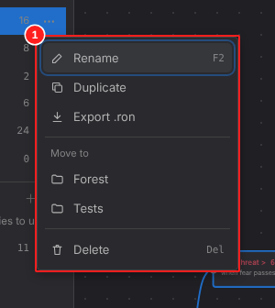

Item definitions
No. | Item ID | Object name | Type | Name | On-screen label | Description | Behavior / event | Input rule / range | Related FR | Detailed design ref.
1 | POP-01-01 | mnuTreeItem | Context menu | Item menu | Rename F2, Duplicate, Export .ron, Move to…, Delete Del | Folder rows show: new item here, rename, delete folder. |  |  | FR-301 | API-PRJ-011, API-PRJ-002, API-PRJ-003, API-PRJ-004, API-PRJ-005

POP-02
POP-02 Tooltip |  |  |  |  |  |  |  |  |  | ← Contents

Screen ID |  | POP-02
Name |  | Tooltip
Area |  | Popup
Purpose |  | Hover help on every control.
Opened from |  | Mouse over any control
Related FR |  | FR-703

Screenshot POP-02 — Tooltip on "Connect to game" (items 1–1)
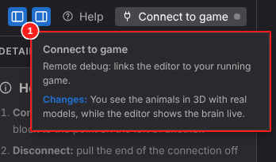

Item definitions
No. | Item ID | Object name | Type | Name | On-screen label | Description | Behavior / event | Input rule / range | Related FR | Detailed design ref.
1 | POP-02-01 | tipHover | Tooltip | Tooltip |  | Title · what it is · what it changes. | Shown after a short delay; hides on leave. |  | FR-703 | API-APP-005

