HOTEL
HOTEL YEOUBI
14, Saneup-ro 647 beon-gil, Nam-gu,
ULSAN, Korea
Tel : +82-52-267-7777
Fax : +82-52-917-8255 |  |  |  |  | HOTEL YEOUBI

Agent name : | Dongjin Shipping
Vessel name : | d |  |  | Total : |  | 1 Room

Check in Date : | 21-Mar-26 |  |  | Check out Date : |  | 23-Mar-26
 | 10:00 |  |  |  |  | 12:00
TOTAL INVOICE (HOTEL)
NO | CHECK OUT DATE | GUEST NAME |  |  |  | AMOUNT
1 | 23-Mar-26 | qwe |  |  |  | 200,000

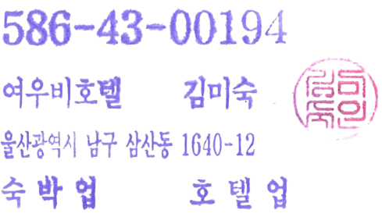

 |  |  | GRAND TOTAL |  | KRW

 |  |  | BALANCE DUE |  | KRW

I agree that my liability for this bill is not waived and agree to hold personal liability in this case that the
indicated person, company or association fails to pay for part or the whole amount of the charges.
본인은 본 청구 금액에 대해 지급 의무를 거부하지 않으며, 청구 금액의 전액 또는 일부를 지정인,
지정회사, 지정단체에서 지급하지 않을 경우 본인이 책임질 것에 동의합니다.

RESTAURANT
HOTEL RESTAURANT
14, Saneup-ro 647 beon-gil, Nam-gu,
ULSAN, Korea
Tel : +82-52-267-7777
Fax : +82-52-917-8255 |  |  |  |  | HOTEL YEOUBI

Agent name : | Dongjin Shipping
Vessel name : | d |  |  | Total : |  | 1 Person

Check in Date : | 21-Mar-26 |  |  | Check out Date : |  | 23-Mar-26
 | 10:00 |  |  |  |  | 12:00
TOTAL INVOICE (RESTAURANT)
NO | CHECK OUT DATE | GUEST NAME |  |  |  | AMOUNT
1 | 23-Mar-26 | qwe |  |  |  | 150,000

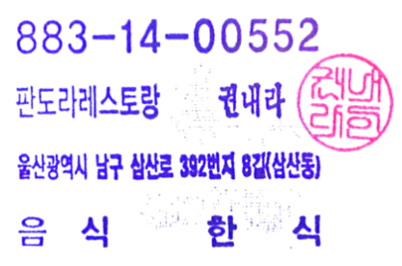

 |  |  | GRAND TOTAL |  | KRW

 |  |  | BALANCE DUE |  | KRW

I agree that my liability for this bill is not waived and agree to hold personal liability in this case that the
indicated person, company or association fails to pay for part or the whole amount of the charges.
본인은 본 청구 금액에 대해 지급 의무를 거부하지 않으며, 청구 금액의 전액 또는 일부를 지정인,
지정회사, 지정단체에서 지급하지 않을 경우 본인이 책임질 것에 동의합니다.

