Sheet1
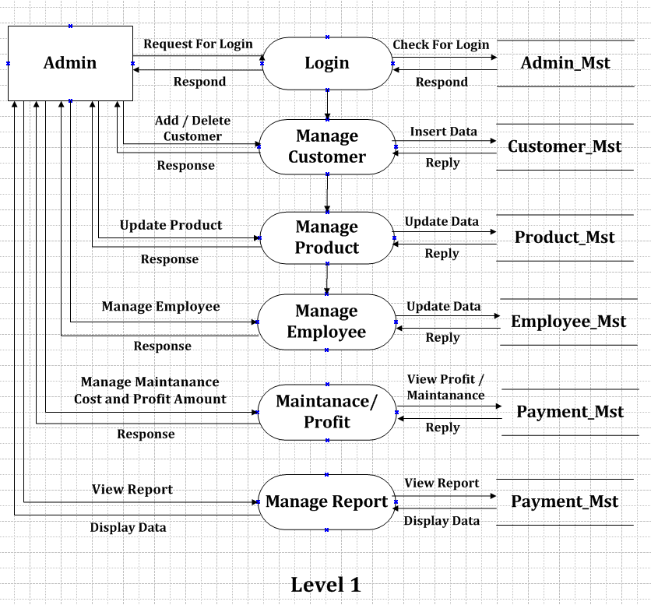
Project Title | Vehicle Accessory Management System

Back-End | Sql Server
Front-End | Visual Studio 2015

Project Partner | Dhruv Prajapati

Role of project partner | Front-End

Data Dictionry

MASTER

Table Name | Colume Name | Key or Not Null | Data Type | Remark
Customer | Id | Primary Key / Not Null | Number | ~
 | Name | Not Null | Varchar | ~
 | Address | Not Null | Varchar | ~
 | Mobile No. | Not Null | Number | ~
 | GST_Number | Primary Key | Varchar | ~
 | AdharCard_No | Primary Key / Not Null | Number | ~

Vehicle | Id | Primary Key / Not Null | Number | ~
 | Vehicle_Number | Primary Key / Not Null | Varchar | ~
 | Company_Name | Not Null | Varchar | ~
 | Vehicle Owner | Not Null | Varchar | Fereinge Key (Customer)

Product | Id | Primary Key / Not Null | Number | ~
 | Product_Name | Not Null | Varchar | ~
 | Product_Quality | Not Null | Varchar | ~
 | Product_Qty | Not Null | Number | ~
 | Vehicle_Name | Not Null | Varchar | Foreinge Key (Vehicle)
 | Price | Not Null | Number | ~

Dealer | Id | Primary Key / Not Null | Number | ~
 | GST_Number | Primary Key / Not Null | Number | ~
 | Dealer_Name | Not Null | Varchar | ~
 | Product_Qty | Not Null | Number | Foreinge Key (Product)
 | Product_Name | Not Null | Varchar | Foreinge Key (Product)
 | Amount | Not Null | Number | ~

Admin_MST | Username | Primary Key / Not Null | Varchar | ~
 | Password | Not Null | Varchar | ~

Shop | Id | Primary Key / Not Null | Varchar | ~
 | Shop_Owner | Not Null | Varchar | ~
 | Shop_Name | Not Null | Varchar | ~
 | Address | Not Null | Varchar | ~
 | GST_Number | Primary Key / Not Null | Varchar | ~

Employee | Id | Primary Key / Not Null | Varchar | ~
 | Emp_Name | Not Null | Varchar | ~
 | Designation | Not Null | Varchar | ~
 | Salary | Not Null | Number | ~
 | Mobile_Number | Not Null | Number | ~
 | Address | Not Null | Varchar | ~

Payment | Id | Primary Key / Not Null | Number | ~
 | Customer_Name | Not Null | Varchar | Foreinge Key(Customer)
 | Product_Name | Not Null | Varchar | Foreinge Key(Product)
 | Product_Qty | Not Null | Number | Foreinge Key(Product)
 | Amount | Not Null | Number | ~
 | GST_Number | ~ | Varchar | Foreinge Key(Customer)

Context Level DFD

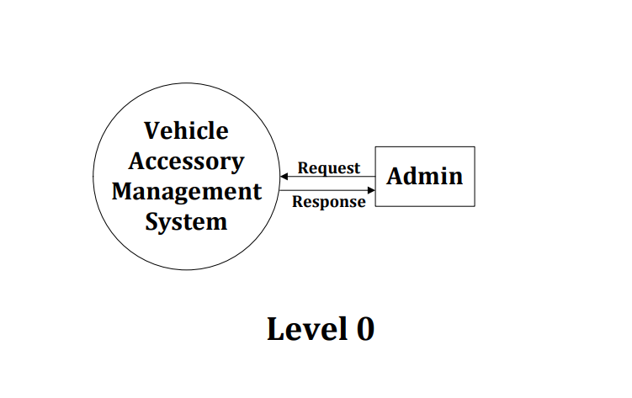

Level 1 DFD

