Druid picture
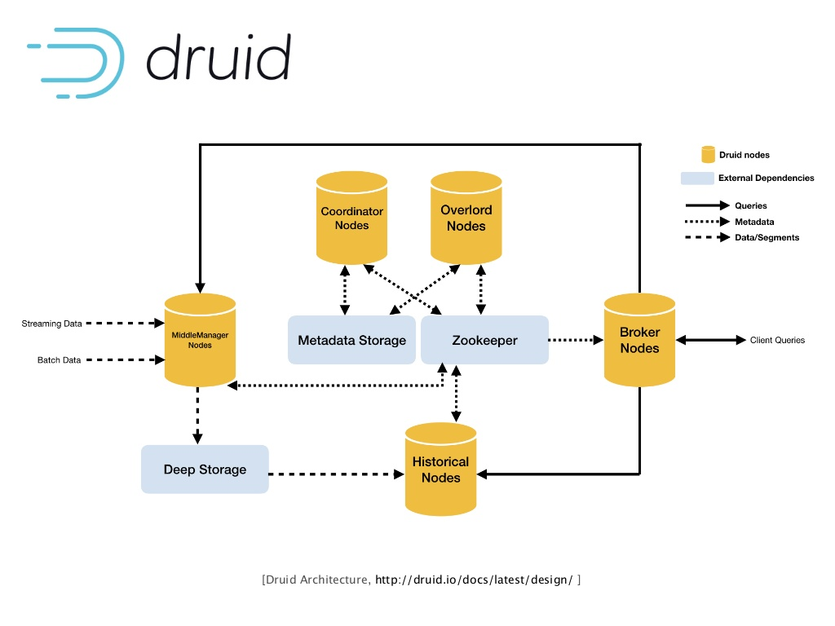

Sheet2
derived data source disposition (with fabric VL measurement)
Facilities | 18.201388889
CDU-Domain | 960
Rack | 2112
Enclosure | 47692.8
Node | 2286811.5456
Network | 6830592
Storage | 5861.8
FEN | 1060.8264

 | 9175109.1734

