Introduction


CROSS INDUSTRY PROCESS CLASSIFICATION FRAMEWORK

VERSION NUMBER 7.0.3 GENERATED ON 2/2/2016

For more information about the PCF, visit www.apqc.org/pcf

About
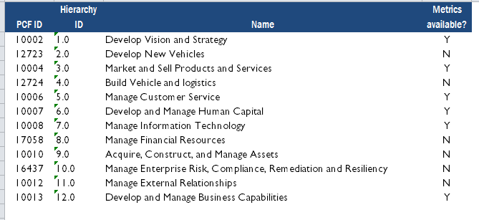
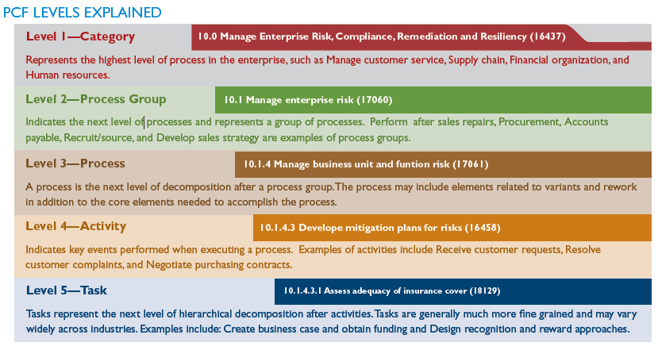
UNDERSTANDING THIS FILE
This file represents a "flat" Excel-based version of the PCF. It includes a number of worksheets intended to communicate the various aspects of the framework necessary to interpret it and make full use of its intended capabilities.
These pages illustrate the configuration of this file. If you have further questions, please contact APQC directly on pcf_feedback@apqc.org or +1-713-681-4020.
PCF ID is the unique identifier assigned to the specific element on each row. The PCF ID is used throughout APQC's open standards benchmarking as a way to relate measures, questions, and other materials back to specific parts of the PCF. The PCF ID for a process element is aligned to the specific concept identified by the process element. It will be consistent across releases as long as the conceptual meaning does not change.
Hierarchy ID is the human-readable index number corresponding to this specific process element on each row. This number will not be consistent across releases - meaning that a process element may have a different hierarchy ID among a set of releases.
Metrics available indicates whether or not metrics are available in APQC's Open Standards Benchmarking library for this specific process element. For more information, please visit http://www.apqc.org/osb

Copyright and attribution
ABOUT APQC An internationally recognized resource for process and performance improvement, APQC helps organizations adapt to rapidly changing environments, build new and better ways to work, and succeed in a competitive marketplace. With a focus on productivity, knowledge management, benchmarking, and quality improvement initiatives, APQC works with its member organizations to identify best practices; discover effective methods of improvement; broadly disseminate findings; and connect individuals with one another and the knowledge, training, and tools they need to succeed. Founded in 1977, APQC is a member-based nonprofit serving organizations around the world in all sectors of business, education, and government. APQC is also a proud winner of the 2003, 2004, 2008, 2012, and 2013 North American Most Admired Knowledge Enterprises (MAKE) awards. This award is based on a study by Teleos, a European based research firm, and the KNOW network.

COPYRIGHT AND ATTRIBUTION ©2016 APQC. ALL RIGHTS RESERVED. APQC encourages the wide distribution, discussion, and use of the PCF for classifying and defining processes. APQC grants permission for use and adaptation of the PCF for internal use. For external use, APQC grants permission for publication, distribution, and use, provided that proper copyright acknowledgment is made to APQC. No modifications to the look or content should be made in external venues. Please use the following text when reusing the PCF in external print or electronic content:
THE APQC PROCESS CLASSIFICATION FRAMEWORK® (PCF)
The PCF was developed by non-profit APQC and its member companies. APQC is a global resource for benchmarking and best practices. The PCF is an open standard intended to facilitate improvement through process management and benchmarking, regardless of industry, size, or geography. The PCF organizes operating and management processes into a number of enterprise level categories, including over 1,000 processes and associated activities. To download the full PCF or industry-specific versions of the PCF as well as associated measures and benchmarking, visit www.apqc.org/pcf.

