Sheet1
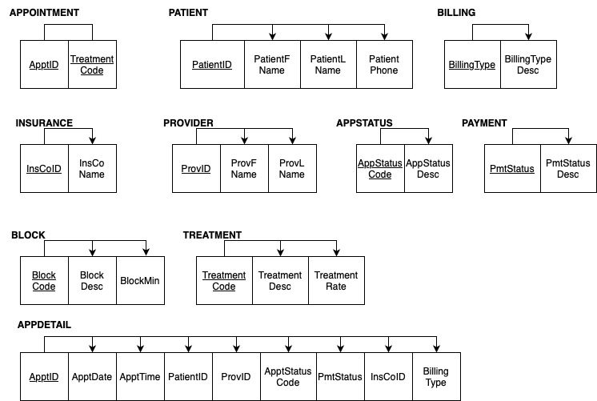
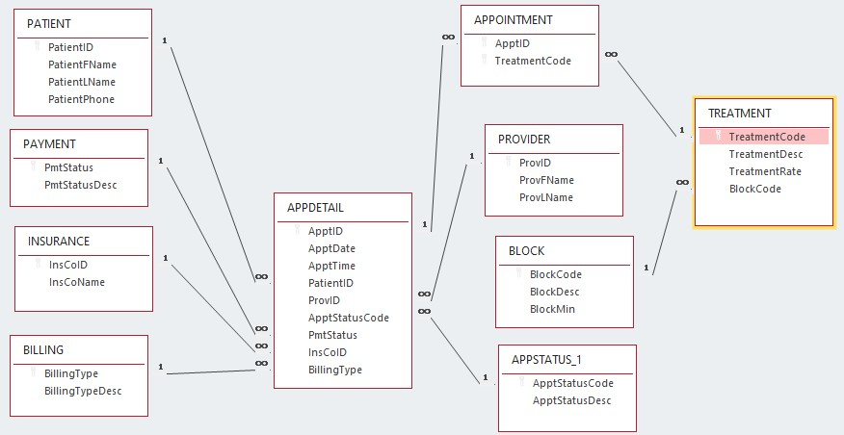
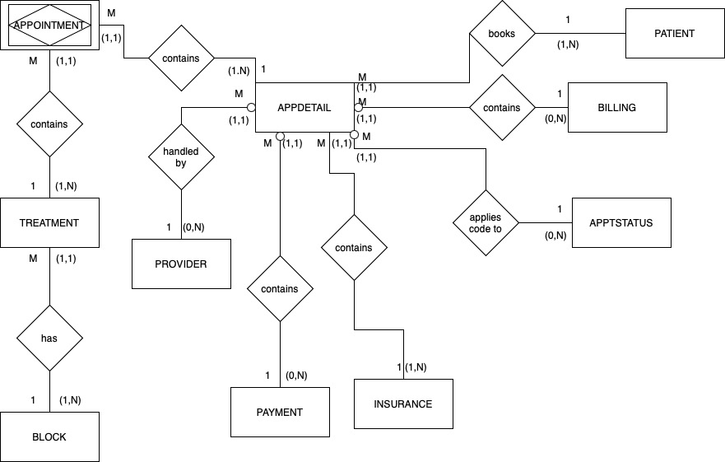
INSY 3304-001
Jesus Gutierrez
Project 1
Fall 2024

APPT_DETAIL
ApptID | ApptDate | ApptTime | TreatmentCode | TreatmentDesc | TreatmentRate | BlockCode | BlockDesc | BlockMin | PatientID | PatientFName | PatientLName | PatientPhone | BillingType | BillingTypeDesc | InsCoID | InsCoName | ProvID | ProvF Name | ProvLName | ApptStatusCode | ApptStatusDesc | PmtStatus | PmtDesc
101 | 2024-02-19 | 9:00:00 | NP | New Patient | $45 | L1 | Level 1 | 15 | 101 | Wesley | Tanner | (817)555-1193 | I | Insurance | 323 | Humana | 2 | Michael | Smith | CM | Complete | PD | Paid in Full
101 | 2024-02-19 | 9:00:00 | GBP | General Back Pain | $60 | L2 | Level 2 | 20 | 101 | Wesley | Tanner | (817)555-1193 | I | Insurance | 323 | Humana | 2 | Michael | Smith | CM | Complete | PD | Paid in Full
101 | 2024-02-19 | 9:00:00 | XR | X-Ray | $250 | L2 | Level 2 | 20 | 101 | Wesley | Tanner | (817)555-1193 | I | Insurance | 323 | Humana | 2 | Michael | Smith | CM | Complete | PD | Paid in Full
102 | 2024-02-19 | 9:00:00 | PSF | Post-Surgery Follow Up | $30 | L1 | Level 1 | 15 | 100 | Brenda | Rhodes | (214)555-9191 | I | Insurance | 129 | Blue Cross | 5 | Janice | May | CM | Complete | PP | Partial Pmt
102 | 2024-02-19 | 9:00:00 | SR | Suture Removal | $50 | L2 | Level 2 | 20 | 100 | Brenda | Rhodes | (214)555-9191 | I | Insurance | 129 | Blue Cross | 5 | Janice | May | CM | Complete | PP | Partial Pmt
103 | 2024-02-19 | 10:00:00 | PSF | Post-Surgery Follow Up | $30 | L1 | Level 1 | 15 | 15 | Jeff | Miner | (469)555-2301 | SP | Self-Pay |  |  | 2 | Michael | Smith | CM | Complete | PD | Paid in Full
103 | 2024-02-19 | 10:00:00 | SR | Suture Removal | $50 | L2 | Level 2 | 20 | 15 | Jeff | Miner | (469)555-2301 | SP | Self-Pay |  |  | 2 | Michael | Smith | CM | Complete | PD | Paid in Full
104 | 2024-02-19 | 10:30:00 | PT30 | Physical Therapy 30 | $60 | L3 | Level 3 | 30 | 77 | Kim | Jackson | (817)555-4911 | WC | Worker's Comp | 210 | State Farm | 1 | Kay | Jones | CM | Complete | PD | Paid in Full
105 | 2024-02-19 | 10:30:00 | NP | New Patient | $45 | L1 | Level 1 | 15 | 119 | Mary | Vaughn | (817)555-2334 | I | Insurance | 129 | Blue Cross | 2 | Michael | Smith | CM | Complete | PP | Partial Pmt
105 | 2024-02-19 | 10:30:00 | AI | Back Injury | $60 | L2 | Level 2 | 20 | 119 | Mary | Vaughn | (817)555-2334 | I | Insurance | 129 | Blue Cross | 2 | Michael | Smith | CM | Complete | PP | Partial Pmt
106 | 2024-02-19 | 10:30:00 | PT60 | Physical Therapy 60 | $110 | L4 | Level 4 | 60 | 97 | Chris | Mancha | (469)555-3440 | SP | Self-Pay | 129 | Blue Cross | 3 | Ray | Schultz | CM | Complete | NP | Not Paid
107 | 2024-02-19 | 11:30:00 | PT30 | Physical Therapy 30 | $60 | L3 | Level 3 | 30 | 28 | Renee | Walker | (214)555-9285 | I | Insurance | 129 | Blue Cross | 3 | Ray | Schultz | CN | Confirmed | PP | Partial Pmt
108 | 2024-02-19 | 11:30:00 | GBP | General Back Pain | $60 | L2 | Level 2 | 20 | 105 | Johnny | Redmond | (214)555-1084 | I | Insurance | 323 | Humana | 2 | Michael | Smith | CN | Confirmed | NP | Not Paid
109 | 2024-02-19 | 14:00:00 | PSF | Post-Surgery Follow Up | $30 | L1 | Level 1 | 15 | 84 | James | Clayton | (214)555-9285 | I | Insurance | 135 | TriCare | 5 | Janice | May | CN | Not Confirmed | NP | Not Paid
109 | 2024-02-19 | 14:00:00 | SR | Suture Removal | $50 | L2 | Level 2 | 20 | 84 | James | Clayton | (214)555-9285 | I | Insurance | 135 | TriCare | 5 | Janice | May | NC | Not Confirmed | NP | Not Paid
110 | 2024-02-20 | 8:30:00 | PT60 | Physical Therapy 60 | $110 | L4 | Level 4 | 60 | 84 | James | Clayton | (214)555-9285 | I | Insurance | 135 | TriCare | 3 | Ray | Schultz | NC | Not Confirmed | NP | Not Paid
111 | 2024-02-20 | 8:30:00 | NP | New Patient | $45 | L1 | Level 1 | 15 | 23 | Shelby | Davis | (817)555-1198 | WC | Worker's Comp | 323 | Humana | 5 | Janice | May | CN | Confirmed | NP | Not Paid
111 | 2024-02-20 | 8:30:00 | HP | Hip Pain | $60 | L2 | Level 2 | 20 | 23 | Shelby | Davis | (817)555-1198 | WC | Worker's Comp | 323 | Humana | 5 | Janice | May | CN | Confirmed | NP | Not Paid
111 | 2024-02-20 | 8:30:00 | XR | X-Ray | $250 | L2 | Level 2 | 20 | 23 | Shelby | Davis | (817)555-1198 | WC | Worker's Comp | 323 | Humana | 5 | Janice | May | CN | Confirmed | NP | Not Paid

APPT_DETAIL (ApptID, TreatmentCode, ApptDate, ApptTime, TreatmentDesc, TreatmentRate, BlockCode, BlockDesc, BlockMin, PatientID, PatientFName, PatientLName, PatientPhone, BillingType, BillingTypeDesc, InsCoID, InsCoName,
ProvID, ProvFName, ProvLName, ApptStatusCode, ApptStatusDesc, PmtStatus, PmtDesc)

APPOINTMENT( ApptID, TreatmentCode)
TREATMENT(TreatmentCode, TreatmentDesc, TreatmentRate, BlockCode, BlockDesc, BlockMin)
APPT_DETAIL(ApptID, ApptDate, ApptTime, PatientID, PatientFName, PatientLName, PatientPhone,BillingType, BillingTypeDesc, InsCoID, InsCoName, ProvID, ProvFName, ProvLName, ApptStatusCode, ApptStatusDesc, PmtStatus, PmtDesc)

APPOINTMENT(ApptID, TreatmentCode)
PATIENT(PatientID, PatientFName, PatientLName, PatientPhone)
BILLING(BillingType, BillingTypeDesc)
INSURANCE(InsCoID, InsCoName)
PROVIDER(ProvID, ProvFName, ProvLName)
APPSTATUS( AppStatusCode, AppStatusDesc)
PAYMENT(PmtStatus, PmtDesc)
BLOCK(BlockCode, BlockDesc, BlockMin)
TREATMENT(TreatmentCode, TreatmentDesc, TreatmentRate)
APPDETAIL(ApptID, ApptDate, ApptTime, PatientID, ProvID, ApptStatusCode, PmtStatus, InsoCoID, BillingType)

