Read Me
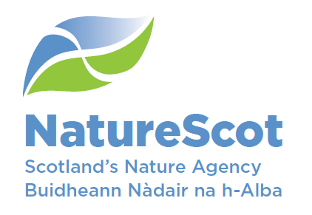

Moray Firth Inshore Wintering Waterfowl Survey 2020
Shore-based - Citizen Science survey data

The data in this spreadsheet are the Shore-based survey data for the Moray Firth Inshore Wintering Waterfowl survey undertaken by citizen scientists in the winter of 2019/2020.
These surveys were undertaken by Scottish Natural Heritage (Project lead: Jen Graham, Project Manager, Kate Thompson).
Any queries regarding these data should be directed to Jen Graham at Scottish Natural Heritage, jen.graham@nature.scot

The data from the two surveys (January and March 2020) are compiled in one sheet (Raw Data). Each piece of data has it's own unique ID code made up of the Julien date of the survey, the Vantage point ID code and a number assigned to the data. E.g. 2458867.S1.9.
Any one record refers to an individual species or flock recorded by the observer, which could include individuals of different sex and age classes.
The data Validation sheet records the allowable species to eliminate the chance of data recording errors.
There is data that has been recorded by volunteers but we are unable to obtain due to Covid-19 restrictions on working from office. Data from Volunteer MACO, and data from ALSM for Findhorn is not present in this data set.
Data from one Vantage point (Hopeman Harbour) has been removed from this data set as the protocol was not followed closely enough to provide a reasonable comparison between VPs.
One potential double count has been identified in the data (Identified by observer, recorded in the comments), however the data set has not been systematically checked for double counts.

