理论总结
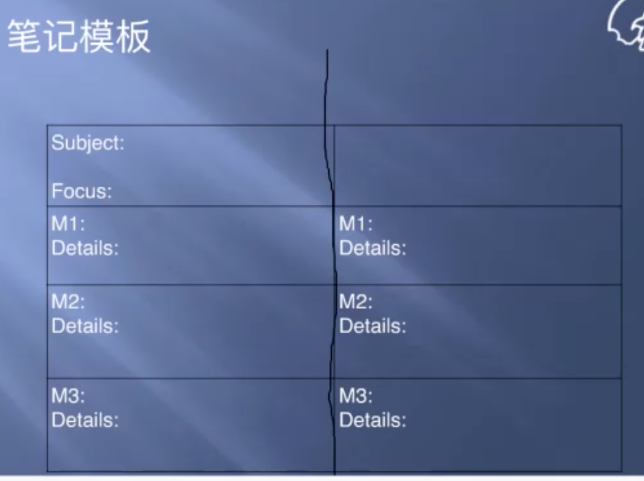
作文1 |  | 阅读笔记 | 听力笔记
首段 | In the lecture, the professor casts doubt on the reading passage's idea that 阅读材料态度. The professor asserts that 听力材料态度. | 主题+态度 | 主题(一样)+态度
2段 | Firstly, contrary to the belief in the passage that 阅读要点 1+细节 1, the professor asserts that 听力要点 1+细节 1. | 要点1（记重要细节） | 抨击要点1(细节) | 要点：不重要，肯定跟左边一致。（用来定位） 细节：得分点。
3段 | Secondly, the author of the passage points out that 阅读要 点 2+细节 2， while the lecture notes that 听力要点 2+细节 2. | 要点2（记重要细节） | 抨击要点2(细节)
4段 | Lastly, opposing the author's belief that 阅读要点 3+细节 3, the professor contends that 听力要点 3+细节 3. | 要点3（记重要细节） | 抨击要点3(细节)

