Sheet1
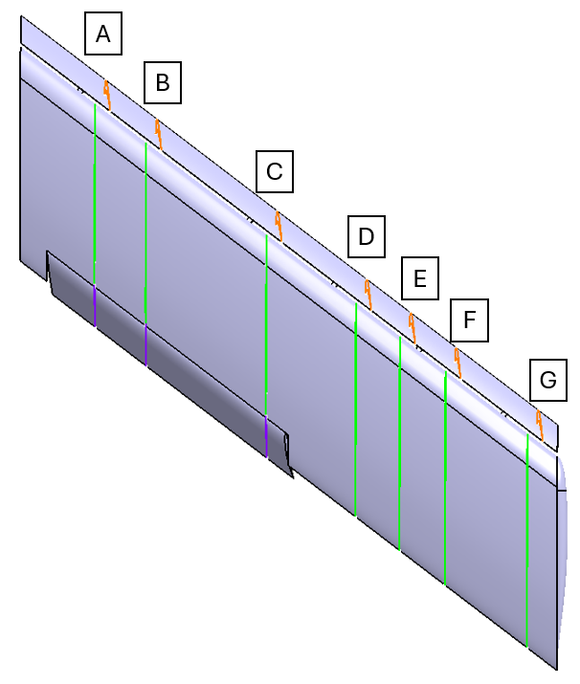
Chordwise |  |  |  |  |  | Trailing Edge Point
 | Belt | A | B | C | D | X | Y | Z
Slat | SA | 0.064509 | 0.951066 | -0.302178 | 12.0589 | 9.952 | 12.027 | 0.072
 | SB | 0.064509 | 0.951066 | -0.302178 | 18.9069 | 15.147 | 18.8751608 | 0.072
 | SC | 0.064509 | 0.951066 | -0.302178 | 35.0589 | 27.399 | 35.027 | 0.072
 | SD | 0.064509 | 0.951066 | -0.302178 | 47.0589 | 36.502 | 47.027 | 0.072
 | SE | 0.064509 | 0.951066 | -0.302178 | 52.9629 | 40.981 | 52.931 | 0.072
 | SF | 0.064509 | 0.951066 | -0.302178 | 59.0589 | 45.605 | 59.027 | 0.072
 | SG | 0.064509 | 0.951066 | -0.302178 | 70.0589 | 53.949 | 70.027 | 0.072

Wing | WA | 0 | 1 | 0 | 10 | 33.461 | 10.000 | 0.850
 | WB | 0 | 1 | 0 | 16.848 | 38.655 | 16.848 | 0.850
 | WC | 0 | 1 | 0 | 33 | 50.908 | 33.000 | 0.850
 | WD | 0 | 1 | 0 | 45 | 64.136 | 45.000 | 0.018
 | WE | 0 | 1 | 0 | 50.904 | 68.614 | 50.904 | 0.850
 | WF | 0 | 1 | 0 | 57 | 81.583 | 68.000 | 0.850
 | WG | 0 | 1 | 0 | 68 | 81.583 | 68.000 | 0.850

Flap | FA | 0 | 1 | 0 | 10 | 38.855 | 10.000 | -3.600
 | FB | 0 | 1 | 0 | 16.848 | 44.050 | 16.848 | -3.600
 | FC | 0 | 1 | 0 | 33 | 56.301 | 33.000 | -3.600

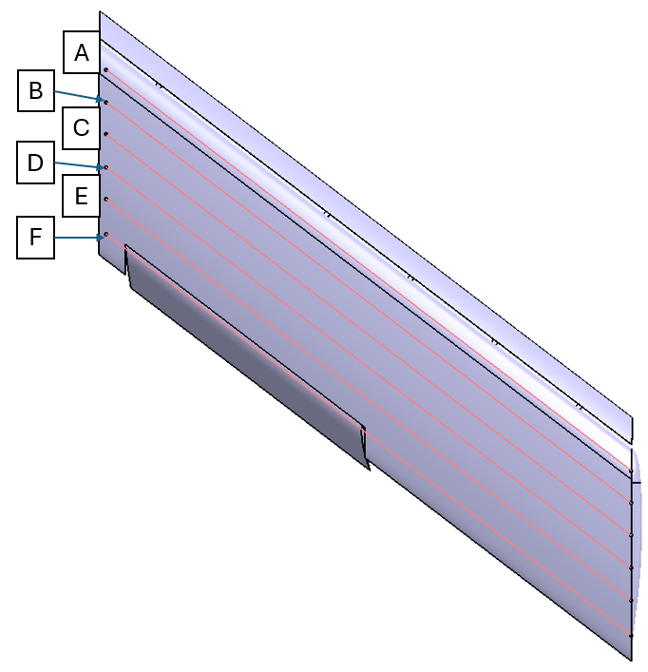
 | Spanwise
 |  |  | Upper Surface Only, Starting point to Y=72
 |  |  |  |  |  | IB Starting Point
 | Belt | A | B | C | D | X | Y | Z
Wing | WSA | 0.796715 | -0.604356 | 0 | 3.466 | 5.10856002 | 1 | 1.15496268
 | WSB | 0.796715 | -0.604356 | 0 | 6.931 | 9.45856002 | 1 | 1.54281418
 | WSC | 0.796715 | -0.604356 | 0 | 10.397 | 13.80856002 | 1 | 1.65275117
 | WSD | 0.796715 | -0.604356 | 0 | 13.911 | 18.21856002 | 1 | 1.59602871
 | WSE | 0.796715 | -0.604356 | 0 | 17.352 | 22.53856002 | 1 | 1.33398678
 | WSF | 0.796715 | -0.604356 | 0 | 21.105 | 53.79816068 | 36 | 0.76525666

Flap | FSF | 0.796715 | -0.604356 | 0 | 21.105 | 29.27863182 | 3.67621777 | 0.50722509

