D̳ashboard
 |  | XBOX GAME PASS SUBSCRIPTIONS SALES
 | Dados do ano de 2024
>Bem-vindo, Felipe!

 | TOTAL SUBSCRIPTIONS EA SEASON PASS |  | TOTAL SUBSCRIPTIONS MINECRAFT SEASON PASS

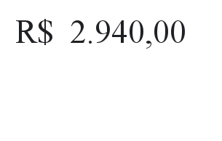
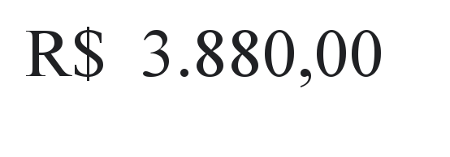

 | TOTAL SUBSCRIPTIONS XBOX GAME PASS

