13C_data
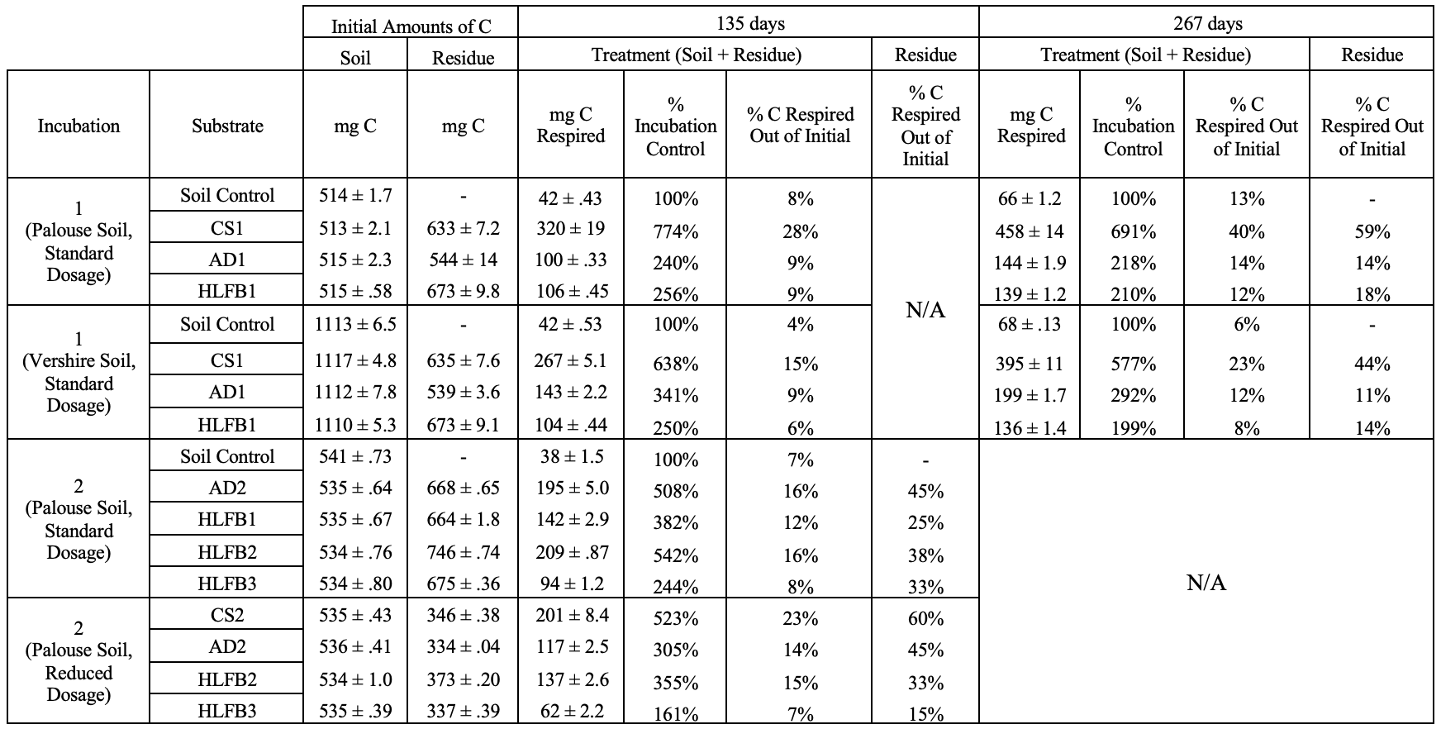
treatment | num | sample | rep | totalC_pre | fr_pre | fs_pre | resC_pre | soilC_pre | totalC_post | fr_post | fs_post | resC_post | soilC_post | fracC_res_ret | loss
DASE_C | 1 | 1A | A | 1.2011487274 | 55.25% | 44.75% | 0.66357644588 | 0.53757228154 | 0.89476745477 | 42.13% | 57.87% | 0.37698755121 | 0.51777990356 | 0.56811472673 | 0.30638127264
DASE_C | 1 | 1B | B | 1.1982475466 | 55.46% | 44.54% | 0.6645928456 | 0.53365470105 | 0.9277569646 | 44.52% | 55.48% | 0.41301856814 | 0.51473839647 | 0.62146105073 | 0.27049058204
DASE_C | 1 | 1C | C | 1.1982581012 | 55.42% | 44.58% | 0.66410674139 | 0.53415135979 | 0.83495495691 | 36.99% | 63.01% | 0.30883155268 | 0.52612340422 | 0.46503300364 | 0.36330314426
DASE_O | 2 | 2A | A | 1.1969885236 | 55.39% | 44.61% | 0.66300195908 | 0.53398656455 | 0.96400635087 | 47.53% | 52.47% | 0.45815253082 | 0.50585382006 | 0.69102741635 | 0.23298217275
DASE_O | 2 | 2B | B | 1.201442799 | 55.46% | 44.54% | 0.666316306 | 0.53512649296 | 1.0235504445 | 50.13% | 49.87% | 0.51305658263 | 0.51049386184 | 0.769989535 | 0.1778923545
DASE_O | 2 | 2C | C | 1.1985319892 | 55.35% | 44.65% | 0.66335548942 | 0.53517649979 | 1.0378366012 | 50.40% | 49.60% | 0.52305459158 | 0.51478200965 | 0.78849817319 | 0.16069538798
AD_S | 3 | 3A | A | 1.2028186414 | 55.54% | 44.46% | 0.66798991633 | 0.53482872502 | 0.93815208944 | 43.53% | 56.47% | 0.40833652112 | 0.52981556831 | 0.61129144488 | 0.26466655192
AD_S | 3 | 3B | B | 1.2029230805 | 55.49% | 44.51% | 0.66745676841 | 0.5354663121 | 0.91284575196 | 40.79% | 59.21% | 0.37235735822 | 0.54048839374 | 0.55787487046 | 0.29007732855
AD_S | 3 | 3C | C | 1.2029306646 | 55.59% | 44.41% | 0.66874520922 | 0.53418545535 | 0.86056168248 | 38.28% | 61.72% | 0.32944862718 | 0.5311130553 | 0.49263699034 | 0.34236898209
POET_S | 4 | 4A | A | 1.2084409217 | 55.83% | 44.17% | 0.67467484185 | 0.53376607989 | 0.96348815558 | 46.60% | 53.40% | 0.44896147805 | 0.51452667753 | 0.66544867276 | 0.24495276617
POET_S | 4 | 4B | B | 1.2078130159 | 55.85% | 44.15% | 0.67454018517 | 0.53327283071 | 1.0052838548 | 46.04% | 53.96% | 0.462829641 | 0.54245421376 | 0.68614094634 | 0.20252916113
POET_S | 4 | 4C | C | 1.2100546953 | 55.80% | 44.20% | 0.67521346856 | 0.53484122673 | 0.95294787326 | 46.86% | 53.14% | 0.44659501592 | 0.50635285734 | 0.66141307411 | 0.25710682203
NREL_S | 5 | 5A | A | 1.2812509257 | 58.27% | 41.73% | 0.74661199931 | 0.53463892637 | 1.0013541542 | 48.49% | 51.51% | 0.48559346876 | 0.51576068539 | 0.65039601454 | 0.27989677153
NREL_S | 5 | 5B | B | 1.2797492026 | 58.32% | 41.68% | 0.74636385653 | 0.53338534608 | 0.97817884643 | 48.02% | 51.98% | 0.4696904277 | 0.50848841873 | 0.62930489411 | 0.30157035618
NREL_S | 5 | 5C | C | 1.2799817971 | 58.22% | 41.78% | 0.74522239973 | 0.53475939737 | 0.94750104499 | 46.75% | 53.25% | 0.44297602302 | 0.50452502197 | 0.59442124013 | 0.33248075212
AD_N | 6 | 6A | A | 0.86875982071 | 38.41% | 61.59% | 0.33366174072 | 0.53509807999 | 0.72039989582 | 25.26% | 74.74% | 0.18198555797 | 0.53841433785 | 0.54541931471 | 0.14835992489
AD_N | 6 | 6B | B | 0.86933468973 | 38.37% | 61.63% | 0.33357288273 | 0.535761807 | 0.7037256358 | 26.34% | 73.66% | 0.18537694522 | 0.51834869057 | 0.55573146026 | 0.16560905394
AD_N | 6 | 6C | C | 0.86945526549 | 38.37% | 61.63% | 0.33361731172 | 0.53583795377 | 0.7041139766 | 25.56% | 74.44% | 0.18000241051 | 0.52411156609 | 0.53954757197 | 0.16534128889
POET_N | 7 | 7A | A | 0.87223181806 | 38.65% | 61.35% | 0.33709055035 | 0.53514126771 | 0.7991405743 | 36.73% | 63.27% | 0.29356412642 | 0.50557644788 | 0.870876167 | 0.073091243762
POET_N | 7 | 7B | B | 0.87250563588 | 38.70% | 61.30% | 0.33762917706 | 0.53487645881 | 0.75105180263 | 34.36% | 65.64% | 0.25802414714 | 0.49302765549 | 0.76422348739 | 0.12145383325
POET_N | 7 | 7C | C | 0.87123455744 | 38.67% | 61.33% | 0.33686612255 | 0.53436843489 | 0.80653746963 | 37.59% | 62.41% | 0.3032161532 | 0.50332131644 | 0.90010877585 | 0.064697087807
NREL_N | 8 | 8A | A | 0.90820631857 | 41.04% | 58.96% | 0.37271045698 | 0.53549586159 | 0.72659517228 | 33.06% | 66.94% | 0.24020756993 | 0.48638760235 | 0.64448841033 | 0.18161114629
NREL_N | 8 | 8B | B | 0.90706260403 | 41.11% | 58.89% | 0.3729089712 | 0.53415363282 | 0.7117541636 | 33.38% | 66.62% | 0.23759187801 | 0.47416228558 | 0.63713103293 | 0.19530844043
NREL_N | 8 | 8C | C | 0.90596093389 | 41.12% | 58.88% | 0.37251194275 | 0.53344899113 | 0.73333343079 | 37.16% | 62.84% | 0.27249870155 | 0.46083472924 | 0.73151668518 | 0.1726275031
CS_O | 9 | 9A | A | 0.880156703 | 39.24% | 60.76% | 0.34538139436 | 0.53477530864 | 0.62523254977 | 22.23% | 77.77% | 0.13899655825 | 0.48623599151 | 0.40244367683 | 0.25492415323
CS_O | 9 | 9B | B | 0.88082233888 | 39.28% | 60.72% | 0.34597997563 | 0.53484236325 | 0.63132828661 | 23.80% | 76.20% | 0.15027758378 | 0.48105070283 | 0.43435341454 | 0.24949405227
CS_O | 9 | 9C | C | 0.88161907 | 39.25% | 60.75% | 0.34607206506 | 0.53554700494 | 0.5953001454 | 21.43% | 78.57% | 0.12760217104 | 0.46769797436 | 0.36871560557 | 0.2863189246
ONESIX | S1 | S1A | A | 0.54089992461 | 0.00% | 100.00% | 0 | 0.54089992461 | 0.4796153837 | 0.00% | 100.00% | 0 | 0.4796153837 | #DIV/0! | 0.061284540908
ONESIX | S1 | S1B | B | 0.54013330913 | 0.00% | 100.00% | 0 | 0.54013330913 | 0.47430196621 | 0.00% | 100.00% | 0 | 0.47430196621 | #DIV/0! | 0.065831342916
ONESIX | S1 | S1C | C | 0.5415886807 | 0.00% | 100.00% | 0 | 0.5415886807 | 0.47518955707 | 0.00% | 100.00% | 0 | 0.47518955707 | #DIV/0! | 0.066399123633
TWENTY | S2 | S2A | A | 0.53528219605 | 0.00% | 100.00% | 0 | 0.53528219605 | 0.49338150977 | 0.00% | 100.00% | 0 | 0.49338150977 | #DIV/0! | 0.041900686272
TWENTY | S2 | S2B | B | 0.53517877283 | 0.00% | 100.00% | 0 | 0.53517877283 | 0.47933758329 | 0.00% | 100.00% | 0 | 0.47933758329 | #DIV/0! | 0.055841189543
TWENTY | S2 | S2C | C | 0.53482645199 | 0.00% | 100.00% | 0 | 0.53482645199 | 0.49127027968 | 0.00% | 100.00% | 0 | 0.49127027968 | #DIV/0! | 0.04355617231
PALOUSE | P1 | P1A | A | 0.51258716405 | 0.00% | 100.00% | 0 | 0.51258716405 | 0.49284331889 | 0 | 1 | 0 | 0.49284331889 | #DIV/0! | 0.019743845161
PALOUSE | P1 | P1B | B | 0.51520066544 | 0.00% | 100.00% | 0 | 0.51520066544 | 0.4878189486 | 0 | 1 | 0 | 0.4878189486 | #DIV/0! | 0.027381716836
PALOUSE | P1 | P1C | C | 0.5136098385 | 0.00% | 100.00% | 0 | 0.5136098385 | 0.48714897588 | 0 | 1 | 0 | 0.48714897588 | #DIV/0! | 0.026460862624
PALOUSE | P1 | P1D | D | 0.51633697039 | 0.00% | 100.00% | 0 | 0.51633697039 | 0.50587554627 | 0 | 1 | 0 | 0.50587554627 | #DIV/0! | 0.010461424119
CS_1P | P2 | P2A | A | 1.1549617425 | 55.33% | 44.67% | 0.63907929405 | 0.51588244841 | 0.68697900103 | 0.34883930852 | 0.65116069148 | 0.23964527969 | 0.44733372134 | 0.37498520437 | 0.46798274143
CS_1P | P2 | P2B | B | 1.1385673391 | 55.03% | 44.97% | 0.6265483275 | 0.51201901157 | 0.68164475386 | 0.34559499111 | 0.65440500889 | 0.23557301265 | 0.44607174121 | 0.37598538263 | 0.45692258521
CS_1P | P2 | P2C | C | 1.1386809696 | 55.02% | 44.98% | 0.6265483275 | 0.51213264207 | 0.75133260468 | 0.39286031411 | 0.60713968589 | 0.29516876307 | 0.4561638416 | 0.47110294628 | 0.38734836489
CS_1P | P2 | P2D | D | 1.1504165226 | 55.55% | 44.45% | 0.63907929405 | 0.5113372286 | 0.7095808195 | 0.39160233748 | 0.60839766252 | 0.27787350755 | 0.43170731195 | 0.43480286427 | 0.44083570315
AD_1P | P3 | P3A | A | 1.0517337449 | 50.94% | 49.06% | 0.535737666 | 0.5159960789 | 0.94753526545 | 0.47878261651 | 0.52121738349 | 0.45366341363 | 0.49387185182 | 0.84680141498 | 0.10419847946
AD_1P | P3 | P3C | C | 1.0484384605 | 51.10% | 48.90% | 0.535737666 | 0.51270079454 | 0.95492053411 | 0.49259493718 | 0.50740506282 | 0.47038902052 | 0.4845315136 | 0.87802118531 | 0.093517926429
CCBP_1P | P4 | P4A | A | 1.1469937261 | 55.40% | 44.60% | 0.6354292365 | 0.51156448959 | 0.66918089476 | 0.37918996962 | 0.62081003038 | 0.25374668315 | 0.41543421161 | 0.39933114276 | 0.47781283133
CCBP_1P | P4 | P4B | B | 1.1475618786 | 55.37% | 44.63% | 0.6354292365 | 0.51213264207 | 0.70490454717 | 0.37822404322 | 0.62177595678 | 0.26661184791 | 0.43829269926 | 0.41957755891 | 0.44265733139
CCBP_1P | P4 | P4C | C | 1.1606931187 | 55.48% | 44.52% | 0.64390162632 | 0.51679149237 | 0.75958535963 | 0.41307946989 | 0.58692053011 | 0.31376911769 | 0.44581624193 | 0.48729356297 | 0.40110775906
CCBP_1P | P4 | P4D | D | 1.149948119 | 55.26% | 44.74% | 0.6354292365 | 0.51451888247 | 0.73836061734 | 0.3992835753 | 0.6007164247 | 0.29481526715 | 0.44354535018 | 0.46396238986 | 0.41158750163
DASE_1P | P5 | P5A | A | 1.1781836819 | 56.26% | 43.74% | 0.662869386 | 0.51531429593 | 1.0514270753 | 0.54588021888 | 0.45411978112 | 0.573953242 | 0.47747383329 | 0.86586174309 | 0.12675660664
DASE_1P | P5 | P5B | B | 1.1906456562 | 56.79% | 43.21% | 0.67612677372 | 0.51451888247 | 1.0365692084 | 0.5292827228 | 0.4707172772 | 0.54863817301 | 0.48793103542 | 0.81144275649 | 0.15407644776
DASE_1P | P5 | P5C | C | 1.2005065891 | 57.06% | 42.94% | 0.6849650322 | 0.51554155692 | 1.033596435 | 0.54376033979 | 0.45623966021 | 0.56202874869 | 0.4715676863 | 0.82052181099 | 0.16691015414
DASE_1P | P5 | P5D | D | 1.1831709636 | 56.40% | 43.60% | 0.66728851524 | 0.51588244841 | 0.9967814281 | 0.51039383858 | 0.48960616142 | 0.50875109931 | 0.48803032879 | 0.76241548849 | 0.18638953555
VERSHIRE | V1 | V1A | A | 1.1156698031 | 0.00% | 100.00% | 0 | 1.1156698031 | 1.1869738955 | 0 | 1 | 0 | 1.1869738955 | #DIV/0! | -0.071304092449
VERSHIRE | V1 | V1B | B | 1.1194905901 | 0.00% | 100.00% | 0 | 1.1194905901 | 1.1888034252 | 0 | 1 | 0 | 1.1888034252 | #DIV/0! | -0.069312835088
VERSHIRE | V1 | V1C | C | 1.1042074421 | 0.00% | 100.00% | 0 | 1.1042074421 | 1.1522550965 | 0 | 1 | 0 | 1.1522550965 | #DIV/0! | -0.048047654376
VERSHIRE | V1 | V1D | D | 1.1140965379 | 0.00% | 100.00% | 0 | 1.1140965379 | 1.1231866631 | 0 | 1 | 0 | 1.1231866631 | #DIV/0! | -0.0090901252104
CS_1V | V2 | V2A | A | 1.7404201132 | 36.00% | 64.00% | 0.6265483275 | 1.1138717857 | 1.4340204367 | 0.27190790518 | 0.72809209482 | 0.38992149294 | 1.0440989438 | 0.62233266905 | 0.30639967646
CS_1V | V2 | V2B | B | 1.7436980933 | 36.17% | 63.83% | 0.63072531635 | 1.112972777 | 1.4562409977 | 0.25902355882 | 0.74097644118 | 0.37720072571 | 1.079040272 | 0.59804278651 | 0.28745709566
CS_1V | V2 | V2C | C | 1.7617164146 | 36.28% | 63.72% | 0.63907929405 | 1.1226371206 | 1.4256540397 | 0.2501264348 | 0.7498735652 | 0.35659376221 | 1.0690602775 | 0.55798046585 | 0.33606237491
CS_1V | V2 | V2D | D | 1.7636458817 | 36.47% | 63.53% | 0.6432562829 | 1.1203895988 | 1.3375376413 | 0.22309546849 | 0.77690453151 | 0.2983985867 | 1.0391390546 | 0.46388755871 | 0.42610824044
AD_1V | V3 | V3A | A | 1.6464384708 | 32.76% | 67.24% | 0.53930925044 | 1.1071292204 | 1.5982675166 | 0.31837763184 | 0.68162236816 | 0.50885262698 | 1.0894148896 | 0.94352660661 | 0.04817095422
AD_1V | V3 | V3B | B | 1.6570262735 | 32.33% | 67.67% | 0.535737666 | 1.1212886075 | 1.5717132851 | 0.30044445594 | 0.69955554406 | 0.47221254284 | 1.0995007423 | 0.88142494509 | 0.085312988411
AD_1V | V3 | V3C | C | 1.6515833205 | 32.87% | 67.13% | 0.54288083488 | 1.1087024856 | 1.4773797111 | 0.30738613161 | 0.69261386839 | 0.45412603431 | 1.0232536768 | 0.8365114499 | 0.17420360943
CCBP_1V | V4 | V4A | A | 1.7620437034 | 36.54% | 63.46% | 0.64390162632 | 1.118142077 | 1.4675531276 | 0.26919442007 | 0.73080557993 | 0.39505711311 | 1.0724960145 | 0.61353644247 | 0.29449057574
CCBP_1V | V4 | V4B | B | 1.7446153229 | 36.18% | 63.82% | 0.63119304159 | 1.1134222813 | 1.4615264384 | 0.27695884267 | 0.72304115733 | 0.40478267091 | 1.0567437675 | 0.64129773973 | 0.28308888452
CCBP_1V | V4 | V4C | C | 1.7408286324 | 36.01% | 63.99% | 0.62695684668 | 1.1138717857 | 1.4656102819 | 0.31044089052 | 0.68955910948 | 0.45498536106 | 1.0106249208 | 0.72570443001 | 0.27521835048
CCBP_1V | V4 | V4D | D | 1.7575827563 | 36.39% | 63.61% | 0.63966543141 | 1.1179173249 | 1.5183757259 | 0.26910353264 | 0.73089646736 | 0.4086002717 | 1.1097754542 | 0.63877185109 | 0.2392070304
DASE_1V | V5 | V5B | B | 1.7793622835 | 37.50% | 62.50% | 0.66728851524 | 1.1120737683 | 1.5350730983 | 0.38716284313 | 0.61283715687 | 0.59432326514 | 0.94074983315 | 0.89065411972 | 0.24428918523
DASE_1V | V5 | V5D | D | 1.7966652104 | 37.88% | 62.12% | 0.68054590296 | 1.1161193074 | 1.5165424271 | 0.37389768529 | 0.62610231471 | 0.56703170316 | 0.94951072398 | 0.83320125901 | 0.28012278327

Sheet1
source | inc | Num | app_rate | mean_C_resp_cum | Name | alt_name | Soil | days | CS/HLFB
WANG | 1 | 1 | S | 38.130503795 | Soil Control | PALOUSE | P | 114 | /
WANG | 1 | 2 | S | 289.55313722 | CS1 | CS1 | P | 114 | 1
WANG | 1 | 3 | S | 93.488741473 | AD1 | AD1 | P | 114 | 3.097197937
WANG | 1 | 5 | S | 101.72595106 | DASE1 | HLFB1 | P | 114 | 2.846403835
WANG | 1 | 1 | S | 37.391176301 | Soil Control | VERSHIRE | V | 114 | /
WANG | 1 | 2 | S | 237.83595991 | CS1 | CS1 | V | 114 | 1
WANG | 1 | 3 | S | 131.7281239 | AD1 | AD1 | V | 114 | 1.8055063175
WANG | 1 | 5 | S | 98.3180798 | DASE1 | HLFB1 | V | 114 | 2.4190460228
WANG | 2 | 1 | S | 141.79909816 | DASE_C | HLFB1 | P | 112 | /
WANG | 2 | 2 | S | 137.20599653 | DASE_O | HLFB1 | P | 112 | /
WANG | 2 | 3 | S | 189.30879054 | AD_S | AD2 | P | 112 | /
WANG | 2 | 4 | S | 85.852329358 | POET_S | HLFB3 | P | 112 | /
WANG | 2 | 5 | S | 192.72631929 | NREL_S | HLFB2 | P | 112 | /
WANG | 2 | 6 | R | 112.56457842 | AD_N | AD2 | P | 112 | 1.6165133182
WANG | 2 | 7 | R | 55.355223642 | POET_N | HLFB3 | P | 112 | 3.2871719812
WANG | 2 | 8 | R | 125.89586775 | NREL_N | HLFB2 | P | 112 | 1.4453384645
WANG | 2 | 9 | R | 181.96214017 | CS_N | CS2 | P | 112 | 1
JOHNSON |  |  | 1 | 1.51 | HLFB | HLFB | SVEA | 112 | 1.5430463576
JOHNSON |  |  | 1 | 2.33 | CS | CS | SVEA | 112 | 1
JOHNSON |  |  | 1 | 1.11 | HLFB | HLFB | LANGHEI | 112 | 1.4324324324
JOHNSON |  |  | 1 | 1.59 | CS | CS | LANGHEI | 112 | 1

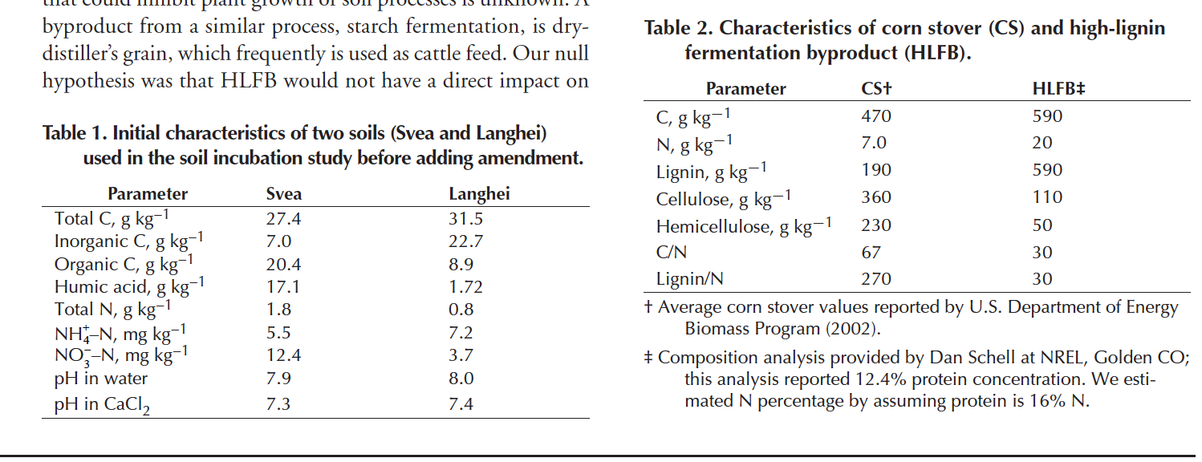

 |  |  | Svea

