Data
Data Analysis with Excel

 |  |  |  |  |  |  |  |  |  |  |  |  |  |  | Bonus 1 | 10%

Total |  |  |  |  | $19,203,945 |  |  | 233 |  |  |  | 260

under 3 years: 2% bonus
3-5 years: 5% bonus
>5 years: 10% bonus
Emp ID | First Name | Last Name | Gender | Department | Salary | Salary Bucket | Start Date | FTE | Employee type | Work location | Tenure | Work Type | Bonus | Bonus 2 | Bonus 3
PR00007 | Torrance | Collier | Female | Training | $96,136 | 50k to 100k | 13-Jul-20 | 0.3 | Permanent | Wellington, New Zealand | 3.94 | Part time | $9,614 | $4,807 | $4,807
PR00095 | Devrat | Damarsingh | Female | Business Development | $70,649 | 50k to 100k | 13-Jan-20 | 1 | Permanent | Hyderabad, India | 4.44 | Full time | $7,065 | $3,532 | $3,532
PR00113 | Van | Tuxwell | Female | Business Development | $80,696 | 50k to 100k | 17-Sep-18 | 1 | Permanent | Columbus, USA | 5.76 | Full time | $8,070 | $8,070 | $8,070
PR00113 | Van | Tuxwell | Female | Business Development | $80,696 | 50k to 100k | 17-Sep-18 | 1 | Permanent | Columbus, USA | 5.76 | Full time | $8,070 | $8,070 | $8,070
PR00147 | Minerva | Ricardot | Male | Engineering | $120,000 | Above 100k | 12-Nov-18 | 1 | Permanent | Remote | 5.61 | Full time | $12,000 | $12,000 | $12,000
PR00246 | Husein | Augar | Female | Marketing | $67,906 | 50k to 100k | 29-Dec-20 | 1 | Permanent | Remote | 3.48 | Full time | $6,791 | $3,395 | $3,395
PR00419 | Billi | Fellgate | Female | Business Development | $68,981 | 50k to 100k | 29-Jan-19 | 0.8 | Permanent | Remote | 5.40 | Part time | $6,898 | $6,898 | $6,898
PR00576 | Lalitchandra | Vadali | Female | Legal | $63,705 | 50k to 100k | 5-Aug-19 | 1 | Permanent | Hyderabad, India | 4.88 | Full time | $6,371 | $3,185 | $3,185
PR00746 | Hogan | Iles | Female | Accounting | $114,177 | Above 100k | 18-Mar-20 | 1 | Permanent | Wellington, New Zealand | 4.26 | Full time | $11,418 | $5,709 | $5,709
PR00770 | Beryl | Burnsyde | Male | Legal | $29,775 | Under 50k | 1-Oct-20 | 1 | Permanent | Wellington, New Zealand | 3.72 | Full time | $2,977 | $1,489 | $1,489
PR00882 | Jill | Shipsey | Male | Accounting | $52,964 | 50k to 100k | 2-Apr-21 | 0.3 | Permanent | Columbus, USA | 3.22 | Part time | $5,296 | $2,648 | $2,648
PR00893 | Vasavi | Veeravasarapu | Male | Human Resources | $50,310 | 50k to 100k | 30-Mar-21 | 0.4 | Permanent | Hyderabad, India | 3.23 | Part time | $5,031 | $2,516 | $2,516
PR00916 | Inger | Chapelhow | Female | Research and Development | $84,310 | 50k to 100k | 1-Nov-21 | 1 | Permanent | Remote | 2.64 | Full time | $8,431 | $1,686 | $1,686
PR01055 | Devasree | Fullara | Male | Accounting | $35,936 | Under 50k | 21-May-18 | 1 | Permanent | Chennai, India | 6.09 | Full time | $3,594 | $3,594 | $3,594
PR01159 | Mollie | Hanway | Male | Engineering | $112,646 | Above 100k | 21-Oct-19 | 0.6 | Permanent | Seattle, USA | 4.67 | Part time | $11,265 | $5,632 | $5,632
PR01211 | Enoch | Dowrey | Male | Accounting | $91,645 | 50k to 100k | 27-Jan-21 | 1 | Permanent | Auckland, New Zealand | 3.40 | Full time | $9,165 | $4,582 | $4,582
PR01269 | Eleonore | Airdrie | Female | Engineering | $97,105 | 50k to 100k | 17-Aug-21 | 1 | Permanent | Columbus, USA | 2.85 | Full time | $9,711 | $1,942 | $1,942
PR01306 | Patti | Dradey | Male | Services | $84,743 | 50k to 100k | 24-Sep-20 | 1 | Permanent | Auckland, New Zealand | 3.74 | Full time | $8,474 | $4,237 | $4,237
PR01346 | Adolph | McNalley | Male | Business Development | $85,919 | 50k to 100k | 5-Feb-18 | 1 | Permanent | Columbus, USA | 6.38 | Full time | $8,592 | $8,592 | $8,592
PR01383 | Addi | Studdeard | Female | Product Management | $72,503 | 50k to 100k | 8-Feb-21 | 1 | Permanent | Wellington, New Zealand | 3.37 | Full time | $7,250 | $3,625 | $3,625
PR01476 | Jaishree | Atasi | Male | Services | $77,096 | 50k to 100k | 27-Apr-18 | 1 | Permanent | Chennai, India | 6.16 | Full time | $7,710 | $7,710 | $7,710
PR01662 | Genevra | Friday | Female | Research and Development | $50,449 | 50k to 100k | 14-Nov-18 | 0.8 | Permanent | Auckland, New Zealand | 5.61 | Part time | $5,045 | $5,045 | $5,045
PR01943 | Rameshwari | Chikodi | Male | Human Resources | $48,526 | Under 50k | 13-Jun-18 | 1 | Permanent | Hyderabad, India | 6.03 | Full time | $4,853 | $4,853 | $4,853
PR01956 | Jamesy | O'Ferris | Male | Accounting | $36,548 | Under 50k | 12-Nov-18 | 1 | Permanent | Remote | 5.61 | Full time | $3,655 | $3,655 | $3,655
PR01956 | Jamesy | O'Ferris | Male | Accounting | $36,548 | Under 50k | 12-Nov-18 | 1 | Permanent | Remote | 5.61 | Full time | $3,655 | $3,655 | $3,655
PR02010 | Prerana | Nishita | Male | Product Management | $115,191 | Above 100k | 22-Jun-20 | 1 | Permanent | Hyderabad, India | 4.00 | Full time | $11,519 | $5,760 | $5,760
PR02016 | Iris | Wagg | Female | Engineering | $58,861 | 50k to 100k | 8-Jul-19 | 1 | Permanent | Columbus, USA | 4.96 | Full time | $5,886 | $2,943 | $2,943
PR02113 | Beverie | Moffet | Female | Support | $75,975 | 50k to 100k | 7-Dec-20 | 1 | Permanent | Remote | 3.54 | Full time | $7,597 | $3,799 | $3,799
PR02140 | Anjushri | Chandiramani | Male | Accounting | $95,954 | 50k to 100k | 12-Apr-19 | 0.3 | Permanent | Hyderabad, India | 5.20 | Part time | $9,595 | $9,595 | $9,595
PR02208 | Gowri | Sankar | Female | Training | $102,934 | Above 100k | 29-Apr-21 | 1 | Permanent | Hyderabad, India | 3.15 | Full time | $10,293 | $5,147 | $5,147
PR02275 | Louise | Lamming | Female | Sales | $41,935 | Under 50k | 11-Nov-19 | 1 | Permanent | Remote | 4.61 | Full time | $4,193 | $2,097 | $2,097
PR02288 | Althea | Bronger | Male | Product Management | $104,335 | Above 100k | 13-Feb-20 | 1 | Permanent | Columbus, USA | 4.36 | Full time | $10,434 | $5,217 | $5,217
PR02321 | Evanne | Sheryn | Female | Services | $81,898 | 50k to 100k | 15-Feb-18 | 1 | Permanent | Auckland, New Zealand | 6.35 | Full time | $8,190 | $8,190 | $8,190
PR02436 | Marmaduke | Worssam | Female | Engineering | $78,378 | 50k to 100k | 31-Dec-18 | 0.4 | Permanent | Remote | 5.48 | Part time | $7,838 | $7,838 | $7,838
PR02603 | Dinanath | Simhambhatla | Female | Human Resources | $61,995 | 50k to 100k | 25-Nov-19 | 0.3 | Permanent | Hyderabad, India | 4.58 | Part time | $6,199 | $3,100 | $3,100
PR02782 | Isaak | Rawne | Male | Marketing | $37,362 | Under 50k | 26-Jun-19 | 1 | Permanent | Auckland, New Zealand | 4.99 | Full time | $3,736 | $1,868 | $1,868
PR02957 | Vaughn | Carvill | Female | Training | $84,746 | 50k to 100k | 30-Aug-19 | 1 | Permanent | Wellington, New Zealand | 4.81 | Full time | $8,475 | $4,237 | $4,237
PR03034 | Sreenivasa | Naik | Male | Sales | $32,192 | Under 50k | 4-Oct-21 | 1 | Permanent | Hyderabad, India | 2.72 | Full time | $3,219 | $644 | $644
PR03137 | Jagajeet | Viraj | Male | Support | $36,714 | Under 50k | 10-Dec-20 | 1 | Permanent | Chennai, India | 3.53 | Full time | $3,671 | $1,836 | $1,836
PR03158 | Danica | Nayshe | Female | Services | $89,690 | 50k to 100k | 16-Apr-18 | 1 | Permanent | Wellington, New Zealand | 6.19 | Full time | $8,969 | $8,969 | $8,969
PR03271 | Stan | Tolliday | Female | Sales | $39,535 | Under 50k | 24-Oct-18 | 0.3 | Permanent | Remote | 5.66 | Part time | $3,954 | $3,954 | $3,954
PR03445 | Myrle | Prandoni | Male | Sales | $62,195 | 50k to 100k | 26-Aug-21 | 1 | Permanent | Remote | 2.82 | Full time | $6,220 | $1,244 | $1,244
PR03532 | Crawford | Scad | Male | Human Resources | $72,877 | 50k to 100k | 7-Jan-20 | 1 | Permanent | Remote | 4.46 | Full time | $7,288 | $3,644 | $3,644
PR03804 | Pratigya | Rema | Male | Legal | $66,573 | 50k to 100k | 28-Dec-20 | 1 | Permanent | Chennai, India | 3.48 | Full time | $6,657 | $3,329 | $3,329
PR03804 | Sartaj | Probal | Male | Legal | $66,573 | 50k to 100k | 28-Dec-20 | 1 | Permanent | Chennai, India | 3.48 | Full time | $6,657 | $3,329 | $3,329
PR03844 | Brose | MacCorkell | Female | Human Resources | $35,944 | Under 50k | 4-Sep-20 | 1 | Permanent | Columbus, USA | 3.80 | Full time | $3,594 | $1,797 | $1,797
PR03886 | Edd | MacKnockiter | Male | Accounting | $119,022 | Above 100k | 23-Aug-21 | 1 | Permanent | Auckland, New Zealand | 2.83 | Full time | $11,902 | $2,380 | $2,380
PR03980 | Kath | Bletsoe | Male | Marketing | $65,699 | 50k to 100k | 30-Apr-20 | 1 | Permanent | Columbus, USA | 4.15 | Full time | $6,570 | $3,285 | $3,285
PR04366 | Carry | Loblie | Female | Sales | $47,552 | Under 50k | 3-Jan-19 | 1 | Permanent | Auckland, New Zealand | 5.47 | Full time | $4,755 | $4,755 | $4,755
PR04380 | Van | Tuxwell | Female | Business Development | $80,696 | 50k to 100k | 18-Nov-19 | 0.8 | Permanent | Columbus, USA | 4.59 | Part time | $8,070 | $4,035 | $4,035
PR04446 | Sameer | Shashank | Female | Research and Development | $92,336 | 50k to 100k | 23-Aug-21 | 1 | Permanent | Hyderabad, India | 2.83 | Full time | $9,234 | $1,847 | $1,847
PR04473 | Wyn | Treadger | Female | Business Development | $69,193 | 50k to 100k | 19-Apr-21 | 1 | Permanent | Columbus, USA | 3.18 | Full time | $6,919 | $3,460 | $3,460
PR04601 | Yedukondalu | Panditula | Need to check | Support | $104,803 | Above 100k | 2-Nov-21 | 1 | Permanent | Hyderabad, India | 2.64 | Full time | $10,480 | $2,096 | $2,096
PR04686 | Oona | Donan | Female | Business Development | $98,000 | 50k to 100k | 2-Sep-19 | 0.9 | Permanent | Seattle, USA | 4.81 | Part time | $9,800 | $4,900 | $4,900
PR04851 | Rodina | Drinan | Female | Sales | $77,045 | 50k to 100k | 20-Jun-19 | 1 | Permanent | Remote | 5.01 | Full time | $7,705 | $7,705 | $7,705
SQ00022 | Carlin | Demke | Male | Business Development | $110,042 | Above 100k | 24-Mar-20 | 1 | Permanent | Columbus, USA | 4.25 | Full time | $11,004 | $5,502 | $5,502
SQ00070 | Larissa | Ingledow | Male | Research and Development | $62,281 | 50k to 100k | 21-Jun-18 | 1 | Permanent | Remote | 6.01 | Full time | $6,228 | $6,228 | $6,228
SQ00105 | Sarayu | Ragunathan | Female | Training | $86,011 | 50k to 100k | 5-Mar-18 | 1 | Permanent | Chennai, India | 6.30 | Full time | $8,601 | $8,601 | $8,601
SQ00144 | Collen | Dunbleton | Male | Engineering | $118,976 | Above 100k | 16-Oct-20 | 1 | Permanent | Wellington, New Zealand | 3.68 | Full time | $11,898 | $5,949 | $5,949
SQ00187 | Rupak | Mehra | Female | Services | $71,229 | 50k to 100k | 1-Dec-20 | 1 | Permanent | Hyderabad, India | 3.56 | Full time | $7,123 | $3,561 | $3,561
SQ00286 | Ilesh | Dasgupta | Female | Legal | $61,213 | 50k to 100k | 18-Jun-21 | 1 | Permanent | Chennai, India | 3.01 | Full time | $6,121 | $3,061 | $3,061
SQ00360 | Orlando | Gorstidge | Male | Marketing | $40,754 | Under 50k | 21-Feb-18 | 0.6 | Permanent | Wellington, New Zealand | 6.33 | Part time | $4,075 | $4,075 | $4,075
SQ00450 | Louise | Lamming | Female | Sales | $41,935 | Under 50k | 22-Apr-20 | 1 | Permanent | Remote | 4.17 | Full time | $4,193 | $2,097 | $2,097
SQ00498 | Amery | Ofer | Female | Legal | $111,050 | Above 100k | 16-Jul-21 | 1 | Permanent | Wellington, New Zealand | 2.93 | Full time | $11,105 | $2,221 | $2,221
SQ00612 | Leena | Bruckshaw | Male | Research and Development | $74,279 | 50k to 100k | 1-Jan-19 | 1 | Permanent | Wellington, New Zealand | 5.47 | Full time | $7,428 | $7,428 | $7,428
SQ00691 | Verla | Timmis | Male | Support | $54,137 | 50k to 100k | 25-Oct-19 | 1 | Permanent | Remote | 4.66 | Full time | $5,414 | $2,707 | $2,707
SQ00841 | Bhuvan | Pals | Female | Services | $89,690 | 50k to 100k | 23-Apr-18 | 1 | Permanent | Hyderabad, India | 6.17 | Full time | $8,969 | $8,969 | $8,969
SQ00914 | Duran | Appala | Female | Product Management | $38,438 | Under 50k | 11-May-20 | 1 | Permanent | Chennai, India | 4.12 | Full time | $3,844 | $1,922 | $1,922
SQ00914 | Karuna | Pashupathy | Female | Product Management | $38,438 | Under 50k | 11-May-20 | 1 | Permanent | Chennai, India | 4.12 | Full time | $3,844 | $1,922 | $1,922
SQ00960 | Calvin | O'Carroll | Female | Research and Development | $44,447 | Under 50k | 16-Jan-20 | 0.4 | Permanent | Seattle, USA | 4.43 | Part time | $4,445 | $2,222 | $2,222
SQ01026 | Anumati | Shyamari | Male | Product Management | $74,925 | 50k to 100k | 12-Feb-21 | 1 | Permanent | Hyderabad, India | 3.36 | Full time | $7,492 | $3,746 | $3,746
SQ01177 | Nazeer | Basha | Male | Human Resources | $86,557 | 50k to 100k | 30-Sep-20 | 1 | Permanent | Hyderabad, India | 3.73 | Full time | $8,656 | $4,328 | $4,328
SQ01283 | Barr | Faughny | Female | Marketing | $68,009 | 50k to 100k | 19-Aug-20 | 1 | Permanent | Auckland, New Zealand | 3.84 | Full time | $6,801 | $3,400 | $3,400
SQ01395 | Dennison | Crosswaite | Male | Legal | $90,698 | 50k to 100k | 25-Jan-21 | 0.8 | Permanent | Seattle, USA | 3.41 | Part time | $9,070 | $4,535 | $4,535
SQ01402 | Sahaj | Jonnalagadda | Female | Engineering | $44,404 | Under 50k | 12-Nov-18 | 1 | Permanent | Hyderabad, India | 5.61 | Full time | $4,440 | $4,440 | $4,440
SQ01519 | Caron | Kolakovic | Male | Accounting | $49,915 | Under 50k | 26-Mar-19 | 1 | Permanent | Remote | 5.24 | Full time | $4,992 | $4,992 | $4,992
SQ01620 | Westbrook | Brandino | Male | Legal | $113,616 | Above 100k | 4-Jun-18 | 1 | Permanent | Remote | 6.05 | Full time | $11,362 | $11,362 | $11,362
SQ01637 | Joaquin | McVitty | Male | Sales | $68,860 | 50k to 100k | 12-Feb-19 | 0.4 | Permanent | Columbus, USA | 5.36 | Part time | $6,886 | $6,886 | $6,886
SQ01697 | Makshi | Vinutha | Male | Business Development | $71,371 | 50k to 100k | 19-Oct-18 | 1 | Permanent | Hyderabad, India | 5.68 | Full time | $7,137 | $7,137 | $7,137
SQ01730 | Austine | Littlewood | Female | Services | $32,270 | Under 50k | 3-Sep-18 | 1 | Permanent | Remote | 5.80 | Full time | $3,227 | $3,227 | $3,227
SQ01829 | Mabel | Orrow | Male | Product Management | $31,241 | Under 50k | 17-Sep-19 | 1 | Permanent | Remote | 4.76 | Full time | $3,124 | $1,562 | $1,562
SQ01854 | Jessica | Callcott | Female | Marketing | $66,017 | 50k to 100k | 27-Jun-19 | 0.9 | Permanent | Remote | 4.99 | Part time | $6,602 | $3,301 | $3,301
SQ01998 | Vanmala | Shriharsha | Male | Product Management | $40,445 | Under 50k | 16-Jul-21 | 1 | Permanent | Chennai, India | 2.93 | Full time | $4,045 | $809 | $809
SQ01998 | Sahas | Sanabhi | Male | Product Management | $40,445 | Under 50k | 16-Jul-21 | 1 | Permanent | Chennai, India | 2.93 | Full time | $4,045 | $809 | $809
SQ02035 | Anni | Izzard | Male | Human Resources | $103,495 | Above 100k | 5-Jun-18 | 1 | Permanent | Remote | 6.05 | Full time | $10,349 | $10,349 | $10,349
SQ02035 | Anni | Izzard | Male | Human Resources | $103,495 | Above 100k | 5-Jun-18 | 1 | Permanent | Remote | 6.05 | Full time | $10,349 | $10,349 | $10,349
SQ02174 | Sidoney | Yitzhok | Female | Engineering | $118,443 | Above 100k | 28-Dec-20 | 1 | Permanent | Auckland, New Zealand | 3.48 | Full time | $11,844 | $5,922 | $5,922
SQ02223 | Pippy | Shepperd | Female | Accounting | $44,845 | Under 50k | 26-Jun-18 | 1 | Permanent | Seattle, USA | 5.99 | Full time | $4,485 | $4,485 | $4,485
SQ02246 | Matias | Cormack | Male | Research and Development | $85,456 | 50k to 100k | 9-Jan-20 | 1 | Permanent | Wellington, New Zealand | 4.45 | Full time | $8,546 | $4,273 | $4,273
SQ02371 | Alida | Welman | Male | Human Resources | $69,862 | 50k to 100k | 24-Dec-18 | 1 | Permanent | Wellington, New Zealand | 5.50 | Full time | $6,986 | $6,986 | $6,986
SQ02424 | Kevalkumar | Solanki | Male | Accounting | $52,270 | 50k to 100k | 25-Feb-19 | 0.3 | Permanent | Chennai, India | 5.32 | Part time | $5,227 | $5,227 | $5,227
SQ02465 | Bernie | Gorges | Female | Training | $99,966 | 50k to 100k | 2-Feb-18 | 1 | Permanent | Remote | 6.39 | Full time | $9,997 | $9,997 | $9,997
SQ02525 | Mickie | Dagwell | Male | Engineering | $50,856 | 50k to 100k | 25-Jan-21 | 1 | Permanent | Wellington, New Zealand | 3.41 | Full time | $5,086 | $2,543 | $2,543
SQ02559 | Aldrich | Glenny | Male | Business Development | $90,884 | 50k to 100k | 27-Dec-19 | 1 | Permanent | Columbus, USA | 4.49 | Full time | $9,088 | $4,544 | $4,544
SQ02559 | Aldrich | Glenny | Male | Business Development | $90,884 | 50k to 100k | 27-Dec-19 | 1 | Permanent | Columbus, USA | 4.49 | Full time | $9,088 | $4,544 | $4,544
SQ02565 | Konstantin | Timblett | Female | Training | $56,254 | 50k to 100k | 13-Aug-21 | 1 | Permanent | Auckland, New Zealand | 2.86 | Full time | $5,625 | $1,125 | $1,125
SQ02582 | Kaishori | Harathi | Female | Product Management | $51,798 | 50k to 100k | 19-Jul-19 | 1 | Permanent | Hyderabad, India | 4.93 | Full time | $5,180 | $2,590 | $2,590
SQ02624 | Gwenneth | Fealey | Female | Engineering | $114,772 | Above 100k | 24-Feb-21 | 1 | Permanent | Columbus, USA | 3.32 | Full time | $11,477 | $5,739 | $5,739
SQ02638 | Cara | Havers | Male | Marketing | $89,605 | 50k to 100k | 7-Jun-18 | 1 | Permanent | Seattle, USA | 6.04 | Full time | $8,961 | $8,961 | $8,961
SQ02643 | Indu | Varada | Female | Engineering | $88,425 | 50k to 100k | 16-Jul-19 | 1 | Permanent | Hyderabad, India | 4.94 | Full time | $8,843 | $4,421 | $4,421
SQ02703 | Deepit | Ranjana | Female | Marketing | $104,904 | Above 100k | 3-Jul-19 | 1 | Permanent | Chennai, India | 4.97 | Full time | $10,490 | $5,245 | $5,245
SQ03024 | Inge | Creer | Female | Services | $69,057 | 50k to 100k | 17-Oct-18 | 1 | Permanent | Wellington, New Zealand | 5.68 | Full time | $6,906 | $6,906 | $6,906
SQ03024 | Inge | Creer | Female | Services | $69,057 | 50k to 100k | 17-Oct-18 | 1 | Permanent | Wellington, New Zealand | 5.68 | Full time | $6,906 | $6,906 | $6,906
SQ03112 | Kantimoy | Pritish | Male | Product Management | $77,743 | 50k to 100k | 30-Mar-20 | 1 | Permanent | Chennai, India | 4.23 | Full time | $7,774 | $3,887 | $3,887
SQ03116 | Syd | Fearn | Male | Engineering | $108,873 | Above 100k | 25-Feb-19 | 1 | Permanent | Remote | 5.32 | Full time | $10,887 | $10,887 | $10,887
SQ03321 | Gradey | Litton | Female | Accounting | $68,888 | 50k to 100k | 16-Jul-18 | 1 | Permanent | Remote | 5.94 | Full time | $6,889 | $6,889 | $6,889
SQ03350 | Felice | McMurty | Female | Product Management | $66,865 | 50k to 100k | 18-Feb-19 | 1 | Permanent | Seattle, USA | 5.34 | Full time | $6,687 | $6,687 | $6,687
SQ03350 | Felice | McMurty | Female | Product Management | $66,865 | 50k to 100k | 18-Feb-19 | 1 | Permanent | Seattle, USA | 5.34 | Full time | $6,687 | $6,687 | $6,687
SQ03387 | Robinia | Scholling | Female | Human Resources | $100,732 | Above 100k | 15-Apr-20 | 1 | Permanent | Auckland, New Zealand | 4.19 | Full time | $10,073 | $5,037 | $5,037
SQ03476 | Ramalingam | Kothapeta | Need to check | Accounting | $107,108 | Above 100k | 13-Aug-18 | 0.9 | Permanent | Chennai, India | 5.86 | Part time | $10,711 | $10,711 | $10,711
SQ03491 | Freda | Legan | Female | Sales | $102,129 | Above 100k | 19-Jul-21 | 1 | Permanent | Columbus, USA | 2.93 | Full time | $10,213 | $2,043 | $2,043
SQ03546 | Amlankusum | Rajabhushan | Female | Legal | $75,734 | 50k to 100k | 5-Jul-21 | 1 | Permanent | Hyderabad, India | 2.96 | Full time | $7,573 | $1,515 | $1,515
SQ03625 | Fidela | Artis | Female | Sales | $78,020 | 50k to 100k | 9-Mar-20 | 1 | Permanent | Remote | 4.29 | Full time | $7,802 | $3,901 | $3,901
SQ03626 | Krishnakanta | Vellanki | Female | Training | $95,678 | 50k to 100k | 19-Jul-21 | 0.3 | Permanent | Chennai, India | 2.93 | Part time | $9,568 | $1,914 | $1,914
SQ03733 | Revkah | Antonacci | Male | Engineering | $109,143 | Above 100k | 24-Apr-20 | 1 | Permanent | Wellington, New Zealand | 4.16 | Full time | $10,914 | $5,457 | $5,457
SQ04437 | Hephzibah | Summerell | Female | Services | $28,305 | Under 50k | 16-Oct-19 | 1 | Permanent | Remote | 4.68 | Full time | $2,831 | $1,415 | $1,415
SQ04488 | Ramnath | Ravuri | Male | Marketing | $76,933 | 50k to 100k | 28-Jan-19 | 1 | Permanent | Hyderabad, India | 5.40 | Full time | $7,693 | $7,693 | $7,693
SQ04598 | Pearla | Beteriss | Male | Services | $69,913 | 50k to 100k | 29-Apr-19 | 1 | Permanent | Remote | 5.15 | Full time | $6,991 | $6,991 | $6,991
SQ04603 | Natalee | Craiker | Male | Product Management | $111,229 | Above 100k | 29-Oct-18 | 1 | Permanent | Remote | 5.65 | Full time | $11,123 | $11,123 | $11,123
SQ04612 | Mick | Spraberry | Female | Services | $120,000 | Above 100k | 12-Mar-20 | 0.9 | Permanent | Remote | 4.28 | Part time | $12,000 | $6,000 | $6,000
SQ04613 | Sarojini | Naueshwara | Female | Human Resources | $85,264 | 50k to 100k | 30-Apr-18 | 1 | Permanent | Chennai, India | 6.15 | Full time | $8,526 | $8,526 | $8,526
SQ04665 | Collin | Jagson | Male | Services | $100,424 | Above 100k | 2-Dec-19 | 1 | Permanent | Auckland, New Zealand | 4.56 | Full time | $10,042 | $5,021 | $5,021
SQ04960 | Shubhra | Potla | Female | Support | $71,925 | 50k to 100k | 23-Dec-19 | 1 | Permanent | Chennai, India | 4.50 | Full time | $7,192 | $3,596 | $3,596
TN00083 | Chandana | Sannidhi | Female | Business Development | $61,689 | 50k to 100k | 3-Sep-18 | 0.9 | Permanent | Chennai, India | 5.80 | Part time | $6,169 | $6,169 | $6,169
TN00182 | Camilla | Castle | Female | Product Management | $75,476 | 50k to 100k | 25-Nov-19 | 1 | Permanent | Remote | 4.58 | Full time | $7,548 | $3,774 | $3,774
TN00214 | Devsena | Veluvalapalli | Female | Training | $37,902 | Under 50k | 24-Dec-19 | 1 | Permanent | Chennai, India | 4.50 | Full time | $3,790 | $1,895 | $1,895
TN00214 | Hemavati | Muthiah | Female | Training | $37,902 | Under 50k | 24-Dec-19 | 1 | Permanent | Chennai, India | 4.50 | Full time | $3,790 | $1,895 | $1,895
TN00227 | Raghuveer | Yettugunna | Female | Support | $63,556 | 50k to 100k | 24-Nov-20 | 1 | Permanent | Chennai, India | 3.58 | Full time | $6,356 | $3,178 | $3,178
TN00258 | Joyce | Leyband | Female | Product Management | $68,198 | 50k to 100k | 15-Oct-20 | 1 | Permanent | Auckland, New Zealand | 3.68 | Full time | $6,820 | $3,410 | $3,410
TN00328 | Jeannie | Petracco | Female | Engineering | $94,815 | 50k to 100k | 6-Dec-18 | 1 | Permanent | Seattle, USA | 5.55 | Full time | $9,482 | $9,482 | $9,482
TN00464 | Gopal | Venkata | Male | Research and Development | $52,749 | 50k to 100k | 27-Jan-20 | 1 | Permanent | Chennai, India | 4.40 | Full time | $5,275 | $2,637 | $2,637
TN00579 | Rafaelita | Blaksland | Female | Services | $109,163 | Above 100k | 7-Jul-20 | 0.8 | Permanent | Seattle, USA | 3.96 | Part time | $10,916 | $5,458 | $5,458
TN00698 | Barbara-anne | Kenchington | Female | Support | $88,035 | 50k to 100k | 23-Jul-19 | 1 | Permanent | Remote | 4.92 | Full time | $8,803 | $4,402 | $4,402
TN00727 | Dulsea | Folkes | Female | Services | $42,162 | Under 50k | 29-Jan-19 | 1 | Permanent | Auckland, New Zealand | 5.40 | Full time | $4,216 | $4,216 | $4,216
TN00735 | Caresa | Christer | Male | Support | $59,258 | 50k to 100k | 18-Dec-18 | 0.8 | Permanent | Seattle, USA | 5.51 | Part time | $5,926 | $5,926 | $5,926
TN00735 | Caresa | Christer | Male | Support | $59,258 | 50k to 100k | 18-Dec-18 | 0.8 | Permanent | Seattle, USA | 5.51 | Part time | $5,926 | $5,926 | $5,926
TN00890 | Mayur | Kousika | Female | Training | $71,571 | 50k to 100k | 22-Feb-21 | 0.5 | Permanent | Hyderabad, India | 3.33 | Part time | $7,157 | $3,579 | $3,579
TN01028 | Alicea | Pudsall | Male | Accounting | $67,634 | 50k to 100k | 28-Aug-18 | 1 | Permanent | Columbus, USA | 5.82 | Full time | $6,763 | $6,763 | $6,763
TN01210 | Alyosha | Riquet | Male | Legal | $89,839 | 50k to 100k | 17-May-19 | 1 | Permanent | Remote | 5.10 | Full time | $8,984 | $8,984 | $8,984
TN01256 | Shattesh | Utpat | Male | Legal | $28,481 | Under 50k | 26-Mar-20 | 1 | Permanent | Hyderabad, India | 4.24 | Full time | $2,848 | $1,424 | $1,424
TN01256 | Sawini | Chandan | Male | Legal | $28,481 | Under 50k | 26-Mar-20 | 1 | Permanent | Hyderabad, India | 4.24 | Full time | $2,848 | $1,424 | $1,424
TN01281 | Cletus | McGarahan | Female | Engineering | $114,425 | Above 100k | 27-Jan-20 | 1 | Permanent | Wellington, New Zealand | 4.40 | Full time | $11,443 | $5,721 | $5,721
TN01340 | Granny | Spencelayh | Male | Legal | $99,461 | 50k to 100k | 5-May-20 | 1 | Permanent | Remote | 4.13 | Full time | $9,946 | $4,973 | $4,973
TN01396 | Koral | Gerriet | Male | Support | $30,077 | Under 50k | 9-Jan-19 | 1 | Permanent | Wellington, New Zealand | 5.45 | Full time | $3,008 | $3,008 | $3,008
TN01566 | Fonzie | O'Shea | Male | Product Management | $80,360 | 50k to 100k | 2-Dec-20 | 1 | Permanent | Remote | 3.55 | Full time | $8,036 | $4,018 | $4,018
TN01601 | Melva | Jickells | Female | Product Management | $68,795 | 50k to 100k | 22-Mar-21 | 0.2 | Permanent | Remote | 3.25 | Part time | $6,880 | $3,440 | $3,440
TN01601 | Melva | Jickells | Female | Product Management | $68,795 | 50k to 100k | 22-Mar-21 | 0.2 | Permanent | Remote | 3.25 | Part time | $6,880 | $3,440 | $3,440
TN01632 | Katya | Hundy | Male | Business Development | $88,511 | 50k to 100k | 29-Apr-20 | 1 | Permanent | Columbus, USA | 4.15 | Full time | $8,851 | $4,426 | $4,426
TN01701 | Yves | Pawlik | Male | Accounting | $57,926 | 50k to 100k | 17-Apr-19 | 0.5 | Permanent | Wellington, New Zealand | 5.18 | Part time | $5,793 | $5,793 | $5,793
TN01876 | Aileen | McCritchie | Male | Business Development | $80,169 | 50k to 100k | 10-Aug-20 | 1 | Permanent | Auckland, New Zealand | 3.87 | Full time | $8,017 | $4,008 | $4,008
TN01876 | Aileen | McCritchie | Male | Business Development | $80,169 | 50k to 100k | 10-Aug-20 | 1 | Permanent | Auckland, New Zealand | 3.87 | Full time | $8,017 | $4,008 | $4,008
TN01912 | Fred | Dudeney | Male | Services | $88,689 | 50k to 100k | 2-Oct-19 | 1 | Permanent | Seattle, USA | 4.72 | Full time | $8,869 | $4,434 | $4,434
TN02204 | Aldrich | Glenny | Male | Business Development | $90,884 | 50k to 100k | 27-Jul-20 | 0.5 | Permanent | Columbus, USA | 3.90 | Part time | $9,088 | $4,544 | $4,544
TN02205 | Madhumati | Gazala | Male | Research and Development | $69,710 | 50k to 100k | 7-Jan-19 | 1 | Permanent | Hyderabad, India | 5.46 | Full time | $6,971 | $6,971 | $6,971
TN02377 | Anjela | Spancock | Need to check | Accounting | $98,013 | 50k to 100k | 11-Nov-19 | 1 | Permanent | Remote | 4.61 | Full time | $9,801 | $4,901 | $4,901
TN02397 | Mendel | Gentsch | Male | Human Resources | $28,330 | Under 50k | 29-Oct-18 | 1 | Permanent | Seattle, USA | 5.65 | Full time | $2,833 | $2,833 | $2,833
TN02496 | Ponnan | Delhi | Need to check | Human Resources | $67,958 | 50k to 100k | 26-Nov-18 | 1 | Permanent | Chennai, India | 5.57 | Full time | $6,796 | $6,796 | $6,796
TN02570 | Grady | Rochelle | Female | Accounting | $69,163 | 50k to 100k | 24-Oct-18 | 1 | Permanent | Remote | 5.66 | Full time | $6,916 | $6,916 | $6,916
TN02570 | Grady | Rochelle | Female | Accounting | $69,163 | 50k to 100k | 24-Oct-18 | 1 | Permanent | Remote | 5.66 | Full time | $6,916 | $6,916 | $6,916
TN02674 | Antonetta | Coggeshall | Male | Sales | $96,754 | 50k to 100k | 25-Oct-21 | 1 | Permanent | Auckland, New Zealand | 2.66 | Full time | $9,675 | $1,935 | $1,935
TN02674 | Antonetta | Coggeshall | Male | Sales | $96,754 | 50k to 100k | 25-Oct-21 | 1 | Permanent | Auckland, New Zealand | 2.66 | Full time | $9,675 | $1,935 | $1,935
TN02727 | Wald | Bountiff | Female | Support | $28,974 | Under 50k | 25-Sep-19 | 1 | Permanent | Auckland, New Zealand | 4.74 | Full time | $2,897 | $1,449 | $1,449
TN02749 | Parasuramudu | Jamakayala | Female | Training | $57,002 | 50k to 100k | 2-Apr-18 | 0.7 | Permanent | Hyderabad, India | 6.22 | Part time | $5,700 | $5,700 | $5,700
TN02798 | Krittika | Gaekwad | Female | Business Development | $33,031 | Under 50k | 3-Jan-19 | 0.4 | Permanent | Hyderabad, India | 5.47 | Part time | $3,303 | $3,303 | $3,303
TN02883 | John | Joseph | Female | Sales | $84,763 | 50k to 100k | 20-Aug-18 | 1 | Permanent | Hyderabad, India | 5.84 | Full time | $8,476 | $8,476 | $8,476
TN02988 | Mahindra | Sreedharan | Male | Engineering | $92,944 | 50k to 100k | 10-Nov-21 | 1 | Permanent | Hyderabad, India | 2.61 | Full time | $9,294 | $1,859 | $1,859
TN03032 | Jaipal | Potanapudi | Female | Research and Development | $39,701 | Under 50k | 7-Jan-21 | 0.8 | Permanent | Chennai, India | 3.45 | Part time | $3,970 | $1,985 | $1,985
TN03032 | Fullara | Sushanti | Female | Research and Development | $39,701 | Under 50k | 7-Jan-21 | 0.8 | Permanent | Chennai, India | 3.45 | Part time | $3,970 | $1,985 | $1,985
TN03068 | Gumwant | Veera | Male | Business Development | $39,784 | Under 50k | 31-Dec-18 | 1 | Fixed Term | Chennai, India | 5.48 | Full time | $3,978 | $3,978 | $3,978
TN03097 | Bendite | Bloan | Male | Marketing | $31,817 | Under 50k | 1-Feb-19 | 0.3 | Fixed Term | Remote | 5.39 | Part time | $3,182 | $3,182 | $3,182
TN03169 | Doe | Clubley | Female | Product Management | $67,818 | 50k to 100k | 2-Nov-18 | 0.6 | Fixed Term | Remote | 5.64 | Part time | $6,782 | $6,782 | $6,782
TN03169 | Doe | Clubley | Female | Product Management | $67,818 | 50k to 100k | 2-Nov-18 | 0.6 | Fixed Term | Remote | 5.64 | Part time | $6,782 | $6,782 | $6,782
TN03210 | Suman | Katte | Male | Training | $79,568 | 50k to 100k | 21-Jun-18 | 1 | Fixed Term | Chennai, India | 6.01 | Full time | $7,957 | $7,957 | $7,957
TN03331 | Crawford | Scad | Male | Human Resources | $72,877 | 50k to 100k | 27-May-19 | 0.4 | Fixed Term | Auckland, New Zealand | 5.07 | Part time | $7,288 | $7,288 | $7,288
TN03355 | Ruby | Cracie | Male | Research and Development | $78,706 | 50k to 100k | 5-Nov-18 | 1 | Fixed Term | Seattle, USA | 5.63 | Full time | $7,871 | $7,871 | $7,871
TN03416 | Seward | Kubera | Male | Engineering | $43,329 | Under 50k | 10-Dec-19 | 0.5 | Fixed Term | Remote | 4.53 | Part time | $4,333 | $2,166 | $2,166
TN03575 | Janina | Wolverson | Female | Research and Development | $99,684 | 50k to 100k | 4-Feb-19 | 1 | Fixed Term | Seattle, USA | 5.38 | Full time | $9,968 | $9,968 | $9,968
TN03575 | Janina | Wolverson | Female | Research and Development | $99,684 | 50k to 100k | 4-Feb-19 | 1 | Fixed Term | Seattle, USA | 5.38 | Full time | $9,968 | $9,968 | $9,968
TN04058 | Subbarao | Malladi | Male | Product Management | $106,775 | Above 100k | 8-Apr-19 | 1 | Fixed Term | Hyderabad, India | 5.21 | Full time | $10,678 | $10,678 | $10,678
TN04058 | Vasu | Nandin | Male | Product Management | $106,775 | Above 100k | 8-Apr-19 | 1 | Fixed Term | Hyderabad, India | 5.21 | Full time | $10,678 | $10,678 | $10,678
TN04067 | Lea | Chaplin | Female | Human Resources | $73,489 | 50k to 100k | 15-Apr-19 | 1 | Fixed Term | Seattle, USA | 5.19 | Full time | $7,349 | $7,349 | $7,349
TN04101 | Marline | Wahncke | Male | Legal | $72,843 | 50k to 100k | 29-Jun-18 | 1 | Fixed Term | Wellington, New Zealand | 5.98 | Full time | $7,284 | $7,284 | $7,284
TN04166 | Tadio | Dowdle | Female | Product Management | $91,930 | 50k to 100k | 11-Sep-20 | 1 | Fixed Term | Remote | 3.78 | Full time | $9,193 | $4,596 | $4,596
TN04175 | Hinda | Label | Female | Human Resources | $92,704 | 50k to 100k | 26-Nov-18 | 1 | Fixed Term | Columbus, USA | 5.57 | Full time | $9,270 | $9,270 | $9,270
TN04246 | Shaylyn | Ransbury | Female | Support | $100,371 | Above 100k | 24-Aug-20 | 0.8 | Fixed Term | Auckland, New Zealand | 3.83 | Part time | $10,037 | $5,019 | $5,019
TN04265 | Rushil | Kripa | Female | Training | $93,964 | 50k to 100k | 15-Sep-21 | 0.4 | Fixed Term | Hyderabad, India | 2.77 | Part time | $9,396 | $1,879 | $1,879
TN04428 | Tadio | Audritt | Need to check | Human Resources | $99,449 | 50k to 100k | 8-Jan-19 | 1 | Fixed Term | Wellington, New Zealand | 5.45 | Full time | $9,945 | $9,945 | $9,945
TN04428 | Tadio | Audritt | Need to check | Human Resources | $99,449 | 50k to 100k | 8-Jan-19 | 1 | Fixed Term | Wellington, New Zealand | 5.45 | Full time | $9,945 | $9,945 | $9,945
TN04660 | Thedrick | Bothwell | Male | Business Development | $69,764 | 50k to 100k | 30-Dec-20 | 1 | Fixed Term | Seattle, USA | 3.48 | Full time | $6,976 | $3,488 | $3,488
TN04740 | Tristam | Cuming | Female | Support | $104,039 | Above 100k | 16-Dec-19 | 1 | Fixed Term | Remote | 4.52 | Full time | $10,404 | $5,202 | $5,202
TN04775 | Hridaynath | Tendulkar | Female | Legal | $31,089 | Under 50k | 7-Nov-19 | 1 | Fixed Term | Chennai, India | 4.62 | Full time | $3,109 | $1,554 | $1,554
TN04892 | Luca | Wolstenholme | Male | Engineering | $53,184 | 50k to 100k | 21-Mar-18 | 1 | Fixed Term | Remote | 6.26 | Full time | $5,318 | $5,318 | $5,318
VT00194 | Violante | Courtonne | Female | Product Management | $49,626 | Under 50k | 7-Jul-21 | 0.5 | Fixed Term | Remote | 2.96 | Part time | $4,963 | $993 | $993
VT00336 | Shevantilal | Muppala | Male | Services | $47,647 | Under 50k | 22-Nov-19 | 0.3 | Fixed Term | Chennai, India | 4.58 | Part time | $4,765 | $2,382 | $2,382
VT00476 | Adolph | Hartin | Male | Product Management | $89,961 | 50k to 100k | 19-Feb-19 | 1 | Fixed Term | Auckland, New Zealand | 5.34 | Full time | $8,996 | $8,996 | $8,996
VT00534 | Roselle | Wandrach | Male | Sales | $91,315 | 50k to 100k | 10-Apr-20 | 1 | Fixed Term | Seattle, USA | 4.20 | Full time | $9,131 | $4,566 | $4,566
VT00578 | Magnum | Locksley | Female | Services | $42,314 | Under 50k | 18-Oct-21 | 1 | Fixed Term | Remote | 2.68 | Full time | $4,231 | $846 | $846
VT00596 | Letisha | Carrett | Female | Sales | $84,599 | 50k to 100k | 12-Oct-20 | 1 | Fixed Term | Seattle, USA | 3.69 | Full time | $8,460 | $4,230 | $4,230
VT00596 | Letisha | Carrett | Female | Sales | $84,599 | 50k to 100k | 12-Oct-20 | 1 | Fixed Term | Seattle, USA | 3.69 | Full time | $8,460 | $4,230 | $4,230
VT00687 | Godavari | Veena | Male | Engineering | $78,444 | 50k to 100k | 14-May-19 | 1 | Fixed Term | Hyderabad, India | 5.11 | Full time | $7,844 | $7,844 | $7,844
VT00740 | Chitrasen | Laul | Female | Research and Development | $46,752 | Under 50k | 13-Jan-20 | 1 | Fixed Term | Hyderabad, India | 4.44 | Full time | $4,675 | $2,338 | $2,338
VT01092 | Tabby | Astall | Male | Accounting | $57,419 | 50k to 100k | 24-Jul-18 | 1 | Fixed Term | Auckland, New Zealand | 5.92 | Full time | $5,742 | $5,742 | $5,742
VT01101 | Adela | Dowsett | Male | Support | $95,017 | 50k to 100k | 2-Jul-18 | 1 | Fixed Term | Seattle, USA | 5.98 | Full time | $9,502 | $9,502 | $9,502
VT01246 | Zach | Polon | Male | Marketing | $53,536 | 50k to 100k | 6-Oct-20 | 0.5 | Fixed Term | Seattle, USA | 3.71 | Part time | $5,354 | $2,677 | $2,677
VT01249 | Brendan | Edgeller | Female | Legal | $31,043 | Under 50k | 4-Oct-21 | 0.3 | Fixed Term | Remote | 2.72 | Part time | $3,104 | $621 | $621
VT01323 | Mardav | Ramaswami | Female | Business Development | $86,234 | 50k to 100k | 29-Aug-19 | 1 | Fixed Term | Chennai, India | 4.82 | Full time | $8,623 | $4,312 | $4,312
VT01523 | Charmane | Heistermann | Female | Business Development | $86,559 | 50k to 100k | 26-Feb-20 | 1 | Fixed Term | Remote | 4.32 | Full time | $8,656 | $4,328 | $4,328
VT01610 | Dhruv | Manjunath | Female | Accounting | $76,304 | 50k to 100k | 24-Dec-18 | 1 | Fixed Term | Hyderabad, India | 5.50 | Full time | $7,630 | $7,630 | $7,630
VT01610 | Kunja | Prashanta | Female | Accounting | $76,304 | 50k to 100k | 24-Dec-18 | 1 | Fixed Term | Hyderabad, India | 5.50 | Full time | $7,630 | $7,630 | $7,630
VT01684 | Audry | Yu | Female | Training | $101,187 | Above 100k | 7-Jun-18 | 1 | Fixed Term | Columbus, USA | 6.04 | Full time | $10,119 | $10,119 | $10,119
VT01703 | Upendra | Swati | Male | Engineering | $61,625 | 50k to 100k | 26-Nov-18 | 0.3 | Fixed Term | Hyderabad, India | 5.57 | Part time | $6,162 | $6,162 | $6,162
VT01740 | Ginger | Myott | Female | Services | $31,173 | Under 50k | 19-Jul-19 | 1 | Fixed Term | Remote | 4.93 | Full time | $3,117 | $1,559 | $1,559
VT01762 | Geena | Raghavanpillai | Male | Accounting | $102,516 | Above 100k | 12-Mar-20 | 1 | Fixed Term | Chennai, India | 4.28 | Full time | $10,252 | $5,126 | $5,126
VT01803 | Freddy | Linford | Female | Training | $93,128 | 50k to 100k | 5-Mar-18 | 1 | Fixed Term | Seattle, USA | 6.30 | Full time | $9,313 | $9,313 | $9,313
VT01893 | Lindy | Guillet | Male | Training | $112,778 | Above 100k | 30-May-18 | 1 | Fixed Term | Remote | 6.07 | Full time | $11,278 | $11,278 | $11,278
VT01893 | Lindy | Guillet | Male | Training | $112,778 | Above 100k | 30-May-18 | 1 | Fixed Term | Remote | 6.07 | Full time | $11,278 | $11,278 | $11,278
VT01996 | Hali | Behnecke | Male | Human Resources | $65,569 | 50k to 100k | 12-Jul-18 | 1 | Fixed Term | Auckland, New Zealand | 5.95 | Full time | $6,557 | $6,557 | $6,557
VT02118 | Oorjit | Nandanavanam | Female | Engineering | $51,165 | 50k to 100k | 10-Feb-21 | 1 | Fixed Term | Hyderabad, India | 3.36 | Full time | $5,117 | $2,558 | $2,558
VT02260 | Rhiamon | Mollison | Female | Research and Development | $59,434 | 50k to 100k | 10-Apr-20 | 1 | Temporary | Seattle, USA | 4.20 | Full time | $5,943 | $2,972 | $2,972
VT02313 | Thekla | Lynnett | Male | Training | $53,949 | 50k to 100k | 9-Dec-19 | 1 | Temporary | Columbus, USA | 4.54 | Full time | $5,395 | $2,697 | $2,697
VT02313 | Thekla | Lynnett | Male | Training | $53,949 | 50k to 100k | 9-Dec-19 | 1 | Temporary | Columbus, USA | 4.54 | Full time | $5,395 | $2,697 | $2,697
VT02319 | Tarala | Vishaal | Female | Research and Development | $96,556 | 50k to 100k | 24-Jan-19 | 0.2 | Temporary | Hyderabad, India | 5.41 | Part time | $9,656 | $9,656 | $9,656
VT02374 | Delphine | Jewis | Female | Accounting | $71,824 | 50k to 100k | 1-Oct-18 | 0.3 | Temporary | Remote | 5.73 | Part time | $7,182 | $7,182 | $7,182
VT02374 | Delphine | Jewis | Female | Accounting | $71,824 | 50k to 100k | 1-Oct-18 | 0.3 | Temporary | Remote | 5.73 | Part time | $7,182 | $7,182 | $7,182
VT02417 | Evangelina | Lergan | Male | Support | $61,214 | 50k to 100k | 12-Mar-18 | 1 | Temporary | Auckland, New Zealand | 6.28 | Full time | $6,121 | $6,121 | $6,121
VT02491 | Alexis | Gotfrey | Male | Engineering | $114,466 | Above 100k | 10-Jul-18 | 1 | Temporary | Wellington, New Zealand | 5.95 | Full time | $11,447 | $11,447 | $11,447
VT02532 | Adey | Ryal | Female | Legal | $32,497 | Under 50k | 14-May-18 | 1 | Temporary | Remote | 6.11 | Full time | $3,250 | $3,250 | $3,250
VT02539 | Devinne | Tuny | Male | Engineering | $39,970 | Under 50k | 10-Dec-18 | 1 | Temporary | Columbus, USA | 5.53 | Full time | $3,997 | $3,997 | $3,997
VT02663 | Sravanthi | Chalaki | Male | Legal | $28,481 | Under 50k | 1-Feb-21 | 1 | Temporary | Chennai, India | 3.39 | Full time | $2,848 | $1,424 | $1,424
VT02801 | Shellysheldon | Mahady | Male | Training | $114,691 | Above 100k | 27-Jul-20 | 1 | Temporary | Wellington, New Zealand | 3.90 | Full time | $11,469 | $5,735 | $5,735
VT03298 | Nonah | Bissell | Male | Engineering | $82,240 | 50k to 100k | 16-Jan-20 | 1 | Temporary | Columbus, USA | 4.43 | Full time | $8,224 | $4,112 | $4,112
VT03307 | Tallie | Chaikovski | Male | Sales | $83,192 | 50k to 100k | 23-Aug-19 | 0.6 | Temporary | Remote | 4.83 | Part time | $8,319 | $4,160 | $4,160
VT03421 | Alic | Bagg | Male | Legal | $113,748 | Above 100k | 15-Mar-21 | 0.7 | Temporary | Columbus, USA | 3.27 | Part time | $11,375 | $5,687 | $5,687
VT03421 | Alic | Bagg | Male | Legal | $113,748 | Above 100k | 15-Mar-21 | 0.7 | Temporary | Columbus, USA | 3.27 | Part time | $11,375 | $5,687 | $5,687
VT03500 | Shiuli | Sapna | Male | Support | $37,062 | Under 50k | 10-Jun-21 | 1 | Temporary | Chennai, India | 3.03 | Full time | $3,706 | $1,853 | $1,853
VT03537 | Renaldo | Thomassin | Male | Business Development | $73,360 | 50k to 100k | 21-May-20 | 1 | Temporary | Remote | 4.09 | Full time | $7,336 | $3,668 | $3,668
VT03537 | Renaldo | Thomassin | Male | Business Development | $73,360 | 50k to 100k | 21-May-20 | 1 | Temporary | Remote | 4.09 | Full time | $7,336 | $3,668 | $3,668
VT03552 | Kamalakshi | Mukundan | Male | Engineering | $36,536 | Under 50k | 11-Jun-21 | 1 | Temporary | Hyderabad, India | 3.03 | Full time | $3,654 | $1,827 | $1,827
VT03701 | Narois | Motiwala | Female | Product Management | $89,829 | 50k to 100k | 25-Nov-19 | 1 | Temporary | Chennai, India | 4.58 | Full time | $8,983 | $4,491 | $4,491
VT03704 | Egor | Minto | Need to check | Legal | $63,447 | 50k to 100k | 13-Nov-20 | 1 | Temporary | Wellington, New Zealand | 3.61 | Full time | $6,345 | $3,172 | $3,172
VT03771 | Marjie | Bamford | Male | Sales | $80,773 | 50k to 100k | 2-Nov-20 | 1 | Temporary | Remote | 3.64 | Full time | $8,077 | $4,039 | $4,039
VT03849 | Leonidas | Cavaney | Male | Accounting | $52,246 | 50k to 100k | 18-Apr-19 | 1 | Temporary | Wellington, New Zealand | 5.18 | Full time | $5,225 | $5,225 | $5,225
VT03988 | Venkat | Kodi | Female | Support | $58,936 | 50k to 100k | 9-Sep-19 | 1 | Temporary | Hyderabad, India | 4.79 | Full time | $5,894 | $2,947 | $2,947
VT03993 | Dulce | Colbeck | Male | Human Resources | $83,397 | 50k to 100k | 30-Mar-21 | 1 | Temporary | Auckland, New Zealand | 3.23 | Full time | $8,340 | $4,170 | $4,170
VT04028 | Michale | Rolf | Male | Services | $111,815 | Above 100k | 5-Mar-20 | 0.7 | Temporary | Remote | 4.30 | Part time | $11,182 | $5,591 | $5,591
VT04028 | Michale | Rolf | Male | Services | $111,815 | Above 100k | 5-Mar-20 | 0.7 | Temporary | Remote | 4.30 | Part time | $11,182 | $5,591 | $5,591
VT04093 | Prasanna | Lakshmi | Female | Training | $116,768 | Above 100k | 28-Apr-20 | 0.4 | Temporary | Chennai, India | 4.15 | Part time | $11,677 | $5,838 | $5,838
VT04093 | Baruna | Ogale | Female | Training | $116,768 | Above 100k | 28-Apr-20 | 0.4 | Temporary | Chennai, India | 4.15 | Part time | $11,677 | $5,838 | $5,838
VT04137 | Marissa | Infante | Need to check | Training | $78,840 | 50k to 100k | 17-Jun-19 | 1 | Temporary | Remote | 5.02 | Full time | $7,884 | $7,884 | $7,884
VT04273 | Brad | Gumb | Male | Accounting | $38,825 | Under 50k | 19-Aug-19 | 1 | Temporary | Remote | 4.84 | Full time | $3,883 | $1,941 | $1,941
VT04350 | Kulbhushan | Moorthy | Male | Business Development | $106,400 | Above 100k | 9-Jul-20 | 1 | Temporary | Chennai, India | 3.95 | Full time | $10,640 | $5,320 | $5,320
VT04350 | Lalit | Kothari | Male | Business Development | $106,400 | Above 100k | 9-Jul-20 | 1 | Temporary | Chennai, India | 3.95 | Full time | $10,640 | $5,320 | $5,320
VT04373 | Edi | Hofton | Male | Research and Development | $28,161 | Under 50k | 29-Jan-18 | 1 | Temporary | Remote | 6.40 | Full time | $2,816 | $2,816 | $2,816
VT04415 | Malory | Biles | Female | Training | $58,744 | 50k to 100k | 12-Mar-18 | 1 | Temporary | Columbus, USA | 6.28 | Full time | $5,874 | $5,874 | $5,874
VT04467 | Amal | Nimesh | Female | Marketing | $70,756 | 50k to 100k | 16-Sep-20 | 0.8 | Temporary | Hyderabad, India | 3.76 | Part time | $7,076 | $3,538 | $3,538
VT04552 | Theresita | Chasmer | Female | Product Management | $106,666 | Above 100k | 30-Jul-18 | 1 | Temporary | Columbus, USA | 5.90 | Full time | $10,667 | $10,667 | $10,667
VT04627 | Yvette | Bett | Male | Human Resources | $76,320 | 50k to 100k | 6-Jul-21 | 0.8 | Temporary | Remote | 2.96 | Part time | $7,632 | $1,526 | $1,526
VT04681 | Nickolai | Artin | Female | Product Management | $110,906 | Above 100k | 30-Nov-18 | 1 | Temporary | Wellington, New Zealand | 5.56 | Full time | $11,091 | $11,091 | $11,091
VT04905 | Suchira | Bhanupriya | Female | Human Resources | $29,808 | Under 50k | 10-Jul-18 | 0.3 | Temporary | Hyderabad, India | 5.95 | Part time | $2,981 | $2,981 | $2,981
VT04984 | Dell | Molloy | Male | Engineering | $47,363 | Under 50k | 22-May-20 | 1 | Temporary | Remote | 4.08 | Full time | $4,736 | $2,368 | $2,368

Essential Excel
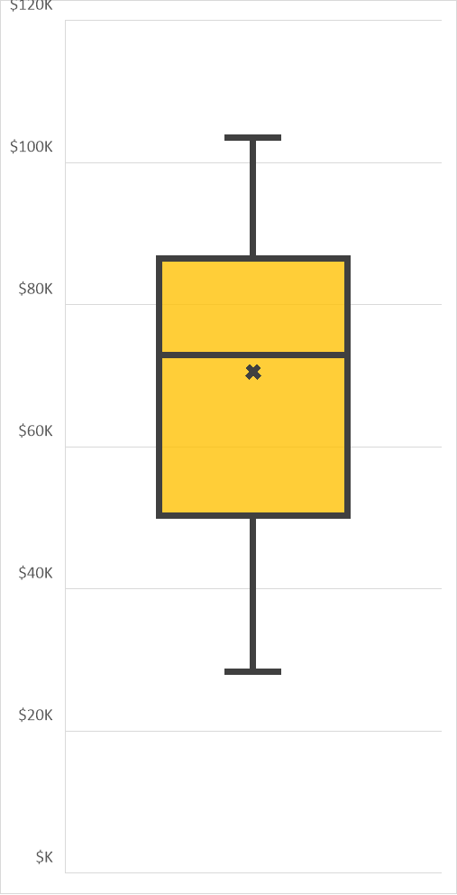
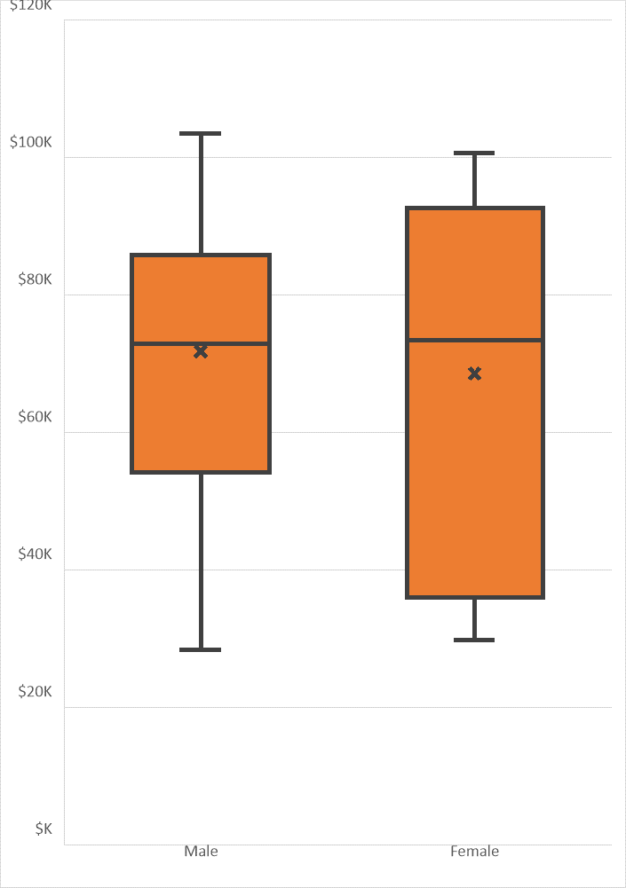
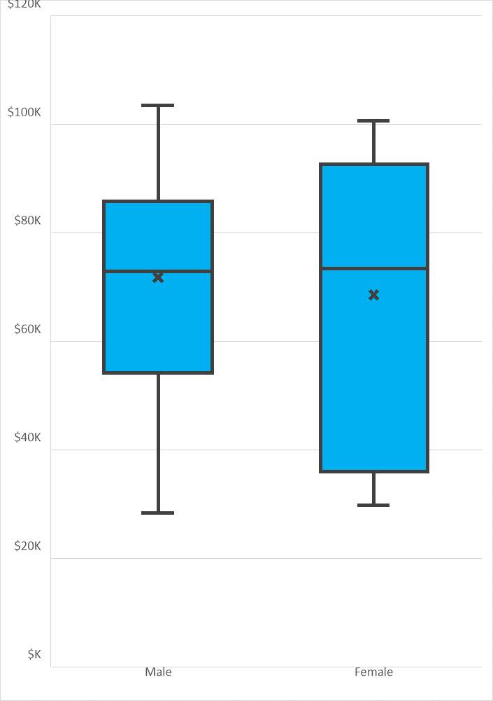
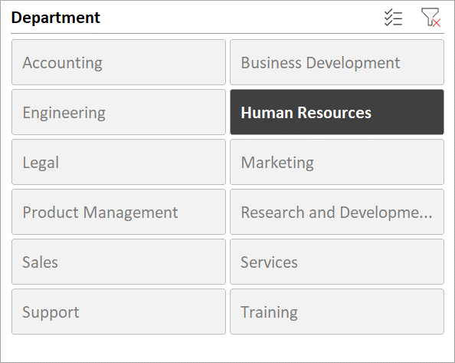

fx

