説明
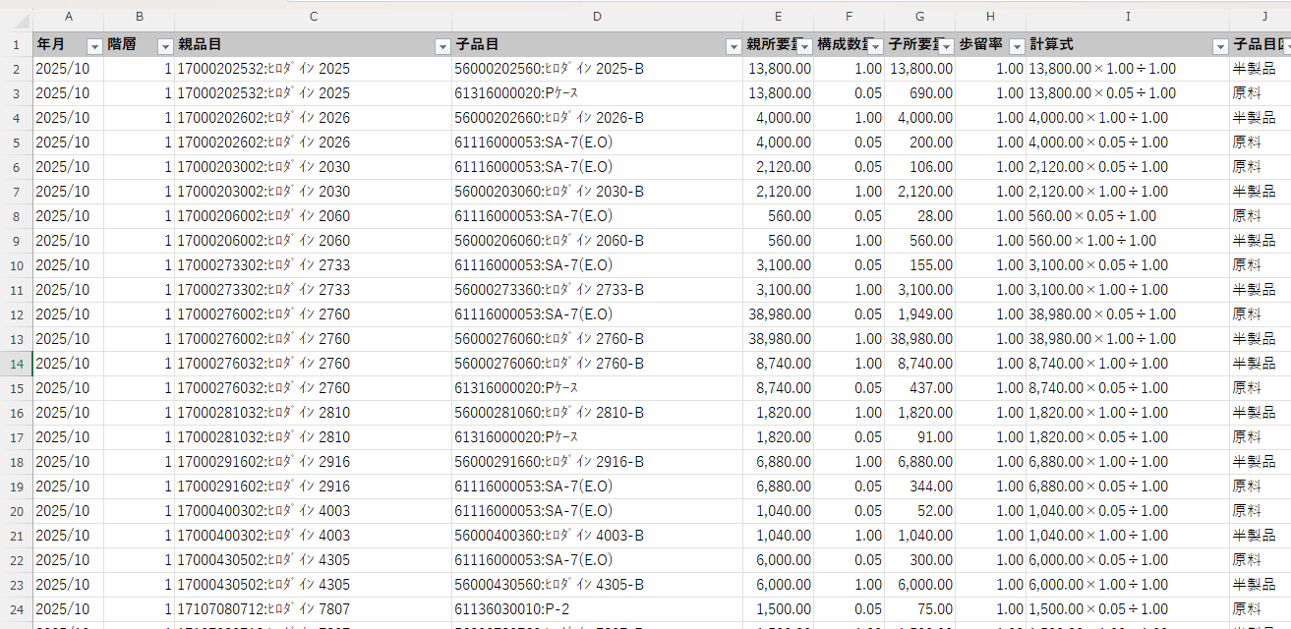
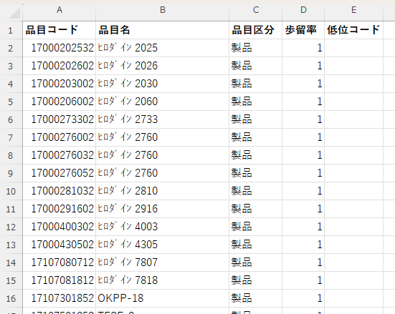
所要量計算概要
 | 生産計画 | ←YL_販売予実テーブル_単月の月次計画数慮 | 品目マスタ | 原単位（AM0020)
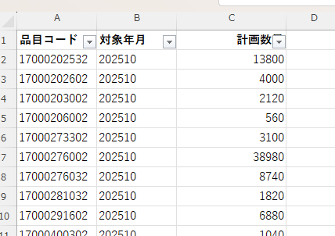

MRP計算
 |  |  | BOM←AM0020(構成）
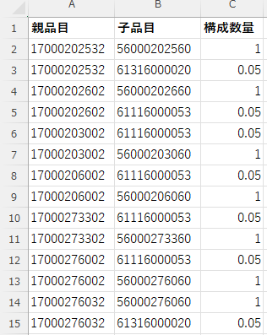

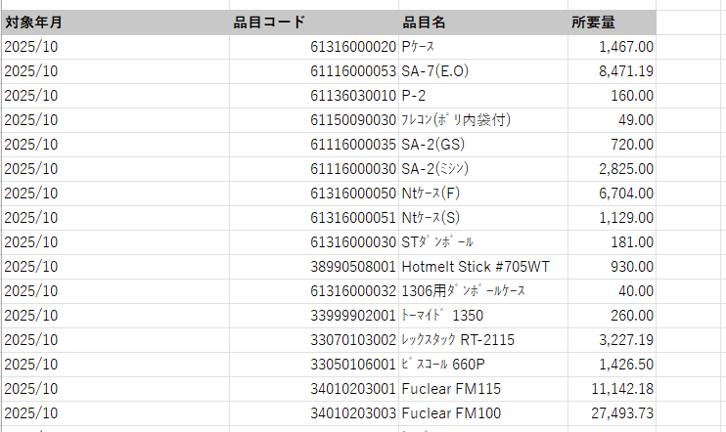
 |  |  |  |  |  | ★CopilotでMRPのVBAコードを生成
 | MRP結果まとめ
 |  |  |  |  |  | 生成されたコードで利用される各シートに、C1データを流し込む
 |  |  |  |  |  | 生産計画は、C1月次販売計画
 |  |  |  |  |  | BOMは、C1の構成と品目マスタから原単位を作成

 |  |  |  |  | MRP計算プロセス

