Chức năng quản lý loại sản phẩm
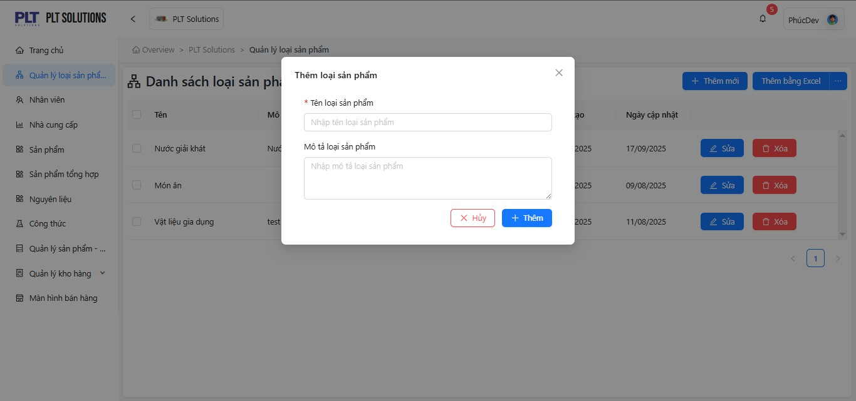
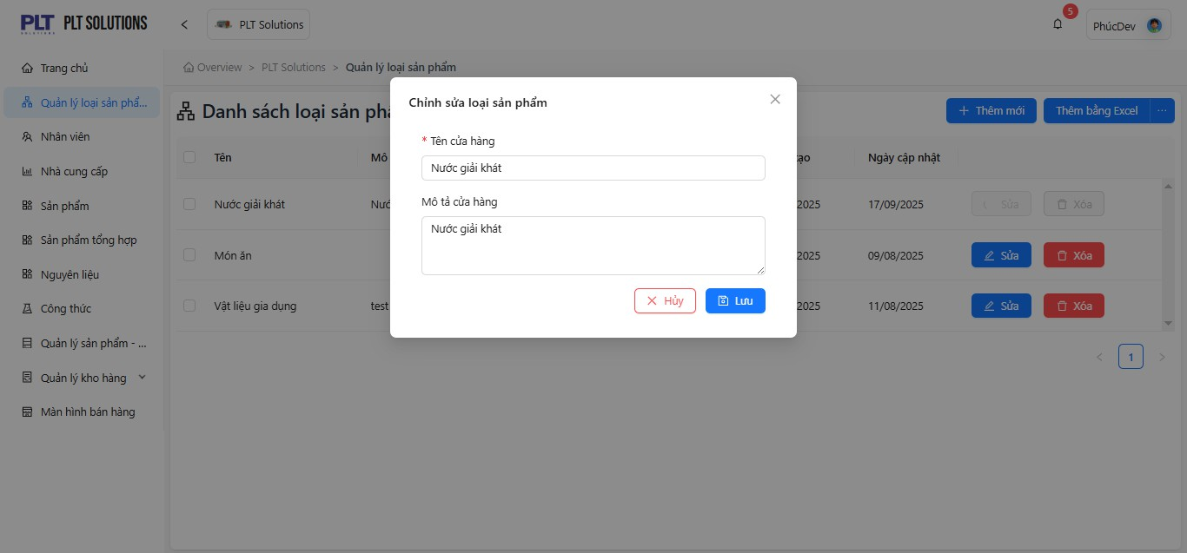
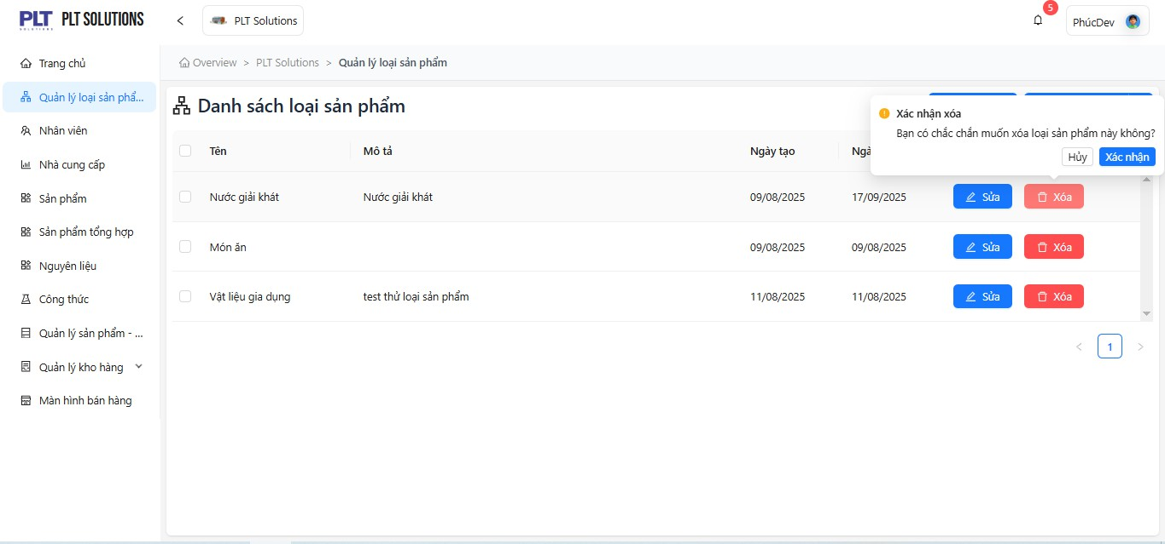
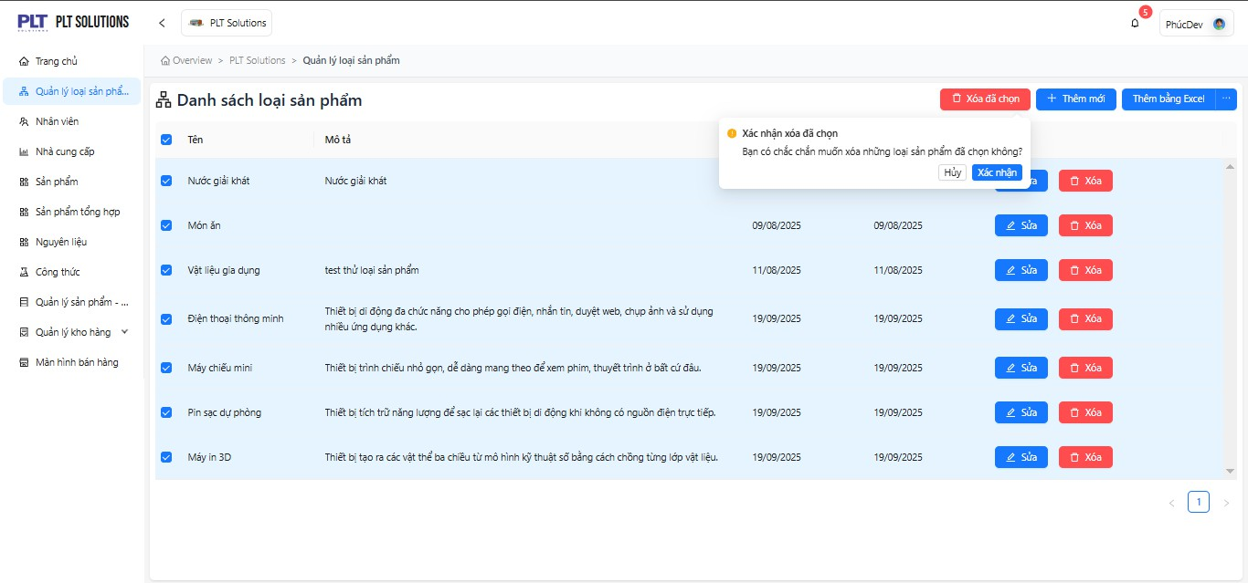
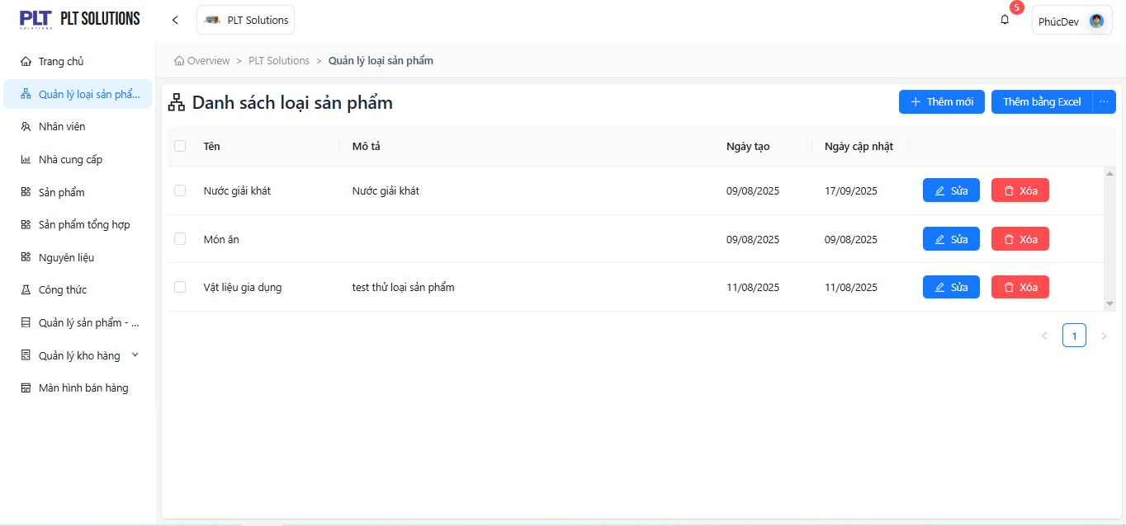
Function Description : - The Product Category Management function allows users to create, edit, delete, and view various product categories or product groups within the system. - It helps organize and classify products, making it easier to perform searching, reporting, and inventory management. - It ensures data consistency and synchronization by preventing product duplication and guaranteeing that each product is assigned to a specific category. User Groups : - Admin / Project Manager / Test Leader: have full permissions to create, edit, delete, or update product categories. - Tester / Developer: can only view category information and submit suggestions through the proposal textbox; only members who are assigned to the project can access its product category list. - Store Manager: creates, updates, or deletes product categories to manage the store’s product catalog. - Inventory Staff: selects product categories when performing stock-in, stock-out, or inventory checks. - Sales Staff: searches and filters product categories when browsing or selecting products in the POS interface. Relationships with Other Functions : - Product Management: Each product must belong to a specific category. When a category is deleted, the system must handle dependencies to prevent orphaned products. - Inventory Management: Inventory reports can be grouped and filtered by product category for better stock analysis. - Sales Management: The POS interface uses product categories to group and display products, allowing quick product lookup and order creation. - Report & Analytics: Sales reports and performance dashboards are often analyzed by product category to identify business trends. Constraints : - The Category Name must be unique within each store. - The Category Code is unique and either auto-generated or manually entered by the user. - A category can only be deleted if no product is currently assigned to it. - The system must validate all constraints before allowing edit or delete o

Chức năng nhân viên
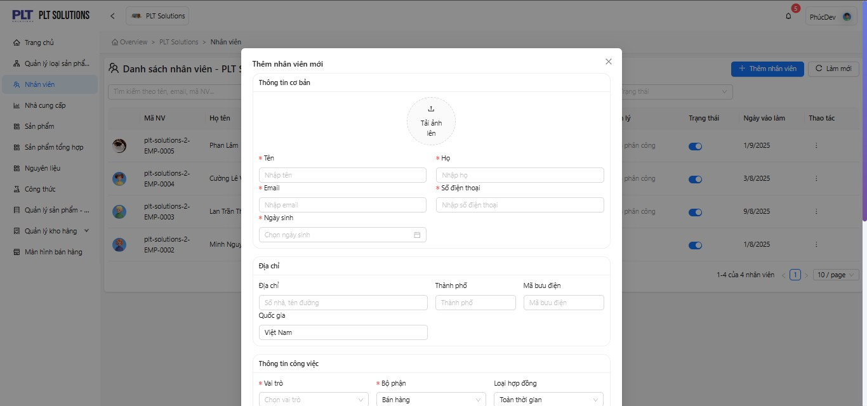
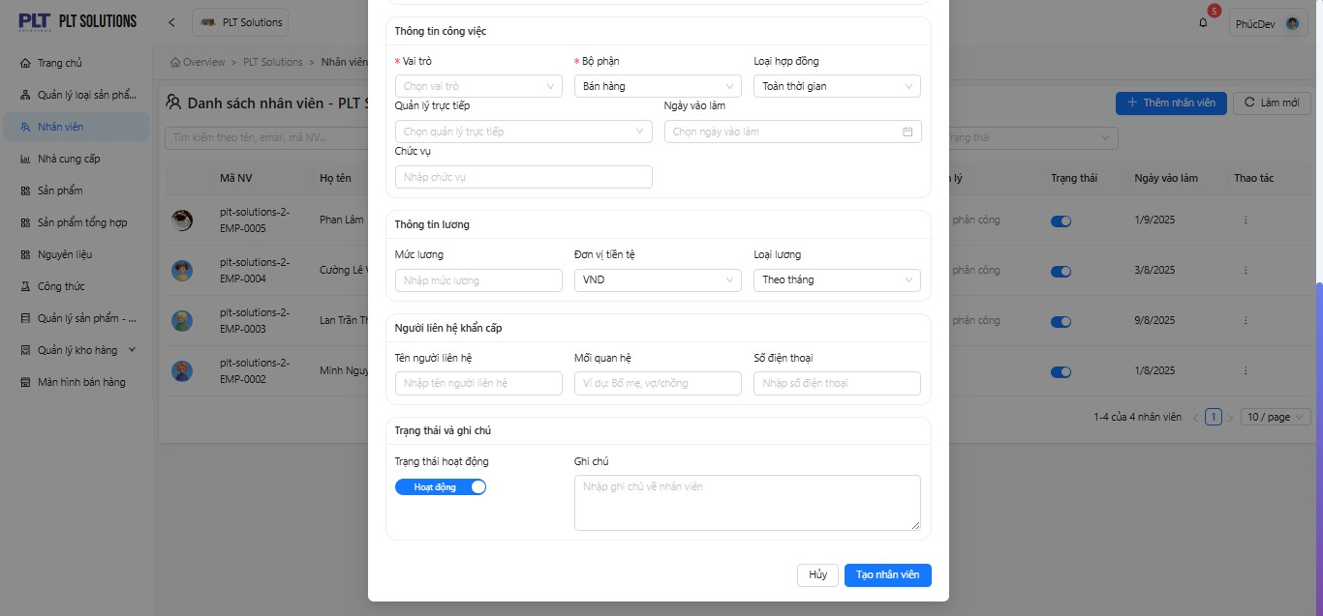
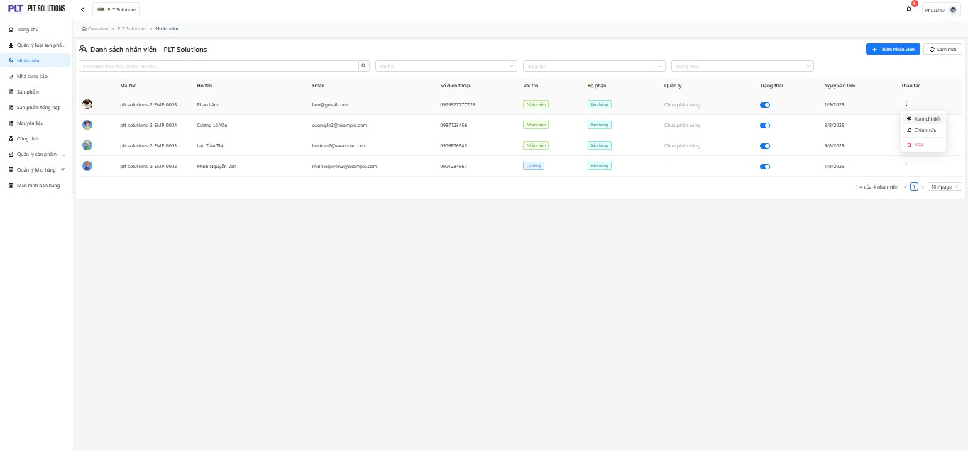
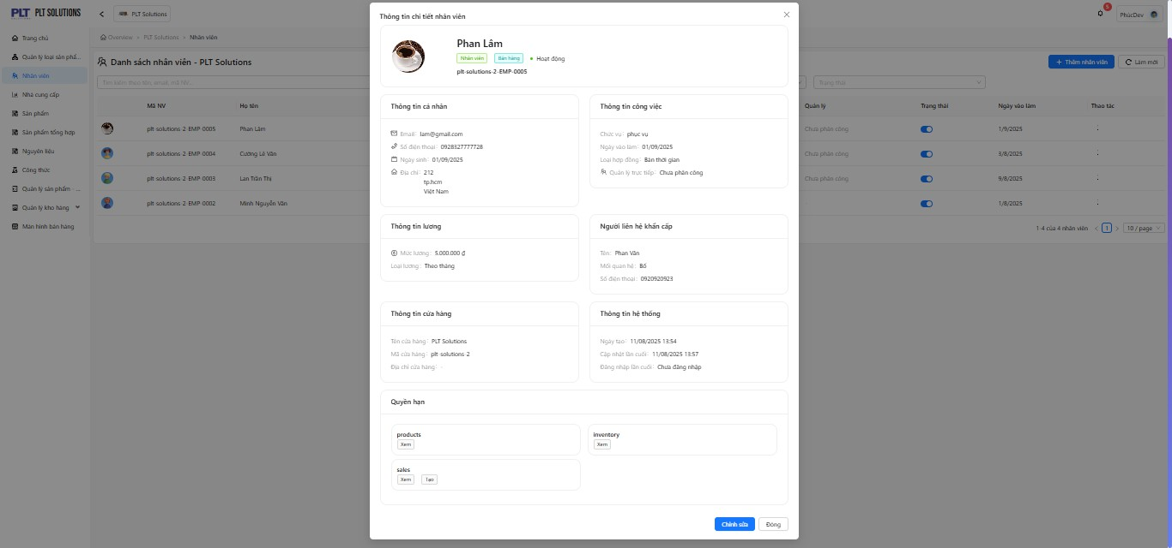
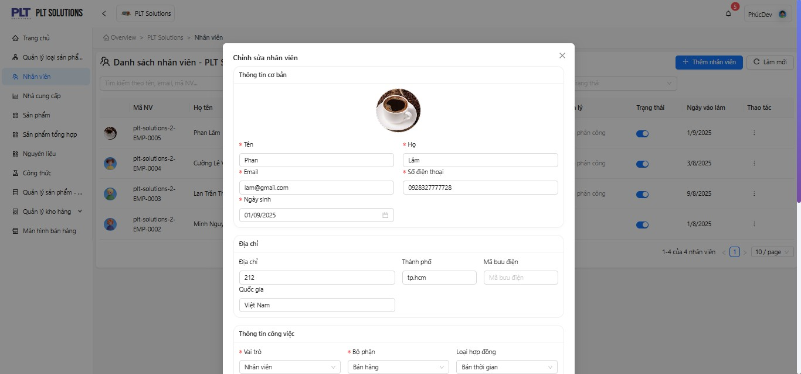
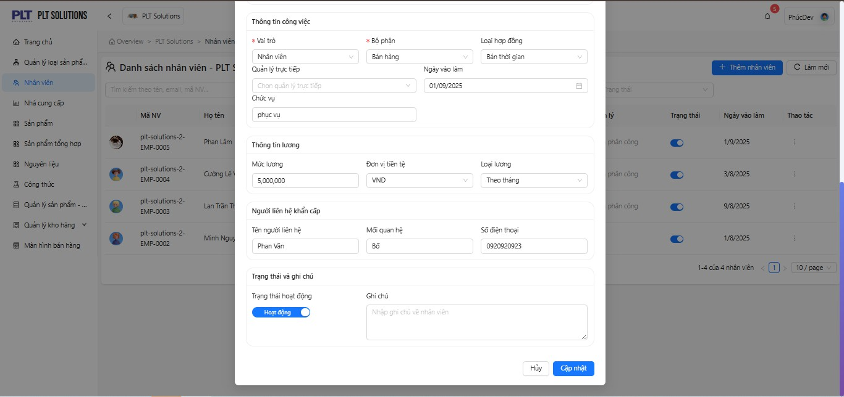
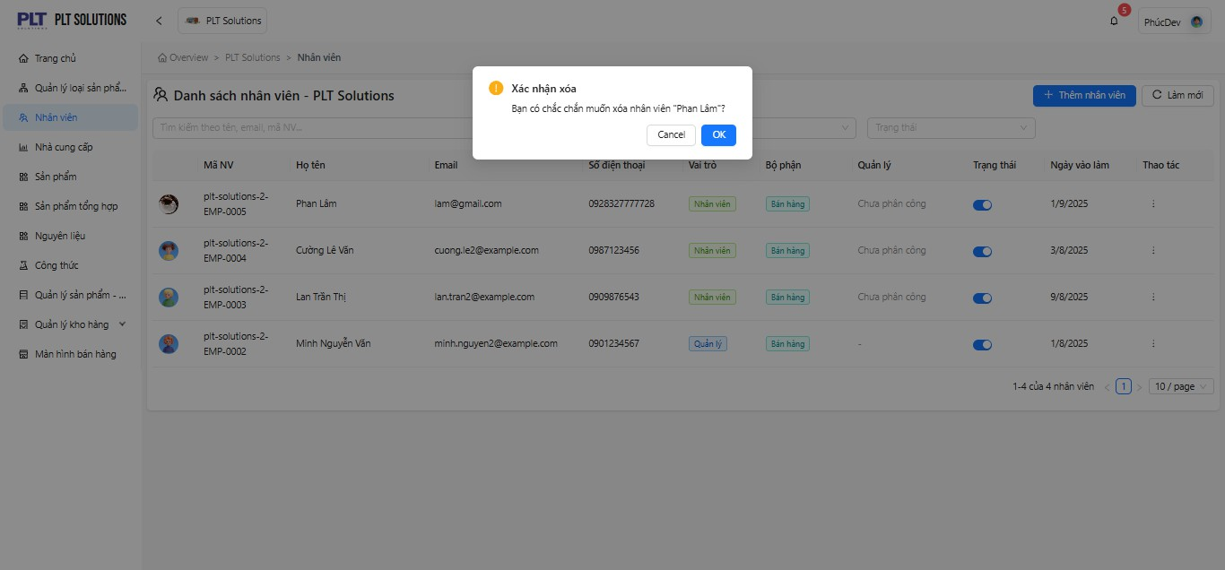
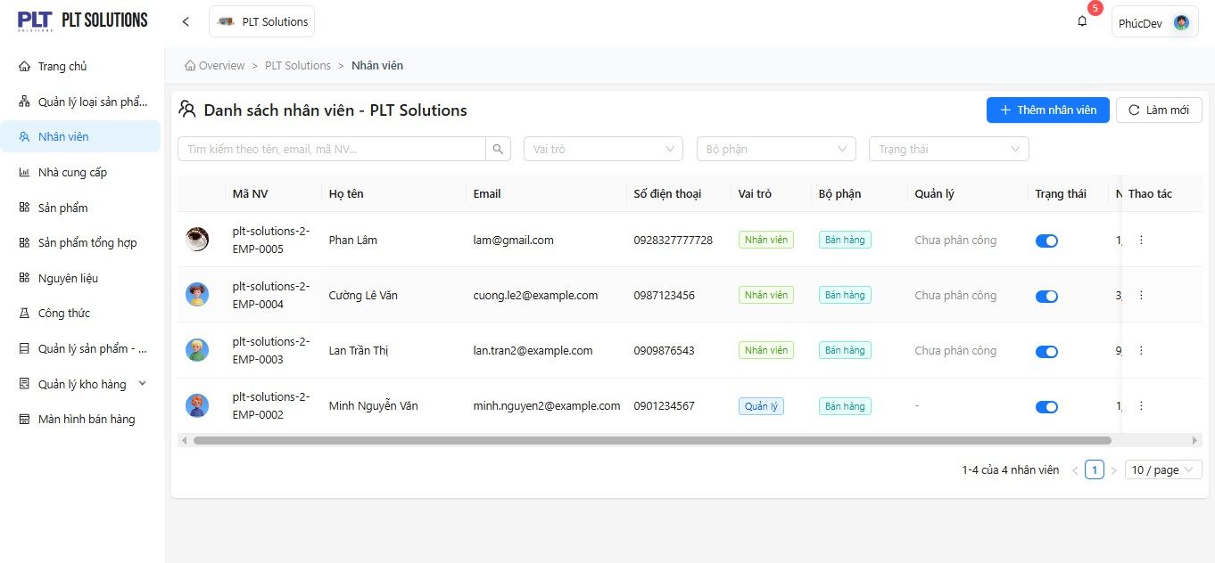
Function Description : - The Employee Management function allows system administrators and store owners to create, update, search, and manage employee information for a store or a chain of stores. - It stores employee data such as employee ID, full name, position, phone number, email, employment status, and start date. - It enables assigning roles and access permissions (User Roles) to each employee to control their level of system access. - It supports role-based operations such as sales, inventory management, reporting, and system administration. - It provides employee data to other system modules such as User Authentication, POS (Sales), and Performance Reports. - It manages all employee details, including ID, full name, email, phone number, address, position, role, and work status. - It allows adding new employees, editing existing information, or deleting employees who have resigned. - It serves as a foundation for performance analytics, shift management, and integration with other business modules. User Groups : - Admin / Project Manager / Test Leader: have full Admin / Project Manager / Test Leader: can create, edit, delete, and update employee records. -Tester / Developer: can only view employee information and provide suggestions via the proposal textbox. Only members who are assigned to the project can access its employee data. - Store Manager: has full control to create, assign roles, update, deactivate, or delete employee accounts. - Employee (Staff): uses assigned credentials to log in and perform actions within their permission scope (e.g., sales, warehouse operations, or data entry). - Accountant / Branch Manager: can access the employee list to review assignments, performance, or efficiency (if supported by the system). Relationships with Other Functions : - Sales Management: Sales staff use their employee accounts to create invoices and serve customers. Each sales transaction is recorded under the corresponding employee. - Inventory Management: Wa

Chức năng Nhà cung cấp
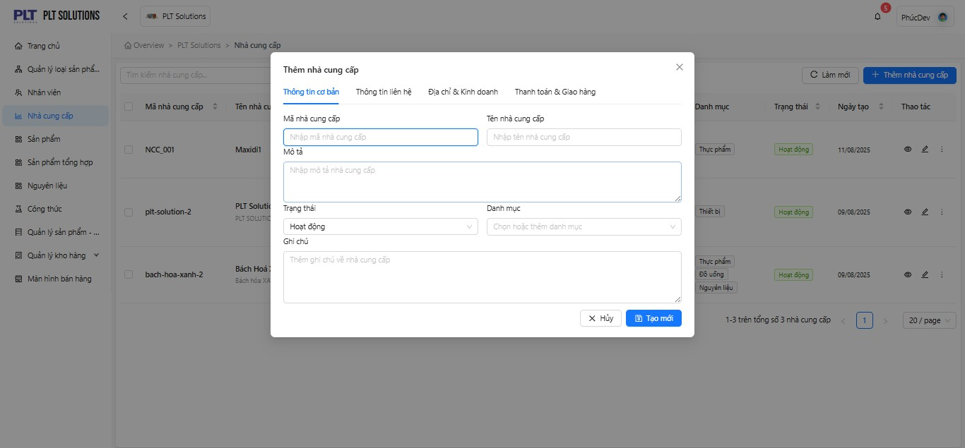
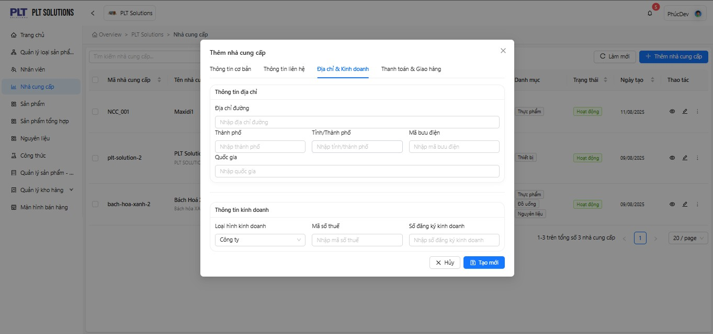
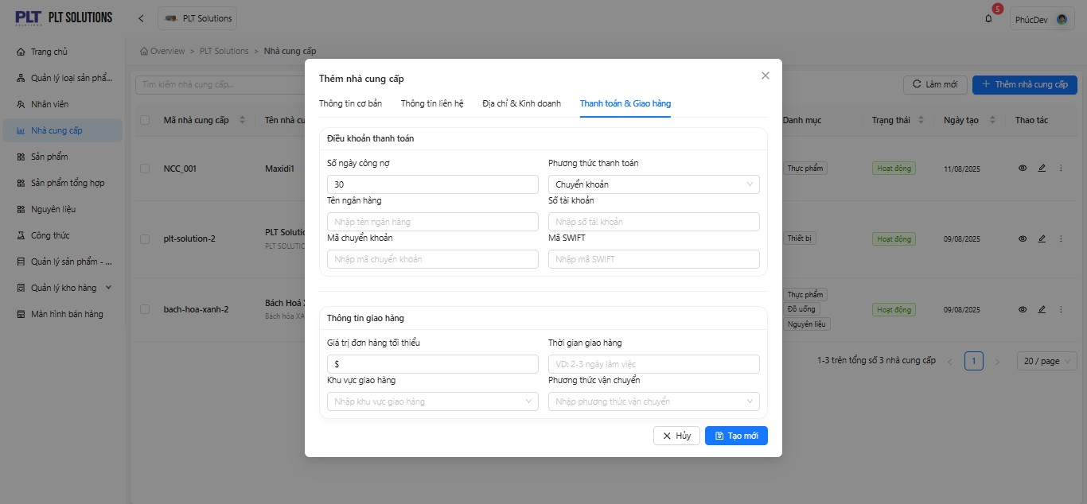
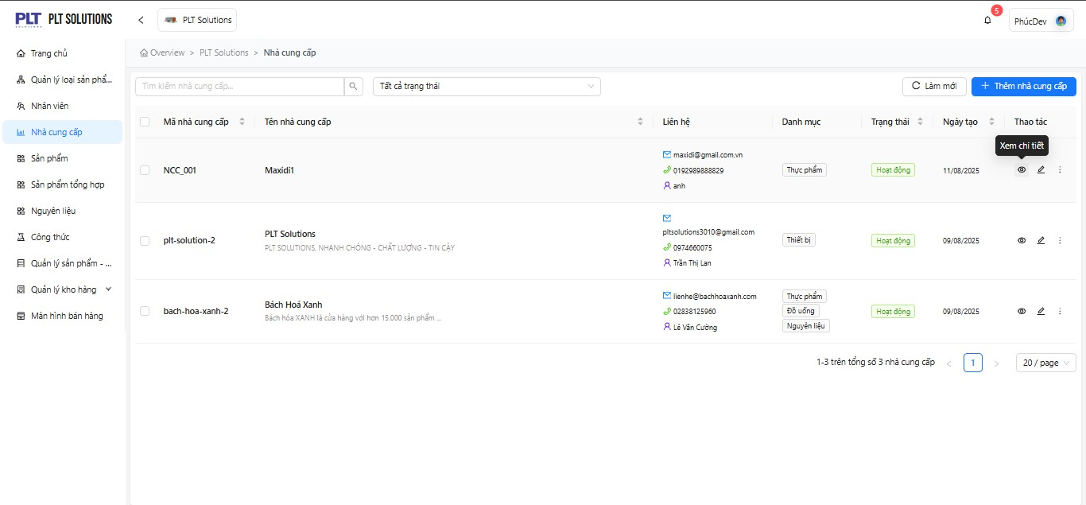
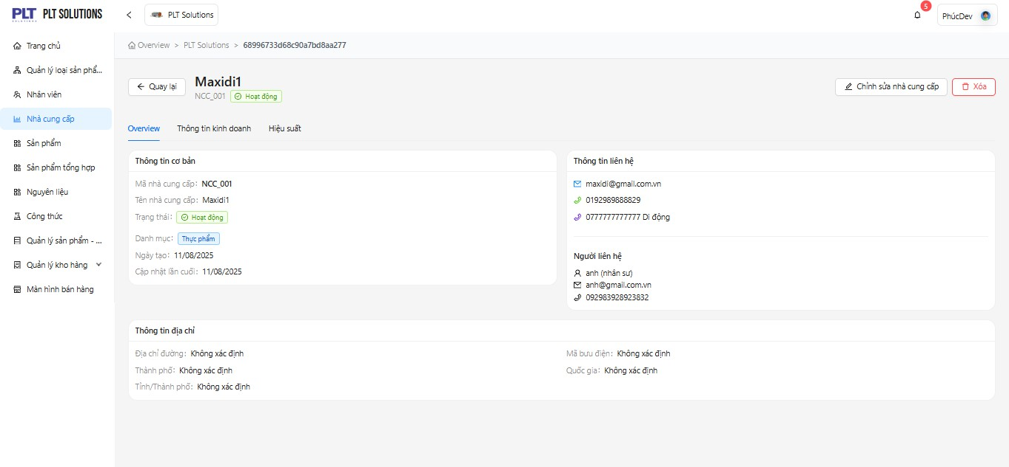
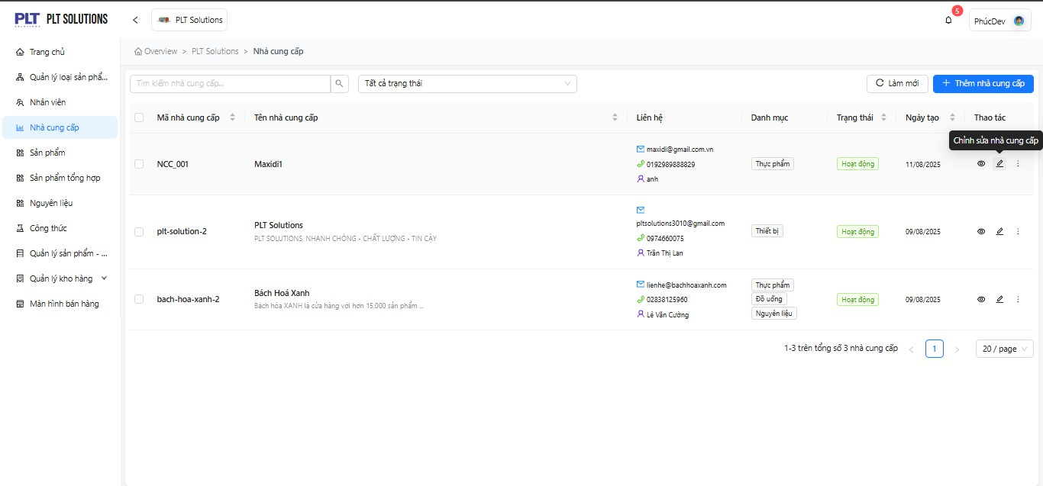
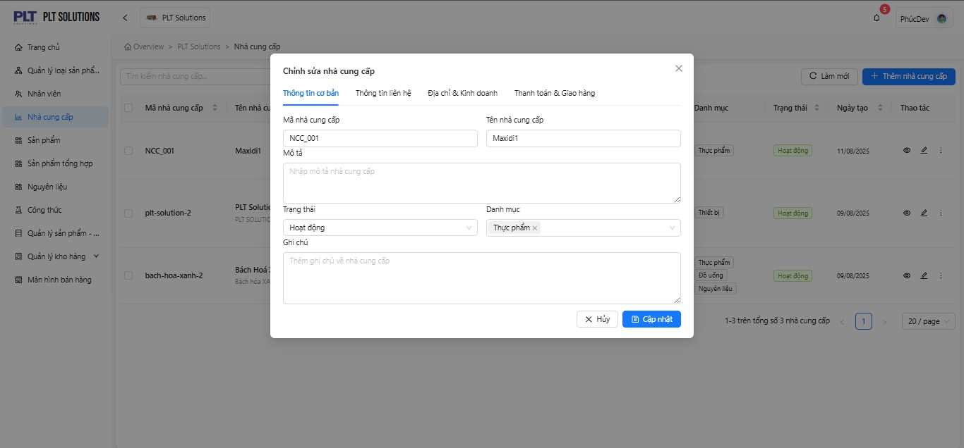
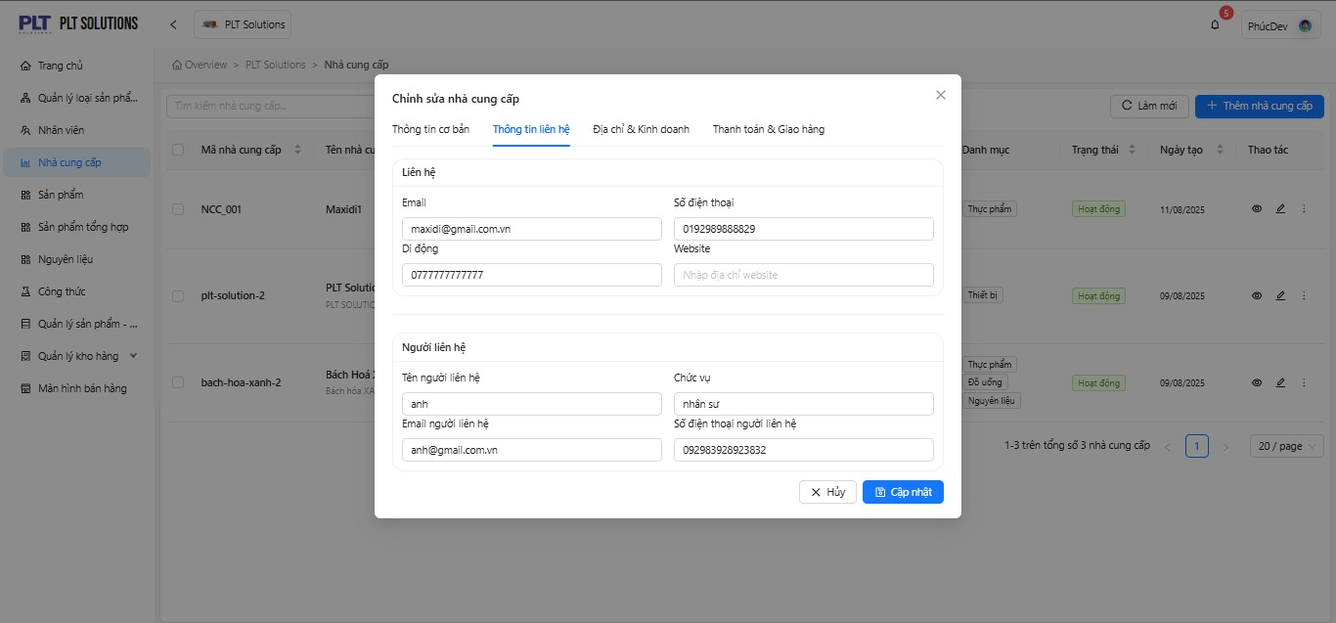
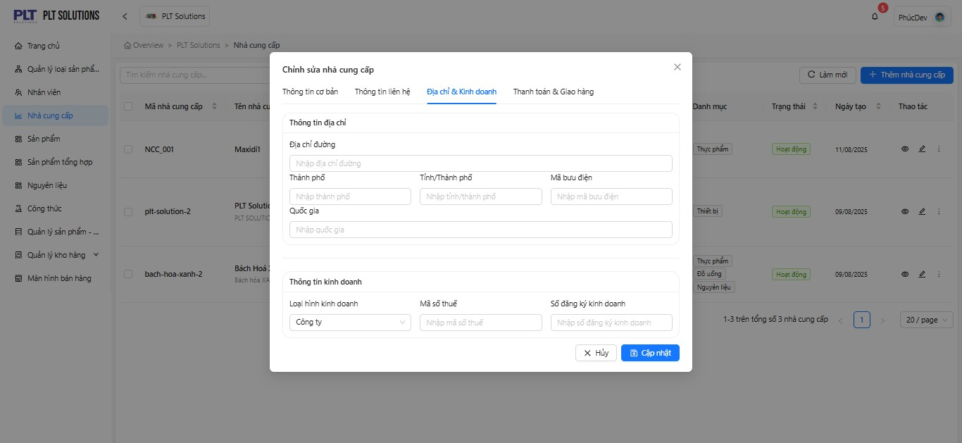
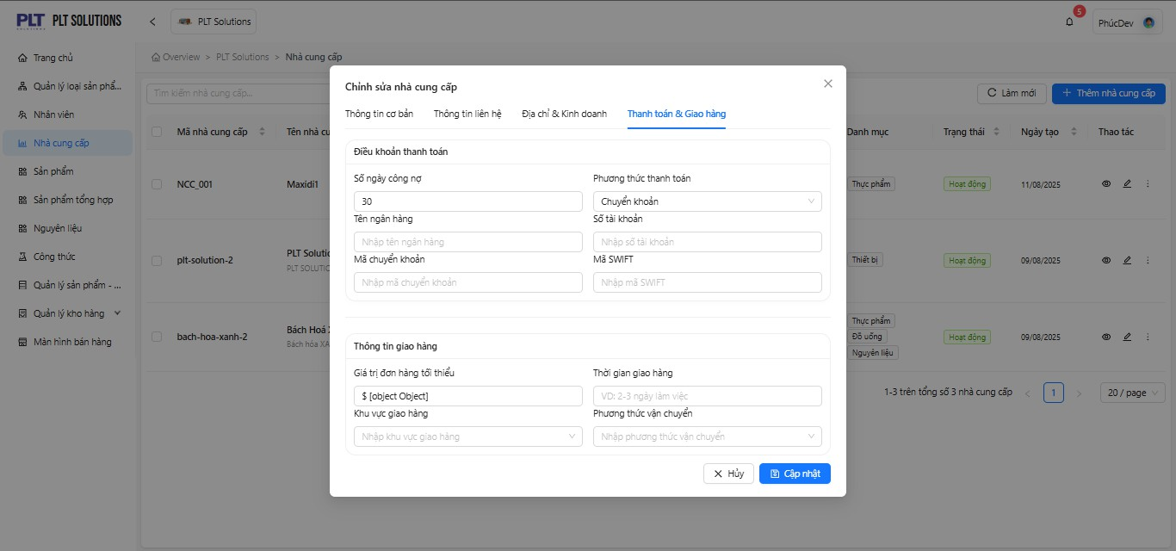
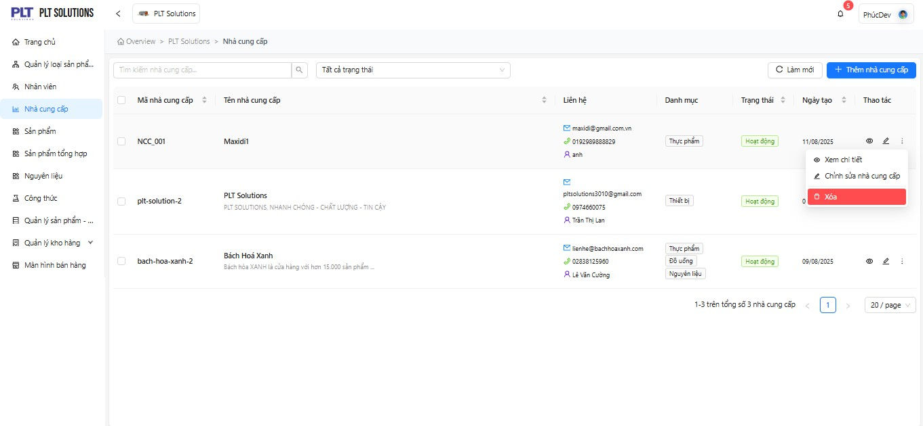
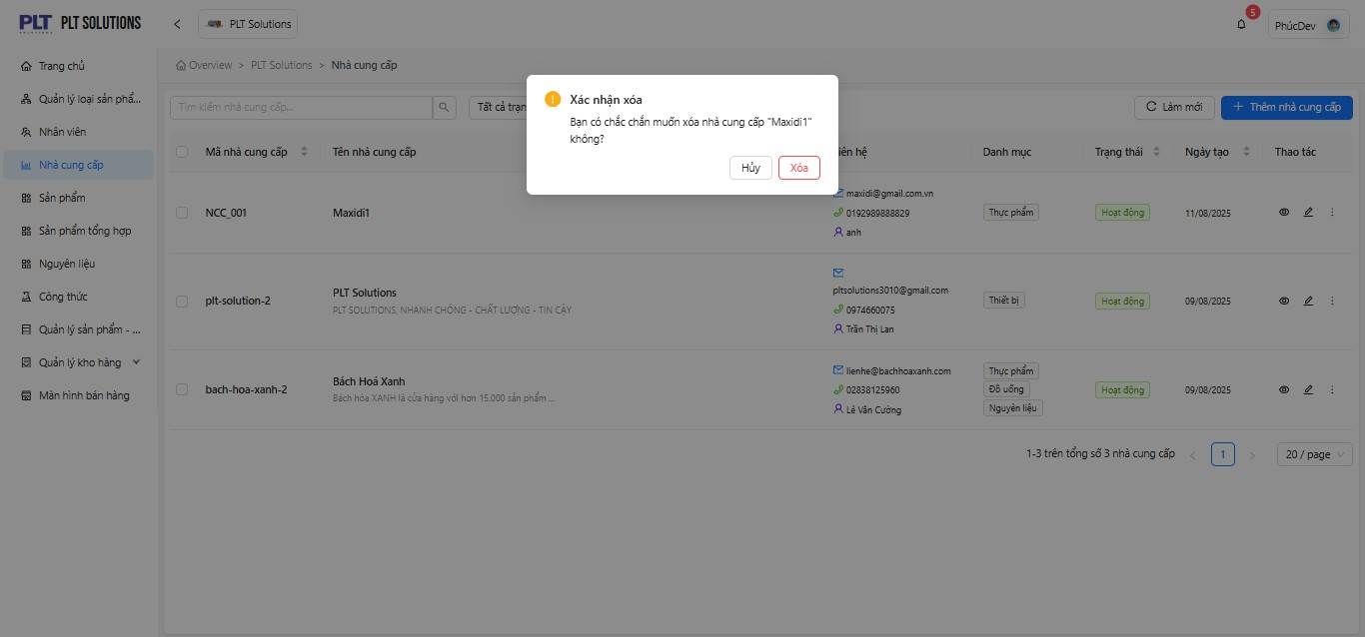
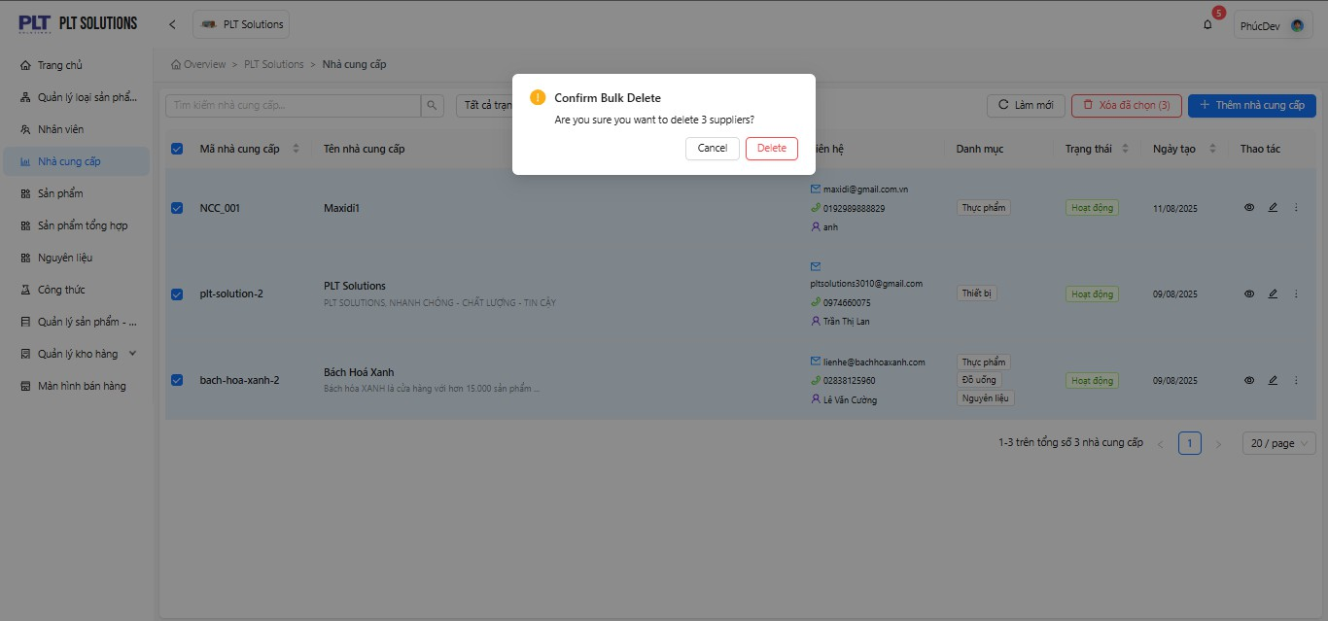
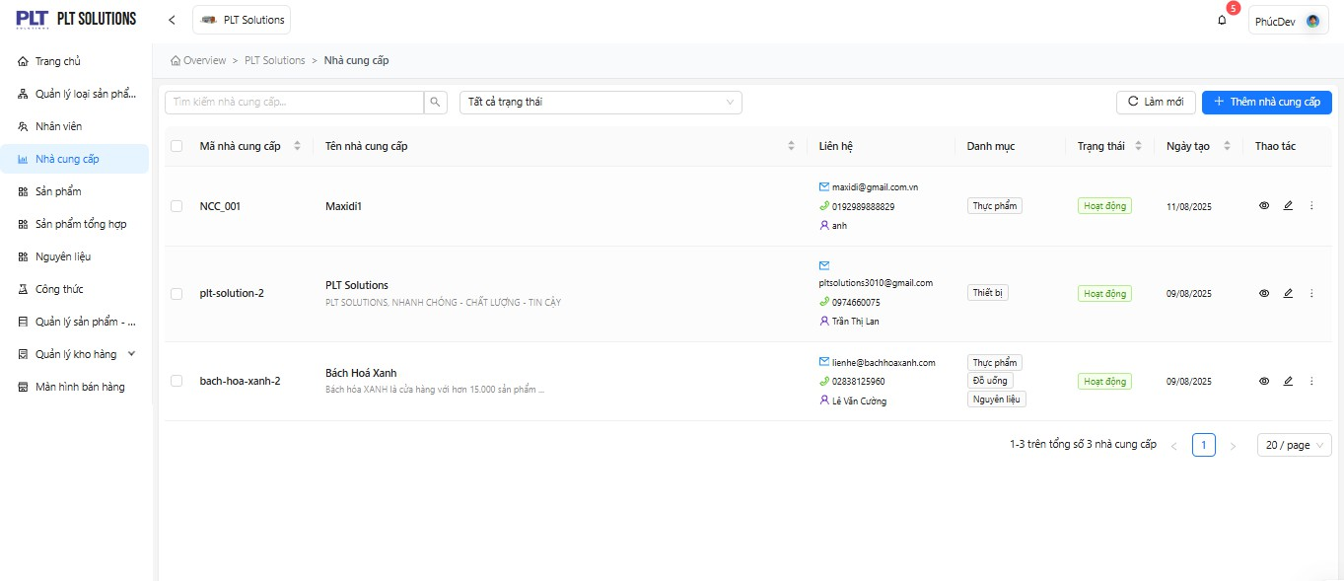
Function Description : - The Supplier Management function allows users to create, update, search, and track supplier information, including partners providing goods or raw materials to the store. - It manages the supplier list, allowing users to add, edit, delete, and search supplier records. It stores contact information, category classification, and activity status, and links supplier data with products, warehouse, and reporting modules. - It maintains records of active and historical suppliers that the store has worked with. - It stores detailed information such as contact details, address, tax ID, and business status. - It integrates with the Purchase/Import function to track supply sources. - It supports reporting and analytics on imported goods, cost management, and supplier debts. User Groups : - Admin / Project Manager / Test Leader: have full permissions to create, edit, delete, or update supplier records. - Tester / Developer: can only view supplier information and submit feedback through the suggestion textbox; only members assigned to the project can access related data. - Warehouse Staff: can add or update supplier details when recording new purchase transactions. - Store Manager: reviews, edits, and deactivates supplier accounts when necessary. - Purchasing Staff: uses supplier data to place orders and contact vendors. Relationships with Other Functions : - Ingredient Management: Suppliers provide raw materials that are imported into the warehouse. - Warehouse / Import Management: Each purchase order or import receipt is associated with a specific supplier. - Product Management: Certain products may be linked with a default supplier to simplify reordering and restocking. - Report & Analytics: Supplier data is used to generate reports on import volume, transaction values, and outstanding debts per supplier. - Roles / Access Control: Defines which users are authorized to add, edit, or deactivate supplier information. - System Integration: Connected to pr

