Evident
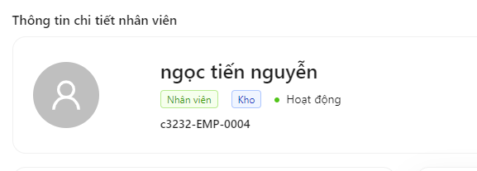
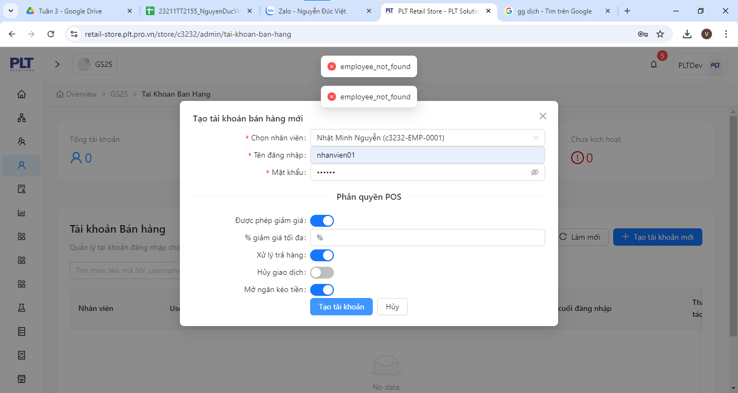
DF_01

DF_02

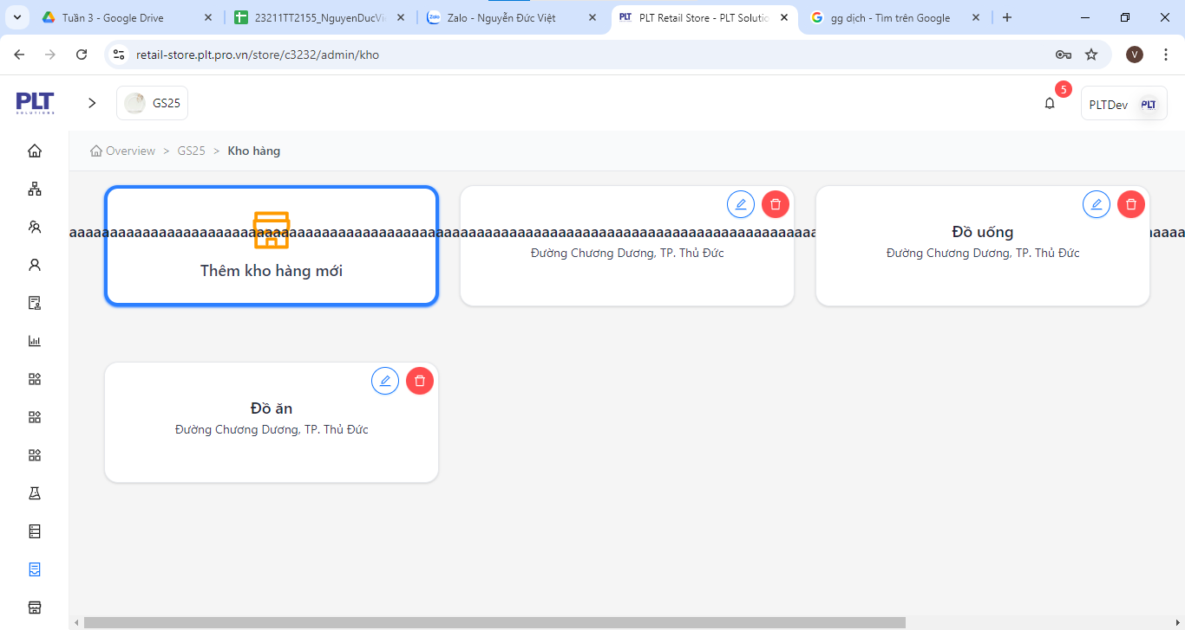
DF_03

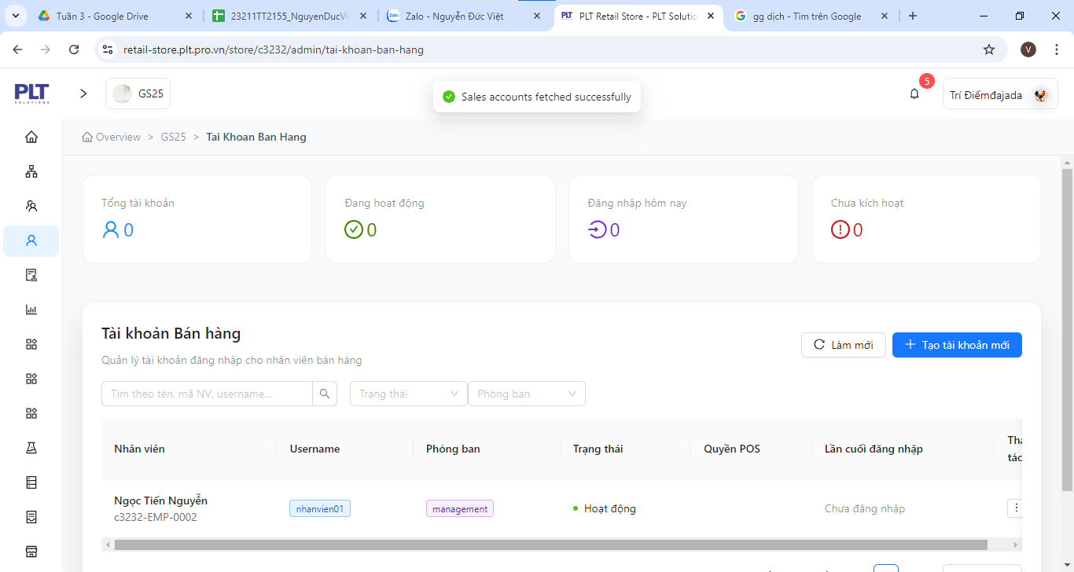
DF_04

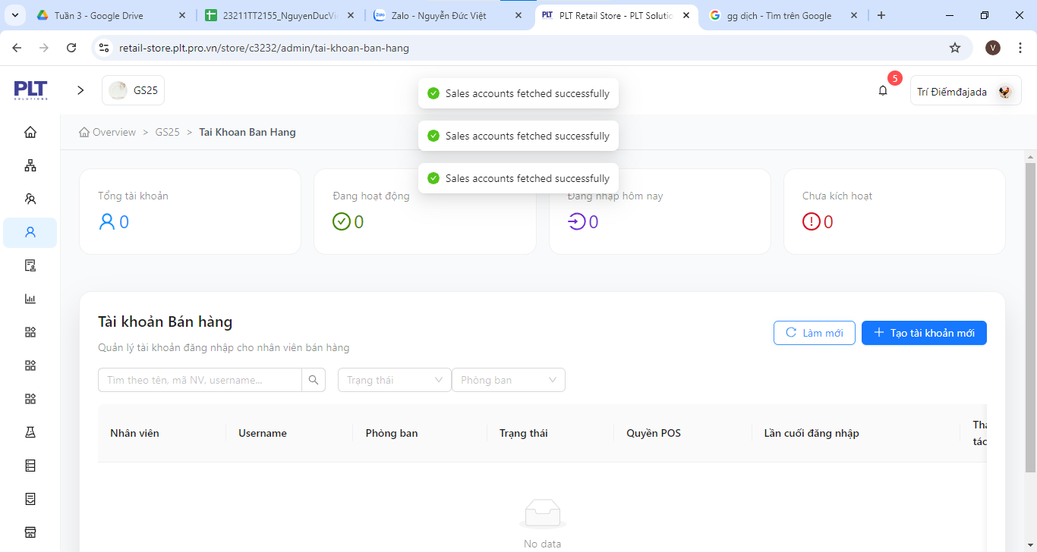

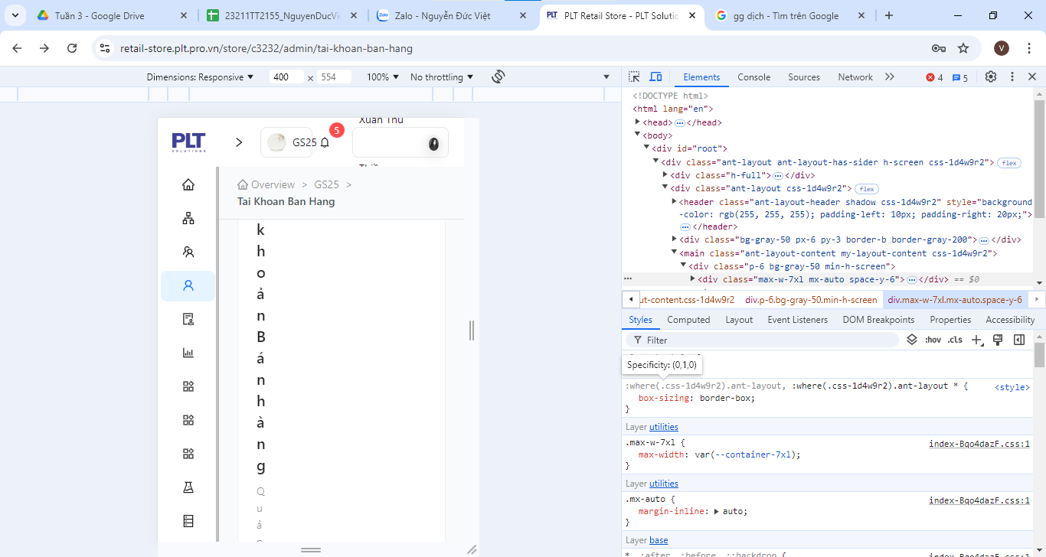
DF_05

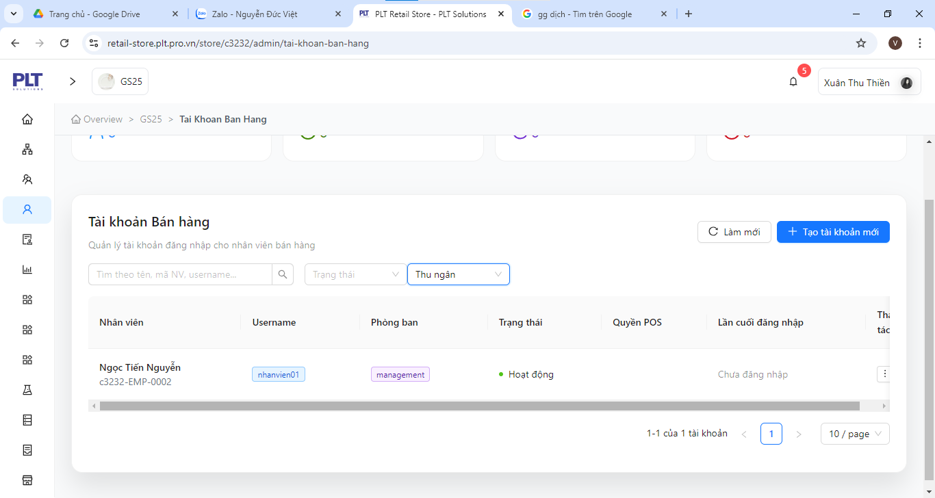
DF_06

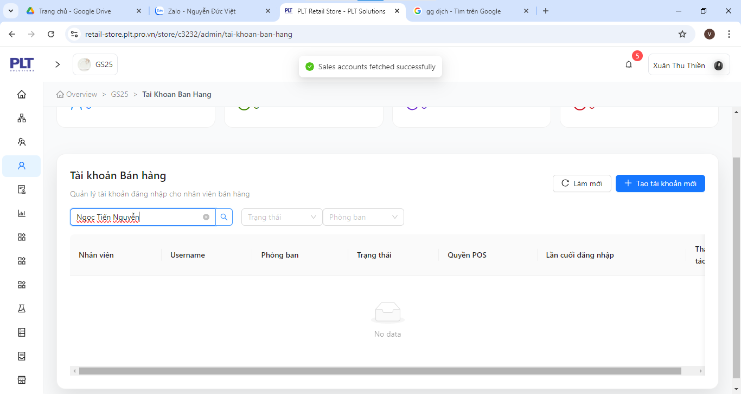
DF_07

DF_08

Free Test
Defect ID | Title | Screen | Pre-condition | Steps | Expected Results | Actual results | Priority | Serverity | Date | Owner | TC'ID | Build | System | Assign To | Status | Evident (Hình ảnh lỗi)
DF_01 | Duplicate name error (case insensitive) | Employee Screen | Login account success | 1. Log in to the software 2. Select Employee 3. Click Add Employee 4. Enter employee name duplicate (lowercase) 5. Enter remain information 6. Click Create employee | 1. Login successful 2. Employee screen display 3. Create new employee screen display 4. Error display: "Name already exist" 5. Can enter normaly 6. Can't Create because phone number error | 6. Can create normaly | High | Medium | 2025-11-03 | Chung Anh Hiệu | TC_22 | Build 1.0 | Asus Win 10 | Dev | New
DF_02 | Layout error on mobile | All Function | Login success | 1. Use mobile device to login the software 2. Check the layout | 1. Login successful 2. Layout display normal | 2.Layout error on mobile | High | High | 2025-11-03 | Chung Anh Hiệu | TC_19 | Build 1.0 | Asus Win 10 | Dev | New
DF_03 | Error can input whitespaces and no error message appear | Employee Screen | Login success | 1.Log in to the software 2.Select Employee 3.Click add employee 4.Input whitespaces at employee name 5.Check the result | 1.Login successful 2.Employee screen appears 3.Add employee screen appear 4.Can input whitespaces 5.Immediatly a error message appear | 5.No error message until click Create | Low | Medium | 2025-11-03 | Chung Anh Hiệu | TC_33 | Build 1.0 | Asus Win 10 | Dev | New | 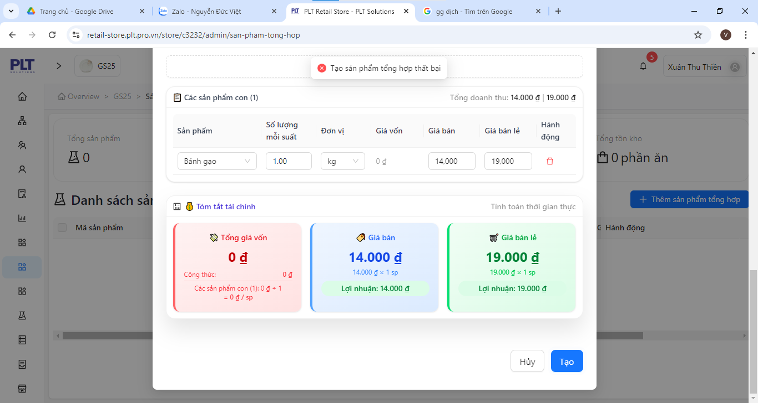 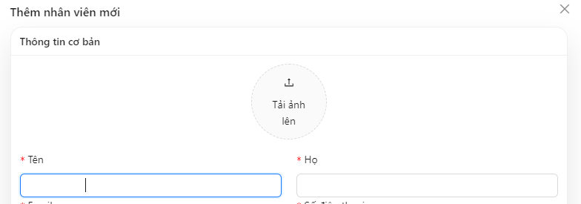
DF_04 | Error can input special characters and no error message appear | Employee Screen | Login success | 1.Log in to the software 2.Select Employee 3.Click add employee 4.Input special characters at employee name 5.Check the result | 1.Login successful 2.Employee screen appears 3.Add employee screen appear 4.Can input special characters 5.Immediatly a error message appear | 5.No error message until click Create | Low | Medium | 2025-11-03 | Chung Anh Hiệu | TC_06 | Build 1.0 | Asus Win 10 | Dev | New | 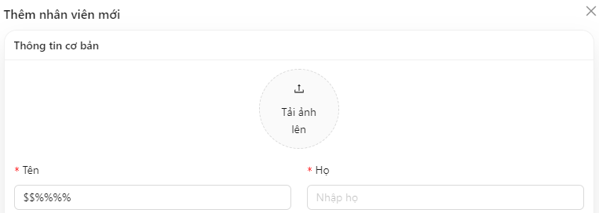
DF_05 | Error filling spaces in non-required fields | Employee Screen | Login success | 1.Log in to the software 2.Select Employee 3.Click add employee 4.Input whitespaces in non-required fields(Relationship field,…) 5.Check the result | 1.Login successful 2.Employee screen appears 3.Add employee screen appear 4.Can input whitespaces 5.Immediatly a error message appear | 5.No error message | Low | Low | 2025-11-03 | Chung Anh Hiệu | TC_07 | Build 1.0 | Asus Win 10 | Dev | New
DF_06 | Error can input day of work equal to 1 day in the past | Employee Screen | Login success | 1.Log in to the software 2.Select Employee 3.Click add employee 4.Input day of work equal to 1 day in the past 5.Check the result | 1.Login successful 2.Employee screen appears 3.Add employee screen appear 4.Can input normally 5.Immediatly a error message appear | 5.No error message | Medium | Low | 2025-11-03 | Chung Anh Hiệu | TC_08 | Build 1.0 | Asus Win 10 | Dev | New
DF_07 | Error entering number in position field | Employee Screen | Login success | 1.Log in to the software 2.Select Employee 3.Click add employee 4.Input number in position field 5.Check the result | 1.Login successful 2.Employee screen appears 3.Add employee screen appear 4.Can input normally 5.Immediatly a error message appear | 5.No error message | Medium | Low | 2025-11-03 | Chung Anh Hiệu | TC_09 | Build 1.0 | Asus Win 10 | Dev | New
DF_08 | Error entering special characters in country field | Employee Screen | Login success | 1.Log in to the software 2.Select Employee 3.Click add employee 4.Input special characters in country field 5.Check the result | 1.Login successful 2.Employee screen appears 3.Add employee screen appear 4.Can input normally 5.Immediatly a error message appear | 5.No error message | Medium | Low | 2025-11-03 | Chung Anh Hiệu | TC_10 | Build 1.0 | Asus Win 10 | Dev | New
DF_09 | Error entering whitespaces in country field | Employee Screen | Login success | 1.Log in to the software 2.Select Employee 3.Click add employee 4.Input whitespaces in country field 5.Check the result | 1.Login successful 2.Employee screen appears 3.Add employee screen appear 4.Can input normally 5.Immediatly a error message appear | 5.No error message | Medium | Low | 2025-11-03 | Chung Anh Hiệu | TC_11 | Build 1.0 | Asus Win 10 | Dev | New
DF_10 | Error entering number in country field | Employee Screen | Login success | 1.Log in to the software 2.Select Employee 3.Click add employee 4.Input numbers in country field 5.Check the result | 1.Login successful 2.Employee screen appears 3.Add employee screen appear 4.Can input normally 5.Immediatly a error message appear | 5.No error message | Medium | Low | 2025-11-03 | Chung Anh Hiệu | TC_12 | Build 1.0 | Asus Win 10 | Dev | New
DF_11 | Error entering special characters in city field | Employee Screen | Login success | 1.Log in to the software 2.Select Employee 3.Click add employee 4.Input special characters in city field 5.Check the result | 1.Login successful 2.Employee screen appears 3.Add employee screen appear 4.Can input normally 5.Immediatly a error message appear | 5.No error message | Medium | Medium | 2025-11-03 | Chung Anh Hiệu | TC_13 | Build 1.0 | Asus Win 10 | Dev | New
DF_12 | Error entering number in city field | Employee Screen | Login success | 1.Log in to the software 2.Select Employee 3.Click add employee 4.Input number in city field 5.Check the result | 1.Login successful 2.Employee screen appears 3.Add employee screen appear 4.Can input normally 5.Immediatly a error message appear | 5.No error message | Medium | Low | 2025-11-03 | Chung Anh Hiệu | TC_15 | Build 1.0 | Asus Win 10 | Dev | New
DF_13 | Error entering only number in product type name | List of product types screen | Login success | 1.Log in to the software 2.Select product type management 3.Click Add new 4.Input only number in product type name 5.Click Add | 1.Login successful 2.Product type management screen appear 3.Add new product type screen appear 4.Can input normally 5.Can't Add | 5.Can add normally | Medium | Medium | 2025-11-03 | Chung Anh Hiệu | TC_17 | Build 1.0 | Asus Win 10 | Dev | New | 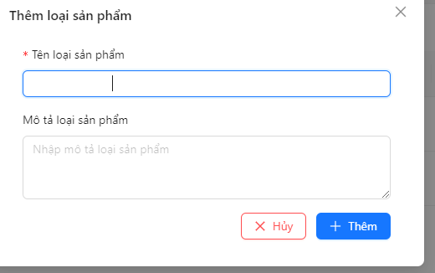 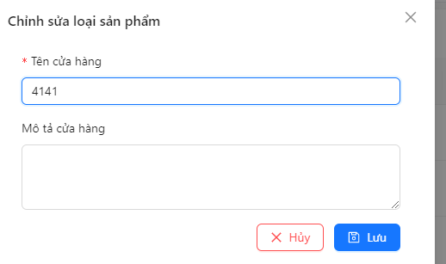
DF_14 | Error entering only special character in product type name | List of product types screen | Login success | 1.Log in to the software 2.Select product type management 3.Click Add new 4.Input only special character in product type name 5.Click Add | 1.Login successful 2.Product type management screen appear 3.Add new product type screen appear 4.Can input normally 5.Can't Add | 5.Can add normally | Medium | Medium | 2025-11-03 | Chung Anh Hiệu | TC_18 | Build 1.0 | Asus Win 10 | Dev | New | 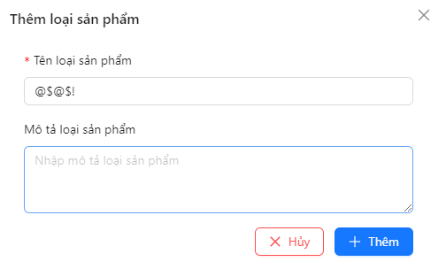
DF_15 | Error can enter number in supplier name field | Supplier screen | Login success | 1.Log in to the software 2.Select Supplier 3.Click Add supplier 4.Input only numbers in supplier name 5.Click Add | 1.Login successful 2.Supplier screen appear 3.Add supplier screen appear 4.Can input normally 5.Can't add | 5.Can add normally | High | Medium | 2025-11-03 | Chung Anh Hiệu | TC_19 | Build 1.0 | Asus Win 10 | Dev | New
DF_16 | Error can enter specal character in supplier name field | Supplier screen | Login success | 1.Log in to the software 2.Select Supplier 3.Click Add supplier 4.Input only special character in supplier name 5.Click Add | 1.Login successful 2.Supplier screen appear 3.Add supplier screen appear 4.Can input normally 5.Can't add | 5.Can add normally | High | Medium | 2025-11-03 | Chung Anh Hiệu | TC_20 | Build 1.0 | Asus Win 10 | Dev | New
DF_17 | Error can enter whitespaces in supplier name field | Supplier screen | Login success | 1.Log in to the software 2.Select Supplier 3.Click Add supplier 4.Input only whitespaces in supplier name 5.Click Add | 1.Login successful 2.Supplier screen appear 3.Add supplier screen appear 4.Can input normally 5.Can't add | 5.Can add normally | High | Medium | 2025-11-03 | Chung Anh Hiệu | TC_21 | Build 1.0 | Asus Win 10 | Dev | New
DF_18 | Error entering contact name with special characters | Add supplier screen | Login success | 1.Log in to the software 2.Select Supplier 3.Click Add supplier 4.Input only special character in contract name 5.Click Add | 1.Login successful 2.Supplier screen appear 3.Add supplier screen appear 4.Can input normally 5.Can't add | 5.Can add normally | Medium | Medium | 2025-11-03 | Chung Anh Hiệu | TC_22 | Build 1.0 | Asus Win 10 | Dev | New
DF_19 | Error entering contact name with number only | Add supplier screen | Login success | 1.Log in to the software 2.Select Supplier 3.Click Add supplier 4.Input only number in contract name 5.Click Add | 1.Login successful 2.Supplier screen appear 3.Add supplier screen appear 4.Can input normally 5.Can't add | 5.Can add normally | Medium | Medium | 2025-11-03 | Chung Anh Hiệu | TC_23 | Build 1.0 | Asus Win 10 | Dev | New
DF_20 | Error entering contact name with whitespaces only | Add supplier screen | Login success | 1.Log in to the software 2.Select Supplier 3.Click Add supplier 4.Input only whitespace in contract name 5.Click Add | 1.Login successful 2.Supplier screen appear 3.Add supplier screen appear 4.Can input normally 5.Can't add | 5.Can add normally | Medium | Medium | 2025-11-03 | Chung Anh Hiệu | TC_24 | Build 1.0 | Asus Win 10 | Dev | New
DF_21 | Error entering dish name by number | Create recipe screen | Have ingredient | 1.Log in to the software 2.Select recipe 3.Click Add recipe 4.Input only number in dish name 5.Click Add | 1.Login successful 2.Recipe screen appear 3.Add recipe screen appear 4.Can input normally 5.Can't add | 5.Can add normally | Medium | Medium | 2025-11-03 | Chung Anh Hiệu | TC_25 | Build 1.0 | Asus Win 10 | Dev | New
DF_22 | Error entering dish name by special character | Create recipe screen | Have ingredient | 1.Log in to the software 2.Select recipe 3.Click Add recipe 4.Input only special character in dish name 5.Click Add | 1.Login successful 2.Recipe screen appear 3.Add recipe screen appear 4.Can input normally 5.Can't add | 5.Can add normally | Medium | Medium | 2025-11-03 | Chung Anh Hiệu | TC_26 | Build 1.0 | Asus Win 10 | Dev | New
DF_23 | Error entering dish name by whitespaces | Create recipe screen | Have ingredient | 1.Log in to the software 2.Select recipe 3.Click Add recipe 4.Input only whitespaces in dish name 5.Click Add | 1.Login successful 2.Recipe screen appear 3.Add recipe screen appear 4.Can input normally 5.Can't add | 5.Can add normally | Medium | Medium | 2025-11-03 | Chung Anh Hiệu | TC_27 | Build 1.0 | Asus Win 10 | Dev | New
DF_24 | Verify duplicate data restriction | Warehouse screen | Logged in | "1. After logging in to the website. 2. Tap the Inventory screen. 3. Then click on the warehouse function. 4. Enter the desired warehouse name. 5. Enter the desired warehouse address. 6. After entering, please check the correct information. 7. Press the save information button. 8. Duplicate display check. 9. Duplicate confirmation looks savable." | "7. Press the save information button. 8. Duplicate display check. 9. Duplicate confirmation looks savable." | 9. Duplicate confirmation looks savable. | High | Medium | 2025-11-03 | Chung Anh Hiệu | TC_28 | Build 1.0 | Asus Win 10 | Dev | New | 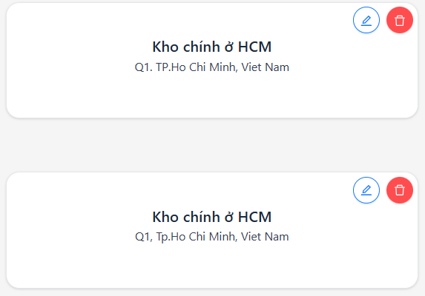
DF_25 | Verify search warehouse by name | Warehouse | Logged in | "1. Navigate to “Warehouse ”. 2. Enter the warehouse name in the search field (e.g., “HCM”). 3. Click the search icon or press Enter. 4. Observe the filtered list. 5. Verify that only matching warehouses appear." | "1. The system filters and displays warehouses matching the search keyword. 2. Non-matching warehouses are excluded. 3. The filtered list updates immediately without page reload." | 5. No search button to display | High | Medium | 2025-11-03 | Chung Anh Hiệu | TC_29 | Build 1.0 | Asus Win 10 | Dev | New | 
DF_27 | Verify pagination when number of warehouses exceeds page limit | Warehouse | Logged in | "1. Open the “Warehouse ” page. 2. Scroll to the bottom of the list. 3. Observe pagination controls (Next/Previous). 4. Click “Next Page”. 5. Observe the data display." | "1. Pagination controls are displayed correctly. 2. Clicking “Next Page” loads the next set of warehouses. 3. Data changes smoothly without overlapping or repetition." | 5. Not displaying the pages | High | Medium | 2025-11-03 | Chung Anh Hiệu | TC_30 | Build 1.0 | Asus Win 10 | Dev | New | 