Data 1
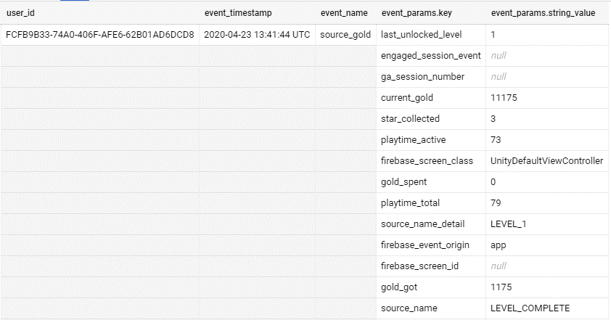
This the raw table looks like, where every parameter in the installed events are nested

