Sheet1
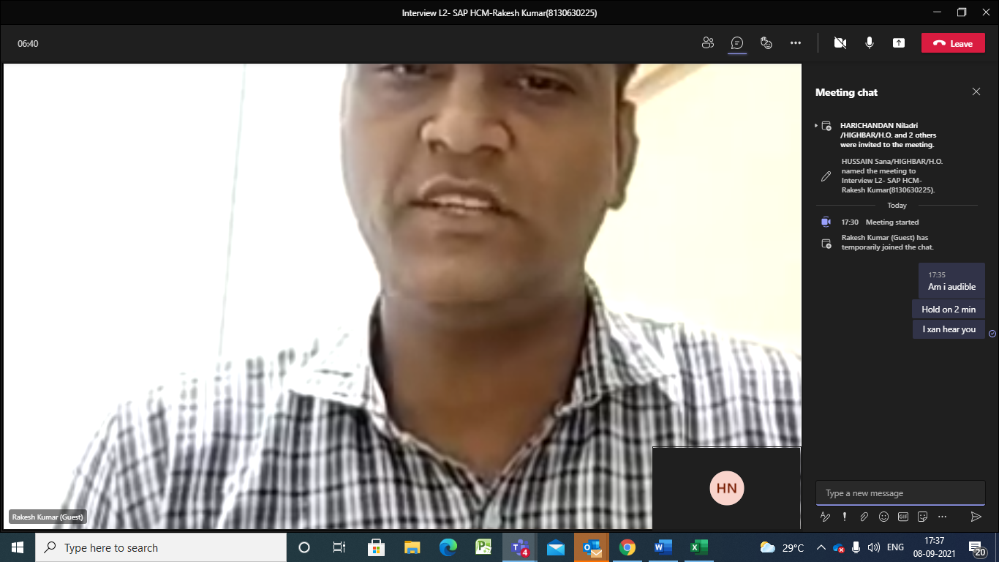

IRS

 | CTC | 5.2 | 7.5
 | Exp | 3.5 years in SAP
 | Communication | Fair
 | Rakesh Kumar

