Sheet1
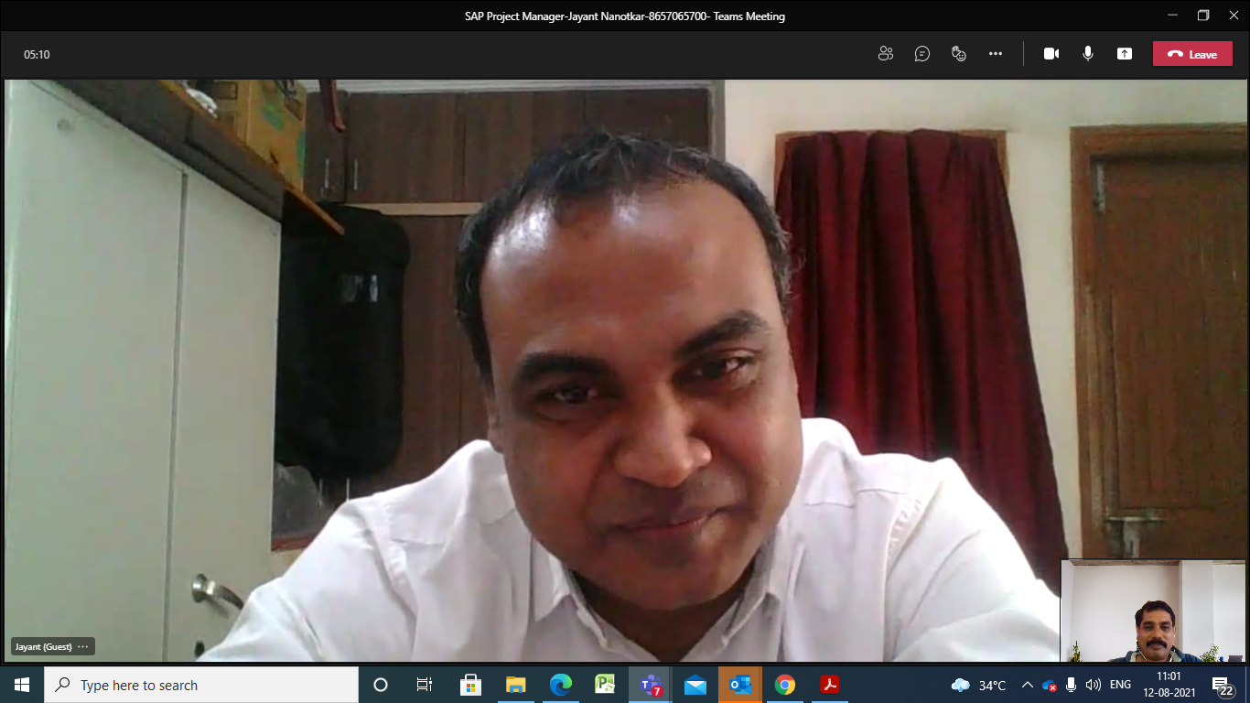

 | Team size | 36 consulatnt
 | 6 Project management
Middle east | NADEC is the largest project
Experience | Manufacturing agriculture, agrochemical, Boeing, aerospace, automobile
 | Good communication skill
 | Budget was done by DH
 | Number of question answered related to Risk, communication, contractual obligation, delivery
 | Multiple module exprtise PP/QM/PM
 | Ready to relocate & looking for a longer duration project
 | Family: wihe working in digital marketin & small kid
 | Left organization for better growth
 | Ready to travel
 | Looking for PMP crtification in September but can join immediately as per project requirement.

