Testing
2024-10-12 | Discussion | Status
 |  | Done | Excel Template | On download template add date format in template header(dd.mm.yyyy)
 |  | Done |  | Fomarting excel
 |  | Done |  | Consultant name should be emp_code - emp_name in template

 |  |  | Submit_Plan | Allow to changes consulant/Abaper
 |  | Done |  | Donwload Link active on mouse hover
 |  | Done |  | Email Option need to add for CTM case
 |  | Done |  | Add option to view/update uploaded ABAP object (if its draft)
 |  |  |  | After ABAP object plan submission show notification for PRM
 |  |  |  | Mail Body required

 |  |  | ABAP_Object_Tracker_Plan_View.aspx | show pending & approved ABAP object PM.

 |  |  | ABAP_Object_Tracker_Index | PM is login and his abap object is not submitted then change FS, ABAP, CTM link should not be display
 |  |  |  | Need to changes button text As View Abap Object Plan

 |  |  | ABAP_Object_Tracker_PendingList | Show PM Name in gridview

 |  |  | ABAP_Object_Tracker_Plan_for_Approval | Show Approver grid after remark

 |  |  | ABAP_Object_Tracker_ApprovedList | Show Project Manager as column head and its values should its name

 |  |  | Common | Whenever we show project location need to show his PM name

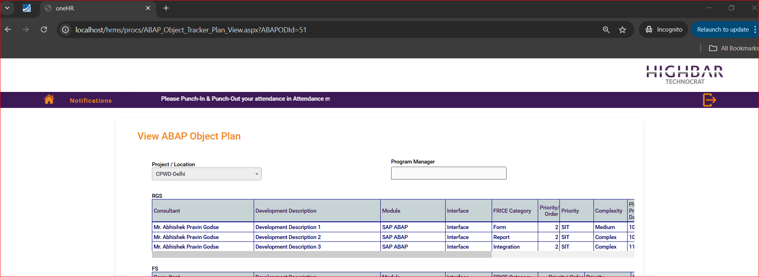
 |  |  | ABAP_Object_Tracker_Plan_View | Project Manager name should be display

 |  | Done | ABAP_Object_Tracker_Change_FS_Consultant | Remarks field need to display below

 |  | Done | ABAP_Object_Tracker_Change_Status_RGS_FS_ABAP_Test | All data need to show in popup

