Sheet1
 | Decade | Gdp_Growth_rate | Growth_Rate_of_Passenger air | Growth_Rate_of_Railway_Passengers | Growth_Rate_of_Railway_Good_transfer | Growth_Rate_of_GDP_per capital income | Growth_rate of co2 emmision
1 | 2000 | -7.648135 | -4.188774 | -45.238095 | -15.223097113 | 5.4588868006 | -80.351607742
1 | 2010 | 337.121794 | 119.064353 | -25.531915 | 102.82485876 | 363.46048279 | 27.819607212
2 | 2020 | 24.68271 | -72.519734 | -100 | -100 | 21.034755429 | 9.4857579412
 | 2030 | 150.382968 | 29.00261023 | -51.545544 | 9.1558441752 | 153.546593 | -9.898197
 | 2040 | -16.009668667 | -87.444802 | -103.01422 | -113.18718478 | -16.967294 | -3.62446

 | 1991-2000 |  | 29.00261023 | -51.545544
 | 2001-2010 |  | -87.444802 | -103.01422 |  |  | -9.898197
 | 2011-2020 |  |  |  |  | 153.546593 | -3.62446
 | 2021-2030 |  |  |  |  | -16.967294 | FALSE
 | 2031-2040

Decade wise Growth rate of GDP

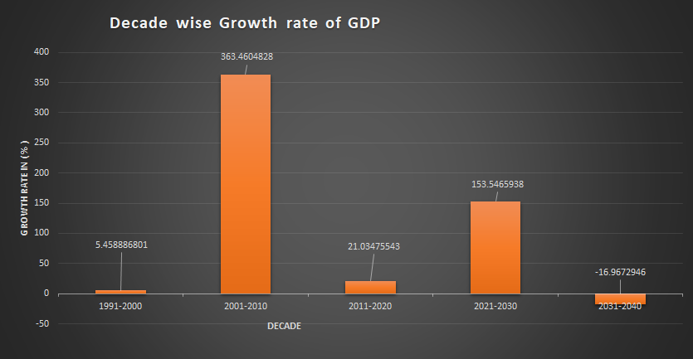

Decade wise Growth Rate of Passengers Carried by Air Transport

Decade wise GDP growth rate with predicted value of next two decade

