A1
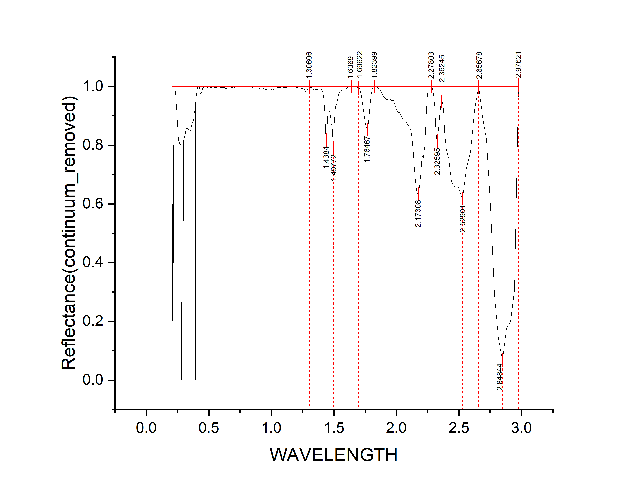
WAVELENGTH | Reflectance(continuum_removed) | depth
0.2051 | 1 | 0
0.2131 | 0 | 1
0.2211 | 1 | 0
0.2291 | 1 | 0
0.2361 | 0.97306 | 0.02694
0.2421 | 0.93018 | 0.06982
0.2481 | 0.88531 | 0.11469
0.2536 | 0.85228 | 0.14772
0.2586 | 0.81731 | 0.18269
0.2636 | 0.81183 | 0.18817
0.2686 | 0.8024 | 0.1976
0.2731 | 0.80147 | 0.19853
0.2771 | 0.7971 | 0.2029
0.2811 | 0 | 1
0.2851 | 0 | 1
0.2891 | 0 | 1
0.2931 | 0 | 1
0.2971 | 0.81334 | 0.18666
0.3011 | 0.81869 | 0.18131
0.3051 | 0.82806 | 0.17194
0.3091 | 0.83395 | 0.16605
0.3131 | 0.84246 | 0.15754
0.3171 | 0.85158 | 0.14842
0.3211 | 0.85649 | 0.14351
0.3251 | 0.86092 | 0.13908
0.3291 | 0.85702 | 0.14298
0.3331 | 0.85715 | 0.14285
0.3371 | 0.85362 | 0.14638
0.3411 | 0.85034 | 0.14966
0.3451 | 0.84845 | 0.15155
0.3491 | 0.84592 | 0.15408
0.3531 | 0.84982 | 0.15018
0.3571 | 0.85537 | 0.14463
0.3606 | 0.86106 | 0.13894
0.3636 | 0.86689 | 0.13311
0.3666 | 0.87201 | 0.12799
0.3696 | 0.87613 | 0.12387
0.3726 | 0.8797 | 0.1203
0.3756 | 0.88335 | 0.11665
0.3786 | 0.88843 | 0.11157
0.3811 | 0.89702 | 0.10298
0.3831 | 0.90482 | 0.09518 | peak no. | peak_wavelength | starting_wavelength | ending_wavelength | depth | width | left_area | right_area | total_area
0.3851 | 0.91037 | 0.08963 | 1 | 1.49772 | 1.30606 | 1.6369 | 0.21023 | 0.33084 | 2.07675 | 0.82733 | 2.90408
0.3871 | 0.91686 | 0.08314 | 2 | 1.76467 | 1.69622 | 1.82399 | 0.14753 | 0.12777 | 0.66316 | 0.34013 | 1.00329
0.3891 | 0.92533 | 0.07467 | 3 | 2.17308 | 1.82399 | 2.27803 | 0.3657 | 0.45404 | 3.31037 | 1.86456 | 5.17493
0.3911 | 0.93206 | 0.06794 | 4 | 2.32595 | 2.27803 | 2.36245 | 0.19023 | 0.08442 | 0.43072 | 0.31272 | 0.74344
0.3931 | 0 | 1 | 5 | 2.52901 | 2.36245 | 2.65678 | 0.38493 | 0.29433 | 2.14236 | 0.57808 | 2.72044
0.3951 | 0.94788 | 0.05212 | 6 | 2.84844 | 2.65678 | 2.97621 | 0.93289 | 0.31943 | 3.19401 | 2.31799 | 5.512
0.3971 | 0.95608 | 0.04392
0.3991 | 0.96165 | 0.03835
0.4011 | 0.97203 | 0.02797
0.4031 | 0.97883 | 0.02117
0.4051 | 0.98434 | 0.01566
0.4071 | 0.98858 | 0.01142
0.4091 | 0.99174 | 0.00826
0.4111 | 0.99826 | 0.00174
0.4128 | 0.99865 | 0.00135
0.4158 | 1 | 0
0.4188 | 0.99986 | 0.00014
0.4218 | 0.99846 | 0.00154
0.4248 | 0.99739 | 0.00261
0.4278 | 0.99026 | 0.00974
0.4308 | 0.98318 | 0.01682
0.4338 | 0.97529 | 0.02471
0.4368 | 0.9734 | 0.0266
0.4398 | 0.9763 | 0.0237
0.4428 | 0.98103 | 0.01897
0.4458 | 0.98459 | 0.01541
0.4488 | 0.98952 | 0.01048
0.4513 | 0.99336 | 0.00664
0.4533 | 0.99518 | 0.00482
0.4553 | 0.99774 | 0.00226
0.4573 | 0.99659 | 0.00341
0.4593 | 1 | 0
0.4613 | 0.99943 | 0.00057
0.4633 | 0.99878 | 0.00122
0.4653 | 0.99911 | 0.00089
0.4673 | 0.99831 | 0.00169
0.4693 | 0.99882 | 0.00118
0.4713 | 0.99759 | 0.00241
0.4733 | 0.9997 | 0.0003
0.4753 | 0.99782 | 0.00218
0.4773 | 0.999 | 0.001
0.4793 | 1 | 0
0.4813 | 0.99707 | 0.00293
0.4833 | 0.99841 | 0.00159
0.4853 | 0.99804 | 0.00196
0.4873 | 0.9975 | 0.0025
0.4893 | 0.99911 | 0.00089
0.4913 | 0.99639 | 0.00361
0.4933 | 0.99714 | 0.00286
0.4953 | 0.99716 | 0.00284
0.4973 | 0.99796 | 0.00204
0.4993 | 0.99923 | 0.00077
0.5013 | 0.99759 | 0.00241
0.5033 | 0.99813 | 0.00187
0.5053 | 0.99811 | 0.00189
0.5073 | 0.99742 | 0.00258
0.5093 | 0.99673 | 0.00327
0.5113 | 0.99659 | 0.00341
0.5133 | 0.99715 | 0.00285
0.5153 | 0.99727 | 0.00273
0.5173 | 0.99928 | 0.00072
0.5193 | 0.99687 | 0.00313
0.5213 | 0.99723 | 0.00277
0.5233 | 0.99821 | 0.00179
0.5253 | 0.99968 | 0.00032
0.5273 | 0.99844 | 0.00156
0.5293 | 0.99888 | 0.00112
0.5313 | 0.99845 | 0.00155
0.5333 | 1 | 0
0.5353 | 0.99951 | 0.00049
0.5373 | 0.99756 | 0.00244
0.5393 | 0.99868 | 0.00132
0.5413 | 0.99831 | 0.00169
0.5433 | 0.99609 | 0.00391
0.5453 | 0.99816 | 0.00184
0.5473 | 1 | 0
0.5493 | 0.9964 | 0.0036
0.5513 | 0.997 | 0.003
0.5533 | 0.99602 | 0.00398
0.5553 | 0.99778 | 0.00222
0.5573 | 0.99524 | 0.00476
0.5593 | 0.99552 | 0.00448
0.5613 | 1 | 0
0.5633 | 0.99969 | 0.00031
0.5653 | 0.99829 | 0.00171
0.5673 | 1 | 0
0.5693 | 0.99916 | 0.00084
0.5713 | 0.99923 | 0.00077
0.5733 | 0.99973 | 0.00027
0.5753 | 0.99932 | 0.00068
0.5773 | 0.99987 | 0.00013
0.5793 | 0.99917 | 0.00083
0.5813 | 0.99959 | 0.00041
0.5833 | 0.99907 | 0.00093
0.5853 | 0.99755 | 0.00245
0.5873 | 0.99948 | 0.00052
0.5893 | 0.99857 | 0.00143
0.5913 | 0.99834 | 0.00166
0.5933 | 1 | 0
0.5953 | 0.99692 | 0.00308
0.5973 | 0.99742 | 0.00258
0.5993 | 0.9979 | 0.0021
0.6011 | 0.9964 | 0.0036
0.6027 | 0.99547 | 0.00453
0.6043 | 0.99641 | 0.00359
0.6059 | 0.99597 | 0.00403
0.6075 | 0.99714 | 0.00286
0.6091 | 0.99658 | 0.00342
0.6107 | 0.99675 | 0.00325
0.6123 | 0.99536 | 0.00464
0.6139 | 0.9956 | 0.0044
0.6155 | 0.99554 | 0.00446
0.6171 | 0.99513 | 0.00487
0.6187 | 0.99761 | 0.00239
0.6203 | 0.99534 | 0.00466
0.6219 | 0.99516 | 0.00484
0.6235 | 0.99698 | 0.00302
0.6251 | 0.99509 | 0.00491
0.6267 | 0.99488 | 0.00512
0.6283 | 0.99406 | 0.00594
0.6299 | 0.99435 | 0.00565
0.6317 | 0.99366 | 0.00634
0.6337 | 0.99307 | 0.00693
0.6357 | 0.99158 | 0.00842
0.6377 | 0.99352 | 0.00648
0.6397 | 0.99458 | 0.00542
0.6417 | 0.99366 | 0.00634
0.6437 | 0.99339 | 0.00661
0.6457 | 0.99537 | 0.00463
0.6477 | 0.99419 | 0.00581
0.6497 | 0.99552 | 0.00448
0.6517 | 0.99408 | 0.00592
0.6537 | 0.99303 | 0.00697
0.6557 | 0.99507 | 0.00493
0.6577 | 0.99491 | 0.00509
0.6597 | 0.99519 | 0.00481
0.6617 | 0.99656 | 0.00344
0.6637 | 0.995 | 0.005
0.6657 | 0.99422 | 0.00578
0.6677 | 0.99542 | 0.00458
0.6702 | 0.99444 | 0.00556
0.6732 | 0.99534 | 0.00466
0.6762 | 0.99496 | 0.00504
0.6792 | 0.99762 | 0.00238
0.6822 | 0.99691 | 0.00309
0.6852 | 0.99742 | 0.00258
0.6882 | 0.99584 | 0.00416
0.6912 | 0.99744 | 0.00256
0.6942 | 0.99668 | 0.00332
0.6972 | 1 | 0
0.7002 | 0.99616 | 0.00384
0.702 | 0.99431 | 0.00569
0.704 | 0.99718 | 0.00282
0.706 | 0.996 | 0.004
0.708 | 0.99727 | 0.00273
0.71 | 0.99732 | 0.00268
0.712 | 0.99698 | 0.00302
0.714 | 0.99805 | 0.00195
0.716 | 0.99746 | 0.00254
0.718 | 0.99803 | 0.00197
0.72 | 0.99802 | 0.00198
0.722 | 0.99824 | 0.00176
0.724 | 0.99719 | 0.00281
0.726 | 0.99805 | 0.00195
0.728 | 0.99956 | 0.00044
0.73 | 0.99881 | 0.00119
0.732 | 0.99865 | 0.00135
0.734 | 0.99863 | 0.00137
0.736 | 0.99922 | 0.00078
0.738 | 0.99763 | 0.00237
0.74 | 0.99905 | 0.00095
0.742 | 1 | 0
0.744 | 0.9986 | 0.0014
0.746 | 0.99941 | 0.00059
0.748 | 0.9988 | 0.0012
0.7505 | 1 | 0
0.7535 | 0.9988 | 0.0012
0.7565 | 0.99872 | 0.00128
0.7595 | 0.9994 | 0.0006
0.7625 | 0.9988 | 0.0012
0.7655 | 0.99915 | 0.00085
0.7685 | 0.99914 | 0.00086
0.7715 | 1 | 0
0.7745 | 0.99692 | 0.00308
0.7775 | 0.99947 | 0.00053
0.781 | 0.99845 | 0.00155
0.785 | 0.99879 | 0.00121
0.789 | 0.99885 | 0.00115
0.793 | 0.99898 | 0.00102
0.797 | 0.99966 | 0.00034
0.8015 | 0.99876 | 0.00124
0.8065 | 0.99977 | 0.00023
0.8115 | 0.99949 | 0.00051
0.8165 | 0.99878 | 0.00122
0.822 | 1 | 0
0.828 | 0.99773 | 0.00227
0.835 | 0.99878 | 0.00122
0.843 | 0.99881 | 0.00119
0.851 | 0.99628 | 0.00372
0.859 | 0.99481 | 0.00519
0.871 | 0.9952 | 0.0048
0.883 | 0.99391 | 0.00609
0.894 | 0.9945 | 0.0055
0.904 | 0.99389 | 0.00611
0.914 | 0.99209 | 0.00791
0.924 | 0.99052 | 0.00948
0.933 | 0.99268 | 0.00732
0.941 | 0.99294 | 0.00706
0.949 | 0.99067 | 0.00933
0.957 | 0.98904 | 0.01096
0.964 | 0.99281 | 0.00719
0.97 | 0.99169 | 0.00831
0.976 | 0.99135 | 0.00865
0.982 | 0.99138 | 0.00862
0.988 | 0.99023 | 0.00977
0.994 | 0.99186 | 0.00814
1 | 0.98955 | 0.01045
1.006 | 0.9887 | 0.0113
1.012 | 0.98902 | 0.01098
1.018 | 0.98935 | 0.01065
1.0235 | 0.99392 | 0.00608
1.0285 | 0.99428 | 0.00572
1.0335 | 0.99371 | 0.00629
1.0385 | 0.99482 | 0.00518
1.0435 | 0.99525 | 0.00475
1.0485 | 0.99559 | 0.00441
1.0535 | 0.99654 | 0.00346
1.0585 | 0.99667 | 0.00333
1.0635 | 0.99577 | 0.00423
1.0685 | 0.99605 | 0.00395
1.0735 | 0.99631 | 0.00369
1.0785 | 0.99629 | 0.00371
1.0835 | 0.99486 | 0.00514
1.0885 | 0.99713 | 0.00287
1.0935 | 0.9976 | 0.0024
1.0985 | 0.99685 | 0.00315
1.1035 | 0.99595 | 0.00405
1.1085 | 0.99736 | 0.00264
1.1135 | 0.99576 | 0.00424
1.1185 | 0.99701 | 0.00299
1.1235 | 0.99682 | 0.00318
1.1285 | 0.99838 | 0.00162
1.1335 | 0.99883 | 0.00117
1.1385 | 0.99698 | 0.00302
1.1435 | 0.99755 | 0.00245
1.1485 | 0.99862 | 0.00138
1.1535 | 0.99736 | 0.00264
1.1585 | 0.99766 | 0.00234
1.1635 | 0.99745 | 0.00255
1.1685 | 0.99881 | 0.00119
1.1735 | 0.9981 | 0.0019
1.1785 | 0.99802 | 0.00198
1.1835 | 0.99939 | 0.00061
1.1885 | 0.99933 | 0.00067
1.1935 | 1 | 0
1.1985 | 0.99533 | 0.00467
1.2035 | 0.99796 | 0.00204
1.2085 | 0.99608 | 0.00392
1.2135 | 0.99576 | 0.00424
1.2185 | 0.99535 | 0.00465
1.2235 | 0.99476 | 0.00524
1.2285 | 0.99497 | 0.00503
1.2335 | 0.99198 | 0.00802
1.2385 | 0.99336 | 0.00664
1.2435 | 0.99194 | 0.00806
1.2485 | 0.99346 | 0.00654
1.2535 | 0.99136 | 0.00864
1.2585 | 0.99127 | 0.00873
1.2635 | 0.99046 | 0.00954
1.2685 | 0.9851 | 0.0149
1.2735 | 0.98236 | 0.01764
1.2785 | 0.9823 | 0.0177
1.2835 | 0.9867 | 0.0133
1.2885 | 0.98956 | 0.01044
1.2935 | 0.99268 | 0.00732
1.2985 | 0.99606 | 0.00394
1.3035 | 0.99814 | 0.00186
1.3085 | 0.99723 | 0.00277
1.3135 | 0.99706 | 0.00294
1.3185 | 0.99599 | 0.00401
1.3235 | 0.996 | 0.004
1.3285 | 0.99158 | 0.00842
1.3335 | 0.99017 | 0.00983
1.3385 | 0.98883 | 0.01117
1.3435 | 0.98887 | 0.01113
1.3485 | 0.98664 | 0.01336
1.3535 | 0.98907 | 0.01093
1.3585 | 0.99117 | 0.00883
1.3635 | 0.989 | 0.011
1.3685 | 0.99038 | 0.00962
1.3735 | 0.9931 | 0.0069
1.3785 | 0.9921 | 0.0079
1.3835 | 0.99218 | 0.00782
1.3885 | 0.9921 | 0.0079
1.3935 | 0.99121 | 0.00879
1.3985 | 0.99042 | 0.00958
1.4035 | 0.98779 | 0.01221
1.4085 | 0.98242 | 0.01758
1.4135 | 0.97526 | 0.02474
1.4185 | 0.96116 | 0.03884
1.4235 | 0.93725 | 0.06275
1.4285 | 0.90351 | 0.09649
1.4335 | 0.83987 | 0.16013
1.4385 | 0.81791 | 0.18209
1.4435 | 0.84645 | 0.15355
1.4485 | 0.88512 | 0.11488
1.4535 | 0.92161 | 0.07839
1.4585 | 0.92408 | 0.07592
1.4635 | 0.91598 | 0.08402
1.4685 | 0.90771 | 0.09229
1.4735 | 0.89221 | 0.10779
1.4785 | 0.87232 | 0.12768
1.4835 | 0.86915 | 0.13085
1.4885 | 0.84633 | 0.15367
1.4935 | 0.79402 | 0.20598
1.4985 | 0.78977 | 0.21023
1.5035 | 0.87369 | 0.12631
1.5085 | 0.91961 | 0.08039
1.5135 | 0.93232 | 0.06768
1.5185 | 0.93536 | 0.06464
1.5235 | 0.94437 | 0.05563
1.5285 | 0.95384 | 0.04616
1.534 | 0.96691 | 0.03309
1.54 | 0.97756 | 0.02244
1.546 | 0.97981 | 0.02019
1.552 | 0.98065 | 0.01935
1.558 | 0.98403 | 0.01597
1.564 | 0.991 | 0.009
1.5705 | 0.98755 | 0.01245
1.5775 | 0.99162 | 0.00838
1.5845 | 0.99183 | 0.00817
1.5915 | 0.99201 | 0.00799
1.5985 | 0.99247 | 0.00753
1.6055 | 0.99528 | 0.00472
1.6125 | 0.99715 | 0.00285
1.6195 | 0.99741 | 0.00259
1.6265 | 0.99868 | 0.00132
1.6335 | 0.99975 | 0.00025
1.6405 | 1 | 0
1.6475 | 1 | 0
1.6545 | 0.99926 | 0.00074
1.6615 | 0.99896 | 0.00104
1.6685 | 0.9998 | 0.0002
1.676 | 0.99525 | 0.00475
1.684 | 0.99594 | 0.00406
1.692 | 0.99648 | 0.00352
1.7 | 0.99533 | 0.00467
1.708 | 0.98645 | 0.01355
1.716 | 0.97395 | 0.02605
1.724 | 0.95301 | 0.04699
1.732 | 0.92835 | 0.07165
1.74 | 0.90413 | 0.09587
1.748 | 0.87869 | 0.12131
1.756 | 0.86446 | 0.13554
1.764 | 0.85247 | 0.14753
1.772 | 0.86354 | 0.13646
1.78 | 0.89817 | 0.10183
1.788 | 0.93808 | 0.06192
1.796 | 0.97163 | 0.02837
1.805 | 0.99062 | 0.00938
1.815 | 0.99783 | 0.00217
1.825 | 1 | 0
1.835 | 1 | 0
1.845 | 0.99771 | 0.00229
1.855 | 0.99457 | 0.00543
1.865 | 0.99182 | 0.00818
1.875 | 0.98663 | 0.01337
1.885 | 0.97758 | 0.02242
1.895 | 0.9682 | 0.0318
1.905 | 0.9622 | 0.0378
1.915 | 0.95827 | 0.04173
1.925 | 0.95515 | 0.04485
1.935 | 0.95979 | 0.04021
1.945 | 0.96088 | 0.03912
1.955 | 0.95411 | 0.04589
1.965 | 0.95112 | 0.04888
1.975 | 0.95321 | 0.04679
1.985 | 0.94281 | 0.05719
1.995 | 0.9293 | 0.0707
2.005 | 0.91793 | 0.08207
2.015 | 0.90983 | 0.09017
2.025 | 0.91208 | 0.08792
2.035 | 0.90212 | 0.09788
2.045 | 0.89385 | 0.10615
2.055 | 0.88578 | 0.11422
2.065 | 0.88247 | 0.11753
2.075 | 0.88141 | 0.11859
2.085 | 0.87171 | 0.12829
2.095 | 0.86822 | 0.13178
2.105 | 0.8578 | 0.1422
2.115 | 0.8501 | 0.1499
2.125 | 0.8223 | 0.1777
2.135 | 0.77605 | 0.22395
2.145 | 0.71475 | 0.28525
2.155 | 0.6631 | 0.3369
2.165 | 0.63678 | 0.36322
2.175 | 0.6343 | 0.3657
2.185 | 0.65633 | 0.34367
2.195 | 0.7055 | 0.2945
2.205 | 0.7642 | 0.2358
2.215 | 0.75505 | 0.24495
2.225 | 0.7949 | 0.2051
2.235 | 0.87653 | 0.12347
2.245 | 0.95984 | 0.04016
2.255 | 0.99446 | 0.00554
2.265 | 0.99433 | 0.00567
2.275 | 1 | 0
2.285 | 0.99897 | 0.00103
2.295 | 0.97894 | 0.02106
2.305 | 0.93381 | 0.06619
2.315 | 0.84779 | 0.15221
2.325 | 0.80977 | 0.19023
2.335 | 0.84639 | 0.15361
2.345 | 0.90263 | 0.09737
2.355 | 0.93826 | 0.06174
2.365 | 0.95333 | 0.04667
2.375 | 0.92219 | 0.07781
2.386 | 0.84041 | 0.15959
2.4 | 0.7812 | 0.2188
2.418 | 0.75636 | 0.24364
2.44 | 0.67544 | 0.32456
2.466 | 0.65644 | 0.34356
2.496 | 0.6572 | 0.3428
2.528 | 0.61507 | 0.38493
2.56 | 0.72261 | 0.27739
2.592 | 0.77586 | 0.22414
2.624 | 0.92345 | 0.07655
2.656 | 1 | 0
2.688 | 0.89648 | 0.10352
2.72 | 0.8195 | 0.1805
2.752 | 0.59207 | 0.40793
2.784 | 0.2905 | 0.7095
2.816 | 0.14033 | 0.85967
2.848 | 0.06711 | 0.93289
2.88 | 0.17681 | 0.82319
2.912 | 0.19786 | 0.80214
2.944 | 0.30734 | 0.69266
2.976 | 1 | 0

A2
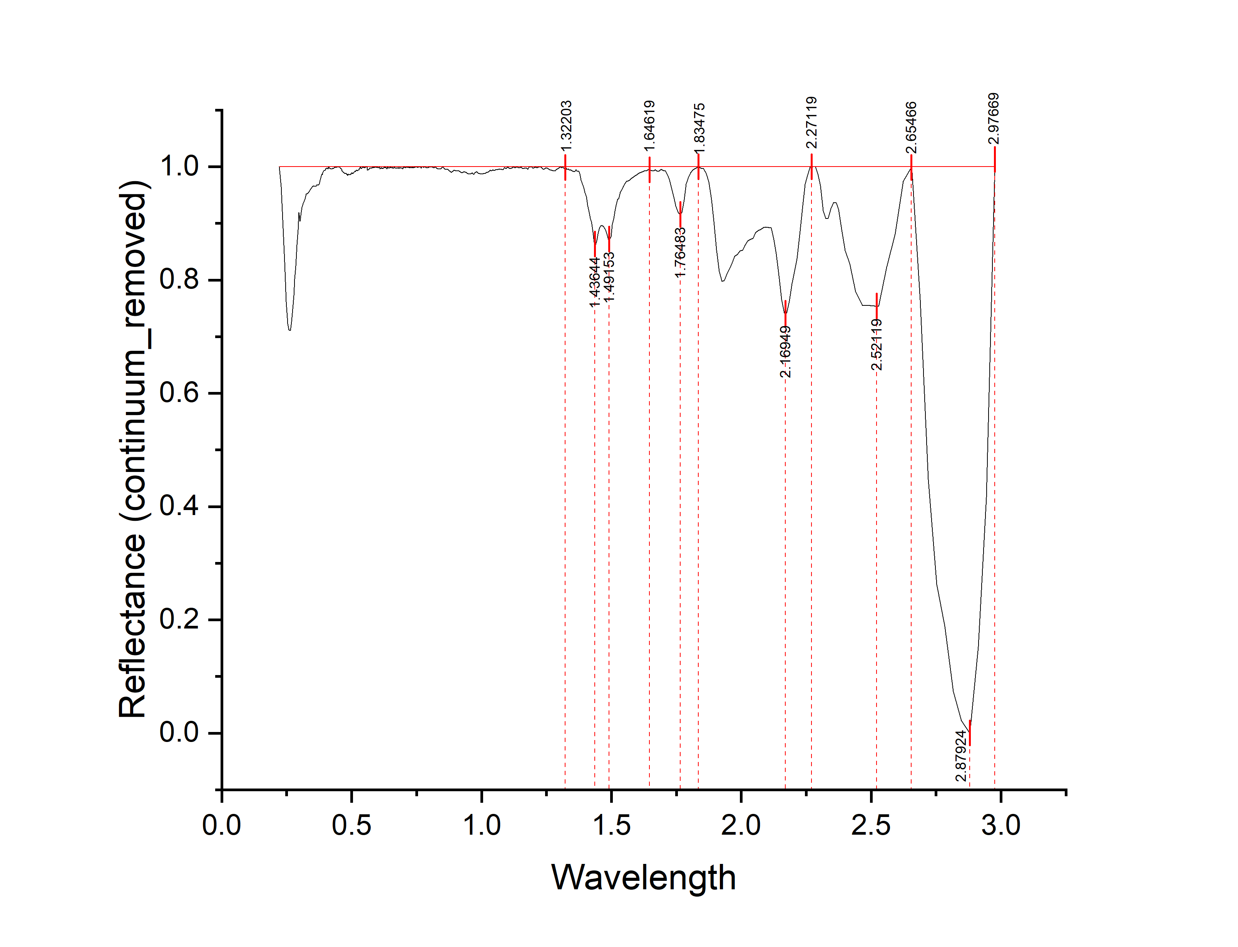
Wavelength | Reflectance (continuum_removed) | depth
0.2211 | 1 | 0
0.2291 | 0.96462 | 0.03538
0.2361 | 0.89109 | 0.10891
0.2421 | 0.83173 | 0.16827
0.2481 | 0.76129 | 0.23871
0.2536 | 0.72318 | 0.27682
0.2586 | 0.71175 | 0.28825
0.2636 | 0.71097 | 0.28903
0.2686 | 0.72609 | 0.27391
0.2731 | 0.74848 | 0.25152
0.2771 | 0.77254 | 0.22746
0.2811 | 0.80175 | 0.19825
0.2851 | 0.8249 | 0.1751
0.2891 | 0.86219 | 0.13781
0.2931 | 0.88844 | 0.11156
0.2971 | 0.91935 | 0.08065
0.3011 | 0.90327 | 0.09673
0.3051 | 0.91901 | 0.08099
0.3091 | 0.92814 | 0.07186
0.3131 | 0.93462 | 0.06538
0.3171 | 0.93977 | 0.06023
0.3211 | 0.94311 | 0.05689
0.3251 | 0.95185 | 0.04815
0.3291 | 0.95227 | 0.04773
0.3331 | 0.95469 | 0.04531
0.3371 | 0.95678 | 0.04322
0.3411 | 0.96017 | 0.03983
0.3451 | 0.96261 | 0.03739
0.3491 | 0.96467 | 0.03533
0.3531 | 0.96623 | 0.03377
0.3571 | 0.96558 | 0.03442
0.3606 | 0.96552 | 0.03448
0.3636 | 0.96583 | 0.03417
0.3666 | 0.96779 | 0.03221
0.3696 | 0.96766 | 0.03234
0.3726 | 0.96795 | 0.03205
0.3756 | 0.96971 | 0.03029
0.3786 | 0.97585 | 0.02415
0.3811 | 0.98059 | 0.01941
0.3831 | 0.98297 | 0.01703
0.3851 | 0.98705 | 0.01295
0.3871 | 0.9859 | 0.0141 | peak no. | peak_wavelength | starting_wavelength | ending_wavelength | depth | width | left_area | right_area | total_area
0.3891 | 0.98932 | 0.01068 | 1 | 1.49153 | 1.32203 | 1.64619 | 0.12097 | 0.32416 | 2.13411 | 1.05007 | 3.18418
0.3911 | 0.99175 | 0.00825 | 2 | 1.76483 | 1.64619 | 1.83475 | 0.08493 | 0.18856 | 0.42243 | 0.20711 | 0.62954
0.3931 | 0.99315 | 0.00685 | 3 | 2.16949 | 1.83475 | 2.27119 | 0.25815 | 0.43644 | 4.3447 | 1.29175 | 5.63645
0.3951 | 0.99292 | 0.00708 | 4 | 2.52119 | 2.27119 | 2.65466 | 0.75355 | 0.38347 | 1.72212 | 0.56872 | 2.29084
0.3971 | 0.99404 | 0.00596 | 5 | 2.88 | 2.65466 | 2.97669 | 1 | 0.32203 | 5.2407 | 2.43093 | 7.67163
0.3991 | 0.99394 | 0.00606
0.4011 | 0.99666 | 0.00334
0.4031 | 0.99745 | 0.00255
0.4051 | 0.99727 | 0.00273
0.4071 | 0.99709 | 0.00291
0.4091 | 0.99574 | 0.00426
0.4111 | 0.99924 | 0.00076
0.4128 | 0.99918 | 0.00082
0.4158 | 0.99753 | 0.00247
0.4188 | 0.99632 | 0.00368
0.4218 | 0.99609 | 0.00391
0.4248 | 0.99621 | 0.00379
0.4278 | 0.99717 | 0.00283
0.4308 | 0.99689 | 0.00311
0.4338 | 0.9987 | 0.0013
0.4368 | 0.99859 | 0.00141
0.4398 | 0.99843 | 0.00157
0.4428 | 1 | 0
0.4458 | 0.99936 | 0.00064
0.4488 | 0.99908 | 0.00092
0.4513 | 0.99919 | 0.00081
0.4533 | 1 | 0
0.4553 | 0.99855 | 0.00145
0.4573 | 0.99699 | 0.00301
0.4593 | 0.99569 | 0.00431
0.4613 | 0.99581 | 0.00419
0.4633 | 0.99261 | 0.00739
0.4653 | 0.99206 | 0.00794
0.4673 | 0.9903 | 0.0097
0.4693 | 0.99012 | 0.00988
0.4713 | 0.98909 | 0.01091
0.4733 | 0.98804 | 0.01196
0.4753 | 0.98744 | 0.01256
0.4773 | 0.9887 | 0.0113
0.4793 | 0.98811 | 0.01189
0.4813 | 0.98572 | 0.01428
0.4833 | 0.98694 | 0.01306
0.4853 | 0.98466 | 0.01534
0.4873 | 0.98679 | 0.01321
0.4893 | 0.98632 | 0.01368
0.4913 | 0.9854 | 0.0146
0.4933 | 0.98544 | 0.01456
0.4953 | 0.98551 | 0.01449
0.4973 | 0.9877 | 0.0123
0.4993 | 0.98743 | 0.01257
0.5013 | 0.99012 | 0.00988
0.5033 | 0.98809 | 0.01191
0.5053 | 0.98874 | 0.01126
0.5073 | 0.98889 | 0.01111
0.5093 | 0.99022 | 0.00978
0.5113 | 0.99024 | 0.00976
0.5133 | 0.99266 | 0.00734
0.5153 | 0.99109 | 0.00891
0.5173 | 0.9942 | 0.0058
0.5193 | 0.99391 | 0.00609
0.5213 | 0.99274 | 0.00726
0.5233 | 0.9938 | 0.0062
0.5253 | 0.99399 | 0.00601
0.5273 | 0.99413 | 0.00587
0.5293 | 0.99661 | 0.00339
0.5313 | 0.99726 | 0.00274
0.5333 | 1 | 0
0.5353 | 0.99726 | 0.00274
0.5373 | 0.99658 | 0.00342
0.5393 | 0.99775 | 0.00225
0.5413 | 1 | 0
0.5433 | 0.99865 | 0.00135
0.5453 | 0.99913 | 0.00087
0.5473 | 0.99977 | 0.00023
0.5493 | 0.99806 | 0.00194
0.5513 | 0.99885 | 0.00115
0.5533 | 0.99917 | 0.00083
0.5553 | 0.99904 | 0.00096
0.5573 | 0.99972 | 0.00028
0.5593 | 1 | 0
0.5613 | 0.99395 | 0.00605
0.5633 | 0.99366 | 0.00634
0.5653 | 0.99513 | 0.00487
0.5673 | 0.99583 | 0.00417
0.5693 | 0.9981 | 0.0019
0.5713 | 0.99713 | 0.00287
0.5733 | 0.99727 | 0.00273
0.5753 | 0.99786 | 0.00214
0.5773 | 0.99712 | 0.00288
0.5793 | 0.99841 | 0.00159
0.5813 | 0.99824 | 0.00176
0.5833 | 1 | 0
0.5853 | 0.99785 | 0.00215
0.5873 | 0.99999 | 0.00001
0.5893 | 0.99885 | 0.00115
0.5913 | 0.99968 | 0.00032
0.5933 | 0.99903 | 0.00097
0.5953 | 0.99861 | 0.00139
0.5973 | 0.99842 | 0.00158
0.5993 | 0.9989 | 0.0011
0.6011 | 0.99925 | 0.00075
0.6027 | 0.99781 | 0.00219
0.6043 | 0.99839 | 0.00161
0.6059 | 0.99863 | 0.00137
0.6075 | 0.99888 | 0.00112
0.6091 | 0.99624 | 0.00376
0.6107 | 0.99787 | 0.00213
0.6123 | 0.99745 | 0.00255
0.6139 | 0.99768 | 0.00232
0.6155 | 0.99858 | 0.00142
0.6171 | 0.99643 | 0.00357
0.6187 | 0.99826 | 0.00174
0.6203 | 0.99648 | 0.00352
0.6219 | 0.99736 | 0.00264
0.6235 | 0.99773 | 0.00227
0.6251 | 1 | 0
0.6267 | 0.99855 | 0.00145
0.6283 | 0.9977 | 0.0023
0.6299 | 0.99899 | 0.00101
0.6317 | 0.99778 | 0.00222
0.6337 | 0.99818 | 0.00182
0.6357 | 0.99576 | 0.00424
0.6377 | 0.99972 | 0.00028
0.6397 | 0.99934 | 0.00066
0.6417 | 0.99816 | 0.00184
0.6437 | 0.99733 | 0.00267
0.6457 | 0.99791 | 0.00209
0.6477 | 0.99954 | 0.00046
0.6497 | 1 | 0
0.6517 | 0.99819 | 0.00181
0.6537 | 0.99813 | 0.00187
0.6557 | 0.99867 | 0.00133
0.6577 | 0.99718 | 0.00282
0.6597 | 0.99877 | 0.00123
0.6617 | 0.99742 | 0.00258
0.6637 | 0.99902 | 0.00098
0.6657 | 0.99886 | 0.00114
0.6677 | 0.9978 | 0.0022
0.6702 | 0.99753 | 0.00247
0.6732 | 0.99806 | 0.00194
0.6762 | 0.99697 | 0.00303
0.6792 | 0.99852 | 0.00148
0.6822 | 0.99676 | 0.00324
0.6852 | 0.99874 | 0.00126
0.6882 | 0.99783 | 0.00217
0.6912 | 0.99701 | 0.00299
0.6942 | 0.9977 | 0.0023
0.6972 | 0.9957 | 0.0043
0.7002 | 0.99926 | 0.00074
0.702 | 0.99855 | 0.00145
0.704 | 0.99835 | 0.00165
0.706 | 0.99964 | 0.00036
0.708 | 0.99816 | 0.00184
0.71 | 0.99961 | 0.00039
0.712 | 0.99995 | 0.00005
0.714 | 0.99878 | 0.00122
0.716 | 0.99929 | 0.00071
0.718 | 0.99871 | 0.00129
0.72 | 1 | 0
0.722 | 0.9977 | 0.0023
0.724 | 0.99831 | 0.00169
0.726 | 0.99794 | 0.00206
0.728 | 0.99908 | 0.00092
0.73 | 0.99859 | 0.00141
0.732 | 0.99817 | 0.00183
0.734 | 0.9999 | 0.0001
0.736 | 0.99799 | 0.00201
0.738 | 0.99849 | 0.00151
0.74 | 0.99826 | 0.00174
0.742 | 1 | 0
0.744 | 0.99883 | 0.00117
0.746 | 0.99984 | 0.00016
0.748 | 0.99954 | 0.00046
0.7505 | 0.99998 | 0.00002
0.7535 | 0.99833 | 0.00167
0.7565 | 0.99928 | 0.00072
0.7595 | 0.99941 | 0.00059
0.7625 | 0.99995 | 0.00005
0.7655 | 0.99931 | 0.00069
0.7685 | 0.99757 | 0.00243
0.7715 | 1 | 0
0.7745 | 1 | 0
0.7775 | 0.99866 | 0.00134
0.781 | 0.99989 | 0.00011
0.785 | 0.9994 | 0.0006
0.789 | 0.99823 | 0.00177
0.793 | 0.99806 | 0.00194
0.797 | 0.99911 | 0.00089
0.8015 | 1 | 0
0.8065 | 0.99905 | 0.00095
0.8115 | 0.99899 | 0.00101
0.8165 | 0.99818 | 0.00182
0.822 | 1 | 0
0.828 | 0.9973 | 0.0027
0.835 | 0.99599 | 0.00401
0.843 | 0.99694 | 0.00306
0.851 | 1 | 0
0.859 | 0.99594 | 0.00406
0.871 | 0.99531 | 0.00469
0.883 | 0.98954 | 0.01046
0.894 | 0.99418 | 0.00582
0.904 | 0.99242 | 0.00758
0.914 | 0.99233 | 0.00767
0.924 | 0.98881 | 0.01119
0.933 | 0.99108 | 0.00892
0.941 | 0.98951 | 0.01049
0.949 | 0.98722 | 0.01278
0.957 | 0.98684 | 0.01316
0.964 | 0.98945 | 0.01055
0.97 | 0.98615 | 0.01385
0.976 | 0.98997 | 0.01003
0.982 | 0.99087 | 0.00913
0.988 | 0.98857 | 0.01143
0.994 | 0.98795 | 0.01205
1 | 0.98738 | 0.01262
1.006 | 0.98804 | 0.01196
1.012 | 0.9877 | 0.0123
1.018 | 0.99005 | 0.00995
1.0235 | 0.98978 | 0.01022
1.0285 | 0.99167 | 0.00833
1.0335 | 0.994 | 0.006
1.0385 | 0.9928 | 0.0072
1.0435 | 0.99469 | 0.00531
1.0485 | 0.99322 | 0.00678
1.0535 | 0.99478 | 0.00522
1.0585 | 0.99465 | 0.00535
1.0635 | 0.99492 | 0.00508
1.0685 | 0.99607 | 0.00393
1.0735 | 0.99503 | 0.00497
1.0785 | 0.99537 | 0.00463
1.0835 | 0.99456 | 0.00544
1.0885 | 0.99873 | 0.00127
1.0935 | 0.99655 | 0.00345
1.0985 | 0.99878 | 0.00122
1.1035 | 0.99891 | 0.00109
1.1085 | 0.99634 | 0.00366
1.1135 | 0.99728 | 0.00272
1.1185 | 0.99811 | 0.00189
1.1235 | 1 | 0
1.1285 | 0.99823 | 0.00177
1.1335 | 0.99948 | 0.00052
1.1385 | 0.99948 | 0.00052
1.1435 | 0.99828 | 0.00172
1.1485 | 0.99841 | 0.00159
1.1535 | 0.9995 | 0.0005
1.1585 | 0.99676 | 0.00324
1.1635 | 0.99701 | 0.00299
1.1685 | 0.99723 | 0.00277
1.1735 | 0.99728 | 0.00272
1.1785 | 0.99506 | 0.00494
1.1835 | 0.99921 | 0.00079
1.1885 | 0.99932 | 0.00068
1.1935 | 1 | 0
1.1985 | 0.99737 | 0.00263
1.2035 | 0.99881 | 0.00119
1.2085 | 0.99909 | 0.00091
1.2135 | 0.998 | 0.002
1.2185 | 0.999 | 0.001
1.2235 | 0.99992 | 0.00008
1.2285 | 0.99925 | 0.00075
1.2335 | 0.99716 | 0.00284
1.2385 | 0.99515 | 0.00485
1.2435 | 0.99651 | 0.00349
1.2485 | 0.99805 | 0.00195
1.2535 | 0.99733 | 0.00267
1.2585 | 0.99611 | 0.00389
1.2635 | 0.99482 | 0.00518
1.2685 | 0.99358 | 0.00642
1.2735 | 0.99288 | 0.00712
1.2785 | 0.99232 | 0.00768
1.2835 | 0.99261 | 0.00739
1.2885 | 0.9953 | 0.0047
1.2935 | 0.99644 | 0.00356
1.2985 | 0.99783 | 0.00217
1.3035 | 1 | 0
1.3085 | 0.99796 | 0.00204
1.3135 | 1 | 0
1.3185 | 0.99657 | 0.00343
1.3235 | 0.99985 | 0.00015
1.3285 | 0.99491 | 0.00509
1.3335 | 0.99613 | 0.00387
1.3385 | 0.99369 | 0.00631
1.3435 | 0.99475 | 0.00525
1.3485 | 0.99279 | 0.00721
1.3535 | 0.99159 | 0.00841
1.3585 | 0.9912 | 0.0088
1.3635 | 0.99477 | 0.00523
1.3685 | 0.99185 | 0.00815
1.3735 | 0.99267 | 0.00733
1.3785 | 0.98687 | 0.01313
1.3835 | 0.97592 | 0.02408
1.3885 | 0.96883 | 0.03117
1.3935 | 0.96357 | 0.03643
1.3985 | 0.95475 | 0.04525
1.4035 | 0.94677 | 0.05323
1.4085 | 0.93204 | 0.06796
1.4135 | 0.91956 | 0.08044
1.4185 | 0.90874 | 0.09126
1.4235 | 0.9032 | 0.0968
1.4285 | 0.88431 | 0.11569
1.4335 | 0.86721 | 0.13279
1.4385 | 0.86035 | 0.13965
1.4435 | 0.86985 | 0.13015
1.4485 | 0.88094 | 0.11906
1.4535 | 0.89189 | 0.10811
1.4585 | 0.8952 | 0.1048
1.4635 | 0.89618 | 0.10382
1.4685 | 0.89488 | 0.10512
1.4735 | 0.89159 | 0.10841
1.4785 | 0.88826 | 0.11174
1.4835 | 0.87903 | 0.12097
1.4885 | 0.87175 | 0.12825
1.4935 | 0.87237 | 0.12763
1.4985 | 0.87638 | 0.12362
1.5035 | 0.8972 | 0.1028
1.5085 | 0.90865 | 0.09135
1.5135 | 0.92155 | 0.07845
1.5185 | 0.93121 | 0.06879
1.5235 | 0.94194 | 0.05806
1.5285 | 0.94395 | 0.05605
1.534 | 0.95535 | 0.04465
1.54 | 0.95922 | 0.04078
1.546 | 0.96567 | 0.03433
1.552 | 0.97039 | 0.02961
1.558 | 0.97407 | 0.02593
1.564 | 0.97508 | 0.02492
1.5705 | 0.97653 | 0.02347
1.5775 | 0.97981 | 0.02019
1.5845 | 0.98183 | 0.01817
1.5915 | 0.98444 | 0.01556
1.5985 | 0.98605 | 0.01395
1.6055 | 0.98832 | 0.01168
1.6125 | 0.98975 | 0.01025
1.6195 | 0.99103 | 0.00897
1.6265 | 0.99233 | 0.00767
1.6335 | 0.99241 | 0.00759
1.6405 | 0.9944 | 0.0056
1.6475 | 0.99471 | 0.00529
1.6545 | 0.99344 | 0.00656
1.6615 | 0.99251 | 0.00749
1.6685 | 0.99449 | 0.00551
1.676 | 0.99163 | 0.00837
1.684 | 0.99276 | 0.00724
1.692 | 0.99501 | 0.00499
1.7 | 0.99334 | 0.00666
1.708 | 0.99282 | 0.00718
1.716 | 0.9852 | 0.0148
1.724 | 0.97655 | 0.02345
1.732 | 0.96282 | 0.03718
1.74 | 0.94653 | 0.05347
1.748 | 0.93072 | 0.06928
1.756 | 0.91997 | 0.08003
1.764 | 0.91507 | 0.08493
1.772 | 0.91893 | 0.08107
1.78 | 0.94181 | 0.05819
1.788 | 0.96968 | 0.03032
1.796 | 0.98067 | 0.01933
1.805 | 0.99004 | 0.00996
1.815 | 0.99456 | 0.00544
1.825 | 0.9972 | 0.0028
1.835 | 1 | 0
1.845 | 0.99715 | 0.00285
1.855 | 0.99669 | 0.00331
1.865 | 0.98826 | 0.01174
1.875 | 0.97291 | 0.02709
1.885 | 0.94187 | 0.05813
1.895 | 0.90324 | 0.09676
1.905 | 0.85263 | 0.14737
1.915 | 0.81521 | 0.18479
1.925 | 0.79741 | 0.20259
1.935 | 0.79874 | 0.20126
1.945 | 0.8102 | 0.1898
1.955 | 0.81983 | 0.18017
1.965 | 0.83123 | 0.16877
1.975 | 0.84209 | 0.15791
1.985 | 0.84499 | 0.15501
1.995 | 0.85117 | 0.14883
2.005 | 0.85286 | 0.14714
2.015 | 0.86163 | 0.13837
2.025 | 0.86887 | 0.13113
2.035 | 0.87167 | 0.12833
2.045 | 0.87336 | 0.12664
2.055 | 0.88309 | 0.11691
2.065 | 0.88717 | 0.11283
2.075 | 0.88914 | 0.11086
2.085 | 0.89251 | 0.10749
2.095 | 0.89332 | 0.10668
2.105 | 0.8925 | 0.1075
2.115 | 0.89196 | 0.10804
2.125 | 0.87123 | 0.12877
2.135 | 0.84673 | 0.15327
2.145 | 0.80781 | 0.19219
2.155 | 0.76598 | 0.23402
2.165 | 0.74185 | 0.25815
2.175 | 0.74123 | 0.25877
2.185 | 0.76197 | 0.23803
2.195 | 0.7938 | 0.2062
2.205 | 0.81694 | 0.18306
2.215 | 0.83754 | 0.16246
2.225 | 0.87952 | 0.12048
2.235 | 0.92508 | 0.07492
2.245 | 0.96887 | 0.03113
2.255 | 0.98373 | 0.01627
2.265 | 0.99957 | 0.00043
2.275 | 1 | 0
2.285 | 1 | 0
2.295 | 0.98783 | 0.01217
2.305 | 0.96623 | 0.03377
2.315 | 0.92231 | 0.07769
2.325 | 0.90828 | 0.09172
2.335 | 0.90913 | 0.09087
2.345 | 0.92573 | 0.07427
2.355 | 0.93673 | 0.06327
2.365 | 0.93626 | 0.06374
2.375 | 0.9247 | 0.0753
2.386 | 0.88936 | 0.11064
2.4 | 0.85216 | 0.14784
2.418 | 0.82903 | 0.17097
2.44 | 0.77987 | 0.22013
2.466 | 0.75514 | 0.24486
2.496 | 0.75512 | 0.24488
2.528 | 0.75355 | 0.24645
2.56 | 0.82271 | 0.17729
2.592 | 0.88114 | 0.11886
2.624 | 0.97388 | 0.02612
2.656 | 1 | 0
2.688 | 0.76476 | 0.23524
2.72 | 0.44798 | 0.55202
2.752 | 0.26227 | 0.73773
2.784 | 0.1883 | 0.8117
2.816 | 0.07387 | 0.92613
2.848 | 0.02212 | 0.97788
2.88 | 0 | 1
2.912 | 0.15277 | 0.84723
2.944 | 0.4163 | 0.5837
2.976 | 1 | 0

A3
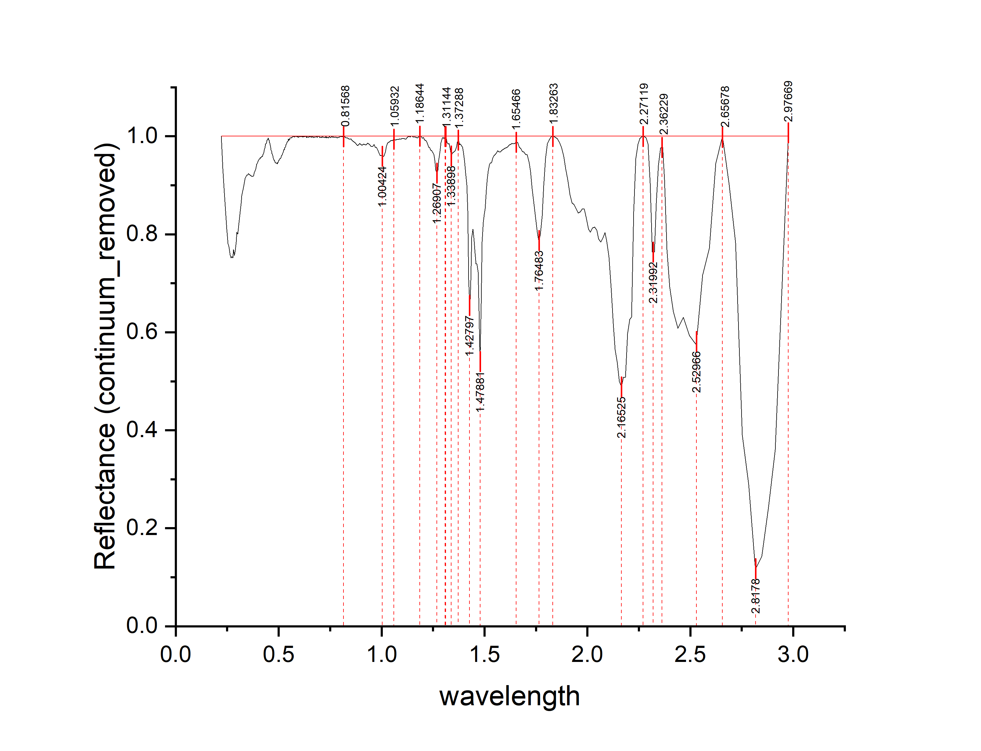
WAVELENGTH | REFLECTANCE | depth
0.2211 | 1 | 0
0.2291 | 0.93407 | 0.06593
0.2361 | 0.88454 | 0.11546
0.2421 | 0.8479 | 0.1521
0.2481 | 0.81063 | 0.18937
0.2536 | 0.78117 | 0.21883
0.2586 | 0.77472 | 0.22528
0.2636 | 0.75813 | 0.24187
0.2686 | 0.75209 | 0.24791
0.2731 | 0.75434 | 0.24566
0.2771 | 0.75201 | 0.24799
0.2811 | 0.76839 | 0.23161
0.2851 | 0.75677 | 0.24323
0.2891 | 0.76766 | 0.23234
0.2931 | 0.78393 | 0.21607
0.2971 | 0.80404 | 0.19596
0.3011 | 0.80064 | 0.19936
0.3051 | 0.81791 | 0.18209
0.3091 | 0.8288 | 0.1712
0.3131 | 0.8463 | 0.1537
0.3171 | 0.8629 | 0.1371
0.3211 | 0.87797 | 0.12203
0.3251 | 0.88782 | 0.11218
0.3291 | 0.89629 | 0.10371
0.3331 | 0.90671 | 0.09329
0.3371 | 0.91373 | 0.08627
0.3411 | 0.91724 | 0.08276
0.3451 | 0.92138 | 0.07862
0.3491 | 0.92038 | 0.07962
0.3531 | 0.92394 | 0.07606
0.3571 | 0.92172 | 0.07828
0.3606 | 0.92149 | 0.07851
0.3636 | 0.91968 | 0.08032
0.3666 | 0.91904 | 0.08096
0.3696 | 0.91814 | 0.08186
0.3726 | 0.91814 | 0.08186
0.3756 | 0.9186 | 0.0814
0.3786 | 0.91948 | 0.08052
0.3811 | 0.92583 | 0.07417
0.3831 | 0.92669 | 0.07331
0.3851 | 0.93019 | 0.06981
0.3871 | 0.93128 | 0.06872 | peak no. | peak_wavelength | starting_wavelength | ending_wavelength | depth | width | left_area | right_area | total_area
0.3891 | 0.93314 | 0.06686 | 1 | 1.26907 | 1.18644 | 1.31144 | 0.07579 | 0.125 | 0.41454 | 0.1733 | 0.58784
0.3911 | 0.93944 | 0.06056 | 2 | 1.47881 | 1.31144 | 1.65466 | 0.4674 | 0.34322 | 4.17266 | 1.94057 | 6.11323
0.3931 | 0.94268 | 0.05732 | 3 | 1.76483 | 1.65466 | 1.83263 | 0.21431 | 0.17797 | 1.1423 | 0.53167 | 1.67397
0.3951 | 0.9433 | 0.0567 | 4 | 2.16525 | 1.83263 | 2.27119 | 0.51173 | 0.43856 | 6.399 | 2.34908 | 8.74808
0.3971 | 0.94629 | 0.05371 | 5 | 2.31992 | 2.27119 | 2.36229 | 0.23604 | 0.0911 | 0.35153 | 0.45592 | 0.80745
0.3991 | 0.94771 | 0.05229 | 6 | 2.52966 | 2.36229 | 2.65678 | 0.42586 | 0.29449 | 2.60156 | 0.56728 | 3.16884
0.4011 | 0.94972 | 0.05028 | 7 | 2.8178 | 2.65678 | 2.97669 | 0.88389 | 0.31991 | 2.5209 | 2.5795 | 5.1004
0.4031 | 0.95167 | 0.04833
0.4051 | 0.95268 | 0.04732
0.4071 | 0.95432 | 0.04568
0.4091 | 0.95353 | 0.04647
0.4111 | 0.95637 | 0.04363
0.4128 | 0.95618 | 0.04382
0.4158 | 0.95709 | 0.04291
0.4188 | 0.95885 | 0.04115
0.4218 | 0.95852 | 0.04148
0.4248 | 0.96321 | 0.03679
0.4278 | 0.96549 | 0.03451
0.4308 | 0.97217 | 0.02783
0.4338 | 0.97611 | 0.02389
0.4368 | 0.98437 | 0.01563
0.4398 | 0.98582 | 0.01418
0.4428 | 0.99216 | 0.00784
0.4458 | 0.99353 | 0.00647
0.4488 | 0.99621 | 0.00379
0.4513 | 0.99262 | 0.00738
0.4533 | 0.99236 | 0.00764
0.4553 | 0.98706 | 0.01294
0.4573 | 0.9864 | 0.0136
0.4593 | 0.98017 | 0.01983
0.4613 | 0.97701 | 0.02299
0.4633 | 0.97243 | 0.02757
0.4653 | 0.96984 | 0.03016
0.4673 | 0.96476 | 0.03524
0.4693 | 0.96411 | 0.03589
0.4713 | 0.9604 | 0.0396
0.4733 | 0.95669 | 0.04331
0.4753 | 0.95468 | 0.04532
0.4773 | 0.95128 | 0.04872
0.4793 | 0.95198 | 0.04802
0.4813 | 0.94731 | 0.05269
0.4833 | 0.94679 | 0.05321
0.4853 | 0.94603 | 0.05397
0.4873 | 0.94487 | 0.05513
0.4893 | 0.94461 | 0.05539
0.4913 | 0.94533 | 0.05467
0.4933 | 0.94358 | 0.05642
0.4953 | 0.94648 | 0.05352
0.4973 | 0.94593 | 0.05407
0.4993 | 0.94978 | 0.05022
0.5013 | 0.95183 | 0.04817
0.5033 | 0.95098 | 0.04902
0.5053 | 0.95356 | 0.04644
0.5073 | 0.95512 | 0.04488
0.5093 | 0.95479 | 0.04521
0.5113 | 0.95663 | 0.04337
0.5133 | 0.95982 | 0.04018
0.5153 | 0.96126 | 0.03874
0.5173 | 0.96222 | 0.03778
0.5193 | 0.9649 | 0.0351
0.5213 | 0.96743 | 0.03257
0.5233 | 0.97042 | 0.02958
0.5253 | 0.97261 | 0.02739
0.5273 | 0.97246 | 0.02754
0.5293 | 0.97672 | 0.02328
0.5313 | 0.97743 | 0.02257
0.5333 | 0.97936 | 0.02064
0.5353 | 0.98263 | 0.01737
0.5373 | 0.98342 | 0.01658
0.5393 | 0.98646 | 0.01354
0.5413 | 0.98831 | 0.01169
0.5433 | 0.98894 | 0.01106
0.5453 | 0.99043 | 0.00957
0.5473 | 0.99442 | 0.00558
0.5493 | 0.99148 | 0.00852
0.5513 | 0.99358 | 0.00642
0.5533 | 0.99298 | 0.00702
0.5553 | 0.99628 | 0.00372
0.5573 | 0.99668 | 0.00332
0.5593 | 0.99674 | 0.00326
0.5613 | 0.99686 | 0.00314
0.5633 | 0.99674 | 0.00326
0.5653 | 0.99853 | 0.00147
0.5673 | 0.99837 | 0.00163
0.5693 | 0.9994 | 0.0006
0.5713 | 1 | 0
0.5733 | 0.99885 | 0.00115
0.5753 | 0.99916 | 0.00084
0.5773 | 0.99832 | 0.00168
0.5793 | 0.99931 | 0.00069
0.5813 | 0.99931 | 0.00069
0.5833 | 1 | 0
0.5853 | 0.99992 | 0.00008
0.5873 | 0.99923 | 0.00077
0.5893 | 1 | 0
0.5913 | 0.99868 | 0.00132
0.5933 | 1 | 0
0.5953 | 0.99837 | 0.00163
0.5973 | 0.99801 | 0.00199
0.5993 | 0.99997 | 0.00003
0.6011 | 0.99966 | 0.00034
0.6027 | 0.99985 | 0.00015
0.6043 | 0.99925 | 0.00075
0.6059 | 0.99963 | 0.00037
0.6075 | 0.99988 | 0.00012
0.6091 | 0.99961 | 0.00039
0.6107 | 0.99871 | 0.00129
0.6123 | 1 | 0
0.6139 | 0.999 | 0.001
0.6155 | 0.99958 | 0.00042
0.6171 | 0.99832 | 0.00168
0.6187 | 0.99986 | 0.00014
0.6203 | 0.99864 | 0.00136
0.6219 | 1 | 0
0.6235 | 0.9992 | 0.0008
0.6251 | 1 | 0
0.6267 | 0.99886 | 0.00114
0.6283 | 1 | 0
0.6299 | 0.99943 | 0.00057
0.6317 | 1 | 0
0.6337 | 0.999 | 0.001
0.6357 | 0.99684 | 0.00316
0.6377 | 0.99954 | 0.00046
0.6397 | 0.99854 | 0.00146
0.6417 | 0.99885 | 0.00115
0.6437 | 0.99761 | 0.00239
0.6457 | 0.99825 | 0.00175
0.6477 | 0.99984 | 0.00016
0.6497 | 0.99868 | 0.00132
0.6517 | 1 | 0
0.6537 | 0.99959 | 0.00041
0.6557 | 0.99867 | 0.00133
0.6577 | 1 | 0
0.6597 | 0.99865 | 0.00135
0.6617 | 0.99753 | 0.00247
0.6637 | 0.99925 | 0.00075
0.6657 | 1 | 0
0.6677 | 0.99877 | 0.00123
0.6702 | 0.99738 | 0.00262
0.6732 | 0.99817 | 0.00183
0.6762 | 0.99831 | 0.00169
0.6792 | 0.99824 | 0.00176
0.6822 | 0.99857 | 0.00143
0.6852 | 0.9996 | 0.0004
0.6882 | 0.99753 | 0.00247
0.6912 | 0.99965 | 0.00035
0.6942 | 0.9996 | 0.0004
0.6972 | 1 | 0
0.7002 | 0.99709 | 0.00291
0.702 | 0.99768 | 0.00232
0.704 | 0.99782 | 0.00218
0.706 | 0.99763 | 0.00237
0.708 | 0.99839 | 0.00161
0.71 | 0.99729 | 0.00271
0.712 | 0.99871 | 0.00129
0.714 | 0.99894 | 0.00106
0.716 | 0.99775 | 0.00225
0.718 | 0.99762 | 0.00238
0.72 | 0.99775 | 0.00225
0.722 | 0.99766 | 0.00234
0.724 | 0.99731 | 0.00269
0.726 | 0.99788 | 0.00212
0.728 | 0.99741 | 0.00259
0.73 | 1 | 0
0.732 | 0.9963 | 0.0037
0.734 | 0.99838 | 0.00162
0.736 | 0.99735 | 0.00265
0.738 | 0.99745 | 0.00255
0.74 | 0.99747 | 0.00253
0.742 | 0.9968 | 0.0032
0.744 | 0.99797 | 0.00203
0.746 | 0.99869 | 0.00131
0.748 | 1 | 0
0.7505 | 0.99778 | 0.00222
0.7535 | 0.99692 | 0.00308
0.7565 | 0.9993 | 0.0007
0.7595 | 1 | 0
0.7625 | 0.99803 | 0.00197
0.7655 | 0.99905 | 0.00095
0.7685 | 0.99788 | 0.00212
0.7715 | 0.99802 | 0.00198
0.7745 | 0.99859 | 0.00141
0.7775 | 0.99769 | 0.00231
0.781 | 0.99761 | 0.00239
0.785 | 0.99654 | 0.00346
0.789 | 0.99789 | 0.00211
0.793 | 0.99766 | 0.00234
0.797 | 0.99888 | 0.00112
0.8015 | 1 | 0
0.8065 | 0.99927 | 0.00073
0.8115 | 0.99976 | 0.00024
0.8165 | 0.99851 | 0.00149
0.822 | 0.99919 | 0.00081
0.828 | 0.99675 | 0.00325
0.835 | 0.9964 | 0.0036
0.843 | 0.9939 | 0.0061
0.851 | 0.99448 | 0.00552
0.859 | 0.99103 | 0.00897
0.871 | 0.98704 | 0.01296
0.883 | 0.98074 | 0.01926
0.894 | 0.98509 | 0.01491
0.904 | 0.98151 | 0.01849
0.914 | 0.98387 | 0.01613
0.924 | 0.98212 | 0.01788
0.933 | 0.98562 | 0.01438
0.941 | 0.9832 | 0.0168
0.949 | 0.97907 | 0.02093
0.957 | 0.97955 | 0.02045
0.964 | 0.98335 | 0.01665
0.97 | 0.97721 | 0.02279
0.976 | 0.97724 | 0.02276
0.982 | 0.97236 | 0.02764
0.988 | 0.9661 | 0.0339
0.994 | 0.96056 | 0.03944
1 | 0.96055 | 0.03945
1.006 | 0.95878 | 0.04122
1.012 | 0.96046 | 0.03954
1.018 | 0.96775 | 0.03225
1.0235 | 0.97819 | 0.02181
1.0285 | 0.98598 | 0.01402
1.0335 | 0.98792 | 0.01208
1.0385 | 0.9885 | 0.0115
1.0435 | 0.99088 | 0.00912
1.0485 | 0.99182 | 0.00818
1.0535 | 0.99104 | 0.00896
1.0585 | 0.99453 | 0.00547
1.0635 | 0.99318 | 0.00682
1.0685 | 0.99197 | 0.00803
1.0735 | 0.99326 | 0.00674
1.0785 | 0.99308 | 0.00692
1.0835 | 0.99394 | 0.00606
1.0885 | 0.9946 | 0.0054
1.0935 | 0.99391 | 0.00609
1.0985 | 0.99512 | 0.00488
1.1035 | 0.99539 | 0.00461
1.1085 | 0.99518 | 0.00482
1.1135 | 0.99467 | 0.00533
1.1185 | 0.99409 | 0.00591
1.1235 | 0.99704 | 0.00296
1.1285 | 0.99884 | 0.00116
1.1335 | 1 | 0
1.1385 | 0.9981 | 0.0019
1.1435 | 1 | 0
1.1485 | 1 | 0
1.1535 | 0.99859 | 0.00141
1.1585 | 0.99851 | 0.00149
1.1635 | 0.99845 | 0.00155
1.1685 | 0.99788 | 0.00212
1.1735 | 0.99659 | 0.00341
1.1785 | 0.99861 | 0.00139
1.1835 | 1 | 0
1.1885 | 1 | 0
1.1935 | 0.99941 | 0.00059
1.1985 | 0.99591 | 0.00409
1.2035 | 0.99756 | 0.00244
1.2085 | 0.99294 | 0.00706
1.2135 | 0.99137 | 0.00863
1.2185 | 0.98949 | 0.01051
1.2235 | 0.98467 | 0.01533
1.2285 | 0.9781 | 0.0219
1.2335 | 0.97719 | 0.02281
1.2385 | 0.97252 | 0.02748
1.2435 | 0.97039 | 0.02961
1.2485 | 0.96716 | 0.03284
1.2535 | 0.9627 | 0.0373
1.2585 | 0.95077 | 0.04923
1.2635 | 0.93107 | 0.06893
1.2685 | 0.92421 | 0.07579
1.2735 | 0.93053 | 0.06947
1.2785 | 0.95245 | 0.04755
1.2835 | 0.96901 | 0.03099
1.2885 | 0.9864 | 0.0136
1.2935 | 0.99527 | 0.00473
1.2985 | 0.99803 | 0.00197
1.3035 | 0.99501 | 0.00499
1.3085 | 1 | 0
1.3135 | 0.99917 | 0.00083
1.3185 | 0.98743 | 0.01257
1.3235 | 0.98404 | 0.01596
1.3285 | 0.98524 | 0.01476
1.3335 | 0.97193 | 0.02807
1.3385 | 0.95933 | 0.04067
1.3435 | 0.96529 | 0.03471
1.3485 | 0.967 | 0.033
1.3535 | 0.96939 | 0.03061
1.3585 | 0.97045 | 0.02955
1.3635 | 0.97774 | 0.02226
1.3685 | 0.98853 | 0.01147
1.3735 | 0.99278 | 0.00722
1.3785 | 0.98299 | 0.01701
1.3835 | 0.98413 | 0.01587
1.3885 | 0.98044 | 0.01956
1.3935 | 0.97758 | 0.02242
1.3985 | 0.9666 | 0.0334
1.4035 | 0.94616 | 0.05384
1.4085 | 0.92476 | 0.07524
1.4135 | 0.90059 | 0.09941
1.4185 | 0.84817 | 0.15183
1.4235 | 0.70731 | 0.29269
1.4285 | 0.64833 | 0.35167
1.4335 | 0.70564 | 0.29436
1.4385 | 0.79351 | 0.20649
1.4435 | 0.8104 | 0.1896
1.4485 | 0.79308 | 0.20692
1.4535 | 0.76143 | 0.23857
1.4585 | 0.7394 | 0.2606
1.4635 | 0.73946 | 0.26054
1.4685 | 0.723 | 0.277
1.4735 | 0.64344 | 0.35656
1.4785 | 0.5326 | 0.4674
1.4835 | 0.65864 | 0.34136
1.4885 | 0.78502 | 0.21498
1.4935 | 0.82475 | 0.17525
1.4985 | 0.84035 | 0.15965
1.5035 | 0.85182 | 0.14818
1.5085 | 0.89061 | 0.10939
1.5135 | 0.91292 | 0.08708
1.5185 | 0.92845 | 0.07155
1.5235 | 0.94146 | 0.05854
1.5285 | 0.94517 | 0.05483
1.534 | 0.94619 | 0.05381
1.54 | 0.95545 | 0.04455
1.546 | 0.96042 | 0.03958
1.552 | 0.96292 | 0.03708
1.558 | 0.96629 | 0.03371
1.564 | 0.97005 | 0.02995
1.5705 | 0.96834 | 0.03166
1.5775 | 0.96765 | 0.03235
1.5845 | 0.97134 | 0.02866
1.5915 | 0.97335 | 0.02665
1.5985 | 0.97507 | 0.02493
1.6055 | 0.97636 | 0.02364
1.6125 | 0.9784 | 0.0216
1.6195 | 0.98189 | 0.01811
1.6265 | 0.98336 | 0.01664
1.6335 | 0.98527 | 0.01473
1.6405 | 0.98443 | 0.01557
1.6475 | 0.98544 | 0.01456
1.6545 | 0.98802 | 0.01198
1.6615 | 0.98745 | 0.01255
1.6685 | 0.97791 | 0.02209
1.676 | 0.97475 | 0.02525
1.684 | 0.96931 | 0.03069
1.692 | 0.96792 | 0.03208
1.7 | 0.96315 | 0.03685
1.708 | 0.96227 | 0.03773
1.716 | 0.94733 | 0.05267
1.724 | 0.92716 | 0.07284
1.732 | 0.89342 | 0.10658
1.74 | 0.86179 | 0.13821
1.748 | 0.83551 | 0.16449
1.756 | 0.80404 | 0.19596
1.764 | 0.78569 | 0.21431
1.772 | 0.80001 | 0.19999
1.78 | 0.83727 | 0.16273
1.788 | 0.89941 | 0.10059
1.796 | 0.95488 | 0.04512
1.805 | 0.98474 | 0.01526
1.815 | 0.99265 | 0.00735
1.825 | 0.99937 | 0.00063
1.835 | 1 | 0
1.845 | 0.99772 | 0.00228
1.855 | 0.99487 | 0.00513
1.865 | 0.98722 | 0.01278
1.875 | 0.97571 | 0.02429
1.885 | 0.95777 | 0.04223
1.895 | 0.93375 | 0.06625
1.905 | 0.91039 | 0.08961
1.915 | 0.88148 | 0.11852
1.925 | 0.86415 | 0.13585
1.935 | 0.86098 | 0.13902
1.945 | 0.85284 | 0.14716
1.955 | 0.84338 | 0.15662
1.965 | 0.84557 | 0.15443
1.975 | 0.85121 | 0.14879
1.985 | 0.85156 | 0.14844
1.995 | 0.83198 | 0.16802
2.005 | 0.81032 | 0.18968
2.015 | 0.80402 | 0.19598
2.025 | 0.81316 | 0.18684
2.035 | 0.81496 | 0.18504
2.045 | 0.80876 | 0.19124
2.055 | 0.7907 | 0.2093
2.065 | 0.78405 | 0.21595
2.075 | 0.7922 | 0.2078
2.085 | 0.80345 | 0.19655
2.095 | 0.78423 | 0.21577
2.105 | 0.75337 | 0.24663
2.115 | 0.69069 | 0.30931
2.125 | 0.61823 | 0.38177
2.135 | 0.56538 | 0.43462
2.145 | 0.53914 | 0.46086
2.155 | 0.49949 | 0.50051
2.165 | 0.48827 | 0.51173
2.175 | 0.50808 | 0.49192
2.185 | 0.50824 | 0.49176
2.195 | 0.59769 | 0.40231
2.205 | 0.62612 | 0.37388
2.215 | 0.63089 | 0.36911
2.225 | 0.84672 | 0.15328
2.235 | 0.95468 | 0.04532
2.245 | 0.98363 | 0.01637
2.255 | 0.99518 | 0.00482
2.265 | 0.99969 | 0.00031
2.275 | 1 | 0
2.285 | 0.99632 | 0.00368
2.295 | 0.98396 | 0.01604
2.305 | 0.90423 | 0.09577
2.315 | 0.76396 | 0.23604
2.325 | 0.76365 | 0.23635
2.335 | 0.8635 | 0.1365
2.345 | 0.94074 | 0.05926
2.355 | 0.97619 | 0.02381
2.365 | 0.97758 | 0.02242
2.375 | 0.91158 | 0.08842
2.386 | 0.76866 | 0.23134
2.4 | 0.69264 | 0.30736
2.418 | 0.6425 | 0.3575
2.44 | 0.60777 | 0.39223
2.466 | 0.63046 | 0.36954
2.496 | 0.59311 | 0.40689
2.528 | 0.57414 | 0.42586
2.56 | 0.71708 | 0.28292
2.592 | 0.77124 | 0.22876
2.624 | 0.9444 | 0.0556
2.656 | 1 | 0
2.688 | 0.90121 | 0.09879
2.72 | 0.78241 | 0.21759
2.752 | 0.39004 | 0.60996
2.784 | 0.28933 | 0.71067
2.816 | 0.11611 | 0.88389
2.848 | 0.1431 | 0.8569
2.88 | 0.24334 | 0.75666
2.912 | 0.36001 | 0.63999
2.944 | 0.67405 | 0.32595
2.976 | 1 | 0

A4
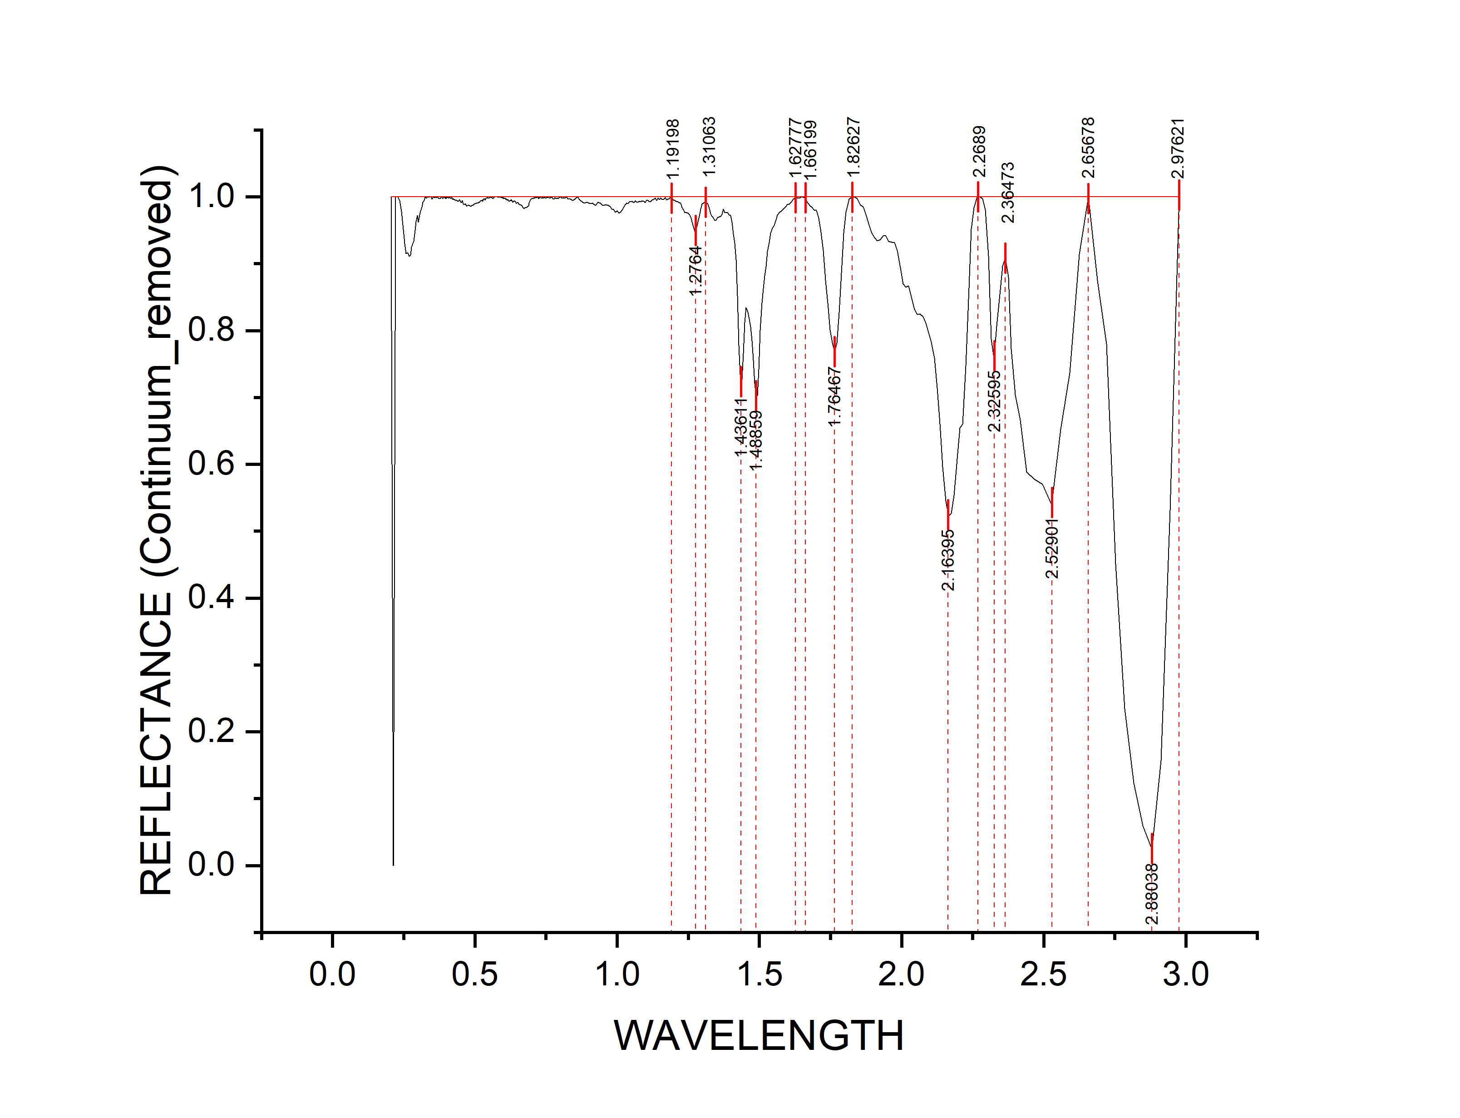
WAVELENGTH | REFLECTANCE (Continuum_removed) | DEPTH
0.2051 | 1 | 0
0.2131 | 0 | 1
0.2211 | 1 | 0
0.2291 | 1 | 0
0.2361 | 0.99425 | 0.00575
0.2421 | 0.97842 | 0.02158
0.2481 | 0.95108 | 0.04892
0.2536 | 0.93005 | 0.06995
0.2586 | 0.91541 | 0.08459
0.2636 | 0.9163 | 0.0837
0.2686 | 0.91115 | 0.08885
0.2731 | 0.91318 | 0.08682
0.2771 | 0.92447 | 0.07553
0.2811 | 0.93038 | 0.06962
0.2851 | 0.93365 | 0.06635
0.2891 | 0.94942 | 0.05058
0.2931 | 0.96234 | 0.03766
0.2971 | 0.97225 | 0.02775
0.3011 | 0.96164 | 0.03836
0.3051 | 0.97259 | 0.02741
0.3091 | 0.97797 | 0.02203
0.3131 | 0.98466 | 0.01534
0.3171 | 0.99155 | 0.00845
0.3211 | 0.99472 | 0.00528
0.3251 | 1 | 0
0.3291 | 0.99822 | 0.00178
0.3331 | 1 | 0
0.3371 | 0.99932 | 0.00068
0.3411 | 1 | 0
0.3451 | 1 | 0
0.3491 | 0.99678 | 0.00322
0.3531 | 1 | 0
0.3571 | 0.99869 | 0.00131
0.3606 | 1 | 0
0.3636 | 0.9984 | 0.0016
0.3666 | 0.99943 | 0.00057
0.3696 | 1 | 0
0.3726 | 0.9971 | 0.0029
0.3756 | 0.99733 | 0.00267
0.3786 | 0.9975 | 0.0025
0.3811 | 1 | 0
0.3831 | 0.99937 | 0.00063 | peak no. | peak_wavelength | starting_wavelength | ending_wavelength | depth | width | left_area | right_area | total_area
0.3851 | 0.99945 | 0.00055 | 1 | 1.2764 | 1.19198 | 1.31063 | 0.04923 | 0.11865 | 0.34391 | 0.1634 | 0.50731
0.3871 | 0.99756 | 0.00244 | 2 | 1.48859 | 1.31063 | 1.62777 | 0.29735 | 0.31714 | 3.80118 | 1.74396 | 5.54514
0.3891 | 0.99833 | 0.00167 | 3 | 1.76467 | 1.66199 | 1.82627 | 0.23239 | 0.16428 | 1.17415 | 0.58688 | 1.76103
0.3911 | 0.99957 | 0.00043 | 4 | 2.16395 | 1.82627 | 2.2689 | 0.47757 | 0.44263 | 4.42724 | 2.94634 | 7.37358
0.3931 | 1 | 0 | 5 | 2.32595 | 2.2689 | 2.36473 | 0.24204 | 0.09583 | 0.56519 | 0.44365 | 1.00884
0.3951 | 0.99802 | 0.00198 | 6 | 2.52901 | 2.36473 | 2.65678 | 0.46029 | 0.29205 | 2.7935 | 0.69686 | 3.49036
0.3971 | 1 | 0 | 7 | 2.88038 | 2.65678 | 2.97621 | 0.97578 | 0.31943 | 4.45185 | 1.31159 | 5.76344
0.3991 | 0.99748 | 0.00252
0.4011 | 0.99952 | 0.00048
0.4031 | 1 | 0
0.4051 | 0.99898 | 0.00102
0.4071 | 0.9988 | 0.0012
0.4091 | 0.99781 | 0.00219
0.4111 | 0.99917 | 0.00083
0.4128 | 1 | 0
0.4158 | 0.99727 | 0.00273
0.4188 | 0.99907 | 0.00093
0.4218 | 0.99606 | 0.00394
0.4248 | 0.99709 | 0.00291
0.4278 | 0.99587 | 0.00413
0.4308 | 0.99539 | 0.00461
0.4338 | 0.99451 | 0.00549
0.4368 | 0.99461 | 0.00539
0.4398 | 0.99299 | 0.00701
0.4428 | 0.99337 | 0.00663
0.4458 | 0.99566 | 0.00434
0.4488 | 0.99271 | 0.00729
0.4513 | 0.99194 | 0.00806
0.4533 | 0.99089 | 0.00911
0.4553 | 0.99446 | 0.00554
0.4573 | 0.99178 | 0.00822
0.4593 | 0.98997 | 0.01003
0.4613 | 0.98857 | 0.01143
0.4633 | 0.98814 | 0.01186
0.4653 | 0.98893 | 0.01107
0.4673 | 0.98985 | 0.01015
0.4693 | 0.98788 | 0.01212
0.4713 | 0.98602 | 0.01398
0.4733 | 0.98728 | 0.01272
0.4753 | 0.98684 | 0.01316
0.4773 | 0.98682 | 0.01318
0.4793 | 0.9873 | 0.0127
0.4813 | 0.98624 | 0.01376
0.4833 | 0.98713 | 0.01287
0.4853 | 0.98556 | 0.01444
0.4873 | 0.98631 | 0.01369
0.4893 | 0.98665 | 0.01335
0.4913 | 0.98787 | 0.01213
0.4933 | 0.98723 | 0.01277
0.4953 | 0.98825 | 0.01175
0.4973 | 0.98909 | 0.01091
0.4993 | 0.98923 | 0.01077
0.5013 | 0.98971 | 0.01029
0.5033 | 0.99013 | 0.00987
0.5053 | 0.98998 | 0.01002
0.5073 | 0.99094 | 0.00906
0.5093 | 0.99028 | 0.00972
0.5113 | 0.99147 | 0.00853
0.5133 | 0.99164 | 0.00836
0.5153 | 0.99111 | 0.00889
0.5173 | 0.99326 | 0.00674
0.5193 | 0.99363 | 0.00637
0.5213 | 0.99399 | 0.00601
0.5233 | 0.99411 | 0.00589
0.5253 | 0.99524 | 0.00476
0.5273 | 0.99291 | 0.00709
0.5293 | 0.99616 | 0.00384
0.5313 | 0.99683 | 0.00317
0.5333 | 0.99727 | 0.00273
0.5353 | 0.99498 | 0.00502
0.5373 | 0.99607 | 0.00393
0.5393 | 0.99815 | 0.00185
0.5413 | 0.99826 | 0.00174
0.5433 | 0.99831 | 0.00169
0.5453 | 0.99846 | 0.00154
0.5473 | 0.99823 | 0.00177
0.5493 | 0.99818 | 0.00182
0.5513 | 0.99887 | 0.00113
0.5533 | 0.99848 | 0.00152
0.5553 | 0.99984 | 0.00016
0.5573 | 0.99892 | 0.00108
0.5593 | 1 | 0
0.5613 | 0.99844 | 0.00156
0.5633 | 0.99723 | 0.00277
0.5653 | 0.99839 | 0.00161
0.5673 | 0.99937 | 0.00063
0.5693 | 0.99994 | 0.00006
0.5713 | 0.99997 | 0.00003
0.5733 | 1 | 0
0.5753 | 0.99974 | 0.00026
0.5773 | 0.99997 | 0.00003
0.5793 | 1 | 0
0.5813 | 0.99917 | 0.00083
0.5833 | 0.99955 | 0.00045
0.5853 | 0.9993 | 0.0007
0.5873 | 1 | 0
0.5893 | 0.99943 | 0.00057
0.5913 | 0.99959 | 0.00041
0.5933 | 0.99881 | 0.00119
0.5953 | 0.9986 | 0.0014
0.5973 | 0.99972 | 0.00028
0.5993 | 0.99703 | 0.00297
0.6011 | 0.99834 | 0.00166
0.6027 | 0.9972 | 0.0028
0.6043 | 0.99788 | 0.00212
0.6059 | 0.99695 | 0.00305
0.6075 | 0.99775 | 0.00225
0.6091 | 0.99563 | 0.00437
0.6107 | 0.99636 | 0.00364
0.6123 | 0.99562 | 0.00438
0.6139 | 0.99489 | 0.00511
0.6155 | 0.99597 | 0.00403
0.6171 | 0.99491 | 0.00509
0.6187 | 0.99447 | 0.00553
0.6203 | 0.99354 | 0.00646
0.6219 | 0.99419 | 0.00581
0.6235 | 0.99385 | 0.00615
0.6251 | 0.99464 | 0.00536
0.6267 | 0.99409 | 0.00591
0.6283 | 0.9958 | 0.0042
0.6299 | 0.99401 | 0.00599
0.6317 | 0.99411 | 0.00589
0.6337 | 0.99191 | 0.00809
0.6357 | 0.99319 | 0.00681
0.6377 | 0.9942 | 0.0058
0.6397 | 0.99342 | 0.00658
0.6417 | 0.99312 | 0.00688
0.6437 | 0.99184 | 0.00816
0.6457 | 0.99 | 0.01
0.6477 | 0.99128 | 0.00872
0.6497 | 0.99097 | 0.00903
0.6517 | 0.9913 | 0.0087
0.6537 | 0.98931 | 0.01069
0.6557 | 0.98905 | 0.01095
0.6577 | 0.98855 | 0.01145
0.6597 | 0.98775 | 0.01225
0.6617 | 0.98809 | 0.01191
0.6637 | 0.98699 | 0.01301
0.6657 | 0.9864 | 0.0136
0.6677 | 0.98462 | 0.01538
0.6702 | 0.98379 | 0.01621
0.6732 | 0.98225 | 0.01775
0.6762 | 0.98377 | 0.01623
0.6792 | 0.98363 | 0.01637
0.6822 | 0.98451 | 0.01549
0.6852 | 0.986 | 0.014
0.6882 | 0.98641 | 0.01359
0.6912 | 0.99072 | 0.00928
0.6942 | 0.99381 | 0.00619
0.6972 | 0.99642 | 0.00358
0.7002 | 0.99688 | 0.00312
0.702 | 0.99824 | 0.00176
0.704 | 0.99747 | 0.00253
0.706 | 0.9977 | 0.0023
0.708 | 0.99892 | 0.00108
0.71 | 0.99824 | 0.00176
0.712 | 0.99946 | 0.00054
0.714 | 0.99868 | 0.00132
0.716 | 1 | 0
0.718 | 0.9984 | 0.0016
0.72 | 0.9997 | 0.0003
0.722 | 1 | 0
0.724 | 0.99756 | 0.00244
0.726 | 0.99804 | 0.00196
0.728 | 0.99953 | 0.00047
0.73 | 1 | 0
0.732 | 0.99962 | 0.00038
0.734 | 0.99816 | 0.00184
0.736 | 0.99778 | 0.00222
0.738 | 0.99932 | 0.00068
0.74 | 0.99795 | 0.00205
0.742 | 0.99849 | 0.00151
0.744 | 0.99903 | 0.00097
0.746 | 0.99957 | 0.00043
0.748 | 0.9982 | 0.0018
0.7505 | 0.99865 | 0.00135
0.7535 | 1 | 0
0.7565 | 0.99854 | 0.00146
0.7595 | 1 | 0
0.7625 | 0.99824 | 0.00176
0.7655 | 0.99852 | 0.00148
0.7685 | 0.9996 | 0.0004
0.7715 | 0.99846 | 0.00154
0.7745 | 0.99692 | 0.00308
0.7775 | 0.9968 | 0.0032
0.781 | 0.99884 | 0.00116
0.785 | 0.99699 | 0.00301
0.789 | 0.99807 | 0.00193
0.793 | 0.99744 | 0.00256
0.797 | 0.99901 | 0.00099
0.8015 | 0.99956 | 0.00044
0.8065 | 0.99822 | 0.00178
0.8115 | 0.99861 | 0.00139
0.8165 | 0.99798 | 0.00202
0.822 | 0.99998 | 0.00002
0.828 | 0.99668 | 0.00332
0.835 | 0.99636 | 0.00364
0.843 | 0.99452 | 0.00548
0.851 | 0.99692 | 0.00308
0.859 | 1 | 0
0.871 | 0.99481 | 0.00519
0.883 | 0.99051 | 0.00949
0.894 | 0.99176 | 0.00824
0.904 | 0.98973 | 0.01027
0.914 | 0.99025 | 0.00975
0.924 | 0.98705 | 0.01295
0.933 | 0.9916 | 0.0084
0.941 | 0.99046 | 0.00954
0.949 | 0.98691 | 0.01309
0.957 | 0.98801 | 0.01199
0.964 | 0.98758 | 0.01242
0.97 | 0.98743 | 0.01257
0.976 | 0.98473 | 0.01527
0.982 | 0.98114 | 0.01886
0.988 | 0.98078 | 0.01922
0.994 | 0.97711 | 0.02289
1 | 0.97908 | 0.02092
1.006 | 0.97555 | 0.02445
1.012 | 0.97683 | 0.02317
1.018 | 0.98059 | 0.01941
1.0235 | 0.98506 | 0.01494
1.0285 | 0.98863 | 0.01137
1.0335 | 0.99067 | 0.00933
1.0385 | 0.98956 | 0.01044
1.0435 | 0.99244 | 0.00756
1.0485 | 0.99242 | 0.00758
1.0535 | 0.99305 | 0.00695
1.0585 | 0.99114 | 0.00886
1.0635 | 0.99356 | 0.00644
1.0685 | 0.99205 | 0.00795
1.0735 | 0.9919 | 0.0081
1.0785 | 0.99327 | 0.00673
1.0835 | 0.99264 | 0.00736
1.0885 | 0.99366 | 0.00634
1.0935 | 0.9934 | 0.0066
1.0985 | 0.99115 | 0.00885
1.1035 | 0.995 | 0.005
1.1085 | 0.99466 | 0.00534
1.1135 | 0.99231 | 0.00769
1.1185 | 0.99297 | 0.00703
1.1235 | 0.99501 | 0.00499
1.1285 | 0.99614 | 0.00386
1.1335 | 0.99794 | 0.00206
1.1385 | 0.99444 | 0.00556
1.1435 | 0.9977 | 0.0023
1.1485 | 0.99622 | 0.00378
1.1535 | 0.99828 | 0.00172
1.1585 | 0.99575 | 0.00425
1.1635 | 0.99614 | 0.00386
1.1685 | 0.99873 | 0.00127
1.1735 | 0.99548 | 0.00452
1.1785 | 0.99646 | 0.00354
1.1835 | 0.99754 | 0.00246
1.1885 | 1 | 0
1.1935 | 0.99724 | 0.00276
1.1985 | 0.99498 | 0.00502
1.2035 | 0.99428 | 0.00572
1.2085 | 0.99287 | 0.00713
1.2135 | 0.99282 | 0.00718
1.2185 | 0.99116 | 0.00884
1.2235 | 0.99037 | 0.00963
1.2285 | 0.98382 | 0.01618
1.2335 | 0.9809 | 0.0191
1.2385 | 0.97649 | 0.02351
1.2435 | 0.9759 | 0.0241
1.2485 | 0.97528 | 0.02472
1.2535 | 0.9736 | 0.0264
1.2585 | 0.96996 | 0.03004
1.2635 | 0.96296 | 0.03704
1.2685 | 0.95515 | 0.04485
1.2735 | 0.94831 | 0.05169
1.2785 | 0.95077 | 0.04923
1.2835 | 0.96244 | 0.03756
1.2885 | 0.97046 | 0.02954
1.2935 | 0.98181 | 0.01819
1.2985 | 0.98887 | 0.01113
1.3035 | 0.99036 | 0.00964
1.3085 | 0.99189 | 0.00811
1.3135 | 0.99187 | 0.00813
1.3185 | 0.98885 | 0.01115
1.3235 | 0.98208 | 0.01792
1.3285 | 0.97505 | 0.02495
1.3335 | 0.97078 | 0.02922
1.3385 | 0.96855 | 0.03145
1.3435 | 0.96474 | 0.03526
1.3485 | 0.96555 | 0.03445
1.3535 | 0.96879 | 0.03121
1.3585 | 0.96986 | 0.03014
1.3635 | 0.97075 | 0.02925
1.3685 | 0.97318 | 0.02682
1.3735 | 0.98151 | 0.01849
1.3785 | 0.97655 | 0.02345
1.3835 | 0.97615 | 0.02385
1.3885 | 0.97627 | 0.02373
1.3935 | 0.97279 | 0.02721
1.3985 | 0.97243 | 0.02757
1.4035 | 0.96226 | 0.03774
1.4085 | 0.94438 | 0.05562
1.4135 | 0.93099 | 0.06901
1.4185 | 0.9063 | 0.0937
1.4235 | 0.85228 | 0.14772
1.4285 | 0.77781 | 0.22219
1.4335 | 0.71943 | 0.28057
1.4385 | 0.72676 | 0.27324
1.4435 | 0.76591 | 0.23409
1.4485 | 0.81201 | 0.18799
1.4535 | 0.8346 | 0.1654
1.4585 | 0.83034 | 0.16966
1.4635 | 0.82047 | 0.17953
1.4685 | 0.80597 | 0.19403
1.4735 | 0.78459 | 0.21541
1.4785 | 0.75568 | 0.24432
1.4835 | 0.72064 | 0.27936
1.4885 | 0.70265 | 0.29735
1.4935 | 0.70253 | 0.29747
1.4985 | 0.74212 | 0.25788
1.5035 | 0.80001 | 0.19999
1.5085 | 0.84079 | 0.15921
1.5135 | 0.86253 | 0.13747
1.5185 | 0.88181 | 0.11819
1.5235 | 0.89535 | 0.10465
1.5285 | 0.9182 | 0.0818
1.534 | 0.93123 | 0.06877
1.54 | 0.94571 | 0.05429
1.546 | 0.95324 | 0.04676
1.552 | 0.95747 | 0.04253
1.558 | 0.9657 | 0.0343
1.564 | 0.97266 | 0.02734
1.5705 | 0.97622 | 0.02378
1.5775 | 0.97893 | 0.02107
1.5845 | 0.98183 | 0.01817
1.5915 | 0.98509 | 0.01491
1.5985 | 0.9882 | 0.0118
1.6055 | 0.98925 | 0.01075
1.6125 | 0.99231 | 0.00769
1.6195 | 0.9967 | 0.0033
1.6265 | 0.99816 | 0.00184
1.6335 | 0.99896 | 0.00104
1.6405 | 0.99792 | 0.00208
1.6475 | 1 | 0
1.6545 | 0.99909 | 0.00091
1.6615 | 0.99896 | 0.00104
1.6685 | 0.99192 | 0.00808
1.676 | 0.98738 | 0.01262
1.684 | 0.98463 | 0.01537
1.692 | 0.98049 | 0.01951
1.7 | 0.97941 | 0.02059
1.708 | 0.968 | 0.032
1.716 | 0.94704 | 0.05296
1.724 | 0.92005 | 0.07995
1.732 | 0.87509 | 0.12491
1.74 | 0.84111 | 0.15889
1.748 | 0.80121 | 0.19879
1.756 | 0.78191 | 0.21809
1.764 | 0.76761 | 0.23239
1.772 | 0.78111 | 0.21889
1.78 | 0.82674 | 0.17326
1.788 | 0.88619 | 0.11381
1.796 | 0.94556 | 0.05444
1.805 | 0.97724 | 0.02276
1.815 | 0.99684 | 0.00316
1.825 | 0.99944 | 0.00056
1.835 | 1 | 0
1.845 | 0.99705 | 0.00295
1.855 | 0.98749 | 0.01251
1.865 | 0.98474 | 0.01526
1.875 | 0.97325 | 0.02675
1.885 | 0.95964 | 0.04036
1.895 | 0.94593 | 0.05407
1.905 | 0.93905 | 0.06095
1.915 | 0.93394 | 0.06606
1.925 | 0.93613 | 0.06387
1.935 | 0.94137 | 0.05863
1.945 | 0.94184 | 0.05816
1.955 | 0.93335 | 0.06665
1.965 | 0.93216 | 0.06784
1.975 | 0.93111 | 0.06889
1.985 | 0.92012 | 0.07988
1.995 | 0.89775 | 0.10225
2.005 | 0.86942 | 0.13058
2.015 | 0.86469 | 0.13531
2.025 | 0.86685 | 0.13315
2.035 | 0.85077 | 0.14923
2.045 | 0.83164 | 0.16836
2.055 | 0.82395 | 0.17605
2.065 | 0.82454 | 0.17546
2.075 | 0.82094 | 0.17906
2.085 | 0.81102 | 0.18898
2.095 | 0.79673 | 0.20327
2.105 | 0.78297 | 0.21703
2.115 | 0.75886 | 0.24114
2.125 | 0.71413 | 0.28587
2.135 | 0.66027 | 0.33973
2.145 | 0.59607 | 0.40393
2.155 | 0.54499 | 0.45501
2.165 | 0.52243 | 0.47757
2.175 | 0.52675 | 0.47325
2.185 | 0.55288 | 0.44712
2.195 | 0.60801 | 0.39199
2.205 | 0.65459 | 0.34541
2.215 | 0.66003 | 0.33997
2.225 | 0.74731 | 0.25269
2.235 | 0.84649 | 0.15351
2.245 | 0.95153 | 0.04847
2.255 | 0.98364 | 0.01636
2.265 | 1 | 0
2.275 | 1 | 0
2.285 | 0.99754 | 0.00246
2.295 | 0.98058 | 0.01942
2.305 | 0.91098 | 0.08902
2.315 | 0.78775 | 0.21225
2.325 | 0.75796 | 0.24204
2.335 | 0.80622 | 0.19378
2.345 | 0.85429 | 0.14571
2.355 | 0.89584 | 0.10416
2.365 | 0.90889 | 0.09111
2.375 | 0.87954 | 0.12046
2.386 | 0.77275 | 0.22725
2.4 | 0.70415 | 0.29585
2.418 | 0.66583 | 0.33417
2.44 | 0.58815 | 0.41185
2.466 | 0.57735 | 0.42265
2.496 | 0.57013 | 0.42987
2.528 | 0.53971 | 0.46029
2.56 | 0.65242 | 0.34758
2.592 | 0.73667 | 0.26333
2.624 | 0.91405 | 0.08595
2.656 | 1 | 0
2.688 | 0.87525 | 0.12475
2.72 | 0.7802 | 0.2198
2.752 | 0.45086 | 0.54914
2.784 | 0.23495 | 0.76505
2.816 | 0.12342 | 0.87658
2.848 | 0.05925 | 0.94075
2.88 | 0.02422 | 0.97578
2.912 | 0.15673 | 0.84327
2.944 | 0.53168 | 0.46832
2.976 | 1 | 0

A5
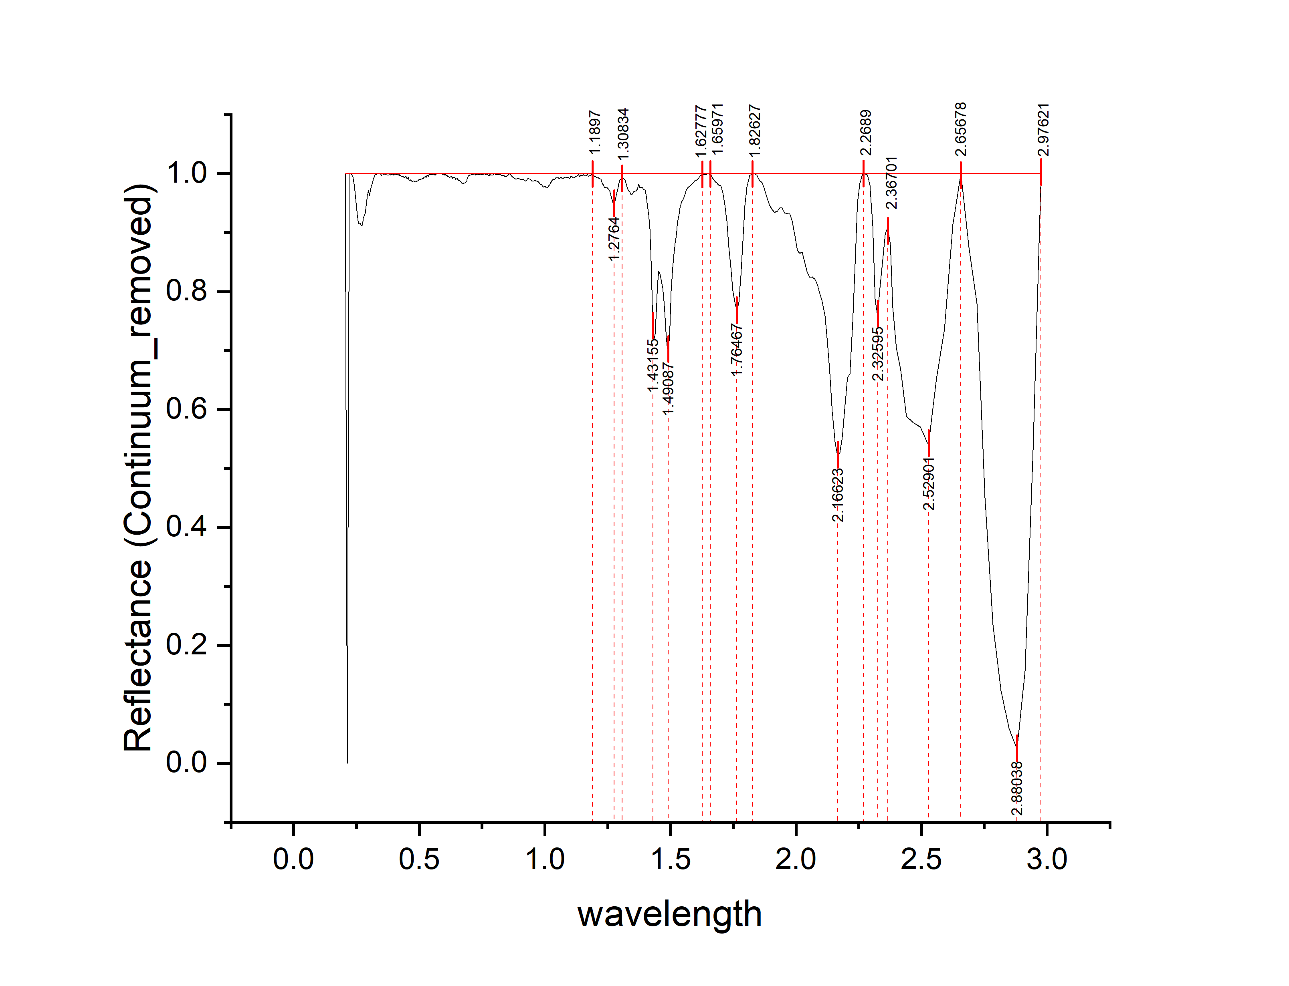
wavelength | Reflectance (Continuum_removed) | depth
0.2051 | 1 | 0
0.2131 | 0 | 1
0.2211 | 1 | 0
0.2291 | 1 | 0
0.2361 | 0.99425 | 0.00575
0.2421 | 0.97842 | 0.02158
0.2481 | 0.95108 | 0.04892
0.2536 | 0.93005 | 0.06995
0.2586 | 0.91541 | 0.08459
0.2636 | 0.9163 | 0.0837
0.2686 | 0.91115 | 0.08885
0.2731 | 0.91318 | 0.08682
0.2771 | 0.92447 | 0.07553
0.2811 | 0.93038 | 0.06962
0.2851 | 0.93365 | 0.06635
0.2891 | 0.94942 | 0.05058
0.2931 | 0.96234 | 0.03766
0.2971 | 0.97225 | 0.02775
0.3011 | 0.96164 | 0.03836
0.3051 | 0.97259 | 0.02741
0.3091 | 0.97797 | 0.02203
0.3131 | 0.98466 | 0.01534
0.3171 | 0.99155 | 0.00845
0.3211 | 0.99472 | 0.00528
0.3251 | 1 | 0
0.3291 | 0.99822 | 0.00178
0.3331 | 1 | 0
0.3371 | 0.99932 | 0.00068
0.3411 | 1 | 0
0.3451 | 1 | 0
0.3491 | 0.99678 | 0.00322
0.3531 | 1 | 0
0.3571 | 0.99869 | 0.00131
0.3606 | 1 | 0
0.3636 | 0.9984 | 0.0016
0.3666 | 0.99943 | 0.00057
0.3696 | 1 | 0
0.3726 | 0.9971 | 0.0029
0.3756 | 0.99733 | 0.00267
0.3786 | 0.9975 | 0.0025
0.3811 | 1 | 0
0.3831 | 0.99937 | 0.00063 | peak no. | peak_wavelength | starting_wavelength | ending_wavelength | depth | width | left_area | right_area | total_area
0.3851 | 0.99945 | 0.00055 | 1 | 1.2764 | 1.1897 | 1.3034 | 0.05169 | 0.1137 | 0.34391 | 0.14565 | 0.48956
0.3871 | 0.99756 | 0.00244 | 2 | 1.49087 | 1.30834 | 1.62777 | 0.29747 | 0.31943 | 3.80929 | 1.74396 | 5.55325
0.3891 | 0.99833 | 0.00167 | 3 | 1.76467 | 1.65971 | 1.82627 | 0.23239 | 0.16656 | 1.17519 | 0.58688 | 1.76207
0.3911 | 0.99957 | 0.00043 | 4 | 2.16623 | 1.82627 | 2.2689 | 0.47757 | 0.44263 | 4.90481 | 2.46877 | 7.37358
0.3931 | 1 | 0 | 5 | 2.32595 | 2.2689 | 2.36701 | 0.24204 | 0.09811 | 0.56519 | 0.53476 | 1.09995
0.3951 | 0.99802 | 0.00198 | 6 | 2.52901 | 2.36701 | 2.65678 | 0.46029 | 0.28977 | 2.70239 | 0.69686 | 3.39925
0.3971 | 1 | 0 | 7 | 2.88038 | 2.65678 | 2.97621 | 0.97578 | 0.31943 | 4.45185 | 1.31159 | 5.76344
0.3991 | 0.99748 | 0.00252
0.4011 | 0.99952 | 0.00048
0.4031 | 1 | 0
0.4051 | 0.99898 | 0.00102
0.4071 | 0.9988 | 0.0012
0.4091 | 0.99781 | 0.00219
0.4111 | 0.99917 | 0.00083
0.4128 | 1 | 0
0.4158 | 0.99727 | 0.00273
0.4188 | 0.99907 | 0.00093
0.4218 | 0.99606 | 0.00394
0.4248 | 0.99709 | 0.00291
0.4278 | 0.99587 | 0.00413
0.4308 | 0.99539 | 0.00461
0.4338 | 0.99451 | 0.00549
0.4368 | 0.99461 | 0.00539
0.4398 | 0.99299 | 0.00701
0.4428 | 0.99337 | 0.00663
0.4458 | 0.99566 | 0.00434
0.4488 | 0.99271 | 0.00729
0.4513 | 0.99194 | 0.00806
0.4533 | 0.99089 | 0.00911
0.4553 | 0.99446 | 0.00554
0.4573 | 0.99178 | 0.00822
0.4593 | 0.98997 | 0.01003
0.4613 | 0.98857 | 0.01143
0.4633 | 0.98814 | 0.01186
0.4653 | 0.98893 | 0.01107
0.4673 | 0.98985 | 0.01015
0.4693 | 0.98788 | 0.01212
0.4713 | 0.98602 | 0.01398
0.4733 | 0.98728 | 0.01272
0.4753 | 0.98684 | 0.01316
0.4773 | 0.98682 | 0.01318
0.4793 | 0.9873 | 0.0127
0.4813 | 0.98624 | 0.01376
0.4833 | 0.98713 | 0.01287
0.4853 | 0.98556 | 0.01444
0.4873 | 0.98631 | 0.01369
0.4893 | 0.98665 | 0.01335
0.4913 | 0.98787 | 0.01213
0.4933 | 0.98723 | 0.01277
0.4953 | 0.98825 | 0.01175
0.4973 | 0.98909 | 0.01091
0.4993 | 0.98923 | 0.01077
0.5013 | 0.98971 | 0.01029
0.5033 | 0.99013 | 0.00987
0.5053 | 0.98998 | 0.01002
0.5073 | 0.99094 | 0.00906
0.5093 | 0.99028 | 0.00972
0.5113 | 0.99147 | 0.00853
0.5133 | 0.99164 | 0.00836
0.5153 | 0.99111 | 0.00889
0.5173 | 0.99326 | 0.00674
0.5193 | 0.99363 | 0.00637
0.5213 | 0.99399 | 0.00601
0.5233 | 0.99411 | 0.00589
0.5253 | 0.99524 | 0.00476
0.5273 | 0.99291 | 0.00709
0.5293 | 0.99616 | 0.00384
0.5313 | 0.99683 | 0.00317
0.5333 | 0.99727 | 0.00273
0.5353 | 0.99498 | 0.00502
0.5373 | 0.99607 | 0.00393
0.5393 | 0.99815 | 0.00185
0.5413 | 0.99826 | 0.00174
0.5433 | 0.99831 | 0.00169
0.5453 | 0.99846 | 0.00154
0.5473 | 0.99823 | 0.00177
0.5493 | 0.99818 | 0.00182
0.5513 | 0.99887 | 0.00113
0.5533 | 0.99848 | 0.00152
0.5553 | 0.99984 | 0.00016
0.5573 | 0.99892 | 0.00108
0.5593 | 1 | 0
0.5613 | 0.99844 | 0.00156
0.5633 | 0.99723 | 0.00277
0.5653 | 0.99839 | 0.00161
0.5673 | 0.99937 | 0.00063
0.5693 | 0.99994 | 0.00006
0.5713 | 0.99997 | 0.00003
0.5733 | 1 | 0
0.5753 | 0.99974 | 0.00026
0.5773 | 0.99997 | 0.00003
0.5793 | 1 | 0
0.5813 | 0.99917 | 0.00083
0.5833 | 0.99955 | 0.00045
0.5853 | 0.9993 | 0.0007
0.5873 | 1 | 0
0.5893 | 0.99943 | 0.00057
0.5913 | 0.99959 | 0.00041
0.5933 | 0.99881 | 0.00119
0.5953 | 0.9986 | 0.0014
0.5973 | 0.99972 | 0.00028
0.5993 | 0.99703 | 0.00297
0.6011 | 0.99834 | 0.00166
0.6027 | 0.9972 | 0.0028
0.6043 | 0.99788 | 0.00212
0.6059 | 0.99695 | 0.00305
0.6075 | 0.99775 | 0.00225
0.6091 | 0.99563 | 0.00437
0.6107 | 0.99636 | 0.00364
0.6123 | 0.99562 | 0.00438
0.6139 | 0.99489 | 0.00511
0.6155 | 0.99597 | 0.00403
0.6171 | 0.99491 | 0.00509
0.6187 | 0.99447 | 0.00553
0.6203 | 0.99354 | 0.00646
0.6219 | 0.99419 | 0.00581
0.6235 | 0.99385 | 0.00615
0.6251 | 0.99464 | 0.00536
0.6267 | 0.99409 | 0.00591
0.6283 | 0.9958 | 0.0042
0.6299 | 0.99401 | 0.00599
0.6317 | 0.99411 | 0.00589
0.6337 | 0.99191 | 0.00809
0.6357 | 0.99319 | 0.00681
0.6377 | 0.9942 | 0.0058
0.6397 | 0.99342 | 0.00658
0.6417 | 0.99312 | 0.00688
0.6437 | 0.99184 | 0.00816
0.6457 | 0.99 | 0.01
0.6477 | 0.99128 | 0.00872
0.6497 | 0.99097 | 0.00903
0.6517 | 0.9913 | 0.0087
0.6537 | 0.98931 | 0.01069
0.6557 | 0.98905 | 0.01095
0.6577 | 0.98855 | 0.01145
0.6597 | 0.98775 | 0.01225
0.6617 | 0.98809 | 0.01191
0.6637 | 0.98699 | 0.01301
0.6657 | 0.9864 | 0.0136
0.6677 | 0.98462 | 0.01538
0.6702 | 0.98379 | 0.01621
0.6732 | 0.98225 | 0.01775
0.6762 | 0.98377 | 0.01623
0.6792 | 0.98363 | 0.01637
0.6822 | 0.98451 | 0.01549
0.6852 | 0.986 | 0.014
0.6882 | 0.98641 | 0.01359
0.6912 | 0.99072 | 0.00928
0.6942 | 0.99381 | 0.00619
0.6972 | 0.99642 | 0.00358
0.7002 | 0.99688 | 0.00312
0.702 | 0.99824 | 0.00176
0.704 | 0.99747 | 0.00253
0.706 | 0.9977 | 0.0023
0.708 | 0.99892 | 0.00108
0.71 | 0.99824 | 0.00176
0.712 | 0.99946 | 0.00054
0.714 | 0.99868 | 0.00132
0.716 | 1 | 0
0.718 | 0.9984 | 0.0016
0.72 | 0.9997 | 0.0003
0.722 | 1 | 0
0.724 | 0.99756 | 0.00244
0.726 | 0.99804 | 0.00196
0.728 | 0.99953 | 0.00047
0.73 | 1 | 0
0.732 | 0.99962 | 0.00038
0.734 | 0.99816 | 0.00184
0.736 | 0.99778 | 0.00222
0.738 | 0.99932 | 0.00068
0.74 | 0.99795 | 0.00205
0.742 | 0.99849 | 0.00151
0.744 | 0.99903 | 0.00097
0.746 | 0.99957 | 0.00043
0.748 | 0.9982 | 0.0018
0.7505 | 0.99865 | 0.00135
0.7535 | 1 | 0
0.7565 | 0.99854 | 0.00146
0.7595 | 1 | 0
0.7625 | 0.99824 | 0.00176
0.7655 | 0.99852 | 0.00148
0.7685 | 0.9996 | 0.0004
0.7715 | 0.99846 | 0.00154
0.7745 | 0.99692 | 0.00308
0.7775 | 0.9968 | 0.0032
0.781 | 0.99884 | 0.00116
0.785 | 0.99699 | 0.00301
0.789 | 0.99807 | 0.00193
0.793 | 0.99744 | 0.00256
0.797 | 0.99901 | 0.00099
0.8015 | 0.99956 | 0.00044
0.8065 | 0.99822 | 0.00178
0.8115 | 0.99861 | 0.00139
0.8165 | 0.99798 | 0.00202
0.822 | 0.99998 | 0.00002
0.828 | 0.99668 | 0.00332
0.835 | 0.99636 | 0.00364
0.843 | 0.99452 | 0.00548
0.851 | 0.99692 | 0.00308
0.859 | 1 | 0
0.871 | 0.99481 | 0.00519
0.883 | 0.99051 | 0.00949
0.894 | 0.99176 | 0.00824
0.904 | 0.98973 | 0.01027
0.914 | 0.99025 | 0.00975
0.924 | 0.98705 | 0.01295
0.933 | 0.9916 | 0.0084
0.941 | 0.99046 | 0.00954
0.949 | 0.98691 | 0.01309
0.957 | 0.98801 | 0.01199
0.964 | 0.98758 | 0.01242
0.97 | 0.98743 | 0.01257
0.976 | 0.98473 | 0.01527
0.982 | 0.98114 | 0.01886
0.988 | 0.98078 | 0.01922
0.994 | 0.97711 | 0.02289
1 | 0.97908 | 0.02092
1.006 | 0.97555 | 0.02445
1.012 | 0.97683 | 0.02317
1.018 | 0.98059 | 0.01941
1.0235 | 0.98506 | 0.01494
1.0285 | 0.98863 | 0.01137
1.0335 | 0.99067 | 0.00933
1.0385 | 0.98956 | 0.01044
1.0435 | 0.99244 | 0.00756
1.0485 | 0.99242 | 0.00758
1.0535 | 0.99305 | 0.00695
1.0585 | 0.99114 | 0.00886
1.0635 | 0.99356 | 0.00644
1.0685 | 0.99205 | 0.00795
1.0735 | 0.9919 | 0.0081
1.0785 | 0.99327 | 0.00673
1.0835 | 0.99264 | 0.00736
1.0885 | 0.99366 | 0.00634
1.0935 | 0.9934 | 0.0066
1.0985 | 0.99115 | 0.00885
1.1035 | 0.995 | 0.005
1.1085 | 0.99466 | 0.00534
1.1135 | 0.99231 | 0.00769
1.1185 | 0.99297 | 0.00703
1.1235 | 0.99501 | 0.00499
1.1285 | 0.99614 | 0.00386
1.1335 | 0.99794 | 0.00206
1.1385 | 0.99444 | 0.00556
1.1435 | 0.9977 | 0.0023
1.1485 | 0.99622 | 0.00378
1.1535 | 0.99828 | 0.00172
1.1585 | 0.99575 | 0.00425
1.1635 | 0.99614 | 0.00386
1.1685 | 0.99873 | 0.00127
1.1735 | 0.99548 | 0.00452
1.1785 | 0.99646 | 0.00354
1.1835 | 0.99754 | 0.00246
1.1885 | 1 | 0
1.1935 | 0.99724 | 0.00276
1.1985 | 0.99498 | 0.00502
1.2035 | 0.99428 | 0.00572
1.2085 | 0.99287 | 0.00713
1.2135 | 0.99282 | 0.00718
1.2185 | 0.99116 | 0.00884
1.2235 | 0.99037 | 0.00963
1.2285 | 0.98382 | 0.01618
1.2335 | 0.9809 | 0.0191
1.2385 | 0.97649 | 0.02351
1.2435 | 0.9759 | 0.0241
1.2485 | 0.97528 | 0.02472
1.2535 | 0.9736 | 0.0264
1.2585 | 0.96996 | 0.03004
1.2635 | 0.96296 | 0.03704
1.2685 | 0.95515 | 0.04485
1.2735 | 0.94831 | 0.05169
1.2785 | 0.95077 | 0.04923
1.2835 | 0.96244 | 0.03756
1.2885 | 0.97046 | 0.02954
1.2935 | 0.98181 | 0.01819
1.2985 | 0.98887 | 0.01113
1.3035 | 0.99036 | 0.00964
1.3085 | 0.99189 | 0.00811
1.3135 | 0.99187 | 0.00813
1.3185 | 0.98885 | 0.01115
1.3235 | 0.98208 | 0.01792
1.3285 | 0.97505 | 0.02495
1.3335 | 0.97078 | 0.02922
1.3385 | 0.96855 | 0.03145
1.3435 | 0.96474 | 0.03526
1.3485 | 0.96555 | 0.03445
1.3535 | 0.96879 | 0.03121
1.3585 | 0.96986 | 0.03014
1.3635 | 0.97075 | 0.02925
1.3685 | 0.97318 | 0.02682
1.3735 | 0.98151 | 0.01849
1.3785 | 0.97655 | 0.02345
1.3835 | 0.97615 | 0.02385
1.3885 | 0.97627 | 0.02373
1.3935 | 0.97279 | 0.02721
1.3985 | 0.97243 | 0.02757
1.4035 | 0.96226 | 0.03774
1.4085 | 0.94438 | 0.05562
1.4135 | 0.93099 | 0.06901
1.4185 | 0.9063 | 0.0937
1.4235 | 0.85228 | 0.14772
1.4285 | 0.77781 | 0.22219
1.4335 | 0.71943 | 0.28057
1.4385 | 0.72676 | 0.27324
1.4435 | 0.76591 | 0.23409
1.4485 | 0.81201 | 0.18799
1.4535 | 0.8346 | 0.1654
1.4585 | 0.83034 | 0.16966
1.4635 | 0.82047 | 0.17953
1.4685 | 0.80597 | 0.19403
1.4735 | 0.78459 | 0.21541
1.4785 | 0.75568 | 0.24432
1.4835 | 0.72064 | 0.27936
1.4885 | 0.70265 | 0.29735
1.4935 | 0.70253 | 0.29747
1.4985 | 0.74212 | 0.25788
1.5035 | 0.80001 | 0.19999
1.5085 | 0.84079 | 0.15921
1.5135 | 0.86253 | 0.13747
1.5185 | 0.88181 | 0.11819
1.5235 | 0.89535 | 0.10465
1.5285 | 0.9182 | 0.0818
1.534 | 0.93123 | 0.06877
1.54 | 0.94571 | 0.05429
1.546 | 0.95324 | 0.04676
1.552 | 0.95747 | 0.04253
1.558 | 0.9657 | 0.0343
1.564 | 0.97266 | 0.02734
1.5705 | 0.97622 | 0.02378
1.5775 | 0.97893 | 0.02107
1.5845 | 0.98183 | 0.01817
1.5915 | 0.98509 | 0.01491
1.5985 | 0.9882 | 0.0118
1.6055 | 0.98925 | 0.01075
1.6125 | 0.99231 | 0.00769
1.6195 | 0.9967 | 0.0033
1.6265 | 0.99816 | 0.00184
1.6335 | 0.99896 | 0.00104
1.6405 | 0.99792 | 0.00208
1.6475 | 1 | 0
1.6545 | 0.99909 | 0.00091
1.6615 | 0.99896 | 0.00104
1.6685 | 0.99192 | 0.00808
1.676 | 0.98738 | 0.01262
1.684 | 0.98463 | 0.01537
1.692 | 0.98049 | 0.01951
1.7 | 0.97941 | 0.02059
1.708 | 0.968 | 0.032
1.716 | 0.94704 | 0.05296
1.724 | 0.92005 | 0.07995
1.732 | 0.87509 | 0.12491
1.74 | 0.84111 | 0.15889
1.748 | 0.80121 | 0.19879
1.756 | 0.78191 | 0.21809
1.764 | 0.76761 | 0.23239
1.772 | 0.78111 | 0.21889
1.78 | 0.82674 | 0.17326
1.788 | 0.88619 | 0.11381
1.796 | 0.94556 | 0.05444
1.805 | 0.97724 | 0.02276
1.815 | 0.99684 | 0.00316
1.825 | 0.99944 | 0.00056
1.835 | 1 | 0
1.845 | 0.99705 | 0.00295
1.855 | 0.98749 | 0.01251
1.865 | 0.98474 | 0.01526
1.875 | 0.97325 | 0.02675
1.885 | 0.95964 | 0.04036
1.895 | 0.94593 | 0.05407
1.905 | 0.93905 | 0.06095
1.915 | 0.93394 | 0.06606
1.925 | 0.93613 | 0.06387
1.935 | 0.94137 | 0.05863
1.945 | 0.94184 | 0.05816
1.955 | 0.93335 | 0.06665
1.965 | 0.93216 | 0.06784
1.975 | 0.93111 | 0.06889
1.985 | 0.92012 | 0.07988
1.995 | 0.89775 | 0.10225
2.005 | 0.86942 | 0.13058
2.015 | 0.86469 | 0.13531
2.025 | 0.86685 | 0.13315
2.035 | 0.85077 | 0.14923
2.045 | 0.83164 | 0.16836
2.055 | 0.82395 | 0.17605
2.065 | 0.82454 | 0.17546
2.075 | 0.82094 | 0.17906
2.085 | 0.81102 | 0.18898
2.095 | 0.79673 | 0.20327
2.105 | 0.78297 | 0.21703
2.115 | 0.75886 | 0.24114
2.125 | 0.71413 | 0.28587
2.135 | 0.66027 | 0.33973
2.145 | 0.59607 | 0.40393
2.155 | 0.54499 | 0.45501
2.165 | 0.52243 | 0.47757
2.175 | 0.52675 | 0.47325
2.185 | 0.55288 | 0.44712
2.195 | 0.60801 | 0.39199
2.205 | 0.65459 | 0.34541
2.215 | 0.66003 | 0.33997
2.225 | 0.74731 | 0.25269
2.235 | 0.84649 | 0.15351
2.245 | 0.95153 | 0.04847
2.255 | 0.98364 | 0.01636
2.265 | 1 | 0
2.275 | 1 | 0
2.285 | 0.99754 | 0.00246
2.295 | 0.98058 | 0.01942
2.305 | 0.91098 | 0.08902
2.315 | 0.78775 | 0.21225
2.325 | 0.75796 | 0.24204
2.335 | 0.80622 | 0.19378
2.345 | 0.85429 | 0.14571
2.355 | 0.89584 | 0.10416
2.365 | 0.90889 | 0.09111
2.375 | 0.87954 | 0.12046
2.386 | 0.77275 | 0.22725
2.4 | 0.70415 | 0.29585
2.418 | 0.66583 | 0.33417
2.44 | 0.58815 | 0.41185
2.466 | 0.57735 | 0.42265
2.496 | 0.57013 | 0.42987
2.528 | 0.53971 | 0.46029
2.56 | 0.65242 | 0.34758
2.592 | 0.73667 | 0.26333
2.624 | 0.91405 | 0.08595
2.656 | 1 | 0
2.688 | 0.87525 | 0.12475
2.72 | 0.7802 | 0.2198
2.752 | 0.45086 | 0.54914
2.784 | 0.23495 | 0.76505
2.816 | 0.12342 | 0.87658
2.848 | 0.05925 | 0.94075
2.88 | 0.02422 | 0.97578
2.912 | 0.15673 | 0.84327
2.944 | 0.53168 | 0.46832
2.976 | 1 | 0

A6
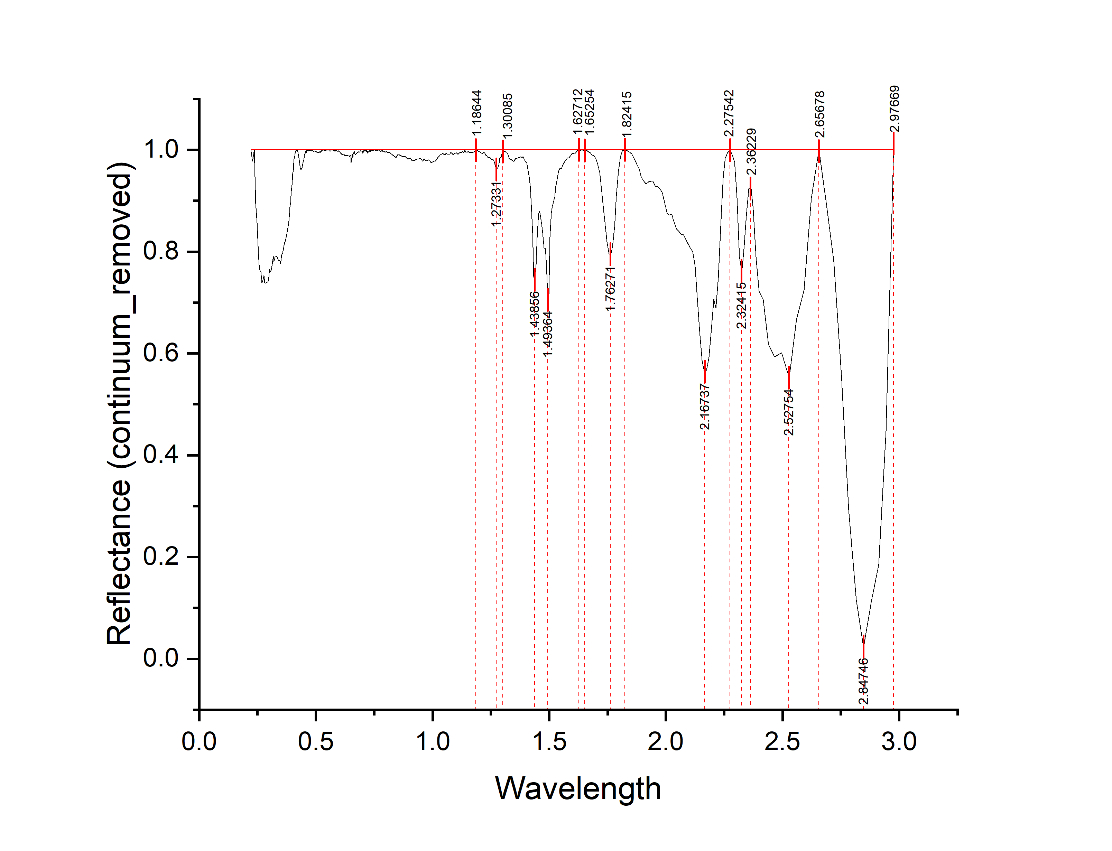
Wavelength | Reflectance (continuum_removed) | depth
0.2211 | 1 | 0
0.2291 | 0.97749 | 0.02251
0.2361 | 1 | 0
0.2421 | 0.89465 | 0.10535
0.2481 | 0.85665 | 0.14335
0.2536 | 0.79514 | 0.20486
0.2586 | 0.76442 | 0.23558
0.2636 | 0.76125 | 0.23875
0.2686 | 0.7388 | 0.2612
0.2731 | 0.7437 | 0.2563
0.2771 | 0.75282 | 0.24718
0.2811 | 0.73955 | 0.26045
0.2851 | 0.73782 | 0.26218
0.2891 | 0.74023 | 0.25977
0.2931 | 0.74018 | 0.25982
0.2971 | 0.74247 | 0.25753
0.3011 | 0.76574 | 0.23426
0.3051 | 0.76099 | 0.23901
0.3091 | 0.76446 | 0.23554
0.3131 | 0.7761 | 0.2239
0.3171 | 0.79064 | 0.20936
0.3211 | 0.78098 | 0.21902
0.3251 | 0.78932 | 0.21068
0.3291 | 0.79028 | 0.20972
0.3331 | 0.78989 | 0.21011
0.3371 | 0.78511 | 0.21489
0.3411 | 0.78196 | 0.21804
0.3451 | 0.78229 | 0.21771
0.3491 | 0.77561 | 0.22439
0.3531 | 0.79279 | 0.20721
0.3571 | 0.79673 | 0.20327
0.3606 | 0.80361 | 0.19639
0.3636 | 0.81215 | 0.18785
0.3666 | 0.81876 | 0.18124
0.3696 | 0.82088 | 0.17912
0.3726 | 0.82741 | 0.17259
0.3756 | 0.83406 | 0.16594
0.3786 | 0.84104 | 0.15896
0.3811 | 0.85031 | 0.14969
0.3831 | 0.85323 | 0.14677
0.3851 | 0.86753 | 0.13247
0.3871 | 0.875 | 0.125 | peak no. | peak_wavelength | starting_wavelength | ending_wavelength | depth | width | left_area | right_area | total_area
0.3891 | 0.88783 | 0.11217 | 1 | 1.27331 | 1.18644 | 1.30085 | 0.0389 | 0.11441 | 0.19498 | 0.14286 | 0.33784
0.3911 | 0.89619 | 0.10381 | 2 | 1.49364 | 1.30085 | 1.62712 | 0.29483 | 0.32627 | 3.26134 | 1.27485 | 4.53619
0.3931 | 0.90861 | 0.09139 | 3 | 1.76271 | 1.65254 | 1.82415 | 0.20558 | 0.17161 | 0.84596 | 0.69617 | 1.54213
0.3951 | 0.91894 | 0.08106 | 4 | 2.1673 | 1.82415 | 2.27542 | 0.4371 | 0.45127 | 4.52362 | 2.27424 | 6.79786
0.3971 | 0.92997 | 0.07003 | 5 | 2.32415 | 2.27542 | 2.36229 | 0.24506 | 0.08687 | 0.33811 | 0.64281 | 0.98092
0.3991 | 0.94051 | 0.05949 | 6 | 2.52754 | 2.36229 | 2.65678 | 0.44807 | 0.29449 | 2.16442 | 1.15199 | 3.31641
0.4011 | 0.95314 | 0.04686 | 7 | 2.84746 | 2.65678 | 2.97669 | 0.97767 | 0.31991 | 2.36145 | 3.23431 | 5.59576
0.4031 | 0.96083 | 0.03917
0.4051 | 0.97443 | 0.02557
0.4071 | 0.98227 | 0.01773
0.4091 | 0.98697 | 0.01303
0.4111 | 0.99276 | 0.00724
0.4128 | 0.99578 | 0.00422
0.4158 | 1 | 0
0.4188 | 0.99783 | 0.00217
0.4218 | 1 | 0
0.4248 | 0.99285 | 0.00715
0.4278 | 0.98397 | 0.01603
0.4308 | 0.97478 | 0.02522
0.4338 | 0.96423 | 0.03577
0.4368 | 0.96071 | 0.03929
0.4398 | 0.96485 | 0.03515
0.4428 | 0.97229 | 0.02771
0.4458 | 0.97739 | 0.02261
0.4488 | 0.98349 | 0.01651
0.4513 | 0.98906 | 0.01094
0.4533 | 0.99323 | 0.00677
0.4553 | 0.99358 | 0.00642
0.4573 | 0.99705 | 0.00295
...

A7
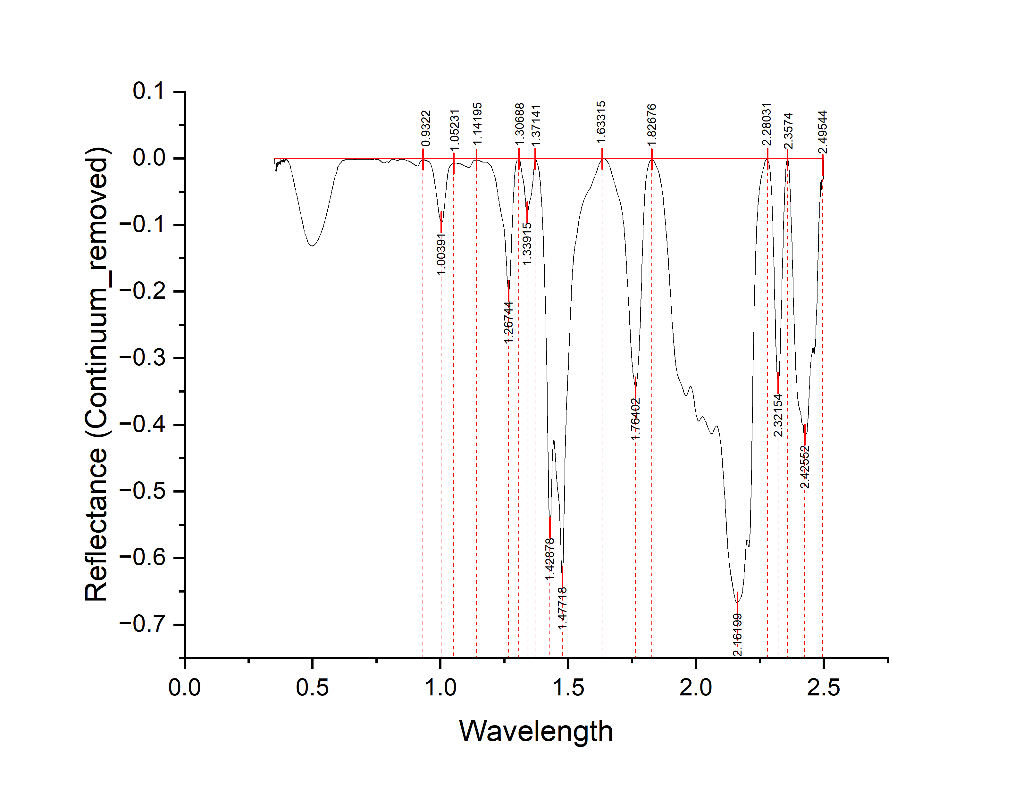
|Wavelength | Reflectance | Depth
0.35 | -0.00164 | 0.00164
0.351 | -0.00198 | 0.00198
0.352 | -0.00164 | 0.00164
0.353 | -0.00817 | 0.00817
0.354 | -0.01645 | 0.01645
0.355 | -0.01891 | 0.01891
0.356 | -0.01682 | 0.01682
0.357 | -0.01809 | 0.01809
0.358 | -0.01053 | 0.01053
0.359 | -0.0072 | 0.0072
0.36 | -0.01953 | 0.01953
0.361 | -0.01164 | 0.01164
0.362 | -0.00494 | 0.00494
0.363 | -0.01208 | 0.01208
0.364 | -0.01239 | 0.01239
0.365 | -0.00957 | 0.00957
0.366 | -0.00779 | 0.00779
0.367 | -0.0069 | 0.0069
0.368 | -0.00606 | 0.00606
0.369 | -0.00624 | 0.00624
0.37 | -0.00784 | 0.00784
0.371 | -0.00506 | 0.00506
0.372 | -0.00545 | 0.00545
0.373 | -0.00901 | 0.00901
0.374 | -0.00928 | 0.00928
0.375 | -0.00434 | 0.00434
0.376 | -0.00164 | 0.00164
0.377 | -0.00541 | 0.00541
0.378 | -0.0046 | 0.0046
0.379 | -0.00297 | 0.00297
0.38 | -0.00467 | 0.00467
0.381 | -0.00696 | 0.00696
0.382 | -0.00559 | 0.00559
0.383 | -0.00271 | 0.00271
0.384 | -0.00314 | 0.00314
0.385 | -0.00225 | 0.00225
0.386 | -0.00227 | 0.00227
0.387 | -0.00543 | 0.00543
0.388 | -0.00164 | 0.00164
0.389 | -0.00164 | 0.00164
0.39 | -0.00609 | 0.00609
0.391 | -0.00488 | 0.00488 | peak no. | peak_wavelength | starting_wavelength | ending_wavelength | depth | width | left_area | right_area | total_area
0.392 | -0.00357 | 0.00357 | 1 | 1.26744 | 1.14195 | 1.30688 | 0.19905 | 0.16493 | 5.87562 | 2.91291132 | 8.78853132
0.393 | -0.00345 | 0.00345 | 2 | 1.47718 | 1.37141 | 1.63315 | 0.62862 | 0.26174 | 34.215340748 | 21.368601374 | 55.583942122
0.394 | -0.00224 | 0.00224 | 3 | 1.76402 | 1.63315 | 1.82676 | 0.34397 | 0.19361 | 14.10723558 | 8.35473 | 22.46196558
0.395 | -0.00164 | 0.00164 | 4 | 2.16199 | 1.82676 | 2.28031 | 0.66692 | 0.45355 | 113.54079 | 40.577525791 | 154.11831579
0.396 | -0.00164 | 0.00164 | 5 | 2.32154 | 2.28031 | 2.3574 | 0.33806 | 0.07709 | 5.73473 | 5.63665 | 11.37138
0.397 | -0.00164 | 0.00164 | 6 | 2.42552 | 2.3574 | 2.49544 | 0.41562 | 0.13804 | 17.50567 | 17.61362 | 35.11929
0.398 | -0.00164 | 0.00164
0.399 | -0.00272 | 0.00272
0.4 | -0.00383 | 0.00383
...

A8
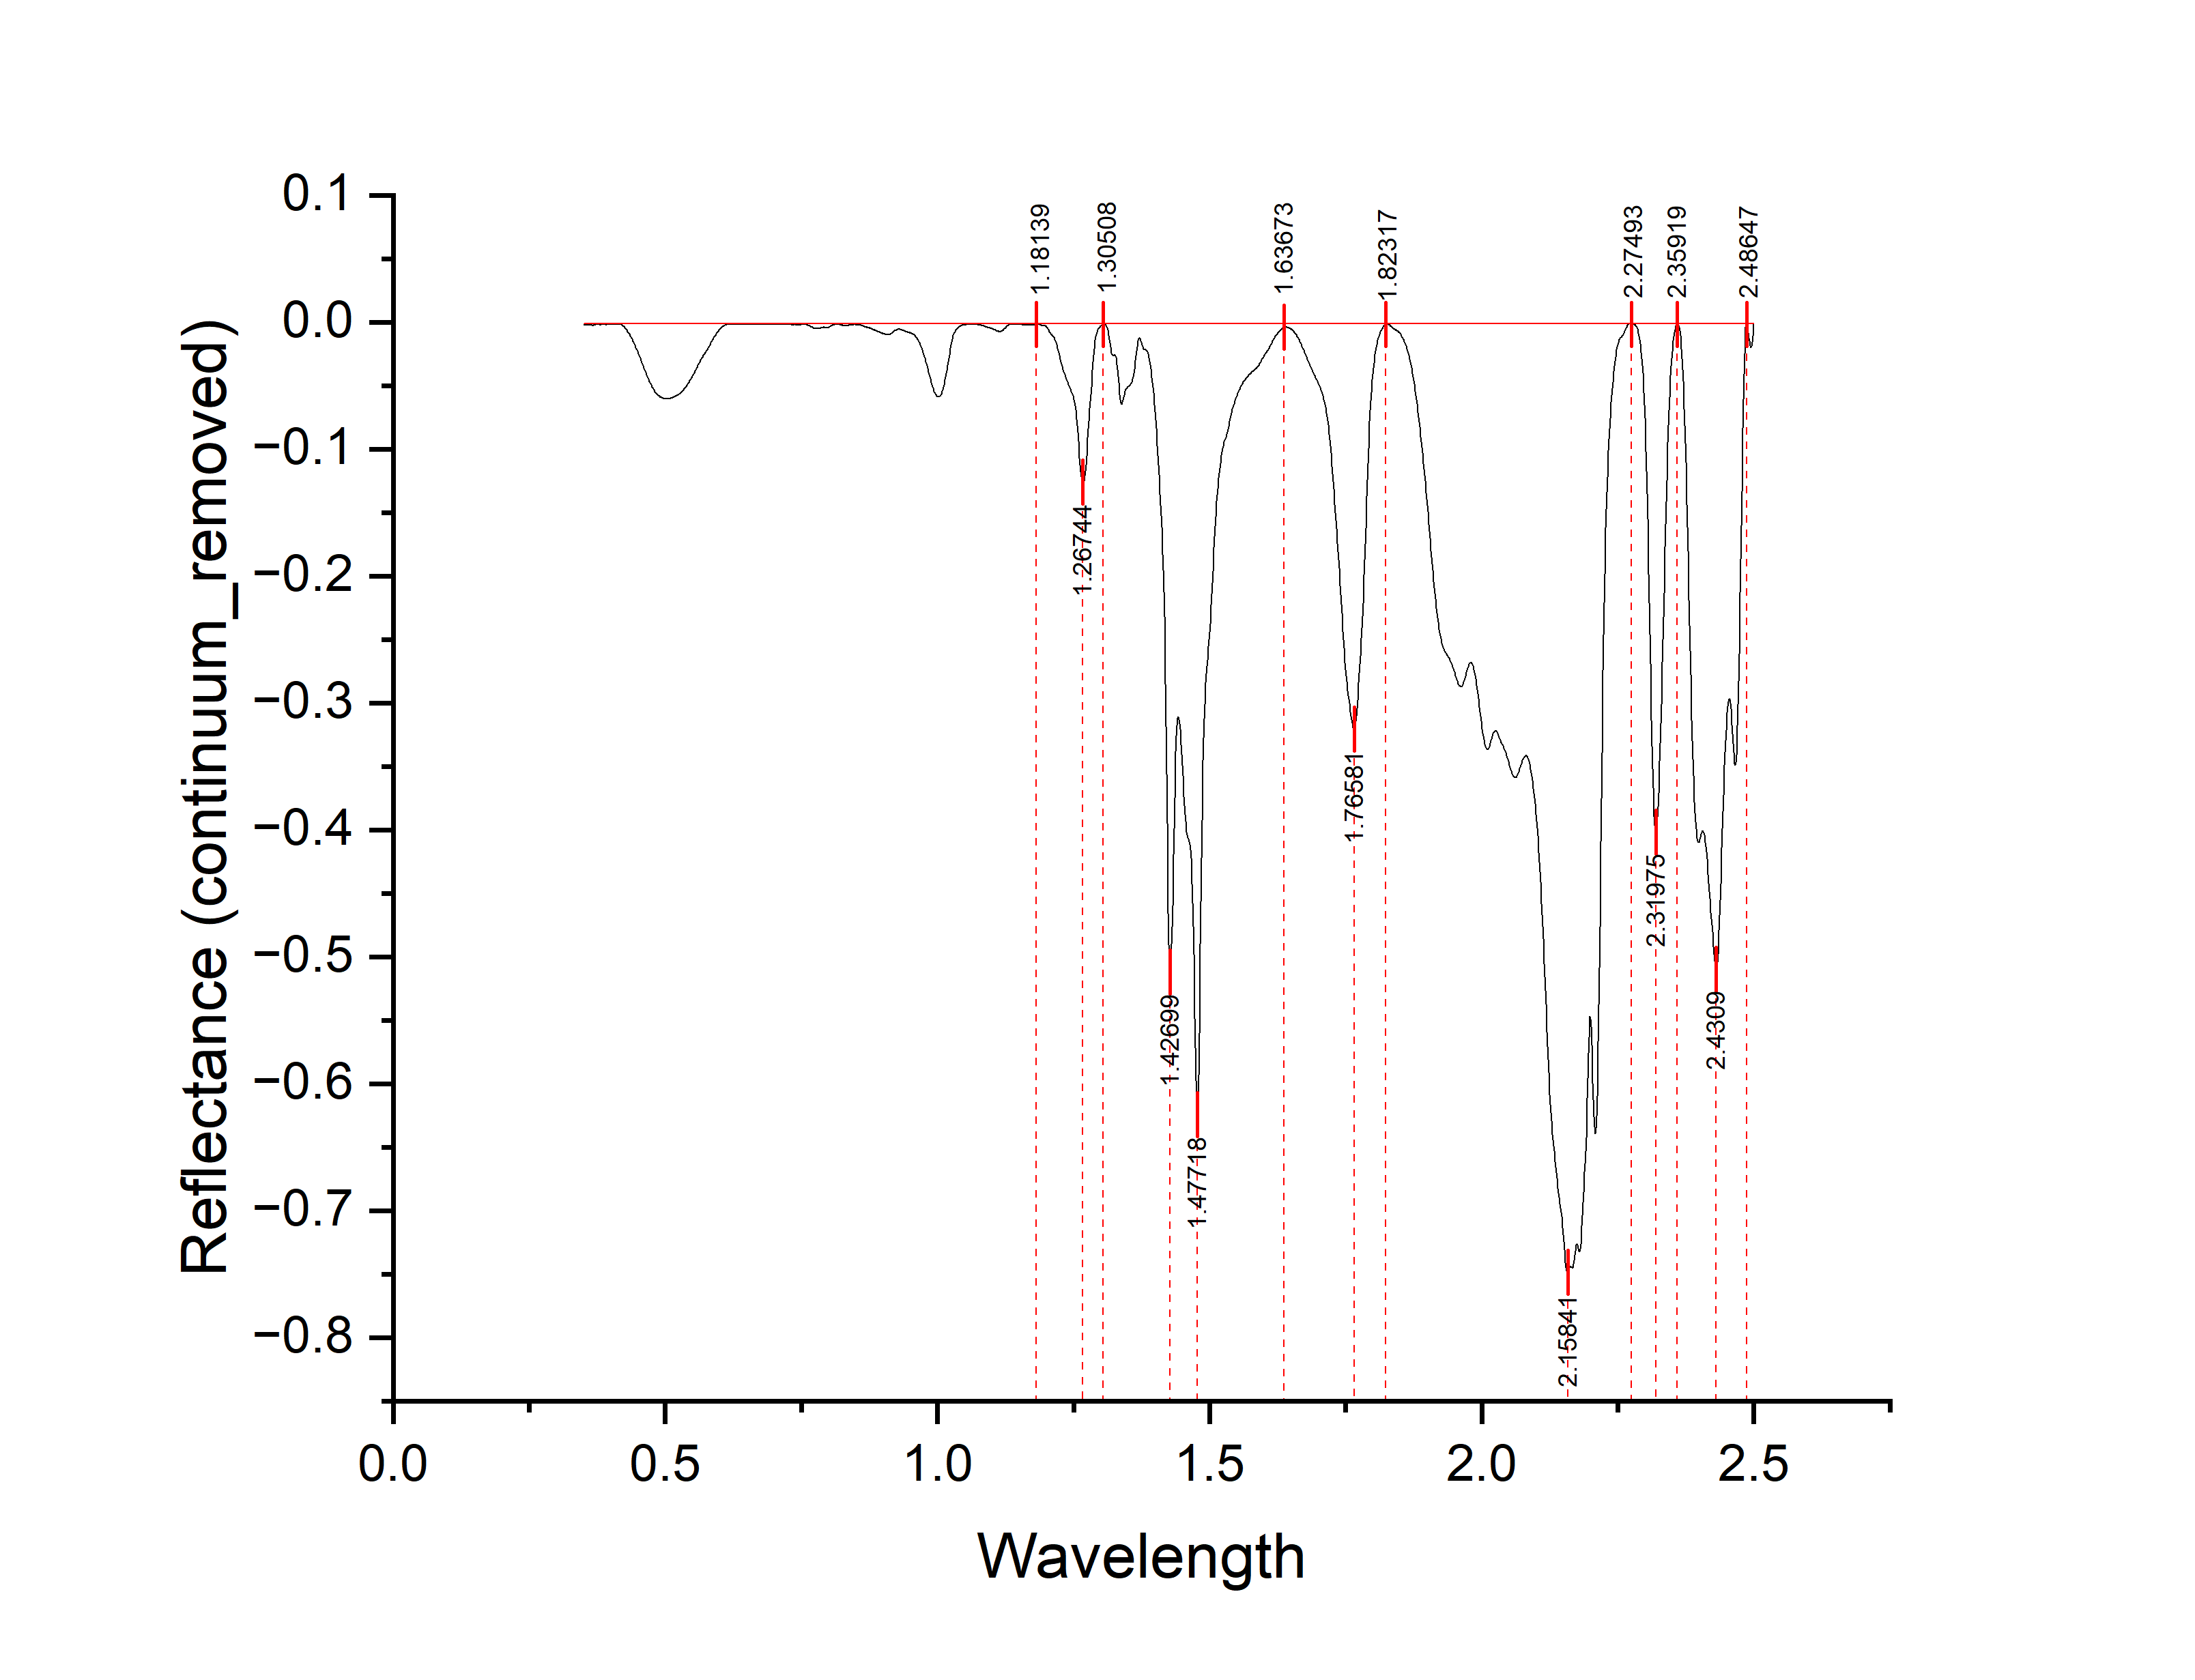
Wavelength | Reflectance (continuum_removed) | Depth
0.35 | -0.00177 | 0.00177
0.351 | -0.00177 | 0.00177
0.352 | -0.00229 | 0.00229
0.353 | -0.00231 | 0.00231
0.354 | -0.00177 | 0.00177
0.355 | -0.00177 | 0.00177
0.356 | -0.00208 | 0.00208
0.357 | -0.00216 | 0.00216
0.358 | -0.00186 | 0.00186
0.359 | -0.00219 | 0.00219
0.36 | -0.00211 | 0.00211
0.361 | -0.00183 | 0.00183
0.362 | -0.00212 | 0.00212
0.363 | -0.00192 | 0.00192
0.364 | -0.00177 | 0.00177
0.365 | -0.00204 | 0.00204
0.366 | -0.00277 | 0.00277
0.367 | -0.00283 | 0.00283
0.368 | -0.00255 | 0.00255
0.369 | -0.00244 | 0.00244
0.37 | -0.00234 | 0.00234
0.371 | -0.00218 | 0.00218
0.372 | -0.002 | 0.002
0.373 | -0.00177 | 0.00177
0.374 | -0.00191 | 0.00191
0.375 | -0.00198 | 0.00198
0.376 | -0.00178 | 0.00178
0.377 | -0.00177 | 0.00177
0.378 | -0.00177 | 0.00177
0.379 | -0.00194 | 0.00194
0.38 | -0.00214 | 0.00214
0.381 | -0.00177 | 0.00177
0.382 | -0.00177 | 0.00177
0.383 | -0.00178 | 0.00178
0.384 | -0.00177 | 0.00177
0.385 | -0.00177 | 0.00177
0.386 | -0.00177 | 0.00177
0.387 | -0.00177 | 0.00177
0.388 | -0.00177 | 0.00177
0.389 | -0.00177 | 0.00177
0.39 | -0.00194 | 0.00194
0.391 | -0.00213 | 0.00213 | peak no. | peak_wavelength | starting_wavelength | ending_wavelength | depth | width | left_area | right_area | total_area
0.392 | -0.00185 | 0.00185 | 1 | 1.26744 | 1.18139 | 1.30508 | 0.12602 | 0.12369 | 3.11012 | 1.75743 | 4.86755
0.393 | -0.00177 | 0.00177 | 2 | 1.47718 | 1.30508 | 1.63673 | 0.62474 | 0.33165 | 30.3473 | 17.0057 | 47.353
0.394 | -0.00177 | 0.00177 | 3 | 1.76581 | 1.63673 | 1.82315 | 0.32027 | 0.18642 | 12.5548 | 7.11675 | 19.67155
0.395 | -0.00177 | 0.00177 | 4 | 2.15841 | 1.82315 | 2.27493 | 0.74918 | 0.45178 | 98.18478 | 43.88878 | 142.07356
0.396 | -0.00177 | 0.00177 | 5 | 2.31975 | 2.27493 | 2.35592 | 0.40209 | 0.08099 | 5.40941 | 6.69356 | 12.10297
0.397 | -0.00183 | 0.00183 | 6 | 2.4309 | 2.355919 | 2.48647 | 0.50961 | 0.130551 | 21.66821 | 16.88518 | 38.55339
0.398 | -0.0019 | 0.0019
0.399 | -0.00177 | 0.00177
0.4 | -0.00177 | 0.00177
...

A9
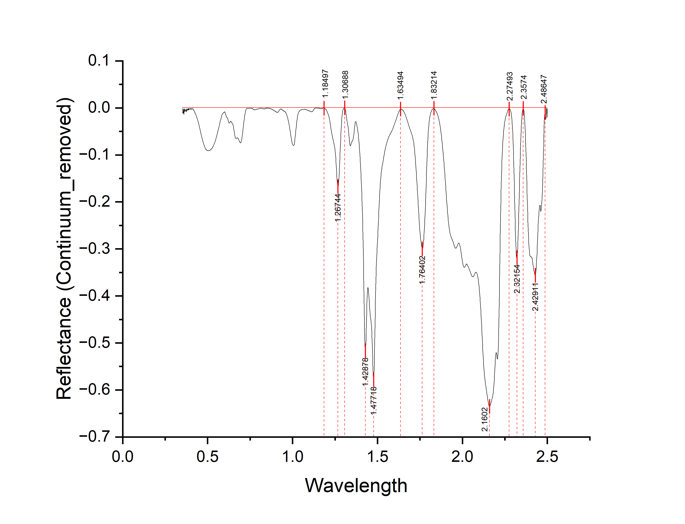
Wavelength | Reflectance (Continuum_removed) | Depth
0.35 | -0.00139 | 0.00139
0.351 | -0.00171 | 0.00171
0.352 | -0.00138 | 0.00138
0.353 | -0.00622 | 0.00622
0.354 | -0.01109 | 0.01109
0.355 | -0.01136 | 0.01136
0.356 | -0.00918 | 0.00918
0.357 | -0.01086 | 0.01086
0.358 | -0.00475 | 0.00475
0.359 | -0.0023 | 0.0023
0.36 | -0.01394 | 0.01394
0.361 | -0.00734 | 0.00734
0.362 | -0.00137 | 0.00137
0.363 | -0.00732 | 0.00732
0.364 | -0.0077 | 0.0077
0.365 | -0.00526 | 0.00526
0.366 | -0.0037 | 0.0037
0.367 | -0.00321 | 0.00321
0.368 | -0.00324 | 0.00324
0.369 | -0.00428 | 0.00428
0.37 | -0.00639 | 0.00639
0.371 | -0.00429 | 0.00429
0.372 | -0.00457 | 0.00457
0.373 | -0.00763 | 0.00763
0.374 | -0.00869 | 0.00869
0.375 | -0.00419 | 0.00419
0.376 | -0.00136 | 0.00136
0.377 | -0.00518 | 0.00518
0.378 | -0.00451 | 0.00451
0.379 | -0.00274 | 0.00274
0.38 | -0.00399 | 0.00399
0.381 | -0.0054 | 0.0054
0.382 | -0.00449 | 0.00449
0.383 | -0.00259 | 0.00259
0.384 | -0.00283 | 0.00283
0.385 | -0.00136 | 0.00136
0.386 | -0.00135 | 0.00135
0.387 | -0.0047 | 0.0047
0.388 | -0.00176 | 0.00176
0.389 | -0.00134 | 0.00134
0.39 | -0.00441 | 0.00441
0.391 | -0.00318 | 0.00318 | peak no. | peak_wavelength | starting_wavelength | ending_wavelength | depth | width | left_area | right_area | total_area
0.392 | -0.00247 | 0.00247 | 1 | 1.26744 | 1.18497 | 1.30688 | 0.16765 | 0.12191 | 4.44986629 | 2.394302982 | 6.844169272
0.393 | -0.0027 | 0.0027 | 2 | 1.47718 | 1.30688 | 1.63494 | 0.57857 | 0.32806 | 35.737987863 | 20.18641 | 55.924397863
0.394 | -0.0016 | 0.0016 | 3 | 1.76402 | 1.63494 | 1.83214 | 0.29968 | 0.1972 | 12.30593 | 7.250919038 | 19.556849038
0.395 | -0.00134 | 0.00134 | 4 | 2.1602 | 1.83214 | 2.27493 | 0.63498 | 0.44279 | 98.382845111 | 37.07941 | 135.46225511
0.396 | -0.00146 | 0.00146 | 5 | 2.32154 | 2.27493 | 2.3574 | 0.3176 | 0.08247 | 5.53022 | 4.89057 | 10.42079
0.397 | -0.00161 | 0.00161 | 6 | 2.42911 | 2.3574 | 2.48647 | 0.35611 | 0.12907 | 16.443668216 | 11.69339 | 28.137058216
0.398 | -0.00133 | 0.00133
0.399 | -0.00204 | 0.00204
0.4 | -0.00313 | 0.00313
...

A10
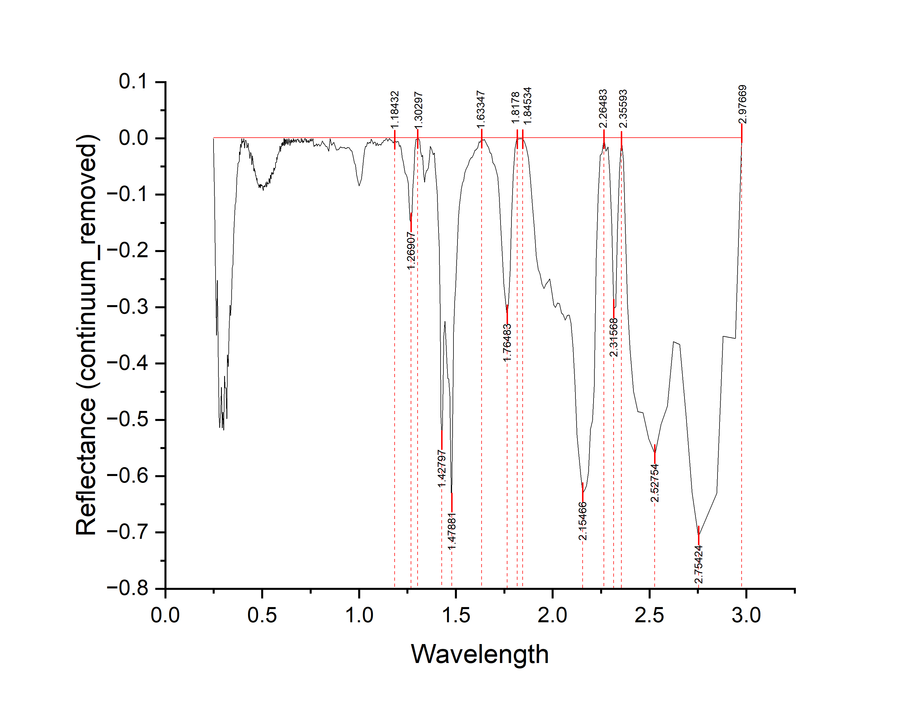
Wavelength | Reflectance (continuum_removed) | Depth
0.2481 | -3.78E-04 | 0.00037831
0.2536 | -0.10261 | 0.10261
0.2586 | -0.22636 | 0.22636
0.2636 | -0.34972 | 0.34972
0.2686 | -0.25205 | 0.25205
0.2731 | -0.38866 | 0.38866
0.2771 | -0.49601 | 0.49601
0.2811 | -0.51363 | 0.51363
0.2851 | -0.48913 | 0.48913
0.2891 | -0.44196 | 0.44196
0.2931 | -0.51459 | 0.51459
0.2971 | -0.4864 | 0.4864
0.3011 | -0.51853 | 0.51853
0.3051 | -0.42237 | 0.42237
0.3091 | -0.4429 | 0.4429
0.3131 | -0.44372 | 0.44372
0.3171 | -0.49834 | 0.49834
0.3211 | -0.38475 | 0.38475
0.3251 | -0.40517 | 0.40517
0.3291 | -0.33745 | 0.33745
0.3331 | -0.29635 | 0.29635
0.3371 | -0.3146 | 0.3146
0.3411 | -0.28746 | 0.28746
0.3451 | -0.22985 | 0.22985
0.3491 | -0.22503 | 0.22503
0.3531 | -0.16892 | 0.16892
0.3571 | -0.13698 | 0.13698
0.3606 | -0.11754 | 0.11754
0.3636 | -0.11404 | 0.11404
0.3666 | -0.09627 | 0.09627
0.3696 | -0.06918 | 0.06918
0.3726 | -0.05794 | 0.05794
0.3756 | -0.04413 | 0.04413
0.3786 | -0.04265 | 0.04265
0.3811 | -0.04112 | 0.04112
0.3831 | -0.02376 | 0.02376
0.3851 | -0.02907 | 0.02907
0.3871 | -0.01457 | 0.01457
0.3891 | -0.01036 | 0.01036
0.3911 | -0.01633 | 0.01633
0.3931 | -0.01127 | 0.01127
0.3951 | -3.78E-04 | 0.00037831 | peak no. | peak_wavelength | starting_wavelength | ending_wavelength | depth | width | left_area | right_area | total_area
0.3971 | -0.00885 | 0.00885 | 1 | 1.26907 | 1.18432 | 1.30297 | 0.13209 | 0.11865 | 0.88451 | 0.30213 | 1.18664
0.3991 | -0.00517 | 0.00517 | 2 | 1.47881 | 1.30297 | 1.63347 | 0.65742 | 0.3305 | 6.930188493 | 2.82771 | 9.757898493
0.4011 | -0.00491 | 0.00491 | 3 | 1.76483 | 1.63347 | 1.8178 | 0.31451 | 0.18433 | 1.638292346 | 0.75278 | 2.391072346
0.4031 | -0.00604 | 0.00604 | 4 | 2.15466 | 1.84534 | 2.26483 | 0.62979 | 0.41949 | 8.22552 | 4.2925 | 12.51802
0.4051 | -3.78E-04 | 0.00037831 | 5 | 2.31568 | 2.26483 | 2.35593 | 0.30262 | 0.0911 | 0.554332246 | 0.519815439 | 1.074147685
0.4071 | -0.00732 | 0.00732 | 6 | 2.75424 | 2.35593 | 2.97669 | 0.70727 | 0.62076 | 6.91984 | 1.33861 | 8.25845
0.4091 | -0.0171 | 0.0171
0.4111 | -0.00924 | 0.00924
0.4128 | -0.00502 | 0.00502
...

A11
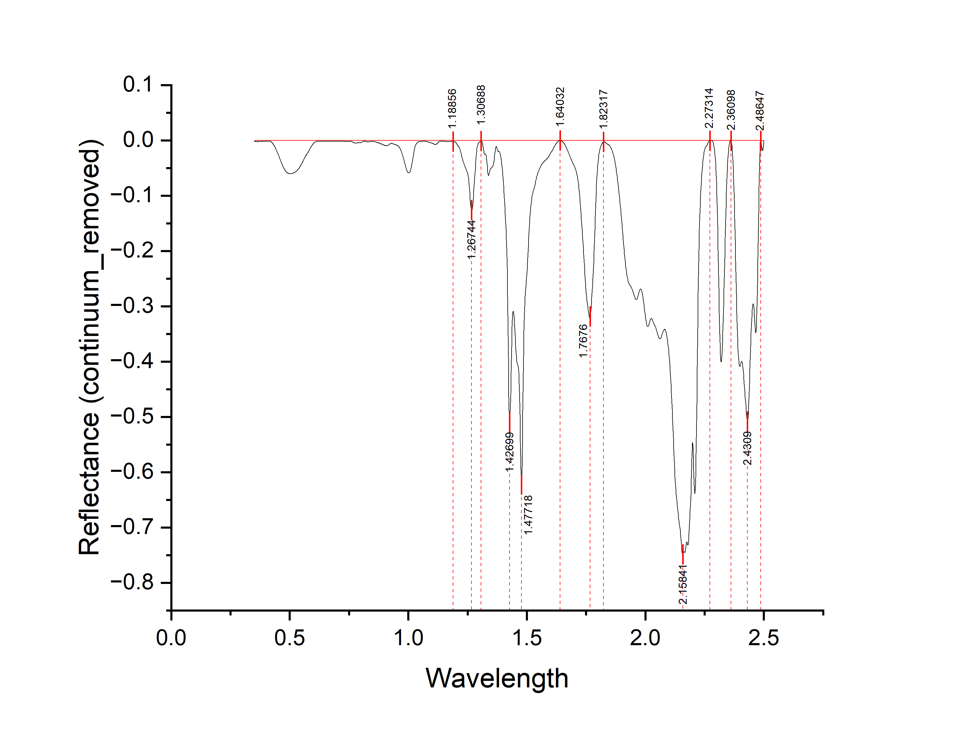
Wavelength | Reflectance (continuum_removed) | Depth
0.35 | -0.00177 | 0.00177
0.351 | -0.00177 | 0.00177
0.352 | -0.00229 | 0.00229
0.353 | -0.00231 | 0.00231
0.354 | -0.00177 | 0.00177
0.355 | -0.00177 | 0.00177
0.356 | -0.00208 | 0.00208
0.357 | -0.00216 | 0.00216
0.358 | -0.00186 | 0.00186
0.359 | -0.00219 | 0.00219
0.36 | -0.00211 | 0.00211
0.361 | -0.00183 | 0.00183
0.362 | -0.00212 | 0.00212
0.363 | -0.00192 | 0.00192
0.364 | -0.00177 | 0.00177
0.365 | -0.00204 | 0.00204
0.366 | -0.00277 | 0.00277
0.367 | -0.00283 | 0.00283
0.368 | -0.00255 | 0.00255
0.369 | -0.00244 | 0.00244
0.37 | -0.00234 | 0.00234
0.371 | -0.00218 | 0.00218
0.372 | -0.002 | 0.002
0.373 | -0.00177 | 0.00177
0.374 | -0.00191 | 0.00191
0.375 | -0.00198 | 0.00198
0.376 | -0.00178 | 0.00178
0.377 | -0.00177 | 0.00177
0.378 | -0.00177 | 0.00177
0.379 | -0.00194 | 0.00194
0.38 | -0.00214 | 0.00214
0.381 | -0.00177 | 0.00177
0.382 | -0.00177 | 0.00177
0.383 | -0.00178 | 0.00178
0.384 | -0.00177 | 0.00177
0.385 | -0.00177 | 0.00177
0.386 | -0.00177 | 0.00177
0.387 | -0.00177 | 0.00177
0.388 | -0.00177 | 0.00177
0.389 | -0.00177 | 0.00177
0.39 | -0.00194 | 0.00194
0.391 | -0.00213 | 0.00213 | peak no. | peak_wavelength | starting_wavelength | ending_wavelength | depth | width | left_area | right_area | total_area
0.392 | -0.00185 | 0.00185 | 1 | 1.26744 | 1.18856 | 1.30688 | 0.00336 | 0.11832 | 3.09736 | 1.759 | 4.85636
0.393 | -0.00177 | 0.00177 | 2 | 1.47718 | 1.30688 | 1.64032 | 0.00177 | 0.33344 | 30.09359 | 16.546902984 | 46.640492984
0.394 | -0.00177 | 0.00177 | 3 | 1.7676 | 1.64032 | 1.82317 | 0.26957 | 0.18285 | 12.936659513 | 6.50131 | 19.437969513
0.395 | -0.00177 | 0.00177 | 4 | 2.15841 | 1.82317 | 2.27314 | 0.74664 | 0.44997 | 98.33472 | 43.821830228 | 142.15655023
0.396 | -0.00177 | 0.00177 | 5 | 2.3197 | 2.27314 | 2.36098 | 0.40089 | 0.08784 | 5.35631672 | 6.656863395 | 12.013180115
0.397 | -0.00183 | 0.00183 | 6 | 2.4309 | 2.36098 | 2.48647 | 0.50841 | 0.12549 | 21.571857465 | 16.818087465 | 38.38994493
0.398 | -0.0019 | 0.0019
0.399 | -0.00177 | 0.00177
0.4 | -0.00177 | 0.00177
...

A12
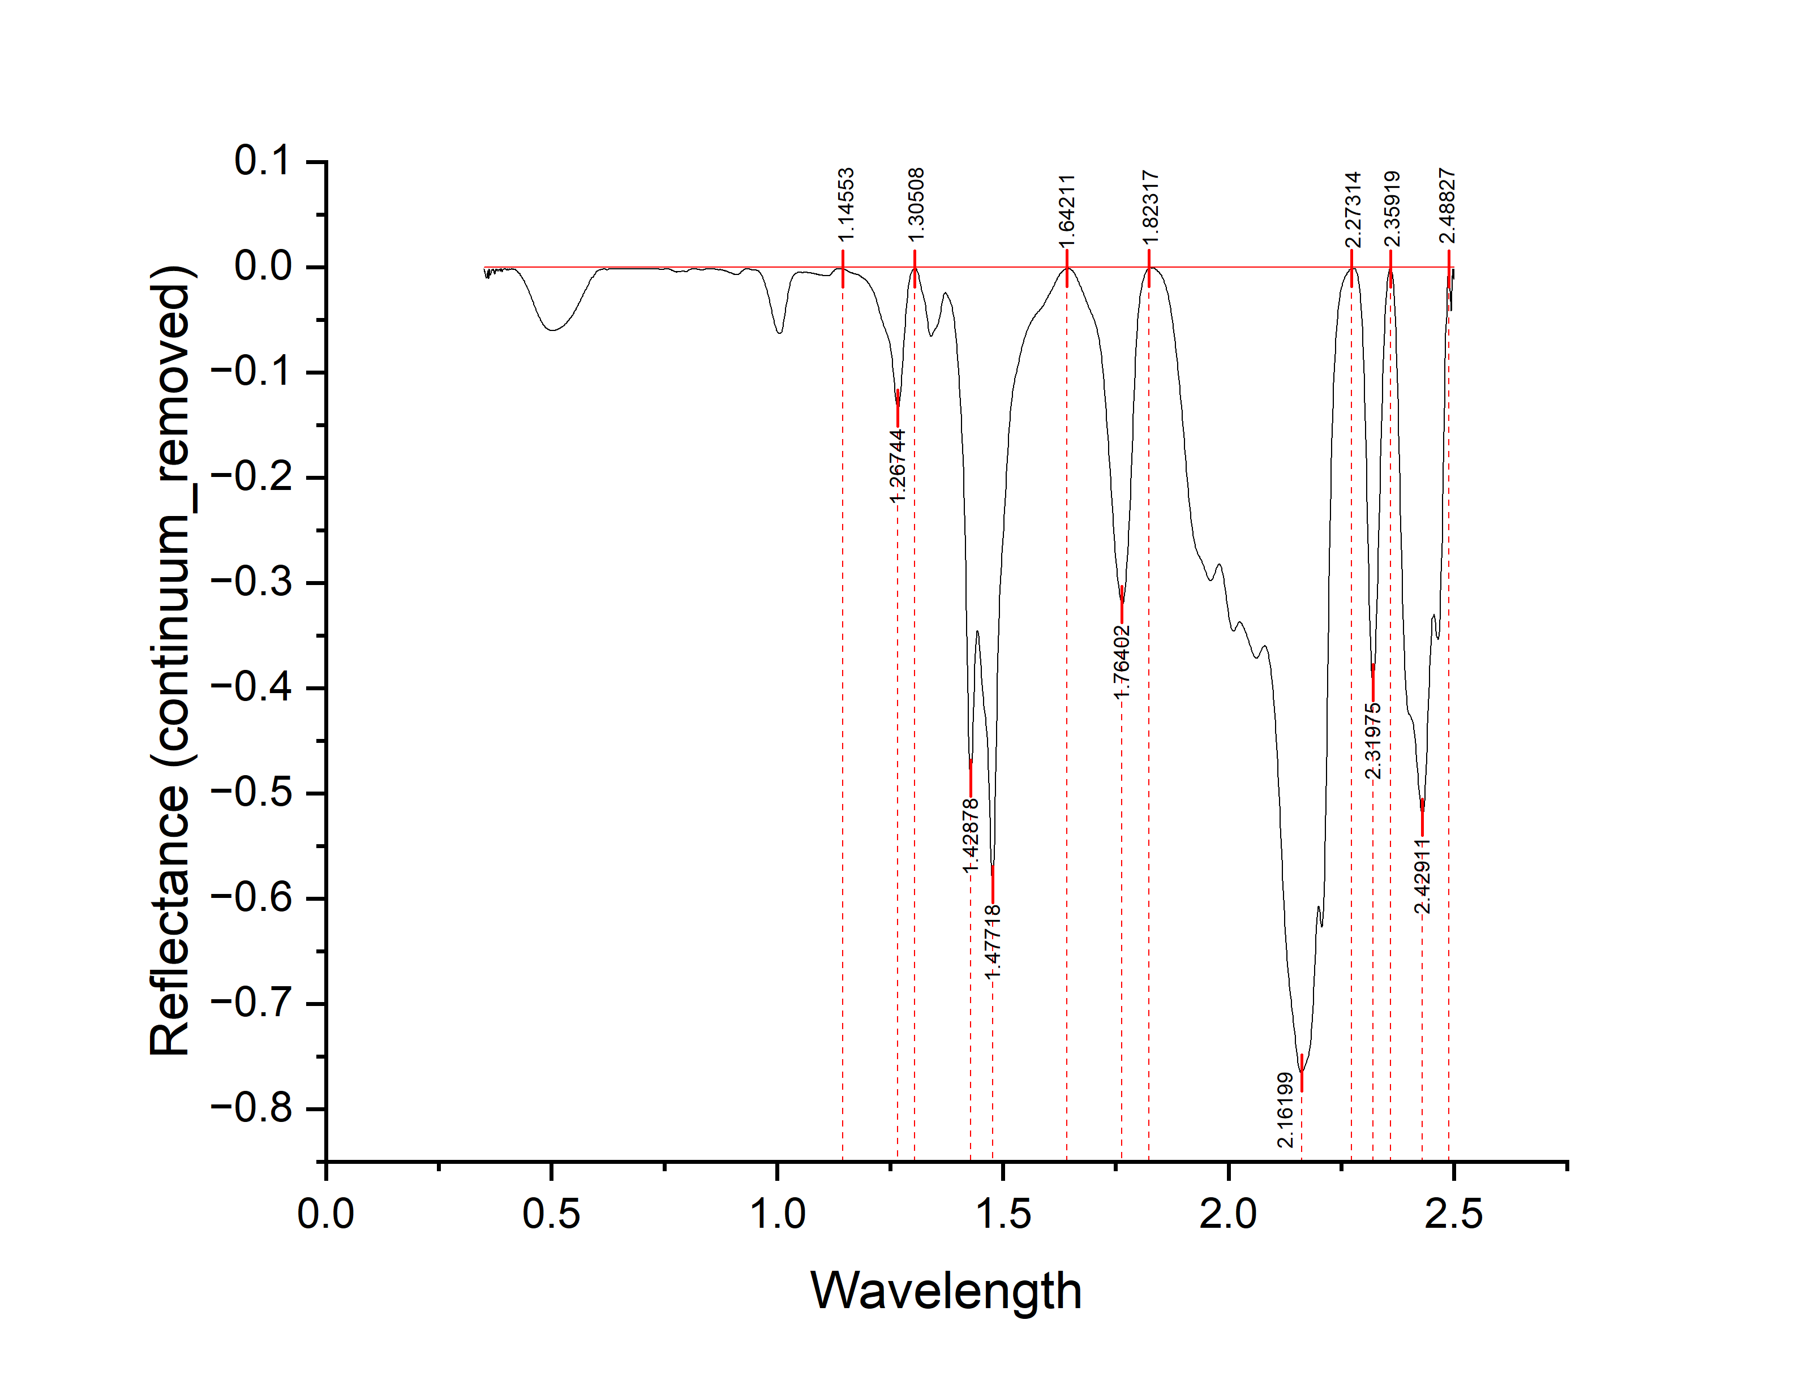
Wavelength | Reflectance (continuum_removed) | Depth
0.35 | -0.00164 | 0.00164
0.351 | -0.00432 | 0.00432
0.352 | -0.00351 | 0.00351
0.353 | -0.0061 | 0.0061
0.354 | -0.00894 | 0.00894
0.355 | -0.01035 | 0.01035
0.356 | -0.0103 | 0.0103
0.357 | -0.01049 | 0.01049
0.358 | -0.00556 | 0.00556
0.359 | -0.00356 | 0.00356
0.36 | -0.01064 | 0.01064
0.361 | -0.00509 | 0.00509
0.362 | -0.00164 | 0.00164
0.363 | -0.00745 | 0.00745
0.364 | -0.00782 | 0.00782
0.365 | -0.00583 | 0.00583
0.366 | -0.00453 | 0.00453
0.367 | -0.00335 | 0.00335
0.368 | -0.00238 | 0.00238
0.369 | -0.00233 | 0.00233
0.37 | -0.00326 | 0.00326
0.371 | -0.00185 | 0.00185
0.372 | -0.0028 | 0.0028
0.373 | -0.00577 | 0.00577
0.374 | -0.00669 | 0.00669
0.375 | -0.00349 | 0.00349
0.376 | -0.00164 | 0.00164
0.377 | -0.00402 | 0.00402
0.378 | -0.00309 | 0.00309
0.379 | -0.0017 | 0.0017
0.38 | -0.00289 | 0.00289
0.381 | -0.00395 | 0.00395
0.382 | -0.00339 | 0.00339
0.383 | -0.00229 | 0.00229
0.384 | -0.00275 | 0.00275
0.385 | -0.00164 | 0.00164
0.386 | -0.00164 | 0.00164
0.387 | -0.0039 | 0.0039
0.388 | -0.00164 | 0.00164
0.389 | -0.00164 | 0.00164
0.39 | -0.00445 | 0.00445
0.391 | -0.00337 | 0.00337 | peak no. | peak_wavelength | starting_wavelength | ending_wavelength | depth | width | left_area | right_area | total_area
0.392 | -0.00231 | 0.00231 | 1 | 1.26744 | 1.14553 | 1.30508 | 0.1345 | 0.15955 | 4.27705 | 1.96571 | 6.24276
0.393 | -0.00227 | 0.00227 | 2 | 1.47718 | 1.30508 | 1.64211 | 0.58745 | 0.33703 | 32.3719 | 18.121098485 | 50.492998485
0.394 | -0.00172 | 0.00172 | 3 | 1.76402 | 1.64211 | 1.82317 | 0.32059 | 0.18106 | 12.23685 | 7.53507 | 19.77192
0.395 | -0.00164 | 0.00164 | 4 | 2.16199 | 1.82317 | 2.27314 | 0.76551 | 0.44997 | 104.75124216 | 42.72614 | 147.47738216
0.396 | -0.00164 | 0.00164 | 5 | 2.31975 | 2.27314 | 2.35919 | 0.39527 | 0.08605 | 5.8197 | 6.7093 | 12.529
0.397 | -0.00178 | 0.00178 | 6 | 2.42911 | 2.35919 | 2.48827 | 0.52245 | 0.12908 | 22.28402 | 18.25818 | 40.5422
0.398 | -0.00164 | 0.00164
0.399 | -0.00207 | 0.00207
0.4 | -0.00276 | 0.00276
...

A13
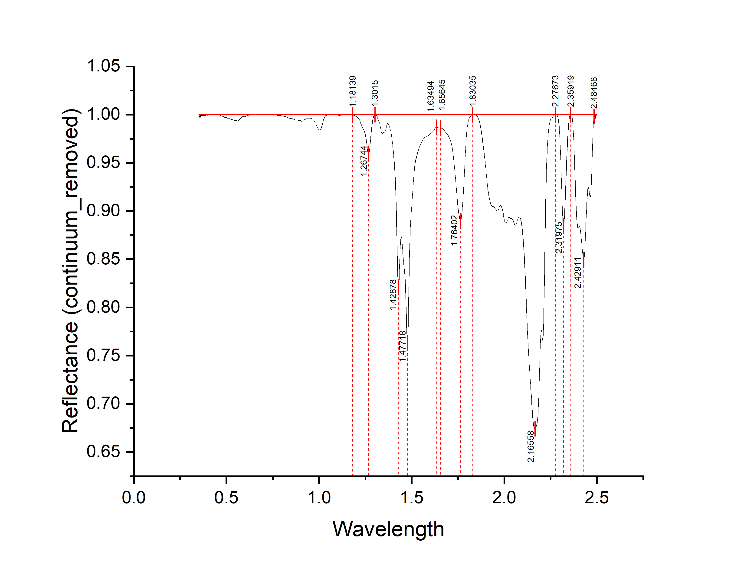
Wavelength | Reflectance (continuum_removed) | Depth
0.35 | 1 | 0
0.351 | 0.9994 | 0.0006
0.352 | 0.99862 | 0.00138
0.353 | 0.99692 | 0.00308
0.354 | 0.9977 | 0.0023
0.355 | 0.99895 | 0.00105
0.356 | 0.99873 | 0.00127
0.357 | 0.99703 | 0.00297
0.358 | 0.99639 | 0.00361
0.359 | 0.99748 | 0.00252
0.36 | 0.99913 | 0.00087
0.361 | 0.99883 | 0.00117
0.362 | 0.99794 | 0.00206
0.363 | 0.99808 | 0.00192
0.364 | 0.99873 | 0.00127
0.365 | 0.99919 | 0.00081
0.366 | 0.99901 | 0.00099
0.367 | 0.99853 | 0.00147
0.368 | 0.99788 | 0.00212
0.369 | 0.99815 | 0.00185
0.37 | 0.99928 | 0.00072
0.371 | 0.99929 | 0.00071
0.372 | 0.99878 | 0.00122
0.373 | 0.99876 | 0.00124
0.374 | 0.99943 | 0.00057
0.375 | 0.99989 | 0.00011
0.376 | 0.99953 | 0.00047
0.377 | 0.99856 | 0.00144
0.378 | 0.99839 | 0.00161
0.379 | 0.99911 | 0.00089
0.38 | 0.99977 | 0.00023
0.381 | 0.99949 | 0.00051
0.382 | 0.99881 | 0.00119
0.383 | 0.99867 | 0.00133
0.384 | 0.99923 | 0.00077
0.385 | 0.99977 | 0.00023
0.386 | 0.99977 | 0.00023
0.387 | 0.99941 | 0.00059
0.388 | 0.99906 | 0.00094
0.389 | 0.99942 | 0.00058
0.39 | 1 | 0
0.391 | 0.99966 | 0.00034 | peak no. | peak_wavelength | starting_wavelength | ending_wavelength | depth | width | left_area | right_area | total_area
0.392 | 0.99958 | 0.00042 | 1 | 1.26744 | 1.18139 | 1.3015 | 0.041 | 0.12011 | 1.04836 | 0.57606 | 1.62442
0.393 | 0.99983 | 0.00017 | 2 | 1.47718 | 1.3015 | 1.63494 | 0.23767 | 0.33344 | 12.02848 | 7.80653 | 19.83501
0.394 | 0.99972 | 0.00028 | 3 | 1.76402 | 1.65645 | 1.83035 | 0.11032 | 0.1739 | 4.74829 | 2.48223 | 7.23052
0.395 | 0.99975 | 0.00025 | 4 | 2.16558 | 1.83035 | 2.27673 | 0.31854 | 0.44638 | 37.08398 | 15.44985 | 52.53383
0.396 | 0.99962 | 0.00038 | 5 | 2.31975 | 2.27673 | 2.35919 | 0.11554 | 0.08246 | 1.56557 | 1.85639 | 3.42196
0.397 | 0.99927 | 0.00073 | 6 | 2.42911 | 2.35919 | 2.48468 | 0.15104 | 0.12549 | 6.05476 | 4.47047 | 10.52523
0.398 | 0.99918 | 0.00082
0.399 | 0.99961 | 0.00039
0.4 | 1 | 0
...

