K1
wavelength | reflectance (continuum_removed) | DEPTH
0.2211 | -0.00524 | 0.00524
0.2291 | -0.00313 | 0.00313
0.2361 | -0.01952 | 0.01952
0.2421 | -0.03452 | 0.03452
0.2481 | -0.03751 | 0.03751 | Peak_number | Peak_value | START | END | DEPTH | LEFT_AREA | RIGHT_AREA | TOTAL_AREA
0.2536 | -0.04545 | 0.04545 | A | 0.96398 | 0.90466 | 0.98305 | 0.02842 | 0.06617 | 0.06693 | 0.1331
0.2586 | -0.04595 | 0.04595
0.2636 | -0.04784 | 0.04784 | B1 | 1.39619 | 1.26907 | 1.40889 | 0.28672 | 2.52958 | 0.79666 | 3.32624
0.2686 | -0.04204 | 0.04204 | B2 | 1.41314 | 1.40889 | 1.48093 | 0.33862 | 0 | 1.30251 | 1.30251
0.2731 | -0.04098 | 0.04098
0.2771 | -0.03308 | 0.03308 | C | 1.82415 | 1.75847 | 1.86441 | 0.02928 | 0.14961 | 0.08028 | 0.22989
0.2811 | -0.02857 | 0.02857
0.2851 | -0.01187 | 0.01187 | D | 1.91525 | 1.86441 | 1.98941 | 0.08795 | 0.29687 | 0.31211 | 0.60898
0.2891 | -0.01846 | 0.01846
0.2931 | -0.01546 | 0.01546 | E1 | 2.16525 | 2.10593 | 2.1843 | 0.18459
0.2971 | -0.01355 | 0.01355 | E2 | 2.20551 | 2.1843 | 2.25 | 0.23105 | 0.57703 | 0.21137 | 0.7884
0.3011 | -0.00985 | 0.00985
0.3051 | -0.00964 | 0.00964 | F1 | 2.31568 |  |  | 0.03455
0.3091 | -0.00884 | 0.00884 | F2 | 2.38559 | 2.25 | 2.41737 | 0.0398 | 0.216937823 | 0.0531 | 0.270037823
0.3131 | 0.00267 | 0.00267
0.3171 | -0.01306 | 0.01306 | G | 2.72034 | 2.41737 | 2.97669 | 0.28435 | 1.02816 | #VALUE! | #VALUE!
0.3211 | -0.02281 | 0.02281
0.3251 | -0.03146 | 0.03146
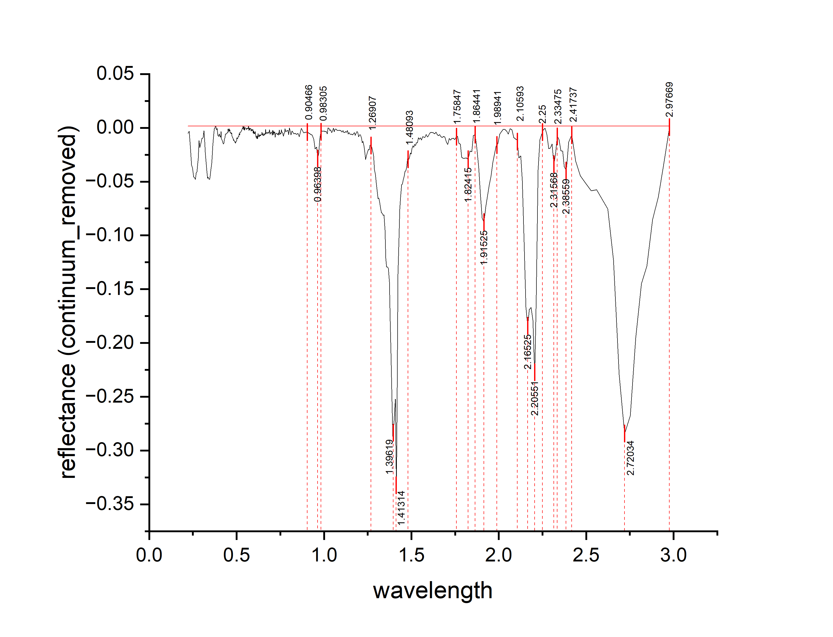
0.3291 | -0.03971 | 0.03971
0.3331 | -0.04696 | 0.04696
0.3371 | -0.04581 | 0.04581
0.3411 | -0.04756 | 0.04756
0.3451 | -0.04791 | 0.04791
0.3491 | -0.04476 | 0.04476
0.3531 | -0.03831 | 0.03831
0.3571 | -0.03296 | 0.03296
0.3606 | -0.02549 | 0.02549
0.3636 | -0.01691 | 0.01691
0.3666 | -0.01095 | 0.01095
0.3696 | -0.00564 | 0.00564
0.3726 | -7.61E-04 | 0.000761019
0.3756 | -4.65E-04 | 0.000464986
0.3786 | -0.00137 | 0.00137
0.3811 | -0.00139 | 0.00139
0.3831 | -3.75E-04 | 0.000375096
0.3851 | -0.00184 | 0.00184
0.3871 | -0.0011 | 0.0011
0.3891 | -5.67E-04 | 0.000567161
0.3911 | -0.00583 | 0.00583
0.3931 | -0.007 | 0.007
0.3951 | -0.00733 | 0.00733
0.3971 | -0.00805 | 0.00805
0.3991 | -0.00727 | 0.00727
0.4011 | -0.00569 | 0.00569
0.4031 | -0.00671 | 0.00671
0.4051 | -0.00792 | 0.00792
0.4071 | -0.00744 | 0.00744
0.4091 | -0.00866 | 0.00866
0.4111 | -0.00348 | 0.00348
0.4128 | -0.00977 | 0.00977
0.4158 | -0.01095 | 0.01095
0.4188 | -0.01183 | 0.01183
0.4218 | -0.0137 | 0.0137
0.4248 | -0.01499 | 0.01499
0.4278 | -0.0143 | 0.0143
0.4308 | -0.01041 | 0.01041
0.4338 | -0.00931 | 0.00931
0.4368 | -0.00582 | 0.00582
0.4398 | -0.00573 | 0.00573
0.4428 | -0.00543 | 0.00543
0.4458 | -0.00444 | 0.00444
0.4488 | -0.00475 | 0.00475
0.4513 | -0.00117 | 0.00117
0.4533 | -0.00191 | 0.00191
0.4553 | -0.00345 | 0.00345
0.4573 | -8.84E-04 | 0.000883834
0.4593 | -0.00272 | 0.00272
0.4613 | -0.00176 | 0.00176
0.4633 | -0.0042 | 0.0042
0.4653 | -0.00494 | 0.00494
0.4673 | -0.00447 | 0.00447
0.4693 | -0.00541 | 0.00541
0.4713 | -0.00465 | 0.00465
0.4733 | -0.00719 | 0.00719
0.4753 | -0.00803 | 0.00803
0.4773 | -0.00916 | 0.00916
0.4793 | -0.0095 | 0.0095
0.4813 | -0.01164 | 0.01164
0.4833 | -0.01098 | 0.01098
0.4853 | -0.01182 | 0.01182
0.4873 | -0.01265 | 0.01265
0.4893 | -0.01249 | 0.01249
0.4913 | -0.01353 | 0.01353
0.4933 | -0.01417 | 0.01417
0.4953 | -0.01281 | 0.01281
0.4973 | -0.01304 | 0.01304
0.4993 | -0.01208 | 0.01208
0.5013 | -0.00931 | 0.00931
0.5033 | -0.00975 | 0.00975
0.5053 | -0.01009 | 0.01009
0.5073 | -0.00892 | 0.00892
0.5093 | -0.00816 | 0.00816
0.5113 | -0.00859 | 0.00859
0.5133 | -0.00713 | 0.00713
0.5153 | -0.00546 | 0.00546
0.5173 | -0.0065 | 0.0065
0.5193 | -0.00423 | 0.00423
0.5213 | -0.00427 | 0.00427
0.5233 | -0.0041 | 0.0041
0.5253 | -0.00374 | 0.00374
0.5273 | -0.00247 | 0.00247
0.5293 | -0.00231 | 0.00231
0.5313 | -0.00144 | 0.00144
0.5333 | -1.78E-04 | 0.000178499
0.5353 | -9.14E-04 | 0.000913725
0.5373 | -0.00135 | 0.00135
0.5393 | -3.16E-04 | 0.000315822
0.5413 | -0.00182 | 0.00182
0.5433 | 0.00115 | 0.00115
0.5453 | -0.00219 | 0.00219
0.5473 | -1.25E-04 | 0.000125083
0.5493 | -1.60E-04 | 0.00016031
0.5513 | -1.96E-04 | 0.000195536
0.5533 | -2.31E-04 | 0.000230762
0.5553 | -0.00107 | 0.00107
0.5573 | -0.0015 | 0.0015
0.5593 | -2.64E-04 | 0.000263559
0.5613 | -5.28E-04 | 0.000528332
0.5633 | -6.07E-04 | 0.000606894
0.5653 | -0.00104 | 0.00104
0.5673 | 0.00162 | 0.00162
0.5693 | -6.13E-04 | 0.000612573
0.5713 | -0.00245 | 0.00245
0.5733 | -1.83E-04 | 0.000183026
0.5753 | -0.00172 | 0.00172
0.5773 | -0.00115 | 0.00115
0.5793 | -6.89E-04 | 0.000688705
0.5813 | -7.24E-04 | 0.000723931
0.5833 | -0.00286 | 0.00286
0.5853 | -0.00249 | 0.00249
0.5873 | -0.00123 | 0.00123
0.5893 | -0.00246 | 0.00246
0.5913 | -0.0021 | 0.0021
0.5933 | -0.00154 | 0.00154
0.5953 | -0.00497 | 0.00497
0.5973 | -0.00301 | 0.00301
0.5993 | -0.00574 | 0.00574
0.6011 | -0.00382 | 0.00382
0.6027 | -0.00535 | 0.00535
0.6043 | -0.00478 | 0.00478
0.6059 | -0.00341 | 0.00341
0.6075 | -0.00614 | 0.00614
0.6091 | -0.00676 | 0.00676
0.6107 | -0.00869 | 0.00869
0.6123 | -0.00802 | 0.00802
0.6139 | -0.00885 | 0.00885
0.6155 | -0.00998 | 0.00998
0.6171 | -0.00765 | 0.00765
0.6187 | -0.00839 | 0.00839
0.6203 | -0.01012 | 0.01012
0.6219 | -0.00705 | 0.00705
0.6235 | -0.00549 | 0.00549
0.6251 | -0.00802 | 0.00802
0.6267 | -0.00795 | 0.00795
0.6283 | -0.00839 | 0.00839
0.6299 | -0.00682 | 0.00682
0.6317 | -0.00752 | 0.00752
0.6337 | -0.00628 | 0.00628
0.6357 | -0.00745 | 0.00745
0.6377 | -0.00662 | 0.00662
0.6397 | -0.00658 | 0.00658
0.6417 | -0.00665 | 0.00665
0.6437 | -0.00642 | 0.00642
0.6457 | -0.00418 | 0.00418
0.6477 | -0.00645 | 0.00645
0.6497 | -0.00531 | 0.00531
0.6517 | -0.00698 | 0.00698
0.6537 | -0.00725 | 0.00725
0.6557 | -0.00551 | 0.00551
0.6577 | -0.00548 | 0.00548
0.6597 | -0.00685 | 0.00685
0.6617 | -0.00561 | 0.00561
0.6637 | -0.00558 | 0.00558
0.6657 | -0.00154 | 0.00154
0.6677 | -0.00581 | 0.00581
0.6702 | -0.00444 | 0.00444
0.6732 | -0.00494 | 0.00494
0.6762 | -0.00414 | 0.00414
0.6792 | -0.00534 | 0.00534
0.6822 | -0.00414 | 0.00414
0.6852 | -0.00454 | 0.00454
0.6882 | -0.00184 | 0.00184
0.6912 | -0.00584 | 0.00584
0.6942 | -0.00544 | 0.00544
0.6972 | -0.00384 | 0.00384
0.7002 | -0.00424 | 0.00424
0.702 | -0.00474 | 0.00474
0.704 | -0.0068 | 0.0068
0.706 | -0.00297 | 0.00297
0.708 | -0.00233 | 0.00233
0.71 | -0.0064 | 0.0064
0.712 | -0.00337 | 0.00337
0.714 | -0.00493 | 0.00493
0.716 | -0.0046 | 0.0046
0.718 | -0.00367 | 0.00367
0.72 | -0.00863 | 0.00863
0.722 | -0.0056 | 0.0056
0.724 | -0.00566 | 0.00566
0.726 | -0.00503 | 0.00503
0.728 | -0.0051 | 0.0051
0.73 | -0.00516 | 0.00516
0.732 | -0.00603 | 0.00603
0.734 | -0.0063 | 0.0063
0.736 | -0.00566 | 0.00566
0.738 | -0.00493 | 0.00493
0.74 | -0.00691 | 0.00691
0.742 | -0.0051 | 0.0051
0.744 | -0.00208 | 0.00208
0.746 | -0.00537 | 0.00537
0.748 | -0.00645 | 0.00645
0.7505 | -0.00483 | 0.00483
0.7535 | -0.00571 | 0.00571
0.7565 | -0.00179 | 0.00179
0.7595 | -0.00407 | 0.00407
0.7625 | -0.00435 | 0.00435
0.7655 | -0.00612 | 0.00612
0.7685 | -0.0077 | 0.0077
0.7715 | -0.00518 | 0.00518
0.7745 | -0.00466 | 0.00466
0.7775 | -8.66E-04 | 0.000866093
0.781 | -0.00361 | 0.00361
0.785 | -0.00288 | 0.00288
0.789 | -0.00295 | 0.00295
0.793 | -0.00232 | 0.00232
0.797 | -0.00639 | 0.00639
0.8015 | -5.55E-05 | 5.55226E-05
0.8065 | -0.00302 | 0.00302
0.8115 | -0.00668 | 0.00668
0.8165 | -0.00304 | 0.00304
0.822 | -0.0039 | 0.0039
0.828 | -0.00556 | 0.00556
0.835 | -0.00521 | 0.00521
0.843 | -0.00615 | 0.00615
0.851 | -0.00515 | 0.00515
0.859 | -0.00823 | 0.00823
0.871 | -5.59E-04 | 0.000559029
0.883 | -0.00455 | 0.00455
0.894 | -0.00426 | 0.00426
0.904 | -0.00395 | 0.00395
0.914 | -0.00485 | 0.00485
0.924 | -0.00614 | 0.00614
0.933 | -0.00693 | 0.00693
0.941 | -0.01061 | 0.01061
0.949 | -0.01968 | 0.01968
0.957 | -0.01796 | 0.01796
0.964 | -0.02842 | 0.02842
0.97 | -0.02378 | 0.02378
0.976 | -0.01084 | 0.01084
0.982 | -0.00389 | 0.00389
0.988 | -0.00295 | 0.00295
0.994 | -0.00321 | 0.00321
1 | -0.00297 | 0.00297
1.006 | -0.00372 | 0.00372
1.012 | -0.00318 | 0.00318
1.018 | -0.00564 | 0.00564
1.0235 | -8.80E-05 | 8.80165E-05
1.0285 | -6.35E-04 | 0.000635461
1.0335 | -0.00258 | 0.00258
1.0385 | -0.00173 | 0.00173
1.0435 | -0.00438 | 0.00438
1.0485 | -0.00323 | 0.00323
1.0535 | -3.27E-04 | 0.000327319
1.0585 | -0.00372 | 0.00372
1.0635 | -0.00137 | 0.00137
1.0685 | -0.00132 | 0.00132
1.0735 | -0.00206 | 0.00206
1.0785 | -0.00251 | 0.00251
1.0835 | -0.00246 | 0.00246
1.0885 | -0.0022 | 0.0022
1.0935 | -0.00255 | 0.00255
1.0985 | -0.0029 | 0.0029
1.1035 | -0.00385 | 0.00385
1.1085 | -0.00259 | 0.00259
1.1135 | -0.00434 | 0.00434
1.1185 | -0.00449 | 0.00449
1.1235 | -0.00344 | 0.00344
1.1285 | -0.00428 | 0.00428
1.1335 | -0.00243 | 0.00243
1.1385 | -0.00585 | 0.00585
1.1435 | -0.0043 | 0.0043
1.1485 | -0.00585 | 0.00585
1.1535 | -0.0062 | 0.0062
1.1585 | -0.00585 | 0.00585
1.1635 | -0.0066 | 0.0066
1.1685 | -0.00565 | 0.00565
1.1735 | -0.0045 | 0.0045
1.1785 | -0.00705 | 0.00705
1.1835 | -0.0051 | 0.0051
1.1885 | -0.00355 | 0.00355
1.1935 | -0.0045 | 0.0045
1.1985 | -0.00825 | 0.00825
1.2035 | -0.0065 | 0.0065
1.2085 | -0.00655 | 0.00655
1.2135 | -0.0093 | 0.0093
1.2185 | -0.01376 | 0.01376
1.2235 | -0.01261 | 0.01261
1.2285 | -0.01706 | 0.01706
1.2335 | -0.02281 | 0.02281
1.2385 | -0.02936 | 0.02936
1.2435 | -0.02531 | 0.02531
1.2485 | -0.02276 | 0.02276
1.2535 | -0.02001 | 0.02001
1.2585 | -0.02056 | 0.02056
1.2635 | -0.01611 | 0.01611
1.2685 | -0.01616 | 0.01616
1.2735 | -0.01821 | 0.01821
1.2785 | -0.02106 | 0.02106
1.2835 | -0.02601 | 0.02601
1.2885 | -0.03846 | 0.03846
1.2935 | -0.04331 | 0.04331
1.2985 | -0.05086 | 0.05086
1.3035 | -0.05721 | 0.05721
1.3085 | -0.06566 | 0.06566
1.3135 | -0.06521 | 0.06521
1.3185 | -0.06856 | 0.06856
1.3235 | -0.07491 | 0.07491
1.3285 | -0.07876 | 0.07876
1.3335 | -0.07982 | 0.07982
1.3385 | -0.08137 | 0.08137
1.3435 | -0.08082 | 0.08082
1.3485 | -0.09477 | 0.09477
1.3535 | -0.12142 | 0.12142
1.3585 | -0.12927 | 0.12927
1.3635 | -0.12952 | 0.12952
1.3685 | -0.13077 | 0.13077
1.3735 | -0.14312 | 0.14312
1.3785 | -0.17987 | 0.17987
1.3835 | -0.20952 | 0.20952
1.3885 | -0.25437 | 0.25437
1.3935 | -0.28672 | 0.28672
1.3985 | -0.28047 | 0.28047
1.4035 | -0.26392 | 0.26392
1.4085 | -0.25227 | 0.25227
1.4135 | -0.33862 | 0.33862
1.4185 | -0.24167 | 0.24167
1.4235 | -0.13602 | 0.13602
1.4285 | -0.10267 | 0.10267
1.4335 | -0.07562 | 0.07562
1.4385 | -0.06467 | 0.06467
1.4435 | -0.05303 | 0.05303
1.4485 | -0.05238 | 0.05238
1.4535 | -0.04783 | 0.04783
1.4585 | -0.04508 | 0.04508
1.4635 | -0.04063 | 0.04063
1.4685 | -0.03958 | 0.03958
1.4735 | -0.03603 | 0.03603
1.4785 | -0.02868 | 0.02868
1.4835 | -0.02963 | 0.02963
1.4885 | -0.02788 | 0.02788
1.4935 | -0.02343 | 0.02343
1.4985 | -0.02438 | 0.02438
1.5035 | -0.01943 | 0.01943
1.5085 | -0.01678 | 0.01678
1.5135 | -0.01813 | 0.01813
1.5185 | -0.01538 | 0.01538
1.5235 | -0.01633 | 0.01633
1.5285 | -0.01368 | 0.01368
1.534 | -0.01412 | 0.01412
1.54 | -0.00934 | 0.00934
1.546 | -0.01066 | 0.01066
1.552 | -0.00928 | 0.00928
1.558 | -0.01146 | 0.01146
1.564 | -0.0082 | 0.0082
1.5705 | -0.00844 | 0.00844
1.5775 | -0.00897 | 0.00897
1.5845 | -0.0062 | 0.0062
1.5915 | -0.00853 | 0.00853
1.5985 | -0.00726 | 0.00726
1.6055 | -0.00489 | 0.00489
1.6125 | -0.00423 | 0.00423
1.6195 | -0.00436 | 0.00436
1.6265 | -0.00469 | 0.00469
1.6335 | -0.00562 | 0.00562
1.6405 | -0.00395 | 0.00395
1.6475 | -0.00618 | 0.00618
1.6545 | -0.00742 | 0.00742
1.6615 | -0.00635 | 0.00635
1.6685 | -0.00818 | 0.00818
1.676 | -0.00891 | 0.00891
1.684 | -0.00803 | 0.00803
1.692 | -0.00845 | 0.00845
1.7 | -0.01335 | 0.01335
1.708 | -0.0155 | 0.0155
1.716 | -0.00985 | 0.00985
1.724 | -0.0114 | 0.0114
1.732 | -0.00995 | 0.00995
1.74 | -0.0096 | 0.0096
1.748 | -0.01094 | 0.01094
1.756 | -0.00859 | 0.00859
1.764 | -0.00784 | 0.00784
1.772 | -0.01439 | 0.01439
1.78 | -0.01534 | 0.01534
1.788 | -0.02728 | 0.02728
1.796 | -0.02843 | 0.02843
1.805 | -0.02826 | 0.02826
1.815 | -0.02807 | 0.02807
1.825 | -0.02928 | 0.02928
1.835 | -0.02149 | 0.02149
1.845 | -0.0223 | 0.0223
1.855 | -0.00721 | 0.00721
1.865 | -0.00624 | 0.00624
1.875 | -0.02002 | 0.02002
1.885 | -0.0377 | 0.0377
1.895 | -0.06119 | 0.06119
1.905 | -0.08377 | 0.08377
1.915 | -0.08795 | 0.08795
1.925 | -0.07354 | 0.07354
1.935 | -0.06442 | 0.06442
1.945 | -0.0538 | 0.0538
1.955 | -0.04519 | 0.04519
1.965 | -0.03267 | 0.03267
1.975 | -0.02545 | 0.02545
1.985 | -0.01704 | 0.01704
1.995 | -0.01462 | 0.01462
2.005 | -0.0058 | 0.0058
2.015 | -0.00379 | 0.00379
2.025 | -0.00147 | 0.00147
2.035 | -0.00156 | 0.00156
2.045 | -0.0032 | 0.0032
2.055 | -0.00586 | 0.00586
2.065 | -9.18E-04 | 0.000917612
2.075 | 0.00168 | 0.00168
2.085 | -0.00906 | 0.00906
2.095 | -0.0101 | 0.0101
2.105 | -0.01134 | 0.01134
2.115 | -0.02809 | 0.02809
2.125 | -0.02613 | 0.02613
2.135 | -0.04897 | 0.04897
2.145 | -0.10611 | 0.10611
2.155 | -0.16665 | 0.16665
2.165 | -0.18459 | 0.18459
2.175 | -0.16883 | 0.16883
2.185 | -0.16707 | 0.16707
2.195 | -0.17891 | 0.17891
2.205 | -0.23105 | 0.23105
2.215 | -0.15539 | 0.15539
2.225 | -0.03903 | 0.03903
2.235 | -0.01107 | 0.01107
2.245 | -0.00588 | 0.00588
2.255 | -0.00201 | 0.00201
2.265 | -2.98E-04 | 0.000297823
2.275 | -0.00631 | 0.00631
2.285 | -0.01942 | 0.01942
2.295 | -0.01883 | 0.01883
2.305 | -0.01494 | 0.01494
2.315 | -0.03455 | 0.03455
2.325 | -0.02276 | 0.02276
2.335 | -0.00757 | 0.00757
2.345 | -0.01108 | 0.01108
2.355 | -0.02129 | 0.02129
2.365 | -0.02169 | 0.02169
2.375 | -0.03619 | 0.03619
2.386 | -0.0398 | 0.0398
2.4 | -0.0133 | 0.0133
2.418 | -0.00651 | 0.00651
2.44 | -0.03079 | 0.03079
2.466 | -0.04455 | 0.04455
2.496 | -0.0513 | 0.0513
2.528 | -0.05849 | 0.05849
2.56 | -0.05759 | 0.05759
2.592 | -0.06668 | 0.06668
2.624 | -0.07547 | 0.07547
2.656 | -0.12287 | 0.12287
2.688 | -0.22956 | 0.22956
2.72 | -0.28435 | 0.28435
2.752 | -0.26755 | 0.26755
2.784 | -0.19524 | 0.19524
2.816 | -0.14483 | 0.14483
2.848 | -0.12853 | 0.12853
2.88 | -0.08512 | 0.08512
2.912 | -0.06461 | 0.06461
2.944 | -0.03381 | 0.03381
2.976 | 2-.77556E-17 | #VALUE!

K2
wavelength | refelctance (continuum_removed) | DEPTH
0.135 | -0.00226 | 0.00226
0.13504 | -0.00375 | 0.00375
0.13507 | -0.00504 | 0.00504
0.13511 | -0.00653 | 0.00653
0.13514 | -0.00791 | 0.00791 | Peak_number | Peak_value | START | END | DEPTH | LEFT_AREA | RIGHT_AREA | TOTAL_AREA
0.13518 | -0.0094 | 0.0094 | A | 0.97816 | 0.94492 | 0.99381 | 0.0256 | 0.1432608391 | 0.10111508 | 0.2443759191
0.13522 | -0.01159 | 0.01159
0.13525 | -0.01338 | 0.01338 | B | 1.39668 | 1.28325 | 1.47099 | 0.00786 | 0.14752 | 0.07636 | 0.22388
0.13529 | -0.01467 | 0.01467
0.13532 | -0.01595 | 0.01595 | C | 1.81128 | 1.74674 | 1.86799 | 0.000151217 | 0.003518841 | 0.0080371731 | 0.0115560141
0.13536 | -0.01714 | 0.01714
0.13539 | -0.01813 | 0.01813 | D | 1.91688 | 1.86799 | 1.98142 | 0.00235 | 0.01778 | 0.013554491 | 0.031334491
0.13543 | -0.01872 | 0.01872
0.13546 | -0.01981 | 0.01981 | E | 2.21219 | 2.1457 | 2.29824 | 0.01273 | 0.046889514 | 0.089798523 | 0.136688037
0.1355 | -0.02079 | 0.02079
0.13553 | -0.02148 | 0.02148 | F | 2.38233 | 2.353 | 2.39602 | 0.00334 | 0.00905 | 0.00334 | 0.01239
0.13557 | -0.02247 | 0.02247
0.1356 | -0.02316 | 0.02316 | G | 2.43709 | 2.41167 | 2.47621 | 0.00396 | 0.00675 | 0.007452599 | 0.014202599
0.13564 | -0.02434 | 0.02434
0.13568 | -0.02563 | 0.02563
0.13571 | -0.02652 | 0.02652
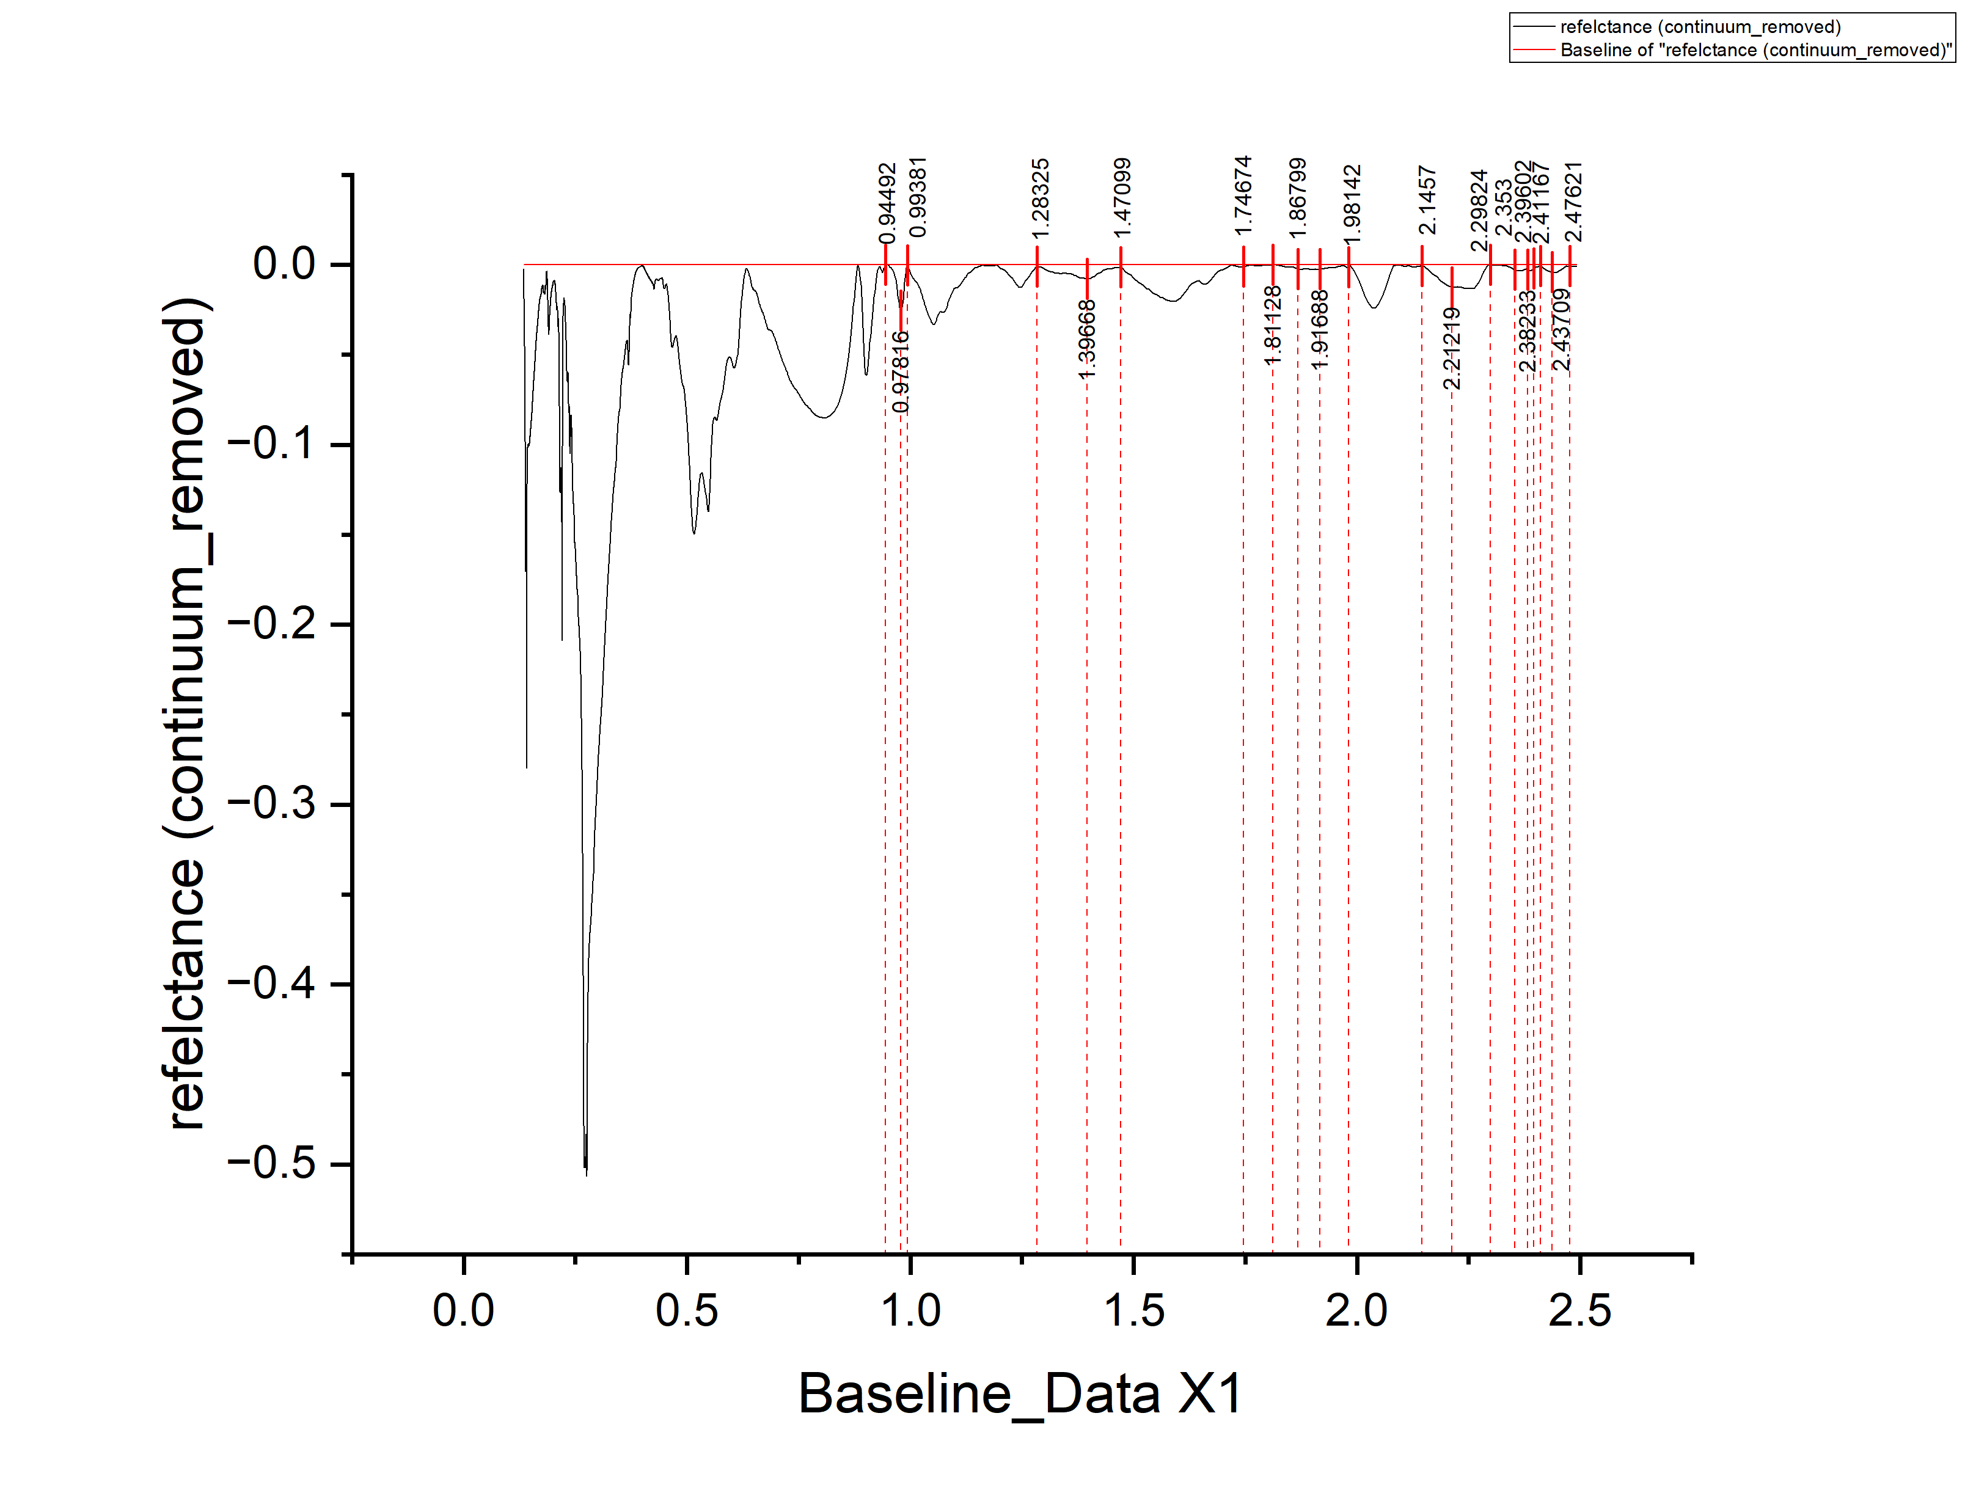
0.13575 | -0.02721 | 0.02721
0.13578 | -0.0282 | 0.0282
0.13582 | -0.02898 | 0.02898
0.13585 | -0.02957 | 0.02957
0.13589 | -0.03056 | 0.03056
0.13592 | -0.03185 | 0.03185
0.13596 | -0.03263 | 0.03263
0.136 | -0.03332 | 0.03332
0.13603 | -0.03371 | 0.03371
0.13607 | -0.0343 | 0.0343
0.1361 | -0.03538 | 0.03538
0.13614 | -0.03587 | 0.03587
0.13617 | -0.03576 | 0.03576
0.13621 | -0.03605 | 0.03605
0.13625 | -0.03644 | 0.03644
0.13628 | -0.03682 | 0.03682
0.13632 | -0.03751 | 0.03751
0.13635 | -0.0382 | 0.0382
0.13639 | -0.03889 | 0.03889
0.13643 | -0.03967 | 0.03967
0.13646 | -0.03966 | 0.03966
0.1365 | -0.03985 | 0.03985
0.13653 | -0.04044 | 0.04044
0.13657 | -0.04062 | 0.04062
0.1366 | -0.04111 | 0.04111
0.13664 | -0.0418 | 0.0418
0.13668 | -0.04319 | 0.04319
0.13671 | -0.04378 | 0.04378
0.13675 | -0.04406 | 0.04406
0.13679 | -0.04515 | 0.04515
0.13682 | -0.04664 | 0.04664
0.13686 | -0.04733 | 0.04733
0.13689 | -0.04851 | 0.04851
0.13693 | -0.0498 | 0.0498
0.13697 | -0.05059 | 0.05059
0.137 | -0.05058 | 0.05058
0.13704 | -0.05116 | 0.05116
0.13707 | -0.05195 | 0.05195
0.13711 | -0.05274 | 0.05274
0.13715 | -0.05393 | 0.05393
0.13718 | -0.05471 | 0.05471
0.13722 | -0.0554 | 0.0554
0.13726 | -0.05619 | 0.05619
0.13729 | -0.05738 | 0.05738
0.13733 | -0.05876 | 0.05876
0.13736 | -0.06005 | 0.06005
0.1374 | -0.06134 | 0.06134
0.13744 | -0.06283 | 0.06283
0.13747 | -0.06451 | 0.06451
0.13751 | -0.0661 | 0.0661
0.13755 | -0.06749 | 0.06749
0.13758 | -0.06918 | 0.06918
0.13762 | -0.07066 | 0.07066
0.13766 | -0.07185 | 0.07185
0.13769 | -0.07334 | 0.07334
0.13773 | -0.07483 | 0.07483
0.13777 | -0.07681 | 0.07681
0.1378 | -0.0791 | 0.0791
0.13784 | -0.08079 | 0.08079
0.13788 | -0.08328 | 0.08328
0.13791 | -0.08606 | 0.08606
0.13795 | -0.08815 | 0.08815
0.13799 | -0.09034 | 0.09034
0.13802 | -0.09282 | 0.09282
0.13806 | -0.09491 | 0.09491
0.1381 | -0.0963 | 0.0963
0.13813 | -0.09819 | 0.09819
0.13817 | -0.10037 | 0.10037
0.13821 | -0.10196 | 0.10196
0.13824 | -0.10325 | 0.10325
0.13828 | -0.10464 | 0.10464
0.13832 | -0.10602 | 0.10602
0.13835 | -0.10721 | 0.10721
0.13839 | -0.1085 | 0.1085
0.13843 | -0.10989 | 0.10989
0.13847 | -0.11187 | 0.11187
0.1385 | -0.11346 | 0.11346
0.13854 | -0.11525 | 0.11525
0.13858 | -0.11713 | 0.11713
0.13861 | -0.11932 | 0.11932
0.13865 | -0.12151 | 0.12151
0.13869 | -0.1239 | 0.1239
0.13873 | -0.12678 | 0.12678
0.13876 | -0.13007 | 0.13007
0.1388 | -0.13296 | 0.13296
0.13884 | -0.13564 | 0.13564
0.13887 | -0.13843 | 0.13843
0.13891 | -0.14102 | 0.14102
0.13895 | -0.14361 | 0.14361
0.13899 | -0.14569 | 0.14569
0.13902 | -0.14798 | 0.14798
0.13906 | -0.15057 | 0.15057
0.1391 | -0.15286 | 0.15286
0.13913 | -0.15474 | 0.15474
0.13917 | -0.15693 | 0.15693
0.13921 | -0.15932 | 0.15932
0.13925 | -0.1612 | 0.1612
0.13928 | -0.16289 | 0.16289
0.13932 | -0.16488 | 0.16488
0.13936 | -0.16657 | 0.16657
0.1394 | -0.16805 | 0.16805
0.13943 | -0.16924 | 0.16924
0.13947 | -0.17013 | 0.17013
0.13951 | -0.17041 | 0.17041
0.13955 | -0.1697 | 0.1697
0.13958 | -0.16939 | 0.16939
0.13962 | -0.16867 | 0.16867
0.13966 | -0.16776 | 0.16776
0.1397 | -0.16675 | 0.16675
0.13973 | -0.16604 | 0.16604
0.13977 | -0.16522 | 0.16522
0.13981 | -0.16421 | 0.16421
0.13985 | -0.1637 | 0.1637
0.13989 | -0.16268 | 0.16268
0.13992 | -0.16227 | 0.16227
0.13996 | -0.16206 | 0.16206
0.14 | -0.16165 | 0.16165
0.14004 | -0.16133 | 0.16133
0.14007 | -0.16132 | 0.16132
0.14011 | -0.16121 | 0.16121
0.14015 | -0.16129 | 0.16129
0.14019 | -0.16178 | 0.16178
0.14023 | -0.16227 | 0.16227
0.14026 | -0.16265 | 0.16265
0.1403 | -0.16304 | 0.16304
0.14034 | -0.16363 | 0.16363
0.14038 | -0.16401 | 0.16401
0.14042 | -0.1646 | 0.1646
0.14045 | -0.16499 | 0.16499
0.14049 | -0.16488 | 0.16488
0.14053 | -0.16426 | 0.16426
0.14057 | -0.16415 | 0.16415
0.14061 | -0.16384 | 0.16384
0.14064 | -0.16312 | 0.16312
0.14068 | -0.16201 | 0.16201
0.14072 | -0.1606 | 0.1606
0.14076 | -0.15958 | 0.15958
0.1408 | -0.15907 | 0.15907
0.14084 | -0.15846 | 0.15846
0.14087 | -0.15784 | 0.15784
0.14091 | -0.15763 | 0.15763
0.14095 | -0.15812 | 0.15812
0.14099 | -0.159 | 0.159
0.14103 | -0.16099 | 0.16099
0.14107 | -0.16368 | 0.16368
0.1411 | -0.16697 | 0.16697
0.14114 | -0.17185 | 0.17185
0.14118 | -0.17814 | 0.17814
0.14122 | -0.18563 | 0.18563
0.14126 | -0.19571 | 0.19571
0.1413 | -0.2086 | 0.2086
0.14133 | -0.22389 | 0.22389
0.14137 | -0.24057 | 0.24057
0.14141 | -0.25736 | 0.25736
0.14145 | -0.27185 | 0.27185
0.14149 | -0.27973 | 0.27973
0.14153 | -0.27742 | 0.27742
0.14157 | -0.26531 | 0.26531
0.1416 | -0.24649 | 0.24649
0.14164 | -0.22548 | 0.22548
0.14168 | -0.20637 | 0.20637
0.14172 | -0.19005 | 0.19005
0.14176 | -0.17734 | 0.17734
0.1418 | -0.16753 | 0.16753
0.14184 | -0.15971 | 0.15971
0.14188 | -0.153 | 0.153
0.14191 | -0.14739 | 0.14739
0.14195 | -0.14287 | 0.14287
0.14199 | -0.13846 | 0.13846
0.14203 | -0.13555 | 0.13555
0.14207 | -0.13273 | 0.13273
0.14211 | -0.12972 | 0.12972
0.14215 | -0.12721 | 0.12721
0.14219 | -0.12529 | 0.12529
0.14223 | -0.12368 | 0.12368
0.14227 | -0.12197 | 0.12197
0.1423 | -0.12035 | 0.12035
0.14234 | -0.11934 | 0.11934
0.14238 | -0.11843 | 0.11843
0.14242 | -0.11741 | 0.11741
0.14246 | -0.1163 | 0.1163
0.1425 | -0.11568 | 0.11568
0.14254 | -0.11507 | 0.11507
0.14258 | -0.11396 | 0.11396
0.14262 | -0.11334 | 0.11334
0.14266 | -0.11263 | 0.11263
0.1427 | -0.11182 | 0.11182
0.14274 | -0.1111 | 0.1111
0.14277 | -0.11059 | 0.11059
0.14281 | -0.10968 | 0.10968
0.14285 | -0.10886 | 0.10886
0.14289 | -0.10815 | 0.10815
0.14293 | -0.10794 | 0.10794
0.14297 | -0.10742 | 0.10742
0.14301 | -0.10681 | 0.10681
0.14305 | -0.1063 | 0.1063
0.14309 | -0.10588 | 0.10588
0.14313 | -0.10547 | 0.10547
0.14317 | -0.10475 | 0.10475
0.14321 | -0.10434 | 0.10434
0.14325 | -0.10403 | 0.10403
0.14329 | -0.10341 | 0.10341
0.14333 | -0.1031 | 0.1031
0.14337 | -0.10319 | 0.10319
0.14341 | -0.10317 | 0.10317
0.14345 | -0.10246 | 0.10246
0.14349 | -0.10185 | 0.10185
0.14353 | -0.10193 | 0.10193
0.14357 | -0.10152 | 0.10152
0.14361 | -0.1014 | 0.1014
0.14365 | -0.10139 | 0.10139
0.14368 | -0.10118 | 0.10118
0.14372 | -0.10116 | 0.10116
0.14376 | -0.10105 | 0.10105
0.1438 | -0.10094 | 0.10094
0.14384 | -0.10092 | 0.10092
0.14388 | -0.10071 | 0.10071
0.14392 | -0.1007 | 0.1007
0.14396 | -0.10048 | 0.10048
0.144 | -0.10047 | 0.10047
0.14404 | -0.10035 | 0.10035
0.14408 | -0.10064 | 0.10064
0.14412 | -0.10073 | 0.10073
0.14416 | -0.10021 | 0.10021
0.1442 | -0.1002 | 0.1002
0.14424 | -0.09978 | 0.09978
0.14428 | -0.09997 | 0.09997
0.14432 | -0.10026 | 0.10026
0.14437 | -0.10014 | 0.10014
0.14441 | -0.09993 | 0.09993
0.14445 | -0.09982 | 0.09982
0.14449 | -0.0999 | 0.0999
0.14453 | -0.10019 | 0.10019
0.14457 | -0.10067 | 0.10067
0.14461 | -0.10066 | 0.10066
0.14465 | -0.10025 | 0.10025
0.14469 | -0.10033 | 0.10033
0.14473 | -0.10052 | 0.10052
0.14477 | -0.1004 | 0.1004
0.14481 | -0.10059 | 0.10059
0.14485 | -0.10078 | 0.10078
0.14489 | -0.10076 | 0.10076
0.14493 | -0.10075 | 0.10075
0.14497 | -0.10074 | 0.10074
0.14501 | -0.10052 | 0.10052
0.14505 | -0.10051 | 0.10051
0.14509 | -0.10019 | 0.10019
0.14513 | -0.09988 | 0.09988
0.14517 | -0.10007 | 0.10007
0.14521 | -0.10015 | 0.10015
0.14526 | -0.10034 | 0.10034
0.1453 | -0.10012 | 0.10012
0.14534 | -0.10001 | 0.10001
0.14538 | -0.1 | 0.1
0.14542 | -0.10008 | 0.10008
0.14546 | -0.09997 | 0.09997
0.1455 | -0.09955 | 0.09955
0.14554 | -0.09964 | 0.09964
0.14558 | -0.09963 | 0.09963
0.14562 | -0.09971 | 0.09971
0.14566 | -0.0997 | 0.0997
0.1457 | -0.09978 | 0.09978
0.14575 | -0.09977 | 0.09977
0.14579 | -0.09985 | 0.09985
0.14583 | -0.10014 | 0.10014
0.14587 | -0.10043 | 0.10043
0.14591 | -0.10021 | 0.10021
0.14595 | -0.1001 | 0.1001
0.14599 | -0.10028 | 0.10028
0.14603 | -0.10037 | 0.10037
0.14607 | -0.10016 | 0.10016
0.14611 | -0.10034 | 0.10034
0.14616 | -0.10033 | 0.10033
0.1462 | -0.10041 | 0.10041
0.14624 | -0.1002 | 0.1002
0.14628 | -0.10009 | 0.10009
0.14632 | -0.10007 | 0.10007
0.14636 | -0.10036 | 0.10036
0.1464 | -0.10014 | 0.10014
0.14645 | -0.10003 | 0.10003
0.14649 | -0.10001 | 0.10001
0.14653 | -0.1 | 0.1
0.14657 | -0.10019 | 0.10019
0.14661 | -0.10027 | 0.10027
0.14665 | -0.10016 | 0.10016
0.14669 | -0.10014 | 0.10014
0.14674 | -0.10033 | 0.10033
0.14678 | -0.10001 | 0.10001
0.14682 | -0.0998 | 0.0998
0.14686 | -0.10019 | 0.10019
0.1469 | -0.10017 | 0.10017
0.14694 | -0.10036 | 0.10036
0.14698 | -0.10024 | 0.10024
0.14703 | -0.09983 | 0.09983
0.14707 | -0.09991 | 0.09991
0.14711 | -0.1002 | 0.1002
0.14715 | -0.09989 | 0.09989
0.14719 | -0.09997 | 0.09997
0.14724 | -0.10006 | 0.10006
0.14728 | -0.09994 | 0.09994
0.14732 | -0.09993 | 0.09993
0.14736 | -0.09981 | 0.09981
0.1474 | -0.1 | 0.1
0.14744 | -0.09978 | 0.09978
0.14749 | -0.09957 | 0.09957
0.14753 | -0.09946 | 0.09946
0.14757 | -0.09914 | 0.09914
0.14761 | -0.09923 | 0.09923
0.14765 | -0.09921 | 0.09921
0.1477 | -0.0992 | 0.0992
0.14774 | -0.09898 | 0.09898
0.14778 | -0.09897 | 0.09897
0.14782 | -0.09925 | 0.09925
0.14787 | -0.09924 | 0.09924
0.14791 | -0.09883 | 0.09883
0.14795 | -0.09871 | 0.09871
0.14799 | -0.099 | 0.099
0.14803 | -0.09888 | 0.09888
0.14808 | -0.09847 | 0.09847
0.14812 | -0.09835 | 0.09835
0.14816 | -0.09834 | 0.09834
0.1482 | -0.09802 | 0.09802
0.14825 | -0.09801 | 0.09801
0.14829 | -0.09799 | 0.09799
0.14833 | -0.09788 | 0.09788
0.14837 | -0.09787 | 0.09787
0.14842 | -0.09775 | 0.09775
0.14846 | -0.09754 | 0.09754
0.1485 | -0.09742 | 0.09742
0.14854 | -0.09731 | 0.09731
0.14859 | -0.09699 | 0.09699
0.14863 | -0.09698 | 0.09698
0.14867 | -0.09686 | 0.09686
0.14871 | -0.09685 | 0.09685
0.14876 | -0.09673 | 0.09673
0.1488 | -0.09662 | 0.09662
0.14884 | -0.0962 | 0.0962
0.14888 | -0.09619 | 0.09619
0.14893 | -0.09617 | 0.09617
0.14897 | -0.09596 | 0.09596
0.14901 | -0.09585 | 0.09585
0.14906 | -0.09553 | 0.09553
0.1491 | -0.09522 | 0.09522
0.14914 | -0.0954 | 0.0954
0.14918 | -0.09519 | 0.09519
0.14923 | -0.09487 | 0.09487
0.14927 | -0.09486 | 0.09486
0.14931 | -0.09494 | 0.09494
0.14936 | -0.09483 | 0.09483
0.1494 | -0.09481 | 0.09481
0.14944 | -0.0948 | 0.0948
0.14949 | -0.09478 | 0.09478
0.14953 | -0.09457 | 0.09457
0.14957 | -0.09435 | 0.09435
0.14961 | -0.09404 | 0.09404
0.14966 | -0.09372 | 0.09372
0.1497 | -0.09341 | 0.09341
0.14974 | -0.09379 | 0.09379
0.14979 | -0.09378 | 0.09378
0.14983 | -0.09336 | 0.09336
0.14987 | -0.09295 | 0.09295
0.14992 | -0.09313 | 0.09313
0.14996 | -0.09302 | 0.09302
0.15 | -0.0925 | 0.0925
0.15005 | -0.09239 | 0.09239
0.15009 | -0.09227 | 0.09227
0.15013 | -0.09246 | 0.09246
0.15018 | -0.09224 | 0.09224
0.15022 | -0.09203 | 0.09203
0.15027 | -0.09181 | 0.09181
0.15031 | -0.0914 | 0.0914
0.15035 | -0.09118 | 0.09118
0.1504 | -0.09097 | 0.09097
0.15044 | -0.09095 | 0.09095
0.15048 | -0.09094 | 0.09094
0.15053 | -0.09072 | 0.09072
0.15057 | -0.09061 | 0.09061
0.15061 | -0.09029 | 0.09029
0.15066 | -0.09018 | 0.09018
0.1507 | -0.09016 | 0.09016
0.15075 | -0.08985 | 0.08985
0.15079 | -0.08963 | 0.08963
0.15083 | -0.08972 | 0.08972
0.15088 | -0.0895 | 0.0895
0.15092 | -0.08919 | 0.08919
0.15097 | -0.08907 | 0.08907
0.15101 | -0.08926 | 0.08926
0.15105 | -0.08894 | 0.08894
0.1511 | -0.08883 | 0.08883
0.15114 | -0.08851 | 0.08851
0.15119 | -0.0881 | 0.0881
0.15123 | -0.08828 | 0.08828
0.15127 | -0.08817 | 0.08817
0.15132 | -0.08805 | 0.08805
0.15136 | -0.08784 | 0.08784
0.15141 | -0.08762 | 0.08762
0.15145 | -0.08751 | 0.08751
0.15149 | -0.08759 | 0.08759
0.15154 | -0.08748 | 0.08748
0.15158 | -0.08726 | 0.08726
0.15163 | -0.08725 | 0.08725
0.15167 | -0.08703 | 0.08703
0.15172 | -0.08682 | 0.08682
0.15176 | -0.0866 | 0.0866
0.15181 | -0.08658 | 0.08658
0.15185 | -0.08637 | 0.08637
0.15189 | -0.08635 | 0.08635
0.15194 | -0.08634 | 0.08634
0.15198 | -0.08632 | 0.08632
0.15203 | -0.08601 | 0.08601
0.15207 | -0.08599 | 0.08599
0.15212 | -0.08588 | 0.08588
0.15216 | -0.08566 | 0.08566
0.15221 | -0.08555 | 0.08555
0.15225 | -0.08553 | 0.08553
0.1523 | -0.08532 | 0.08532
0.15234 | -0.0849 | 0.0849
0.15239 | -0.08489 | 0.08489
0.15243 | -0.08497 | 0.08497
0.15248 | -0.08475 | 0.08475
0.15252 | -0.08434 | 0.08434
0.15256 | -0.08432 | 0.08432
0.15261 | -0.08411 | 0.08411
0.15265 | -0.08419 | 0.08419
0.1527 | -0.08398 | 0.08398
0.15274 | -0.08386 | 0.08386
0.15279 | -0.08385 | 0.08385
0.15283 | -0.08373 | 0.08373
0.15288 | -0.08352 | 0.08352
0.15292 | -0.0831 | 0.0831
0.15297 | -0.08298 | 0.08298
0.15302 | -0.08287 | 0.08287
0.15306 | -0.08265 | 0.08265
0.15311 | -0.08244 | 0.08244
0.15315 | -0.08222 | 0.08222
0.1532 | -0.08201 | 0.08201
0.15324 | -0.08189 | 0.08189
0.15329 | -0.08148 | 0.08148
0.15333 | -0.08146 | 0.08146
0.15338 | -0.08164 | 0.08164
0.15342 | -0.08153 | 0.08153
0.15347 | -0.08111 | 0.08111
0.15351 | -0.081 | 0.081
0.15356 | -0.08078 | 0.08078
0.1536 | -0.08057 | 0.08057
0.15365 | -0.08025 | 0.08025
0.1537 | -0.08003 | 0.08003
0.15374 | -0.07992 | 0.07992
0.15379 | -0.0798 | 0.0798
0.15383 | -0.07959 | 0.07959
0.15388 | -0.07957 | 0.07957
0.15392 | -0.07946 | 0.07946
0.15397 | -0.07944 | 0.07944
0.15402 | -0.07902 | 0.07902
0.15406 | -0.07861 | 0.07861
0.15411 | -0.07829 | 0.07829
0.15415 | -0.07808 | 0.07808
0.1542 | -0.07796 | 0.07796
0.15424 | -0.07785 | 0.07785
0.15429 | -0.07733 | 0.07733
0.15434 | -0.07711 | 0.07711
0.15438 | -0.0768 | 0.0768
0.15443 | -0.07668 | 0.07668
0.15447 | -0.07667 | 0.07667
0.15452 | -0.07645 | 0.07645
0.15457 | -0.07614 | 0.07614
0.15461 | -0.07572 | 0.07572
0.15466 | -0.0754 | 0.0754
0.1547 | -0.07549 | 0.07549
0.15475 | -0.07537 | 0.07537
0.1548 | -0.07496 | 0.07496
0.15484 | -0.07474 | 0.07474
0.15489 | -0.07452 | 0.07452
0.15494 | -0.07441 | 0.07441
0.15498 | -0.07429 | 0.07429
0.15503 | -0.07388 | 0.07388
0.15507 | -0.07366 | 0.07366
0.15512 | -0.07354 | 0.07354
0.15517 | -0.07333 | 0.07333
0.15521 | -0.07311 | 0.07311
0.15526 | -0.0728 | 0.0728
0.15531 | -0.07238 | 0.07238
0.15535 | -0.07196 | 0.07196
0.1554 | -0.07195 | 0.07195
0.15545 | -0.07203 | 0.07203
0.15549 | -0.07192 | 0.07192
0.15554 | -0.0716 | 0.0716
0.15559 | -0.07128 | 0.07128
0.15563 | -0.07107 | 0.07107
0.15568 | -0.07095 | 0.07095
0.15573 | -0.07064 | 0.07064
0.15577 | -0.07052 | 0.07052
0.15582 | -0.0703 | 0.0703
0.15587 | -0.06999 | 0.06999
0.15591 | -0.06987 | 0.06987
0.15596 | -0.06986 | 0.06986
0.15601 | -0.06964 | 0.06964
0.15606 | -0.06922 | 0.06922
0.1561 | -0.06911 | 0.06911
0.15615 | -0.06909 | 0.06909
0.1562 | -0.06877 | 0.06877
0.15624 | -0.06826 | 0.06826
0.15629 | -0.06804 | 0.06804
0.15634 | -0.06783 | 0.06783
0.15638 | -0.06771 | 0.06771
0.15643 | -0.06759 | 0.06759
0.15648 | -0.06738 | 0.06738
0.15653 | -0.06716 | 0.06716
0.15657 | -0.06725 | 0.06725
0.15662 | -0.06693 | 0.06693
0.15667 | -0.06661 | 0.06661
0.15672 | -0.0664 | 0.0664
0.15676 | -0.06628 | 0.06628
0.15681 | -0.06586 | 0.06586
0.15686 | -0.06595 | 0.06595
0.15691 | -0.06573 | 0.06573
0.15695 | -0.06581 | 0.06581
0.157 | -0.0656 | 0.0656
0.15705 | -0.06508 | 0.06508
0.1571 | -0.06507 | 0.06507
0.15714 | -0.06485 | 0.06485
0.15719 | -0.06443 | 0.06443
0.15724 | -0.06432 | 0.06432
0.15729 | -0.0641 | 0.0641
0.15733 | -0.06398 | 0.06398
0.15738 | -0.06377 | 0.06377
0.15743 | -0.06365 | 0.06365
0.15748 | -0.06353 | 0.06353
0.15753 | -0.06312 | 0.06312
0.15757 | -0.063 | 0.063
0.15762 | -0.06278 | 0.06278
0.15767 | -0.06277 | 0.06277
0.15772 | -0.06245 | 0.06245
0.15776 | -0.06224 | 0.06224
0.15781 | -0.06202 | 0.06202
0.15786 | -0.062 | 0.062
0.15791 | -0.06189 | 0.06189
0.15796 | -0.06167 | 0.06167
0.15801 | -0.06155 | 0.06155
0.15805 | -0.06144 | 0.06144
0.1581 | -0.06122 | 0.06122
0.15815 | -0.061 | 0.061
0.1582 | -0.06069 | 0.06069
0.15825 | -0.06067 | 0.06067
0.15829 | -0.06035 | 0.06035
0.15834 | -0.06034 | 0.06034
0.15839 | -0.06002 | 0.06002
0.15844 | -0.0599 | 0.0599
0.15849 | -0.05959 | 0.05959
0.15854 | -0.05947 | 0.05947
0.15859 | -0.05945 | 0.05945
0.15863 | -0.05914 | 0.05914
0.15868 | -0.05902 | 0.05902
0.15873 | -0.0589 | 0.0589
0.15878 | -0.05869 | 0.05869
0.15883 | -0.05847 | 0.05847
0.15888 | -0.05805 | 0.05805
0.15893 | -0.05794 | 0.05794
0.15897 | -0.05802 | 0.05802
0.15902 | -0.0578 | 0.0578
0.15907 | -0.05759 | 0.05759
0.15912 | -0.05747 | 0.05747
0.15917 | -0.05715 | 0.05715
0.15922 | -0.05704 | 0.05704
0.15927 | -0.05682 | 0.05682
0.15932 | -0.0566 | 0.0566
0.15937 | -0.05649 | 0.05649
0.15941 | -0.05647 | 0.05647
0.15946 | -0.05615 | 0.05615
0.15951 | -0.05593 | 0.05593
0.15956 | -0.05572 | 0.05572
0.15961 | -0.0555 | 0.0555
0.15966 | -0.05538 | 0.05538
0.15971 | -0.05517 | 0.05517
0.15976 | -0.05495 | 0.05495
0.15981 | -0.05433 | 0.05433
0.15986 | -0.05422 | 0.05422
0.15991 | -0.0541 | 0.0541
0.15996 | -0.05398 | 0.05398
0.16 | -0.05387 | 0.05387
0.16005 | -0.05365 | 0.05365
0.1601 | -0.05323 | 0.05323
0.16015 | -0.05301 | 0.05301
0.1602 | -0.0531 | 0.0531
0.16025 | -0.05288 | 0.05288
0.1603 | -0.05256 | 0.05256
0.16035 | -0.05235 | 0.05235
0.1604 | -0.05203 | 0.05203
0.16045 | -0.05181 | 0.05181
0.1605 | -0.05139 | 0.05139
0.16055 | -0.05078 | 0.05078
0.1606 | -0.05066 | 0.05066
0.16065 | -0.05054 | 0.05054
0.1607 | -0.05063 | 0.05063
0.16075 | -0.05041 | 0.05041
0.1608 | -0.05009 | 0.05009
0.16085 | -0.04967 | 0.04967
0.1609 | -0.04956 | 0.04956
0.16095 | -0.04974 | 0.04974
0.161 | -0.04952 | 0.04952
0.16105 | -0.04911 | 0.04911
0.1611 | -0.04879 | 0.04879
0.16115 | -0.04887 | 0.04887
0.1612 | -0.04865 | 0.04865
0.16125 | -0.04854 | 0.04854
0.1613 | -0.04832 | 0.04832
0.16135 | -0.0479 | 0.0479
0.1614 | -0.04759 | 0.04759
0.16145 | -0.04727 | 0.04727
0.1615 | -0.04705 | 0.04705
0.16155 | -0.04683 | 0.04683
0.1616 | -0.04702 | 0.04702
0.16165 | -0.0468 | 0.0468
0.1617 | -0.04638 | 0.04638
0.16175 | -0.04596 | 0.04596
0.1618 | -0.04575 | 0.04575
0.16185 | -0.04593 | 0.04593
0.1619 | -0.04561 | 0.04561
0.16195 | -0.04529 | 0.04529
0.162 | -0.04478 | 0.04478
0.16206 | -0.04456 | 0.04456
0.16211 | -0.04464 | 0.04464
0.16216 | -0.04443 | 0.04443
0.16221 | -0.04431 | 0.04431
0.16226 | -0.04399 | 0.04399
0.16231 | -0.04357 | 0.04357
0.16236 | -0.04346 | 0.04346
0.16241 | -0.04324 | 0.04324
0.16246 | -0.04322 | 0.04322
0.16251 | -0.0431 | 0.0431
0.16256 | -0.04279 | 0.04279
0.16261 | -0.04267 | 0.04267
0.16267 | -0.04275 | 0.04275
0.16272 | -0.04243 | 0.04243
0.16277 | -0.04201 | 0.04201
0.16282 | -0.0416 | 0.0416
0.16287 | -0.04168 | 0.04168
0.16292 | -0.04156 | 0.04156
0.16297 | -0.04124 | 0.04124
0.16302 | -0.04123 | 0.04123
0.16308 | -0.04131 | 0.04131
0.16313 | -0.04089 | 0.04089
0.16318 | -0.04037 | 0.04037
0.16323 | -0.04046 | 0.04046
0.16328 | -0.04034 | 0.04034
0.16333 | -0.03992 | 0.03992
0.16338 | -0.0397 | 0.0397
0.16343 | -0.03979 | 0.03979
0.16349 | -0.03967 | 0.03967
0.16354 | -0.03935 | 0.03935
0.16359 | -0.03913 | 0.03913
0.16364 | -0.03881 | 0.03881
0.16369 | -0.0389 | 0.0389
0.16374 | -0.03888 | 0.03888
0.1638 | -0.03866 | 0.03866
0.16385 | -0.03834 | 0.03834
0.1639 | -0.03813 | 0.03813
0.16395 | -0.03801 | 0.03801
0.164 | -0.03789 | 0.03789
0.16406 | -0.03787 | 0.03787
0.16411 | -0.03765 | 0.03765
0.16416 | -0.03744 | 0.03744
0.16421 | -0.03732 | 0.03732
0.16426 | -0.0372 | 0.0372
0.16432 | -0.03698 | 0.03698
0.16437 | -0.03676 | 0.03676
0.16442 | -0.03655 | 0.03655
0.16447 | -0.03653 | 0.03653
0.16452 | -0.03641 | 0.03641
0.16458 | -0.03649 | 0.03649
0.16463 | -0.03628 | 0.03628
0.16468 | -0.03606 | 0.03606
0.16473 | -0.03574 | 0.03574
0.16479 | -0.03582 | 0.03582
0.16484 | -0.0357 | 0.0357
0.16489 | -0.03548 | 0.03548
0.16494 | -0.03537 | 0.03537
0.165 | -0.03535 | 0.03535
0.16505 | -0.03523 | 0.03523
0.1651 | -0.03501 | 0.03501
0.16515 | -0.03489 | 0.03489
0.16521 | -0.03448 | 0.03448
0.16526 | -0.03436 | 0.03436
0.16531 | -0.03434 | 0.03434
0.16536 | -0.03402 | 0.03402
0.16542 | -0.034 | 0.034
0.16547 | -0.03399 | 0.03399
0.16552 | -0.03387 | 0.03387
0.16558 | -0.03355 | 0.03355
0.16563 | -0.03343 | 0.03343
0.16568 | -0.03341 | 0.03341
0.16573 | -0.03329 | 0.03329
0.16579 | -0.03328 | 0.03328
0.16584 | -0.03316 | 0.03316
0.16589 | -0.03284 | 0.03284
0.16595 | -0.03272 | 0.03272
0.166 | -0.0326 | 0.0326
0.16605 | -0.03229 | 0.03229
0.16611 | -0.03217 | 0.03217
0.16616 | -0.03215 | 0.03215
0.16621 | -0.03193 | 0.03193
0.16627 | -0.03161 | 0.03161
0.16632 | -0.03159 | 0.03159
0.16637 | -0.03148 | 0.03148
0.16643 | -0.03136 | 0.03136
0.16648 | -0.03134 | 0.03134
0.16653 | -0.03112 | 0.03112
0.16659 | -0.0308 | 0.0308
0.16664 | -0.03078 | 0.03078
0.16669 | -0.03057 | 0.03057
0.16675 | -0.03045 | 0.03045
0.1668 | -0.03033 | 0.03033
0.16685 | -0.02991 | 0.02991
0.16691 | -0.02959 | 0.02959
0.16696 | -0.02957 | 0.02957
0.16702 | -0.02945 | 0.02945
0.16707 | -0.02934 | 0.02934
0.16712 | -0.02912 | 0.02912
0.16718 | -0.0287 | 0.0287
0.16723 | -0.02868 | 0.02868
0.16728 | -0.02856 | 0.02856
0.16734 | -0.02834 | 0.02834
0.16739 | -0.02832 | 0.02832
0.16745 | -0.02821 | 0.02821
0.1675 | -0.02809 | 0.02809
0.16756 | -0.02797 | 0.02797
0.16761 | -0.02755 | 0.02755
0.16766 | -0.02723 | 0.02723
0.16772 | -0.02731 | 0.02731
0.16777 | -0.02729 | 0.02729
0.16783 | -0.02728 | 0.02728
0.16788 | -0.02696 | 0.02696
0.16794 | -0.02664 | 0.02664
0.16799 | -0.02642 | 0.02642
0.16804 | -0.0261 | 0.0261
0.1681 | -0.02588 | 0.02588
0.16815 | -0.02576 | 0.02576
0.16821 | -0.02574 | 0.02574
0.16826 | -0.02563 | 0.02563
0.16832 | -0.02541 | 0.02541
0.16837 | -0.02539 | 0.02539
0.16843 | -0.02527 | 0.02527
0.16848 | -0.02495 | 0.02495
0.16854 | -0.02483 | 0.02483
0.16859 | -0.02471 | 0.02471
0.16865 | -0.02459 | 0.02459
0.1687 | -0.02417 | 0.02417
0.16876 | -0.02396 | 0.02396
0.16881 | -0.02394 | 0.02394
0.16886 | -0.02392 | 0.02392
0.16892 | -0.0237 | 0.0237
0.16898 | -0.02348 | 0.02348
0.16903 | -0.02316 | 0.02316
0.16909 | -0.02284 | 0.02284
0.16914 | -0.02262 | 0.02262
0.1692 | -0.0226 | 0.0226
0.16925 | -0.02279 | 0.02279
0.16931 | -0.02257 | 0.02257
0.16936 | -0.02245 | 0.02245
0.16942 | -0.02243 | 0.02243
0.16947 | -0.02211 | 0.02211
0.16953 | -0.02179 | 0.02179
0.16958 | -0.02177 | 0.02177
0.16964 | -0.02175 | 0.02175
0.16969 | -0.02133 | 0.02133
0.16975 | -0.02111 | 0.02111
0.16981 | -0.02129 | 0.02129
0.16986 | -0.02128 | 0.02128
0.16992 | -0.02106 | 0.02106
0.16997 | -0.02064 | 0.02064
0.17003 | -0.02052 | 0.02052
0.17008 | -0.0204 | 0.0204
0.17014 | -0.02028 | 0.02028
0.1702 | -0.02036 | 0.02036
0.17025 | -0.02024 | 0.02024
0.17031 | -0.01992 | 0.01992
0.17036 | -0.0198 | 0.0198
0.17042 | -0.01968 | 0.01968
0.17048 | -0.01996 | 0.01996
0.17053 | -0.01985 | 0.01985
0.17059 | -0.01953 | 0.01953
0.17064 | -0.01941 | 0.01941
0.1707 | -0.01959 | 0.01959
0.17076 | -0.01957 | 0.01957
0.17081 | -0.01945 | 0.01945
0.17087 | -0.01923 | 0.01923
0.17092 | -0.01901 | 0.01901
0.17098 | -0.01899 | 0.01899
0.17104 | -0.01887 | 0.01887
0.17109 | -0.01885 | 0.01885
0.17115 | -0.01883 | 0.01883
0.17121 | -0.01881 | 0.01881
0.17126 | -0.01859 | 0.01859
0.17132 | -0.01867 | 0.01867
0.17138 | -0.01855 | 0.01855
0.17143 | -0.01853 | 0.01853
0.17149 | -0.01832 | 0.01832
0.17155 | -0.0182 | 0.0182
0.1716 | -0.01838 | 0.01838
0.17166 | -0.01836 | 0.01836
0.17172 | -0.01814 | 0.01814
0.17177 | -0.01792 | 0.01792
0.17183 | -0.0178 | 0.0178
0.17189 | -0.01788 | 0.01788
0.17195 | -0.01786 | 0.01786
0.172 | -0.01774 | 0.01774
0.17206 | -0.01782 | 0.01782
0.17212 | -0.0178 | 0.0178
0.17217 | -0.01758 | 0.01758
0.17223 | -0.01756 | 0.01756
0.17229 | -0.01784 | 0.01784
0.17235 | -0.01782 | 0.01782
0.1724 | -0.0176 | 0.0176
0.17246 | -0.01758 | 0.01758
0.17252 | -0.01736 | 0.01736
0.17258 | -0.01734 | 0.01734
0.17263 | -0.01732 | 0.01732
0.17269 | -0.0171 | 0.0171
0.17275 | -0.01688 | 0.01688
0.17281 | -0.01686 | 0.01686
0.17286 | -0.01694 | 0.01694
0.17292 | -0.01692 | 0.01692
0.17298 | -0.0169 | 0.0169
0.17304 | -0.01678 | 0.01678
0.17309 | -0.01676 | 0.01676
0.17315 | -0.01674 | 0.01674
0.17321 | -0.01672 | 0.01672
0.17327 | -0.0169 | 0.0169
0.17333 | -0.01678 | 0.01678
0.17338 | -0.01656 | 0.01656
0.17344 | -0.01654 | 0.01654
0.1735 | -0.01652 | 0.01652
0.17356 | -0.0163 | 0.0163
0.17362 | -0.01628 | 0.01628
0.17367 | -0.01626 | 0.01626
0.17373 | -0.01614 | 0.01614
0.17379 | -0.01592 | 0.01592
0.17385 | -0.0159 | 0.0159
0.17391 | -0.01578 | 0.01578
0.17396 | -0.01576 | 0.01576
0.17402 | -0.01554 | 0.01554
0.17408 | -0.01552 | 0.01552
0.17414 | -0.0154 | 0.0154
0.1742 | -0.01528 | 0.01528
0.17426 | -0.01516 | 0.01516
0.17432 | -0.01504 | 0.01504
0.17437 | -0.01492 | 0.01492
0.17443 | -0.0149 | 0.0149
0.17449 | -0.01468 | 0.01468
0.17455 | -0.01456 | 0.01456
0.17461 | -0.01434 | 0.01434
0.17467 | -0.01422 | 0.01422
0.17473 | -0.0142 | 0.0142
0.17479 | -0.01408 | 0.01408
0.17484 | -0.01376 | 0.01376
0.1749 | -0.01364 | 0.01364
0.17496 | -0.01352 | 0.01352
0.17502 | -0.0135 | 0.0135
0.17508 | -0.01338 | 0.01338
0.17514 | -0.01316 | 0.01316
0.1752 | -0.01314 | 0.01314
0.17526 | -0.01302 | 0.01302
0.17532 | -0.0131 | 0.0131
0.17538 | -0.01318 | 0.01318
0.17544 | -0.01296 | 0.01296
0.1755 | -0.01284 | 0.01284
0.17556 | -0.01272 | 0.01272
0.17561 | -0.0127 | 0.0127
0.17567 | -0.01268 | 0.01268
0.17573 | -0.01256 | 0.01256
0.17579 | -0.01224 | 0.01224
0.17585 | -0.01211 | 0.01211
0.17591 | -0.01199 | 0.01199
0.17597 | -0.01217 | 0.01217
0.17603 | -0.01205 | 0.01205
0.17609 | -0.01203 | 0.01203
0.17615 | -0.01191 | 0.01191
0.17621 | -0.01209 | 0.01209
0.17627 | -0.01207 | 0.01207
0.17633 | -0.01195 | 0.01195
0.17639 | -0.01193 | 0.01193
0.17645 | -0.01191 | 0.01191
0.17651 | -0.01179 | 0.01179
0.17657 | -0.01157 | 0.01157
0.17663 | -0.01155 | 0.01155
0.17669 | -0.01153 | 0.01153
0.17675 | -0.01141 | 0.01141
0.17681 | -0.01128 | 0.01128
0.17687 | -0.01136 | 0.01136
0.17693 | -0.01144 | 0.01144
0.17699 | -0.01132 | 0.01132
0.17705 | -0.0113 | 0.0113
0.17711 | -0.01128 | 0.01128
0.17718 | -0.01136 | 0.01136
0.17724 | -0.01144 | 0.01144
0.1773 | -0.01162 | 0.01162
0.17736 | -0.0115 | 0.0115
0.17742 | -0.01148 | 0.01148
0.17748 | -0.01126 | 0.01126
0.17754 | -0.01153 | 0.01153
0.1776 | -0.01171 | 0.01171
0.17766 | -0.01189 | 0.01189
0.17772 | -0.01187 | 0.01187
0.17778 | -0.01185 | 0.01185
0.17784 | -0.01193 | 0.01193
0.17791 | -0.01201 | 0.01201
0.17797 | -0.01219 | 0.01219
0.17803 | -0.01237 | 0.01237
0.17809 | -0.01245 | 0.01245
0.17815 | -0.01243 | 0.01243
0.17821 | -0.0124 | 0.0124
0.17827 | -0.01268 | 0.01268
0.17833 | -0.01296 | 0.01296
0.17839 | -0.01304 | 0.01304
0.17846 | -0.01322 | 0.01322
0.17852 | -0.0135 | 0.0135
0.17858 | -0.01358 | 0.01358
0.17864 | -0.01376 | 0.01376
0.1787 | -0.01384 | 0.01384
0.17876 | -0.01401 | 0.01401
0.17883 | -0.01409 | 0.01409
0.17889 | -0.01407 | 0.01407
0.17895 | -0.01445 | 0.01445
0.17901 | -0.01473 | 0.01473
0.17907 | -0.01501 | 0.01501
0.17913 | -0.01509 | 0.01509
0.1792 | -0.01517 | 0.01517
0.17926 | -0.01524 | 0.01524
0.17932 | -0.01542 | 0.01542
0.17938 | -0.0154 | 0.0154
0.17944 | -0.01548 | 0.01548
0.17951 | -0.01556 | 0.01556
0.17957 | -0.01564 | 0.01564
0.17963 | -0.01552 | 0.01552
0.17969 | -0.01559 | 0.01559
0.17976 | -0.01567 | 0.01567
0.17982 | -0.01545 | 0.01545
0.17988 | -0.01563 | 0.01563
0.17994 | -0.01531 | 0.01531
0.18001 | -0.01529 | 0.01529
0.18007 | -0.01517 | 0.01517
0.18013 | -0.01534 | 0.01534
0.18019 | -0.01542 | 0.01542
0.18026 | -0.0152 | 0.0152
0.18032 | -0.01518 | 0.01518
0.18038 | -0.01516 | 0.01516
0.18044 | -0.01524 | 0.01524
0.18051 | -0.01531 | 0.01531
0.18057 | -0.01499 | 0.01499
0.18063 | -0.01497 | 0.01497
0.1807 | -0.01485 | 0.01485
0.18076 | -0.01483 | 0.01483
0.18082 | -0.01491 | 0.01491
0.18088 | -0.01528 | 0.01528
0.18095 | -0.01556 | 0.01556
0.18101 | -0.01534 | 0.01534
0.18107 | -0.01532 | 0.01532
0.18114 | -0.0154 | 0.0154
0.1812 | -0.01548 | 0.01548
0.18126 | -0.01565 | 0.01565
0.18133 | -0.01583 | 0.01583
0.18139 | -0.01611 | 0.01611
0.18145 | -0.01619 | 0.01619
0.18152 | -0.01617 | 0.01617
0.18158 | -0.01614 | 0.01614
0.18165 | -0.01612 | 0.01612
0.18171 | -0.0161 | 0.0161
0.18177 | -0.01608 | 0.01608
0.18184 | -0.01616 | 0.01616
0.1819 | -0.01624 | 0.01624
0.18196 | -0.01631 | 0.01631
0.18203 | -0.01599 | 0.01599
0.18209 | -0.01577 | 0.01577
0.18216 | -0.01565 | 0.01565
0.18222 | -0.01533 | 0.01533
0.18228 | -0.0152 | 0.0152
0.18235 | -0.01468 | 0.01468
0.18241 | -0.01446 | 0.01446
0.18248 | -0.01434 | 0.01434
0.18254 | -0.01432 | 0.01432
0.1826 | -0.01399 | 0.01399
0.18267 | -0.01357 | 0.01357
0.18273 | -0.01345 | 0.01345
0.1828 | -0.01323 | 0.01323
0.18286 | -0.0127 | 0.0127
0.18293 | -0.01238 | 0.01238
0.18299 | -0.01226 | 0.01226
0.18306 | -0.01194 | 0.01194
0.18312 | -0.01152 | 0.01152
0.18319 | -0.01149 | 0.01149
0.18325 | -0.01147 | 0.01147
0.18332 | -0.01135 | 0.01135
0.18338 | -0.01123 | 0.01123
0.18344 | -0.0113 | 0.0113
0.18351 | -0.01118 | 0.01118
0.18357 | -0.01116 | 0.01116
0.18364 | -0.01114 | 0.01114
0.18371 | -0.01131 | 0.01131
0.18377 | -0.01139 | 0.01139
0.18384 | -0.01127 | 0.01127
0.1839 | -0.01155 | 0.01155
0.18397 | -0.01182 | 0.01182
0.18403 | -0.0121 | 0.0121
0.1841 | -0.01268 | 0.01268
0.18416 | -0.01306 | 0.01306
0.18423 | -0.01324 | 0.01324
0.18429 | -0.01371 | 0.01371
0.18436 | -0.01369 | 0.01369
0.18442 | -0.01347 | 0.01347
0.18449 | -0.01304 | 0.01304
0.18456 | -0.01242 | 0.01242
0.18462 | -0.0116 | 0.0116
0.18469 | -0.01048 | 0.01048
0.18475 | -0.00955 | 0.00955
0.18482 | -0.00883 | 0.00883
0.18488 | -0.00821 | 0.00821
0.18495 | -0.00769 | 0.00769
0.18502 | -0.00726 | 0.00726
0.18508 | -0.00664 | 0.00664
0.18515 | -0.00642 | 0.00642
0.18521 | -0.0061 | 0.0061
0.18528 | -0.00567 | 0.00567
0.18535 | -0.00545 | 0.00545
0.18541 | -0.00513 | 0.00513
0.18548 | -0.0049 | 0.0049
0.18555 | -0.00498 | 0.00498
0.18561 | -0.00476 | 0.00476
0.18568 | -0.00444 | 0.00444
0.18575 | -0.00431 | 0.00431
0.18581 | -0.00419 | 0.00419
0.18588 | -0.00427 | 0.00427
0.18595 | -0.00394 | 0.00394
0.18601 | -0.00382 | 0.00382
0.18608 | -0.0039 | 0.0039
0.18615 | -0.00408 | 0.00408
0.18621 | -0.00425 | 0.00425
0.18628 | -0.00423 | 0.00423
0.18635 | -0.00431 | 0.00431
0.18641 | -0.00438 | 0.00438
0.18648 | -0.00456 | 0.00456
0.18655 | -0.00464 | 0.00464
0.18661 | -0.00501 | 0.00501
0.18668 | -0.00539 | 0.00539
0.18675 | -0.00527 | 0.00527
0.18682 | -0.00524 | 0.00524
0.18688 | -0.00552 | 0.00552
0.18695 | -0.0058 | 0.0058
0.18702 | -0.00608 | 0.00608
0.18709 | -0.00655 | 0.00655
0.18715 | -0.00683 | 0.00683
0.18722 | -0.00721 | 0.00721
0.18729 | -0.00728 | 0.00728
0.18736 | -0.00756 | 0.00756
0.18742 | -0.00824 | 0.00824
0.18749 | -0.00881 | 0.00881
0.18756 | -0.00929 | 0.00929
0.18763 | -0.00967 | 0.00967
0.1877 | -0.01004 | 0.01004
0.18776 | -0.01062 | 0.01062
0.18783 | -0.0114 | 0.0114
0.1879 | -0.01197 | 0.01197
0.18797 | -0.01255 | 0.01255
0.18804 | -0.01313 | 0.01313
0.1881 | -0.0139 | 0.0139
0.18817 | -0.01438 | 0.01438
0.18824 | -0.01485 | 0.01485
0.18831 | -0.01553 | 0.01553
0.18838 | -0.01631 | 0.01631
0.18845 | -0.01688 | 0.01688
0.18851 | -0.01746 | 0.01746
0.18858 | -0.01804 | 0.01804
0.18865 | -0.01891 | 0.01891
0.18872 | -0.01949 | 0.01949
0.18879 | -0.02017 | 0.02017
0.18886 | -0.02064 | 0.02064
0.18893 | -0.02122 | 0.02122
0.189 | -0.0216 | 0.0216
0.18906 | -0.02237 | 0.02237
0.18913 | -0.02285 | 0.02285
0.1892 | -0.02332 | 0.02332
0.18927 | -0.0241 | 0.0241
0.18934 | -0.02488 | 0.02488
0.18941 | -0.02565 | 0.02565
0.18948 | -0.02633 | 0.02633
0.18955 | -0.02711 | 0.02711
0.18962 | -0.02798 | 0.02798
0.18969 | -0.02876 | 0.02876
0.18976 | -0.02983 | 0.02983
0.18983 | -0.03061 | 0.03061
0.1899 | -0.03149 | 0.03149
0.18997 | -0.03226 | 0.03226
0.19003 | -0.03333 | 0.03333
0.1901 | -0.03415 | 0.03415
0.19017 | -0.03496 | 0.03496
0.19024 | -0.03568 | 0.03568
0.19031 | -0.03609 | 0.03609
0.19038 | -0.03681 | 0.03681
0.19045 | -0.03753 | 0.03753
0.19052 | -0.03784 | 0.03784
0.19059 | -0.03806 | 0.03806
0.19066 | -0.03837 | 0.03837
0.19073 | -0.03859 | 0.03859
0.1908 | -0.0388 | 0.0388
0.19087 | -0.03882 | 0.03882
0.19094 | -0.03883 | 0.03883
0.19102 | -0.03875 | 0.03875
0.19109 | -0.03857 | 0.03857
0.19116 | -0.03818 | 0.03818
0.19123 | -0.0379 | 0.0379
0.1913 | -0.03771 | 0.03771
0.19137 | -0.03713 | 0.03713
0.19144 | -0.03684 | 0.03684
0.19151 | -0.03646 | 0.03646
0.19158 | -0.03607 | 0.03607
0.19165 | -0.03549 | 0.03549
0.19172 | -0.0348 | 0.0348
0.19179 | -0.03441 | 0.03441
0.19186 | -0.03393 | 0.03393
0.19193 | -0.03354 | 0.03354
0.19201 | -0.03276 | 0.03276
0.19208 | -0.03187 | 0.03187
0.19215 | -0.03149 | 0.03149
0.19222 | -0.0313 | 0.0313
0.19229 | -0.03102 | 0.03102
0.19236 | -0.03043 | 0.03043
0.19243 | -0.02974 | 0.02974
0.1925 | -0.02946 | 0.02946
0.19258 | -0.02907 | 0.02907
0.19265 | -0.02879 | 0.02879
0.19272 | -0.0283 | 0.0283
0.19279 | -0.02801 | 0.02801
0.19286 | -0.02773 | 0.02773
0.19293 | -0.02754 | 0.02754
0.19301 | -0.02715 | 0.02715
0.19308 | -0.02667 | 0.02667
0.19315 | -0.02628 | 0.02628
0.19322 | -0.02599 | 0.02599
0.19329 | -0.02581 | 0.02581
0.19337 | -0.02582 | 0.02582
0.19344 | -0.02553 | 0.02553
0.19351 | -0.02535 | 0.02535
0.19358 | -0.02496 | 0.02496
0.19366 | -0.02477 | 0.02477
0.19373 | -0.02449 | 0.02449
0.1938 | -0.0241 | 0.0241
0.19387 | -0.02391 | 0.02391
0.19395 | -0.02372 | 0.02372
0.19402 | -0.02354 | 0.02354
0.19409 | -0.02335 | 0.02335
0.19416 | -0.02296 | 0.02296
0.19424 | -0.02267 | 0.02267
0.19431 | -0.02259 | 0.02259
0.19438 | -0.0223 | 0.0223
0.19445 | -0.02211 | 0.02211
0.19453 | -0.02182 | 0.02182
0.1946 | -0.02154 | 0.02154
0.19467 | -0.02105 | 0.02105
0.19475 | -0.02086 | 0.02086
0.19482 | -0.02067 | 0.02067
0.19489 | -0.02038 | 0.02038
0.19497 | -0.01999 | 0.01999
0.19504 | -0.01961 | 0.01961
0.19511 | -0.01952 | 0.01952
0.19519 | -0.01913 | 0.01913
0.19526 | -0.01884 | 0.01884
0.19533 | -0.01865 | 0.01865
0.19541 | -0.01836 | 0.01836
0.19548 | -0.01838 | 0.01838
0.19555 | -0.01809 | 0.01809
0.19563 | -0.0178 | 0.0178
0.1957 | -0.01781 | 0.01781
0.19578 | -0.01772 | 0.01772
0.19585 | -0.01753 | 0.01753
0.19592 | -0.01724 | 0.01724
0.196 | -0.01705 | 0.01705
0.19607 | -0.01676 | 0.01676
0.19615 | -0.01677 | 0.01677
0.19622 | -0.01668 | 0.01668
0.1963 | -0.0163 | 0.0163
0.19637 | -0.01611 | 0.01611
0.19644 | -0.01612 | 0.01612
0.19652 | -0.01593 | 0.01593
0.19659 | -0.01564 | 0.01564
0.19667 | -0.01565 | 0.01565
0.19674 | -0.01546 | 0.01546
0.19682 | -0.01537 | 0.01537
0.19689 | -0.01518 | 0.01518
0.19697 | -0.01509 | 0.01509
0.19704 | -0.0151 | 0.0151
0.19712 | -0.01491 | 0.01491
0.19719 | -0.01452 | 0.01452
0.19727 | -0.01443 | 0.01443
0.19734 | -0.01424 | 0.01424
0.19742 | -0.01415 | 0.01415
0.19749 | -0.01416 | 0.01416
0.19757 | -0.01386 | 0.01386
0.19764 | -0.01357 | 0.01357
0.19772 | -0.01348 | 0.01348
0.19779 | -0.01349 | 0.01349
0.19787 | -0.0133 | 0.0133
0.19794 | -0.01321 | 0.01321
0.19802 | -0.01322 | 0.01322
0.1981 | -0.01303 | 0.01303
0.19817 | -0.01304 | 0.01304
0.19825 | -0.01285 | 0.01285
0.19832 | -0.01275 | 0.01275
0.1984 | -0.01266 | 0.01266
0.19847 | -0.01267 | 0.01267
0.19855 | -0.01268 | 0.01268
0.19863 | -0.01239 | 0.01239
0.1987 | -0.0121 | 0.0121
0.19878 | -0.01201 | 0.01201
0.19886 | -0.01181 | 0.01181
0.19893 | -0.01192 | 0.01192
0.19901 | -0.01183 | 0.01183
0.19908 | -0.01184 | 0.01184
0.19916 | -0.01175 | 0.01175
0.19924 | -0.01155 | 0.01155
0.19931 | -0.01156 | 0.01156
0.19939 | -0.01147 | 0.01147
0.19947 | -0.01138 | 0.01138
0.19954 | -0.01128 | 0.01128
0.19962 | -0.01139 | 0.01139
0.1997 | -0.0114 | 0.0114
0.19977 | -0.01151 | 0.01151
0.19985 | -0.01151 | 0.01151
0.19993 | -0.01142 | 0.01142
0.20001 | -0.01143 | 0.01143
0.20008 | -1.11E-02 | 0.01114
0.20016 | -1.10E-02 | 0.01104
0.20024 | -1.11E-02 | 0.01105
0.20032 | -1.10E-02 | 0.01096
0.20039 | -1.08E-02 | 0.01076
0.20047 | -1.07E-02 | 0.01067
0.20055 | -1.05E-02 | 0.01048
0.20063 | -1.03E-02 | 0.01028
0.2007 | -1.01E-02 | 0.01009
0.20078 | -1.01E-02 | 0.0101
0.20086 | -1.01E-02 | 0.0101
0.20094 | -0.00971 | 0.00971
0.20101 | -0.00952 | 0.00952
0.20109 | -0.00952 | 0.00952
0.20117 | -0.00953 | 0.00953
0.20125 | -0.00943 | 0.00943
0.20133 | -0.00944 | 0.00944
0.2014 | -0.00935 | 0.00935
0.20148 | -0.00925 | 0.00925
0.20156 | -0.00926 | 0.00926
0.20164 | -0.00926 | 0.00926
0.20172 | -0.00917 | 0.00917
0.2018 | -0.00907 | 0.00907
0.20188 | -0.00888 | 0.00888
0.20195 | -0.00898 | 0.00898
0.20203 | -0.00889 | 0.00889
0.20211 | -0.00889 | 0.00889
0.20219 | -0.0089 | 0.0089
0.20227 | -0.0087 | 0.0087
0.20235 | -0.00891 | 0.00891
0.20243 | -0.00891 | 0.00891
0.20251 | -0.00882 | 0.00882
0.20259 | -0.00882 | 0.00882
0.20266 | -0.00903 | 0.00903
0.20274 | -0.00903 | 0.00903
0.20282 | -0.00904 | 0.00904
0.2029 | -0.00904 | 0.00904
0.20298 | -0.00905 | 0.00905
0.20306 | -0.00905 | 0.00905
0.20314 | -0.00916 | 0.00916
0.20322 | -0.00906 | 0.00906
0.2033 | -0.00886 | 0.00886
0.20338 | -0.00897 | 0.00897
0.20346 | -0.00917 | 0.00917
0.20354 | -0.00908 | 0.00908
0.20362 | -0.00898 | 0.00898
0.2037 | -0.00908 | 0.00908
0.20378 | -0.00909 | 0.00909
0.20386 | -0.00909 | 0.00909
0.20394 | -0.00919 | 0.00919
0.20402 | -0.0093 | 0.0093
0.2041 | -0.0092 | 0.0092
0.20418 | -0.0093 | 0.0093
0.20426 | -0.00931 | 0.00931
0.20434 | -0.00951 | 0.00951
0.20442 | -0.00951 | 0.00951
0.2045 | -0.00972 | 0.00972
0.20458 | -0.00982 | 0.00982
0.20466 | -0.00992 | 0.00992
0.20475 | -0.01002 | 0.01002
0.20483 | -0.01013 | 0.01013
0.20491 | -0.01023 | 0.01023
0.20499 | -0.01043 | 0.01043
0.20507 | -0.01083 | 0.01083
0.20515 | -0.01084 | 0.01084
0.20523 | -0.01084 | 0.01084
0.20531 | -0.01094 | 0.01094
0.20539 | -0.01124 | 0.01124
0.20548 | -0.01144 | 0.01144
0.20556 | -0.01165 | 0.01165
0.20564 | -0.01185 | 0.01185
0.20572 | -0.01205 | 0.01205
0.2058 | -0.01215 | 0.01215
0.20588 | -1.24E-02 | 0.01245
0.20597 | -1.27E-02 | 0.01266
0.20605 | -1.29E-02 | 0.01286
0.20613 | -1.33E-02 | 0.01326
0.20621 | -1.36E-02 | 0.01356
0.20629 | -0.01366 | 0.01366
0.20638 | -1.40E-02 | 0.01396
0.20646 | -1.44E-02 | 0.01436
0.20654 | -1.49E-02 | 0.01486
0.20662 | -1.55E-02 | 0.01546
0.2067 | -0.01597 | 0.01597
0.20679 | -0.01647 | 0.01647
0.20687 | -0.01687 | 0.01687
0.20695 | -0.01737 | 0.01737
0.20703 | -0.01827 | 0.01827
0.20712 | -0.01877 | 0.01877
0.2072 | -0.01927 | 0.01927
0.20728 | -0.01987 | 0.01987
0.20737 | -0.02027 | 0.02027
0.20745 | -0.02057 | 0.02057
0.20753 | -0.02087 | 0.02087
0.20762 | -0.02117 | 0.02117
0.2077 | -0.02115 | 0.02115
0.20778 | -0.02109 | 0.02109
0.20787 | -0.02113 | 0.02113
0.20795 | -0.02127 | 0.02127
0.20803 | -0.02141 | 0.02141
0.20812 | -0.02175 | 0.02175
0.2082 | -0.02219 | 0.02219
0.20828 | -0.02253 | 0.02253
0.20837 | -0.02297 | 0.02297
0.20845 | -0.0237 | 0.0237
0.20853 | -0.02424 | 0.02424
0.20862 | -0.02468 | 0.02468
0.2087 | -0.02502 | 0.02502
0.20879 | -0.02526 | 0.02526
0.20887 | -0.02509 | 0.02509
0.20895 | -0.02513 | 0.02513
0.20904 | -0.02497 | 0.02497
0.20912 | -0.0248 | 0.0248
0.20921 | -0.02454 | 0.02454
0.20929 | -0.02437 | 0.02437
0.20938 | -0.02431 | 0.02431
0.20946 | -0.02424 | 0.02424
0.20955 | -0.02408 | 0.02408
0.20963 | -0.02391 | 0.02391
0.20971 | -0.02375 | 0.02375
0.2098 | -0.02388 | 0.02388
0.20988 | -0.02382 | 0.02382
0.20997 | -0.02375 | 0.02375
0.21005 | -0.02338 | 0.02338
0.21014 | -0.02331 | 0.02331
0.21023 | -0.02315 | 0.02315
0.21031 | -0.02318 | 0.02318
0.2104 | -0.02331 | 0.02331
0.21048 | -0.02364 | 0.02364
0.21057 | -0.02417 | 0.02417
0.21065 | -0.0251 | 0.0251
0.21074 | -0.02633 | 0.02633
0.21082 | -0.02796 | 0.02796
0.21091 | -0.02959 | 0.02959
0.211 | -0.03152 | 0.03152
0.21108 | -0.03315 | 0.03315
0.21117 | -0.03418 | 0.03418
0.21125 | -0.03441 | 0.03441
0.21134 | -0.03434 | 0.03434
0.21143 | -0.03407 | 0.03407
0.21151 | -0.0334 | 0.0334
0.2116 | -0.03242 | 0.03242
0.21168 | -0.03165 | 0.03165
0.21177 | -0.03118 | 0.03118
0.21186 | -0.0307 | 0.0307
0.21194 | -0.03053 | 0.03053
0.21203 | -0.03036 | 0.03036
0.21212 | -0.03038 | 0.03038
0.2122 | -0.03051 | 0.03051
0.21229 | -0.03063 | 0.03063
0.21238 | -0.03086 | 0.03086
0.21247 | -0.03118 | 0.03118
0.21255 | -0.03161 | 0.03161
0.21264 | -0.03193 | 0.03193
0.21273 | -0.03205 | 0.03205
0.21281 | -0.03238 | 0.03238
0.2129 | -0.033 | 0.033
0.21299 | -0.03352 | 0.03352
0.21308 | -0.03434 | 0.03434
0.21316 | -0.03497 | 0.03497
0.21325 | -0.03589 | 0.03589
0.21334 | -0.03721 | 0.03721
0.21343 | -0.03843 | 0.03843
0.21352 | -0.03965 | 0.03965
0.2136 | -0.04127 | 0.04127
0.21369 | -0.04299 | 0.04299
0.21378 | -0.04491 | 0.04491
0.21387 | -0.04693 | 0.04693
0.21396 | -0.04895 | 0.04895
0.21404 | -0.05137 | 0.05137
0.21413 | -0.05409 | 0.05409
0.21422 | -0.05681 | 0.05681
0.21431 | -0.05972 | 0.05972
0.2144 | -0.06274 | 0.06274
0.21449 | -0.06616 | 0.06616
0.21458 | -0.06998 | 0.06998
0.21466 | -0.07419 | 0.07419
0.21475 | -0.07851 | 0.07851
0.21484 | -0.08302 | 0.08302
0.21493 | -0.08764 | 0.08764
0.21502 | -0.09216 | 0.09216
0.21511 | -0.09647 | 0.09647
0.2152 | -0.10059 | 0.10059
0.21529 | -0.1044 | 0.1044
0.21538 | -0.10761 | 0.10761
0.21547 | -0.11083 | 0.11083
0.21556 | -0.11374 | 0.11374
0.21565 | -0.11635 | 0.11635
0.21574 | -0.11877 | 0.11877
0.21583 | -0.12108 | 0.12108
0.21592 | -0.12299 | 0.12299
0.21601 | -0.1246 | 0.1246
0.2161 | -0.12582 | 0.12582
0.21619 | -0.12653 | 0.12653
0.21628 | -0.12654 | 0.12654
0.21637 | -0.12625 | 0.12625
0.21646 | -0.12576 | 0.12576
0.21655 | -0.12497 | 0.12497
0.21664 | -0.12408 | 0.12408
0.21673 | -0.12329 | 0.12329
0.21682 | -0.1226 | 0.1226
0.21691 | -0.1219 | 0.1219
0.217 | -0.12131 | 0.12131
0.21709 | -0.12062 | 0.12062
0.21718 | -0.11973 | 0.11973
0.21727 | -0.11884 | 0.11884
0.21736 | -0.11794 | 0.11794
0.21746 | -0.11685 | 0.11685
0.21755 | -0.11586 | 0.11586
0.21764 | -0.11526 | 0.11526
0.21773 | -0.11447 | 0.11447
0.21782 | -0.11377 | 0.11377
0.21791 | -0.11318 | 0.11318
0.218 | -0.11298 | 0.11298
0.2181 | -0.11289 | 0.11289
0.21819 | -0.11269 | 0.11269
0.21828 | -0.11269 | 0.11269
0.21837 | -0.1127 | 0.1127
0.21846 | -0.1129 | 0.1129
0.21856 | -0.1131 | 0.1131
0.21865 | -0.11391 | 0.11391
0.21874 | -0.11511 | 0.11511
0.21883 | -0.11671 | 0.11671
0.21893 | -0.11831 | 0.11831
0.21902 | -0.12011 | 0.12011
0.21911 | -0.12181 | 0.12181
0.2192 | -0.12321 | 0.12321
0.2193 | -0.12451 | 0.12451
0.21939 | -0.12531 | 0.12531
0.21948 | -0.12561 | 0.12561
0.21957 | -0.12591 | 0.12591
0.21967 | -0.12601 | 0.12601
0.21976 | -0.12611 | 0.12611
0.21985 | -0.127 | 0.127
0.21995 | -0.1287 | 0.1287
0.22004 | -0.1318 | 0.1318
0.22013 | -0.1365 | 0.1365
0.22023 | -0.14299 | 0.14299
0.22032 | -0.15139 | 0.15139
0.22041 | -0.16179 | 0.16179
0.22051 | -0.17398 | 0.17398
0.2206 | -0.18708 | 0.18708
0.2207 | -0.19917 | 0.19917
0.22079 | -0.20767 | 0.20767
0.22088 | -0.20886 | 0.20886
0.22098 | -0.20105 | 0.20105
0.22107 | -0.18605 | 0.18605
0.22117 | -0.16714 | 0.16714
0.22126 | -0.14743 | 0.14743
0.22136 | -0.12962 | 0.12962
0.22145 | -0.11422 | 0.11422
0.22155 | -0.10091 | 0.10091
0.22164 | -0.0898 | 0.0898
0.22173 | -0.08049 | 0.08049
0.22183 | -0.07238 | 0.07238
0.22192 | -0.06547 | 0.06547
0.22202 | -0.05946 | 0.05946
0.22211 | -0.05425 | 0.05425
0.22221 | -0.04944 | 0.04944
0.22231 | -0.04543 | 0.04543
0.2224 | -0.04182 | 0.04182
0.2225 | -0.03881 | 0.03881
0.22259 | -0.03619 | 0.03619
0.22269 | -0.03388 | 0.03388
0.22278 | -0.03207 | 0.03207
0.22288 | -0.03016 | 0.03016
0.22297 | -0.02864 | 0.02864
0.22307 | -0.02723 | 0.02723
0.22317 | -0.02631 | 0.02631
0.22326 | -0.0254 | 0.0254
0.22336 | -0.02468 | 0.02468
0.22345 | -0.02417 | 0.02417
0.22355 | -0.02385 | 0.02385
0.22365 | -0.02364 | 0.02364
0.22374 | -0.02342 | 0.02342
0.22384 | -0.0232 | 0.0232
0.22394 | -0.02289 | 0.02289
0.22403 | -0.02267 | 0.02267
0.22413 | -0.02235 | 0.02235
0.22423 | -0.02183 | 0.02183
0.22433 | -0.02131 | 0.02131
0.22442 | -0.0212 | 0.0212
0.22452 | -0.02098 | 0.02098
0.22462 | -0.02066 | 0.02066
0.22471 | -0.02034 | 0.02034
0.22481 | -0.01992 | 0.01992
0.22491 | -0.01939 | 0.01939
0.22501 | -0.01917 | 0.01917
0.2251 | -0.01875 | 0.01875
0.2252 | -0.01833 | 0.01833
0.2253 | -0.01881 | 0.01881
0.2254 | -0.01909 | 0.01909
0.2255 | -0.01926 | 0.01926
0.22559 | -0.01954 | 0.01954
0.22569 | -0.02002 | 0.02002
0.22579 | -0.02009 | 0.02009
0.22589 | -0.02007 | 0.02007
0.22599 | -0.02004 | 0.02004
0.22609 | -0.02032 | 0.02032
0.22618 | -0.02069 | 0.02069
0.22628 | -0.02087 | 0.02087
0.22638 | -0.02054 | 0.02054
0.22648 | -0.02031 | 0.02031
0.22658 | -0.02049 | 0.02049
0.22668 | -0.02096 | 0.02096
0.22678 | -0.02123 | 0.02123
0.22688 | -0.0219 | 0.0219
0.22698 | -0.02217 | 0.02217
0.22708 | -0.02254 | 0.02254
0.22718 | -0.02342 | 0.02342
0.22728 | -0.02419 | 0.02419
0.22738 | -0.02506 | 0.02506
0.22747 | -0.02612 | 0.02612
0.22757 | -0.02689 | 0.02689
0.22767 | -0.02776 | 0.02776
0.22777 | -0.02813 | 0.02813
0.22787 | -0.0287 | 0.0287
0.22798 | -0.02937 | 0.02937
0.22808 | -0.03023 | 0.03023
0.22818 | -0.031 | 0.031
0.22828 | -0.03137 | 0.03137
0.22838 | -0.03173 | 0.03173
0.22848 | -0.0326 | 0.0326
0.22858 | -0.03336 | 0.03336
0.22868 | -0.03423 | 0.03423
0.22878 | -0.03459 | 0.03459
0.22888 | -0.03506 | 0.03506
0.22898 | -0.03542 | 0.03542
0.22908 | -0.03599 | 0.03599
0.22918 | -0.03651 | 0.03651
0.22929 | -0.03755 | 0.03755
0.22939 | -0.03888 | 0.03888
0.22949 | -0.03962 | 0.03962
0.22959 | -0.04005 | 0.04005
0.22969 | -0.04089 | 0.04089
0.22979 | -0.04192 | 0.04192
0.2299 | -0.04286 | 0.04286
0.23 | -0.04359 | 0.04359
...

K3
...
WAVELENGTH | REFLECTANCE (CONTINUUM_REMOVED) | DEPTH
0.2771 | -0.13301 | 0.13301
0.2811 | -0.13577 | 0.13577 | E1 | 2.16395 |  | 2.18448 | 0.19283
0.2851 | -0.13974 | 0.13974 | E2 | 2.20502 | 2.10463 | 2.25522 | 0.24591 | 1.41325 | 0.24007 | 1.65332
0.2891 | -0.13011 | 0.13011
0.2931 | -0.14758 | 0.14758 | F1 | 2.30769 |  |  | 0.03018
0.2971 | -0.15195 | 0.15195 | F2 | 2.38527 | 2.25522 | 2.41721 | 0.02855 | 0.17877 | 0.03388 | 0.21265
0.3011 | -0.15762 | 0.15762
0.3051 | -0.16088 | 0.16088 | G | 2.7202 | 2.41721 | 2.94426 | 0.27626 | 0.95522 | 0.84442 | 1.79964
0.3091 | -0.16985 | 0.16985
0.3131 | -0.17592 | 0.17592
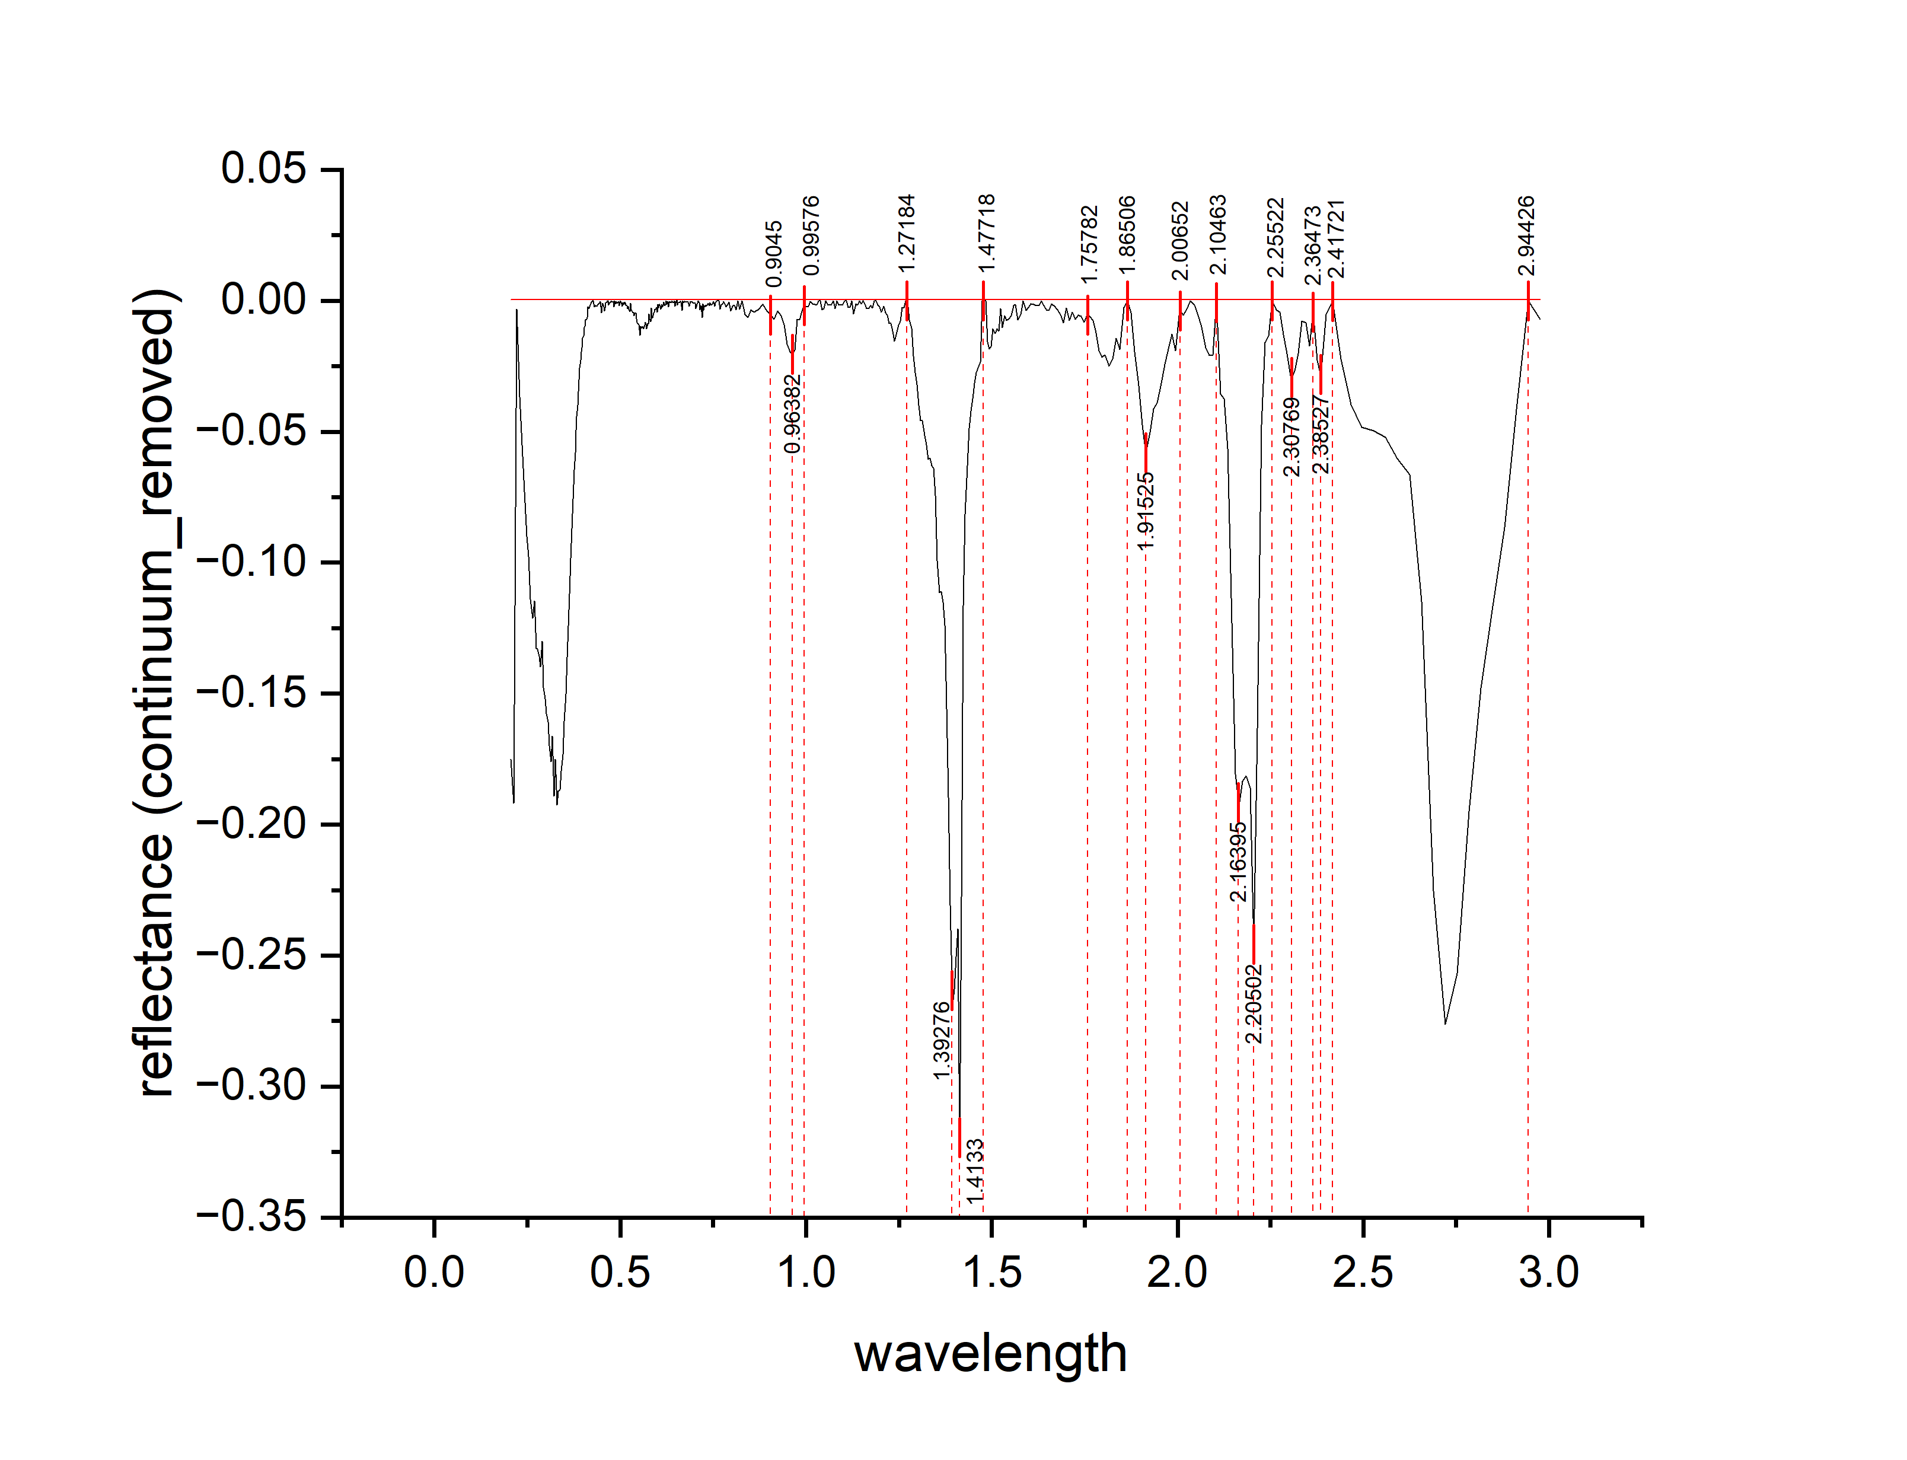
0.3171 | -0.16629 | 0.16629
0.3211 | -0.18916 | 0.18916
0.3251 | -0.17502 | 0.17502
0.3291 | -0.19259 | 0.19259
0.3331 | -0.18726 | 0.18726
0.3371 | -0.18653 | 0.18653
0.3411 | -0.1797 | 0.1797
0.3451 | -0.17327 | 0.17327
0.3491 | -0.16063 | 0.16063
0.3531 | -0.1501 | 0.1501
0.3571 | -0.13617 | 0.13617
0.3606 | -0.12411 | 0.12411
0.3636 | -0.11191 | 0.11191
0.3666 | -0.09841 | 0.09841
0.3696 | -0.08691 | 0.08691
0.3726 | -0.07561 | 0.07561
0.3756 | -0.06461 | 0.06461
0.3786 | -0.05801 | 0.05801
0.3811 | -0.04948 | 0.04948
0.3831 | -0.04422 | 0.04422
0.3851 | -0.03995 | 0.03995
0.3871 | -0.03478 | 0.03478
0.3891 | -0.03012 | 0.03012
0.3911 | -0.02565 | 0.02565
0.3931 | -0.02269 | 0.02269
0.3951 | -0.01952 | 0.01952
0.3971 | -0.01805 | 0.01805
0.3991 | -0.01429 | 0.01429
0.4011 | -0.01342 | 0.01342
0.4031 | -0.01016 | 0.01016
0.4051 | -0.00989 | 0.00989
0.4071 | -0.00732 | 0.00732
0.4091 | -0.00706 | 0.00706
0.4111 | -0.00649 | 0.00649
0.4128 | -0.00241 | 0.00241
0.4158 | -0.00301 | 0.00301
0.4188 | -1.71E-03 | 0.00171
0.4218 | -6.11E-04 | 0.000610823
0.4248 | 1.88E-04 | 0.00018796
0.4278 | 1.87E-04 | 0.000186742
0.4308 | 0.00239 | 0.00239
0.4338 | 0.00188 | 0.00188
0.4368 | 0.00208 | 0.00208
0.4398 | 1.38E-03 | 0.00138
0.4428 | 9.81E-04 | 0.000980653
0.4458 | -4.21E-04 | 0.000420565
0.4488 | -0.00452 | 0.00452
0.4513 | -0.00207 | 0.00207
0.4533 | -0.00106 | 0.00106
0.4553 | -0.00235 | 0.00235
0.4573 | -0.00393 | 0.00393
...

K5
...
wavelength | reflectance (continuum_removed) | DEPTH
0.2931 | -0.01347 | 0.01347 | E1 | 2.16525 |  |  | 0.16092
0.2971 | -0.01236 | 0.01236 | E2 | 2.20551 | 2.10381 | 2.26483 | 0.2103 | 1.1621 | 0.22816 | 1.39026
0.3011 | -0.01105 | 0.01105
0.3051 | -0.01714 | 0.01714 | F1 | 2.31568 |  |  | 0.02142
0.3091 | -0.01704 | 0.01704 | F2 | 2.38559 | 2.26483 | 2.41737 | 0.03514 | 0.180617511 | 0.04795 | 0.228567511
0.3131 | -0.02243 | 0.02243
0.3171 | -0.02612 | 0.02612 | G | 2.75212 | 2.41737 | 2.97669 | 0.19223 | 0.7863 | 0.51749 | 1.30379
0.3211 | -0.02471 | 0.02471
0.3251 | -0.0149 | 0.0149
0.3291 | -0.02909 | 0.02909
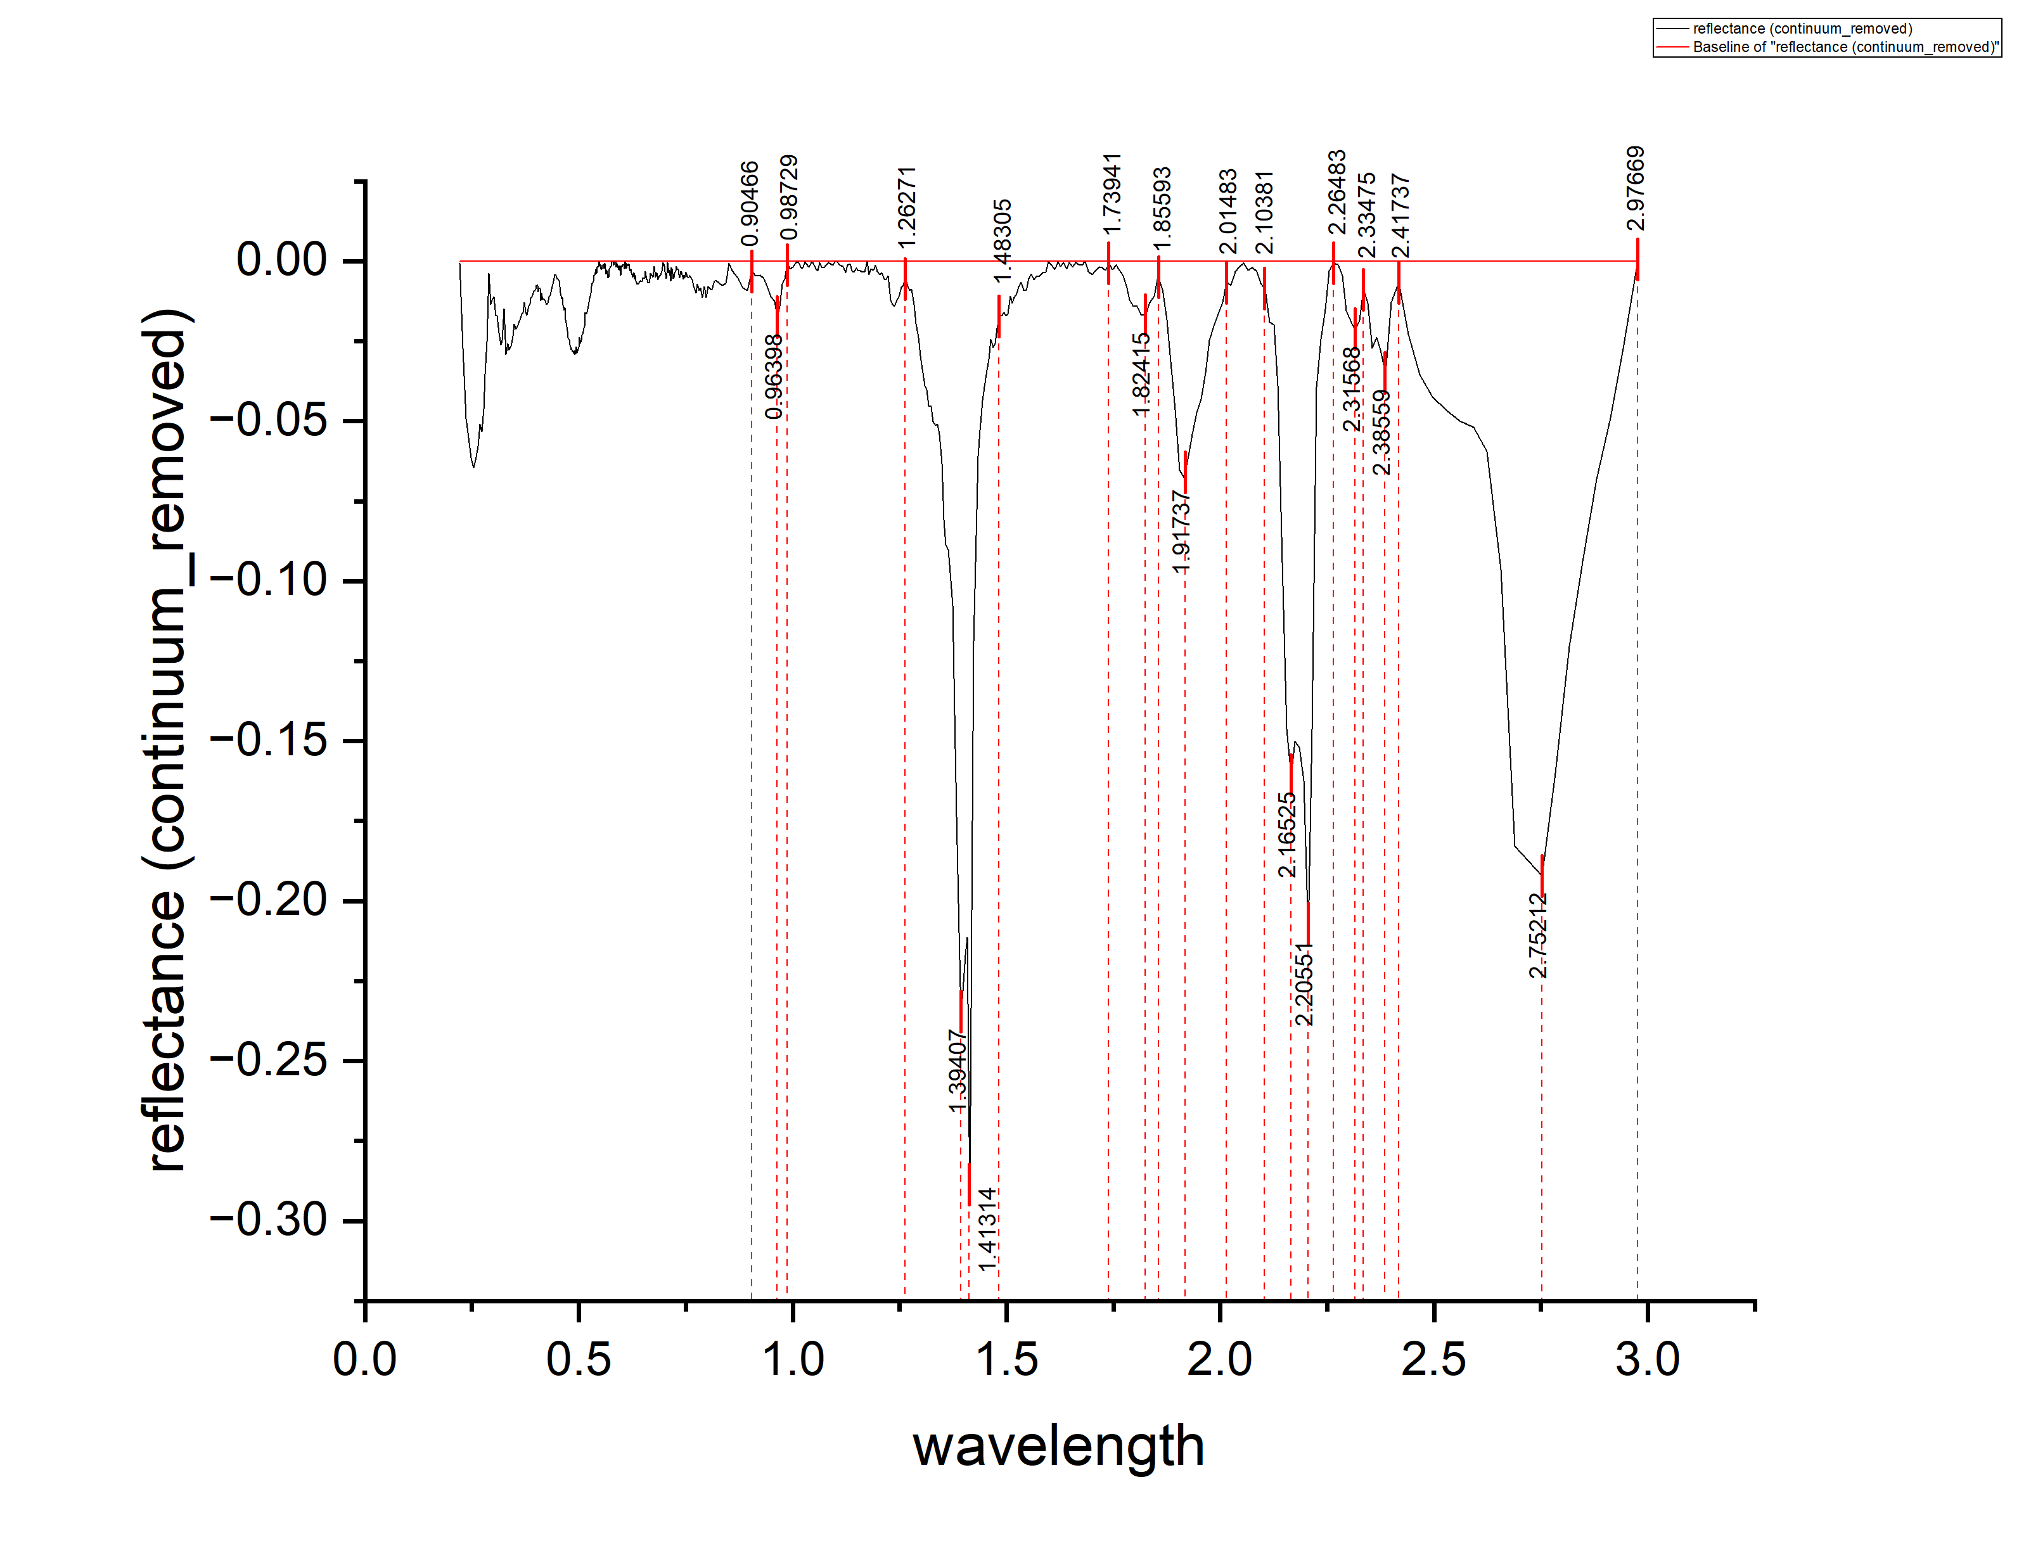
0.3331 | -0.02569 | 0.02569
0.3371 | -0.02778 | 0.02778
0.3411 | -0.02657 | 0.02657
0.3451 | -0.02346 | 0.02346
0.3491 | -0.01955 | 0.01955
0.3531 | -0.02125 | 0.02125
0.3571 | -0.02004 | 0.02004
0.3606 | -0.01887 | 0.01887
0.3636 | -0.01774 | 0.01774
0.3666 | -0.01641 | 0.01641
0.3696 | -0.01598 | 0.01598
0.3726 | -0.01297 | 0.01297
0.3756 | -0.01586 | 0.01586
0.3786 | -0.01694 | 0.01694
0.3811 | -0.01481 | 0.01481
0.3831 | -0.01406 | 0.01406
0.3851 | -0.01322 | 0.01322
0.3871 | -0.01168 | 0.01168
0.3891 | -0.01123 | 0.01123
0.3911 | -0.01069 | 0.01069
0.3931 | -0.00994 | 0.00994
0.3951 | -0.0094 | 0.0094
0.3971 | -0.00915 | 0.00915
0.3991 | -0.00871 | 0.00871
0.4011 | -0.00746 | 0.00746
0.4031 | -0.00752 | 0.00752
0.4051 | -0.00948 | 0.00948
0.4071 | -0.00853 | 0.00853
0.4091 | -0.00859 | 0.00859
0.4111 | -0.01224 | 0.01224
0.4128 | -0.00987 | 0.00987
0.4158 | -0.01185 | 0.01185
0.4188 | -0.01184 | 0.01184
0.4218 | -0.01232 | 0.01232
0.4248 | -0.0134 | 0.0134
0.4278 | -0.01309 | 0.01309
0.4308 | -0.01117 | 0.01117
0.4338 | -0.01045 | 0.01045
0.4368 | -0.00864 | 0.00864
0.4398 | -0.00642 | 0.00642
0.4428 | -0.0042 | 0.0042
0.4458 | -0.00439 | 0.00439
0.4488 | -0.00557 | 0.00557
0.4513 | -0.00552 | 0.00552
0.4533 | -0.00623 | 0.00623
0.4553 | -0.00793 | 0.00793
0.4573 | -0.00994 | 0.00994
0.4593 | -0.01164 | 0.01164
0.4613 | -0.01135 | 0.01135
0.4633 | -0.01375 | 0.01375
0.4653 | -0.01516 | 0.01516
0.4673 | -0.01456 | 0.01456
...

K4
...
wavelength | reflectance (continuum_removed) | DEPTH
0.13532 | -0.01483 | 0.01483
0.13536 | -0.0161 | 0.0161 | D | 1.92666 | 1.86604 | 1.98533 | 0.0212 | 0.11515 | 0.12464 | 0.23979
0.13539 | -0.01748 | 0.01748
0.13543 | -0.01815 | 0.01815 | E | 2.25325 | 2.10463 | 2.33149 | 0.09378 | 0.78674 | 0.4229 | 1.20964
0.13546 | -0.01922 | 0.01922
0.1355 | -0.01969 | 0.01969 | F | 2.36669 | 2.33149 | 2.40776 | 0.00305 | 0.00641 | 0.008643117 | 0.015053117
0.13553 | -0.02046 | 0.02046
0.13557 | -0.02084 | 0.02084 | G | 2.4322 | 2.40776 | 2.47311 | 0.00443 | 0.00532 | 0.006784517 | 0.012104517
0.1356 | -0.02141 | 0.02141
0.13564 | -0.02238 | 0.02238
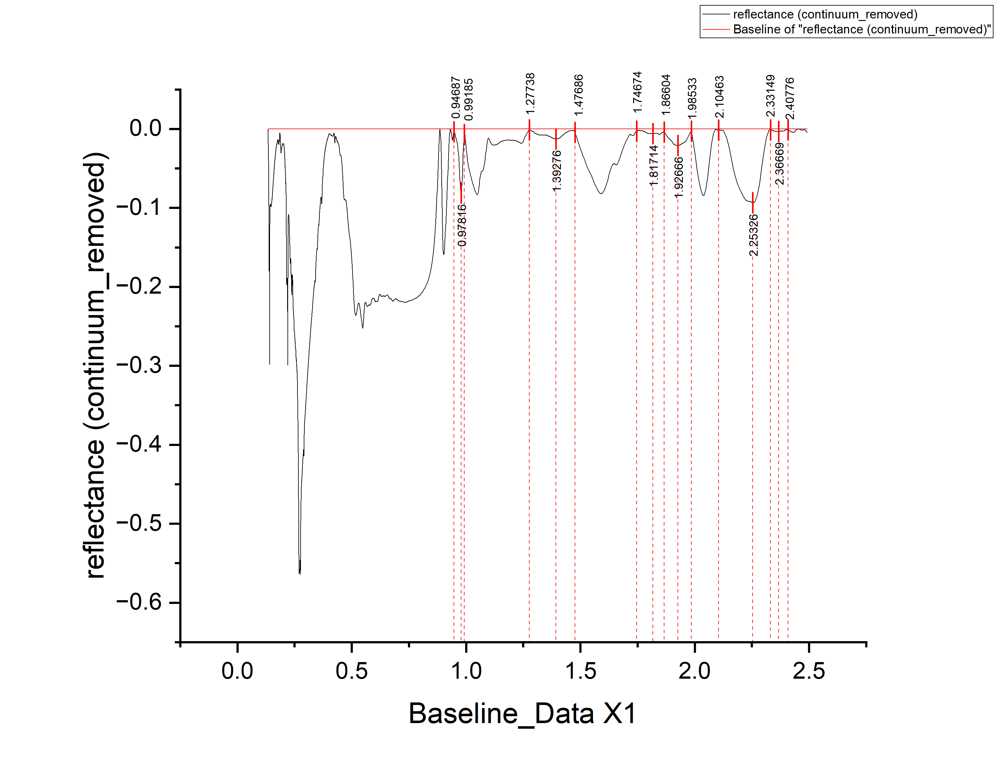
0.13568 | -0.02355 | 0.02355
0.13571 | -0.02372 | 0.02372
0.13575 | -0.02429 | 0.02429
0.13578 | -0.02557 | 0.02557
0.13582 | -0.02654 | 0.02654
0.13585 | -0.02731 | 0.02731
0.13589 | -0.02808 | 0.02808
0.13592 | -0.02985 | 0.02985
0.13596 | -0.02992 | 0.02992
0.136 | -0.0301 | 0.0301
0.13603 | -0.03067 | 0.03067
0.13607 | -0.03174 | 0.03174
0.1361 | -0.03221 | 0.03221
0.13614 | -0.03258 | 0.03258
0.13617 | -0.03255 | 0.03255
0.13621 | -0.03292 | 0.03292
0.13625 | -0.0332 | 0.0332
0.13628 | -0.03347 | 0.03347
0.13632 | -0.03394 | 0.03394
0.13635 | -0.03421 | 0.03421
0.13639 | -0.03458 | 0.03458
0.13643 | -0.03525 | 0.03525
0.13646 | -0.03562 | 0.03562
0.1365 | -0.0354 | 0.0354
0.13653 | -0.03577 | 0.03577
0.13657 | -0.03564 | 0.03564
0.1366 | -0.03581 | 0.03581
0.13664 | -0.03678 | 0.03678
0.13668 | -0.03775 | 0.03775
0.13671 | -0.03842 | 0.03842
0.13675 | -0.0394 | 0.0394
0.13679 | -0.04057 | 0.04057
0.13682 | -0.04204 | 0.04204
0.13686 | -0.04211 | 0.04211
0.13689 | -0.04268 | 0.04268
0.13693 | -0.04355 | 0.04355
0.13697 | -0.04442 | 0.04442
0.137 | -0.04529 | 0.04529
0.13704 | -0.04647 | 0.04647
0.13707 | -0.04694 | 0.04694
0.13711 | -0.04731 | 0.04731
0.13715 | -0.04848 | 0.04848
0.13718 | -0.04955 | 0.04955
0.13722 | -0.04982 | 0.04982
0.13726 | -0.05059 | 0.05059
0.13729 | -0.05216 | 0.05216
0.13733 | -0.05333 | 0.05333
0.13736 | -0.05491 | 0.05491
0.1374 | -0.05648 | 0.05648
0.13744 | -0.05795 | 0.05795
0.13747 | -0.05942 | 0.05942
0.13751 | -0.06079 | 0.06079
...

K6
...
wavelength | reflectance (continuum|_removed) | DEPTH
0.3051 | -0.03734 | 0.03734 | E1 | 2.16314 |  |  | 0.18158
0.3091 | -0.04416 | 0.04416 | E2 | 2.20551 | 2.0572 | 2.25636 | 0.1996 | 1.4444 | 0.2152 | 1.6596
0.3131 | -0.04928 | 0.04928
0.3171 | -0.0576 | 0.0576 | F1 | 2.31568 |  |  | 0.02872
0.3211 | -0.06633 | 0.06633 | F2 | 2.38347 | 2.25636 | 2.41737 | 0.0284 | 0.2204 | 0.04126 | 0.26166
0.3251 | -0.06305 | 0.06305
0.3291 | -0.07577 | 0.07577 | G | 2.72034 | 2.41737 | 2.97458 | 0.19344 | 0.82041 | 0.61278 | 1.43319
0.3331 | -0.06819 | 0.06819
0.3371 | -0.06751 | 0.06751
0.3411 | -0.06613 | 0.06613
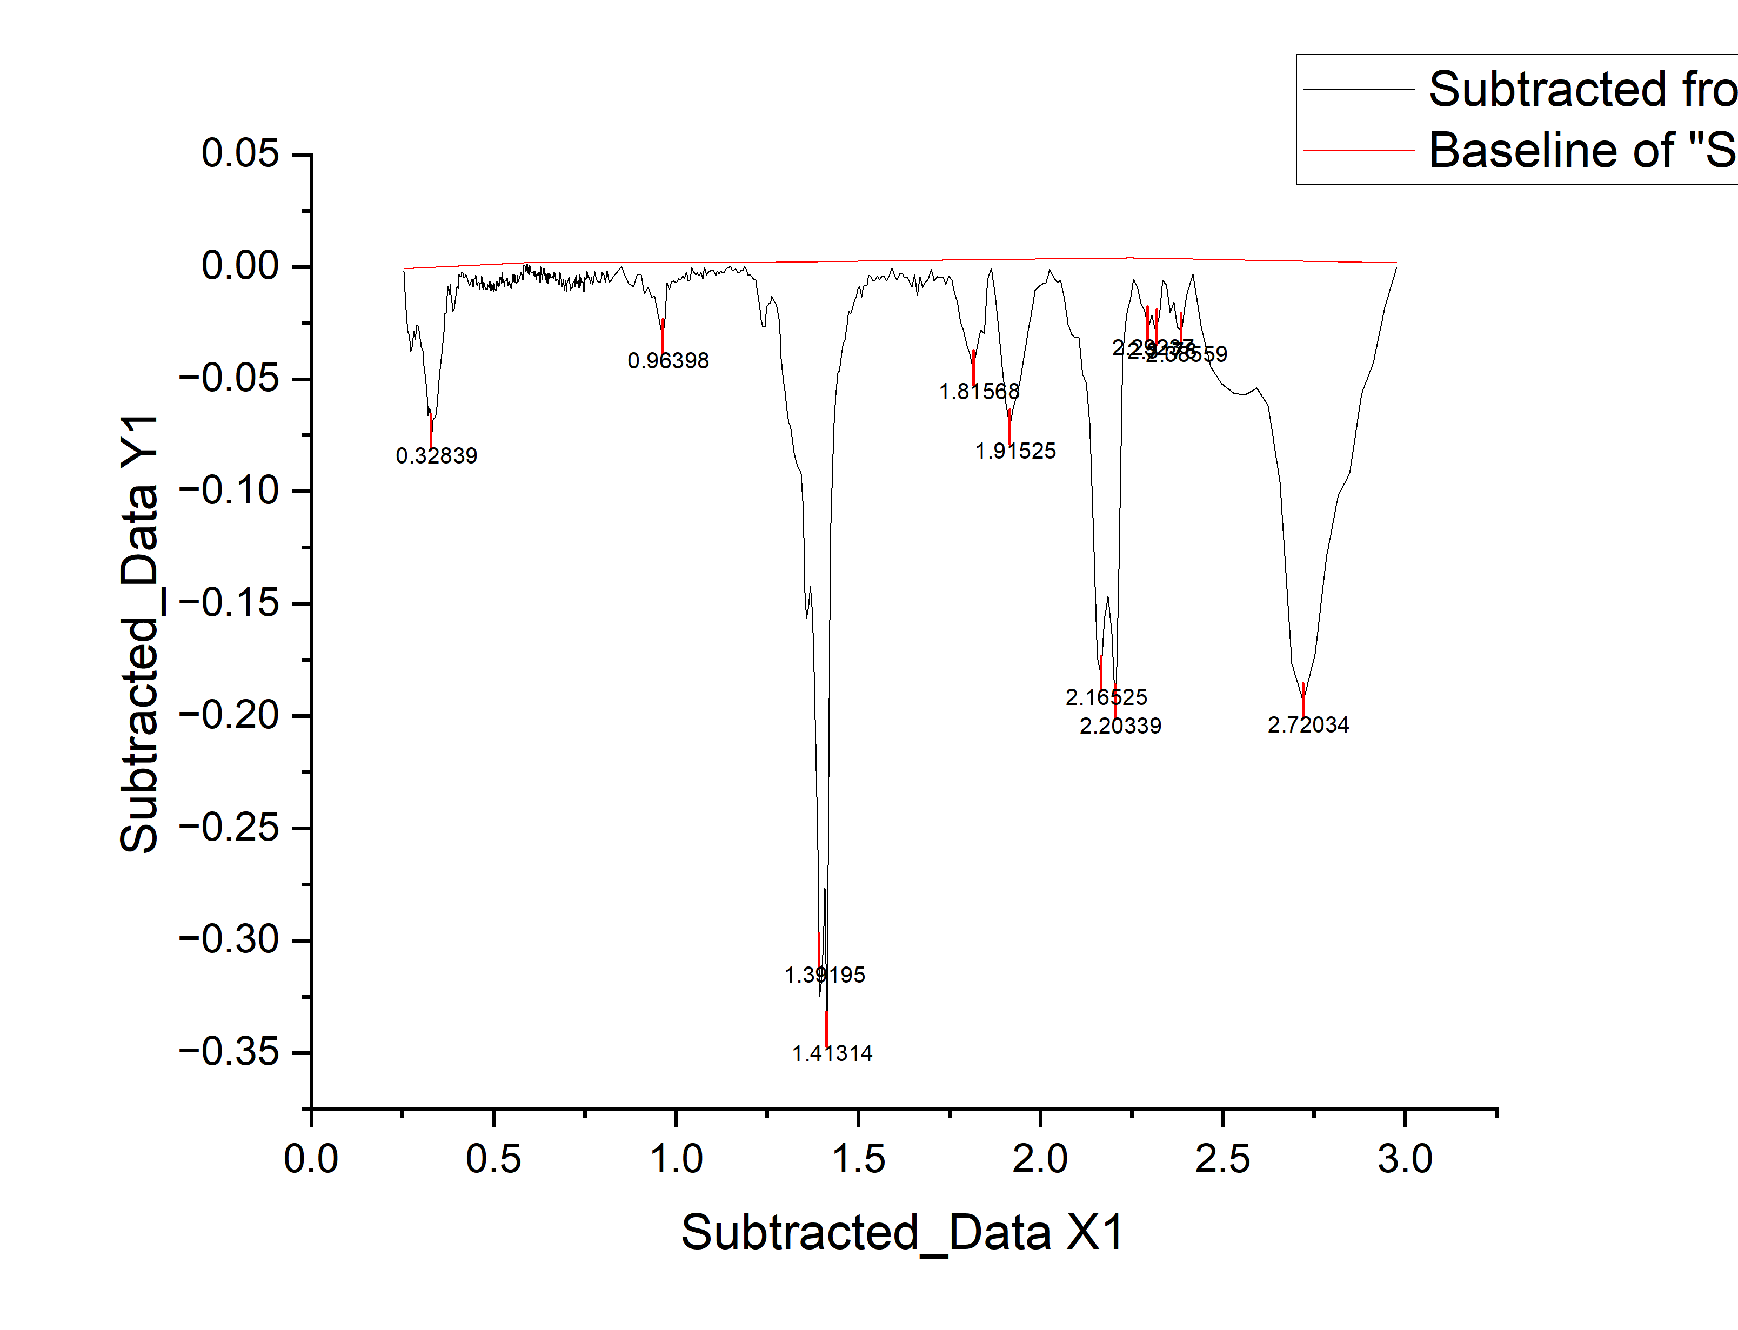
0.3451 | -0.06045 | 0.06045
0.3491 | -0.05243 | 0.05243
0.3531 | -0.04552 | 0.04552
0.3571 | -0.03872 | 0.03872
0.3606 | -0.03395 | 0.03395
0.3636 | -0.02922 | 0.02922
0.3666 | -0.02059 | 0.02059
0.3696 | -0.02066 | 0.02066
0.3726 | -0.01303 | 0.01303
0.3756 | -0.0086 | 0.0086
0.3786 | -0.01227 | 0.01227
0.3811 | -0.00748 | 0.00748
0.3831 | -0.01243 | 0.01243
0.3851 | -0.01588 | 0.01588
0.3871 | -0.01932 | 0.01932
0.3891 | -0.01977 | 0.01977
0.3911 | -0.01878 | 0.01878
0.3931 | -0.01475 | 0.01475
0.3951 | -0.01623 | 0.01623
0.3971 | -0.0097 | 0.0097
0.3991 | -0.00928 | 0.00928
0.4011 | -0.00866 | 0.00866
0.4031 | -0.00963 | 0.00963
0.4051 | -0.00311 | 0.00311
0.4071 | -0.00429 | 0.00429
0.4111 | -0.00404 | 0.00404
0.4128 | -0.00231 | 0.00231
0.4158 | -0.00283 | 0.00283
0.4188 | -0.00464 | 0.00464
0.4218 | -0.00456 | 0.00456
0.4248 | -0.00347 | 0.00347
0.4278 | -0.00499 | 0.00499
0.4308 | -0.0067 | 0.0067
0.4338 | -0.00842 | 0.00842
0.4368 | -0.00743 | 0.00743
0.4398 | -0.00545 | 0.00545
0.4428 | -0.00896 | 0.00896
0.4458 | -0.00528 | 0.00528
0.4488 | -0.00549 | 0.00549
0.4513 | -0.00364 | 0.00364
0.4533 | -0.00791 | 0.00791
0.4553 | -0.00843 | 0.00843
0.4573 | -0.00709 | 0.00709
0.4593 | -0.00715 | 0.00715
0.4613 | -0.0102 | 0.0102
0.4633 | -0.00756 | 0.00756
0.4653 | -0.00742 | 0.00742
0.4673 | -0.00417 | 0.00417
0.4693 | -0.00903 | 0.00903
0.4713 | -0.01029 | 0.01029
0.4733 | -0.00684 | 0.00684
0.4753 | -0.0081 | 0.0081
...

K7
...
wavelength | reflectance (continuum_removede) | DEPTH
0.3131 | -0.08441 | 0.08441 | E1 | 2.16525
0.3171 | -0.0952 | 0.0952 | E2 | 2.20763 | 2.10593 | 2.25424 | 0.14831 | 1.26479 | 0.20497 | 2.41829
0.3211 | -0.10638 | 0.10638
0.3251 | -0.10557 | 0.10557 |  |  |  |  |  |  |  | 0.10281
0.3291 | -0.12076 | 0.12076 | F2 | 2.3178
0.3331 | -0.11565 | 0.11565 | F3 | 2.386 | 2.38559 | 2.41737 | 0.03178 | 0.02943 | 0.04327 | 0.248826731
0.3371 | -0.11744 | 0.11744
0.3411 | -0.11853 | 0.11853 | G | 2.72034 | 2.41737 | 2.97669 | 0.55932 | 0.82675 | 0.61401 | 0.82675
0.3451 | -0.11532 | 0.11532
0.3491 | -0.10641 | 0.10641
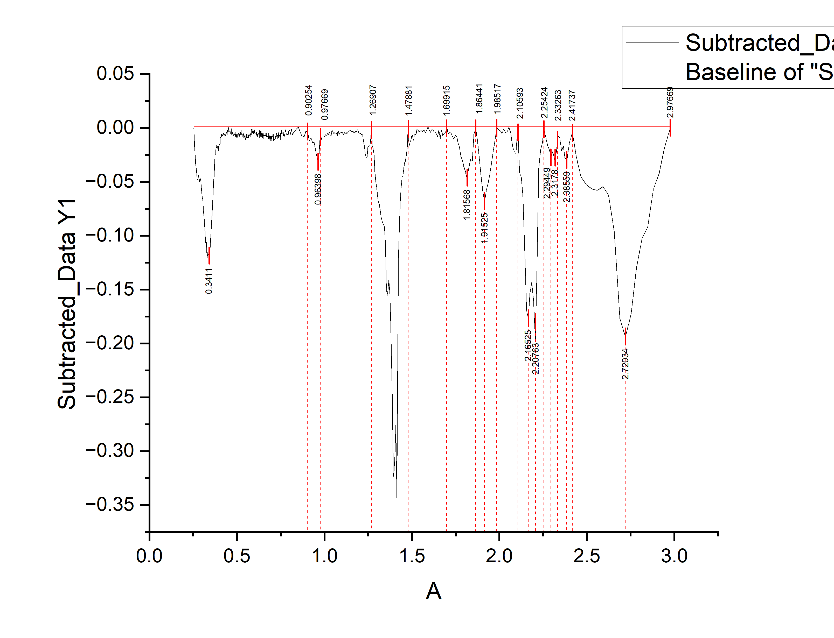
0.3531 | -0.0938 | 0.0938
0.3571 | -0.08129 | 0.08129
0.3606 | -0.07153 | 0.07153
0.3636 | -0.06252 | 0.06252
0.3666 | -0.04961 | 0.04961
0.3696 | -0.0454 | 0.0454
0.3726 | -0.0335 | 0.0335
0.3756 | -0.02479 | 0.02479
0.3786 | -0.02418 | 0.02418
0.3811 | -0.01582 | 0.01582
0.3831 | -0.01792 | 0.01792
0.3851 | -0.01851 | 0.01851
0.3871 | -0.01911 | 0.01911
0.3891 | -0.0167 | 0.0167
0.3911 | -0.0169 | 0.0169
0.3931 | -0.01639 | 0.01639
0.3951 | -0.02138 | 0.02138
0.3971 | -0.01658 | 0.01658
0.3991 | -0.01574 | 0.01574
0.4011 | -0.01471 | 0.01471
0.4031 | -0.01527 | 0.01527
0.4051 | -0.00833 | 0.00833
0.4071 | -0.00909 | 0.00909
0.4111 | -0.00802 | 0.00802
0.4128 | -0.00594 | 0.00594
0.4158 | -0.00583 | 0.00583
0.4188 | -0.00702 | 0.00702
0.4218 | -0.00632 | 0.00632
0.4248 | -0.00461 | 0.00461
0.4278 | -0.0055 | 0.0055
0.4308 | -0.00659 | 0.00659
0.4338 | -0.00769 | 0.00769
0.4368 | -0.00608 | 0.00608
0.4398 | -0.00347 | 0.00347
0.4428 | -0.00636 | 0.00636
0.4458 | -0.00206 | 0.00206
0.4488 | -0.00165 | 0.00165
0.4513 | 7.22E-04 | 0.000722396
0.4533 | -0.00314 | 0.00314
0.4553 | -0.00376 | 0.00376
0.4573 | -0.00253 | 0.00253
0.4593 | -0.00271 | 0.00271
0.4613 | -0.00589 | 0.00589
0.4633 | -0.00336 | 0.00336
0.4653 | -0.00334 | 0.00334
0.4673 | -2.16E-04 | 0.000216342
0.4693 | -0.00519 | 0.00519
0.4713 | -0.00657 | 0.00657
0.4733 | -0.00325 | 0.00325
0.4753 | -0.00462 | 0.00462
0.4773 | -0.0065 | 0.0065
...

K8
...
wavelength | reflectance (continuum_removed) | DEPTH
0.363 | -0.02348 | 0.02348
0.364 | -0.02255 | 0.02255 | E1 | 2.16199
0.365 | -0.02162 | 0.02162 | E2 | 2.2086 | 2.06519 | 2.25342 | 0.20898 | 12.62651 | 1.873791851 | 14.500301851
0.366 | -0.02069 | 0.02069
0.367 | -0.01976 | 0.01976 | F2 | 2.31437 | 2.25342 | 2.33947 | 0.02695 | 0.7387016246 | 0.416614199 | 1.1553158236
0.368 | -0.01893 | 0.01893 | G | 2.38429 | 2.33947 | 2.40759 | 0.03679 | 0.810500499 | 0.44161 | 1.252110499
0.369 | -0.0181 | 0.0181
0.37 | -0.01727 | 0.01727
0.371 | -0.01664 | 0.01664
0.372 | -0.01601 | 0.01601
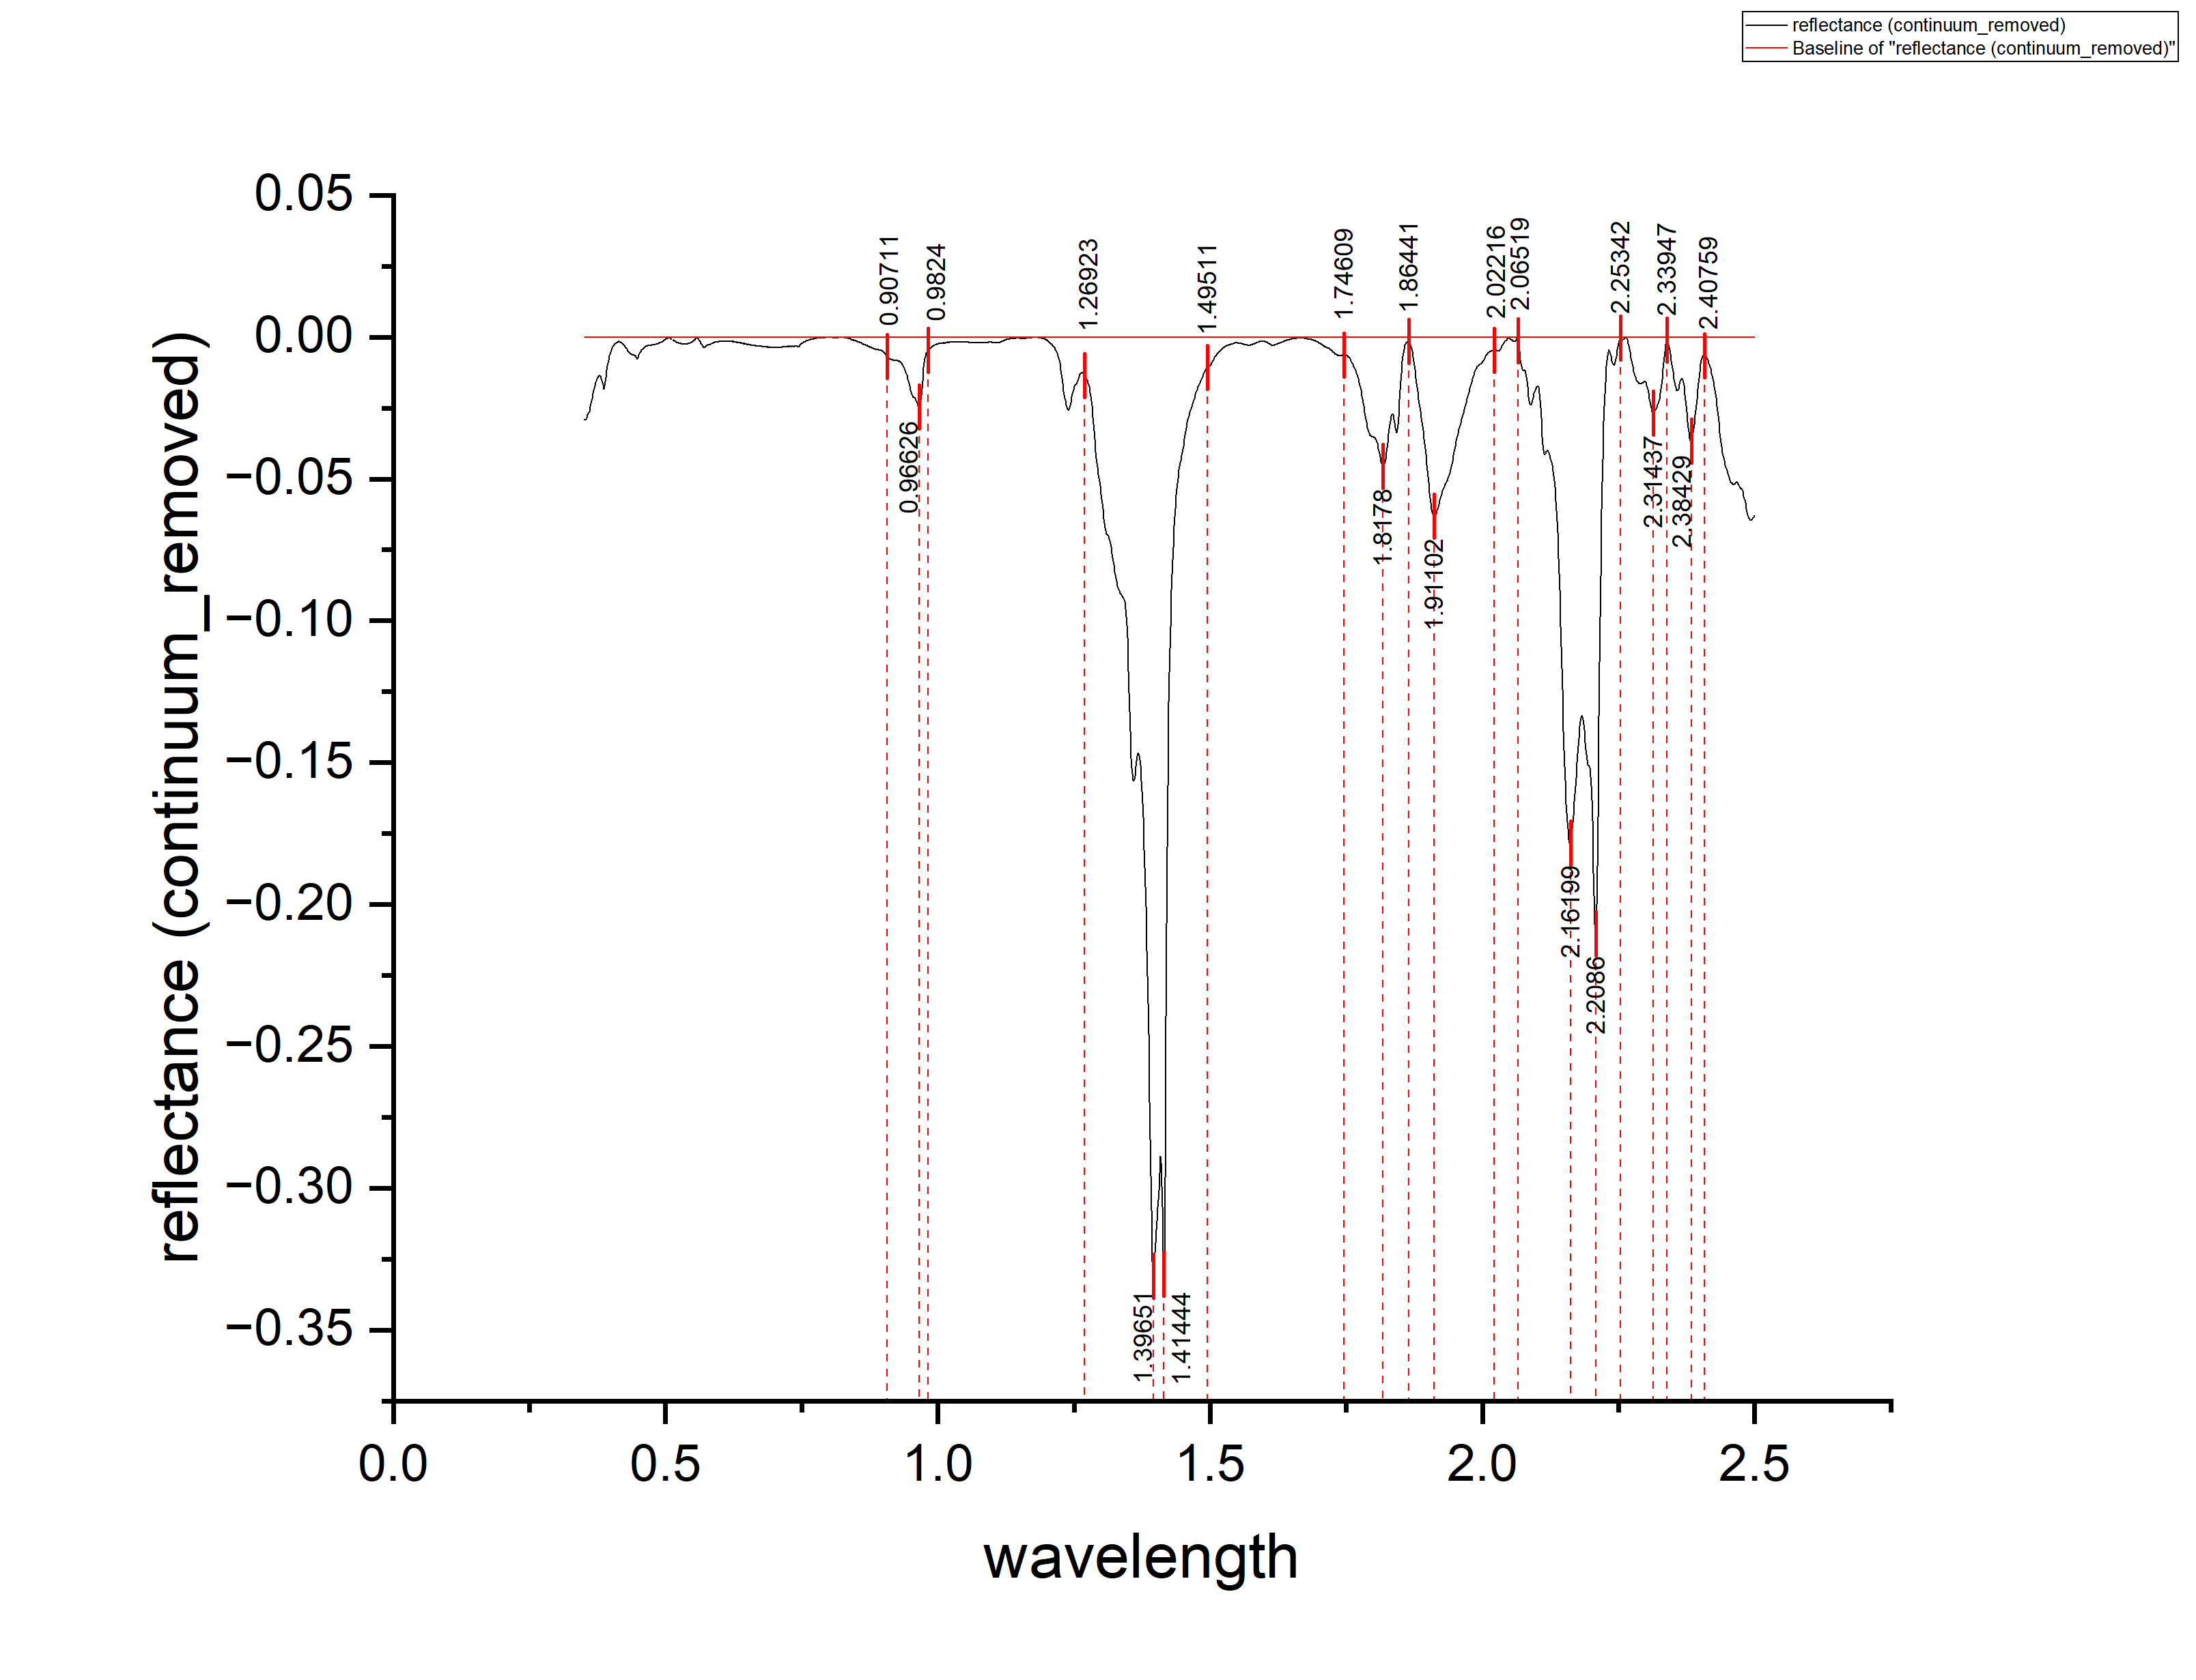
0.373 | -0.01538 | 0.01538
0.374 | -0.01485 | 0.01485
0.375 | -0.01432 | 0.01432
0.376 | -0.01399 | 0.01399
0.377 | -0.01376 | 0.01376
0.378 | -0.01363 | 0.01363
0.379 | -0.0137 | 0.0137
0.38 | -0.01377 | 0.01377
0.381 | -0.01404 | 0.01404
0.382 | -0.01461 | 0.01461
0.383 | -0.01518 | 0.01518
0.384 | -0.01595 | 0.01595
0.385 | -0.01672 | 0.01672
0.386 | -0.01759 | 0.01759
0.387 | -0.01846 | 0.01846
0.388 | -0.01727 | 0.01727
0.389 | -0.01563 | 0.01563
0.39 | -0.0142 | 0.0142
0.391 | -0.01286 | 0.01286
0.392 | -0.01152 | 0.01152
0.393 | -0.01028 | 0.01028
0.394 | -0.00915 | 0.00915
0.395 | -0.00821 | 0.00821
0.396 | -0.00737 | 0.00737
0.397 | -0.00664 | 0.00664
0.398 | -0.0061 | 0.0061
0.399 | -0.00536 | 0.00536
0.4 | -0.00472 | 0.00472
0.401 | -0.00429 | 0.00429
0.402 | -0.00395 | 0.00395
0.403 | -0.00341 | 0.00341
0.404 | -0.00307 | 0.00307
0.405 | -0.00284 | 0.00284
0.406 | -0.0027 | 0.0027
0.407 | -0.00236 | 0.00236
0.408 | -0.00223 | 0.00223
0.409 | -0.00209 | 0.00209
0.41 | -0.00195 | 0.00195
0.411 | -0.00181 | 0.00181
0.412 | -0.00168 | 0.00168
0.413 | -0.00164 | 0.00164
0.414 | -0.0016 | 0.0016
0.415 | -0.00166 | 0.00166
0.416 | -0.00173 | 0.00173
0.417 | -0.00179 | 0.00179
0.418 | -0.00195 | 0.00195
0.419 | -0.00202 | 0.00202
0.42 | -0.00218 | 0.00218
0.421 | -0.00234 | 0.00234
0.422 | -0.0025 | 0.0025
0.423 | -0.00277 | 0.00277
0.424 | -0.00293 | 0.00293
...

K10
...
wavelength | reflecance (continuum_removed) | DEPTH
0.13546 | -0.035 | 0.035 | F | 2.28064 | 2.25522 | 2.40189 | 0.00405 | 0.00787 | 0.0101639343 | 0.0180339343
0.1355 | -0.03602 | 0.03602
0.13553 | -0.03694 | 0.03694 | G | 2.42145 | 2.40189 | 2.47034 | 0.0029 | 0.00171 | 0.01091 | 0.01262
0.13557 | -0.03746 | 0.03746
0.1356 | -0.03788 | 0.03788
0.13564 | -0.03811 | 0.03811
0.13568 | -0.03863 | 0.03863
0.13571 | -0.03915 | 0.03915
0.13575 | -0.04037 | 0.04037
0.13578 | -0.04099 | 0.04099
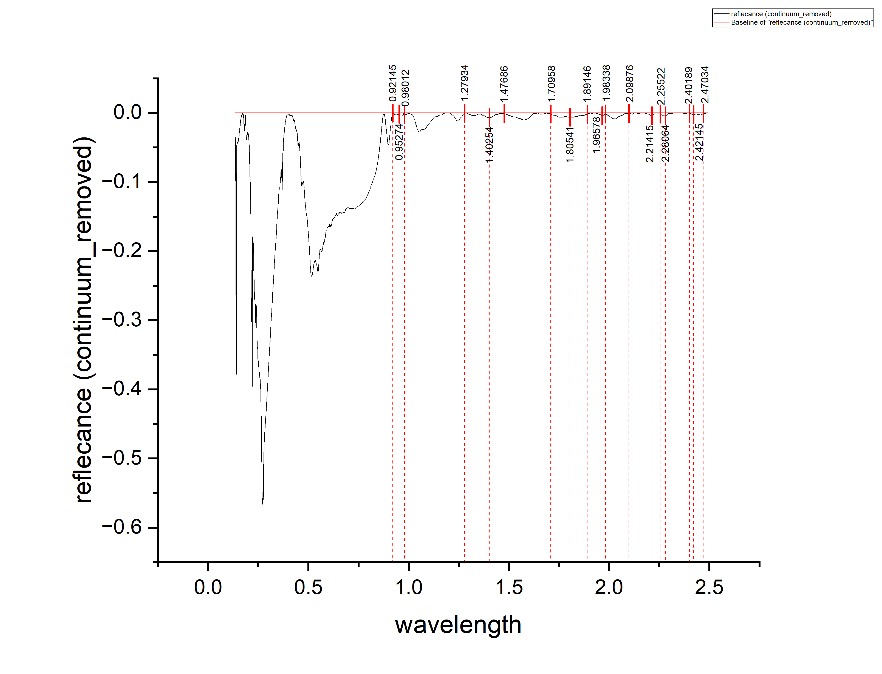
0.13582 | -0.04141 | 0.04141
0.13585 | -0.04223 | 0.04223
0.13589 | -0.04285 | 0.04285
0.13592 | -0.04377 | 0.04377
0.13596 | -0.0451 | 0.0451
0.136 | -0.04602 | 0.04602
0.13603 | -0.04624 | 0.04624
0.13607 | -0.04526 | 0.04526
0.1361 | -0.04488 | 0.04488
0.13614 | -0.0446 | 0.0446
0.13617 | -0.04372 | 0.04372
0.13621 | -0.04304 | 0.04304
0.13625 | -0.04357 | 0.04357
0.13628 | -0.04439 | 0.04439
0.13632 | -0.04401 | 0.04401
0.13635 | -0.04363 | 0.04363
0.13639 | -0.04285 | 0.04285
0.13643 | -0.04157 | 0.04157
0.13646 | -0.03989 | 0.03989
0.1365 | -0.03861 | 0.03861
0.13653 | -0.03804 | 0.03804
0.13657 | -0.03786 | 0.03786
0.1366 | -0.03748 | 0.03748
0.13664 | -0.0371 | 0.0371
0.13668 | -0.03672 | 0.03672
0.13671 | -0.03694 | 0.03694
0.13675 | -0.03686 | 0.03686
0.13679 | -0.03729 | 0.03729
0.13682 | -0.03821 | 0.03821
0.13686 | -0.03953 | 0.03953
0.13689 | -0.04185 | 0.04185
0.13693 | -0.04307 | 0.04307
0.13697 | -0.04349 | 0.04349
0.137 | -0.04391 | 0.04391
0.13704 | -0.04384 | 0.04384
0.13707 | -0.04396 | 0.04396
0.13711 | -0.04438 | 0.04438
0.13715 | -0.0454 | 0.0454
0.13718 | -0.04632 | 0.04632
0.13722 | -0.04634 | 0.04634
0.13726 | -0.04766 | 0.04766
0.13729 | -0.04939 | 0.04939
0.13733 | -0.05071 | 0.05071
0.13736 | -0.05213 | 0.05213
0.1374 | -0.05395 | 0.05395
0.13744 | -0.05587 | 0.05587
0.13747 | -0.05709 | 0.05709
0.13751 | -0.05872 | 0.05872
0.13755 | -0.06084 | 0.06084
0.13758 | -0.06186 | 0.06186
0.13762 | -0.06298 | 0.06298
0.13766 | -0.0645 | 0.0645
...

K11
...
wavelength | reflectance (continuum_removed) | DEPTH
0.3211 | -0.11973 | 0.11973
0.3251 | -0.11808 | 0.11808 | E1 | 2.16525 |  |  | 0.1908
0.3291 | -0.13214 | 0.13214 | E2 | 2.20551 | 2.06568 | 2.26271 | 0.22709 | 1.418 | 0.23213 | 1.65013
0.3331 | -0.1267 | 0.1267
0.3371 | -0.11936 | 0.11936 | F1 | 2.31568 |  |  | 0.02884
0.3411 | -0.12121 | 0.12121 | F2 | 2.38559 | 2.26271 | 2.41737 | 0.03363 | 0.20367 | 0.04663 | 0.2503
0.3451 | -0.11647 | 0.11647
0.3491 | -0.10843 | 0.10843 | G | 2.72034 | 2.41737 | 2.97458 | 0.29426 | 1.12967 | 0.96571 | 2.09538
0.3531 | -0.09959 | 0.09959
0.3571 | -0.08744 | 0.08744
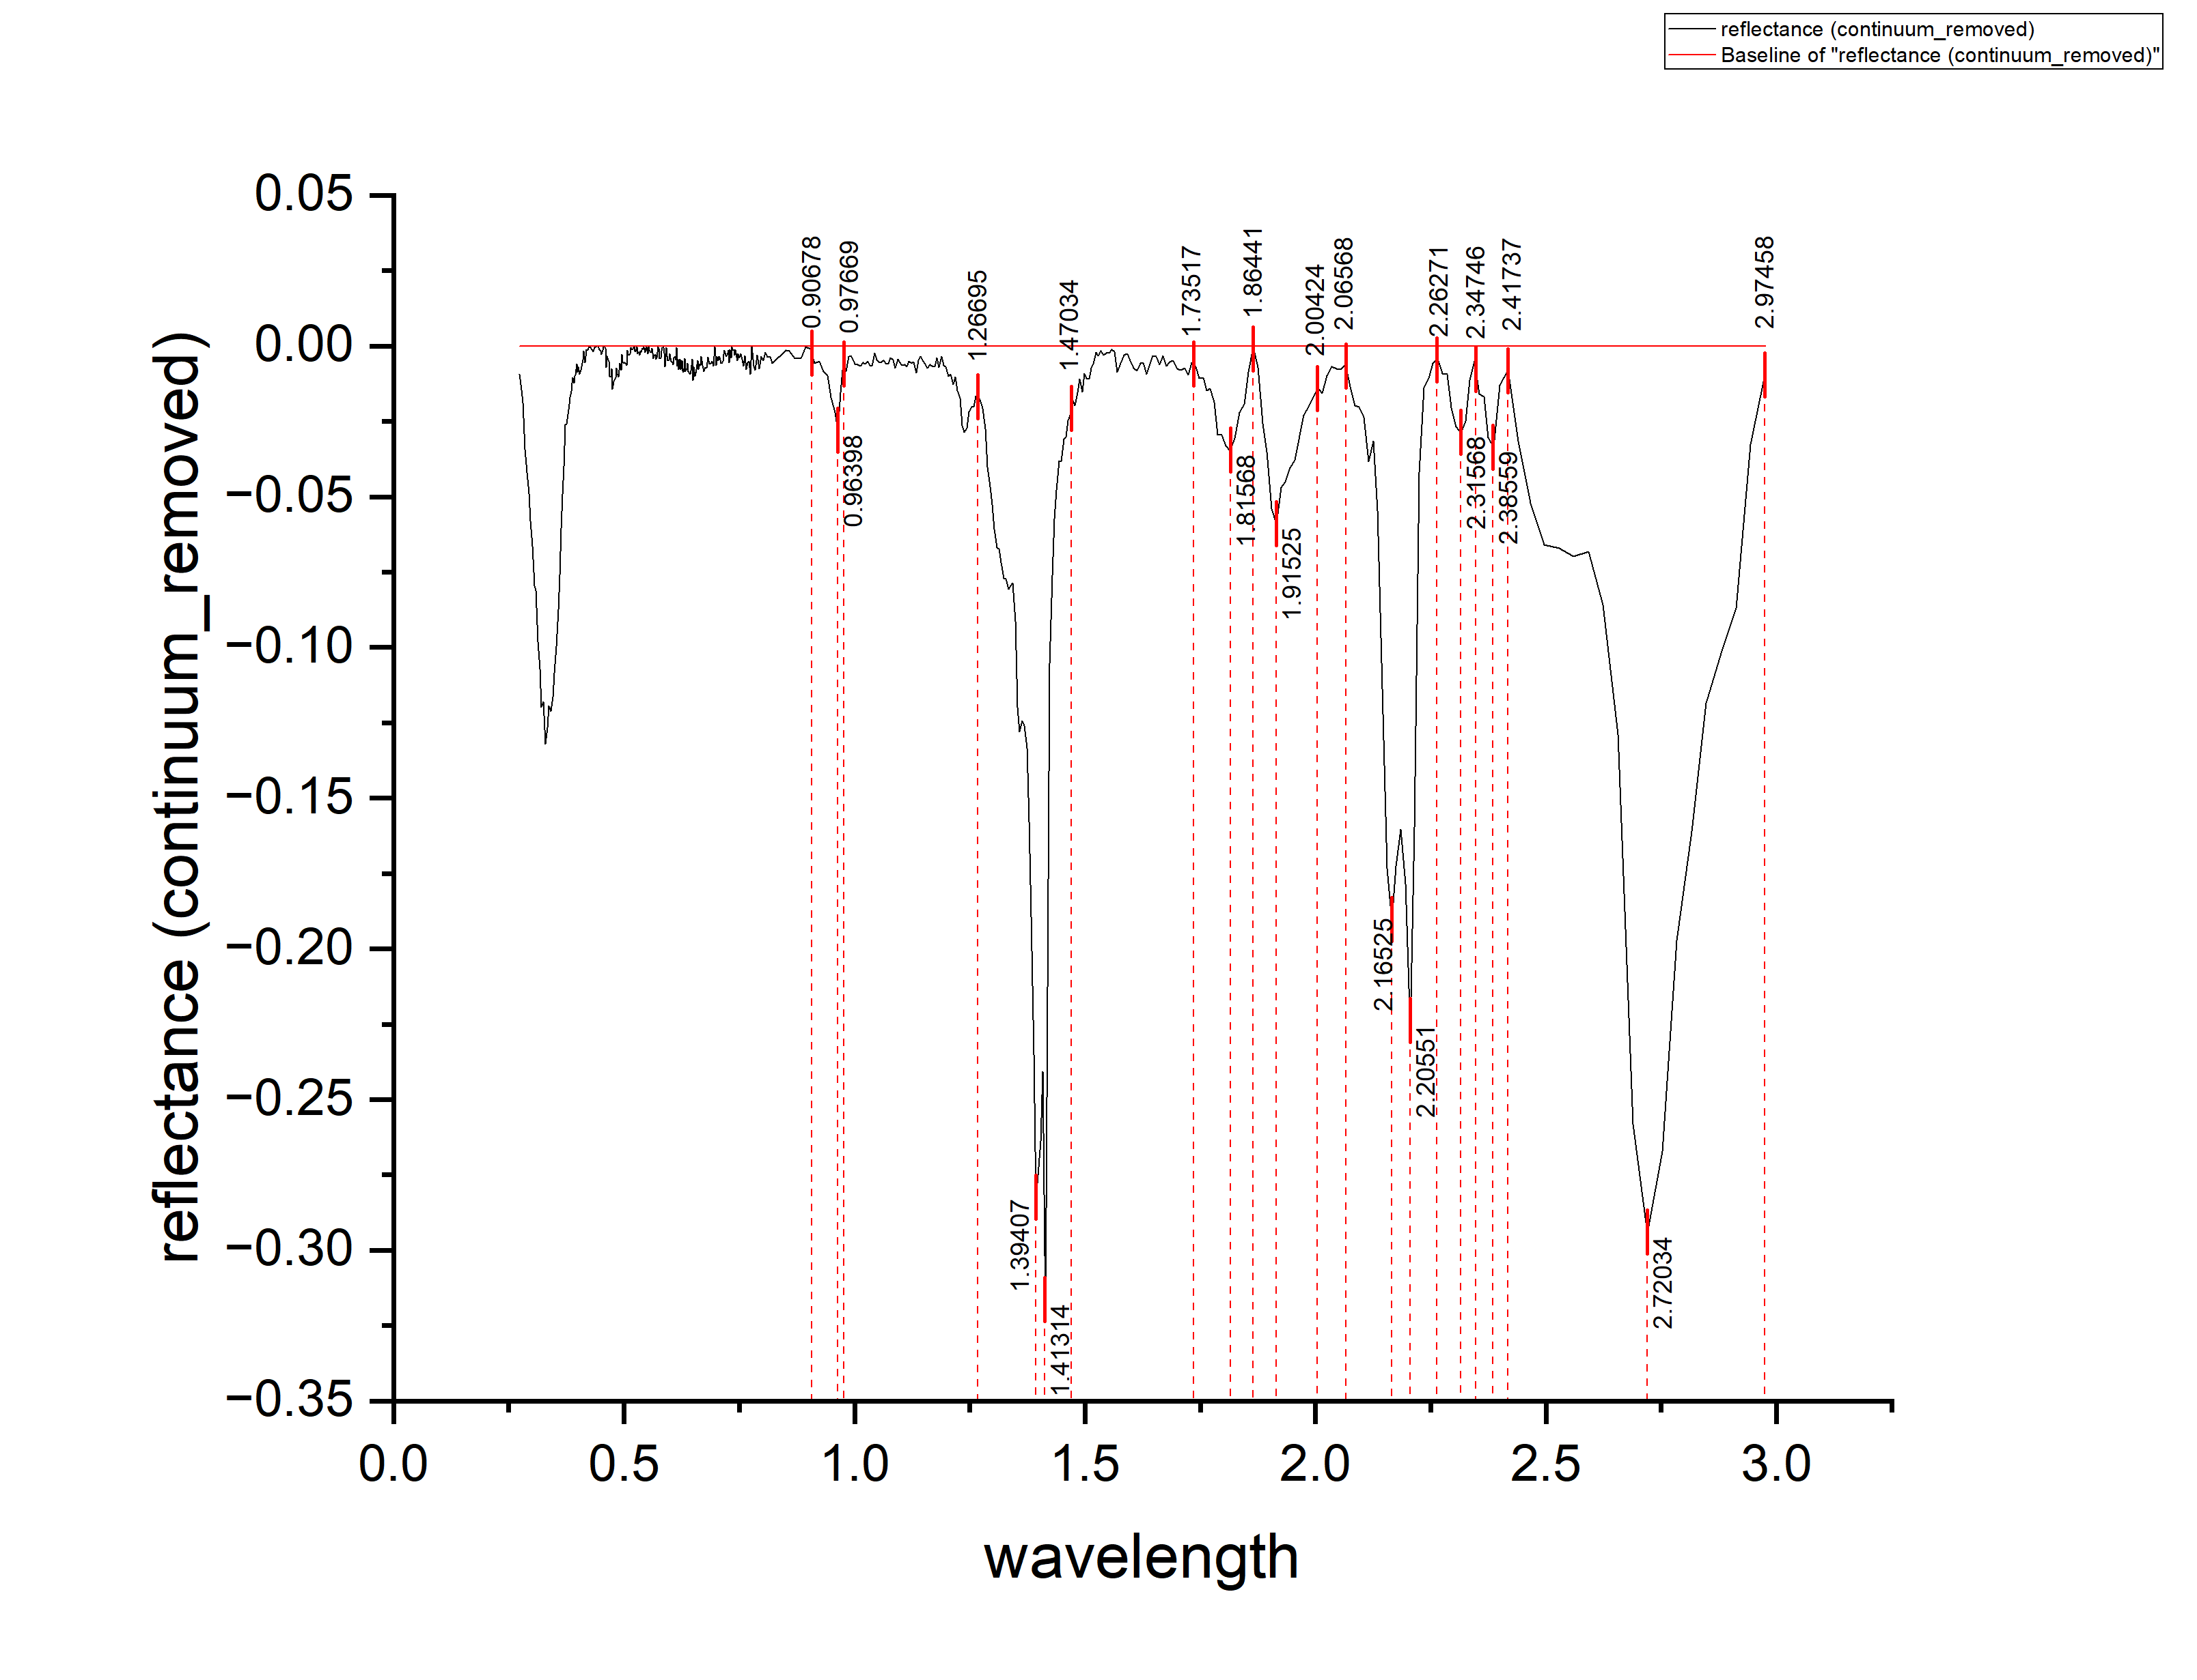
0.3606 | -0.07602 | 0.07602
0.3636 | -0.06051 | 0.06051
0.3666 | -0.04931 | 0.04931
0.3696 | -0.0399 | 0.0399
0.3726 | -0.02609 | 0.02609
0.3756 | -0.02599 | 0.02599
0.3786 | -0.02278 | 0.02278
0.3811 | -0.01939 | 0.01939
0.3831 | -0.01712 | 0.01712
0.3851 | -0.01495 | 0.01495
0.3871 | -0.01238 | 0.01238
0.3891 | -0.01041 | 0.01041
0.3911 | -0.01233 | 0.01233
0.3931 | -0.01006 | 0.01006
0.3951 | -0.00969 | 0.00969
0.3971 | -0.00602 | 0.00602
0.3991 | -0.00865 | 0.00865
0.4011 | -0.00688 | 0.00688
0.4031 | -0.00931 | 0.00931
0.4051 | -0.00872 | 0.00872
0.4071 | -0.00812 | 0.00812
0.4111 | -0.00471 | 0.00471
0.4128 | -0.00163 | 0.00163
0.4158 | -0.00553 | 0.00553
0.4188 | -0.00132 | 0.00132
0.4218 | -0.00148 | 0.00148
0.4248 | -1.11E-04 | 0.000111389
0.4278 | -6.06E-04 | 0.000606316
0.4308 | -0.0012 | 0.0012
0.4338 | -0.0019 | 0.0019
0.4368 | -6.09E-04 | 0.000608906
0.4398 | 0 | 0
0.4428 | -1.19E-04 | 0.000119053
0.4458 | -0.00112 | 0.00112
0.4488 | -0.00163 | 0.00163
0.4513 | -0.00283 | 0.00283
0.4533 | -0.00144 | 0.00144
0.4553 | -2.60E-04 | 0.000259806
0.4573 | -5.64E-05 | 5.64231E-05
0.4593 | -7.53E-04 | 0.000753041
0.4613 | -0.00705 | 0.00705
0.4633 | -0.00315 | 0.00315
0.4653 | -0.00464 | 0.00464
0.4673 | -0.00504 | 0.00504
0.4693 | -0.00994 | 0.00994
0.4713 | -0.01033 | 0.01033
0.4733 | -0.00753 | 0.00753
0.4753 | -0.01433 | 0.01433
0.4773 | -0.01194 | 0.01194
0.4793 | -0.01151 | 0.01151
0.4813 | -0.01039 | 0.01039
0.4833 | -0.00736 | 0.00736
...

K12
...
wavelength | reflectance (continuum_removed) | DEPTH
0.16135 | -0.01528 | 0.01528 | E | 2.18872 | 2.10267 | 2.22001 | 0.00199 | 0.008733611 | 0.0017843626 | 0.0105179736
0.1614 | -0.01465 | 0.01465
0.16145 | -0.01412 | 0.01412 | F | 2.25913 | 2.22001 | 2.29628 | 0.004 | 0.0121 | 0.010571756 | 0.022671756
0.1615 | -0.01379 | 0.01379
0.16155 | -0.01435 | 0.01435 | G | 2.34518 | 2.29628 | 2.39798 | 0.00221 | 0.005339085 | 0.00945 | 0.014789085
0.1616 | -0.01342 | 0.01342
0.16165 | -0.01299 | 0.01299
0.1617 | -0.01286 | 0.01286
0.16175 | -0.01323 | 0.01323
0.1618 | -0.0134 | 0.0134
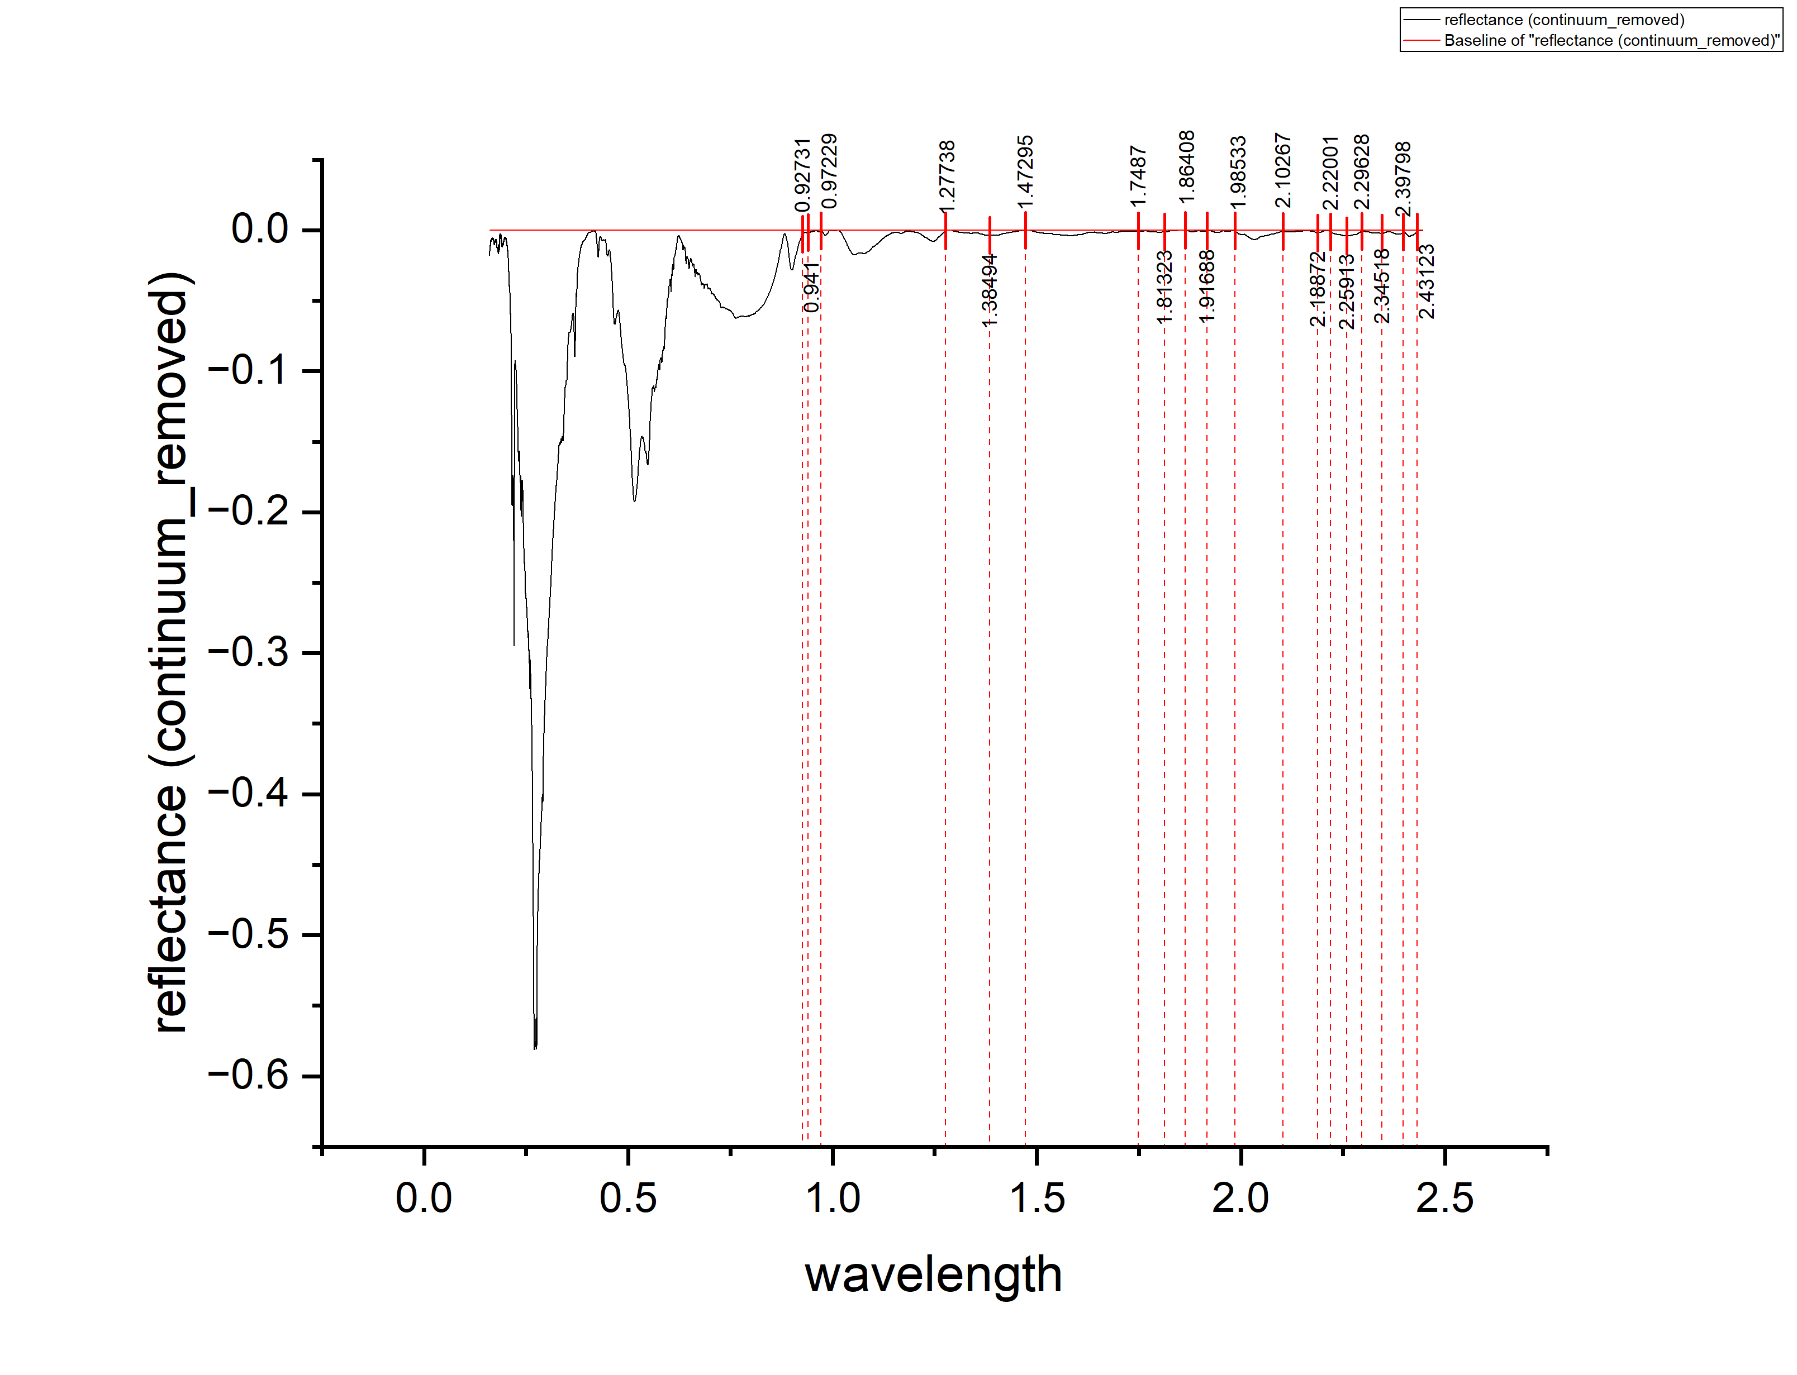
0.16185 | -0.01317 | 0.01317
0.1619 | -0.01254 | 0.01254
0.16195 | -0.01311 | 0.01311
0.162 | -0.01348 | 0.01348
0.16206 | -0.01335 | 0.01335
0.16211 | -0.01252 | 0.01252
0.16216 | -0.01199 | 0.01199
0.16221 | -0.01176 | 0.01176
0.16226 | -0.01173 | 0.01173
0.16231 | -0.0119 | 0.0119
0.16236 | -0.01207 | 0.01207
0.16241 | -0.01174 | 0.01174
0.16246 | -0.01191 | 0.01191
0.16251 | -0.01158 | 0.01158
0.16256 | -0.01105 | 0.01105
0.16261 | -0.01062 | 0.01062
0.16267 | -0.01099 | 0.01099
0.16272 | -0.01127 | 0.01127
0.16277 | -0.01104 | 0.01104
0.16282 | -0.01081 | 0.01081
0.16287 | -0.01068 | 0.01068
0.16292 | -0.00995 | 0.00995
0.16297 | -0.01012 | 0.01012
0.16302 | -0.01009 | 0.01009
0.16308 | -0.00997 | 0.00997
0.16313 | -0.00974 | 0.00974
0.16318 | -0.01001 | 0.01001
0.16323 | -0.00958 | 0.00958
0.16328 | -0.00956 | 0.00956
0.16333 | -0.00953 | 0.00953
0.16338 | -0.0099 | 0.0099
0.16343 | -0.00947 | 0.00947
0.16349 | -0.00875 | 0.00875
0.16354 | -0.00842 | 0.00842
0.16359 | -0.00869 | 0.00869
0.16364 | -0.00837 | 0.00837
0.16369 | -0.00834 | 0.00834
0.16374 | -0.00821 | 0.00821
0.1638 | -0.00769 | 0.00769
0.16385 | -0.00766 | 0.00766
0.1639 | -0.00803 | 0.00803
0.16395 | -0.00771 | 0.00771
0.164 | -0.00738 | 0.00738
0.16406 | -0.00725 | 0.00725
0.16411 | -0.00723 | 0.00723
0.16416 | -0.0072 | 0.0072
0.16421 | -0.00768 | 0.00768
0.16426 | -0.00785 | 0.00785
0.16432 | -0.00733 | 0.00733
0.16437 | -0.0072 | 0.0072
0.16442 | -0.00738 | 0.00738
...

K13
...
wavelength | reflectance (continuum_removed) | DEPTH
0.2891 | -0.0198 | 0.0198 | E1 | 2.16525 |  |  | 0.19743
0.2931 | -0.01795 | 0.01795 | E2 | 2.20551 | 2.10381 | 2.25847 | 0.24225 | 1.41519 | 0.21673 | 1.63192
0.2971 | -0.01309 | 0.01309
0.3011 | -0.01383 | 0.01383 | F1 | 2.31568 |  |  | 0.03284
0.3051 | -0.01418 | 0.01418 | F2 | 2.38347 | 2.25847 | 2.41737 | 0.03271 | 0.19231 | 0.03791 | 0.23022
0.3091 | -0.01122 | 0.01122
0.3131 | -0.00867 | 0.00867
0.3171 | -0.01543 | 0.01543
0.3211 | -0.03252 | 0.03252
0.3251 | -0.04292 | 0.04292
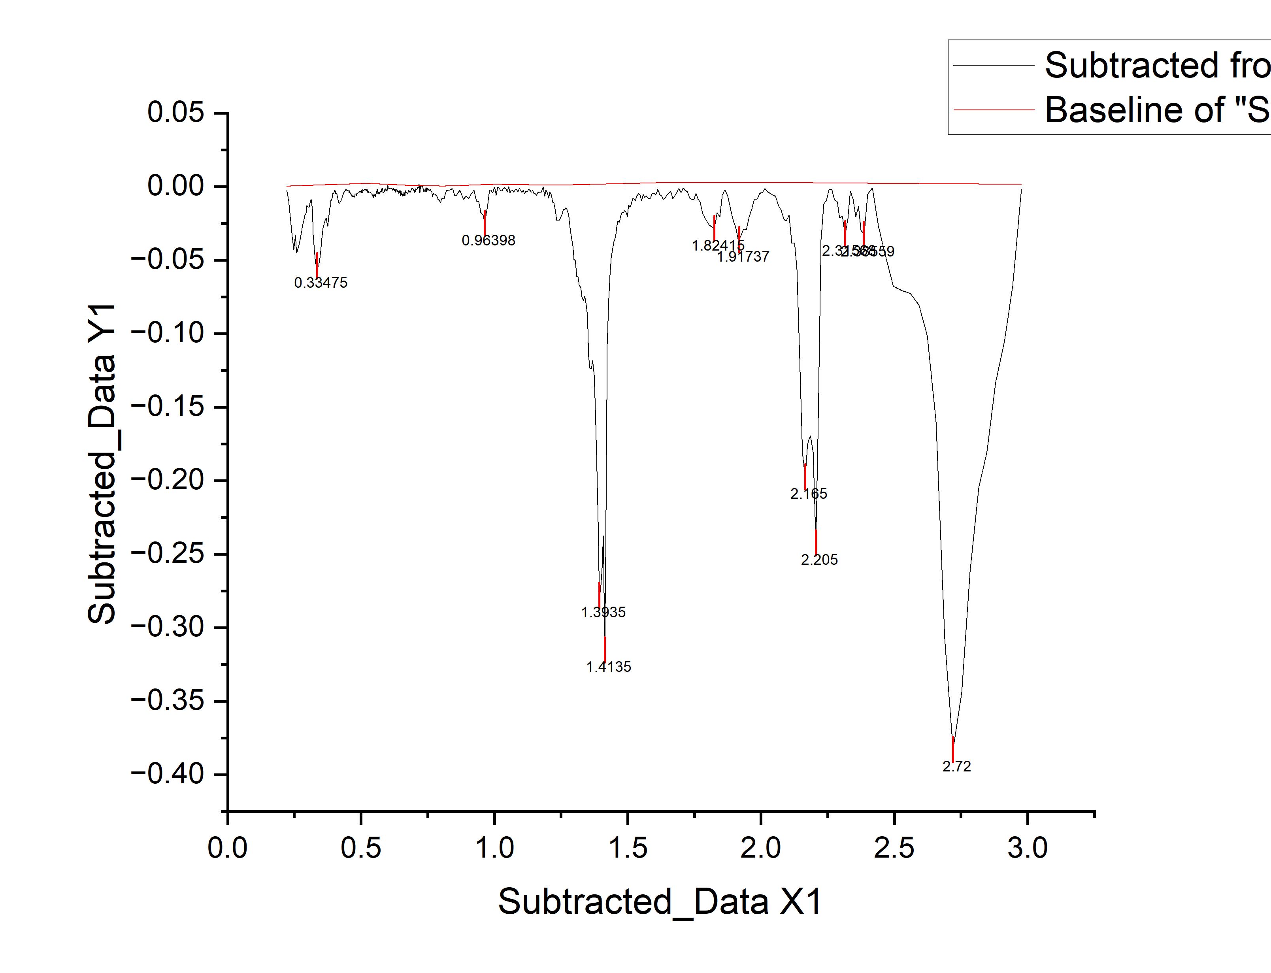
0.3291 | -0.05252 | 0.05252
0.3331 | -0.05292 | 0.05292
0.3371 | -0.05482 | 0.05482
0.3411 | -0.05382 | 0.05382
0.3451 | -0.04882 | 0.04882
0.3491 | -0.04402 | 0.04402
0.3531 | -0.03512 | 0.03512
0.3571 | -0.02799 | 0.02799
0.3606 | -0.02602 | 0.02602
0.3636 | -0.0241 | 0.0241
0.3666 | -0.02239 | 0.02239
0.3696 | -0.02128 | 0.02128
0.3726 | -0.02447 | 0.02447
0.3756 | -0.02698 | 0.02698
0.3786 | -0.02135 | 0.02135
0.3811 | -0.01767 | 0.01767
0.3831 | -0.01482 | 0.01482
0.3851 | -0.01287 | 0.01287
0.3871 | -0.00952 | 0.00952
0.3891 | -0.00937 | 0.00937
0.3911 | -0.00752 | 0.00752
0.3931 | -0.00577 | 0.00577
0.3951 | -0.00452 | 0.00452
0.3971 | -0.00457 | 0.00457
0.3991 | -0.00362 | 0.00362
0.4011 | -0.00237 | 0.00237
0.4031 | -0.00302 | 0.00302
0.4051 | -0.00487 | 0.00487
0.4071 | -0.00462 | 0.00462
0.4091 | -0.00517 | 0.00517
0.4111 | -0.00642 | 0.00642
0.4128 | -0.00739 | 0.00739
0.4158 | -0.01047 | 0.01047
0.4188 | -0.01144 | 0.01144
0.4218 | -0.0106 | 0.0106
0.4248 | -0.00986 | 0.00986
0.4278 | -0.00883 | 0.00883
0.4308 | -0.00609 | 0.00609
0.4338 | -0.00555 | 0.00555
0.4368 | -0.00392 | 0.00392
0.4398 | -0.00288 | 0.00288
0.4428 | -0.00195 | 0.00195
0.4458 | -0.00241 | 0.00241
0.4488 | -0.00267 | 0.00267
0.4513 | -0.00209 | 0.00209
0.4533 | -0.00237 | 0.00237
...

K14
...
wavelength | reflectance (continuum_removed) | DEPTH
0.36 | -0.01378 | 0.01378 | D | 1.91281 | 1.86441 | 1.98631 | 0.02544 | 0.62016 | 1.2387 | 1.85886
0.361 | -0.01333 | 0.01333
0.362 | -0.01307 | 0.01307 | E1 | 2.16199 |  |  | 0.17216
0.363 | -0.01272 | 0.01272 | E2 | 2.2104 | 2.10284 | 2.2337 | 0.23393 | 12.03785 | 1.46961 | 13.50746
0.364 | -0.01237 | 0.01237
0.365 | -0.01211 | 0.01211 | F1 | 2.31437 |  |  | 0.03105
0.366 | -0.01196 | 0.01196 | F2 | 2.3825 | 2.2337 | 2.41656 | 0.04488 | 2.43751 | 0.576823662 | 3.014333662
0.367 | -0.01191 | 0.01191
0.368 | -0.01185 | 0.01185 | G | 2.44703 | 2.41656 | 2.499 | 0.02081 | 0.2913135946 | 0.67656 | 0.9678735946
0.369 | -0.0118 | 0.0118
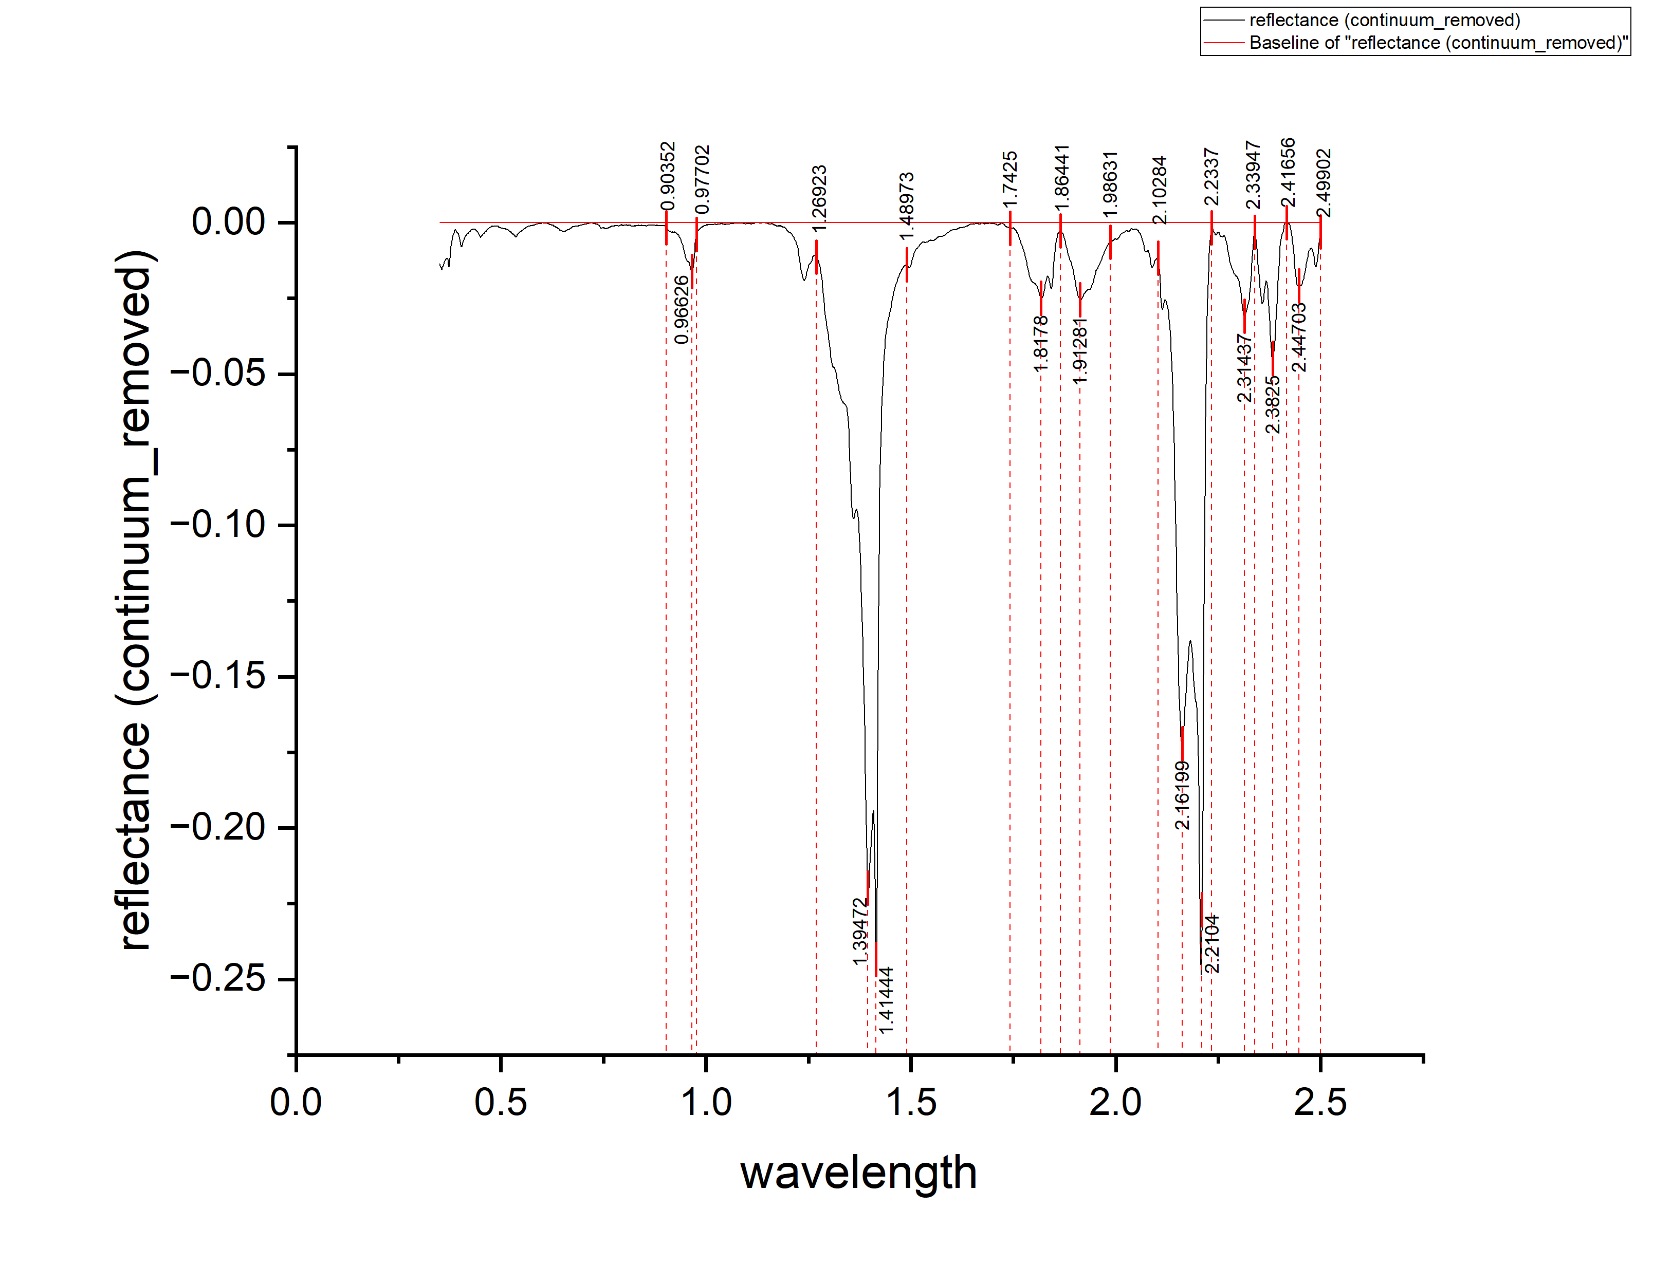
0.37 | -0.01205 | 0.01205
0.371 | -0.0129 | 0.0129
0.372 | -0.01394 | 0.01394
0.373 | -0.01456 | 0.01456
0.374 | -0.01307 | 0.01307
0.375 | -0.01168 | 0.01168
0.376 | -0.01018 | 0.01018
0.377 | -0.00899 | 0.00899
0.378 | -0.00789 | 0.00789
0.379 | -0.0069 | 0.0069
0.38 | -0.006 | 0.006
0.381 | -0.00531 | 0.00531
0.382 | -0.00471 | 0.00471
0.383 | -0.00422 | 0.00422
0.384 | -0.00372 | 0.00372
0.385 | -0.00343 | 0.00343
0.386 | -0.00294 | 0.00294
0.387 | -0.00244 | 0.00244
0.388 | -0.00235 | 0.00235
0.389 | -0.00245 | 0.00245
0.39 | -0.00266 | 0.00266
0.391 | -0.00286 | 0.00286
0.392 | -0.00307 | 0.00307
0.393 | -0.00327 | 0.00327
0.394 | -0.00338 | 0.00338
0.395 | -0.00358 | 0.00358
0.396 | -0.00369 | 0.00369
0.397 | -0.004 | 0.004
0.398 | -0.0046 | 0.0046
0.399 | -0.00541 | 0.00541
0.4 | -0.00621 | 0.00621
0.401 | -0.00692 | 0.00692
0.402 | -0.00722 | 0.00722
0.403 | -0.00803 | 0.00803
0.404 | -0.00792 | 0.00792
0.405 | -0.0075 | 0.0075
0.406 | -0.00708 | 0.00708
0.407 | -0.00656 | 0.00656
0.408 | -0.00614 | 0.00614
0.409 | -0.00572 | 0.00572
0.41 | -0.0053 | 0.0053
0.411 | -0.00508 | 0.00508
0.412 | -0.00496 | 0.00496
0.413 | -0.00463 | 0.00463
0.414 | -0.00431 | 0.00431
0.415 | -0.00419 | 0.00419
0.416 | -0.00407 | 0.00407
0.417 | -0.00375 | 0.00375
0.418 | -0.00363 | 0.00363
0.419 | -0.00361 | 0.00361
0.42 | -0.00339 | 0.00339
...

K15
...
wavelength | reflectance (continuum_removed) | DEPTH
0.13525 | -0.01206 | 0.01206
0.13529 | -0.01384 | 0.01384 | C | 1.80932 | 1.75456 | 1.86604 | 0.00067 | 0.012742317 | 0.010413584 | 0.0232
0.13532 | -0.01573 | 0.01573
0.13536 | -0.01651 | 0.01651 | D | 1.95209 | 1.86604 | 2.03422 | 0.03064 | 0.25727 | 0.21666 | 0.4739
0.13539 | -0.01719 | 0.01719
0.13543 | -0.01817 | 0.01817 | E | 2.24544 | 2.10072 | 2.32562 | 0.00026 | 0.51198 | 0.27664 | 0.7886
0.13546 | -0.01865 | 0.01865
0.1355 | -0.01893 | 0.01893 | F | 2.4234 | 2.39993 | 2.46056 | 0.00835 | 0.01586 | 0.00755916 | 0.0234
0.13553 | -0.01981 | 0.01981
0.13557 | -0.02069 | 0.02069
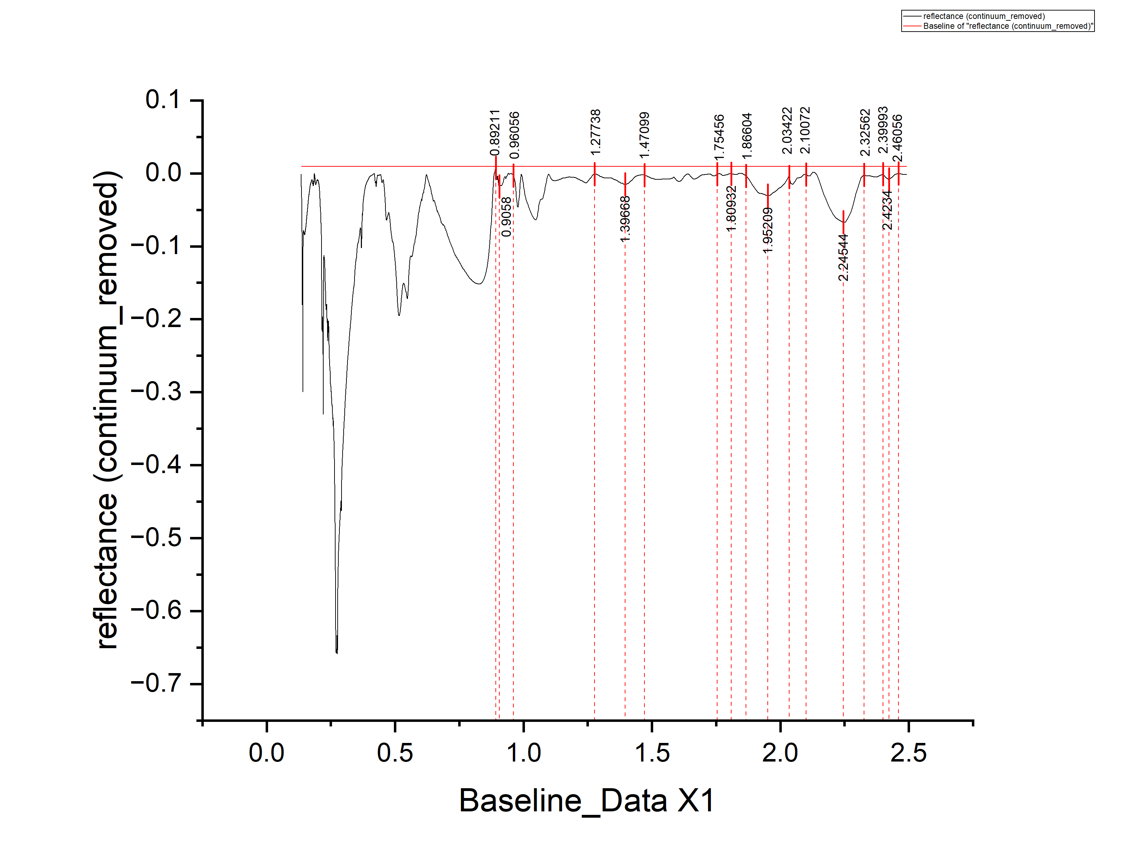
0.1356 | -0.02067 | 0.02067
0.13564 | -0.02105 | 0.02105
0.13568 | -0.02213 | 0.02213
0.13571 | -0.02321 | 0.02321
0.13575 | -0.02329 | 0.02329
0.13578 | -0.02417 | 0.02417
0.13582 | -0.02465 | 0.02465
0.13585 | -0.02573 | 0.02573
0.13589 | -0.02671 | 0.02671
0.13592 | -0.02819 | 0.02819
0.13596 | -0.02807 | 0.02807
0.136 | -0.02765 | 0.02765
0.13603 | -0.02824 | 0.02824
0.13607 | -0.02962 | 0.02962
0.1361 | -0.0298 | 0.0298
0.13614 | -0.03018 | 0.03018
0.13617 | -0.03026 | 0.03026
0.13621 | -0.03094 | 0.03094
0.13625 | -0.03112 | 0.03112
0.13628 | -0.0301 | 0.0301
0.13632 | -0.02958 | 0.02958
0.13635 | -0.02966 | 0.02966
0.13639 | -0.03034 | 0.03034
0.13643 | -0.03122 | 0.03122
0.13646 | -0.0309 | 0.0309
0.1365 | -0.03048 | 0.03048
0.13653 | -0.03026 | 0.03026
0.13657 | -0.02984 | 0.02984
0.1366 | -0.02972 | 0.02972
0.13664 | -0.0301 | 0.0301
0.13668 | -0.03128 | 0.03128
0.13671 | -0.03176 | 0.03176
0.13675 | -0.03254 | 0.03254
0.13679 | -0.03342 | 0.03342
0.13682 | -0.0342 | 0.0342
0.13686 | -0.03468 | 0.03468
0.13689 | -0.03466 | 0.03466
0.13693 | -0.03534 | 0.03534
0.13697 | -0.03592 | 0.03592
0.137 | -0.036 | 0.036
0.13704 | -0.03688 | 0.03688
0.13707 | -0.03836 | 0.03836
0.13711 | -0.03824 | 0.03824
0.13715 | -0.03842 | 0.03842
0.13718 | -0.0394 | 0.0394
0.13722 | -0.04008 | 0.04008
0.13726 | -0.04036 | 0.04036
0.13729 | -0.04114 | 0.04114
0.13733 | -0.04232 | 0.04232
0.13736 | -0.0437 | 0.0437
0.1374 | -0.04538 | 0.04538
0.13744 | -0.04676 | 0.04676
...

K16
...
wavelength | reflectance | DEPTH
0.3051 | -0.02039 | 0.02039
0.3091 | -0.0339 | 0.0339 | F1 | 2.31568
0.3131 | -0.03641 | 0.03641 | F2 | 2.375 | 2.27542 | 2.41737 | 0.21089 | 0.07552 | 0.28641
0.3171 | -0.04812 | 0.04812
0.3211 | -0.05873 | 0.05873 | G | 2.72034 | 2.41737 | 2.97669 | 1.055161144 | 1.04272 | 2.097881144
0.3251 | -0.06164 | 0.06164
0.3291 | -0.05915 | 0.05915
0.3331 | -0.05077 | 0.05077
0.3371 | -0.05548 | 0.05548
0.3411 | -0.05329 | 0.05329
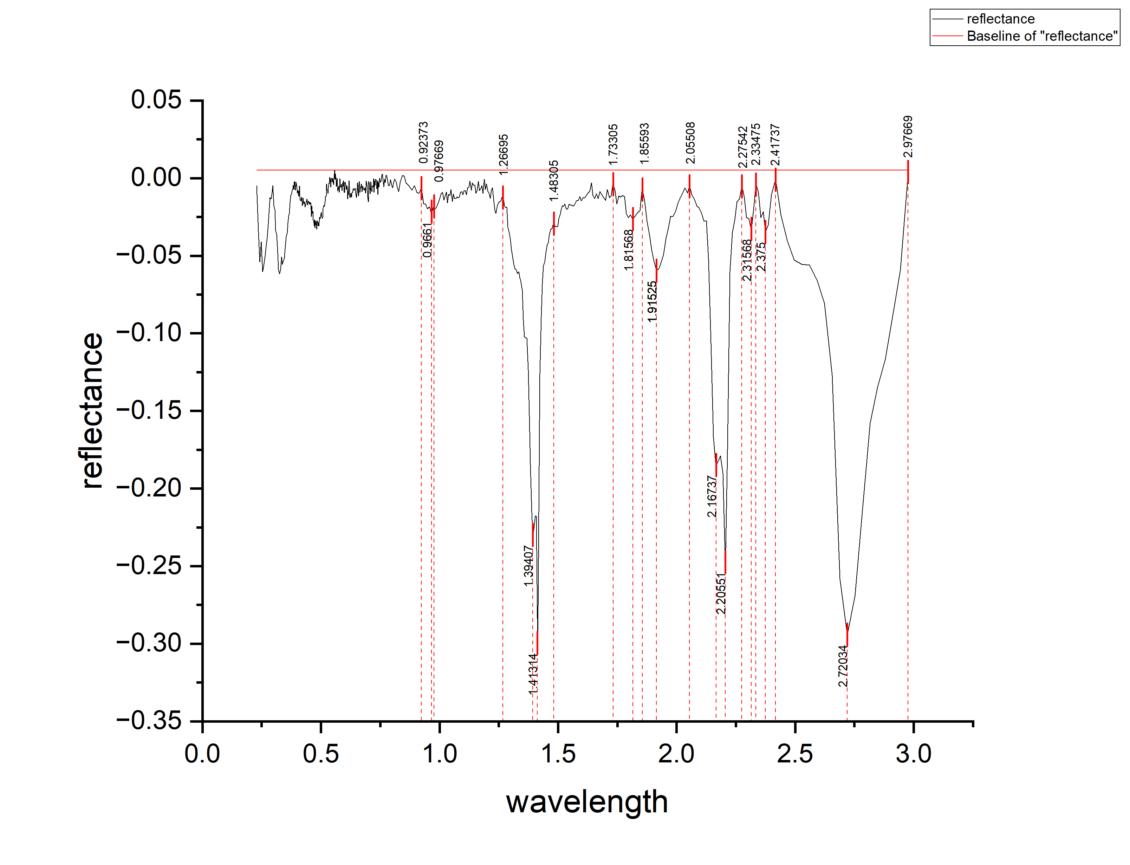
0.3451 | -0.0514 | 0.0514
0.3491 | -0.04551 | 0.04551
0.3531 | -0.03792 | 0.03792
0.3571 | -0.03533 | 0.03533
0.3606 | -0.02883 | 0.02883
0.3636 | -0.02452 | 0.02452
0.3666 | -0.0227 | 0.0227
0.3696 | -0.01588 | 0.01588
0.3726 | -0.01127 | 0.01127
0.3756 | -0.01045 | 0.01045
0.3786 | -0.00803 | 0.00803
0.3811 | -0.0067 | 0.0067
0.3831 | -0.00466 | 0.00466
0.3851 | -0.00741 | 0.00741
0.3871 | -0.00267 | 0.00267
0.3891 | -0.00203 | 0.00203
0.3911 | -0.00788 | 0.00788
0.3931 | -0.00584 | 0.00584
0.3951 | -0.00259 | 0.00259
0.3971 | -0.00495 | 0.00495
0.3991 | -0.007 | 0.007
0.4011 | -0.00966 | 0.00966
0.4031 | -0.00792 | 0.00792
0.4051 | -0.01047 | 0.01047
0.4071 | -0.01154 | 0.01154
0.4091 | -0.00515 | 0.00515
0.4111 | -0.01196 | 0.01196
0.4128 | -0.01407 | 0.01407
0.4158 | -0.01462 | 0.01462
0.4188 | -0.01228 | 0.01228
0.4218 | -0.01774 | 0.01774
0.4248 | -0.0127 | 0.0127
0.4278 | -0.01666 | 0.01666
0.4308 | -0.01522 | 0.01522
0.4338 | -0.01868 | 0.01868
0.4368 | -0.01674 | 0.01674
0.4398 | -0.01349 | 0.01349
0.4428 | -0.01735 | 0.01735
0.4458 | -0.01471 | 0.01471
0.4488 | -0.01527 | 0.01527
0.4513 | -0.01687 | 0.01687
0.4533 | -0.01549 | 0.01549
0.4553 | -0.01662 | 0.01662
0.4573 | -0.01604 | 0.01604
0.4593 | -0.02476 | 0.02476
0.4613 | -0.01789 | 0.01789
0.4633 | -0.02261 | 0.02261
0.4653 | -0.02143 | 0.02143
0.4673 | -0.02706 | 0.02706
0.4693 | -0.02718 | 0.02718
0.4713 | -0.0306 | 0.0306
0.4733 | -0.02683 | 0.02683
...

K17
...
wavelength | reflectance (continuum_removed) | DEPTH
0.364 | -0.01417 | 0.01417 | E2 | 2.2086 | 2.055 | 2.25163 | 12.328720378 | 2.62997 | 14.958690378
0.365 | -0.01423 | 0.01423
0.366 | -0.01408 | 0.01408 | F1 | 2.31437
0.367 | -0.01384 | 0.01384 | F2 | 2.3825 | 2.27852 | 2.41656 | 1.971055509 | 0.65266 | 2.623715509
0.368 | -0.0135 | 0.0135
0.369 | -0.01315 | 0.01315 | G | 2.44345 | 2.41656 | 2.49902 | 0.29513 | 0.6636 | 0.95873
0.37 | -0.01271 | 0.01271
0.371 | -0.01236 | 0.01236
0.372 | -0.01212 | 0.01212
0.373 | -0.01177 | 0.01177
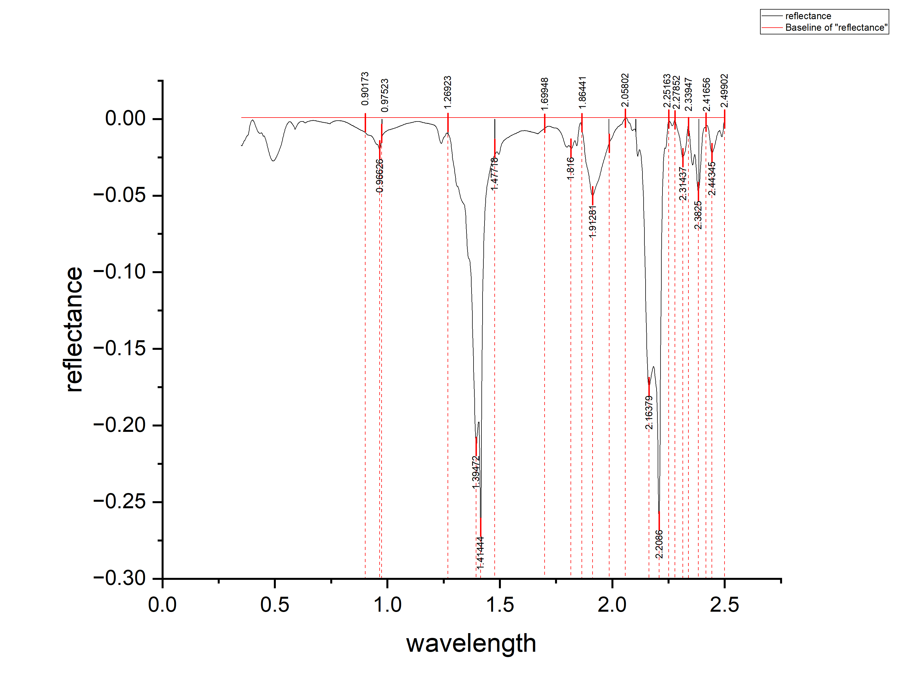
0.374 | -0.01153 | 0.01153
0.375 | -0.01129 | 0.01129
0.376 | -0.01114 | 0.01114
0.377 | -0.0109 | 0.0109
0.378 | -0.01075 | 0.01075
0.379 | -0.01061 | 0.01061
0.38 | -0.01056 | 0.01056
0.381 | -0.01052 | 0.01052
0.382 | -0.01042 | 0.01042
0.383 | -0.0094 | 0.0094
0.384 | -0.00839 | 0.00839
0.385 | -0.00757 | 0.00757
0.386 | -0.00665 | 0.00665
0.387 | -0.00573 | 0.00573
0.388 | -0.00481 | 0.00481
0.389 | -0.00409 | 0.00409
0.39 | -0.00357 | 0.00357
0.391 | -0.00315 | 0.00315
0.392 | -0.00273 | 0.00273
0.393 | -0.00221 | 0.00221
0.394 | -0.0017 | 0.0017
0.395 | -0.00138 | 0.00138
0.396 | -0.00106 | 0.00106
0.397 | -9.38E-04 | 0.000938291
0.398 | -9.19E-04 | 0.000919275
0.399 | -8.00E-04 | 0.000800259
0.4 | -6.81E-04 | 0.000681317
0.401 | -6.62E-04 | 0.000662276
0.402 | -8.43E-04 | 0.000843334
0.403 | -0.00102 | 0.00102
0.404 | -0.00121 | 0.00121
0.405 | -0.00139 | 0.00139
0.406 | -0.00157 | 0.00157
0.407 | -0.00185 | 0.00185
0.408 | -0.00213 | 0.00213
0.409 | -0.00251 | 0.00251
0.41 | -0.00299 | 0.00299
0.411 | -0.00337 | 0.00337
0.412 | -0.00365 | 0.00365
0.413 | -0.00403 | 0.00403
0.414 | -0.00442 | 0.00442
0.415 | -0.0048 | 0.0048
0.416 | -0.00518 | 0.00518
0.417 | -0.00556 | 0.00556
0.418 | -0.00594 | 0.00594
0.419 | -0.00632 | 0.00632
0.42 | -0.0067 | 0.0067
0.421 | -0.00708 | 0.00708
0.422 | -0.00746 | 0.00746
0.423 | -0.00784 | 0.00784
0.424 | -0.00813 | 0.00813
0.425 | -0.00831 | 0.00831
...

K18
...
wavelength | reflectance (continuum_removed) | DEPTH
0.2931 | -0.04459 | 0.04459
0.2971 | -0.03003 | 0.03003 | F1 | 2.31454 |  |  | 0.01832
0.3011 | -0.02116 | 0.02116 | F2 | 2.38527 | 2.2575 | 2.41721 | 0.01617 | 0.09796 | 0.02266 | 0.12062
0.3051 | -0.0133 | 0.0133
0.3091 | -0.00834 | 0.00834
0.3131 | -0.00697 | 0.00697
0.3171 | -0.00621 | 0.00621
0.3211 | -0.00666 | 0.00666
0.3251 | -0.00531 | 0.00531
0.3291 | -0.00176 | 0.00176
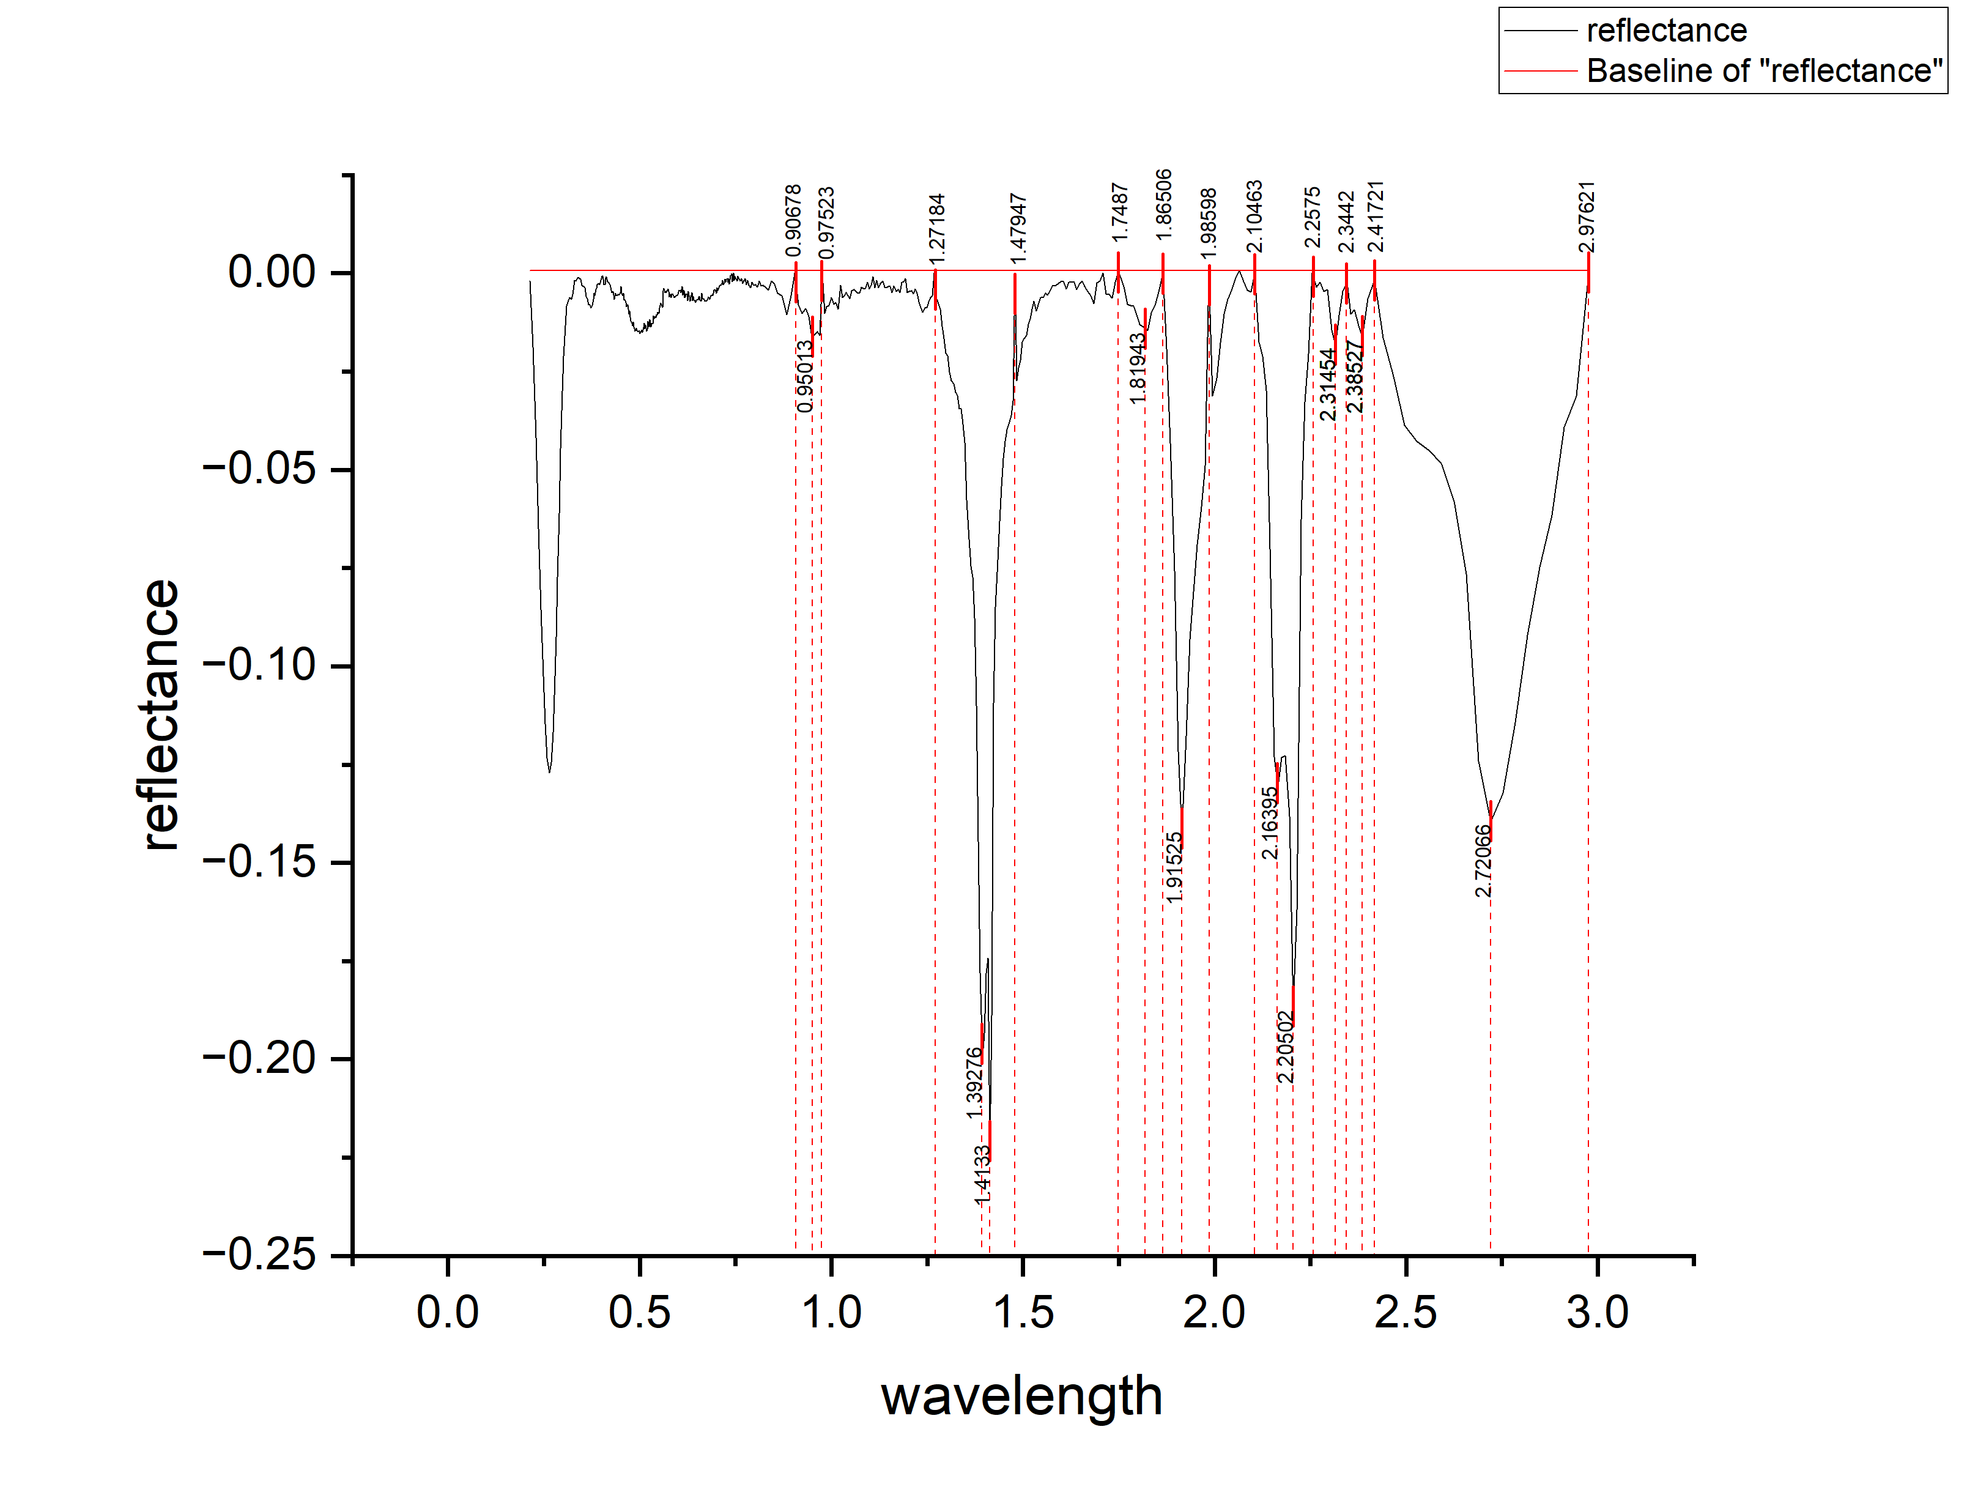
0.3331 | -0.00191 | 0.00191
0.3371 | -0.00117 | 0.00117
0.3411 | -0.00112 | 0.00112
0.3451 | -0.00157 | 0.00157
0.3491 | -0.00302 | 0.00302
0.3531 | -0.00337 | 0.00337
0.3571 | -0.00372 | 0.00372
0.3606 | -0.00593 | 0.00593
0.3636 | -0.0064 | 0.0064
0.3666 | -0.00798 | 0.00798
0.3696 | -0.00803 | 0.00803
0.3726 | -0.00878 | 0.00878
0.3756 | -0.00812 | 0.00812
0.3786 | -0.00667 | 0.00667
0.3811 | -0.0051 | 0.0051
0.3831 | -0.00564 | 0.00564
0.3851 | -0.00407 | 0.00407
0.3871 | -0.0039 | 0.0039
0.3891 | -0.00283 | 0.00283
0.3911 | -0.00276 | 0.00276
0.3931 | -0.00259 | 0.00259
0.3951 | -0.00292 | 0.00292
0.3971 | -0.00245 | 0.00245
0.3991 | -0.00188 | 0.00188
0.4011 | -7.09E-04 | 0.000709139
0.4031 | -7.40E-04 | 0.000739584
0.4051 | -0.00157 | 0.00157
0.4071 | -0.0029 | 0.0029
0.4091 | -0.00293 | 0.00293
0.4111 | -0.00116 | 0.00116
0.4128 | -8.47E-04 | 0.000847242
0.4158 | -0.00219 | 0.00219
0.4188 | -0.00244 | 0.00244
0.4218 | -0.00288 | 0.00288
0.4248 | -0.00433 | 0.00433
0.4278 | -0.00488 | 0.00488
0.4308 | -0.00462 | 0.00462
0.4338 | -0.00657 | 0.00657
0.4368 | -0.00511 | 0.00511
0.4398 | -0.00576 | 0.00576
0.4428 | -0.00538 | 0.00538
0.4458 | -0.00556 | 0.00556
0.4488 | -0.00494 | 0.00494
0.4513 | -0.00339 | 0.00339
0.4533 | -0.00511 | 0.00511
0.4553 | -0.00563 | 0.00563
0.4573 | -0.00515 | 0.00515
0.4593 | -0.00677 | 0.00677
0.4613 | -0.00669 | 0.00669
0.4633 | -0.00741 | 0.00741
0.4653 | -0.00853 | 0.00853
0.4673 | -0.00805 | 0.00805
...

K19
...
wavelength | reflectance (continuum_removed) | DEPTH
0.01374 | -0.00485 | 0.00485
0.01374 | -3.60E-03 | 0.0036
0.01375 | -2.44E-03 | 0.00244
0.01375 | -0.0014 | 0.0014
0.01376 | -5.49E-04 | 0.000549488
0.01376 | -0.00241 | 0.00241
0.01376 | -0.00386 | 0.00386
0.01377 | -0.0059 | 0.0059
0.01377 | -0.00796 | 0.00796
0.01377 | -0.00891 | 0.00891
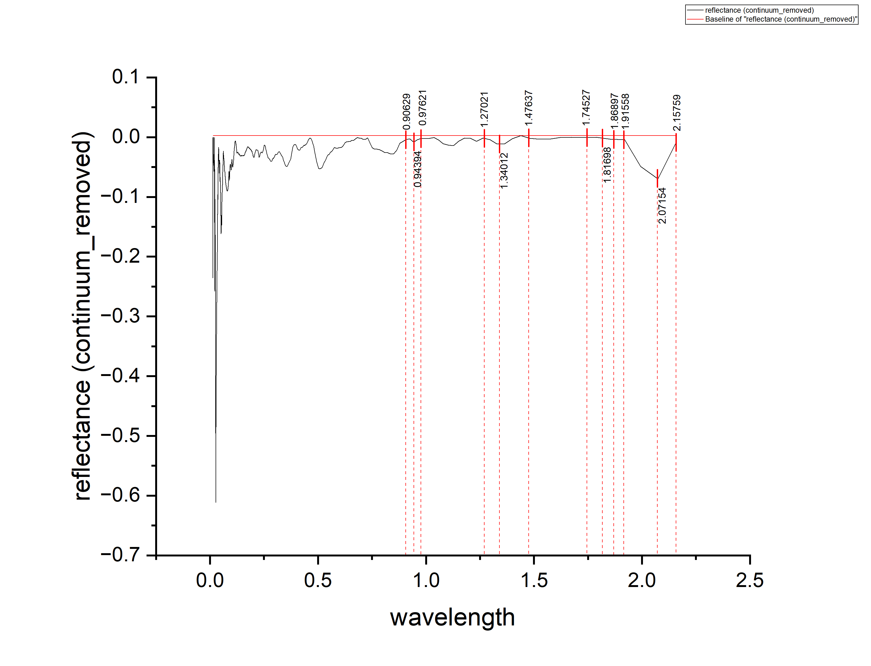
0.01378 | -0.01086 | 0.01086
0.01378 | -0.01372 | 0.01372
0.01378 | -0.01636 | 0.01636
0.01379 | -0.01881 | 0.01881
0.01379 | -0.02077 | 0.02077
0.0138 | -0.02351 | 0.02351
0.0138 | -0.02656 | 0.02656
0.0138 | -0.03022 | 0.03022
0.01381 | -0.03227 | 0.03227
0.01381 | -0.03291 | 0.03291
0.01381 | -0.03397 | 0.03397
0.01382 | -0.03582 | 0.03582
0.01382 | -0.03857 | 0.03857
0.01382 | -0.04193 | 0.04193
0.01383 | -0.04327 | 0.04327
0.01383 | -0.04392 | 0.04392
0.01384 | -0.04568 | 0.04568
0.01384 | -0.04743 | 0.04743
0.01384 | -0.04977 | 0.04977
0.01385 | -0.05222 | 0.05222
0.01385 | -0.05348 | 0.05348
0.01385 | -0.05453 | 0.05453
0.01386 | -0.05647 | 0.05647
0.01386 | -0.05883 | 0.05883
0.01387 | -0.06168 | 0.06168
0.01387 | -0.06383 | 0.06383
0.01387 | -0.06607 | 0.06607
0.01388 | -0.06863 | 0.06863
0.01388 | -0.07078 | 0.07078
0.01388 | -0.07293 | 0.07293
0.01389 | -0.07489 | 0.07489
0.01389 | -0.07753 | 0.07753
0.0139 | -0.08058 | 0.08058
0.0139 | -0.08322 | 0.08322
0.0139 | -0.08548 | 0.08548
0.01391 | -0.08803 | 0.08803
0.01391 | -0.09008 | 0.09008
0.01391 | -0.09214 | 0.09214
0.01392 | -0.09448 | 0.09448
0.01392 | -0.09713 | 0.09713
0.01393 | -0.09868 | 0.09868
0.01393 | -0.10014 | 0.10014
0.01393 | -0.10188 | 0.10188
0.01394 | -0.10293 | 0.10293
0.01394 | -0.10368 | 0.10368
0.01394 | -0.10504 | 0.10504
0.01395 | -0.10558 | 0.10558
0.01395 | -0.10553 | 0.10553
0.01396 | -0.10538 | 0.10538
0.01396 | -0.10544 | 0.10544
0.01396 | -0.10508 | 0.10508
0.01397 | -0.10323 | 0.10323
...

