M1
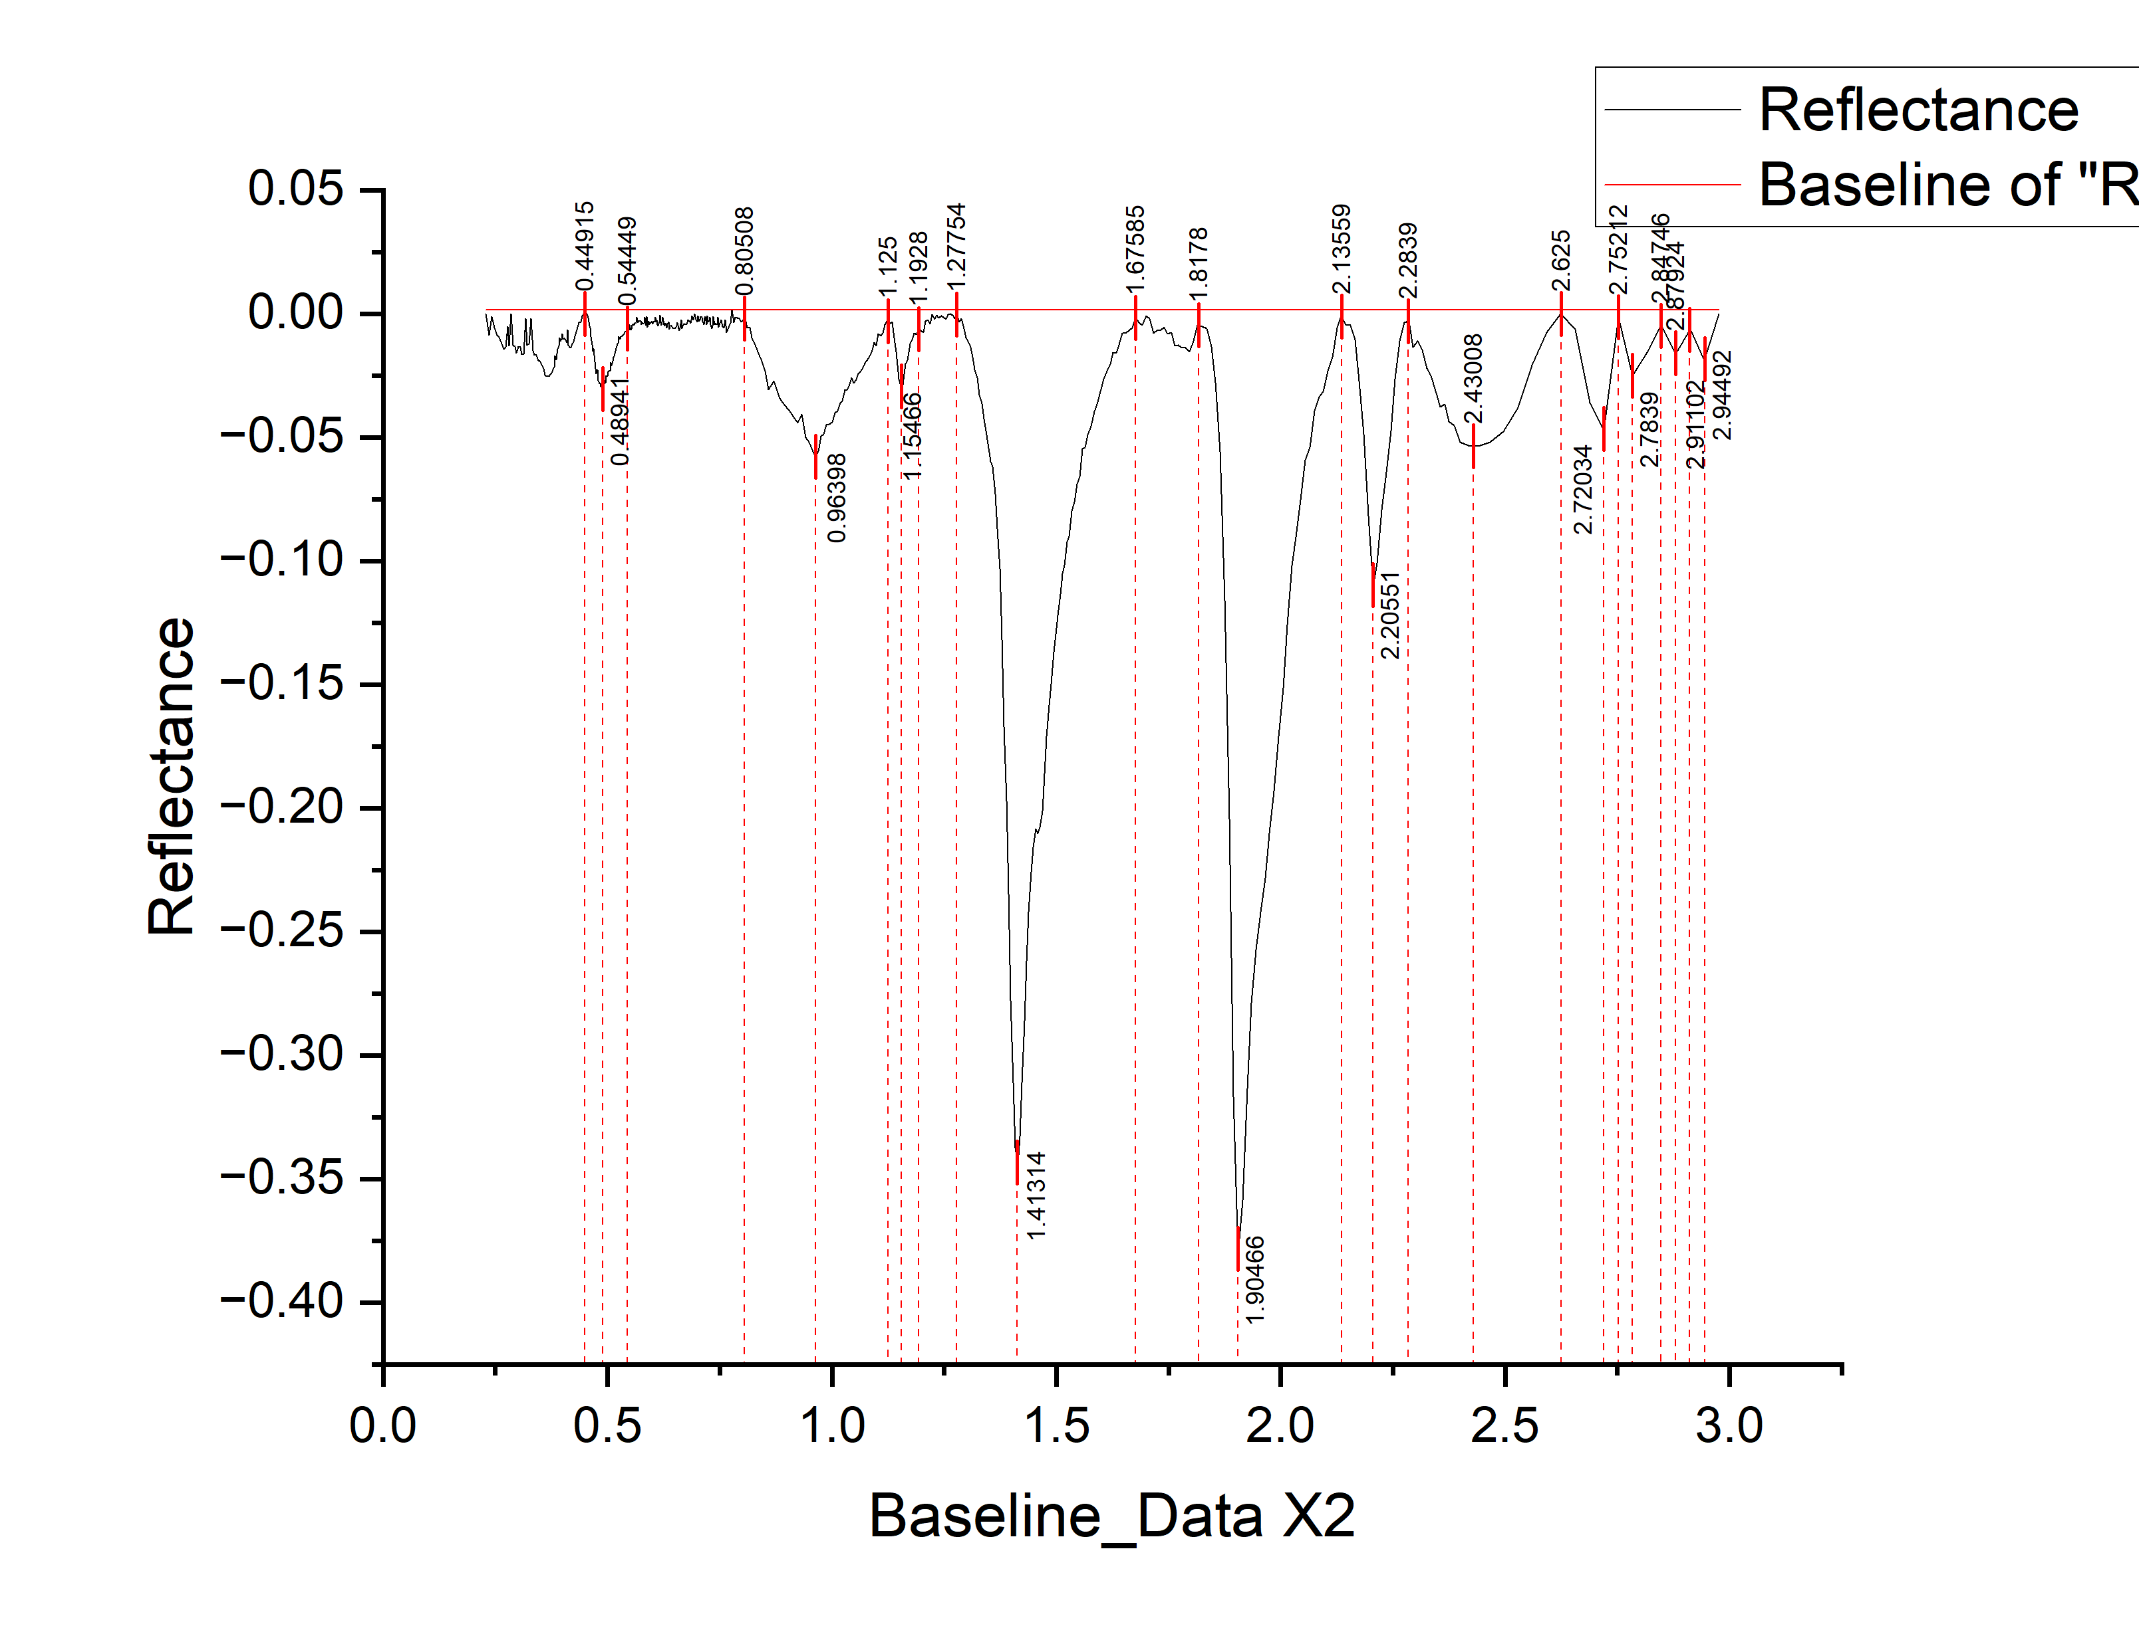
 |  |  |  |  |  |  |  |  | wavelength | Reflectance | depth
 |  |  |  |  |  |  |  |  | 0.2291 | 0 | 0
 |  |  |  |  |  |  |  |  | 0.2361 | -0.0086 | 0.0086
 |  |  |  |  |  |  |  |  | 0.2421 | -0.00123 | 0.00123
 |  |  |  |  |  |  |  |  | 0.2481 | -0.00567 | 0.00567
 |  |  |  |  |  |  |  |  | 0.2536 | -0.00861 | 0.00861
 |  |  |  |  |  |  |  |  | 0.2586 | -0.00956 | 0.00956
 |  |  |  |  |  |  |  |  | 0.2636 | -0.01221 | 0.01221
 |  |  |  |  |  |  |  |  | 0.2686 | -0.01435 | 0.01435
 |  |  |  |  |  |  |  |  | 0.2731 | -0.01351 | 0.01351
 |  |  |  |  |  |  |  |  | 0.2771 | -0.00526 | 0.00526
 |  |  |  |  |  |  |  |  | 0.2811 | -0.01302 | 0.01302
 |  |  |  |  |  |  |  |  | 0.2851 | 0 | 0
 |  |  |  |  |  |  |  |  | 0.2891 | -0.01268 | 0.01268
 |  |  |  |  |  |  |  |  | 0.2931 | -0.01324 | 0.01324
 |  |  |  |  |  |  |  |  | 0.2971 | -0.01589 | 0.01589
 |  |  |  |  |  |  |  |  | 0.3011 | -0.01315 | 0.01315
 |  |  |  |  |  |  |  |  | 0.3051 | -0.01361 | 0.01361
 |  |  |  |  |  |  |  |  | 0.3091 | -0.01646 | 0.01646
 |  |  |  |  |  |  |  |  | 0.3131 | -0.01652 | 0.01652
 |  |  |  |  |  |  |  |  | 0.3171 | 0.00432 | 0.00432
 |  |  |  |  |  |  |  |  | 0.3211 | -0.01281 | 0.01281
 |  |  |  |  |  |  |  |  | 0.3251 | -0.01206 | 0.01206
 |  |  |  |  |  |  |  |  | 0.3291 | -0.00196 | 0.00196
 |  |  |  |  |  |  |  |  | 0.3331 | -0.01475 | 0.01475
 |  |  |  |  |  |  |  |  | 0.3371 | -0.01675 | 0.01675
 |  |  |  |  |  |  |  |  | 0.3411 | -0.01684 | 0.01684
 |  |  |  |  |  |  |  |  | 0.3451 | -0.01894 | 0.01894
 |  |  |  |  |  |  |  |  | 0.3491 | -0.01923 | 0.01923
 |  |  |  |  |  |  |  |  | 0.3531 | -0.02063 | 0.02063
 |  |  |  |  |  |  |  |  | 0.3571 | -0.02212 | 0.02212
 |  |  |  |  |  |  |  |  | 0.3606 | -0.02483 | 0.02483
 |  |  |  |  |  |  |  |  | 0.3636 | -0.02535 | 0.02535
 |  |  |  |  |  |  |  |  | 0.3666 | -0.02527 | 0.02527
 |  |  |  |  |  |  |  |  | 0.3696 | -0.02539 | 0.02539
 |  |  |  |  |  |  |  |  | 0.3726 | -0.02441 | 0.02441
 |  |  |  |  |  |  |  |  | 0.3756 | -0.02403 | 0.02403
 |  |  |  |  |  |  |  |  | 0.3786 | -0.02255 | 0.02255
 |  |  |  |  |  |  |  |  | 0.3811 | -0.02159 | 0.02159
 |  |  |  |  |  |  |  |  | 0.3831 | -0.01713 | 0.01713
 |  |  |  |  |  |  |  |  | 0.3851 | -0.01868 | 0.01868
 |  |  |  |  |  |  |  |  | 0.3871 | -0.01613 | 0.01613
 |  |  |  |  |  |  |  |  | 0.3891 | -0.01428 | 0.01428
 |  |  |  |  |  |  |  |  | 0.3911 | -0.01292 | 0.01292
peak_number | peak_value | start | end | width | left_area | right_area | depth | TOTAL | 0.3931 | -0.00987 | 0.00987
1 | 0.48941 | 0.44915 | 0.54449 | 0.09534 | 0.325322211 | 0.43858 |  | 0.763902211 | 0.3951 | -0.01112 | 0.01112
2 | 0.96398 | 0.80508 | 1.125 | 0.31992 | 0.54188 | 0.8655 |  | 1.40738 | 0.3971 | -0.01036 | 0.01036
3 | 1.15466 | 1.125 | 1.1928 | 0.0678 | 0.0882 | 0.10721 |  | 0.19541 | 0.3991 | -0.00821 | 0.00821
4 | 1.41314 | 1.27754 | 1.67585 | 0.39831 | 2.3662330451 | 5.34675 |  | 7.7129830451 | 0.4011 | -0.01026 | 0.01026
5 | 1.90466 | 1.8178 | 2.13559 | 0.31779 | 0.74485 | 3.438975146 |  | 4.183825146 | 0.4031 | -0.00991 | 0.00991
6 | 2.20551 | 2.13559 | 2.2839 | 0.14831 | 0.2876 | 0.33278 |  | 0.62038 | 0.4051 | -0.01035 | 0.01035
7 | 2.43008 | 2.2839 | 2.625 | 0.3411 | 0.38875 | 0.21943 |  | 0.60818 | 0.4071 | -0.0106 | 0.0106
8 | 2.72034 | 2.625 | 2.75212 | 0.12712 | 0.08967 | 0.0013 |  | 0.09097 | 0.4091 | -0.01172 | 0.01172
9 | 2.7839 | 2.75212 | 2.84746 | 0.09534 | 0 | 0.04063 |  | 0.04063 | 0.4111 | -0.00658 | 0.00658
10 | 2.87924 | 2.84746 | 2.91102 | 0.06356 | 0.00459 | 0.01627 |  | 0.02086 | 0.4128 | -0.01264 | 0.01264
 |  |  |  | 0 |  |  |  |  | 0.4158 | -0.01352 | 0.01352
 |  |  |  |  |  |  |  |  | 0.4188 | -0.01381 | 0.01381
 |  |  |  |  |  |  |  |  | 0.4218 | -0.0121 | 0.0121
 |  |  |  |  |  |  |  |  | 0.4248 | -0.01149 | 0.01149
 |  |  |  |  |  |  |  |  | 0.4278 | -0.00917 | 0.00917
 |  |  |  |  |  |  |  |  | 0.4308 | -0.00726 | 0.00726
 |  |  |  |  |  |  |  |  | 0.4338 | -0.00545 | 0.00545
 |  |  |  |  |  |  |  |  | 0.4368 | -0.00343 | 0.00343
 |  |  |  |  |  |  |  |  | 0.4398 | -0.00322 | 0.00322
 |  |  |  |  |  |  |  |  | 0.4428 | -9.09E-04 | 0.000908772
 |  |  |  |  |  |  |  |  | 0.4458 | -1.96E-04 | 0.000195998
 |  |  |  |  |  |  |  |  | 0.4488 | 0.00E+00 | 0
 |  |  |  |  |  |  |  |  | 0.4513 | 0 | 0
 |  |  |  |  |  |  |  |  | 0.4533 | 0.00E+00 | 0
 |  |  |  |  |  |  |  |  | 0.4553 | -7.22E-04 | 0.000722211
 |  |  |  |  |  |  |  |  | 0.4573 | -0.00158 | 0.00158
 |  |  |  |  |  |  |  |  | 0.4593 | -0.00483 | 0.00483
 |  |  |  |  |  |  |  |  | 0.4613 | -0.0056 | 0.0056
 |  |  |  |  |  |  |  |  | 0.4633 | -0.00917 | 0.00917
 |  |  |  |  |  |  |  |  | 0.4653 | -0.01254 | 0.01254
 |  |  |  |  |  |  |  |  | 0.4673 | -0.01501 | 0.01501
 |  |  |  |  |  |  |  |  | 0.4693 | -0.01399 | 0.01399
 |  |  |  |  |  |  |  |  | 0.4713 | -0.01936 | 0.01936
 |  |  |  |  |  |  |  |  | 0.4733 | -0.02203 | 0.02203
 |  |  |  |  |  |  |  |  | 0.4753 | -0.0242 | 0.0242
 |  |  |  |  |  |  |  |  | 0.4773 | -0.02267 | 0.02267
 |  |  |  |  |  |  |  |  | 0.4793 | -0.02704 | 0.02704
 |  |  |  |  |  |  |  |  | 0.4813 | -0.02841 | 0.02841
 |  |  |  |  |  |  |  |  | 0.4833 | -0.02798 | 0.02798
 |  |  |  |  |  |  |  |  | 0.4853 | -0.02946 | 0.02946
 |  |  |  |  |  |  |  |  | 0.4873 | -0.03023 | 0.03023
 |  |  |  |  |  |  |  |  | 0.4893 | -0.0305 | 0.0305
 |  |  |  |  |  |  |  |  | 0.4913 | -0.03017 | 0.03017
 |  |  |  |  |  |  |  |  | 0.4933 | -0.02704 | 0.02704
 |  |  |  |  |  |  |  |  | 0.4953 | -0.02811 | 0.02811
 |  |  |  |  |  |  |  |  | 0.4973 | -0.02518 | 0.02518
 |  |  |  |  |  |  |  |  | 0.4993 | -0.02545 | 0.02545
 |  |  |  |  |  |  |  |  | 0.5013 | -0.02353 | 0.02353
 |  |  |  |  |  |  |  |  | 0.5033 | -0.0231 | 0.0231
 |  |  |  |  |  |  |  |  | 0.5053 | -0.02317 | 0.02317
 |  |  |  |  |  |  |  |  | 0.5073 | -0.01974 | 0.01974
 |  |  |  |  |  |  |  |  | 0.5093 | -0.02111 | 0.02111
 |  |  |  |  |  |  |  |  | 0.5113 | -0.01908 | 0.01908
 |  |  |  |  |  |  |  |  | 0.5133 | -0.01755 | 0.01755
 |  |  |  |  |  |  |  |  | 0.5153 | -0.01722 | 0.01722
 |  |  |  |  |  |  |  |  | 0.5173 | -0.015 | 0.015
 |  |  |  |  |  |  |  |  | 0.5193 | -0.01407 | 0.01407
 |  |  |  |  |  |  |  |  | 0.5213 | -0.01224 | 0.01224
 |  |  |  |  |  |  |  |  | 0.5233 | -0.01201 | 0.01201
 |  |  |  |  |  |  |  |  | 0.5253 | -0.00908 | 0.00908
 |  |  |  |  |  |  |  |  | 0.5273 | -0.01015 | 0.01015
 |  |  |  |  |  |  |  |  | 0.5293 | -0.00912 | 0.00912
 |  |  |  |  |  |  |  |  | 0.5313 | -0.00929 | 0.00929
 |  |  |  |  |  |  |  |  | 0.5333 | -0.00867 | 0.00867
 |  |  |  |  |  |  |  |  | 0.5353 | -0.00874 | 0.00874
 |  |  |  |  |  |  |  |  | 0.5373 | -0.00811 | 0.00811
 |  |  |  |  |  |  |  |  | 0.5393 | -0.00698 | 0.00698
 |  |  |  |  |  |  |  |  | 0.5413 | -0.00735 | 0.00735
 |  |  |  |  |  |  |  |  | 0.5433 | -0.00732 | 0.00732
 |  |  |  |  |  |  |  |  | 0.5453 | -0.00528 | 0.00528
 |  |  |  |  |  |  |  |  | 0.5473 | -0.00668 | 0.00668
 |  |  |  |  |  |  |  |  | 0.5493 | -0.00448 | 0.00448
 |  |  |  |  |  |  |  |  | 0.5513 | -0.00657 | 0.00657
 |  |  |  |  |  |  |  |  | 0.5533 | -0.00617 | 0.00617
 |  |  |  |  |  |  |  |  | 0.5553 | -0.00467 | 0.00467
 |  |  |  |  |  |  |  |  | 0.5573 | -0.00407 | 0.00407
 |  |  |  |  |  |  |  |  | 0.5593 | -0.00456 | 0.00456
 |  |  |  |  |  |  |  |  | 0.5613 | -0.00376 | 0.00376
 |  |  |  |  |  |  |  |  | 0.5633 | -0.00366 | 0.00366
 |  |  |  |  |  |  |  |  | 0.5653 | -0.00146 | 0.00146
 |  |  |  |  |  |  |  |  | 0.5673 | -0.00365 | 0.00365
 |  |  |  |  |  |  |  |  | 0.5693 | -0.00265 | 0.00265
 |  |  |  |  |  |  |  |  | 0.5713 | -0.00315 | 0.00315
 |  |  |  |  |  |  |  |  | 0.5733 | -0.00284 | 0.00284
 |  |  |  |  |  |  |  |  | 0.5753 | -0.00424 | 0.00424
 |  |  |  |  |  |  |  |  | 0.5773 | -0.00364 | 0.00364
 |  |  |  |  |  |  |  |  | 0.5793 | -0.00404 | 0.00404
 |  |  |  |  |  |  |  |  | 0.5813 | -0.00383 | 0.00383
 |  |  |  |  |  |  |  |  | 0.5833 | -0.00133 | 0.00133
 |  |  |  |  |  |  |  |  | 0.5853 | -0.00453 | 0.00453
 |  |  |  |  |  |  |  |  | 0.5873 | -0.00103 | 0.00103
 |  |  |  |  |  |  |  |  | 0.5893 | -0.00553 | 0.00553
 |  |  |  |  |  |  |  |  | 0.5913 | -0.00293 | 0.00293
 |  |  |  |  |  |  |  |  | 0.5933 | -0.00442 | 0.00442
 |  |  |  |  |  |  |  |  | 0.5953 | -0.00372 | 0.00372
 |  |  |  |  |  |  |  |  | 0.5973 | -0.00332 | 0.00332
 |  |  |  |  |  |  |  |  | 0.5993 | -0.00341 | 0.00341
 |  |  |  |  |  |  |  |  | 0.6011 | -0.00402 | 0.00402
 |  |  |  |  |  |  |  |  | 0.6027 | -0.00334 | 0.00334
 |  |  |  |  |  |  |  |  | 0.6043 | -0.00316 | 0.00316
 |  |  |  |  |  |  |  |  | 0.6059 | -0.00148 | 0.00148
 |  |  |  |  |  |  |  |  | 0.6075 | -0.00319 | 0.00319
 |  |  |  |  |  |  |  |  | 0.6091 | -0.00251 | 0.00251
 |  |  |  |  |  |  |  |  | 0.6107 | -0.00433 | 0.00433
 |  |  |  |  |  |  |  |  | 0.6123 | -0.00485 | 0.00485
 |  |  |  |  |  |  |  |  | 0.6139 | -0.00406 | 0.00406
 |  |  |  |  |  |  |  |  | 0.6155 | -0.00338 | 0.00338
 |  |  |  |  |  |  |  |  | 0.6171 | -7.00E-04 | 0.000699905
 |  |  |  |  |  |  |  |  | 0.6187 | -0.00362 | 0.00362
 |  |  |  |  |  |  |  |  | 0.6203 | -0.00454 | 0.00454
 |  |  |  |  |  |  |  |  | 0.6219 | -0.00335 | 0.00335
 |  |  |  |  |  |  |  |  | 0.6235 | -1.47E-03 | 0.00147
 |  |  |  |  |  |  |  |  | 0.6251 | -0.00429 | 0.00429
 |  |  |  |  |  |  |  |  | 0.6267 | -0.00491 | 0.00491
 |  |  |  |  |  |  |  |  | 0.6283 | -0.00392 | 0.00392
 |  |  |  |  |  |  |  |  | 0.6299 | -0.00404 | 0.00404
 |  |  |  |  |  |  |  |  | 0.6317 | -0.00575 | 0.00575
 |  |  |  |  |  |  |  |  | 0.6337 | -0.00415 | 0.00415
 |  |  |  |  |  |  |  |  | 0.6357 | -0.00334 | 0.00334
 |  |  |  |  |  |  |  |  | 0.6377 | -0.00614 | 0.00614
 |  |  |  |  |  |  |  |  | 0.6397 | -0.00484 | 0.00484
 |  |  |  |  |  |  |  |  | 0.6417 | -0.00494 | 0.00494
 |  |  |  |  |  |  |  |  | 0.6437 | -0.00523 | 0.00523
 |  |  |  |  |  |  |  |  | 0.6457 | -0.00563 | 0.00563
 |  |  |  |  |  |  |  |  | 0.6477 | -0.00603 | 0.00603
 |  |  |  |  |  |  |  |  | 0.6497 | -0.00592 | 0.00592
 |  |  |  |  |  |  |  |  | 0.6517 | -0.00562 | 0.00562
 |  |  |  |  |  |  |  |  | 0.6537 | -0.00492 | 0.00492
 |  |  |  |  |  |  |  |  | 0.6557 | -0.00358 | 0.00358
 |  |  |  |  |  |  |  |  | 0.6577 | -0.00591 | 0.00591
 |  |  |  |  |  |  |  |  | 0.6597 | -0.00684 | 0.00684
 |  |  |  |  |  |  |  |  | 0.6617 | -0.00568 | 0.00568
 |  |  |  |  |  |  |  |  | 0.6637 | -0.00241 | 0.00241
 |  |  |  |  |  |  |  |  | 0.6657 | -0.00604 | 0.00604
 |  |  |  |  |  |  |  |  | 0.6677 | -0.00477 | 0.00477
 |  |  |  |  |  |  |  |  | 0.6702 | -0.00412 | 0.00412
 |  |  |  |  |  |  |  |  | 0.6732 | -0.00446 | 0.00446
 |  |  |  |  |  |  |  |  | 0.6762 | -0.00441 | 0.00441
 |  |  |  |  |  |  |  |  | 0.6792 | -0.00256 | 0.00256
 |  |  |  |  |  |  |  |  | 0.6822 | -0.00291 | 0.00291
 |  |  |  |  |  |  |  |  | 0.6852 | -0.00376 | 0.00376
 |  |  |  |  |  |  |  |  | 0.6882 | -8.08E-04 | 0.00080815
 |  |  |  |  |  |  |  |  | 0.6912 | -0.00246 | 0.00246
 |  |  |  |  |  |  |  |  | 0.6942 | 0.00319 | 0.00319
 |  |  |  |  |  |  |  |  | 0.6972 | -0.00215 | 0.00215
 |  |  |  |  |  |  |  |  | 0.7002 | -0.0032 | 0.0032
 |  |  |  |  |  |  |  |  | 0.702 | -9.73E-04 | 0.000972888
 |  |  |  |  |  |  |  |  | 0.704 | -0.00291 | 0.00291
 |  |  |  |  |  |  |  |  | 0.706 | -0.00244 | 0.00244
 |  |  |  |  |  |  |  |  | 0.708 | -0.00117 | 0.00117
 |  |  |  |  |  |  |  |  | 0.71 | -0.0013 | 0.0013
 |  |  |  |  |  |  |  |  | 0.712 | -0.00294 | 0.00294
 |  |  |  |  |  |  |  |  | 0.714 | -0.00447 | 0.00447
 |  |  |  |  |  |  |  |  | 0.716 | -0.0018 | 0.0018
 |  |  |  |  |  |  |  |  | 0.718 | -0.00123 | 0.00123
 |  |  |  |  |  |  |  |  | 0.72 | -0.00447 | 0.00447
 |  |  |  |  |  |  |  |  | 0.722 | -9.99E-04 | 0.000998595
 |  |  |  |  |  |  |  |  | 0.724 | -0.00333 | 0.00333
 |  |  |  |  |  |  |  |  | 0.726 | -0.00286 | 0.00286
 |  |  |  |  |  |  |  |  | 0.728 | 0 | 0
 |  |  |  |  |  |  |  |  | 0.73 | -0.00432 | 0.00432
 |  |  |  |  |  |  |  |  | 0.732 | -0.00604 | 0.00604
 |  |  |  |  |  |  |  |  | 0.734 | -0.00485 | 0.00485
 |  |  |  |  |  |  |  |  | 0.736 | 0 | 0
 |  |  |  |  |  |  |  |  | 0.738 | -0.00449 | 0.00449
 |  |  |  |  |  |  |  |  | 0.74 | -0.0041 | 0.0041
 |  |  |  |  |  |  |  |  | 0.742 | -0.00412 | 0.00412
 |  |  |  |  |  |  |  |  | 0.744 | -0.00423 | 0.00423
 |  |  |  |  |  |  |  |  | 0.746 | -0.00145 | 0.00145
 |  |  |  |  |  |  |  |  | 0.748 | -0.00537 | 0.00537
 |  |  |  |  |  |  |  |  | 0.7505 | -0.00376 | 0.00376
 |  |  |  |  |  |  |  |  | 0.7535 | -0.00244 | 0.00244
 |  |  |  |  |  |  |  |  | 0.7565 | -0.00511 | 0.00511
 |  |  |  |  |  |  |  |  | 0.7595 | -0.00558 | 0.00558
 |  |  |  |  |  |  |  |  | 0.7625 | -2.56E-03 | 0.00256
 |  |  |  |  |  |  |  |  | 0.7655 | -0.00768 | 0.00768
 |  |  |  |  |  |  |  |  | 0.7685 | -0.00616 | 0.00616
 |  |  |  |  |  |  |  |  | 0.7715 | -0.00503 | 0.00503
 |  |  |  |  |  |  |  |  | 0.7745 | -0.00391 | 0.00391
 |  |  |  |  |  |  |  |  | 0.7775 | 0.00142 | 0.00142
 |  |  |  |  |  |  |  |  | 0.781 | -0.00368 | 0.00368
 |  |  |  |  |  |  |  |  | 0.785 | -1.32E-03 | 0.00132
 |  |  |  |  |  |  |  |  | 0.789 | -0.00175 | 0.00175
 |  |  |  |  |  |  |  |  | 0.793 | -0.00198 | 0.00198
 |  |  |  |  |  |  |  |  | 0.797 | -0.00322 | 0.00322
 |  |  |  |  |  |  |  |  | 0.8015 | -0.00238 | 0.00238
 |  |  |  |  |  |  |  |  | 0.8065 | 0 | 0
 |  |  |  |  |  |  |  |  | 0.8115 | -0.00578 | 0.00578
 |  |  |  |  |  |  |  |  | 0.8165 | -0.00541 | 0.00541
 |  |  |  |  |  |  |  |  | 0.822 | -0.00978 | 0.00978
 |  |  |  |  |  |  |  |  | 0.828 | -0.01176 | 0.01176
 |  |  |  |  |  |  |  |  | 0.835 | -0.01529 | 0.01529
 |  |  |  |  |  |  |  |  | 0.843 | -0.01908 | 0.01908
 |  |  |  |  |  |  |  |  | 0.851 | -0.02326 | 0.02326
 |  |  |  |  |  |  |  |  | 0.859 | -0.03064 | 0.03064
 |  |  |  |  |  |  |  |  | 0.871 | -0.02711 | 0.02711
 |  |  |  |  |  |  |  |  | 0.883 | -0.03408 | 0.03408
 |  |  |  |  |  |  |  |  | 0.894 | -0.0368 | 0.0368
 |  |  |  |  |  |  |  |  | 0.904 | -0.03918 | 0.03918
 |  |  |  |  |  |  |  |  | 0.914 | -0.04136 | 0.04136
 |  |  |  |  |  |  |  |  | 0.924 | -0.04403 | 0.04403
 |  |  |  |  |  |  |  |  | 0.933 | -0.04066 | 0.04066
 |  |  |  |  |  |  |  |  | 0.941 | -0.05004 | 0.05004
 |  |  |  |  |  |  |  |  | 0.949 | -0.05202 | 0.05202
 |  |  |  |  |  |  |  |  | 0.957 | -0.0556 | 0.0556
 |  |  |  |  |  |  |  |  | 0.964 | -0.05774 | 0.05774
 |  |  |  |  |  |  |  |  | 0.97 | -0.05562 | 0.05562
 |  |  |  |  |  |  |  |  | 0.976 | -0.04961 | 0.04961
 |  |  |  |  |  |  |  |  | 0.982 | -0.04859 | 0.04859
 |  |  |  |  |  |  |  |  | 0.988 | -0.04498 | 0.04498
 |  |  |  |  |  |  |  |  | 0.994 | -0.04477 | 0.04477
 |  |  |  |  |  |  |  |  | 1 | -0.04375 | 0.04375
 |  |  |  |  |  |  |  |  | 1.006 | -0.04004 | 0.04004
 |  |  |  |  |  |  |  |  | 1.012 | -0.03932 | 0.03932
 |  |  |  |  |  |  |  |  | 1.018 | -0.03601 | 0.03601
 |  |  |  |  |  |  |  |  | 1.0235 | -0.03537 | 0.03537
 |  |  |  |  |  |  |  |  | 1.0285 | -0.03081 | 0.03081
 |  |  |  |  |  |  |  |  | 1.0335 | -0.03105 | 0.03105
 |  |  |  |  |  |  |  |  | 1.0385 | -0.02928 | 0.02928
 |  |  |  |  |  |  |  |  | 1.0435 | -0.02582 | 0.02582
 |  |  |  |  |  |  |  |  | 1.0485 | -0.02806 | 0.02806
 |  |  |  |  |  |  |  |  | 1.0535 | -0.0268 | 0.0268
 |  |  |  |  |  |  |  |  | 1.0585 | -0.02414 | 0.02414
 |  |  |  |  |  |  |  |  | 1.0635 | -0.02337 | 0.02337
 |  |  |  |  |  |  |  |  | 1.0685 | -0.02191 | 0.02191
 |  |  |  |  |  |  |  |  | 1.0735 | -0.02005 | 0.02005
 |  |  |  |  |  |  |  |  | 1.0785 | -0.01889 | 0.01889
 |  |  |  |  |  |  |  |  | 1.0835 | -0.01723 | 0.01723
 |  |  |  |  |  |  |  |  | 1.0885 | -0.01557 | 0.01557
 |  |  |  |  |  |  |  |  | 1.0935 | -0.0117 | 0.0117
 |  |  |  |  |  |  |  |  | 1.0985 | -0.01304 | 0.01304
 |  |  |  |  |  |  |  |  | 1.1035 | -0.00818 | 0.00818
 |  |  |  |  |  |  |  |  | 1.1085 | -0.00892 | 0.00892
 |  |  |  |  |  |  |  |  | 1.1135 | -0.00786 | 0.00786
 |  |  |  |  |  |  |  |  | 1.1185 | -0.00449 | 0.00449
 |  |  |  |  |  |  |  |  | 1.1235 | -0.00253 | 0.00253
 |  |  |  |  |  |  |  |  | 1.1285 | -0.00399 | 0.00399
 |  |  |  |  |  |  |  |  | 1.1335 | -3.27E-03 | 0.00327
 |  |  |  |  |  |  |  |  | 1.1385 | -0.00964 | 0.00964
 |  |  |  |  |  |  |  |  | 1.1435 | -0.01532 | 0.01532
 |  |  |  |  |  |  |  |  | 1.1485 | -0.0265 | 0.0265
 |  |  |  |  |  |  |  |  | 1.1535 | -0.02948 | 0.02948
 |  |  |  |  |  |  |  |  | 1.1585 | -0.02895 | 0.02895
 |  |  |  |  |  |  |  |  | 1.1635 | -0.02013 | 0.02013
 |  |  |  |  |  |  |  |  | 1.1685 | -0.01881 | 0.01881
 |  |  |  |  |  |  |  |  | 1.1735 | -0.01219 | 0.01219
 |  |  |  |  |  |  |  |  | 1.1785 | -0.01067 | 0.01067
 |  |  |  |  |  |  |  |  | 1.1835 | -0.00794 | 0.00794
 |  |  |  |  |  |  |  |  | 1.1885 | -0.00852 | 0.00852
 |  |  |  |  |  |  |  |  | 1.1935 | -0.006 | 0.006
 |  |  |  |  |  |  |  |  | 1.1985 | -0.00688 | 0.00688
 |  |  |  |  |  |  |  |  | 1.2035 | -0.00756 | 0.00756
 |  |  |  |  |  |  |  |  | 1.2085 | -0.00313 | 0.00313
 |  |  |  |  |  |  |  |  | 1.2135 | -0.00241 | 0.00241
 |  |  |  |  |  |  |  |  | 1.2185 | -0.00409 | 0.00409
 |  |  |  |  |  |  |  |  | 1.2235 | -4.67E-04 | 0.000466637
 |  |  |  |  |  |  |  |  | 1.2285 | -0.00214 | 0.00214
 |  |  |  |  |  |  |  |  | 1.2335 | 0.00E+00 | 0
 |  |  |  |  |  |  |  |  | 1.2385 | -0.0017 | 0.0017
 |  |  |  |  |  |  |  |  | 1.2435 | 0.00E+00 | 0
 |  |  |  |  |  |  |  |  | 1.2485 | -0.00146 | 0.00146
 |  |  |  |  |  |  |  |  | 1.2535 | -0.00223 | 0.00223
 |  |  |  |  |  |  |  |  | 1.2585 | -2.12E-04 | 0.000211529
 |  |  |  |  |  |  |  |  | 1.2635 | -8.94E-05 | 8.93713E-05
 |  |  |  |  |  |  |  |  | 1.2685 | -5.67E-04 | 0.000567213
 |  |  |  |  |  |  |  |  | 1.2735 | -1.87E-03 | 0.00187
 |  |  |  |  |  |  |  |  | 1.2785 | -6.30E-05 | 6.30451E-05
 |  |  |  |  |  |  |  |  | 1.2835 | -0.00325 | 0.00325
 |  |  |  |  |  |  |  |  | 1.2885 | -2.05E-03 | 0.00205
 |  |  |  |  |  |  |  |  | 1.2935 | -0.00594 | 0.00594
 |  |  |  |  |  |  |  |  | 1.2985 | -0.00983 | 0.00983
 |  |  |  |  |  |  |  |  | 1.3035 | -0.01112 | 0.01112
 |  |  |  |  |  |  |  |  | 1.3085 | -0.01341 | 0.01341
 |  |  |  |  |  |  |  |  | 1.3135 | -0.0175 | 0.0175
 |  |  |  |  |  |  |  |  | 1.3185 | -0.0226 | 0.0226
 |  |  |  |  |  |  |  |  | 1.3235 | -0.02589 | 0.02589
 |  |  |  |  |  |  |  |  | 1.3285 | -0.03288 | 0.03288
 |  |  |  |  |  |  |  |  | 1.3335 | -0.03627 | 0.03627
 |  |  |  |  |  |  |  |  | 1.3385 | -0.04266 | 0.04266
 |  |  |  |  |  |  |  |  | 1.3435 | -0.04745 | 0.04745
 |  |  |  |  |  |  |  |  | 1.3485 | -0.05424 | 0.05424
 |  |  |  |  |  |  |  |  | 1.3535 | -0.05974 | 0.05974
 |  |  |  |  |  |  |  |  | 1.3585 | -0.06203 | 0.06203
 |  |  |  |  |  |  |  |  | 1.3635 | -0.07292 | 0.07292
 |  |  |  |  |  |  |  |  | 1.3685 | -0.08691 | 0.08691
 |  |  |  |  |  |  |  |  | 1.3735 | -0.103 | 0.103
 |  |  |  |  |  |  |  |  | 1.3785 | -0.13169 | 0.13169
 |  |  |  |  |  |  |  |  | 1.3835 | -0.16709 | 0.16709
 |  |  |  |  |  |  |  |  | 1.3885 | -0.19698 | 0.19698
 |  |  |  |  |  |  |  |  | 1.3935 | -0.23467 | 0.23467
 |  |  |  |  |  |  |  |  | 1.3985 | -0.27766 | 0.27766
 |  |  |  |  |  |  |  |  | 1.4035 | -0.31105 | 0.31105
 |  |  |  |  |  |  |  |  | 1.4085 | -0.33734 | 0.33734
 |  |  |  |  |  |  |  |  | 1.4135 | -0.34383 | 0.34383
 |  |  |  |  |  |  |  |  | 1.4185 | -0.33293 | 0.33293
 |  |  |  |  |  |  |  |  | 1.4235 | -0.31122 | 0.31122
 |  |  |  |  |  |  |  |  | 1.4285 | -0.28611 | 0.28611
 |  |  |  |  |  |  |  |  | 1.4335 | -0.2618 | 0.2618
 |  |  |  |  |  |  |  |  | 1.4385 | -0.24199 | 0.24199
 |  |  |  |  |  |  |  |  | 1.4435 | -0.22598 | 0.22598
 |  |  |  |  |  |  |  |  | 1.4485 | -0.21597 | 0.21597
 |  |  |  |  |  |  |  |  | 1.4535 | -0.20837 | 0.20837
 |  |  |  |  |  |  |  |  | 1.4585 | -0.21026 | 0.21026
 |  |  |  |  |  |  |  |  | 1.4635 | -0.20795 | 0.20795
 |  |  |  |  |  |  |  |  | 1.4685 | -0.20124 | 0.20124
 |  |  |  |  |  |  |  |  | 1.4735 | -0.18603 | 0.18603
 |  |  |  |  |  |  |  |  | 1.4785 | -0.17102 | 0.17102
 |  |  |  |  |  |  |  |  | 1.4835 | -0.15852 | 0.15852
 |  |  |  |  |  |  |  |  | 1.4885 | -0.14991 | 0.14991
 |  |  |  |  |  |  |  |  | 1.4935 | -0.1368 | 0.1368
 |  |  |  |  |  |  |  |  | 1.4985 | -0.12969 | 0.12969
 |  |  |  |  |  |  |  |  | 1.5035 | -0.12208 | 0.12208
 |  |  |  |  |  |  |  |  | 1.5085 | -0.11347 | 0.11347
 |  |  |  |  |  |  |  |  | 1.5135 | -0.10516 | 0.10516
 |  |  |  |  |  |  |  |  | 1.5185 | -0.10156 | 0.10156
 |  |  |  |  |  |  |  |  | 1.5235 | -0.09235 | 0.09235
 |  |  |  |  |  |  |  |  | 1.5285 | -0.09014 | 0.09014
 |  |  |  |  |  |  |  |  | 1.534 | -0.07994 | 0.07994
 |  |  |  |  |  |  |  |  | 1.54 | -0.07615 | 0.07615
 |  |  |  |  |  |  |  |  | 1.546 | -0.06896 | 0.06896
 |  |  |  |  |  |  |  |  | 1.552 | -0.06587 | 0.06587
 |  |  |  |  |  |  |  |  | 1.558 | -0.05468 | 0.05468
 |  |  |  |  |  |  |  |  | 1.564 | -0.05399 | 0.05399
 |  |  |  |  |  |  |  |  | 1.5705 | -0.04901 | 0.04901
 |  |  |  |  |  |  |  |  | 1.5775 | -0.04544 | 0.04544
 |  |  |  |  |  |  |  |  | 1.5845 | -0.03956 | 0.03956
 |  |  |  |  |  |  |  |  | 1.5915 | -0.03589 | 0.03589
 |  |  |  |  |  |  |  |  | 1.5985 | -0.03152 | 0.03152
 |  |  |  |  |  |  |  |  | 1.6055 | -0.02645 | 0.02645
 |  |  |  |  |  |  |  |  | 1.6125 | -0.02308 | 0.02308
 |  |  |  |  |  |  |  |  | 1.6195 | -0.02051 | 0.02051
 |  |  |  |  |  |  |  |  | 1.6265 | -0.01573 | 0.01573
 |  |  |  |  |  |  |  |  | 1.6335 | -0.01586 | 0.01586
 |  |  |  |  |  |  |  |  | 1.6405 | -0.01159 | 0.01159
 |  |  |  |  |  |  |  |  | 1.6475 | -0.00792 | 0.00792
 |  |  |  |  |  |  |  |  | 1.6545 | -0.00775 | 0.00775
 |  |  |  |  |  |  |  |  | 1.6615 | -0.00667 | 0.00667
 |  |  |  |  |  |  |  |  | 1.6685 | -0.0058 | 0.0058
 |  |  |  |  |  |  |  |  | 1.676 | -1.54E-03 | 0.00154
 |  |  |  |  |  |  |  |  | 1.684 | -0.00355 | 0.00355
 |  |  |  |  |  |  |  |  | 1.692 | -0.00476 | 0.00476
 |  |  |  |  |  |  |  |  | 1.7 | -7.75E-04 | 0.000774527
 |  |  |  |  |  |  |  |  | 1.708 | -0.00199 | 0.00199
 |  |  |  |  |  |  |  |  | 1.716 | -0.00784 | 0.00784
 |  |  |  |  |  |  |  |  | 1.724 | -0.00668 | 0.00668
 |  |  |  |  |  |  |  |  | 1.732 | -0.00672 | 0.00672
 |  |  |  |  |  |  |  |  | 1.74 | -0.00535 | 0.00535
 |  |  |  |  |  |  |  |  | 1.748 | -0.00809 | 0.00809
 |  |  |  |  |  |  |  |  | 1.756 | -0.00763 | 0.00763
 |  |  |  |  |  |  |  |  | 1.764 | -0.01297 | 0.01297
 |  |  |  |  |  |  |  |  | 1.772 | -0.01261 | 0.01261
 |  |  |  |  |  |  |  |  | 1.78 | -0.01385 | 0.01385
 |  |  |  |  |  |  |  |  | 1.788 | -0.01388 | 0.01388
 |  |  |  |  |  |  |  |  | 1.796 | -0.01532 | 0.01532
 |  |  |  |  |  |  |  |  | 1.805 | -0.01117 | 0.01117
 |  |  |  |  |  |  |  |  | 1.815 | -0.00461 | 0.00461
 |  |  |  |  |  |  |  |  | 1.825 | -0.00513 | 0.00513
 |  |  |  |  |  |  |  |  | 1.835 | -0.00611 | 0.00611
 |  |  |  |  |  |  |  |  | 1.845 | -0.01319 | 0.01319
 |  |  |  |  |  |  |  |  | 1.855 | -0.02788 | 0.02788
 |  |  |  |  |  |  |  |  | 1.865 | -0.05576 | 0.05576
 |  |  |  |  |  |  |  |  | 1.875 | -0.11584 | 0.11584
 |  |  |  |  |  |  |  |  | 1.885 | -0.20433 | 0.20433
 |  |  |  |  |  |  |  |  | 1.895 | -0.31661 | 0.31661
 |  |  |  |  |  |  |  |  | 1.905 | -0.38049 | 0.38049
 |  |  |  |  |  |  |  |  | 1.915 | -0.35868 | 0.35868
 |  |  |  |  |  |  |  |  | 1.925 | -0.31346 | 0.31346
 |  |  |  |  |  |  |  |  | 1.935 | -0.27894 | 0.27894
 |  |  |  |  |  |  |  |  | 1.945 | -0.25733 | 0.25733
 |  |  |  |  |  |  |  |  | 1.955 | -0.24191 | 0.24191
 |  |  |  |  |  |  |  |  | 1.965 | -0.22829 | 0.22829
 |  |  |  |  |  |  |  |  | 1.975 | -0.21017 | 0.21017
 |  |  |  |  |  |  |  |  | 1.985 | -0.19316 | 0.19316
 |  |  |  |  |  |  |  |  | 1.995 | -0.17114 | 0.17114
 |  |  |  |  |  |  |  |  | 2.005 | -0.15142 | 0.15142
 |  |  |  |  |  |  |  |  | 2.015 | -0.12581 | 0.12581
 |  |  |  |  |  |  |  |  | 2.025 | -0.10189 | 0.10189
 |  |  |  |  |  |  |  |  | 2.035 | -0.08817 | 0.08817
 |  |  |  |  |  |  |  |  | 2.045 | -0.07286 | 0.07286
 |  |  |  |  |  |  |  |  | 2.055 | -0.05934 | 0.05934
 |  |  |  |  |  |  |  |  | 2.065 | -0.05402 | 0.05402
 |  |  |  |  |  |  |  |  | 2.075 | -0.03931 | 0.03931
 |  |  |  |  |  |  |  |  | 2.085 | -0.03369 | 0.03369
 |  |  |  |  |  |  |  |  | 2.095 | -0.03147 | 0.03147
 |  |  |  |  |  |  |  |  | 2.105 | -0.02306 | 0.02306
 |  |  |  |  |  |  |  |  | 2.115 | -0.01764 | 0.01764
 |  |  |  |  |  |  |  |  | 2.125 | -0.00582 | 0.00582
 |  |  |  |  |  |  |  |  | 2.135 | -9.05E-04 | 0.000905146
 |  |  |  |  |  |  |  |  | 2.145 | -0.00439 | 0.00439
 |  |  |  |  |  |  |  |  | 2.155 | -0.00471 | 0.00471
 |  |  |  |  |  |  |  |  | 2.165 | -0.01058 | 0.01058
 |  |  |  |  |  |  |  |  | 2.175 | -0.02725 | 0.02725
 |  |  |  |  |  |  |  |  | 2.185 | -0.04882 | 0.04882
 |  |  |  |  |  |  |  |  | 2.195 | -0.08169 | 0.08169
 |  |  |  |  |  |  |  |  | 2.205 | -0.11016 | 0.11016
 |  |  |  |  |  |  |  |  | 2.215 | -0.10093 | 0.10093
 |  |  |  |  |  |  |  |  | 2.225 | -0.0795 | 0.0795
 |  |  |  |  |  |  |  |  | 2.235 | -0.06397 | 0.06397
 |  |  |  |  |  |  |  |  | 2.245 | -0.04734 | 0.04734
 |  |  |  |  |  |  |  |  | 2.255 | -0.02651 | 0.02651
 |  |  |  |  |  |  |  |  | 2.265 | -0.01098 | 0.01098
 |  |  |  |  |  |  |  |  | 2.275 | -0.00355 | 0.00355
 |  |  |  |  |  |  |  |  | 2.285 | -0.00292 | 0.00292
 |  |  |  |  |  |  |  |  | 2.295 | -0.01347 | 0.01347
 |  |  |  |  |  |  |  |  | 2.305 | -0.01107 | 0.01107
 |  |  |  |  |  |  |  |  | 2.315 | -0.01448 | 0.01448
 |  |  |  |  |  |  |  |  | 2.325 | -0.02218 | 0.02218
 |  |  |  |  |  |  |  |  | 2.335 | -0.02498 | 0.02498
 |  |  |  |  |  |  |  |  | 2.345 | -0.03119 | 0.03119
 |  |  |  |  |  |  |  |  | 2.355 | -0.03759 | 0.03759
 |  |  |  |  |  |  |  |  | 2.365 | -0.03659 | 0.03659
 |  |  |  |  |  |  |  |  | 2.375 | -0.0437 | 0.0437
 |  |  |  |  |  |  |  |  | 2.386 | -0.04523 | 0.04523
 |  |  |  |  |  |  |  |  | 2.4 | -0.05195 | 0.05195
 |  |  |  |  |  |  |  |  | 2.418 | -0.0534 | 0.0534
 |  |  |  |  |  |  |  |  | 2.44 | -0.05347 | 0.05347
 |  |  |  |  |  |  |  |  | 2.466 | -0.05196 | 0.05196
 |  |  |  |  |  |  |  |  | 2.496 | -0.04767 | 0.04767
 |  |  |  |  |  |  |  |  | 2.528 | -0.03794 | 0.03794
 |  |  |  |  |  |  |  |  | 2.56 | -0.02081 | 0.02081
 |  |  |  |  |  |  |  |  | 2.592 | -0.00758 | 0.00758
 |  |  |  |  |  |  |  |  | 2.624 | 0 | 0
 |  |  |  |  |  |  |  |  | 2.656 | -0.00633 | 0.00633
 |  |  |  |  |  |  |  |  | 2.688 | -0.03616 | 0.03616
 |  |  |  |  |  |  |  |  | 2.72 | -0.04718 | 0.04718
 |  |  |  |  |  |  |  |  | 2.752 | -0.0013 | 0.0013
 |  |  |  |  |  |  |  |  | 2.784 | -0.02502 | 0.02502
 |  |  |  |  |  |  |  |  | 2.816 | -0.01561 | 0.01561
 |  |  |  |  |  |  |  |  | 2.848 | -4.59E-03 | 0.00459
 |  |  |  |  |  |  |  |  | 2.88 | -0.01627 | 0.01627
 |  |  |  |  |  |  |  |  | 2.912 | -6.16E-03 | 0.00616
 |  |  |  |  |  |  |  |  | 2.944 | -0.01894 | 0.01894
 |  |  |  |  |  |  |  |  | 2.976 | 0 | 0

M2
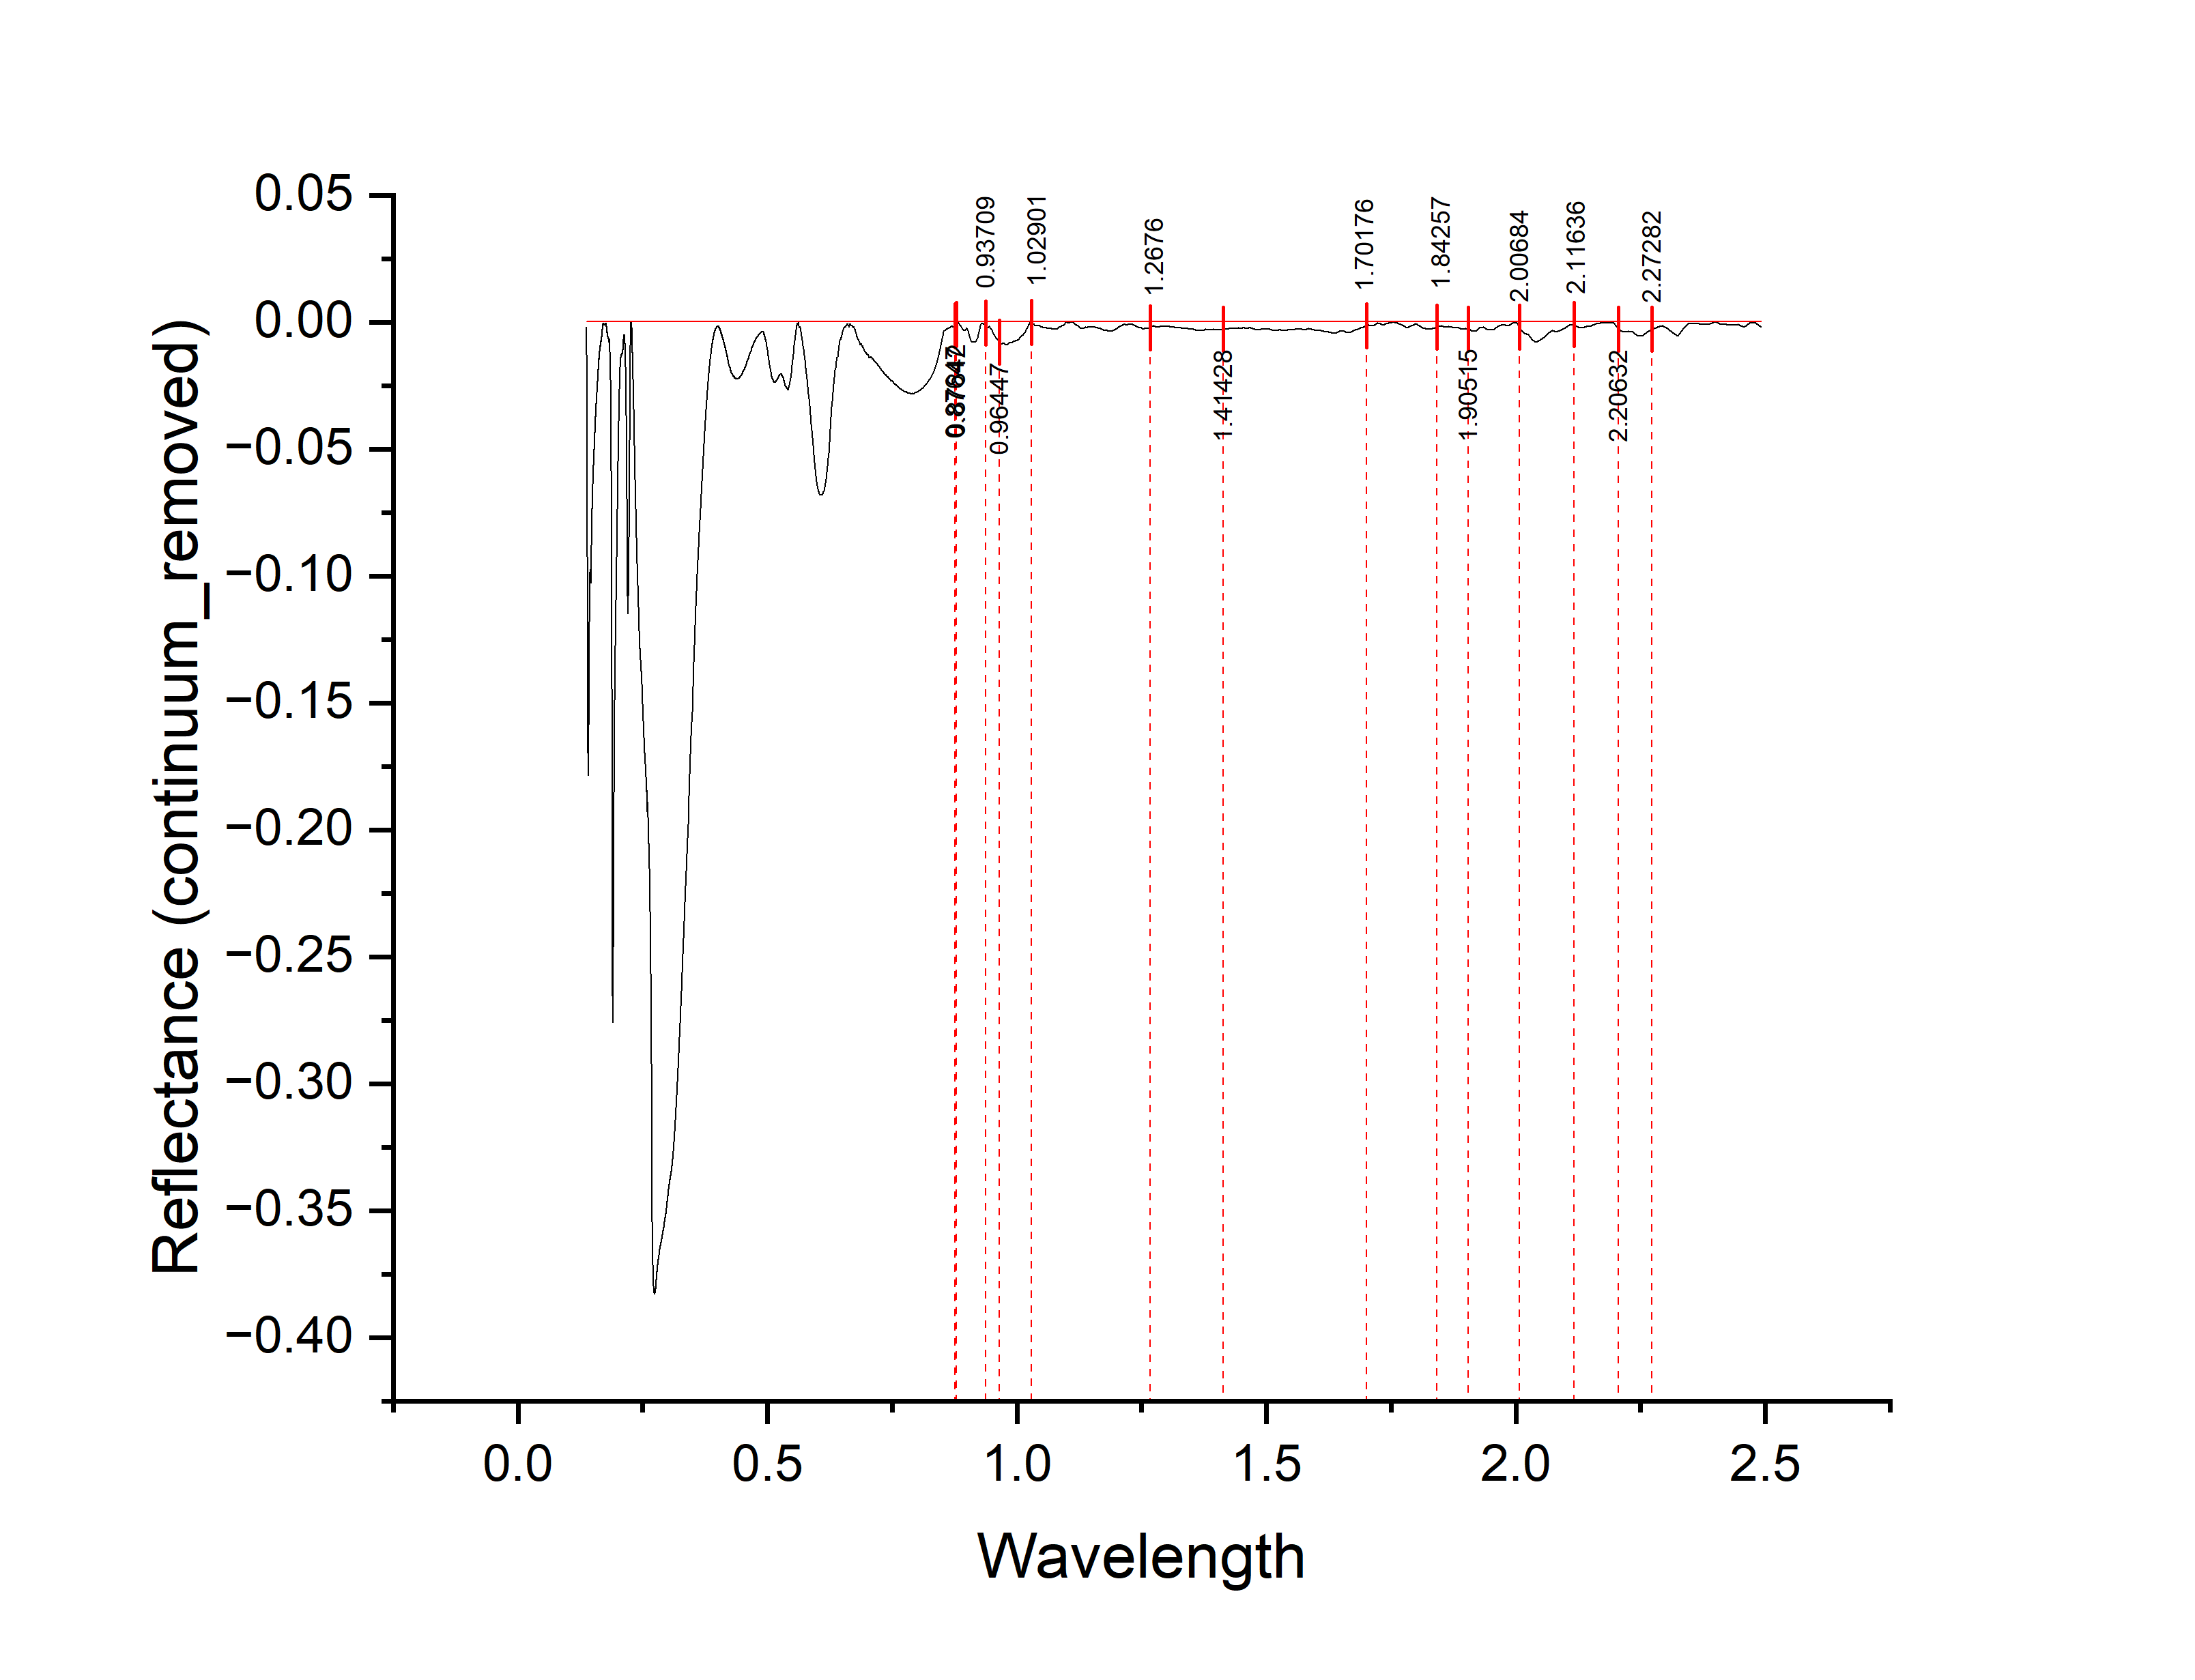
 |  |  |  |  |  |  |  |  | WAVELENGTH | reflectance | DEPTH
 |  |  |  |  |  |  |  |  | 0.13795 | -0.00191 | 0.00191
 |  |  |  |  |  |  |  |  | 0.13799 | -0.00494 | 0.00494
 |  |  |  |  |  |  |  |  | 0.13802 | -0.00787 | 0.00787
 |  |  |  |  |  |  |  |  | 0.13806 | -0.0099 | 0.0099
 |  |  |  |  |  |  |  |  | 0.1381 | -0.01093 | 0.01093
 |  |  |  |  |  |  |  |  | 0.13813 | -0.01276 | 0.01276
 |  |  |  |  |  |  |  |  | 0.13817 | -0.01519 | 0.01519
 |  |  |  |  |  |  |  |  | 0.13821 | -0.01762 | 0.01762
 |  |  |  |  |  |  |  |  | 0.13824 | -0.02005 | 0.02005
 |  |  |  |  |  |  |  |  | 0.13828 | -0.02148 | 0.02148
 |  |  |  |  |  |  |  |  | 0.13832 | -0.02321 | 0.02321
 |  |  |  |  |  |  |  |  | 0.13835 | -0.02564 | 0.02564
 |  |  |  |  |  |  |  |  | 0.13839 | -0.02727 | 0.02727
 |  |  |  |  |  |  |  |  | 0.13843 | -0.0286 | 0.0286
 |  |  |  |  |  |  |  |  | 0.13847 | -0.03103 | 0.03103
 |  |  |  |  |  |  |  |  | 0.1385 | -0.03306 | 0.03306
 |  |  |  |  |  |  |  |  | 0.13854 | -0.03499 | 0.03499
 |  |  |  |  |  |  |  |  | 0.13858 | -0.03712 | 0.03712
 |  |  |  |  |  |  |  |  | 0.13861 | -0.03895 | 0.03895
 |  |  |  |  |  |  |  |  | 0.13865 | -0.04019 | 0.04019
 |  |  |  |  |  |  |  |  | 0.13869 | -0.04182 | 0.04182
 |  |  |  |  |  |  |  |  | 0.13873 | -0.04395 | 0.04395
 |  |  |  |  |  |  |  |  | 0.13876 | -0.04638 | 0.04638
 |  |  |  |  |  |  |  |  | 0.1388 | -0.04831 | 0.04831
 |  |  |  |  |  |  |  |  | 0.13884 | -0.04964 | 0.04964
 |  |  |  |  |  |  |  |  | 0.13887 | -0.05167 | 0.05167
 |  |  |  |  |  |  |  |  | 0.13891 | -0.0535 | 0.0535
 |  |  |  |  |  |  |  |  | 0.13895 | -0.05593 | 0.05593
 |  |  |  |  |  |  |  |  | 0.13899 | -0.05756 | 0.05756
 |  |  |  |  |  |  |  |  | 0.13902 | -0.05979 | 0.05979
 |  |  |  |  |  |  |  |  | 0.13906 | -0.06202 | 0.06202
 |  |  |  |  |  |  |  |  | 0.1391 | -0.06425 | 0.06425
 |  |  |  |  |  |  |  |  | 0.13913 | -0.06618 | 0.06618
 |  |  |  |  |  |  |  |  | 0.13917 | -0.06881 | 0.06881
 |  |  |  |  |  |  |  |  | 0.13921 | -0.07214 | 0.07214
 |  |  |  |  |  |  |  |  | 0.13925 | -0.07458 | 0.07458
 |  |  |  |  |  |  |  |  | 0.13928 | -0.07641 | 0.07641
 |  |  |  |  |  |  |  |  | 0.13932 | -0.07894 | 0.07894
 |  |  |  |  |  |  |  |  | 0.13936 | -0.08137 | 0.08137
 |  |  |  |  |  |  |  |  | 0.1394 | -0.0837 | 0.0837
 |  |  |  |  |  |  |  |  | 0.13943 | -0.08673 | 0.08673
 |  |  |  |  |  |  |  |  | 0.13947 | -0.08966 | 0.08966
 |  |  |  |  |  |  |  |  | 0.13951 | -0.09219 | 0.09219
peak_number | peak_value | start | end | depth | width | left_area | right_area | TOTAL | 0.13955 | -0.09492 | 0.09492
1 | 0.96447 | 0.93709 | 1.02901 | 0.00811 | 0.09192 | 0.061288529 | 0.2142932548 | 0.2755817838 | 0.13958 | -0.09815 | 0.09815
2 | 1.41428 | 1.2676 | 1.70176 | 0.00277 | 0.43416 | 0.10139 | 0.18299 | 0.28438 | 0.13962 | -0.10118 | 0.10118
3 | 1.90515 | 1.84257 | 2.00684 | 0.00278 | 0.16427 | 0.01829 | 0.027994599 | 0.046284599 | 0.13966 | -0.10302 | 0.10302
4 | 2.20632 | 2.11636 | 2.27282 | 0.00273 | 0.15646 | 0.011460332 | 0.02574 | 0.037200332 | 0.1397 | -0.10475 | 0.10475
 |  |  |  |  |  |  |  |  | 0.13973 | -0.10748 | 0.10748
 |  |  |  |  |  |  |  |  | 0.13977 | -0.11041 | 0.11041
 |  |  |  |  |  |  |  |  | 0.13981 | -0.11304 | 0.11304
 |  |  |  |  |  |  |  |  | 0.13985 | -0.11547 | 0.11547
 |  |  |  |  |  |  |  |  | 0.13989 | -0.118 | 0.118
 |  |  |  |  |  |  |  |  | 0.13992 | -0.12043 | 0.12043
 |  |  |  |  |  |  |  |  | 0.13996 | -0.12286 | 0.12286
 |  |  |  |  |  |  |  |  | 0.14 | -0.12589 | 0.12589
 |  |  |  |  |  |  |  |  | 0.14004 | -0.12843 | 0.12843
 |  |  |  |  |  |  |  |  | 0.14007 | -0.12996 | 0.12996
 |  |  |  |  |  |  |  |  | 0.14011 | -0.13209 | 0.13209
 |  |  |  |  |  |  |  |  | 0.14015 | -0.13442 | 0.13442
 |  |  |  |  |  |  |  |  | 0.14019 | -0.13635 | 0.13635
 |  |  |  |  |  |  |  |  | 0.14023 | -0.13888 | 0.13888
 |  |  |  |  |  |  |  |  | 0.14026 | -0.14121 | 0.14121
 |  |  |  |  |  |  |  |  | 0.1403 | -0.14324 | 0.14324
 |  |  |  |  |  |  |  |  | 0.14034 | -0.14538 | 0.14538
 |  |  |  |  |  |  |  |  | 0.14038 | -0.14721 | 0.14721
 |  |  |  |  |  |  |  |  | 0.14042 | -0.14914 | 0.14914
 |  |  |  |  |  |  |  |  | 0.14045 | -0.15147 | 0.15147
 |  |  |  |  |  |  |  |  | 0.14049 | -0.1536 | 0.1536
 |  |  |  |  |  |  |  |  | 0.14053 | -0.15533 | 0.15533
 |  |  |  |  |  |  |  |  | 0.14057 | -0.15686 | 0.15686
 |  |  |  |  |  |  |  |  | 0.14061 | -0.15839 | 0.15839
 |  |  |  |  |  |  |  |  | 0.14064 | -0.16043 | 0.16043
 |  |  |  |  |  |  |  |  | 0.14068 | -0.16226 | 0.16226
 |  |  |  |  |  |  |  |  | 0.14072 | -0.16369 | 0.16369
 |  |  |  |  |  |  |  |  | 0.14076 | -0.16522 | 0.16522
 |  |  |  |  |  |  |  |  | 0.1408 | -0.16655 | 0.16655
 |  |  |  |  |  |  |  |  | 0.14084 | -0.16798 | 0.16798
 |  |  |  |  |  |  |  |  | 0.14087 | -0.16981 | 0.16981
 |  |  |  |  |  |  |  |  | 0.14091 | -0.17155 | 0.17155
 |  |  |  |  |  |  |  |  | 0.14095 | -0.17238 | 0.17238
 |  |  |  |  |  |  |  |  | 0.14099 | -0.17321 | 0.17321
 |  |  |  |  |  |  |  |  | 0.14103 | -0.17424 | 0.17424
 |  |  |  |  |  |  |  |  | 0.14107 | -0.17497 | 0.17497
 |  |  |  |  |  |  |  |  | 0.1411 | -0.1757 | 0.1757
 |  |  |  |  |  |  |  |  | 0.14114 | -0.17624 | 0.17624
 |  |  |  |  |  |  |  |  | 0.14118 | -0.17657 | 0.17657
 |  |  |  |  |  |  |  |  | 0.14122 | -0.1772 | 0.1772
 |  |  |  |  |  |  |  |  | 0.14126 | -0.17773 | 0.17773
 |  |  |  |  |  |  |  |  | 0.1413 | -0.17836 | 0.17836
 |  |  |  |  |  |  |  |  | 0.14133 | -0.17839 | 0.17839
 |  |  |  |  |  |  |  |  | 0.14137 | -0.17863 | 0.17863
 |  |  |  |  |  |  |  |  | 0.14141 | -0.17836 | 0.17836
 |  |  |  |  |  |  |  |  | 0.14145 | -0.17759 | 0.17759
 |  |  |  |  |  |  |  |  | 0.14149 | -0.17682 | 0.17682
 |  |  |  |  |  |  |  |  | 0.14153 | -0.17655 | 0.17655
 |  |  |  |  |  |  |  |  | 0.14157 | -0.17618 | 0.17618
 |  |  |  |  |  |  |  |  | 0.1416 | -0.17572 | 0.17572
 |  |  |  |  |  |  |  |  | 0.14164 | -0.17505 | 0.17505
 |  |  |  |  |  |  |  |  | 0.14168 | -0.17428 | 0.17428
 |  |  |  |  |  |  |  |  | 0.14172 | -0.17321 | 0.17321
 |  |  |  |  |  |  |  |  | 0.14176 | -0.17244 | 0.17244
 |  |  |  |  |  |  |  |  | 0.1418 | -0.17178 | 0.17178
 |  |  |  |  |  |  |  |  | 0.14184 | -0.17091 | 0.17091
 |  |  |  |  |  |  |  |  | 0.14188 | -0.17004 | 0.17004
 |  |  |  |  |  |  |  |  | 0.14191 | -0.16927 | 0.16927
 |  |  |  |  |  |  |  |  | 0.14195 | -0.1682 | 0.1682
 |  |  |  |  |  |  |  |  | 0.14199 | -0.16734 | 0.16734
 |  |  |  |  |  |  |  |  | 0.14203 | -0.16647 | 0.16647
 |  |  |  |  |  |  |  |  | 0.14207 | -0.1652 | 0.1652
 |  |  |  |  |  |  |  |  | 0.14211 | -0.16413 | 0.16413
 |  |  |  |  |  |  |  |  | 0.14215 | -0.16306 | 0.16306
 |  |  |  |  |  |  |  |  | 0.14219 | -0.1615 | 0.1615
 |  |  |  |  |  |  |  |  | 0.14223 | -0.16003 | 0.16003
 |  |  |  |  |  |  |  |  | 0.14227 | -0.15876 | 0.15876
 |  |  |  |  |  |  |  |  | 0.1423 | -0.15749 | 0.15749
 |  |  |  |  |  |  |  |  | 0.14234 | -0.15612 | 0.15612
 |  |  |  |  |  |  |  |  | 0.14238 | -0.15476 | 0.15476
 |  |  |  |  |  |  |  |  | 0.14242 | -0.15359 | 0.15359
 |  |  |  |  |  |  |  |  | 0.14246 | -0.15242 | 0.15242
 |  |  |  |  |  |  |  |  | 0.1425 | -0.15115 | 0.15115
 |  |  |  |  |  |  |  |  | 0.14254 | -0.14979 | 0.14979
 |  |  |  |  |  |  |  |  | 0.14258 | -0.14832 | 0.14832
 |  |  |  |  |  |  |  |  | 0.14262 | -0.14695 | 0.14695
 |  |  |  |  |  |  |  |  | 0.14266 | -0.14608 | 0.14608
 |  |  |  |  |  |  |  |  | 0.1427 | -0.14471 | 0.14471
 |  |  |  |  |  |  |  |  | 0.14274 | -0.14335 | 0.14335
 |  |  |  |  |  |  |  |  | 0.14277 | -0.14208 | 0.14208
 |  |  |  |  |  |  |  |  | 0.14281 | -0.14071 | 0.14071
 |  |  |  |  |  |  |  |  | 0.14285 | -0.13904 | 0.13904
 |  |  |  |  |  |  |  |  | 0.14289 | -0.13758 | 0.13758
 |  |  |  |  |  |  |  |  | 0.14293 | -0.13701 | 0.13701
 |  |  |  |  |  |  |  |  | 0.14297 | -0.13584 | 0.13584
 |  |  |  |  |  |  |  |  | 0.14301 | -0.13447 | 0.13447
 |  |  |  |  |  |  |  |  | 0.14305 | -0.13311 | 0.13311
 |  |  |  |  |  |  |  |  | 0.14309 | -0.13194 | 0.13194
 |  |  |  |  |  |  |  |  | 0.14313 | -0.13067 | 0.13067
 |  |  |  |  |  |  |  |  | 0.14317 | -0.1297 | 0.1297
 |  |  |  |  |  |  |  |  | 0.14321 | -0.12854 | 0.12854
 |  |  |  |  |  |  |  |  | 0.14325 | -0.12687 | 0.12687
 |  |  |  |  |  |  |  |  | 0.14329 | -0.1259 | 0.1259
 |  |  |  |  |  |  |  |  | 0.14333 | -0.12523 | 0.12523
 |  |  |  |  |  |  |  |  | 0.14337 | -0.12417 | 0.12417
 |  |  |  |  |  |  |  |  | 0.14341 | -0.1231 | 0.1231
 |  |  |  |  |  |  |  |  | 0.14345 | -0.12193 | 0.12193
 |  |  |  |  |  |  |  |  | 0.14349 | -0.12057 | 0.12057
 |  |  |  |  |  |  |  |  | 0.14353 | -0.1194 | 0.1194
 |  |  |  |  |  |  |  |  | 0.14357 | -0.11873 | 0.11873
 |  |  |  |  |  |  |  |  | 0.14361 | -0.11806 | 0.11806
 |  |  |  |  |  |  |  |  | 0.14365 | -0.1166 | 0.1166
 |  |  |  |  |  |  |  |  | 0.14368 | -0.11543 | 0.11543
 |  |  |  |  |  |  |  |  | 0.14372 | -0.11516 | 0.11516
 |  |  |  |  |  |  |  |  | 0.14376 | -0.11459 | 0.11459
 |  |  |  |  |  |  |  |  | 0.1438 | -0.11373 | 0.11373
 |  |  |  |  |  |  |  |  | 0.14384 | -0.11296 | 0.11296
 |  |  |  |  |  |  |  |  | 0.14388 | -0.11189 | 0.11189
 |  |  |  |  |  |  |  |  | 0.14392 | -0.11103 | 0.11103
 |  |  |  |  |  |  |  |  | 0.14396 | -0.10996 | 0.10996
 |  |  |  |  |  |  |  |  | 0.144 | -0.10909 | 0.10909
 |  |  |  |  |  |  |  |  | 0.14404 | -0.10842 | 0.10842
 |  |  |  |  |  |  |  |  | 0.14408 | -0.10816 | 0.10816
 |  |  |  |  |  |  |  |  | 0.14412 | -0.10749 | 0.10749
 |  |  |  |  |  |  |  |  | 0.14416 | -0.10672 | 0.10672
 |  |  |  |  |  |  |  |  | 0.1442 | -0.10586 | 0.10586
 |  |  |  |  |  |  |  |  | 0.14424 | -0.10499 | 0.10499
 |  |  |  |  |  |  |  |  | 0.14428 | -0.10452 | 0.10452
 |  |  |  |  |  |  |  |  | 0.14432 | -0.10406 | 0.10406
 |  |  |  |  |  |  |  |  | 0.14437 | -0.10369 | 0.10369
 |  |  |  |  |  |  |  |  | 0.14441 | -0.10312 | 0.10312
 |  |  |  |  |  |  |  |  | 0.14445 | -0.10245 | 0.10245
 |  |  |  |  |  |  |  |  | 0.14449 | -0.10189 | 0.10189
 |  |  |  |  |  |  |  |  | 0.14453 | -0.10182 | 0.10182
 |  |  |  |  |  |  |  |  | 0.14457 | -0.10165 | 0.10165
 |  |  |  |  |  |  |  |  | 0.14461 | -0.10119 | 0.10119
 |  |  |  |  |  |  |  |  | 0.14465 | -0.10072 | 0.10072
 |  |  |  |  |  |  |  |  | 0.14469 | -0.10025 | 0.10025
 |  |  |  |  |  |  |  |  | 0.14473 | -0.09979 | 0.09979
 |  |  |  |  |  |  |  |  | 0.14477 | -0.09952 | 0.09952
 |  |  |  |  |  |  |  |  | 0.14481 | -0.09905 | 0.09905
 |  |  |  |  |  |  |  |  | 0.14485 | -0.09849 | 0.09849
 |  |  |  |  |  |  |  |  | 0.14489 | -0.09842 | 0.09842
 |  |  |  |  |  |  |  |  | 0.14493 | -0.09855 | 0.09855
 |  |  |  |  |  |  |  |  | 0.14497 | -0.09849 | 0.09849
 |  |  |  |  |  |  |  |  | 0.14501 | -0.09842 | 0.09842
 |  |  |  |  |  |  |  |  | 0.14505 | -0.09835 | 0.09835
 |  |  |  |  |  |  |  |  | 0.14509 | -0.09799 | 0.09799
 |  |  |  |  |  |  |  |  | 0.14513 | -0.09762 | 0.09762
 |  |  |  |  |  |  |  |  | 0.14517 | -0.09735 | 0.09735
 |  |  |  |  |  |  |  |  | 0.14521 | -0.09759 | 0.09759
 |  |  |  |  |  |  |  |  | 0.14526 | -0.09772 | 0.09772
 |  |  |  |  |  |  |  |  | 0.1453 | -0.09765 | 0.09765
 |  |  |  |  |  |  |  |  | 0.14534 | -0.09799 | 0.09799
 |  |  |  |  |  |  |  |  | 0.14538 | -0.09792 | 0.09792
 |  |  |  |  |  |  |  |  | 0.14542 | -0.09806 | 0.09806
 |  |  |  |  |  |  |  |  | 0.14546 | -0.09819 | 0.09819
 |  |  |  |  |  |  |  |  | 0.1455 | -0.09812 | 0.09812
 |  |  |  |  |  |  |  |  | 0.14554 | -0.09836 | 0.09836
 |  |  |  |  |  |  |  |  | 0.14558 | -0.09869 | 0.09869
 |  |  |  |  |  |  |  |  | 0.14562 | -0.09842 | 0.09842
 |  |  |  |  |  |  |  |  | 0.14566 | -0.09836 | 0.09836
 |  |  |  |  |  |  |  |  | 0.1457 | -0.09889 | 0.09889
 |  |  |  |  |  |  |  |  | 0.14575 | -0.09922 | 0.09922
 |  |  |  |  |  |  |  |  | 0.14579 | -0.09936 | 0.09936
 |  |  |  |  |  |  |  |  | 0.14583 | -0.09979 | 0.09979
 |  |  |  |  |  |  |  |  | 0.14587 | -0.10003 | 0.10003
 |  |  |  |  |  |  |  |  | 0.14591 | -0.09996 | 0.09996
 |  |  |  |  |  |  |  |  | 0.14595 | -0.10039 | 0.10039
 |  |  |  |  |  |  |  |  | 0.14599 | -0.10083 | 0.10083
 |  |  |  |  |  |  |  |  | 0.14603 | -0.10106 | 0.10106
 |  |  |  |  |  |  |  |  | 0.14607 | -0.10109 | 0.10109
 |  |  |  |  |  |  |  |  | 0.14611 | -0.10153 | 0.10153
 |  |  |  |  |  |  |  |  | 0.14616 | -0.10166 | 0.10166
 |  |  |  |  |  |  |  |  | 0.1462 | -0.1016 | 0.1016
 |  |  |  |  |  |  |  |  | 0.14624 | -0.10153 | 0.10153
 |  |  |  |  |  |  |  |  | 0.14628 | -0.10186 | 0.10186
 |  |  |  |  |  |  |  |  | 0.14632 | -0.1021 | 0.1021
 |  |  |  |  |  |  |  |  | 0.14636 | -0.10223 | 0.10223
 |  |  |  |  |  |  |  |  | 0.1464 | -0.10247 | 0.10247
 |  |  |  |  |  |  |  |  | 0.14645 | -0.1025 | 0.1025
 |  |  |  |  |  |  |  |  | 0.14649 | -0.10263 | 0.10263
 |  |  |  |  |  |  |  |  | 0.14653 | -0.10237 | 0.10237
 |  |  |  |  |  |  |  |  | 0.14657 | -0.1022 | 0.1022
 |  |  |  |  |  |  |  |  | 0.14661 | -0.10244 | 0.10244
 |  |  |  |  |  |  |  |  | 0.14665 | -0.10237 | 0.10237
 |  |  |  |  |  |  |  |  | 0.14669 | -0.10171 | 0.10171
 |  |  |  |  |  |  |  |  | 0.14674 | -0.10124 | 0.10124
 |  |  |  |  |  |  |  |  | 0.14678 | -0.10107 | 0.10107
 |  |  |  |  |  |  |  |  | 0.14682 | -0.10091 | 0.10091
 |  |  |  |  |  |  |  |  | 0.14686 | -0.10044 | 0.10044
 |  |  |  |  |  |  |  |  | 0.1469 | -0.09958 | 0.09958
 |  |  |  |  |  |  |  |  | 0.14694 | -0.09901 | 0.09901
 |  |  |  |  |  |  |  |  | 0.14698 | -0.09854 | 0.09854
 |  |  |  |  |  |  |  |  | 0.14703 | -0.09798 | 0.09798
 |  |  |  |  |  |  |  |  | 0.14707 | -0.09751 | 0.09751
 |  |  |  |  |  |  |  |  | 0.14711 | -0.09715 | 0.09715
 |  |  |  |  |  |  |  |  | 0.14715 | -0.09638 | 0.09638
 |  |  |  |  |  |  |  |  | 0.14719 | -0.09582 | 0.09582
 |  |  |  |  |  |  |  |  | 0.14724 | -0.09515 | 0.09515
 |  |  |  |  |  |  |  |  | 0.14728 | -0.09449 | 0.09449
 |  |  |  |  |  |  |  |  | 0.14732 | -0.09402 | 0.09402
 |  |  |  |  |  |  |  |  | 0.14736 | -0.09345 | 0.09345
 |  |  |  |  |  |  |  |  | 0.1474 | -0.09289 | 0.09289
 |  |  |  |  |  |  |  |  | 0.14744 | -0.09232 | 0.09232
 |  |  |  |  |  |  |  |  | 0.14749 | -0.09166 | 0.09166
 |  |  |  |  |  |  |  |  | 0.14753 | -0.09079 | 0.09079
 |  |  |  |  |  |  |  |  | 0.14757 | -0.09013 | 0.09013
 |  |  |  |  |  |  |  |  | 0.14761 | -0.08956 | 0.08956
 |  |  |  |  |  |  |  |  | 0.14765 | -0.0891 | 0.0891
 |  |  |  |  |  |  |  |  | 0.1477 | -0.08853 | 0.08853
 |  |  |  |  |  |  |  |  | 0.14774 | -0.08787 | 0.08787
 |  |  |  |  |  |  |  |  | 0.14778 | -0.0875 | 0.0875
 |  |  |  |  |  |  |  |  | 0.14782 | -0.08693 | 0.08693
 |  |  |  |  |  |  |  |  | 0.14787 | -0.08637 | 0.08637
 |  |  |  |  |  |  |  |  | 0.14791 | -0.0859 | 0.0859
 |  |  |  |  |  |  |  |  | 0.14795 | -0.08534 | 0.08534
 |  |  |  |  |  |  |  |  | 0.14799 | -0.08467 | 0.08467
 |  |  |  |  |  |  |  |  | 0.14803 | -0.08441 | 0.08441
 |  |  |  |  |  |  |  |  | 0.14808 | -0.08434 | 0.08434
 |  |  |  |  |  |  |  |  | 0.14812 | -0.08378 | 0.08378
 |  |  |  |  |  |  |  |  | 0.14816 | -0.08321 | 0.08321
 |  |  |  |  |  |  |  |  | 0.1482 | -0.08275 | 0.08275
 |  |  |  |  |  |  |  |  | 0.14825 | -0.08208 | 0.08208
 |  |  |  |  |  |  |  |  | 0.14829 | -0.08172 | 0.08172
 |  |  |  |  |  |  |  |  | 0.14833 | -0.08135 | 0.08135
 |  |  |  |  |  |  |  |  | 0.14837 | -0.08059 | 0.08059
 |  |  |  |  |  |  |  |  | 0.14842 | -0.07962 | 0.07962
 |  |  |  |  |  |  |  |  | 0.14846 | -0.07936 | 0.07936
 |  |  |  |  |  |  |  |  | 0.1485 | -0.07889 | 0.07889
 |  |  |  |  |  |  |  |  | 0.14854 | -0.07873 | 0.07873
 |  |  |  |  |  |  |  |  | 0.14859 | -0.07856 | 0.07856
 |  |  |  |  |  |  |  |  | 0.14863 | -0.0781 | 0.0781
 |  |  |  |  |  |  |  |  | 0.14867 | -0.07753 | 0.07753
 |  |  |  |  |  |  |  |  | 0.14871 | -0.07727 | 0.07727
 |  |  |  |  |  |  |  |  | 0.14876 | -0.0767 | 0.0767
 |  |  |  |  |  |  |  |  | 0.1488 | -0.07624 | 0.07624
 |  |  |  |  |  |  |  |  | 0.14884 | -0.07567 | 0.07567
 |  |  |  |  |  |  |  |  | 0.14888 | -0.07551 | 0.07551
 |  |  |  |  |  |  |  |  | 0.14893 | -0.07514 | 0.07514
 |  |  |  |  |  |  |  |  | 0.14897 | -0.07478 | 0.07478
 |  |  |  |  |  |  |  |  | 0.14901 | -0.07411 | 0.07411
 |  |  |  |  |  |  |  |  | 0.14906 | -0.07385 | 0.07385
 |  |  |  |  |  |  |  |  | 0.1491 | -0.07348 | 0.07348
 |  |  |  |  |  |  |  |  | 0.14914 | -0.07332 | 0.07332
 |  |  |  |  |  |  |  |  | 0.14918 | -0.07306 | 0.07306
 |  |  |  |  |  |  |  |  | 0.14923 | -0.07279 | 0.07279
 |  |  |  |  |  |  |  |  | 0.14927 | -0.07233 | 0.07233
 |  |  |  |  |  |  |  |  | 0.14931 | -0.07186 | 0.07186
 |  |  |  |  |  |  |  |  | 0.14936 | -0.0714 | 0.0714
 |  |  |  |  |  |  |  |  | 0.1494 | -0.07113 | 0.07113
 |  |  |  |  |  |  |  |  | 0.14944 | -0.07067 | 0.07067
 |  |  |  |  |  |  |  |  | 0.14949 | -0.0705 | 0.0705
 |  |  |  |  |  |  |  |  | 0.14953 | -0.07014 | 0.07014
 |  |  |  |  |  |  |  |  | 0.14957 | -0.06987 | 0.06987
 |  |  |  |  |  |  |  |  | 0.14961 | -0.06931 | 0.06931
 |  |  |  |  |  |  |  |  | 0.14966 | -0.06875 | 0.06875
 |  |  |  |  |  |  |  |  | 0.1497 | -0.06848 | 0.06848
 |  |  |  |  |  |  |  |  | 0.14974 | -0.06862 | 0.06862
 |  |  |  |  |  |  |  |  | 0.14979 | -0.06815 | 0.06815
 |  |  |  |  |  |  |  |  | 0.14983 | -0.06769 | 0.06769
 |  |  |  |  |  |  |  |  | 0.14987 | -0.06722 | 0.06722
 |  |  |  |  |  |  |  |  | 0.14992 | -0.06706 | 0.06706
 |  |  |  |  |  |  |  |  | 0.14996 | -0.06689 | 0.06689
 |  |  |  |  |  |  |  |  | 0.15 | -0.06653 | 0.06653
 |  |  |  |  |  |  |  |  | 0.15005 | -0.06617 | 0.06617
 |  |  |  |  |  |  |  |  | 0.15009 | -0.0656 | 0.0656
 |  |  |  |  |  |  |  |  | 0.15013 | -0.06554 | 0.06554
 |  |  |  |  |  |  |  |  | 0.15018 | -0.06537 | 0.06537
 |  |  |  |  |  |  |  |  | 0.15022 | -0.06491 | 0.06491
 |  |  |  |  |  |  |  |  | 0.15027 | -0.06464 | 0.06464
 |  |  |  |  |  |  |  |  | 0.15031 | -0.06428 | 0.06428
 |  |  |  |  |  |  |  |  | 0.15035 | -0.06402 | 0.06402
 |  |  |  |  |  |  |  |  | 0.1504 | -0.06405 | 0.06405
 |  |  |  |  |  |  |  |  | 0.15044 | -0.06369 | 0.06369
 |  |  |  |  |  |  |  |  | 0.15048 | -0.06332 | 0.06332
 |  |  |  |  |  |  |  |  | 0.15053 | -0.06316 | 0.06316
 |  |  |  |  |  |  |  |  | 0.15057 | -0.0631 | 0.0631
 |  |  |  |  |  |  |  |  | 0.15061 | -0.06253 | 0.06253
 |  |  |  |  |  |  |  |  | 0.15066 | -0.06227 | 0.06227
 |  |  |  |  |  |  |  |  | 0.1507 | -0.0626 | 0.0626
 |  |  |  |  |  |  |  |  | 0.15075 | -0.06254 | 0.06254
 |  |  |  |  |  |  |  |  | 0.15079 | -0.06188 | 0.06188
 |  |  |  |  |  |  |  |  | 0.15083 | -0.06141 | 0.06141
 |  |  |  |  |  |  |  |  | 0.15088 | -0.06105 | 0.06105
 |  |  |  |  |  |  |  |  | 0.15092 | -0.06089 | 0.06089
 |  |  |  |  |  |  |  |  | 0.15097 | -0.06062 | 0.06062
 |  |  |  |  |  |  |  |  | 0.15101 | -0.06026 | 0.06026
 |  |  |  |  |  |  |  |  | 0.15105 | -0.05979 | 0.05979
 |  |  |  |  |  |  |  |  | 0.1511 | -0.05953 | 0.05953
 |  |  |  |  |  |  |  |  | 0.15114 | -0.05947 | 0.05947
 |  |  |  |  |  |  |  |  | 0.15119 | -0.0598 | 0.0598
 |  |  |  |  |  |  |  |  | 0.15123 | -0.05944 | 0.05944
 |  |  |  |  |  |  |  |  | 0.15127 | -0.05898 | 0.05898
 |  |  |  |  |  |  |  |  | 0.15132 | -0.05861 | 0.05861
 |  |  |  |  |  |  |  |  | 0.15136 | -0.05835 | 0.05835
 |  |  |  |  |  |  |  |  | 0.15141 | -0.05828 | 0.05828
 |  |  |  |  |  |  |  |  | 0.15145 | -0.05812 | 0.05812
 |  |  |  |  |  |  |  |  | 0.15149 | -0.05756 | 0.05756
 |  |  |  |  |  |  |  |  | 0.15154 | -0.05719 | 0.05719
 |  |  |  |  |  |  |  |  | 0.15158 | -0.05723 | 0.05723
 |  |  |  |  |  |  |  |  | 0.15163 | -0.05697 | 0.05697
 |  |  |  |  |  |  |  |  | 0.15167 | -0.0568 | 0.0568
 |  |  |  |  |  |  |  |  | 0.15172 | -0.05674 | 0.05674
 |  |  |  |  |  |  |  |  | 0.15176 | -0.05648 | 0.05648
 |  |  |  |  |  |  |  |  | 0.15181 | -0.05621 | 0.05621
 |  |  |  |  |  |  |  |  | 0.15185 | -0.05585 | 0.05585
 |  |  |  |  |  |  |  |  | 0.15189 | -0.05569 | 0.05569
 |  |  |  |  |  |  |  |  | 0.15194 | -0.05542 | 0.05542
 |  |  |  |  |  |  |  |  | 0.15198 | -0.05526 | 0.05526
 |  |  |  |  |  |  |  |  | 0.15203 | -0.0551 | 0.0551
 |  |  |  |  |  |  |  |  | 0.15207 | -0.05523 | 0.05523
 |  |  |  |  |  |  |  |  | 0.15212 | -0.05497 | 0.05497
 |  |  |  |  |  |  |  |  | 0.15216 | -0.05471 | 0.05471
 |  |  |  |  |  |  |  |  | 0.15221 | -0.05454 | 0.05454
 |  |  |  |  |  |  |  |  | 0.15225 | -0.05418 | 0.05418
 |  |  |  |  |  |  |  |  | 0.1523 | -0.05402 | 0.05402
 |  |  |  |  |  |  |  |  | 0.15234 | -0.05385 | 0.05385
 |  |  |  |  |  |  |  |  | 0.15239 | -0.05379 | 0.05379
 |  |  |  |  |  |  |  |  | 0.15243 | -0.05353 | 0.05353
 |  |  |  |  |  |  |  |  | 0.15248 | -0.05316 | 0.05316
 |  |  |  |  |  |  |  |  | 0.15252 | -0.0529 | 0.0529
 |  |  |  |  |  |  |  |  | 0.15256 | -0.05294 | 0.05294
 |  |  |  |  |  |  |  |  | 0.15261 | -0.05267 | 0.05267
 |  |  |  |  |  |  |  |  | 0.15265 | -0.05251 | 0.05251
 |  |  |  |  |  |  |  |  | 0.1527 | -0.05215 | 0.05215
 |  |  |  |  |  |  |  |  | 0.15274 | -0.05199 | 0.05199
 |  |  |  |  |  |  |  |  | 0.15279 | -0.05172 | 0.05172
 |  |  |  |  |  |  |  |  | 0.15283 | -0.05156 | 0.05156
 |  |  |  |  |  |  |  |  | 0.15288 | -0.0514 | 0.0514
 |  |  |  |  |  |  |  |  | 0.15292 | -0.05133 | 0.05133
 |  |  |  |  |  |  |  |  | 0.15297 | -0.05097 | 0.05097
 |  |  |  |  |  |  |  |  | 0.15302 | -0.05091 | 0.05091
 |  |  |  |  |  |  |  |  | 0.15306 | -0.05075 | 0.05075
 |  |  |  |  |  |  |  |  | 0.15311 | -0.05038 | 0.05038
 |  |  |  |  |  |  |  |  | 0.15315 | -0.05012 | 0.05012
 |  |  |  |  |  |  |  |  | 0.1532 | -0.04996 | 0.04996
 |  |  |  |  |  |  |  |  | 0.15324 | -0.04979 | 0.04979
 |  |  |  |  |  |  |  |  | 0.15329 | -0.04943 | 0.04943
 |  |  |  |  |  |  |  |  | 0.15333 | -0.04927 | 0.04927
 |  |  |  |  |  |  |  |  | 0.15338 | -0.04941 | 0.04941
 |  |  |  |  |  |  |  |  | 0.15342 | -0.04934 | 0.04934
 |  |  |  |  |  |  |  |  | 0.15347 | -0.04888 | 0.04888
 |  |  |  |  |  |  |  |  | 0.15351 | -0.04872 | 0.04872
 |  |  |  |  |  |  |  |  | 0.15356 | -0.04856 | 0.04856
 |  |  |  |  |  |  |  |  | 0.1536 | -0.04799 | 0.04799
 |  |  |  |  |  |  |  |  | 0.15365 | -0.04763 | 0.04763
 |  |  |  |  |  |  |  |  | 0.1537 | -0.04747 | 0.04747
 |  |  |  |  |  |  |  |  | 0.15374 | -0.04731 | 0.04731
 |  |  |  |  |  |  |  |  | 0.15379 | -0.04724 | 0.04724
 |  |  |  |  |  |  |  |  | 0.15383 | -0.04678 | 0.04678
 |  |  |  |  |  |  |  |  | 0.15388 | -0.04672 | 0.04672
 |  |  |  |  |  |  |  |  | 0.15392 | -0.04646 | 0.04646
 |  |  |  |  |  |  |  |  | 0.15397 | -0.04599 | 0.04599
 |  |  |  |  |  |  |  |  | 0.15402 | -0.04593 | 0.04593
 |  |  |  |  |  |  |  |  | 0.15406 | -0.04587 | 0.04587
 |  |  |  |  |  |  |  |  | 0.15411 | -0.04571 | 0.04571
 |  |  |  |  |  |  |  |  | 0.15415 | -0.04554 | 0.04554
 |  |  |  |  |  |  |  |  | 0.1542 | -0.04538 | 0.04538
 |  |  |  |  |  |  |  |  | 0.15424 | -0.04522 | 0.04522
 |  |  |  |  |  |  |  |  | 0.15429 | -0.04486 | 0.04486
 |  |  |  |  |  |  |  |  | 0.15434 | -0.0444 | 0.0444
 |  |  |  |  |  |  |  |  | 0.15438 | -0.04423 | 0.04423
 |  |  |  |  |  |  |  |  | 0.15443 | -0.04417 | 0.04417
 |  |  |  |  |  |  |  |  | 0.15447 | -0.04371 | 0.04371
 |  |  |  |  |  |  |  |  | 0.15452 | -0.04355 | 0.04355
 |  |  |  |  |  |  |  |  | 0.15457 | -0.04339 | 0.04339
 |  |  |  |  |  |  |  |  | 0.15461 | -0.04342 | 0.04342
 |  |  |  |  |  |  |  |  | 0.15466 | -0.04346 | 0.04346
 |  |  |  |  |  |  |  |  | 0.1547 | -0.0431 | 0.0431
 |  |  |  |  |  |  |  |  | 0.15475 | -0.04274 | 0.04274
 |  |  |  |  |  |  |  |  | 0.1548 | -0.04247 | 0.04247
 |  |  |  |  |  |  |  |  | 0.15484 | -0.04241 | 0.04241
 |  |  |  |  |  |  |  |  | 0.15489 | -0.04205 | 0.04205
 |  |  |  |  |  |  |  |  | 0.15494 | -0.04189 | 0.04189
 |  |  |  |  |  |  |  |  | 0.15498 | -0.04153 | 0.04153
 |  |  |  |  |  |  |  |  | 0.15503 | -0.04117 | 0.04117
 |  |  |  |  |  |  |  |  | 0.15507 | -0.0407 | 0.0407
 |  |  |  |  |  |  |  |  | 0.15512 | -0.04044 | 0.04044
 |  |  |  |  |  |  |  |  | 0.15517 | -0.04038 | 0.04038
 |  |  |  |  |  |  |  |  | 0.15521 | -0.04022 | 0.04022
 |  |  |  |  |  |  |  |  | 0.15526 | -0.04016 | 0.04016
 |  |  |  |  |  |  |  |  | 0.15531 | -0.04009 | 0.04009
 |  |  |  |  |  |  |  |  | 0.15535 | -0.03993 | 0.03993
 |  |  |  |  |  |  |  |  | 0.1554 | -0.03947 | 0.03947
 |  |  |  |  |  |  |  |  | 0.15545 | -0.03921 | 0.03921
 |  |  |  |  |  |  |  |  | 0.15549 | -0.03895 | 0.03895
 |  |  |  |  |  |  |  |  | 0.15554 | -0.03879 | 0.03879
 |  |  |  |  |  |  |  |  | 0.15559 | -0.03862 | 0.03862
 |  |  |  |  |  |  |  |  | 0.15563 | -0.03836 | 0.03836
 |  |  |  |  |  |  |  |  | 0.15568 | -0.038 | 0.038
 |  |  |  |  |  |  |  |  | 0.15573 | -0.03784 | 0.03784
 |  |  |  |  |  |  |  |  | 0.15577 | -0.03778 | 0.03778
 |  |  |  |  |  |  |  |  | 0.15582 | -0.03762 | 0.03762
 |  |  |  |  |  |  |  |  | 0.15587 | -0.03736 | 0.03736
 |  |  |  |  |  |  |  |  | 0.15591 | -0.03729 | 0.03729
 |  |  |  |  |  |  |  |  | 0.15596 | -0.03713 | 0.03713
 |  |  |  |  |  |  |  |  | 0.15601 | -0.03677 | 0.03677
 |  |  |  |  |  |  |  |  | 0.15606 | -0.03651 | 0.03651
 |  |  |  |  |  |  |  |  | 0.1561 | -0.03675 | 0.03675
 |  |  |  |  |  |  |  |  | 0.15615 | -0.03649 | 0.03649
 |  |  |  |  |  |  |  |  | 0.1562 | -0.03613 | 0.03613
 |  |  |  |  |  |  |  |  | 0.15624 | -0.03587 | 0.03587
 |  |  |  |  |  |  |  |  | 0.15629 | -0.0356 | 0.0356
 |  |  |  |  |  |  |  |  | 0.15634 | -0.03534 | 0.03534
 |  |  |  |  |  |  |  |  | 0.15638 | -0.03528 | 0.03528
 |  |  |  |  |  |  |  |  | 0.15643 | -0.03502 | 0.03502
 |  |  |  |  |  |  |  |  | 0.15648 | -0.03486 | 0.03486
 |  |  |  |  |  |  |  |  | 0.15653 | -0.0348 | 0.0348
 |  |  |  |  |  |  |  |  | 0.15657 | -0.03464 | 0.03464
 |  |  |  |  |  |  |  |  | 0.15662 | -0.03448 | 0.03448
 |  |  |  |  |  |  |  |  | 0.15667 | -0.03442 | 0.03442
 |  |  |  |  |  |  |  |  | 0.15672 | -0.03415 | 0.03415
 |  |  |  |  |  |  |  |  | 0.15676 | -0.03409 | 0.03409
 |  |  |  |  |  |  |  |  | 0.15681 | -0.03363 | 0.03363
 |  |  |  |  |  |  |  |  | 0.15686 | -0.03357 | 0.03357
 |  |  |  |  |  |  |  |  | 0.15691 | -0.03341 | 0.03341
 |  |  |  |  |  |  |  |  | 0.15695 | -0.03335 | 0.03335
 |  |  |  |  |  |  |  |  | 0.157 | -0.03309 | 0.03309
 |  |  |  |  |  |  |  |  | 0.15705 | -0.03273 | 0.03273
 |  |  |  |  |  |  |  |  | 0.1571 | -0.03257 | 0.03257
 |  |  |  |  |  |  |  |  | 0.15714 | -0.03241 | 0.03241
 |  |  |  |  |  |  |  |  | 0.15719 | -0.03215 | 0.03215
 |  |  |  |  |  |  |  |  | 0.15724 | -0.03208 | 0.03208
 |  |  |  |  |  |  |  |  | 0.15729 | -0.03202 | 0.03202
 |  |  |  |  |  |  |  |  | 0.15733 | -0.03176 | 0.03176
 |  |  |  |  |  |  |  |  | 0.15738 | -0.0316 | 0.0316
 |  |  |  |  |  |  |  |  | 0.15743 | -0.03164 | 0.03164
 |  |  |  |  |  |  |  |  | 0.15748 | -0.03138 | 0.03138
 |  |  |  |  |  |  |  |  | 0.15753 | -0.03102 | 0.03102
 |  |  |  |  |  |  |  |  | 0.15757 | -0.03086 | 0.03086
 |  |  |  |  |  |  |  |  | 0.15762 | -0.0306 | 0.0306
 |  |  |  |  |  |  |  |  | 0.15767 | -0.03064 | 0.03064
 |  |  |  |  |  |  |  |  | 0.15772 | -0.03048 | 0.03048
 |  |  |  |  |  |  |  |  | 0.15776 | -0.03022 | 0.03022
 |  |  |  |  |  |  |  |  | 0.15781 | -0.03026 | 0.03026
 |  |  |  |  |  |  |  |  | 0.15786 | -0.0302 | 0.0302
 |  |  |  |  |  |  |  |  | 0.15791 | -0.03004 | 0.03004
 |  |  |  |  |  |  |  |  | 0.15796 | -0.02978 | 0.02978
 |  |  |  |  |  |  |  |  | 0.15801 | -0.02982 | 0.02982
 |  |  |  |  |  |  |  |  | 0.15805 | -0.02946 | 0.02946
 |  |  |  |  |  |  |  |  | 0.1581 | -0.02929 | 0.02929
 |  |  |  |  |  |  |  |  | 0.15815 | -0.02923 | 0.02923
 |  |  |  |  |  |  |  |  | 0.1582 | -0.02907 | 0.02907
 |  |  |  |  |  |  |  |  | 0.15825 | -0.02901 | 0.02901
 |  |  |  |  |  |  |  |  | 0.15829 | -0.02855 | 0.02855
 |  |  |  |  |  |  |  |  | 0.15834 | -0.02839 | 0.02839
 |  |  |  |  |  |  |  |  | 0.15839 | -0.02853 | 0.02853
 |  |  |  |  |  |  |  |  | 0.15844 | -0.02867 | 0.02867
 |  |  |  |  |  |  |  |  | 0.15849 | -0.02841 | 0.02841
 |  |  |  |  |  |  |  |  | 0.15854 | -0.02795 | 0.02795
 |  |  |  |  |  |  |  |  | 0.15859 | -0.02779 | 0.02779
 |  |  |  |  |  |  |  |  | 0.15863 | -0.02793 | 0.02793
 |  |  |  |  |  |  |  |  | 0.15868 | -0.02767 | 0.02767
 |  |  |  |  |  |  |  |  | 0.15873 | -0.02731 | 0.02731
 |  |  |  |  |  |  |  |  | 0.15878 | -0.02725 | 0.02725
 |  |  |  |  |  |  |  |  | 0.15883 | -0.02739 | 0.02739
 |  |  |  |  |  |  |  |  | 0.15888 | -0.02723 | 0.02723
 |  |  |  |  |  |  |  |  | 0.15893 | -0.02677 | 0.02677
 |  |  |  |  |  |  |  |  | 0.15897 | -0.02681 | 0.02681
 |  |  |  |  |  |  |  |  | 0.15902 | -0.02675 | 0.02675
 |  |  |  |  |  |  |  |  | 0.15907 | -0.02649 | 0.02649
 |  |  |  |  |  |  |  |  | 0.15912 | -0.02633 | 0.02633
 |  |  |  |  |  |  |  |  | 0.15917 | -0.02607 | 0.02607
 |  |  |  |  |  |  |  |  | 0.15922 | -0.02581 | 0.02581
 |  |  |  |  |  |  |  |  | 0.15927 | -0.02575 | 0.02575
 |  |  |  |  |  |  |  |  | 0.15932 | -0.02579 | 0.02579
 |  |  |  |  |  |  |  |  | 0.15937 | -0.02583 | 0.02583
 |  |  |  |  |  |  |  |  | 0.15941 | -0.02568 | 0.02568
 |  |  |  |  |  |  |  |  | 0.15946 | -0.02532 | 0.02532
 |  |  |  |  |  |  |  |  | 0.15951 | -0.02506 | 0.02506
 |  |  |  |  |  |  |  |  | 0.15956 | -0.0249 | 0.0249
 |  |  |  |  |  |  |  |  | 0.15961 | -0.02464 | 0.02464
 |  |  |  |  |  |  |  |  | 0.15966 | -0.02458 | 0.02458
 |  |  |  |  |  |  |  |  | 0.15971 | -0.02462 | 0.02462
 |  |  |  |  |  |  |  |  | 0.15976 | -0.02436 | 0.02436
 |  |  |  |  |  |  |  |  | 0.15981 | -0.0241 | 0.0241
 |  |  |  |  |  |  |  |  | 0.15986 | -0.02414 | 0.02414
 |  |  |  |  |  |  |  |  | 0.15991 | -0.02398 | 0.02398
 |  |  |  |  |  |  |  |  | 0.15996 | -0.02372 | 0.02372
 |  |  |  |  |  |  |  |  | 0.16 | -0.02356 | 0.02356
 |  |  |  |  |  |  |  |  | 0.16005 | -0.0233 | 0.0233
 |  |  |  |  |  |  |  |  | 0.1601 | -0.02314 | 0.02314
 |  |  |  |  |  |  |  |  | 0.16015 | -0.02288 | 0.02288
 |  |  |  |  |  |  |  |  | 0.1602 | -0.02252 | 0.02252
 |  |  |  |  |  |  |  |  | 0.16025 | -0.02246 | 0.02246
 |  |  |  |  |  |  |  |  | 0.1603 | -0.02241 | 0.02241
 |  |  |  |  |  |  |  |  | 0.16035 | -0.02215 | 0.02215
 |  |  |  |  |  |  |  |  | 0.1604 | -0.02189 | 0.02189
 |  |  |  |  |  |  |  |  | 0.16045 | -0.02163 | 0.02163
 |  |  |  |  |  |  |  |  | 0.1605 | -0.02117 | 0.02117
 |  |  |  |  |  |  |  |  | 0.16055 | -0.02101 | 0.02101
 |  |  |  |  |  |  |  |  | 0.1606 | -0.02115 | 0.02115
 |  |  |  |  |  |  |  |  | 0.16065 | -0.02119 | 0.02119
 |  |  |  |  |  |  |  |  | 0.1607 | -0.02103 | 0.02103
 |  |  |  |  |  |  |  |  | 0.16075 | -0.02087 | 0.02087
 |  |  |  |  |  |  |  |  | 0.1608 | -0.02051 | 0.02051
 |  |  |  |  |  |  |  |  | 0.16085 | -0.02006 | 0.02006
 |  |  |  |  |  |  |  |  | 0.1609 | -0.02 | 0.02
 |  |  |  |  |  |  |  |  | 0.16095 | -0.02004 | 0.02004
 |  |  |  |  |  |  |  |  | 0.161 | -0.01998 | 0.01998
 |  |  |  |  |  |  |  |  | 0.16105 | -0.01982 | 0.01982
 |  |  |  |  |  |  |  |  | 0.1611 | -0.01956 | 0.01956
 |  |  |  |  |  |  |  |  | 0.16115 | -0.0196 | 0.0196
 |  |  |  |  |  |  |  |  | 0.1612 | -0.01944 | 0.01944
 |  |  |  |  |  |  |  |  | 0.16125 | -0.01939 | 0.01939
 |  |  |  |  |  |  |  |  | 0.1613 | -0.01913 | 0.01913
 |  |  |  |  |  |  |  |  | 0.16135 | -0.01877 | 0.01877
 |  |  |  |  |  |  |  |  | 0.1614 | -0.01871 | 0.01871
 |  |  |  |  |  |  |  |  | 0.16145 | -0.01865 | 0.01865
 |  |  |  |  |  |  |  |  | 0.1615 | -0.01859 | 0.01859
 |  |  |  |  |  |  |  |  | 0.16155 | -0.01833 | 0.01833
 |  |  |  |  |  |  |  |  | 0.1616 | -0.01817 | 0.01817
 |  |  |  |  |  |  |  |  | 0.16165 | -0.01792 | 0.01792
 |  |  |  |  |  |  |  |  | 0.1617 | -0.01746 | 0.01746
 |  |  |  |  |  |  |  |  | 0.16175 | -0.0175 | 0.0175
 |  |  |  |  |  |  |  |  | 0.1618 | -0.01734 | 0.01734
 |  |  |  |  |  |  |  |  | 0.16185 | -0.01718 | 0.01718
 |  |  |  |  |  |  |  |  | 0.1619 | -0.01682 | 0.01682
 |  |  |  |  |  |  |  |  | 0.16195 | -0.01707 | 0.01707
 |  |  |  |  |  |  |  |  | 0.162 | -0.01691 | 0.01691
 |  |  |  |  |  |  |  |  | 0.16206 | -0.01675 | 0.01675
 |  |  |  |  |  |  |  |  | 0.16211 | -0.01639 | 0.01639
 |  |  |  |  |  |  |  |  | 0.16216 | -0.01613 | 0.01613
 |  |  |  |  |  |  |  |  | 0.16221 | -0.01607 | 0.01607
 |  |  |  |  |  |  |  |  | 0.16226 | -0.01582 | 0.01582
 |  |  |  |  |  |  |  |  | 0.16231 | -0.01566 | 0.01566
 |  |  |  |  |  |  |  |  | 0.16236 | -0.0155 | 0.0155
 |  |  |  |  |  |  |  |  | 0.16241 | -0.01534 | 0.01534
 |  |  |  |  |  |  |  |  | 0.16246 | -0.01538 | 0.01538
 |  |  |  |  |  |  |  |  | 0.16251 | -0.01523 | 0.01523
 |  |  |  |  |  |  |  |  | 0.16256 | -0.01507 | 0.01507
 |  |  |  |  |  |  |  |  | 0.16261 | -0.01481 | 0.01481
 |  |  |  |  |  |  |  |  | 0.16267 | -0.01455 | 0.01455
 |  |  |  |  |  |  |  |  | 0.16272 | -0.01429 | 0.01429
 |  |  |  |  |  |  |  |  | 0.16277 | -0.01434 | 0.01434
 |  |  |  |  |  |  |  |  | 0.16282 | -0.01438 | 0.01438
 |  |  |  |  |  |  |  |  | 0.16287 | -0.01452 | 0.01452
 |  |  |  |  |  |  |  |  | 0.16292 | -0.01426 | 0.01426
 |  |  |  |  |  |  |  |  | 0.16297 | -0.0139 | 0.0139
 |  |  |  |  |  |  |  |  | 0.16302 | -0.01385 | 0.01385
 |  |  |  |  |  |  |  |  | 0.16308 | -0.01379 | 0.01379
 |  |  |  |  |  |  |  |  | 0.16313 | -0.01343 | 0.01343
 |  |  |  |  |  |  |  |  | 0.16318 | -0.01327 | 0.01327
 |  |  |  |  |  |  |  |  | 0.16323 | -0.01332 | 0.01332
 |  |  |  |  |  |  |  |  | 0.16328 | -0.01316 | 0.01316
 |  |  |  |  |  |  |  |  | 0.16333 | -0.0132 | 0.0132
 |  |  |  |  |  |  |  |  | 0.16338 | -0.01324 | 0.01324
 |  |  |  |  |  |  |  |  | 0.16343 | -0.01278 | 0.01278
 |  |  |  |  |  |  |  |  | 0.16349 | -0.01263 | 0.01263
 |  |  |  |  |  |  |  |  | 0.16354 | -0.01267 | 0.01267
 |  |  |  |  |  |  |  |  | 0.16359 | -0.01221 | 0.01221
 |  |  |  |  |  |  |  |  | 0.16364 | -0.01185 | 0.01185
 |  |  |  |  |  |  |  |  | 0.16369 | -0.012 | 0.012
 |  |  |  |  |  |  |  |  | 0.16374 | -0.01194 | 0.01194
 |  |  |  |  |  |  |  |  | 0.1638 | -0.01168 | 0.01168
 |  |  |  |  |  |  |  |  | 0.16385 | -0.01162 | 0.01162
 |  |  |  |  |  |  |  |  | 0.1639 | -0.01197 | 0.01197
 |  |  |  |  |  |  |  |  | 0.16395 | -0.01221 | 0.01221
 |  |  |  |  |  |  |  |  | 0.164 | -0.01185 | 0.01185
 |  |  |  |  |  |  |  |  | 0.16406 | -0.0115 | 0.0115
 |  |  |  |  |  |  |  |  | 0.16411 | -0.01144 | 0.01144
 |  |  |  |  |  |  |  |  | 0.16416 | -0.01148 | 0.01148
 |  |  |  |  |  |  |  |  | 0.16421 | -0.01102 | 0.01102
 |  |  |  |  |  |  |  |  | 0.16426 | -0.01087 | 0.01087
 |  |  |  |  |  |  |  |  | 0.16432 | -0.01071 | 0.01071
 |  |  |  |  |  |  |  |  | 0.16437 | -0.01065 | 0.01065
 |  |  |  |  |  |  |  |  | 0.16442 | -0.0106 | 0.0106
 |  |  |  |  |  |  |  |  | 0.16447 | -0.01044 | 0.01044
 |  |  |  |  |  |  |  |  | 0.16452 | -0.01038 | 0.01038
 |  |  |  |  |  |  |  |  | 0.16458 | -0.01052 | 0.01052
 |  |  |  |  |  |  |  |  | 0.16463 | -0.01047 | 0.01047
 |  |  |  |  |  |  |  |  | 0.16468 | -0.01031 | 0.01031
 |  |  |  |  |  |  |  |  | 0.16473 | -0.01015 | 0.01015
 |  |  |  |  |  |  |  |  | 0.16479 | -0.0103 | 0.0103
 |  |  |  |  |  |  |  |  | 0.16484 | -0.01014 | 0.01014
 |  |  |  |  |  |  |  |  | 0.16489 | -0.00988 | 0.00988
 |  |  |  |  |  |  |  |  | 0.16494 | -0.00983 | 0.00983
 |  |  |  |  |  |  |  |  | 0.165 | -0.00987 | 0.00987
 |  |  |  |  |  |  |  |  | 0.16505 | -0.01011 | 0.01011
 |  |  |  |  |  |  |  |  | 0.1651 | -0.00986 | 0.00986
 |  |  |  |  |  |  |  |  | 0.16515 | -0.0098 | 0.0098
 |  |  |  |  |  |  |  |  | 0.16521 | -0.00984 | 0.00984
 |  |  |  |  |  |  |  |  | 0.16526 | -0.00999 | 0.00999
 |  |  |  |  |  |  |  |  | 0.16531 | -0.00973 | 0.00973
 |  |  |  |  |  |  |  |  | 0.16536 | -0.00957 | 0.00957
 |  |  |  |  |  |  |  |  | 0.16542 | -0.00952 | 0.00952
 |  |  |  |  |  |  |  |  | 0.16547 | -0.00926 | 0.00926
 |  |  |  |  |  |  |  |  | 0.16552 | -0.0091 | 0.0091
 |  |  |  |  |  |  |  |  | 0.16558 | -0.00925 | 0.00925
 |  |  |  |  |  |  |  |  | 0.16563 | -0.00939 | 0.00939
 |  |  |  |  |  |  |  |  | 0.16568 | -0.00923 | 0.00923
 |  |  |  |  |  |  |  |  | 0.16573 | -0.00908 | 0.00908
 |  |  |  |  |  |  |  |  | 0.16579 | -0.00882 | 0.00882
 |  |  |  |  |  |  |  |  | 0.16584 | -0.00866 | 0.00866
 |  |  |  |  |  |  |  |  | 0.16589 | -0.00851 | 0.00851
 |  |  |  |  |  |  |  |  | 0.16595 | -0.00865 | 0.00865
 |  |  |  |  |  |  |  |  | 0.166 | -0.0089 | 0.0089
 |  |  |  |  |  |  |  |  | 0.16605 | -0.00884 | 0.00884
 |  |  |  |  |  |  |  |  | 0.16611 | -0.00858 | 0.00858
 |  |  |  |  |  |  |  |  | 0.16616 | -0.00833 | 0.00833
 |  |  |  |  |  |  |  |  | 0.16621 | -0.00827 | 0.00827
 |  |  |  |  |  |  |  |  | 0.16627 | -0.00821 | 0.00821
 |  |  |  |  |  |  |  |  | 0.16632 | -0.00836 | 0.00836
 |  |  |  |  |  |  |  |  | 0.16637 | -0.0083 | 0.0083
 |  |  |  |  |  |  |  |  | 0.16643 | -0.00815 | 0.00815
 |  |  |  |  |  |  |  |  | 0.16648 | -0.00819 | 0.00819
 |  |  |  |  |  |  |  |  | 0.16653 | -0.00813 | 0.00813
 |  |  |  |  |  |  |  |  | 0.16659 | -0.00768 | 0.00768
 |  |  |  |  |  |  |  |  | 0.16664 | -0.00732 | 0.00732
 |  |  |  |  |  |  |  |  | 0.16669 | -0.00747 | 0.00747
 |  |  |  |  |  |  |  |  | 0.16675 | -0.00771 | 0.00771
 |  |  |  |  |  |  |  |  | 0.1668 | -0.00765 | 0.00765
 |  |  |  |  |  |  |  |  | 0.16685 | -0.0075 | 0.0075
 |  |  |  |  |  |  |  |  | 0.16691 | -0.00714 | 0.00714
 |  |  |  |  |  |  |  |  | 0.16696 | -0.00709 | 0.00709
 |  |  |  |  |  |  |  |  | 0.16702 | -0.00743 | 0.00743
 |  |  |  |  |  |  |  |  | 0.16707 | -0.00748 | 0.00748
 |  |  |  |  |  |  |  |  | 0.16712 | -0.00722 | 0.00722
 |  |  |  |  |  |  |  |  | 0.16718 | -0.00686 | 0.00686
 |  |  |  |  |  |  |  |  | 0.16723 | -0.00681 | 0.00681
 |  |  |  |  |  |  |  |  | 0.16728 | -0.00685 | 0.00685
 |  |  |  |  |  |  |  |  | 0.16734 | -0.0069 | 0.0069
 |  |  |  |  |  |  |  |  | 0.16739 | -0.00664 | 0.00664
 |  |  |  |  |  |  |  |  | 0.16745 | -0.00629 | 0.00629
 |  |  |  |  |  |  |  |  | 0.1675 | -0.00643 | 0.00643
 |  |  |  |  |  |  |  |  | 0.16756 | -0.00658 | 0.00658
 |  |  |  |  |  |  |  |  | 0.16761 | -0.00652 | 0.00652
 |  |  |  |  |  |  |  |  | 0.16766 | -0.00627 | 0.00627
 |  |  |  |  |  |  |  |  | 0.16772 | -0.00631 | 0.00631
 |  |  |  |  |  |  |  |  | 0.16777 | -0.00625 | 0.00625
 |  |  |  |  |  |  |  |  | 0.16783 | -0.0061 | 0.0061
 |  |  |  |  |  |  |  |  | 0.16788 | -0.00594 | 0.00594
 |  |  |  |  |  |  |  |  | 0.16794 | -0.00579 | 0.00579
 |  |  |  |  |  |  |  |  | 0.16799 | -0.00583 | 0.00583
 |  |  |  |  |  |  |  |  | 0.16804 | -0.00578 | 0.00578
 |  |  |  |  |  |  |  |  | 0.1681 | -0.00582 | 0.00582
 |  |  |  |  |  |  |  |  | 0.16815 | -0.00587 | 0.00587
 |  |  |  |  |  |  |  |  | 0.16821 | -0.00591 | 0.00591
 |  |  |  |  |  |  |  |  | 0.16826 | -0.00576 | 0.00576
 |  |  |  |  |  |  |  |  | 0.16832 | -0.0058 | 0.0058
 |  |  |  |  |  |  |  |  | 0.16837 | -0.00575 | 0.00575
 |  |  |  |  |  |  |  |  | 0.16843 | -0.00579 | 0.00579
 |  |  |  |  |  |  |  |  | 0.16848 | -0.00564 | 0.00564
 |  |  |  |  |  |  |  |  | 0.16854 | -0.00544 | 0.00544
 |  |  |  |  |  |  |  |  | 0.16859 | -0.00517 | 0.00517
 |  |  |  |  |  |  |  |  | 0.16865 | -0.005 | 0.005
 |  |  |  |  |  |  |  |  | 0.1687 | -0.00484 | 0.00484
 |  |  |  |  |  |  |  |  | 0.16876 | -0.00457 | 0.00457
 |  |  |  |  |  |  |  |  | 0.16881 | -0.0044 | 0.0044
 |  |  |  |  |  |  |  |  | 0.16886 | -0.00434 | 0.00434
 |  |  |  |  |  |  |  |  | 0.16892 | -0.00397 | 0.00397
 |  |  |  |  |  |  |  |  | 0.16898 | -0.0039 | 0.0039
 |  |  |  |  |  |  |  |  | 0.16903 | -0.00394 | 0.00394
 |  |  |  |  |  |  |  |  | 0.16909 | -0.00357 | 0.00357
 |  |  |  |  |  |  |  |  | 0.16914 | -0.0033 | 0.0033
 |  |  |  |  |  |  |  |  | 0.1692 | -3.23E-03 | 0.00323
 |  |  |  |  |  |  |  |  | 0.16925 | -3.17E-03 | 0.00317
 |  |  |  |  |  |  |  |  | 0.16931 | -2.90E-03 | 0.0029
 |  |  |  |  |  |  |  |  | 0.16936 | -2.93E-03 | 0.00293
 |  |  |  |  |  |  |  |  | 0.16942 | -3.06E-03 | 0.00306
 |  |  |  |  |  |  |  |  | 0.16947 | -2.80E-03 | 0.0028
 |  |  |  |  |  |  |  |  | 0.16953 | -2.73E-03 | 0.00273
 |  |  |  |  |  |  |  |  | 0.16958 | -2.66E-03 | 0.00266
 |  |  |  |  |  |  |  |  | 0.16964 | -2.59E-03 | 0.00259
 |  |  |  |  |  |  |  |  | 0.16969 | -2.13E-03 | 0.00213
 |  |  |  |  |  |  |  |  | 0.16975 | -1.96E-03 | 0.00196
 |  |  |  |  |  |  |  |  | 0.16981 | -2.09E-03 | 0.00209
 |  |  |  |  |  |  |  |  | 0.16986 | -2.12E-03 | 0.00212
 |  |  |  |  |  |  |  |  | 0.16992 | -1.96E-03 | 0.00196
 |  |  |  |  |  |  |  |  | 0.16997 | -1.79E-03 | 0.00179
 |  |  |  |  |  |  |  |  | 0.17003 | -0.00162 | 0.00162
 |  |  |  |  |  |  |  |  | 0.17008 | -0.00145 | 0.00145
 |  |  |  |  |  |  |  |  | 0.17014 | -0.00138 | 0.00138
 |  |  |  |  |  |  |  |  | 0.1702 | -0.00152 | 0.00152
 |  |  |  |  |  |  |  |  | 0.17025 | -0.00125 | 0.00125
 |  |  |  |  |  |  |  |  | 0.17031 | -0.00118 | 0.00118
 |  |  |  |  |  |  |  |  | 0.17036 | -0.00111 | 0.00111
 |  |  |  |  |  |  |  |  | 0.17042 | -0.00114 | 0.00114
 |  |  |  |  |  |  |  |  | 0.17048 | -0.00117 | 0.00117
 |  |  |  |  |  |  |  |  | 0.17053 | -0.00111 | 0.00111
 |  |  |  |  |  |  |  |  | 0.17059 | -8.37E-04 | 0.000837488
 |  |  |  |  |  |  |  |  | 0.17064 | -8.69E-04 | 0.000869071
 |  |  |  |  |  |  |  |  | 0.1707 | -0.001 | 0.001
 |  |  |  |  |  |  |  |  | 0.17076 | -0.00103 | 0.00103
 |  |  |  |  |  |  |  |  | 0.17081 | -8.63E-04 | 0.000863491
 |  |  |  |  |  |  |  |  | 0.17087 | -6.95E-04 | 0.000694891
 |  |  |  |  |  |  |  |  | 0.17092 | -7.26E-04 | 0.00072623
 |  |  |  |  |  |  |  |  | 0.17098 | -8.58E-04 | 0.000857544
 |  |  |  |  |  |  |  |  | 0.17104 | -7.89E-04 | 0.000788774
 |  |  |  |  |  |  |  |  | 0.17109 | -7.20E-04 | 0.000719991
 |  |  |  |  |  |  |  |  | 0.17115 | -6.51E-04 | 0.000651147
 |  |  |  |  |  |  |  |  | 0.17121 | -4.82E-04 | 0.000482267
 |  |  |  |  |  |  |  |  | 0.17126 | -4.13E-04 | 0.000413326
 |  |  |  |  |  |  |  |  | 0.17132 | -4.44E-04 | 0.000444372
 |  |  |  |  |  |  |  |  | 0.17138 | -5.75E-04 | 0.000575346
 |  |  |  |  |  |  |  |  | 0.17143 | -4.06E-04 | 0.000406283
 |  |  |  |  |  |  |  |  | 0.17149 | -4.37E-04 | 0.000437183
 |  |  |  |  |  |  |  |  | 0.17155 | -7.68E-04 | 0.000768035
 |  |  |  |  |  |  |  |  | 0.1716 | -7.99E-04 | 0.000798826
 |  |  |  |  |  |  |  |  | 0.17166 | -7.30E-04 | 0.00072958
 |  |  |  |  |  |  |  |  | 0.17172 | -5.60E-04 | 0.000560273
 |  |  |  |  |  |  |  |  | 0.17177 | -5.91E-04 | 0.000590942
 |  |  |  |  |  |  |  |  | 0.17183 | -6.22E-04 | 0.000621537
 |  |  |  |  |  |  |  |  | 0.17189 | -6.52E-04 | 0.000652121
 |  |  |  |  |  |  |  |  | 0.17195 | -5.83E-04 | 0.000582619
 |  |  |  |  |  |  |  |  | 0.172 | -4.13E-04 | 0.000413105
 |  |  |  |  |  |  |  |  | 0.17206 | -5.44E-04 | 0.000543518
 |  |  |  |  |  |  |  |  | 0.17212 | -8.74E-04 | 0.000873919
 |  |  |  |  |  |  |  |  | 0.17217 | -9.04E-04 | 0.000904246
 |  |  |  |  |  |  |  |  | 0.17223 | -8.35E-04 | 0.000834537
 |  |  |  |  |  |  |  |  | 0.17229 | -8.65E-04 | 0.000864779
 |  |  |  |  |  |  |  |  | 0.17235 | -8.95E-04 | 0.000894985
 |  |  |  |  |  |  |  |  | 0.1724 | -7.25E-04 | 0.000725106
 |  |  |  |  |  |  |  |  | 0.17246 | -5.55E-04 | 0.000555226
 |  |  |  |  |  |  |  |  | 0.17252 | -5.85E-04 | 0.000585273
 |  |  |  |  |  |  |  |  | 0.17258 | -6.15E-04 | 0.000615296
 |  |  |  |  |  |  |  |  | 0.17263 | -6.45E-04 | 0.000645246
 |  |  |  |  |  |  |  |  | 0.17269 | -7.75E-04 | 0.000775171
 |  |  |  |  |  |  |  |  | 0.17275 | -7.05E-04 | 0.000705048
 |  |  |  |  |  |  |  |  | 0.17281 | -7.35E-04 | 0.000734876
 |  |  |  |  |  |  |  |  | 0.17286 | -8.65E-04 | 0.000864655
 |  |  |  |  |  |  |  |  | 0.17292 | -7.94E-04 | 0.000794398
 |  |  |  |  |  |  |  |  | 0.17298 | -8.24E-04 | 0.000824067
 |  |  |  |  |  |  |  |  | 0.17304 | -0.00105 | 0.00105
 |  |  |  |  |  |  |  |  | 0.17309 | -0.00118 | 0.00118
 |  |  |  |  |  |  |  |  | 0.17315 | -8.13E-04 | 0.000812856
 |  |  |  |  |  |  |  |  | 0.17321 | -6.42E-04 | 0.000642331
 |  |  |  |  |  |  |  |  | 0.17327 | -6.72E-04 | 0.000671805
 |  |  |  |  |  |  |  |  | 0.17333 | -8.01E-04 | 0.000801194
 |  |  |  |  |  |  |  |  | 0.17338 | -7.31E-04 | 0.000730559
 |  |  |  |  |  |  |  |  | 0.17344 | -7.60E-04 | 0.000759851
 |  |  |  |  |  |  |  |  | 0.1735 | -8.89E-04 | 0.000889118
 |  |  |  |  |  |  |  |  | 0.17356 | -7.18E-04 | 0.000718325
 |  |  |  |  |  |  |  |  | 0.17362 | -9.47E-04 | 0.000947494
 |  |  |  |  |  |  |  |  | 0.17367 | -9.77E-04 | 0.000976603
 |  |  |  |  |  |  |  |  | 0.17373 | -0.00101 | 0.00101
 |  |  |  |  |  |  |  |  | 0.17379 | -0.00103 | 0.00103
 |  |  |  |  |  |  |  |  | 0.17385 | -9.64E-04 | 0.000963662
 |  |  |  |  |  |  |  |  | 0.17391 | -8.93E-04 | 0.000892588
 |  |  |  |  |  |  |  |  | 0.17396 | -8.21E-04 | 0.000821478
 |  |  |  |  |  |  |  |  | 0.17402 | -7.50E-04 | 0.000750294
 |  |  |  |  |  |  |  |  | 0.17408 | -6.79E-04 | 0.000679098
 |  |  |  |  |  |  |  |  | 0.17414 | -7.08E-04 | 0.000707817
 |  |  |  |  |  |  |  |  | 0.1742 | -7.37E-04 | 0.000736524
 |  |  |  |  |  |  |  |  | 0.17426 | -6.65E-04 | 0.00066517
 |  |  |  |  |  |  |  |  | 0.17432 | -5.94E-04 | 0.000593767
 |  |  |  |  |  |  |  |  | 0.17437 | -7.22E-04 | 0.000722303
 |  |  |  |  |  |  |  |  | 0.17443 | -7.51E-04 | 0.000750814
 |  |  |  |  |  |  |  |  | 0.17449 | -5.79E-04 | 0.000579253
 |  |  |  |  |  |  |  |  | 0.17455 | -6.08E-04 | 0.000607655
 |  |  |  |  |  |  |  |  | 0.17461 | -7.36E-04 | 0.000736008
 |  |  |  |  |  |  |  |  | 0.17467 | -7.64E-04 | 0.000764325
 |  |  |  |  |  |  |  |  | 0.17473 | -8.93E-04 | 0.000892557
 |  |  |  |  |  |  |  |  | 0.17479 | -8.21E-04 | 0.000820776
 |  |  |  |  |  |  |  |  | 0.17484 | -6.49E-04 | 0.000648934
 |  |  |  |  |  |  |  |  | 0.1749 | -5.77E-04 | 0.000577044
 |  |  |  |  |  |  |  |  | 0.17496 | -6.05E-04 | 0.000605105
 |  |  |  |  |  |  |  |  | 0.17502 | -6.33E-04 | 0.000633117
 |  |  |  |  |  |  |  |  | 0.17508 | -5.61E-04 | 0.00056108
 |  |  |  |  |  |  |  |  | 0.17514 | -4.89E-04 | 0.000489007
 |  |  |  |  |  |  |  |  | 0.1752 | -7.17E-04 | 0.000716848
 |  |  |  |  |  |  |  |  | 0.17526 | -7.45E-04 | 0.000744665
 |  |  |  |  |  |  |  |  | 0.17532 | -6.72E-04 | 0.000672434
 |  |  |  |  |  |  |  |  | 0.17538 | -6.00E-04 | 0.000600153
 |  |  |  |  |  |  |  |  | 0.17544 | -5.28E-04 | 0.000527824
 |  |  |  |  |  |  |  |  | 0.1755 | -3.55E-04 | 0.000355446
 |  |  |  |  |  |  |  |  | 0.17556 | -3.83E-04 | 0.000383007
 |  |  |  |  |  |  |  |  | 0.17561 | -5.11E-04 | 0.000510544
 |  |  |  |  |  |  |  |  | 0.17567 | -5.38E-04 | 0.000538032
 |  |  |  |  |  |  |  |  | 0.17573 | -5.65E-04 | 0.000565471
 |  |  |  |  |  |  |  |  | 0.17579 | -3.93E-04 | 0.00039285
 |  |  |  |  |  |  |  |  | 0.17585 | -5.20E-04 | 0.000520179
 |  |  |  |  |  |  |  |  | 0.17591 | -4.47E-04 | 0.000447448
 |  |  |  |  |  |  |  |  | 0.17597 | -3.75E-04 | 0.00037468
 |  |  |  |  |  |  |  |  | 0.17603 | -2.02E-04 | 0.000201851
 |  |  |  |  |  |  |  |  | 0.17609 | -4.29E-04 | 0.000428998
 |  |  |  |  |  |  |  |  | 0.17615 | -5.56E-04 | 0.000556047
 |  |  |  |  |  |  |  |  | 0.17621 | -4.83E-04 | 0.000483084
 |  |  |  |  |  |  |  |  | 0.17627 | -4.10E-04 | 0.000410061
 |  |  |  |  |  |  |  |  | 0.17633 | -5.37E-04 | 0.000537
 |  |  |  |  |  |  |  |  | 0.17639 | -3.64E-04 | 0.000363879
 |  |  |  |  |  |  |  |  | 0.17645 | -3.91E-04 | 0.000390721
 |  |  |  |  |  |  |  |  | 0.17651 | -5.17E-04 | 0.000517478
 |  |  |  |  |  |  |  |  | 0.17657 | -4.44E-04 | 0.000444235
 |  |  |  |  |  |  |  |  | 0.17663 | -4.71E-04 | 0.000470906
 |  |  |  |  |  |  |  |  | 0.17669 | -6.98E-04 | 0.000697541
 |  |  |  |  |  |  |  |  | 0.17675 | -8.24E-04 | 0.000824115
 |  |  |  |  |  |  |  |  | 0.17681 | -9.51E-04 | 0.000950665
 |  |  |  |  |  |  |  |  | 0.17687 | -0.00108 | 0.00108
 |  |  |  |  |  |  |  |  | 0.17693 | -8.04E-04 | 0.000803569
 |  |  |  |  |  |  |  |  | 0.17699 | -5.30E-04 | 0.000529948
 |  |  |  |  |  |  |  |  | 0.17705 | -6.56E-04 | 0.000656291
 |  |  |  |  |  |  |  |  | 0.17711 | -7.83E-04 | 0.000782572
 |  |  |  |  |  |  |  |  | 0.17718 | -9.09E-04 | 0.000908817
 |  |  |  |  |  |  |  |  | 0.17724 | -0.00113 | 0.00113
 |  |  |  |  |  |  |  |  | 0.1773 | -0.00106 | 0.00106
 |  |  |  |  |  |  |  |  | 0.17736 | -7.87E-04 | 0.000787211
 |  |  |  |  |  |  |  |  | 0.17742 | -9.13E-04 | 0.000913249
 |  |  |  |  |  |  |  |  | 0.17748 | -0.00134 | 0.00134
 |  |  |  |  |  |  |  |  | 0.17754 | -0.00147 | 0.00147
 |  |  |  |  |  |  |  |  | 0.1776 | -0.00149 | 0.00149
 |  |  |  |  |  |  |  |  | 0.17766 | -0.00152 | 0.00152
 |  |  |  |  |  |  |  |  | 0.17772 | -0.00174 | 0.00174
 |  |  |  |  |  |  |  |  | 0.17778 | -0.00177 | 0.00177
 |  |  |  |  |  |  |  |  | 0.17784 | -0.00189 | 0.00189
 |  |  |  |  |  |  |  |  | 0.17791 | -0.00192 | 0.00192
 |  |  |  |  |  |  |  |  | 0.17797 | -0.00185 | 0.00185
 |  |  |  |  |  |  |  |  | 0.17803 | -0.00217 | 0.00217
 |  |  |  |  |  |  |  |  | 0.17809 | -0.0025 | 0.0025
 |  |  |  |  |  |  |  |  | 0.17815 | -0.00232 | 0.00232
 |  |  |  |  |  |  |  |  | 0.17821 | -0.00235 | 0.00235
 |  |  |  |  |  |  |  |  | 0.17827 | -0.00237 | 0.00237
 |  |  |  |  |  |  |  |  | 0.17833 | -0.0026 | 0.0026
 |  |  |  |  |  |  |  |  | 0.17839 | -0.00282 | 0.00282
 |  |  |  |  |  |  |  |  | 0.17846 | -0.00265 | 0.00265
 |  |  |  |  |  |  |  |  | 0.17852 | -0.00247 | 0.00247
 |  |  |  |  |  |  |  |  | 0.17858 | -0.0028 | 0.0028
 |  |  |  |  |  |  |  |  | 0.17864 | -0.00312 | 0.00312
 |  |  |  |  |  |  |  |  | 0.1787 | -0.00335 | 0.00335
 |  |  |  |  |  |  |  |  | 0.17876 | -0.00347 | 0.00347
 |  |  |  |  |  |  |  |  | 0.17883 | -0.0036 | 0.0036
 |  |  |  |  |  |  |  |  | 0.17889 | -0.00352 | 0.00352
 |  |  |  |  |  |  |  |  | 0.17895 | -0.00365 | 0.00365
 |  |  |  |  |  |  |  |  | 0.17901 | -0.00377 | 0.00377
 |  |  |  |  |  |  |  |  | 0.17907 | -0.0041 | 0.0041
 |  |  |  |  |  |  |  |  | 0.17913 | -0.00412 | 0.00412
 |  |  |  |  |  |  |  |  | 0.1792 | -0.00415 | 0.00415
 |  |  |  |  |  |  |  |  | 0.17926 | -0.00417 | 0.00417
 |  |  |  |  |  |  |  |  | 0.17932 | -0.00429 | 0.00429
 |  |  |  |  |  |  |  |  | 0.17938 | -0.00452 | 0.00452
 |  |  |  |  |  |  |  |  | 0.17944 | -0.00464 | 0.00464
 |  |  |  |  |  |  |  |  | 0.17951 | -0.00467 | 0.00467
 |  |  |  |  |  |  |  |  | 0.17957 | -0.00479 | 0.00479
 |  |  |  |  |  |  |  |  | 0.17963 | -0.00472 | 0.00472
 |  |  |  |  |  |  |  |  | 0.17969 | -0.00474 | 0.00474
 |  |  |  |  |  |  |  |  | 0.17976 | -0.00496 | 0.00496
 |  |  |  |  |  |  |  |  | 0.17982 | -0.00499 | 0.00499
 |  |  |  |  |  |  |  |  | 0.17988 | -0.00501 | 0.00501
 |  |  |  |  |  |  |  |  | 0.17994 | -0.00514 | 0.00514
 |  |  |  |  |  |  |  |  | 0.18001 | -0.00546 | 0.00546
 |  |  |  |  |  |  |  |  | 0.18007 | -0.00528 | 0.00528
 |  |  |  |  |  |  |  |  | 0.18013 | -0.00521 | 0.00521
 |  |  |  |  |  |  |  |  | 0.18019 | -0.00543 | 0.00543
 |  |  |  |  |  |  |  |  | 0.18026 | -0.00565 | 0.00565
 |  |  |  |  |  |  |  |  | 0.18032 | -0.00568 | 0.00568
 |  |  |  |  |  |  |  |  | 0.18038 | -0.0056 | 0.0056
 |  |  |  |  |  |  |  |  | 0.18044 | -0.00553 | 0.00553
 |  |  |  |  |  |  |  |  | 0.18051 | -0.00545 | 0.00545
 |  |  |  |  |  |  |  |  | 0.18057 | -0.00567 | 0.00567
 |  |  |  |  |  |  |  |  | 0.18063 | -0.0061 | 0.0061
 |  |  |  |  |  |  |  |  | 0.1807 | -0.00592 | 0.00592
 |  |  |  |  |  |  |  |  | 0.18076 | -0.00584 | 0.00584
 |  |  |  |  |  |  |  |  | 0.18082 | -0.00607 | 0.00607
 |  |  |  |  |  |  |  |  | 0.18088 | -0.00609 | 0.00609
 |  |  |  |  |  |  |  |  | 0.18095 | -0.00591 | 0.00591
 |  |  |  |  |  |  |  |  | 0.18101 | -0.00593 | 0.00593
 |  |  |  |  |  |  |  |  | 0.18107 | -0.00636 | 0.00636
 |  |  |  |  |  |  |  |  | 0.18114 | -0.00618 | 0.00618
 |  |  |  |  |  |  |  |  | 0.1812 | -0.006 | 0.006
 |  |  |  |  |  |  |  |  | 0.18126 | -0.00633 | 0.00633
 |  |  |  |  |  |  |  |  | 0.18133 | -0.00645 | 0.00645
 |  |  |  |  |  |  |  |  | 0.18139 | -0.00637 | 0.00637
 |  |  |  |  |  |  |  |  | 0.18145 | -0.00619 | 0.00619
 |  |  |  |  |  |  |  |  | 0.18152 | -0.00632 | 0.00632
 |  |  |  |  |  |  |  |  | 0.18158 | -0.00624 | 0.00624
 |  |  |  |  |  |  |  |  | 0.18165 | -0.00626 | 0.00626
 |  |  |  |  |  |  |  |  | 0.18171 | -0.00638 | 0.00638
 |  |  |  |  |  |  |  |  | 0.18177 | -0.00631 | 0.00631
 |  |  |  |  |  |  |  |  | 0.18184 | -0.00623 | 0.00623
 |  |  |  |  |  |  |  |  | 0.1819 | -0.00625 | 0.00625
 |  |  |  |  |  |  |  |  | 0.18196 | -0.00657 | 0.00657
 |  |  |  |  |  |  |  |  | 0.18203 | -0.0068 | 0.0068
 |  |  |  |  |  |  |  |  | 0.18209 | -0.00662 | 0.00662
 |  |  |  |  |  |  |  |  | 0.18216 | -0.00664 | 0.00664
 |  |  |  |  |  |  |  |  | 0.18222 | -0.00646 | 0.00646
 |  |  |  |  |  |  |  |  | 0.18228 | -0.00638 | 0.00638
 |  |  |  |  |  |  |  |  | 0.18235 | -0.00621 | 0.00621
 |  |  |  |  |  |  |  |  | 0.18241 | -0.00613 | 0.00613
 |  |  |  |  |  |  |  |  | 0.18248 | -0.00615 | 0.00615
 |  |  |  |  |  |  |  |  | 0.18254 | -0.00677 | 0.00677
 |  |  |  |  |  |  |  |  | 0.1826 | -0.00729 | 0.00729
 |  |  |  |  |  |  |  |  | 0.18267 | -0.00661 | 0.00661
 |  |  |  |  |  |  |  |  | 0.18273 | -0.00644 | 0.00644
 |  |  |  |  |  |  |  |  | 0.1828 | -0.00666 | 0.00666
 |  |  |  |  |  |  |  |  | 0.18286 | -0.00678 | 0.00678
 |  |  |  |  |  |  |  |  | 0.18293 | -0.0069 | 0.0069
 |  |  |  |  |  |  |  |  | 0.18299 | -0.00702 | 0.00702
 |  |  |  |  |  |  |  |  | 0.18306 | -0.00764 | 0.00764
 |  |  |  |  |  |  |  |  | 0.18312 | -0.00776 | 0.00776
 |  |  |  |  |  |  |  |  | 0.18319 | -0.00718 | 0.00718
 |  |  |  |  |  |  |  |  | 0.18325 | -0.00711 | 0.00711
 |  |  |  |  |  |  |  |  | 0.18332 | -0.00703 | 0.00703
 |  |  |  |  |  |  |  |  | 0.18338 | -0.00725 | 0.00725
 |  |  |  |  |  |  |  |  | 0.18344 | -0.00797 | 0.00797
 |  |  |  |  |  |  |  |  | 0.18351 | -0.00839 | 0.00839
 |  |  |  |  |  |  |  |  | 0.18357 | -0.00881 | 0.00881
 |  |  |  |  |  |  |  |  | 0.18364 | -0.00873 | 0.00873
 |  |  |  |  |  |  |  |  | 0.18371 | -0.00875 | 0.00875
 |  |  |  |  |  |  |  |  | 0.18377 | -0.00897 | 0.00897
 |  |  |  |  |  |  |  |  | 0.18384 | -0.00819 | 0.00819
 |  |  |  |  |  |  |  |  | 0.1839 | -0.00881 | 0.00881
 |  |  |  |  |  |  |  |  | 0.18397 | -0.00963 | 0.00963
 |  |  |  |  |  |  |  |  | 0.18403 | -0.00935 | 0.00935
 |  |  |  |  |  |  |  |  | 0.1841 | -0.00957 | 0.00957
 |  |  |  |  |  |  |  |  | 0.18416 | -0.01039 | 0.01039
 |  |  |  |  |  |  |  |  | 0.18423 | -0.01021 | 0.01021
 |  |  |  |  |  |  |  |  | 0.18429 | -0.01004 | 0.01004
 |  |  |  |  |  |  |  |  | 0.18436 | -0.01006 | 0.01006
 |  |  |  |  |  |  |  |  | 0.18442 | -0.01008 | 0.01008
 |  |  |  |  |  |  |  |  | 0.18449 | -0.0103 | 0.0103
 |  |  |  |  |  |  |  |  | 0.18456 | -0.01072 | 0.01072
 |  |  |  |  |  |  |  |  | 0.18462 | -0.01174 | 0.01174
 |  |  |  |  |  |  |  |  | 0.18469 | -0.01266 | 0.01266
 |  |  |  |  |  |  |  |  | 0.18475 | -0.01267 | 0.01267
 |  |  |  |  |  |  |  |  | 0.18482 | -0.01249 | 0.01249
 |  |  |  |  |  |  |  |  | 0.18488 | -0.01221 | 0.01221
 |  |  |  |  |  |  |  |  | 0.18495 | -0.01243 | 0.01243
 |  |  |  |  |  |  |  |  | 0.18502 | -0.01265 | 0.01265
 |  |  |  |  |  |  |  |  | 0.18508 | -0.01297 | 0.01297
 |  |  |  |  |  |  |  |  | 0.18515 | -0.01329 | 0.01329
 |  |  |  |  |  |  |  |  | 0.18521 | -0.01401 | 0.01401
 |  |  |  |  |  |  |  |  | 0.18528 | -0.01483 | 0.01483
 |  |  |  |  |  |  |  |  | 0.18535 | -0.01595 | 0.01595
 |  |  |  |  |  |  |  |  | 0.18541 | -0.01597 | 0.01597
 |  |  |  |  |  |  |  |  | 0.18548 | -0.01579 | 0.01579
 |  |  |  |  |  |  |  |  | 0.18555 | -0.01661 | 0.01661
 |  |  |  |  |  |  |  |  | 0.18561 | -0.01783 | 0.01783
 |  |  |  |  |  |  |  |  | 0.18568 | -0.01855 | 0.01855
 |  |  |  |  |  |  |  |  | 0.18575 | -0.01866 | 0.01866
 |  |  |  |  |  |  |  |  | 0.18581 | -0.01928 | 0.01928
 |  |  |  |  |  |  |  |  | 0.18588 | -0.0207 | 0.0207
 |  |  |  |  |  |  |  |  | 0.18595 | -0.02232 | 0.02232
 |  |  |  |  |  |  |  |  | 0.18601 | -0.02274 | 0.02274
 |  |  |  |  |  |  |  |  | 0.18608 | -0.02316 | 0.02316
 |  |  |  |  |  |  |  |  | 0.18615 | -0.02428 | 0.02428
 |  |  |  |  |  |  |  |  | 0.18621 | -0.0255 | 0.0255
 |  |  |  |  |  |  |  |  | 0.18628 | -0.02651 | 0.02651
 |  |  |  |  |  |  |  |  | 0.18635 | -0.02803 | 0.02803
 |  |  |  |  |  |  |  |  | 0.18641 | -0.02935 | 0.02935
 |  |  |  |  |  |  |  |  | 0.18648 | -0.03067 | 0.03067
 |  |  |  |  |  |  |  |  | 0.18655 | -0.03189 | 0.03189
 |  |  |  |  |  |  |  |  | 0.18661 | -0.03371 | 0.03371
 |  |  |  |  |  |  |  |  | 0.18668 | -0.03582 | 0.03582
 |  |  |  |  |  |  |  |  | 0.18675 | -0.03814 | 0.03814
 |  |  |  |  |  |  |  |  | 0.18682 | -0.03956 | 0.03956
 |  |  |  |  |  |  |  |  | 0.18688 | -0.04128 | 0.04128
 |  |  |  |  |  |  |  |  | 0.18695 | -0.0435 | 0.0435
 |  |  |  |  |  |  |  |  | 0.18702 | -0.04611 | 0.04611
 |  |  |  |  |  |  |  |  | 0.18709 | -0.04863 | 0.04863
 |  |  |  |  |  |  |  |  | 0.18715 | -0.05025 | 0.05025
 |  |  |  |  |  |  |  |  | 0.18722 | -0.05317 | 0.05317
 |  |  |  |  |  |  |  |  | 0.18729 | -0.05618 | 0.05618
 |  |  |  |  |  |  |  |  | 0.18736 | -0.0583 | 0.0583
 |  |  |  |  |  |  |  |  | 0.18742 | -0.06082 | 0.06082
 |  |  |  |  |  |  |  |  | 0.18749 | -0.06404 | 0.06404
 |  |  |  |  |  |  |  |  | 0.18756 | -0.06725 | 0.06725
 |  |  |  |  |  |  |  |  | 0.18763 | -0.07097 | 0.07097
 |  |  |  |  |  |  |  |  | 0.1877 | -0.07459 | 0.07459
 |  |  |  |  |  |  |  |  | 0.18776 | -0.07761 | 0.07761
 |  |  |  |  |  |  |  |  | 0.18783 | -0.08132 | 0.08132
 |  |  |  |  |  |  |  |  | 0.1879 | -0.08544 | 0.08544
 |  |  |  |  |  |  |  |  | 0.18797 | -0.08956 | 0.08956
 |  |  |  |  |  |  |  |  | 0.18804 | -0.09397 | 0.09397
 |  |  |  |  |  |  |  |  | 0.1881 | -0.09827 | 0.09827
 |  |  |  |  |  |  |  |  | 0.18817 | -0.10264 | 0.10264
 |  |  |  |  |  |  |  |  | 0.18824 | -0.10751 | 0.10751
 |  |  |  |  |  |  |  |  | 0.18831 | -0.11238 | 0.11238
 |  |  |  |  |  |  |  |  | 0.18838 | -0.11756 | 0.11756
 |  |  |  |  |  |  |  |  | 0.18845 | -0.12253 | 0.12253
 |  |  |  |  |  |  |  |  | 0.18851 | -0.1277 | 0.1277
 |  |  |  |  |  |  |  |  | 0.18858 | -0.13317 | 0.13317
 |  |  |  |  |  |  |  |  | 0.18865 | -0.13894 | 0.13894
 |  |  |  |  |  |  |  |  | 0.18872 | -0.14451 | 0.14451
 |  |  |  |  |  |  |  |  | 0.18879 | -0.15058 | 0.15058
 |  |  |  |  |  |  |  |  | 0.18886 | -0.15665 | 0.15665
 |  |  |  |  |  |  |  |  | 0.18893 | -0.16313 | 0.16313
 |  |  |  |  |  |  |  |  | 0.189 | -0.1698 | 0.1698
 |  |  |  |  |  |  |  |  | 0.18906 | -0.17627 | 0.17627
 |  |  |  |  |  |  |  |  | 0.18913 | -0.18284 | 0.18284
 |  |  |  |  |  |  |  |  | 0.1892 | -0.18961 | 0.18961
 |  |  |  |  |  |  |  |  | 0.18927 | -0.19648 | 0.19648
 |  |  |  |  |  |  |  |  | 0.18934 | -0.20335 | 0.20335
 |  |  |  |  |  |  |  |  | 0.18941 | -0.21022 | 0.21022
 |  |  |  |  |  |  |  |  | 0.18948 | -0.21699 | 0.21699
 |  |  |  |  |  |  |  |  | 0.18955 | -0.22376 | 0.22376
 |  |  |  |  |  |  |  |  | 0.18962 | -0.23043 | 0.23043
 |  |  |  |  |  |  |  |  | 0.18969 | -0.2369 | 0.2369
 |  |  |  |  |  |  |  |  | 0.18976 | -0.24287 | 0.24287
 |  |  |  |  |  |  |  |  | 0.18983 | -0.24834 | 0.24834
 |  |  |  |  |  |  |  |  | 0.1899 | -0.25381 | 0.25381
 |  |  |  |  |  |  |  |  | 0.18997 | -0.25838 | 0.25838
 |  |  |  |  |  |  |  |  | 0.19003 | -0.26205 | 0.26205
 |  |  |  |  |  |  |  |  | 0.1901 | -0.26542 | 0.26542
 |  |  |  |  |  |  |  |  | 0.19017 | -0.26879 | 0.26879
 |  |  |  |  |  |  |  |  | 0.19024 | -0.27166 | 0.27166
 |  |  |  |  |  |  |  |  | 0.19031 | -0.27332 | 0.27332
 |  |  |  |  |  |  |  |  | 0.19038 | -0.27439 | 0.27439
 |  |  |  |  |  |  |  |  | 0.19045 | -0.27546 | 0.27546
 |  |  |  |  |  |  |  |  | 0.19052 | -0.27593 | 0.27593
 |  |  |  |  |  |  |  |  | 0.19059 | -0.2758 | 0.2758
 |  |  |  |  |  |  |  |  | 0.19066 | -0.27557 | 0.27557
 |  |  |  |  |  |  |  |  | 0.19073 | -0.27434 | 0.27434
 |  |  |  |  |  |  |  |  | 0.1908 | -0.27311 | 0.27311
 |  |  |  |  |  |  |  |  | 0.19087 | -0.27157 | 0.27157
 |  |  |  |  |  |  |  |  | 0.19094 | -0.26974 | 0.26974
 |  |  |  |  |  |  |  |  | 0.19102 | -0.26741 | 0.26741
 |  |  |  |  |  |  |  |  | 0.19109 | -0.26498 | 0.26498
 |  |  |  |  |  |  |  |  | 0.19116 | -0.26225 | 0.26225
 |  |  |  |  |  |  |  |  | 0.19123 | -0.25931 | 0.25931
 |  |  |  |  |  |  |  |  | 0.1913 | -0.25648 | 0.25648
 |  |  |  |  |  |  |  |  | 0.19137 | -0.25315 | 0.25315
 |  |  |  |  |  |  |  |  | 0.19144 | -0.24962 | 0.24962
 |  |  |  |  |  |  |  |  | 0.19151 | -0.24628 | 0.24628
 |  |  |  |  |  |  |  |  | 0.19158 | -0.24275 | 0.24275
 |  |  |  |  |  |  |  |  | 0.19165 | -0.23932 | 0.23932
 |  |  |  |  |  |  |  |  | 0.19172 | -0.23579 | 0.23579
 |  |  |  |  |  |  |  |  | 0.19179 | -0.23225 | 0.23225
 |  |  |  |  |  |  |  |  | 0.19186 | -0.22882 | 0.22882
 |  |  |  |  |  |  |  |  | 0.19193 | -0.22559 | 0.22559
 |  |  |  |  |  |  |  |  | 0.19201 | -0.22225 | 0.22225
 |  |  |  |  |  |  |  |  | 0.19208 | -0.21872 | 0.21872
 |  |  |  |  |  |  |  |  | 0.19215 | -0.21499 | 0.21499
 |  |  |  |  |  |  |  |  | 0.19222 | -0.21145 | 0.21145
 |  |  |  |  |  |  |  |  | 0.19229 | -0.20822 | 0.20822
 |  |  |  |  |  |  |  |  | 0.19236 | -0.20519 | 0.20519
 |  |  |  |  |  |  |  |  | 0.19243 | -0.20205 | 0.20205
 |  |  |  |  |  |  |  |  | 0.1925 | -0.19862 | 0.19862
 |  |  |  |  |  |  |  |  | 0.19258 | -0.19578 | 0.19578
 |  |  |  |  |  |  |  |  | 0.19265 | -0.19305 | 0.19305
 |  |  |  |  |  |  |  |  | 0.19272 | -0.19021 | 0.19021
 |  |  |  |  |  |  |  |  | 0.19279 | -0.18778 | 0.18778
 |  |  |  |  |  |  |  |  | 0.19286 | -0.18525 | 0.18525
 |  |  |  |  |  |  |  |  | 0.19293 | -0.18251 | 0.18251
 |  |  |  |  |  |  |  |  | 0.19301 | -0.18018 | 0.18018
 |  |  |  |  |  |  |  |  | 0.19308 | -0.17764 | 0.17764
 |  |  |  |  |  |  |  |  | 0.19315 | -0.17521 | 0.17521
 |  |  |  |  |  |  |  |  | 0.19322 | -0.17307 | 0.17307
 |  |  |  |  |  |  |  |  | 0.19329 | -0.17104 | 0.17104
 |  |  |  |  |  |  |  |  | 0.19337 | -0.169 | 0.169
 |  |  |  |  |  |  |  |  | 0.19344 | -0.16697 | 0.16697
 |  |  |  |  |  |  |  |  | 0.19351 | -0.16523 | 0.16523
 |  |  |  |  |  |  |  |  | 0.19358 | -0.1635 | 0.1635
 |  |  |  |  |  |  |  |  | 0.19366 | -0.16156 | 0.16156
 |  |  |  |  |  |  |  |  | 0.19373 | -0.15972 | 0.15972
 |  |  |  |  |  |  |  |  | 0.1938 | -0.15799 | 0.15799
 |  |  |  |  |  |  |  |  | 0.19387 | -0.15645 | 0.15645
 |  |  |  |  |  |  |  |  | 0.19395 | -0.15502 | 0.15502
 |  |  |  |  |  |  |  |  | 0.19402 | -0.15338 | 0.15338
 |  |  |  |  |  |  |  |  | 0.19409 | -0.15184 | 0.15184
 |  |  |  |  |  |  |  |  | 0.19416 | -0.15031 | 0.15031
 |  |  |  |  |  |  |  |  | 0.19424 | -0.14897 | 0.14897
 |  |  |  |  |  |  |  |  | 0.19431 | -0.14764 | 0.14764
 |  |  |  |  |  |  |  |  | 0.19438 | -0.1461 | 0.1461
 |  |  |  |  |  |  |  |  | 0.19445 | -0.14486 | 0.14486
 |  |  |  |  |  |  |  |  | 0.19453 | -0.14343 | 0.14343
 |  |  |  |  |  |  |  |  | 0.1946 | -0.14219 | 0.14219
 |  |  |  |  |  |  |  |  | 0.19467 | -0.14115 | 0.14115
 |  |  |  |  |  |  |  |  | 0.19475 | -0.14001 | 0.14001
 |  |  |  |  |  |  |  |  | 0.19482 | -0.13868 | 0.13868
 |  |  |  |  |  |  |  |  | 0.19489 | -0.13744 | 0.13744
 |  |  |  |  |  |  |  |  | 0.19497 | -0.1362 | 0.1362
 |  |  |  |  |  |  |  |  | 0.19504 | -0.13496 | 0.13496
 |  |  |  |  |  |  |  |  | 0.19511 | -0.13393 | 0.13393
 |  |  |  |  |  |  |  |  | 0.19519 | -0.13279 | 0.13279
 |  |  |  |  |  |  |  |  | 0.19526 | -0.13175 | 0.13175
 |  |  |  |  |  |  |  |  | 0.19533 | -0.13071 | 0.13071
 |  |  |  |  |  |  |  |  | 0.19541 | -0.12968 | 0.12968
 |  |  |  |  |  |  |  |  | 0.19548 | -0.12854 | 0.12854
 |  |  |  |  |  |  |  |  | 0.19555 | -0.1276 | 0.1276
 |  |  |  |  |  |  |  |  | 0.19563 | -0.12676 | 0.12676
 |  |  |  |  |  |  |  |  | 0.1957 | -0.12582 | 0.12582
 |  |  |  |  |  |  |  |  | 0.19578 | -0.12488 | 0.12488
 |  |  |  |  |  |  |  |  | 0.19585 | -0.12394 | 0.12394
 |  |  |  |  |  |  |  |  | 0.19592 | -0.12301 | 0.12301
 |  |  |  |  |  |  |  |  | 0.196 | -0.12187 | 0.12187
 |  |  |  |  |  |  |  |  | 0.19607 | -0.12073 | 0.12073
 |  |  |  |  |  |  |  |  | 0.19615 | -0.11979 | 0.11979
 |  |  |  |  |  |  |  |  | 0.19622 | -0.11895 | 0.11895
 |  |  |  |  |  |  |  |  | 0.1963 | -0.11801 | 0.11801
 |  |  |  |  |  |  |  |  | 0.19637 | -0.11697 | 0.11697
 |  |  |  |  |  |  |  |  | 0.19644 | -0.11603 | 0.11603
 |  |  |  |  |  |  |  |  | 0.19652 | -0.11529 | 0.11529
 |  |  |  |  |  |  |  |  | 0.19659 | -0.11435 | 0.11435
 |  |  |  |  |  |  |  |  | 0.19667 | -0.11351 | 0.11351
 |  |  |  |  |  |  |  |  | 0.19674 | -0.11247 | 0.11247
 |  |  |  |  |  |  |  |  | 0.19682 | -0.11133 | 0.11133
 |  |  |  |  |  |  |  |  | 0.19689 | -0.11029 | 0.11029
 |  |  |  |  |  |  |  |  | 0.19697 | -0.10955 | 0.10955
 |  |  |  |  |  |  |  |  | 0.19704 | -0.10881 | 0.10881
 |  |  |  |  |  |  |  |  | 0.19712 | -0.10787 | 0.10787
 |  |  |  |  |  |  |  |  | 0.19719 | -0.10693 | 0.10693
 |  |  |  |  |  |  |  |  | 0.19727 | -0.10589 | 0.10589
 |  |  |  |  |  |  |  |  | 0.19734 | -0.10505 | 0.10505
 |  |  |  |  |  |  |  |  | 0.19742 | -0.10411 | 0.10411
 |  |  |  |  |  |  |  |  | 0.19749 | -0.10317 | 0.10317
 |  |  |  |  |  |  |  |  | 0.19757 | -0.10213 | 0.10213
 |  |  |  |  |  |  |  |  | 0.19764 | -0.10109 | 0.10109
 |  |  |  |  |  |  |  |  | 0.19772 | -0.10024 | 0.10024
 |  |  |  |  |  |  |  |  | 0.19779 | -0.0995 | 0.0995
 |  |  |  |  |  |  |  |  | 0.19787 | -0.09856 | 0.09856
 |  |  |  |  |  |  |  |  | 0.19794 | -0.09762 | 0.09762
 |  |  |  |  |  |  |  |  | 0.19802 | -0.09658 | 0.09658
 |  |  |  |  |  |  |  |  | 0.1981 | -0.09554 | 0.09554
 |  |  |  |  |  |  |  |  | 0.19817 | -0.09459 | 0.09459
 |  |  |  |  |  |  |  |  | 0.19825 | -0.09355 | 0.09355
 |  |  |  |  |  |  |  |  | 0.19832 | -0.09251 | 0.09251
 |  |  |  |  |  |  |  |  | 0.1984 | -0.09147 | 0.09147
 |  |  |  |  |  |  |  |  | 0.19847 | -0.09042 | 0.09042
 |  |  |  |  |  |  |  |  | 0.19855 | -0.08938 | 0.08938
 |  |  |  |  |  |  |  |  | 0.19863 | -0.08834 | 0.08834
 |  |  |  |  |  |  |  |  | 0.1987 | -0.0876 | 0.0876
 |  |  |  |  |  |  |  |  | 0.19878 | -0.08645 | 0.08645
 |  |  |  |  |  |  |  |  | 0.19886 | -0.08521 | 0.08521
 |  |  |  |  |  |  |  |  | 0.19893 | -0.08427 | 0.08427
 |  |  |  |  |  |  |  |  | 0.19901 | -0.08312 | 0.08312
 |  |  |  |  |  |  |  |  | 0.19908 | -0.08218 | 0.08218
 |  |  |  |  |  |  |  |  | 0.19916 | -0.08114 | 0.08114
 |  |  |  |  |  |  |  |  | 0.19924 | -0.07989 | 0.07989
 |  |  |  |  |  |  |  |  | 0.19931 | -0.07875 | 0.07875
 |  |  |  |  |  |  |  |  | 0.19939 | -0.07781 | 0.07781
 |  |  |  |  |  |  |  |  | 0.19947 | -0.07686 | 0.07686
 |  |  |  |  |  |  |  |  | 0.19954 | -0.07572 | 0.07572
 |  |  |  |  |  |  |  |  | 0.19962 | -0.07468 | 0.07468
 |  |  |  |  |  |  |  |  | 0.1997 | -0.07363 | 0.07363
 |  |  |  |  |  |  |  |  | 0.19977 | -0.07249 | 0.07249
 |  |  |  |  |  |  |  |  | 0.19985 | -0.07144 | 0.07144
 |  |  |  |  |  |  |  |  | 0.19993 | -0.0705 | 0.0705
 |  |  |  |  |  |  |  |  | 0.20001 | -0.06935 | 0.06935
 |  |  |  |  |  |  |  |  | 0.20008 | -0.06831 | 0.06831
 |  |  |  |  |  |  |  |  | 0.20016 | -0.06726 | 0.06726
 |  |  |  |  |  |  |  |  | 0.20024 | -0.06622 | 0.06622
 |  |  |  |  |  |  |  |  | 0.20032 | -0.06517 | 0.06517
 |  |  |  |  |  |  |  |  | 0.20039 | -0.06393 | 0.06393
 |  |  |  |  |  |  |  |  | 0.20047 | -0.06288 | 0.06288
 |  |  |  |  |  |  |  |  | 0.20055 | -0.06194 | 0.06194
 |  |  |  |  |  |  |  |  | 0.20063 | -0.06089 | 0.06089
 |  |  |  |  |  |  |  |  | 0.2007 | -0.05975 | 0.05975
 |  |  |  |  |  |  |  |  | 0.20078 | -0.0587 | 0.0587
 |  |  |  |  |  |  |  |  | 0.20086 | -0.05786 | 0.05786
 |  |  |  |  |  |  |  |  | 0.20094 | -0.05681 | 0.05681
 |  |  |  |  |  |  |  |  | 0.20101 | -0.05586 | 0.05586
 |  |  |  |  |  |  |  |  | 0.20109 | -0.05492 | 0.05492
 |  |  |  |  |  |  |  |  | 0.20117 | -0.05387 | 0.05387
 |  |  |  |  |  |  |  |  | 0.20125 | -0.05282 | 0.05282
 |  |  |  |  |  |  |  |  | 0.20133 | -0.05188 | 0.05188
 |  |  |  |  |  |  |  |  | 0.2014 | -0.05093 | 0.05093
 |  |  |  |  |  |  |  |  | 0.20148 | -0.04998 | 0.04998
 |  |  |  |  |  |  |  |  | 0.20156 | -0.04904 | 0.04904
 |  |  |  |  |  |  |  |  | 0.20164 | -0.04779 | 0.04779
 |  |  |  |  |  |  |  |  | 0.20172 | -0.04664 | 0.04664
 |  |  |  |  |  |  |  |  | 0.2018 | -0.0459 | 0.0459
 |  |  |  |  |  |  |  |  | 0.20188 | -0.04495 | 0.04495
 |  |  |  |  |  |  |  |  | 0.20195 | -0.0441 | 0.0441
 |  |  |  |  |  |  |  |  | 0.20203 | -0.04315 | 0.04315
 |  |  |  |  |  |  |  |  | 0.20211 | -0.04211 | 0.04211
 |  |  |  |  |  |  |  |  | 0.20219 | -0.04126 | 0.04126
 |  |  |  |  |  |  |  |  | 0.20227 | -0.04031 | 0.04031
 |  |  |  |  |  |  |  |  | 0.20235 | -0.03946 | 0.03946
 |  |  |  |  |  |  |  |  | 0.20243 | -0.03891 | 0.03891
 |  |  |  |  |  |  |  |  | 0.20251 | -0.03807 | 0.03807
 |  |  |  |  |  |  |  |  | 0.20259 | -0.03712 | 0.03712
 |  |  |  |  |  |  |  |  | 0.20266 | -0.03647 | 0.03647
 |  |  |  |  |  |  |  |  | 0.20274 | -0.03572 | 0.03572
 |  |  |  |  |  |  |  |  | 0.20282 | -0.03477 | 0.03477
 |  |  |  |  |  |  |  |  | 0.2029 | -0.03392 | 0.03392
 |  |  |  |  |  |  |  |  | 0.20298 | -0.03317 | 0.03317
 |  |  |  |  |  |  |  |  | 0.20306 | -0.03232 | 0.03232
 |  |  |  |  |  |  |  |  | 0.20314 | -0.03168 | 0.03168
 |  |  |  |  |  |  |  |  | 0.20322 | -0.03103 | 0.03103
 |  |  |  |  |  |  |  |  | 0.2033 | -0.03048 | 0.03048
 |  |  |  |  |  |  |  |  | 0.20338 | -0.02943 | 0.02943
 |  |  |  |  |  |  |  |  | 0.20346 | -0.02858 | 0.02858
 |  |  |  |  |  |  |  |  | 0.20354 | -0.02803 | 0.02803
 |  |  |  |  |  |  |  |  | 0.20362 | -0.02738 | 0.02738
 |  |  |  |  |  |  |  |  | 0.2037 | -0.02673 | 0.02673
 |  |  |  |  |  |  |  |  | 0.20378 | -0.02628 | 0.02628
 |  |  |  |  |  |  |  |  | 0.20386 | -0.02563 | 0.02563
 |  |  |  |  |  |  |  |  | 0.20394 | -0.02498 | 0.02498
 |  |  |  |  |  |  |  |  | 0.20402 | -0.02433 | 0.02433
 |  |  |  |  |  |  |  |  | 0.2041 | -0.02398 | 0.02398
 |  |  |  |  |  |  |  |  | 0.20418 | -0.02323 | 0.02323
 |  |  |  |  |  |  |  |  | 0.20426 | -0.02277 | 0.02277
 |  |  |  |  |  |  |  |  | 0.20434 | -0.02232 | 0.02232
 |  |  |  |  |  |  |  |  | 0.20442 | -0.02177 | 0.02177
 |  |  |  |  |  |  |  |  | 0.2045 | -0.02142 | 0.02142
 |  |  |  |  |  |  |  |  | 0.20458 | -0.02067 | 0.02067
 |  |  |  |  |  |  |  |  | 0.20466 | -0.02032 | 0.02032
 |  |  |  |  |  |  |  |  | 0.20475 | -0.01997 | 0.01997
 |  |  |  |  |  |  |  |  | 0.20483 | -0.01962 | 0.01962
 |  |  |  |  |  |  |  |  | 0.20491 | -0.01916 | 0.01916
 |  |  |  |  |  |  |  |  | 0.20499 | -0.01871 | 0.01871
 |  |  |  |  |  |  |  |  | 0.20507 | -0.01836 | 0.01836
 |  |  |  |  |  |  |  |  | 0.20515 | -0.01781 | 0.01781
 |  |  |  |  |  |  |  |  | 0.20523 | -0.01736 | 0.01736
 |  |  |  |  |  |  |  |  | 0.20531 | -0.017 | 0.017
 |  |  |  |  |  |  |  |  | 0.20539 | -0.01695 | 0.01695
 |  |  |  |  |  |  |  |  | 0.20548 | -0.0168 | 0.0168
 |  |  |  |  |  |  |  |  | 0.20556 | -0.01635 | 0.01635
 |  |  |  |  |  |  |  |  | 0.20564 | -0.01599 | 0.01599
 |  |  |  |  |  |  |  |  | 0.20572 | -0.01574 | 0.01574
 |  |  |  |  |  |  |  |  | 0.2058 | -0.01519 | 0.01519
 |  |  |  |  |  |  |  |  | 0.20588 | -0.01503 | 0.01503
 |  |  |  |  |  |  |  |  | 0.20597 | -0.01498 | 0.01498
 |  |  |  |  |  |  |  |  | 0.20605 | -0.01483 | 0.01483
 |  |  |  |  |  |  |  |  | 0.20613 | -0.01467 | 0.01467
 |  |  |  |  |  |  |  |  | 0.20621 | -0.01422 | 0.01422
 |  |  |  |  |  |  |  |  | 0.20629 | -0.01406 | 0.01406
 |  |  |  |  |  |  |  |  | 0.20638 | -0.01401 | 0.01401
 |  |  |  |  |  |  |  |  | 0.20646 | -0.01406 | 0.01406
 |  |  |  |  |  |  |  |  | 0.20654 | -0.0138 | 0.0138
 |  |  |  |  |  |  |  |  | 0.20662 | -0.01365 | 0.01365
 |  |  |  |  |  |  |  |  | 0.2067 | -0.01349 | 0.01349
 |  |  |  |  |  |  |  |  | 0.20679 | -0.01334 | 0.01334
 |  |  |  |  |  |  |  |  | 0.20687 | -0.01318 | 0.01318
 |  |  |  |  |  |  |  |  | 0.20695 | -0.01323 | 0.01323
 |  |  |  |  |  |  |  |  | 0.20703 | -0.01297 | 0.01297
 |  |  |  |  |  |  |  |  | 0.20712 | -0.01292 | 0.01292
 |  |  |  |  |  |  |  |  | 0.2072 | -0.01286 | 0.01286
 |  |  |  |  |  |  |  |  | 0.20728 | -0.01281 | 0.01281
 |  |  |  |  |  |  |  |  | 0.20737 | -0.01275 | 0.01275
 |  |  |  |  |  |  |  |  | 0.20745 | -0.0128 | 0.0128
 |  |  |  |  |  |  |  |  | 0.20753 | -0.01284 | 0.01284
 |  |  |  |  |  |  |  |  | 0.20762 | -0.01289 | 0.01289
 |  |  |  |  |  |  |  |  | 0.2077 | -0.01283 | 0.01283
 |  |  |  |  |  |  |  |  | 0.20778 | -0.01277 | 0.01277
 |  |  |  |  |  |  |  |  | 0.20787 | -0.01282 | 0.01282
 |  |  |  |  |  |  |  |  | 0.20795 | -0.01276 | 0.01276
 |  |  |  |  |  |  |  |  | 0.20803 | -0.01291 | 0.01291
 |  |  |  |  |  |  |  |  | 0.20812 | -0.01275 | 0.01275
 |  |  |  |  |  |  |  |  | 0.2082 | -0.01269 | 0.01269
 |  |  |  |  |  |  |  |  | 0.20828 | -0.01264 | 0.01264
 |  |  |  |  |  |  |  |  | 0.20837 | -0.01268 | 0.01268
 |  |  |  |  |  |  |  |  | 0.20845 | -0.01282 | 0.01282
 |  |  |  |  |  |  |  |  | 0.20853 | -0.01266 | 0.01266
 |  |  |  |  |  |  |  |  | 0.20862 | -0.01271 | 0.01271
 |  |  |  |  |  |  |  |  | 0.2087 | -0.01275 | 0.01275
 |  |  |  |  |  |  |  |  | 0.20879 | -0.01269 | 0.01269
 |  |  |  |  |  |  |  |  | 0.20887 | -0.01283 | 0.01283
 |  |  |  |  |  |  |  |  | 0.20895 | -0.01268 | 0.01268
 |  |  |  |  |  |  |  |  | 0.20904 | -0.01242 | 0.01242
 |  |  |  |  |  |  |  |  | 0.20912 | -0.01226 | 0.01226
 |  |  |  |  |  |  |  |  | 0.20921 | -0.0122 | 0.0122
 |  |  |  |  |  |  |  |  | 0.20929 | -0.01234 | 0.01234
 |  |  |  |  |  |  |  |  | 0.20938 | -0.01228 | 0.01228
 |  |  |  |  |  |  |  |  | 0.20946 | -0.01213 | 0.01213
 |  |  |  |  |  |  |  |  | 0.20955 | -0.01207 | 0.01207
 |  |  |  |  |  |  |  |  | 0.20963 | -0.01191 | 0.01191
 |  |  |  |  |  |  |  |  | 0.20971 | -0.01175 | 0.01175
 |  |  |  |  |  |  |  |  | 0.2098 | -0.01189 | 0.01189
 |  |  |  |  |  |  |  |  | 0.20988 | -0.01173 | 0.01173
 |  |  |  |  |  |  |  |  | 0.20997 | -0.01177 | 0.01177
 |  |  |  |  |  |  |  |  | 0.21005 | -0.01161 | 0.01161
 |  |  |  |  |  |  |  |  | 0.21014 | -0.01155 | 0.01155
 |  |  |  |  |  |  |  |  | 0.21023 | -0.01129 | 0.01129
 |  |  |  |  |  |  |  |  | 0.21031 | -0.01133 | 0.01133
 |  |  |  |  |  |  |  |  | 0.2104 | -0.01117 | 0.01117
 |  |  |  |  |  |  |  |  | 0.21048 | -0.01111 | 0.01111
 |  |  |  |  |  |  |  |  | 0.21057 | -0.01095 | 0.01095
 |  |  |  |  |  |  |  |  | 0.21065 | -0.01069 | 0.01069
 |  |  |  |  |  |  |  |  | 0.21074 | -0.01043 | 0.01043
 |  |  |  |  |  |  |  |  | 0.21082 | -0.01027 | 0.01027
 |  |  |  |  |  |  |  |  | 0.21091 | -0.01011 | 0.01011
 |  |  |  |  |  |  |  |  | 0.211 | -0.00995 | 0.00995
 |  |  |  |  |  |  |  |  | 0.21108 | -0.00959 | 0.00959
 |  |  |  |  |  |  |  |  | 0.21117 | -0.00933 | 0.00933
 |  |  |  |  |  |  |  |  | 0.21125 | -0.00917 | 0.00917
 |  |  |  |  |  |  |  |  | 0.21134 | -0.009 | 0.009
 |  |  |  |  |  |  |  |  | 0.21143 | -0.00874 | 0.00874
 |  |  |  |  |  |  |  |  | 0.21151 | -0.00858 | 0.00858
 |  |  |  |  |  |  |  |  | 0.2116 | -0.00842 | 0.00842
 |  |  |  |  |  |  |  |  | 0.21168 | -0.00816 | 0.00816
 |  |  |  |  |  |  |  |  | 0.21177 | -0.00779 | 0.00779
 |  |  |  |  |  |  |  |  | 0.21186 | -0.00743 | 0.00743
 |  |  |  |  |  |  |  |  | 0.21194 | -0.00727 | 0.00727
 |  |  |  |  |  |  |  |  | 0.21203 | -0.00691 | 0.00691
 |  |  |  |  |  |  |  |  | 0.21212 | -0.00675 | 0.00675
 |  |  |  |  |  |  |  |  | 0.2122 | -0.00668 | 0.00668
 |  |  |  |  |  |  |  |  | 0.21229 | -0.00642 | 0.00642
 |  |  |  |  |  |  |  |  | 0.21238 | -0.00616 | 0.00616
 |  |  |  |  |  |  |  |  | 0.21247 | -0.00589 | 0.00589
 |  |  |  |  |  |  |  |  | 0.21255 | -0.00563 | 0.00563
 |  |  |  |  |  |  |  |  | 0.21264 | -0.00547 | 0.00547
 |  |  |  |  |  |  |  |  | 0.21273 | -0.0054 | 0.0054
 |  |  |  |  |  |  |  |  | 0.21281 | -0.00554 | 0.00554
 |  |  |  |  |  |  |  |  | 0.2129 | -0.00538 | 0.00538
 |  |  |  |  |  |  |  |  | 0.21299 | -0.00511 | 0.00511
 |  |  |  |  |  |  |  |  | 0.21308 | -0.00515 | 0.00515
 |  |  |  |  |  |  |  |  | 0.21316 | -0.00508 | 0.00508
 |  |  |  |  |  |  |  |  | 0.21325 | -0.00502 | 0.00502
 |  |  |  |  |  |  |  |  | 0.21334 | -0.00525 | 0.00525
 |  |  |  |  |  |  |  |  | 0.21343 | -0.00509 | 0.00509
 |  |  |  |  |  |  |  |  | 0.21352 | -0.00531 | 0.00531
 |  |  |  |  |  |  |  |  | 0.2136 | -0.0055 | 0.0055
 |  |  |  |  |  |  |  |  | 0.21369 | -0.00548 | 0.00548
 |  |  |  |  |  |  |  |  | 0.21378 | -0.00587 | 0.00587
 |  |  |  |  |  |  |  |  | 0.21387 | -0.00565 | 0.00565
 |  |  |  |  |  |  |  |  | 0.21396 | -0.00544 | 0.00544
 |  |  |  |  |  |  |  |  | 0.21404 | -0.00642 | 0.00642
 |  |  |  |  |  |  |  |  | 0.21413 | -0.00691 | 0.00691
 |  |  |  |  |  |  |  |  | 0.21422 | -0.00659 | 0.00659
 |  |  |  |  |  |  |  |  | 0.21431 | -0.00658 | 0.00658
 |  |  |  |  |  |  |  |  | 0.2144 | -0.00706 | 0.00706
 |  |  |  |  |  |  |  |  | 0.21449 | -0.00744 | 0.00744
 |  |  |  |  |  |  |  |  | 0.21458 | -0.00793 | 0.00793
 |  |  |  |  |  |  |  |  | 0.21466 | -0.00831 | 0.00831
 |  |  |  |  |  |  |  |  | 0.21475 | -0.00829 | 0.00829
 |  |  |  |  |  |  |  |  | 0.21484 | -0.00858 | 0.00858
 |  |  |  |  |  |  |  |  | 0.21493 | -0.00906 | 0.00906
 |  |  |  |  |  |  |  |  | 0.21502 | -0.00984 | 0.00984
 |  |  |  |  |  |  |  |  | 0.21511 | -0.01033 | 0.01033
 |  |  |  |  |  |  |  |  | 0.2152 | -0.01081 | 0.01081
 |  |  |  |  |  |  |  |  | 0.21529 | -0.01129 | 0.01129
 |  |  |  |  |  |  |  |  | 0.21538 | -0.01167 | 0.01167
 |  |  |  |  |  |  |  |  | 0.21547 | -0.01215 | 0.01215
 |  |  |  |  |  |  |  |  | 0.21556 | -0.01314 | 0.01314
 |  |  |  |  |  |  |  |  | 0.21565 | -0.01422 | 0.01422
 |  |  |  |  |  |  |  |  | 0.21574 | -0.0149 | 0.0149
 |  |  |  |  |  |  |  |  | 0.21583 | -0.01538 | 0.01538
 |  |  |  |  |  |  |  |  | 0.21592 | -0.01636 | 0.01636
 |  |  |  |  |  |  |  |  | 0.21601 | -0.01704 | 0.01704
 |  |  |  |  |  |  |  |  | 0.2161 | -0.01742 | 0.01742
 |  |  |  |  |  |  |  |  | 0.21619 | -0.0188 | 0.0188
 |  |  |  |  |  |  |  |  | 0.21628 | -0.02018 | 0.02018
 |  |  |  |  |  |  |  |  | 0.21637 | -0.02086 | 0.02086
 |  |  |  |  |  |  |  |  | 0.21646 | -0.02194 | 0.02194
 |  |  |  |  |  |  |  |  | 0.21655 | -0.02302 | 0.02302
 |  |  |  |  |  |  |  |  | 0.21664 | -0.0237 | 0.0237
 |  |  |  |  |  |  |  |  | 0.21673 | -0.02438 | 0.02438
 |  |  |  |  |  |  |  |  | 0.21682 | -0.02596 | 0.02596
 |  |  |  |  |  |  |  |  | 0.21691 | -0.02794 | 0.02794
 |  |  |  |  |  |  |  |  | 0.217 | -0.02922 | 0.02922
 |  |  |  |  |  |  |  |  | 0.21709 | -0.0301 | 0.0301
 |  |  |  |  |  |  |  |  | 0.21718 | -0.03147 | 0.03147
 |  |  |  |  |  |  |  |  | 0.21727 | -0.03345 | 0.03345
 |  |  |  |  |  |  |  |  | 0.21736 | -0.03533 | 0.03533
 |  |  |  |  |  |  |  |  | 0.21746 | -0.03671 | 0.03671
 |  |  |  |  |  |  |  |  | 0.21755 | -0.03808 | 0.03808
 |  |  |  |  |  |  |  |  | 0.21764 | -0.03946 | 0.03946
 |  |  |  |  |  |  |  |  | 0.21773 | -0.04164 | 0.04164
 |  |  |  |  |  |  |  |  | 0.21782 | -0.04402 | 0.04402
 |  |  |  |  |  |  |  |  | 0.21791 | -0.04579 | 0.04579
 |  |  |  |  |  |  |  |  | 0.218 | -0.04807 | 0.04807
 |  |  |  |  |  |  |  |  | 0.2181 | -0.05025 | 0.05025
 |  |  |  |  |  |  |  |  | 0.21819 | -0.05252 | 0.05252
 |  |  |  |  |  |  |  |  | 0.21828 | -0.0552 | 0.0552
 |  |  |  |  |  |  |  |  | 0.21837 | -0.05717 | 0.05717
 |  |  |  |  |  |  |  |  | 0.21846 | -0.05925 | 0.05925
 |  |  |  |  |  |  |  |  | 0.21856 | -0.06203 | 0.06203
 |  |  |  |  |  |  |  |  | 0.21865 | -0.0652 | 0.0652
 |  |  |  |  |  |  |  |  | 0.21874 | -0.06748 | 0.06748
 |  |  |  |  |  |  |  |  | 0.21883 | -0.06955 | 0.06955
 |  |  |  |  |  |  |  |  | 0.21893 | -0.07193 | 0.07193
 |  |  |  |  |  |  |  |  | 0.21902 | -0.0746 | 0.0746
 |  |  |  |  |  |  |  |  | 0.21911 | -0.07717 | 0.07717
 |  |  |  |  |  |  |  |  | 0.2192 | -0.08025 | 0.08025
 |  |  |  |  |  |  |  |  | 0.2193 | -0.08312 | 0.08312
 |  |  |  |  |  |  |  |  | 0.21939 | -0.0855 | 0.0855
 |  |  |  |  |  |  |  |  | 0.21948 | -0.08797 | 0.08797
 |  |  |  |  |  |  |  |  | 0.21957 | -0.09054 | 0.09054
 |  |  |  |  |  |  |  |  | 0.21967 | -0.09332 | 0.09332
 |  |  |  |  |  |  |  |  | 0.21976 | -0.09639 | 0.09639
 |  |  |  |  |  |  |  |  | 0.21985 | -0.09876 | 0.09876
 |  |  |  |  |  |  |  |  | 0.21995 | -0.10114 | 0.10114
 |  |  |  |  |  |  |  |  | 0.22004 | -0.10371 | 0.10371
 |  |  |  |  |  |  |  |  | 0.22013 | -0.10588 | 0.10588
 |  |  |  |  |  |  |  |  | 0.22023 | -0.10775 | 0.10775
 |  |  |  |  |  |  |  |  | 0.22032 | -0.10982 | 0.10982
 |  |  |  |  |  |  |  |  | 0.22041 | -0.1115 | 0.1115
 |  |  |  |  |  |  |  |  | 0.22051 | -0.11257 | 0.11257
 |  |  |  |  |  |  |  |  | 0.2206 | -0.11344 | 0.11344
 |  |  |  |  |  |  |  |  | 0.2207 | -0.11431 | 0.11431
 |  |  |  |  |  |  |  |  | 0.22079 | -0.11488 | 0.11488
 |  |  |  |  |  |  |  |  | 0.22088 | -0.11485 | 0.11485
 |  |  |  |  |  |  |  |  | 0.22098 | -0.11432 | 0.11432
 |  |  |  |  |  |  |  |  | 0.22107 | -0.11399 | 0.11399
 |  |  |  |  |  |  |  |  | 0.22117 | -0.11326 | 0.11326
 |  |  |  |  |  |  |  |  | 0.22126 | -0.11253 | 0.11253
 |  |  |  |  |  |  |  |  | 0.22136 | -0.1113 | 0.1113
 |  |  |  |  |  |  |  |  | 0.22145 | -0.10977 | 0.10977
 |  |  |  |  |  |  |  |  | 0.22155 | -0.10774 | 0.10774
 |  |  |  |  |  |  |  |  | 0.22164 | -0.10611 | 0.10611
 |  |  |  |  |  |  |  |  | 0.22173 | -0.10408 | 0.10408
 |  |  |  |  |  |  |  |  | 0.22183 | -0.10195 | 0.10195
 |  |  |  |  |  |  |  |  | 0.22192 | -0.09992 | 0.09992
 |  |  |  |  |  |  |  |  | 0.22202 | -0.09818 | 0.09818
 |  |  |  |  |  |  |  |  | 0.22211 | -0.09655 | 0.09655
 |  |  |  |  |  |  |  |  | 0.22221 | -0.09462 | 0.09462
 |  |  |  |  |  |  |  |  | 0.22231 | -0.09259 | 0.09259
 |  |  |  |  |  |  |  |  | 0.2224 | -0.09116 | 0.09116
 |  |  |  |  |  |  |  |  | 0.2225 | -0.08952 | 0.08952
 |  |  |  |  |  |  |  |  | 0.22259 | -0.08859 | 0.08859
 |  |  |  |  |  |  |  |  | 0.22269 | -0.08776 | 0.08776
 |  |  |  |  |  |  |  |  | 0.22278 | -0.08692 | 0.08692
 |  |  |  |  |  |  |  |  | 0.22288 | -0.08579 | 0.08579
 |  |  |  |  |  |  |  |  | 0.22297 | -0.08466 | 0.08466
 |  |  |  |  |  |  |  |  | 0.22307 | -0.08362 | 0.08362
 |  |  |  |  |  |  |  |  | 0.22317 | -0.08249 | 0.08249
 |  |  |  |  |  |  |  |  | 0.22326 | -0.08176 | 0.08176
 |  |  |  |  |  |  |  |  | 0.22336 | -0.07923 | 0.07923
 |  |  |  |  |  |  |  |  | 0.22345 | -0.0766 | 0.0766
 |  |  |  |  |  |  |  |  | 0.22355 | -0.07346 | 0.07346
 |  |  |  |  |  |  |  |  | 0.22365 | -0.07013 | 0.07013
 |  |  |  |  |  |  |  |  | 0.22374 | -0.0668 | 0.0668
 |  |  |  |  |  |  |  |  | 0.22384 | -0.06366 | 0.06366
 |  |  |  |  |  |  |  |  | 0.22394 | -0.06032 | 0.06032
 |  |  |  |  |  |  |  |  | 0.22403 | -0.05678 | 0.05678
 |  |  |  |  |  |  |  |  | 0.22413 | -0.05324 | 0.05324
 |  |  |  |  |  |  |  |  | 0.22423 | -0.05 | 0.05
 |  |  |  |  |  |  |  |  | 0.22433 | -0.04665 | 0.04665
 |  |  |  |  |  |  |  |  | 0.22442 | -0.0434 | 0.0434
 |  |  |  |  |  |  |  |  | 0.22452 | -0.03995 | 0.03995
 |  |  |  |  |  |  |  |  | 0.22462 | -0.0365 | 0.0365
 |  |  |  |  |  |  |  |  | 0.22471 | -0.03335 | 0.03335
 |  |  |  |  |  |  |  |  | 0.22481 | -0.03029 | 0.03029
 |  |  |  |  |  |  |  |  | 0.22491 | -0.02693 | 0.02693
 |  |  |  |  |  |  |  |  | 0.22501 | -0.02337 | 0.02337
 |  |  |  |  |  |  |  |  | 0.2251 | -0.01991 | 0.01991
 |  |  |  |  |  |  |  |  | 0.2252 | -0.01615 | 0.01615
 |  |  |  |  |  |  |  |  | 0.2253 | -0.0139 | 0.0139
 |  |  |  |  |  |  |  |  | 0.2254 | -0.01251 | 0.01251
 |  |  |  |  |  |  |  |  | 0.2255 | -0.01151 | 0.01151
 |  |  |  |  |  |  |  |  | 0.22559 | -0.01021 | 0.01021
 |  |  |  |  |  |  |  |  | 0.22569 | -0.00921 | 0.00921
 |  |  |  |  |  |  |  |  | 0.22579 | -0.00781 | 0.00781
 |  |  |  |  |  |  |  |  | 0.22589 | -0.00681 | 0.00681
 |  |  |  |  |  |  |  |  | 0.22599 | -0.00581 | 0.00581
 |  |  |  |  |  |  |  |  | 0.22609 | -0.00461 | 0.00461
 |  |  |  |  |  |  |  |  | 0.22618 | -0.00332 | 0.00332
 |  |  |  |  |  |  |  |  | 0.22628 | -0.00252 | 0.00252
 |  |  |  |  |  |  |  |  | 0.22638 | -0.00192 | 0.00192
 |  |  |  |  |  |  |  |  | 0.22648 | -0.00132 | 0.00132
 |  |  |  |  |  |  |  |  | 0.22658 | -9.18E-04 | 0.00091798
 |  |  |  |  |  |  |  |  | 0.22668 | -5.18E-04 | 0.000518394
 |  |  |  |  |  |  |  |  | 0.22678 | -1.81E-04 | 0.000181293
 |  |  |  |  |  |  |  |  | 0.22688 | -6.81E-04 | 0.000681071
 |  |  |  |  |  |  |  |  | 0.22698 | -0.00118 | 0.00118
 |  |  |  |  |  |  |  |  | 0.22708 | -0.00128 | 0.00128
 |  |  |  |  |  |  |  |  | 0.22718 | -1.08E-03 | 0.00108
 |  |  |  |  |  |  |  |  | 0.22728 | -1.18E-03 | 0.00118
 |  |  |  |  |  |  |  |  | 0.22738 | -1.38E-03 | 0.00138
 |  |  |  |  |  |  |  |  | 0.22747 | -1.48E-03 | 0.00148
 |  |  |  |  |  |  |  |  | 0.22757 | -1.18E-03 | 0.00118
 |  |  |  |  |  |  |  |  | 0.22767 | -4.82E-04 | 0.000482418
 |  |  |  |  |  |  |  |  | 0.22777 | -8.30E-05 | 8.29895E-05
 |  |  |  |  |  |  |  |  | 0.22787 | -5.16E-04 | 0.000516368
 |  |  |  |  |  |  |  |  | 0.22798 | -9.16E-04 | 0.000915626
 |  |  |  |  |  |  |  |  | 0.22808 | -7.15E-04 | 0.000714793
 |  |  |  |  |  |  |  |  | 0.22818 | -0.00111 | 0.00111
 |  |  |  |  |  |  |  |  | 0.22828 | -0.00201 | 0.00201
 |  |  |  |  |  |  |  |  | 0.22838 | -0.00221 | 0.00221
 |  |  |  |  |  |  |  |  | 0.22848 | -0.00261 | 0.00261
 |  |  |  |  |  |  |  |  | 0.22858 | -0.00311 | 0.00311
 |  |  |  |  |  |  |  |  | 0.22868 | -0.00371 | 0.00371
 |  |  |  |  |  |  |  |  | 0.22878 | -0.00451 | 0.00451
 |  |  |  |  |  |  |  |  | 0.22888 | -0.0053 | 0.0053
 |  |  |  |  |  |  |  |  | 0.22898 | -0.0057 | 0.0057
 |  |  |  |  |  |  |  |  | 0.22908 | -0.0064 | 0.0064
 |  |  |  |  |  |  |  |  | 0.22918 | -0.0073 | 0.0073
 |  |  |  |  |  |  |  |  | 0.22929 | -0.0083 | 0.0083
 |  |  |  |  |  |  |  |  | 0.22939 | -0.0089 | 0.0089
 |  |  |  |  |  |  |  |  | 0.22949 | -0.00929 | 0.00929
 |  |  |  |  |  |  |  |  | 0.22959 | -0.01009 | 0.01009
 |  |  |  |  |  |  |  |  | 0.22969 | -0.01119 | 0.01119
 |  |  |  |  |  |  |  |  | 0.22979 | -0.01189 | 0.01189
 |  |  |  |  |  |  |  |  | 0.2299 | -0.01208 | 0.01208
 |  |  |  |  |  |  |  |  | 0.23 | -0.01288 | 0.01288
 |  |  |  |  |  |  |  |  | 0.2301 | -0.01388 | 0.01388
 |  |  |  |  |  |  |  |  | 0.2302 | -0.01468 | 0.01468
 |  |  |  |  |  |  |  |  | 0.2303 | -0.01557 | 0.01557
 |  |  |  |  |  |  |  |  | 0.23041 | -0.01667 | 0.01667
 |  |  |  |  |  |  |  |  | 0.23051 | -0.01777 | 0.01777
 |  |  |  |  |  |  |  |  | 0.23061 | -0.01866 | 0.01866
 |  |  |  |  |  |  |  |  | 0.23071 | -0.01936 | 0.01936
 |  |  |  |  |  |  |  |  | 0.23082 | -0.01956 | 0.01956
 |  |  |  |  |  |  |  |  | 0.23092 | -0.02036 | 0.02036
 |  |  |  |  |  |  |  |  | 0.23102 | -0.02135 | 0.02135
 |  |  |  |  |  |  |  |  | 0.23113 | -0.02225 | 0.02225
 |  |  |  |  |  |  |  |  | 0.23123 | -0.02304 | 0.02304
 |  |  |  |  |  |  |  |  | 0.23133 | -0.02384 | 0.02384
 |  |  |  |  |  |  |  |  | 0.23144 | -0.02444 | 0.02444
 |  |  |  |  |  |  |  |  | 0.23154 | -0.02533 | 0.02533
 |  |  |  |  |  |  |  |  | 0.23164 | -0.02603 | 0.02603
 |  |  |  |  |  |  |  |  | 0.23175 | -0.02632 | 0.02632
 |  |  |  |  |  |  |  |  | 0.23185 | -0.02732 | 0.02732
 |  |  |  |  |  |  |  |  | 0.23195 | -0.02892 | 0.02892
 |  |  |  |  |  |  |  |  | 0.23206 | -0.02971 | 0.02971
 |  |  |  |  |  |  |  |  | 0.23216 | -0.03051 | 0.03051
 |  |  |  |  |  |  |  |  | 0.23226 | -0.0316 | 0.0316
 |  |  |  |  |  |  |  |  | 0.23237 | -0.033 | 0.033
 |  |  |  |  |  |  |  |  | 0.23247 | -0.03419 | 0.03419
 |  |  |  |  |  |  |  |  | 0.23258 | -0.03509 | 0.03509
 |  |  |  |  |  |  |  |  | 0.23268 | -0.03598 | 0.03598
 |  |  |  |  |  |  |  |  | 0.23279 | -0.03688 | 0.03688
 |  |  |  |  |  |  |  |  | 0.23289 | -0.03777 | 0.03777
 |  |  |  |  |  |  |  |  | 0.233 | -0.03897 | 0.03897
 |  |  |  |  |  |  |  |  | 0.2331 | -0.04006 | 0.04006
 |  |  |  |  |  |  |  |  | 0.23321 | -0.04146 | 0.04146
 |  |  |  |  |  |  |  |  | 0.23331 | -0.04255 | 0.04255
 |  |  |  |  |  |  |  |  | 0.23342 | -0.04355 | 0.04355
 |  |  |  |  |  |  |  |  | 0.23352 | -0.04454 | 0.04454
 |  |  |  |  |  |  |  |  | 0.23363 | -0.04593 | 0.04593
 |  |  |  |  |  |  |  |  | 0.23373 | -0.04733 | 0.04733
 |  |  |  |  |  |  |  |  | 0.23384 | -0.04852 | 0.04852
 |  |  |  |  |  |  |  |  | 0.23394 | -0.04972 | 0.04972
 |  |  |  |  |  |  |  |  | 0.23405 | -0.05101 | 0.05101
 |  |  |  |  |  |  |  |  | 0.23415 | -0.0519 | 0.0519
 |  |  |  |  |  |  |  |  | 0.23426 | -0.0525 | 0.0525
 |  |  |  |  |  |  |  |  | 0.23437 | -0.05359 | 0.05359
 |  |  |  |  |  |  |  |  | 0.23447 | -0.05509 | 0.05509
 |  |  |  |  |  |  |  |  | 0.23458 | -0.05618 | 0.05618
 |  |  |  |  |  |  |  |  | 0.23468 | -0.05717 | 0.05717
 |  |  |  |  |  |  |  |  | 0.23479 | -0.05806 | 0.05806
 |  |  |  |  |  |  |  |  | 0.2349 | -0.05926 | 0.05926
 |  |  |  |  |  |  |  |  | 0.235 | -0.06015 | 0.06015
 |  |  |  |  |  |  |  |  | 0.23511 | -0.06114 | 0.06114
 |  |  |  |  |  |  |  |  | 0.23522 | -0.06194 | 0.06194
 |  |  |  |  |  |  |  |  | 0.23532 | -0.06303 | 0.06303
 |  |  |  |  |  |  |  |  | 0.23543 | -0.06372 | 0.06372
 |  |  |  |  |  |  |  |  | 0.23554 | -0.06461 | 0.06461
 |  |  |  |  |  |  |  |  | 0.23564 | -0.06571 | 0.06571
 |  |  |  |  |  |  |  |  | 0.23575 | -0.0667 | 0.0667
 |  |  |  |  |  |  |  |  | 0.23586 | -0.06769 | 0.06769
 |  |  |  |  |  |  |  |  | 0.23597 | -0.06858 | 0.06858
 |  |  |  |  |  |  |  |  | 0.23607 | -0.06908 | 0.06908
 |  |  |  |  |  |  |  |  | 0.23618 | -0.06957 | 0.06957
 |  |  |  |  |  |  |  |  | 0.23629 | -0.07066 | 0.07066
 |  |  |  |  |  |  |  |  | 0.2364 | -0.07195 | 0.07195
 |  |  |  |  |  |  |  |  | 0.2365 | -0.07284 | 0.07284
 |  |  |  |  |  |  |  |  | 0.23661 | -0.07353 | 0.07353
 |  |  |  |  |  |  |  |  | 0.23672 | -0.07412 | 0.07412
...

M3
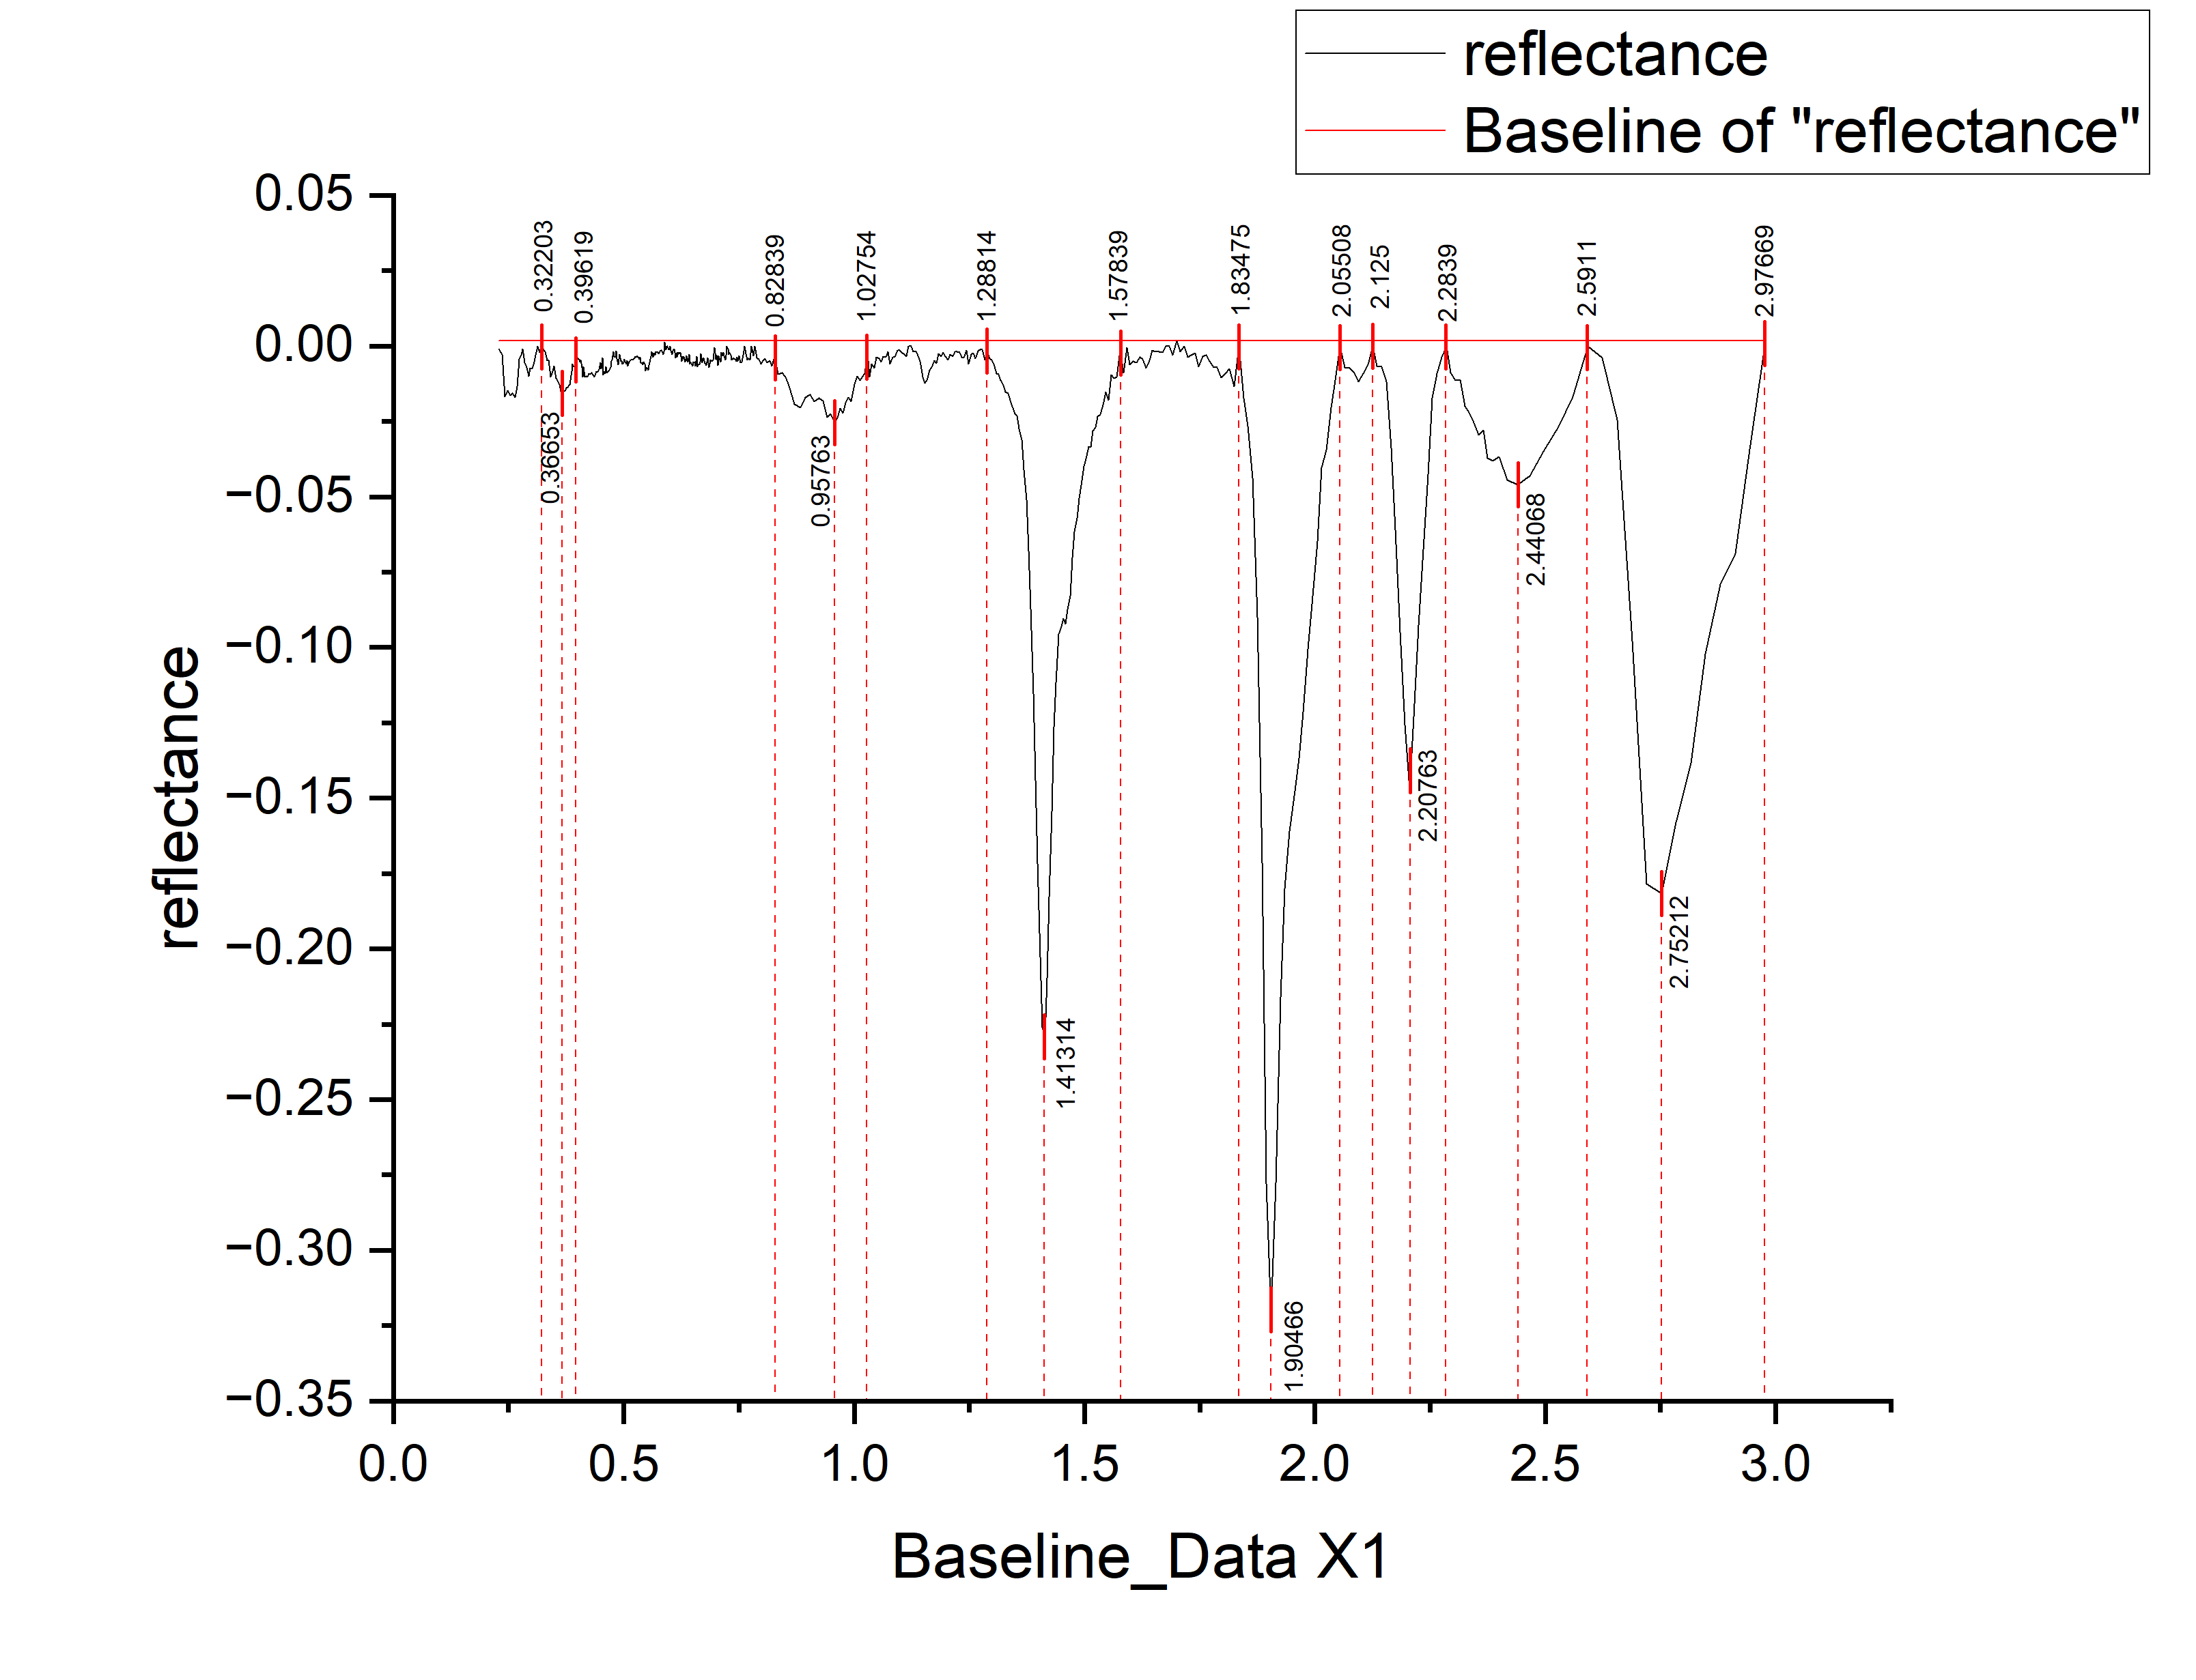
 |  |  |  |  |  |  |  |  | wavelength | reflectance | DEPTH
 |  |  |  |  |  |  |  |  | 0.2291 | -0.00103 | 0.00103
 |  |  |  |  |  |  |  |  | 0.2361 | -0.00271 | 0.00271
 |  |  |  |  |  |  |  |  | 0.2421 | -0.01678 | 0.01678
 |  |  |  |  |  |  |  |  | 0.2481 | -0.01475 | 0.01475
 |  |  |  |  |  |  |  |  | 0.2536 | -0.01636 | 0.01636
 |  |  |  |  |  |  |  |  | 0.2586 | -0.01572 | 0.01572
 |  |  |  |  |  |  |  |  | 0.2636 | -0.01708 | 0.01708
 |  |  |  |  |  |  |  |  | 0.2686 | -0.01334 | 0.01334
 |  |  |  |  |  |  |  |  | 0.2731 | -0.00434 | 0.00434
 |  |  |  |  |  |  |  |  | 0.2771 | -0.00309 | 0.00309
 |  |  |  |  |  |  |  |  | 0.2811 | -9.83E-04 | 0.000983228
 |  |  |  |  |  |  |  |  | 0.2851 | -0.00548 | 0.00548
 |  |  |  |  |  |  |  |  | 0.2891 | -0.00717 | 0.00717
 |  |  |  |  |  |  |  |  | 0.2931 | -0.01007 | 0.01007
 |  |  |  |  |  |  |  |  | 0.2971 | -0.00736 | 0.00736
 |  |  |  |  |  |  |  |  | 0.3011 | -0.00756 | 0.00756
 |  |  |  |  |  |  |  |  | 0.3051 | -0.00535 | 0.00535
 |  |  |  |  |  |  |  |  | 0.3091 | -0.00295 | 0.00295
 |  |  |  |  |  |  |  |  | 0.3131 | -1.40E-04 | 0.000139849
 |  |  |  |  |  |  |  |  | 0.3171 | -0.00213 | 0.00213
 |  |  |  |  |  |  |  |  | 0.3211 | 0 | 0
 |  |  |  |  |  |  |  |  | 0.3251 | -0.00102 | 0.00102
 |  |  |  |  |  |  |  |  | 0.3291 | -0.00192 | 0.00192
 |  |  |  |  |  |  |  |  | 0.3331 | -0.00491 | 0.00491
 |  |  |  |  |  |  |  |  | 0.3371 | -0.00461 | 0.00461
 |  |  |  |  |  |  |  |  | 0.3411 | -0.0103 | 0.0103
 |  |  |  |  |  |  |  |  | 0.3451 | -0.0084 | 0.0084
 |  |  |  |  |  |  |  |  | 0.3491 | -0.00669 | 0.00669
 |  |  |  |  |  |  |  |  | 0.3531 | -0.01069 | 0.01069
 |  |  |  |  |  |  |  |  | 0.3571 | -0.01196 | 0.01196
 |  |  |  |  |  |  |  |  | 0.3606 | -0.01275 | 0.01275
 |  |  |  |  |  |  |  |  | 0.3636 | -0.01498 | 0.01498
 |  |  |  |  |  |  |  |  | 0.3666 | -0.0158 | 0.0158
 |  |  |  |  |  |  |  |  | 0.3696 | -0.01503 | 0.01503
 |  |  |  |  |  |  |  |  | 0.3726 | -0.01505 | 0.01505
 |  |  |  |  |  |  |  |  | 0.3756 | -0.01388 | 0.01388
 |  |  |  |  |  |  |  |  | 0.3786 | -0.0137 | 0.0137
 |  |  |  |  |  |  |  |  | 0.3811 | -0.01305 | 0.01305
 |  |  |  |  |  |  |  |  | 0.3831 | -0.01304 | 0.01304
 |  |  |  |  |  |  |  |  | 0.3851 | -0.00972 | 0.00972
 |  |  |  |  |  |  |  |  | 0.3871 | -0.0085 | 0.0085
 |  |  |  |  |  |  |  |  | 0.3891 | -0.00589 | 0.00589
peak_number | peak_value | start | end | depth | width | left_area | right_area | TOTAL | 0.3911 | -0.00687 | 0.00687
1 | 0.95763 | 0.82839 | 1.02754 | 0.0255 | 0.19915 | 0.23994 | 0.17456 | 0.4145 | 0.3931 | -0.00678 | 0.00678
2 | 1.41314 | 1.28814 | 1.57839 | 0.22934 | 0.29025 | 1.33956 | 2.17181 | 3.51137 | 0.3951 | -0.00466 | 0.00466
3 | 1.90466 | 1.83475 | 2.05508 | 0.32127 | 0.22033 | 0.62708 | 1.917518571 | 2.544598571 | 0.3971 | -0.00475 | 0.00475
4 | 2.20763 | 2.125 | 2.2839 | 0.14718 | 0.1589 | 0.48801 | 0.35568 | 0.84369 | 0.3991 | -0.00414 | 0.00414
5 | 2.44068 | 2.2839 | 2.5911 | 0.04602 | 0.3072 | 0.35918 | 0.12148 | 0.48066 | 0.4011 | -0.00423 | 0.00423
6 | 2.75212 | 2.5911 | 2.97669 | 0.18172 | 0.38559 | 0.48617 | 0.58112 | 1.06729 | 0.4031 | -0.00462 | 0.00462
 |  |  |  |  |  |  |  |  | 0.4051 | -0.0052 | 0.0052
 |  |  |  |  |  |  |  |  | 0.4071 | -0.00459 | 0.00459
...

M5
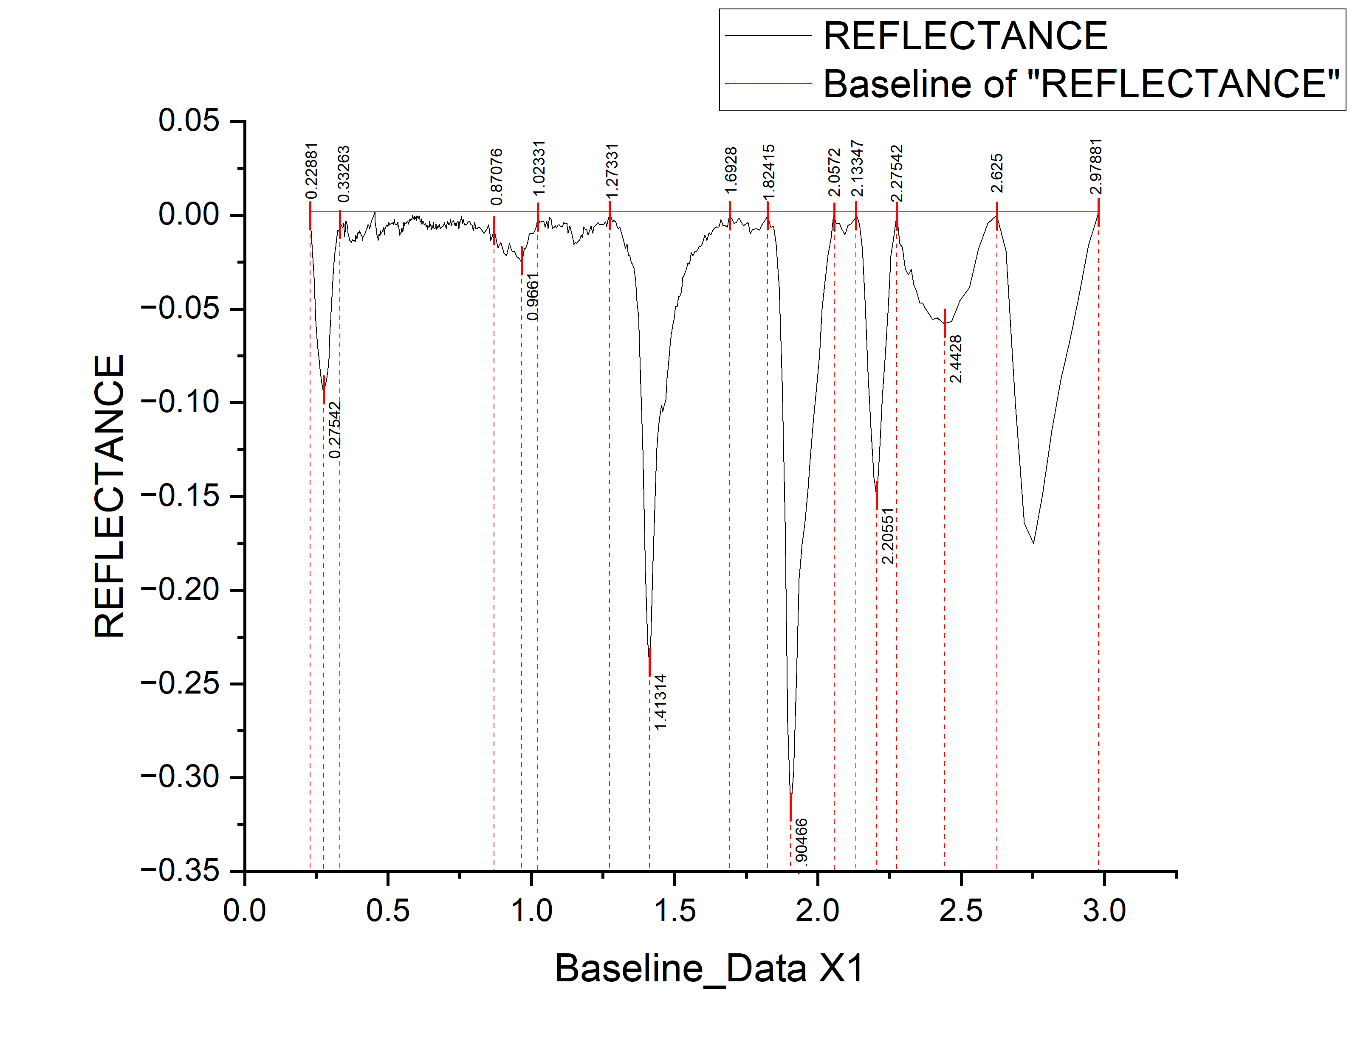
 |  |  |  |  |  |  |  |  | WAVELENGTH | REFLECTANCE | DEPTH
 |  |  |  |  |  |  |  |  | 0.2291 | -0.00101 | 0.00101
 |  |  |  |  |  |  |  |  | 0.2361 | -0.01923 | 0.01923
 |  |  |  |  |  |  |  |  | 0.2421 | -0.03308 | 0.03308
 |  |  |  |  |  |  |  |  | 0.2481 | -0.05613 | 0.05613
 |  |  |  |  |  |  |  |  | 0.2536 | -0.06924 | 0.06924
 |  |  |  |  |  |  |  |  | 0.2586 | -0.07512 | 0.07512
 |  |  |  |  |  |  |  |  | 0.2636 | -0.08439 | 0.08439
 |  |  |  |  |  |  |  |  | 0.2686 | -0.08937 | 0.08937
 |  |  |  |  |  |  |  |  | 0.2731 | -0.0929 | 0.0929
 |  |  |  |  |  |  |  |  | 0.2771 | -0.0934 | 0.0934
 |  |  |  |  |  |  |  |  | 0.2811 | -0.0911 | 0.0911
 |  |  |  |  |  |  |  |  | 0.2851 | -0.0884 | 0.0884
 |  |  |  |  |  |  |  |  | 0.2891 | -0.0839 | 0.0839
 |  |  |  |  |  |  |  |  | 0.2931 | -0.0766 | 0.0766
 |  |  |  |  |  |  |  |  | 0.2971 | -0.0639 | 0.0639
 |  |  |  |  |  |  |  |  | 0.3011 | -0.0516 | 0.0516
 |  |  |  |  |  |  |  |  | 0.3051 | -0.0392 | 0.0392
 |  |  |  |  |  |  |  |  | 0.3091 | -0.0313 | 0.0313
 |  |  |  |  |  |  |  |  | 0.3131 | -0.02169 | 0.02169
 |  |  |  |  |  |  |  |  | 0.3171 | -0.01693 | 0.01693
 |  |  |  |  |  |  |  |  | 0.3211 | -0.01257 | 0.01257
 |  |  |  |  |  |  |  |  | 0.3251 | -0.00811 | 0.00811
 |  |  |  |  |  |  |  |  | 0.3291 | -0.00875 | 0.00875
 |  |  |  |  |  |  |  |  | 0.3331 | -0.0042 | 0.0042
 |  |  |  |  |  |  |  |  | 0.3371 | -0.00524 | 0.00524
 |  |  |  |  |  |  |  |  | 0.3411 | -0.00678 | 0.00678
 |  |  |  |  |  |  |  |  | 0.3451 | -0.00432 | 0.00432
 |  |  |  |  |  |  |  |  | 0.3491 | -0.01174 | 0.01174
 |  |  |  |  |  |  |  |  | 0.3531 | -0.00311 | 0.00311
 |  |  |  |  |  |  |  |  | 0.3571 | -0.00529 | 0.00529
 |  |  |  |  |  |  |  |  | 0.3606 | -0.00954 | 0.00954
 |  |  |  |  |  |  |  |  | 0.3636 | -0.01137 | 0.01137
 |  |  |  |  |  |  |  |  | 0.3666 | -0.0134 | 0.0134
 |  |  |  |  |  |  |  |  | 0.3696 | -0.01393 | 0.01393
 |  |  |  |  |  |  |  |  | 0.3726 | -0.01446 | 0.01446
 |  |  |  |  |  |  |  |  | 0.3756 | -0.01299 | 0.01299
 |  |  |  |  |  |  |  |  | 0.3786 | -0.01362 | 0.01362
 |  |  |  |  |  |  |  |  | 0.3811 | -0.01343 | 0.01343
 |  |  |  |  |  |  |  |  | 0.3831 | -0.01362 | 0.01362
 |  |  |  |  |  |  |  |  | 0.3851 | -0.01401 | 0.01401
 |  |  |  |  |  |  |  |  | 0.3871 | -0.0107 | 0.0107
 |  |  |  |  |  |  |  |  | 0.3891 | -0.01108 | 0.01108
peak_number | peak_value | start | end | depth | width | left_area | right_area | TOTAL | 0.3911 | -0.01247 | 0.01247
1 | 0.9661 | 0.87076 | 1.02331 | 0.02351 | 0.15255 | 0.20489 | 0.11597 | 0.32086 | 0.3931 | -0.01097 | 0.01097
2 | 1.41314 | 1.27331 | 1.6928 | 0.23876 | 0.41949 | 1.451367737 | 2.70878 | 4.160147737 | 0.3951 | -0.00945 | 0.00945
3 | 1.90466 | 1.82415 | 2.0572 | 0.31721 | 0.23305 | 0.58887 | 2.0578977893 | 2.6467677893 | 0.3971 | -0.00943 | 0.00943
4 | 2.20551 | 2.13347 | 2.27542 | 0.15055 | 0.14195 | 0.55953 | 0.37917 | 0.9387 | 0.3991 | -0.00971 | 0.00971
5 | 2.4428 | 2.27542 | 2.625 | 0.05778 | 0.34958 | 0.5636 | 0.16331 | 0.72691 | 0.4011 | -0.00819 | 0.00819
6 | 2.7204 | 2.625 | 2.97881 | 0.16417 | 0.35381 | 0.28323 | 0.65114 | 0.93437 | 0.4031 | -0.00907 | 0.00907
 |  |  |  |  |  |  |  |  | 0.4051 | -0.00975 | 0.00975
 |  |  |  |  |  |  |  |  | 0.4071 | -0.01063 | 0.01063
...

M6
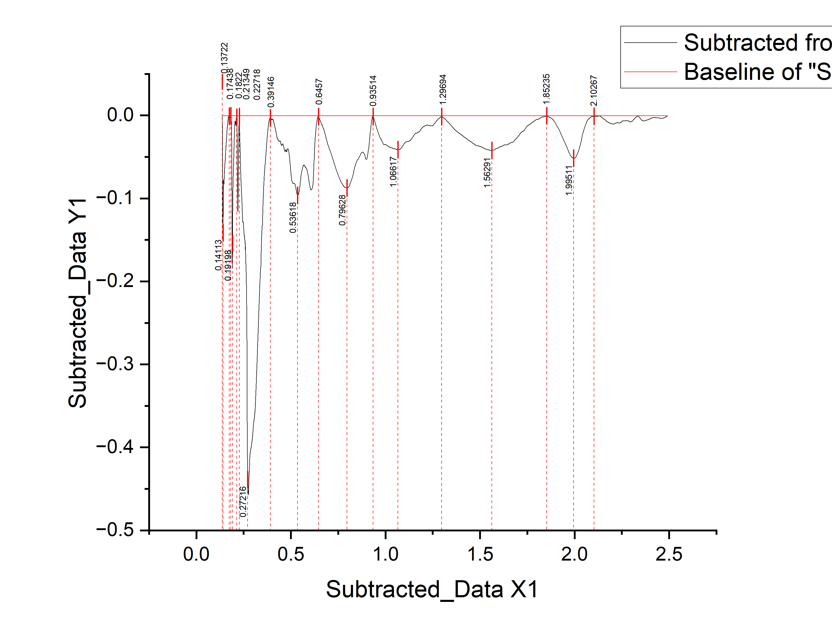
 |  |  |  |  |  |  |  |  | WAVELENGTH | REFLECTANCE | DEPTH
 |  |  |  |  |  |  |  |  | 0.13795 | -0.0021 | 0.0021
 |  |  |  |  |  |  |  |  | 0.13799 | -0.0043 | 0.0043
 |  |  |  |  |  |  |  |  | 0.13802 | -0.0068 | 0.0068
 |  |  |  |  |  |  |  |  | 0.13806 | -0.00771 | 0.00771
 |  |  |  |  |  |  |  |  | 0.1381 | -0.00851 | 0.00851
 |  |  |  |  |  |  |  |  | 0.13813 | -0.01002 | 0.01002
 |  |  |  |  |  |  |  |  | 0.13817 | -0.01152 | 0.01152
 |  |  |  |  |  |  |  |  | 0.13821 | -0.01303 | 0.01303
 |  |  |  |  |  |  |  |  | 0.13824 | -0.01463 | 0.01463
 |  |  |  |  |  |  |  |  | 0.13828 | -0.01563 | 0.01563
 |  |  |  |  |  |  |  |  | 0.13832 | -0.01694 | 0.01694
 |  |  |  |  |  |  |  |  | 0.13835 | -0.01834 | 0.01834
 |  |  |  |  |  |  |  |  | 0.13839 | -0.01945 | 0.01945
 |  |  |  |  |  |  |  |  | 0.13843 | -0.02075 | 0.02075
 |  |  |  |  |  |  |  |  | 0.13847 | -0.02246 | 0.02246
 |  |  |  |  |  |  |  |  | 0.1385 | -0.02356 | 0.02356
 |  |  |  |  |  |  |  |  | 0.13854 | -0.02476 | 0.02476
 |  |  |  |  |  |  |  |  | 0.13858 | -0.02617 | 0.02617
 |  |  |  |  |  |  |  |  | 0.13861 | -0.02757 | 0.02757
 |  |  |  |  |  |  |  |  | 0.13865 | -0.02948 | 0.02948
 |  |  |  |  |  |  |  |  | 0.13869 | -0.03118 | 0.03118
 |  |  |  |  |  |  |  |  | 0.13873 | -0.03299 | 0.03299
 |  |  |  |  |  |  |  |  | 0.13876 | -0.03509 | 0.03509
 |  |  |  |  |  |  |  |  | 0.1388 | -0.03699 | 0.03699
 |  |  |  |  |  |  |  |  | 0.13884 | -0.0383 | 0.0383
 |  |  |  |  |  |  |  |  | 0.13887 | -0.0397 | 0.0397
 |  |  |  |  |  |  |  |  | 0.13891 | -0.04131 | 0.04131
 |  |  |  |  |  |  |  |  | 0.13895 | -0.04391 | 0.04391
 |  |  |  |  |  |  |  |  | 0.13899 | -0.04542 | 0.04542
 |  |  |  |  |  |  |  |  | 0.13902 | -0.04742 | 0.04742
 |  |  |  |  |  |  |  |  | 0.13906 | -0.04962 | 0.04962
 |  |  |  |  |  |  |  |  | 0.1391 | -0.05153 | 0.05153
 |  |  |  |  |  |  |  |  | 0.13913 | -0.05343 | 0.05343
 |  |  |  |  |  |  |  |  | 0.13917 | -0.05574 | 0.05574
 |  |  |  |  |  |  |  |  | 0.13921 | -0.05864 | 0.05864
 |  |  |  |  |  |  |  |  | 0.13925 | -0.06115 | 0.06115
 |  |  |  |  |  |  |  |  | 0.13928 | -0.06245 | 0.06245
 |  |  |  |  |  |  |  |  | 0.13932 | -0.06395 | 0.06395
 |  |  |  |  |  |  |  |  | 0.13936 | -0.06596 | 0.06596
 |  |  |  |  |  |  |  |  | 0.1394 | -0.06846 | 0.06846
 |  |  |  |  |  |  |  |  | 0.13943 | -0.07077 | 0.07077
 |  |  |  |  |  |  |  |  | 0.13947 | -0.07337 | 0.07337
peak_number | peak_value | start | end | depth | width | left_area | right_area | TOTAL | 0.13951 | -0.07578 | 0.07578
1 | 0.79628 | 0.6457 | 0.93514 | 0.08749 | 0.28944 | 7.00225 | 5.30807 | 12.31032 | 0.13955 | -0.07748 | 0.07748
2 | 1.06617 | 0.93514 | 1.29694 | 0.04134 | 0.3618 | 2.02473 | 1.87258 | 3.89731 | 0.13958 | -0.07978 | 0.07978
3 | 1.56291 | 1.29694 | 1.85235 | 0.04237 | 0.55541 | 1.68575 | 1.209238402 | 2.894988402 | 0.13962 | -0.08289 | 0.08289
4 | 1.99511 | 1.85235 | 2.10267 | 0.05152 | 0.25032 | 0.4599 | 0.28962 | 0.74952 | 0.13966 | -0.08489 | 0.08489
 |  |  |  |  |  |  |  |  | 0.1397 | -0.0865 | 0.0865
 |  |  |  |  |  |  |  |  | 0.13973 | -0.0887 | 0.0887
 |  |  |  |  |  |  |  |  | 0.13977 | -0.09121 | 0.09121
 |  |  |  |  |  |  |  |  | 0.13981 | -0.09331 | 0.09331
...

M7
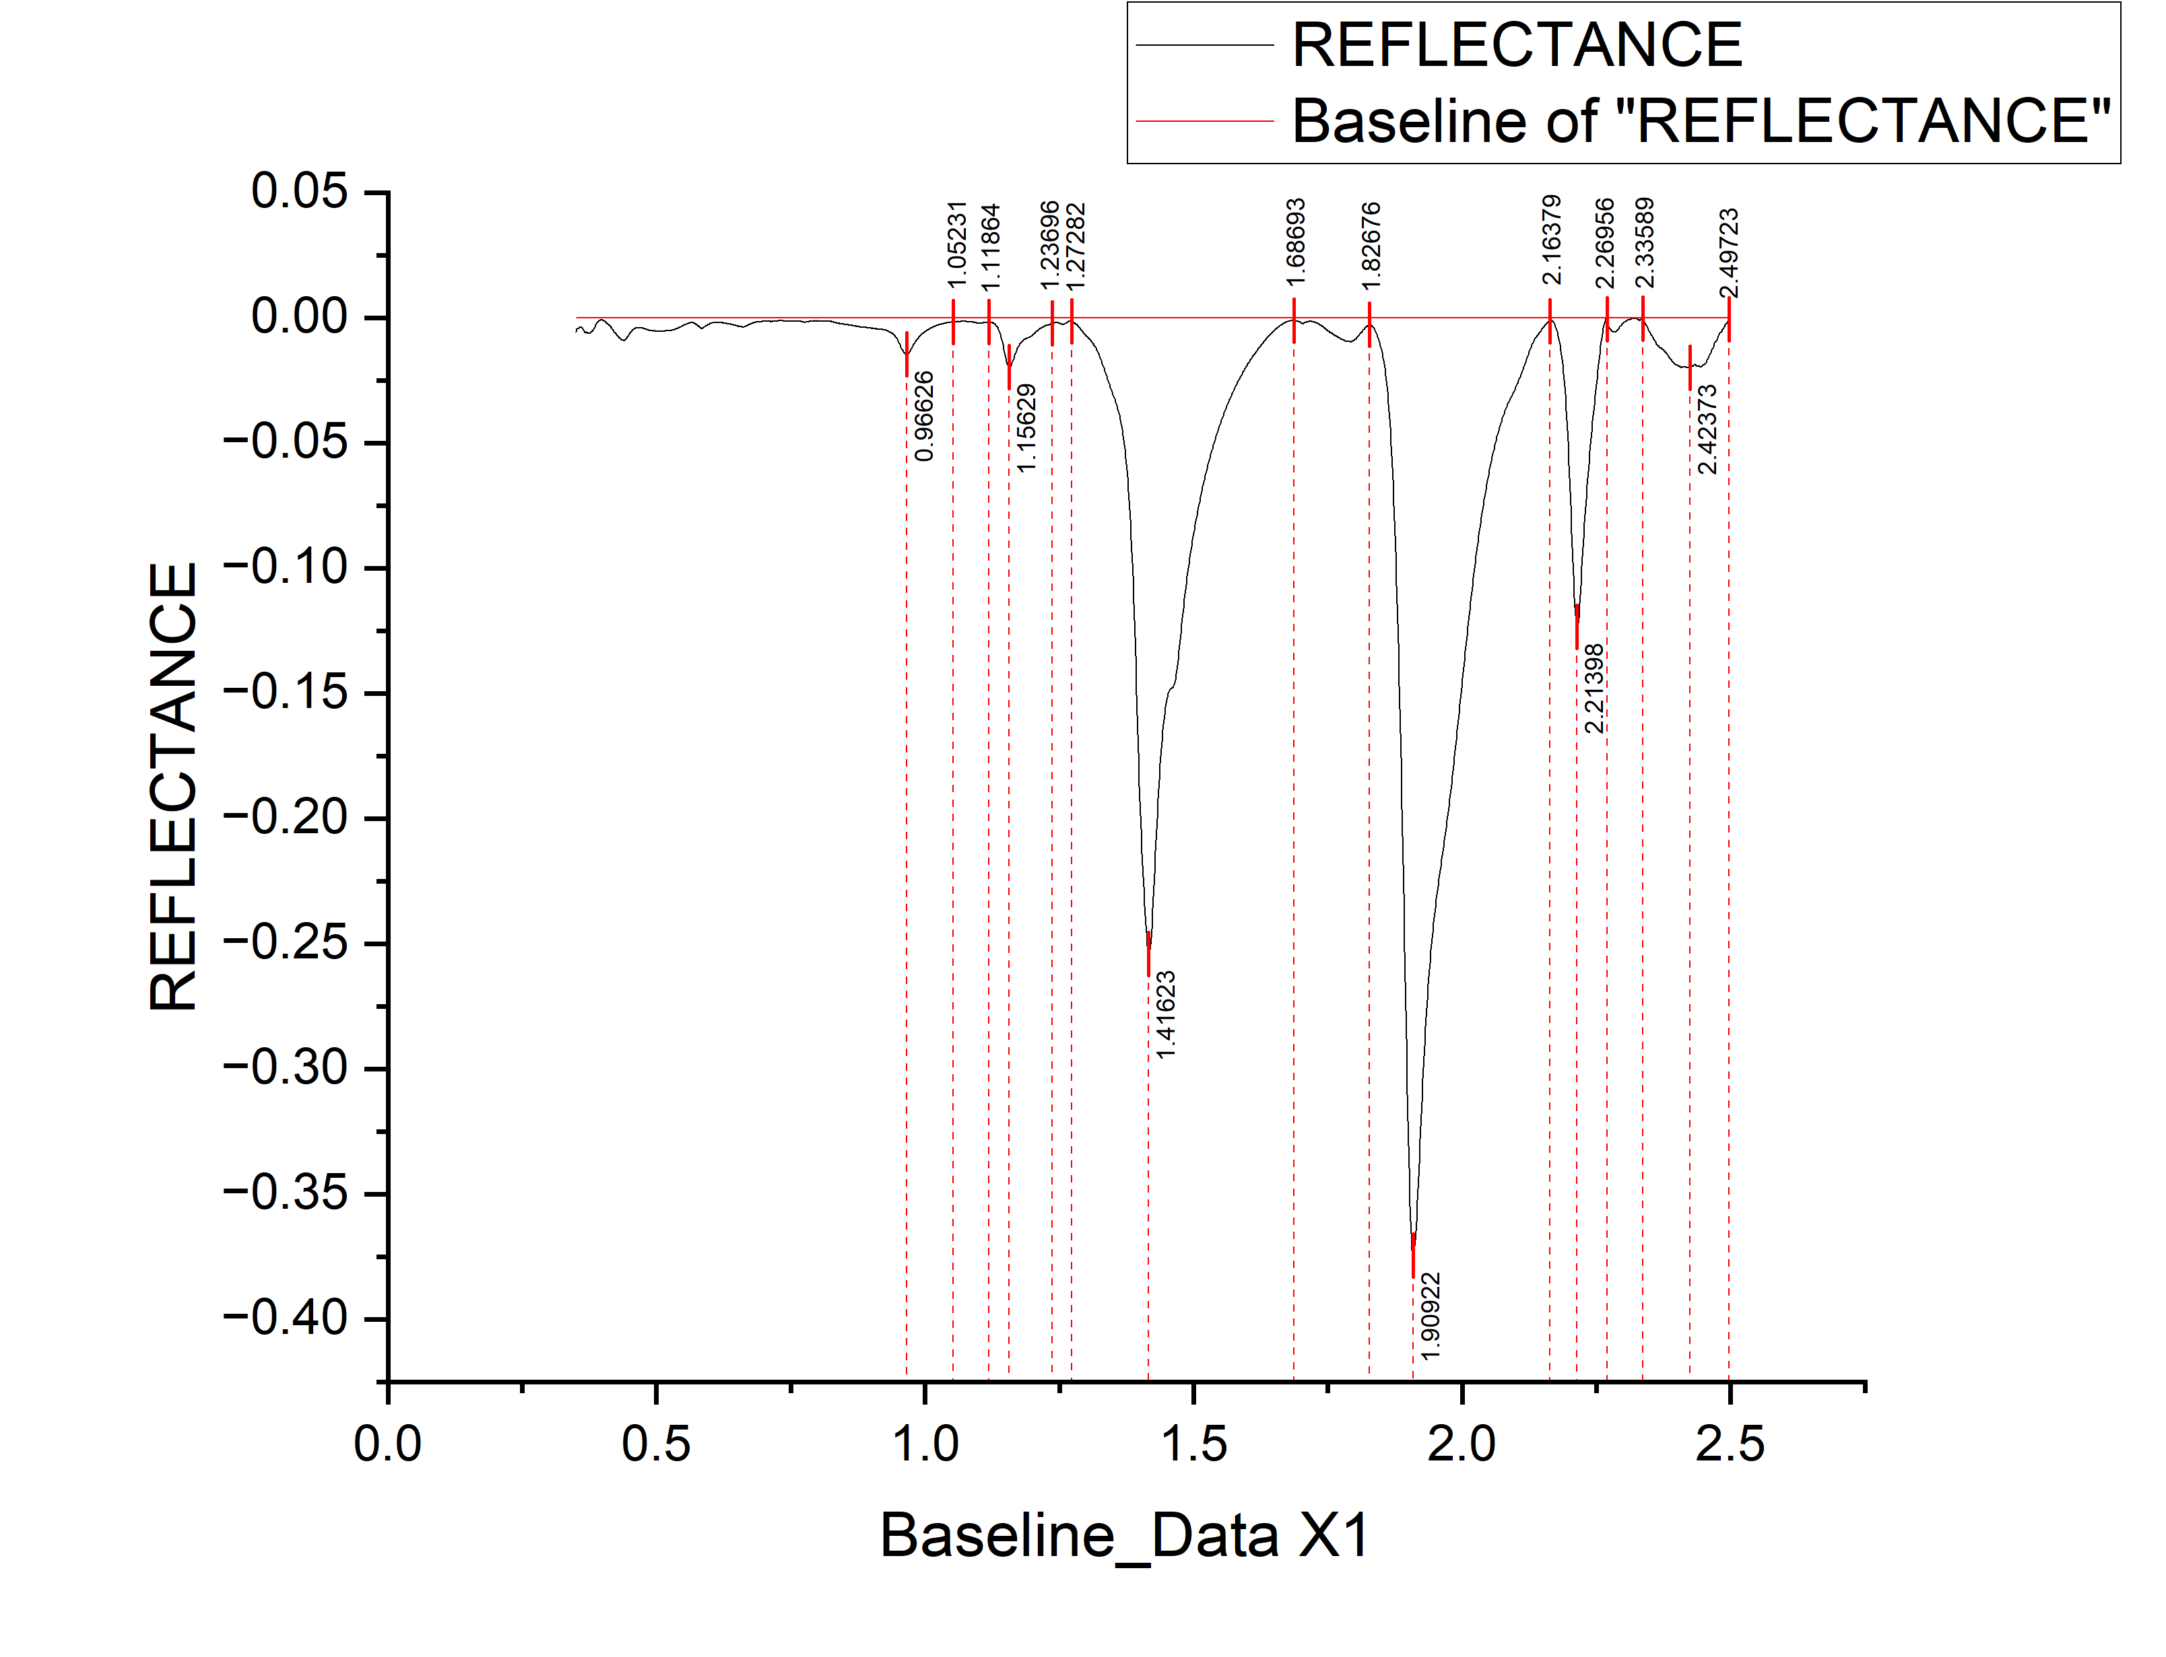
 |  |  |  |  |  |  |  |  | WAVELENGTH | REFLECTANCE | DEPTH
 |  |  |  |  |  |  |  |  | 0.35 | -0.00571 | 0.00571
 |  |  |  |  |  |  |  |  | 0.351 | -0.00505 | 0.00505
 |  |  |  |  |  |  |  |  | 0.352 | -0.0045 | 0.0045
 |  |  |  |  |  |  |  |  | 0.353 | -0.00434 | 0.00434
 |  |  |  |  |  |  |  |  | 0.354 | -0.00438 | 0.00438
 |  |  |  |  |  |  |  |  | 0.355 | -0.00403 | 0.00403
 |  |  |  |  |  |  |  |  | 0.356 | -0.00387 | 0.00387
 |  |  |  |  |  |  |  |  | 0.357 | -0.00381 | 0.00381
 |  |  |  |  |  |  |  |  | 0.358 | -0.00386 | 0.00386
 |  |  |  |  |  |  |  |  | 0.359 | -0.0039 | 0.0039
 |  |  |  |  |  |  |  |  | 0.36 | -0.00394 | 0.00394
 |  |  |  |  |  |  |  |  | 0.361 | -0.00399 | 0.00399
 |  |  |  |  |  |  |  |  | 0.362 | -0.00403 | 0.00403
 |  |  |  |  |  |  |  |  | 0.363 | -0.00438 | 0.00438
 |  |  |  |  |  |  |  |  | 0.364 | -0.00482 | 0.00482
 |  |  |  |  |  |  |  |  | 0.365 | -0.00516 | 0.00516
 |  |  |  |  |  |  |  |  | 0.366 | -0.00561 | 0.00561
 |  |  |  |  |  |  |  |  | 0.367 | -0.00585 | 0.00585
 |  |  |  |  |  |  |  |  | 0.368 | -0.00589 | 0.00589
 |  |  |  |  |  |  |  |  | 0.369 | -0.00584 | 0.00584
 |  |  |  |  |  |  |  |  | 0.37 | -0.00588 | 0.00588
 |  |  |  |  |  |  |  |  | 0.371 | -0.00602 | 0.00602
 |  |  |  |  |  |  |  |  | 0.372 | -0.00617 | 0.00617
 |  |  |  |  |  |  |  |  | 0.373 | -0.00621 | 0.00621
 |  |  |  |  |  |  |  |  | 0.374 | -0.00625 | 0.00625
 |  |  |  |  |  |  |  |  | 0.375 | -0.0062 | 0.0062
 |  |  |  |  |  |  |  |  | 0.376 | -0.00604 | 0.00604
 |  |  |  |  |  |  |  |  | 0.377 | -0.00599 | 0.00599
 |  |  |  |  |  |  |  |  | 0.378 | -0.00583 | 0.00583
 |  |  |  |  |  |  |  |  | 0.379 | -0.00547 | 0.00547
 |  |  |  |  |  |  |  |  | 0.38 | -0.00532 | 0.00532
 |  |  |  |  |  |  |  |  | 0.381 | -0.00506 | 0.00506
 |  |  |  |  |  |  |  |  | 0.382 | -0.0049 | 0.0049
 |  |  |  |  |  |  |  |  | 0.383 | -0.00465 | 0.00465
 |  |  |  |  |  |  |  |  | 0.384 | -0.00419 | 0.00419
 |  |  |  |  |  |  |  |  | 0.385 | -0.00373 | 0.00373
 |  |  |  |  |  |  |  |  | 0.386 | -0.00328 | 0.00328
 |  |  |  |  |  |  |  |  | 0.387 | -0.00272 | 0.00272
 |  |  |  |  |  |  |  |  | 0.388 | -0.00237 | 0.00237
 |  |  |  |  |  |  |  |  | 0.389 | -0.00201 | 0.00201
 |  |  |  |  |  |  |  |  | 0.39 | -0.00175 | 0.00175
 |  |  |  |  |  |  |  |  | 0.391 | -0.0015 | 0.0015
 |  |  |  |  |  |  |  |  | 0.392 | -0.00134 | 0.00134
peak_number | peak_value | start | end | depth | width | left_area | right_area | TOTAL | 0.393 | -0.00108 | 0.00108
1 | 1.15629 | 1.11864 | 1.23696 | 0.01973 | 0.11832 | 0.28981 | 0.65535 | 0.94516 | 0.394 | -0.00103 | 0.00103
2 | 1.41623 | 1.27282 | 1.68693 | 0.25392 | 0.41411 | 8.61273 | 18.14897 | 26.7617 | 0.395 | -8.71E-04 | 0.000871076
3 | 1.90922 | 1.82676 | 2.16379 | 0.37458 | 0.33703 | 9.48457 | 29.60146 | 39.08603 | 0.396 | -8.15E-04 | 0.0008147
4 | 2.21398 | 2.16379 | 2.26956 | 0.1234 | 0.10577 | 1.96093 | 2.881521793 | 4.842451793 | 0.397 | -7.58E-04 | 0.000758324
5 | 2.42373 | 2.33589 | 2.49723 | 0.01986 | 0.16134 | 1.163400937 | 0.956684546 | 2.120085483 | 0.398 | -0.001 | 0.001
 |  |  |  |  |  |  |  |  | 0.399 | -9.46E-04 | 0.000945571
 |  |  |  |  |  |  |  |  | 0.4 | -0.00109 | 0.00109
...

M8
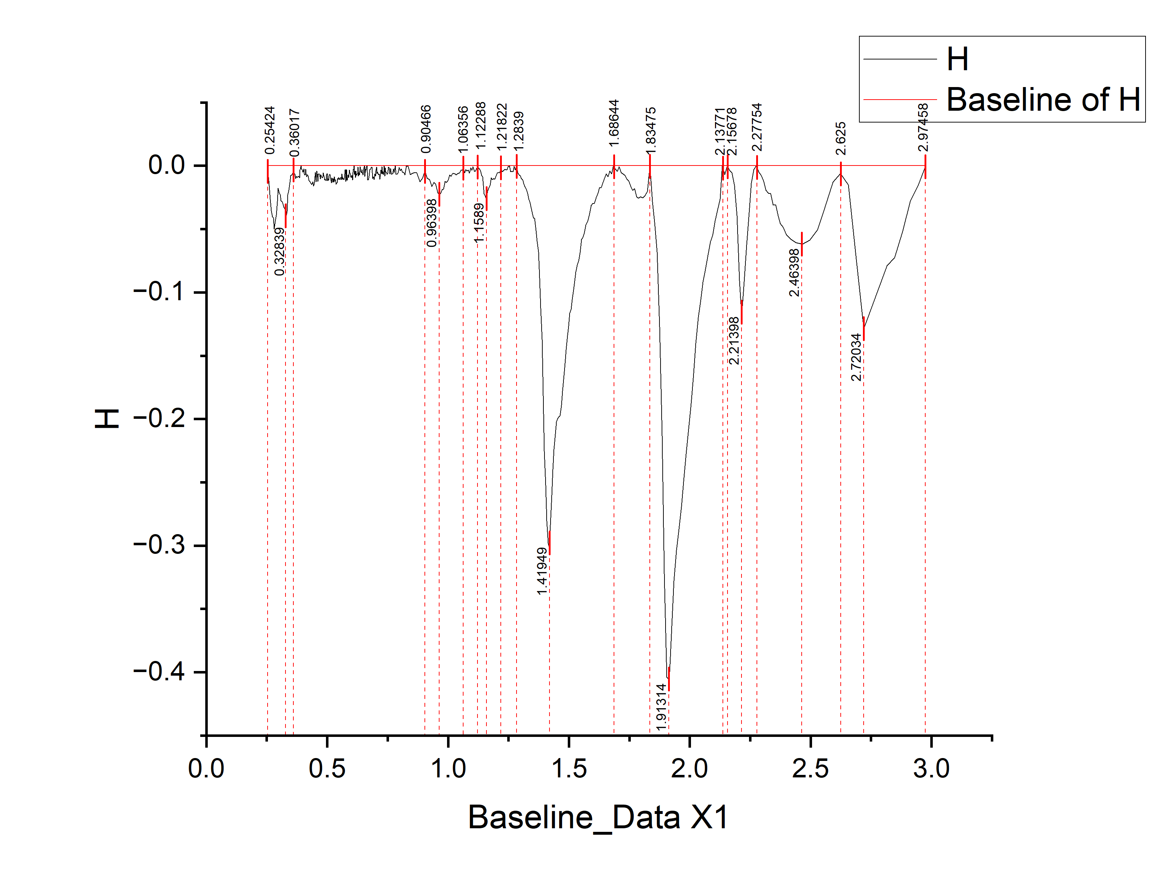
 |  |  |  |  |  |  |  |  | WAVELENGTH | REFLECTANCE | DEPTH
 |  |  |  |  |  |  |  |  | 0.2536 | -0.00348 | 0.00348
 |  |  |  |  |  |  |  |  | 0.2586 | -0.01172 | 0.01172
 |  |  |  |  |  |  |  |  | 0.2636 | -0.02655 | 0.02655
 |  |  |  |  |  |  |  |  | 0.2686 | -0.03558 | 0.03558
 |  |  |  |  |  |  |  |  | 0.2731 | -0.04017 | 0.04017
 |  |  |  |  |  |  |  |  | 0.2771 | -0.04122 | 0.04122
 |  |  |  |  |  |  |  |  | 0.2811 | -0.04987 | 0.04987
 |  |  |  |  |  |  |  |  | 0.2851 | -0.04412 | 0.04412
 |  |  |  |  |  |  |  |  | 0.2891 | -0.03906 | 0.03906
 |  |  |  |  |  |  |  |  | 0.2931 | -0.02811 | 0.02811
 |  |  |  |  |  |  |  |  | 0.2971 | -0.01773 | 0.01773
 |  |  |  |  |  |  |  |  | 0.3011 | -0.02136 | 0.02136
 |  |  |  |  |  |  |  |  | 0.3051 | -0.02268 | 0.02268
 |  |  |  |  |  |  |  |  | 0.3091 | -0.02771 | 0.02771
 |  |  |  |  |  |  |  |  | 0.3131 | -0.02803 | 0.02803
 |  |  |  |  |  |  |  |  | 0.3171 | -0.03033 | 0.03033
 |  |  |  |  |  |  |  |  | 0.3211 | -0.03279 | 0.03279
 |  |  |  |  |  |  |  |  | 0.3251 | -0.03404 | 0.03404
 |  |  |  |  |  |  |  |  | 0.3291 | -0.0406 | 0.0406
 |  |  |  |  |  |  |  |  | 0.3331 | -0.03623 | 0.03623
 |  |  |  |  |  |  |  |  | 0.3371 | -0.02273 | 0.02273
 |  |  |  |  |  |  |  |  | 0.3411 | -0.01912 | 0.01912
 |  |  |  |  |  |  |  |  | 0.3451 | -0.01322 | 0.01322
 |  |  |  |  |  |  |  |  | 0.3491 | -0.00781 | 0.00781
 |  |  |  |  |  |  |  |  | 0.3531 | -0.00736 | 0.00736
 |  |  |  |  |  |  |  |  | 0.3571 | -0.00582 | 0.00582
 |  |  |  |  |  |  |  |  | 0.3606 | -0.0029 | 0.0029
 |  |  |  |  |  |  |  |  | 0.3636 | -0.00617 | 0.00617
 |  |  |  |  |  |  |  |  | 0.3666 | -0.00675 | 0.00675
 |  |  |  |  |  |  |  |  | 0.3696 | -0.01012 | 0.01012
 |  |  |  |  |  |  |  |  | 0.3726 | -0.0083 | 0.0083
 |  |  |  |  |  |  |  |  | 0.3756 | -0.00928 | 0.00928
 |  |  |  |  |  |  |  |  | 0.3786 | -0.00855 | 0.00855
 |  |  |  |  |  |  |  |  | 0.3811 | -0.00833 | 0.00833
 |  |  |  |  |  |  |  |  | 0.3831 | -0.00832 | 0.00832
 |  |  |  |  |  |  |  |  | 0.3851 | -0.0094 | 0.0094
 |  |  |  |  |  |  |  |  | 0.3871 | -0.00318 | 0.00318
 |  |  |  |  |  |  |  |  | 0.3891 | -0.00277 | 0.00277
 |  |  |  |  |  |  |  |  | 0.3911 | 0 | 0
 |  |  |  |  |  |  |  |  | 0.3931 | -0.00234 | 0.00234
 |  |  |  |  |  |  |  |  | 0.3951 | -0.00282 | 0.00282
 |  |  |  |  |  |  |  |  | 0.3971 | -0.00351 | 0.00351
peak_number | peak_value | start | end | depth | width | left_area | right_area | TOTAL | 0.3991 | -0.00509 | 0.00509
1 | 1.1589 | 1.12288 | 1.21822 | 0.02645 | 0.09534 | 0.095543039 | 0.1186 | 0.214143039 | 0.4011 | -0.00457 | 0.00457
2 | 1.41949 | 1.2839 | 1.68644 | 0.30145 | 0.40254 | 2.37728 | 4.46396 | 6.84124 | 0.4031 | -0.00246 | 0.00246
3 | 1.91314 | 1.83475 | 2.13771 | 0.40553 | 0.30296 | 1.20766 | 3.82672 | 5.03438 | 0.4051 | -0.00604 | 0.00604
4 | 2.21398 | 2.15678 | 2.27754 | 0.11842 | 0.12076 | 0.15489 | 0.32609 | 0.48098 | 0.4071 | -0.00723 | 0.00723
5 | 2.46398 | 2.27754 | 2.625 | 0.06188 | 0.34746 | 0.45567 | 0.22272 | 0.67839 | 0.4091 | -0.00697 | 0.00697
6 | 2.72034 | 2.625 | 2.97458 | 0.12874 | 0.34958 | 0.21739 | 0.24778 | 0.46517 | 0.4111 | -0.00282 | 0.00282
 |  |  |  |  |  |  |  |  | 0.4128 | -0.00611 | 0.00611
 |  |  |  |  |  |  |  |  | 0.4158 | -0.00878 | 0.00878
...

M9
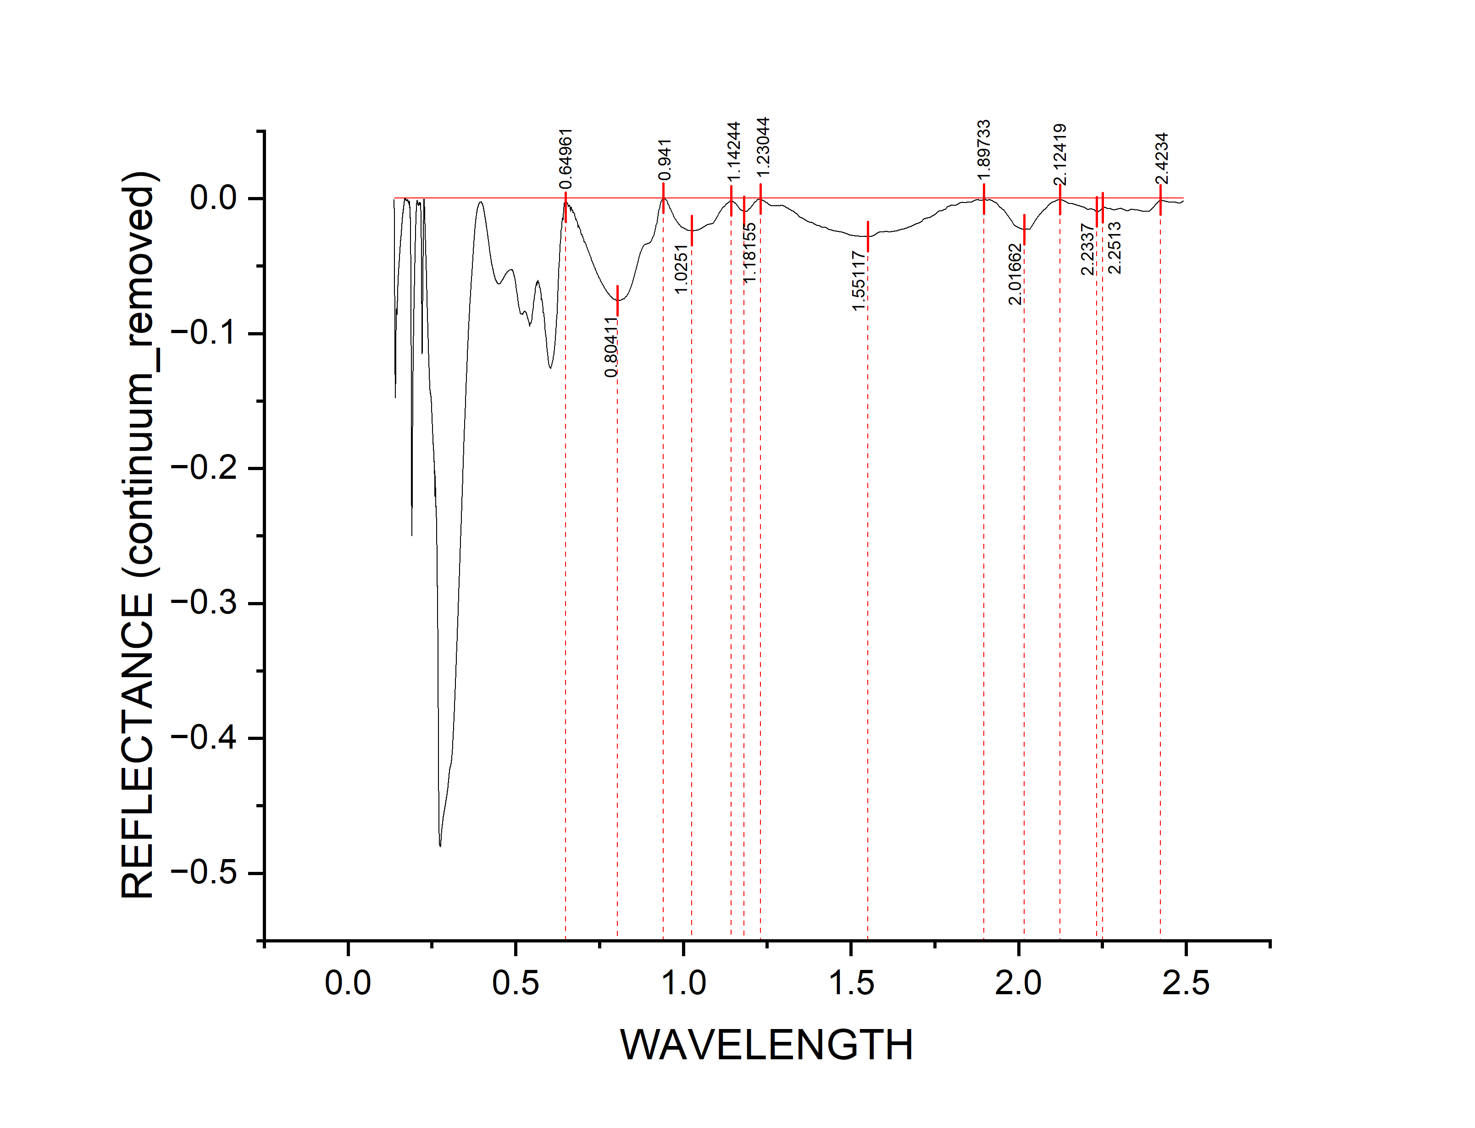
 |  |  |  |  |  |  |  |  | WAVELENGTH | REFLECTANCE | DEPTH
 |  |  |  |  |  |  |  |  | 0.13795 | -6.80E-04 | 0.000679563
 |  |  |  |  |  |  |  |  | 0.13799 | -0.0022 | 0.0022
 |  |  |  |  |  |  |  |  | 0.13802 | -0.00542 | 0.00542
 |  |  |  |  |  |  |  |  | 0.13806 | -0.00724 | 0.00724
 |  |  |  |  |  |  |  |  | 0.1381 | -0.00685 | 0.00685
 |  |  |  |  |  |  |  |  | 0.13813 | -0.00667 | 0.00667
 |  |  |  |  |  |  |  |  | 0.13817 | -0.00779 | 0.00779
 |  |  |  |  |  |  |  |  | 0.13821 | -0.01071 | 0.01071
 |  |  |  |  |  |  |  |  | 0.13824 | -0.01343 | 0.01343
 |  |  |  |  |  |  |  |  | 0.13828 | -0.01345 | 0.01345
 |  |  |  |  |  |  |  |  | 0.13832 | -0.01347 | 0.01347
 |  |  |  |  |  |  |  |  | 0.13835 | -0.01479 | 0.01479
 |  |  |  |  |  |  |  |  | 0.13839 | -0.0155 | 0.0155
 |  |  |  |  |  |  |  |  | 0.13843 | -0.01672 | 0.01672
 |  |  |  |  |  |  |  |  | 0.13847 | -0.01934 | 0.01934
 |  |  |  |  |  |  |  |  | 0.1385 | -0.02096 | 0.02096
 |  |  |  |  |  |  |  |  | 0.13854 | -0.02188 | 0.02188
 |  |  |  |  |  |  |  |  | 0.13858 | -0.0231 | 0.0231
 |  |  |  |  |  |  |  |  | 0.13861 | -0.02412 | 0.02412
 |  |  |  |  |  |  |  |  | 0.13865 | -0.02504 | 0.02504
 |  |  |  |  |  |  |  |  | 0.13869 | -0.02625 | 0.02625
 |  |  |  |  |  |  |  |  | 0.13873 | -0.02797 | 0.02797
 |  |  |  |  |  |  |  |  | 0.13876 | -0.03049 | 0.03049
 |  |  |  |  |  |  |  |  | 0.1388 | -0.03191 | 0.03191
 |  |  |  |  |  |  |  |  | 0.13884 | -0.03283 | 0.03283
 |  |  |  |  |  |  |  |  | 0.13887 | -0.03365 | 0.03365
 |  |  |  |  |  |  |  |  | 0.13891 | -0.03517 | 0.03517
 |  |  |  |  |  |  |  |  | 0.13895 | -0.03729 | 0.03729
 |  |  |  |  |  |  |  |  | 0.13899 | -0.03871 | 0.03871
 |  |  |  |  |  |  |  |  | 0.13902 | -0.04052 | 0.04052
 |  |  |  |  |  |  |  |  | 0.13906 | -0.04274 | 0.04274
 |  |  |  |  |  |  |  |  | 0.1391 | -0.04486 | 0.04486
 |  |  |  |  |  |  |  |  | 0.13913 | -0.04748 | 0.04748
 |  |  |  |  |  |  |  |  | 0.13917 | -0.0503 | 0.0503
 |  |  |  |  |  |  |  |  | 0.13921 | -0.05292 | 0.05292
 |  |  |  |  |  |  |  |  | 0.13925 | -0.05474 | 0.05474
 |  |  |  |  |  |  |  |  | 0.13928 | -0.05576 | 0.05576
 |  |  |  |  |  |  |  |  | 0.13932 | -0.05798 | 0.05798
 |  |  |  |  |  |  |  |  | 0.13936 | -0.0601 | 0.0601
 |  |  |  |  |  |  |  |  | 0.1394 | -0.06221 | 0.06221
 |  |  |  |  |  |  |  |  | 0.13943 | -0.06543 | 0.06543
 |  |  |  |  |  |  |  |  | 0.13947 | -0.06895 | 0.06895
peak_number | peak_value | start | end | depth | width | left_area | right_area | TOTAL | 0.13951 | -0.07167 | 0.07167
1 | 0.80411 | 0.64961 | 0.941 | 0.07559 | 0.29139 | 6.1494 | 4.326390042 | 10.475790042 | 0.13955 | -0.07359 | 0.07359
2 | 1.02509 | 0.941 | 1.14244 | 0.02339 | 0.20144 | 0.665820224 | 0.82234 | 1.488160224 | 0.13958 | -0.07591 | 0.07591
3 | 1.18155 | 1.14244 | 1.23044 | 0.00901 | 0.088 | 0.08482 | 0.084350597 | 0.169170597 | 0.13962 | -0.07823 | 0.07823
4 | 1.5512 | 1.23044 | 1.89733 | 0.02793 | 0.66689 | 1.352106656 | 0.940650059 | 2.292756715 | 0.13966 | -0.07955 | 0.07955
5 | 2.01662 | 1.89733 | 2.12419 | 0.02339 | 0.22686 | 0.156523807 | 0.15633 | 0.312853807 | 0.1397 | -0.08147 | 0.08147
6 | 2.2337 | 2.12419 | 2.4234 | 0.00977 | 0.29921 | 0.057234319 | 0.14437 | 0.201604319 | 0.13973 | -0.08379 | 0.08379
 |  |  |  |  |  |  |  |  | 0.13977 | -0.086 | 0.086
 |  |  |  |  |  |  |  |  | 0.13981 | -0.08792 | 0.08792
...

M10
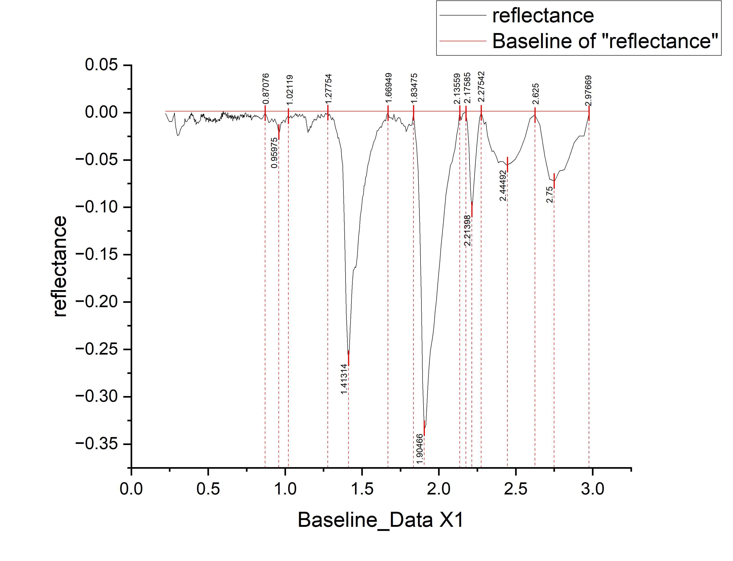
 |  |  |  |  |  |  |  |  | wavelength | reflectance | depth
 |  |  |  |  |  |  |  |  | 0.2211 | -0.00114 | 0.00114
 |  |  |  |  |  |  |  |  | 0.2291 | -0.00264 | 0.00264
 |  |  |  |  |  |  |  |  | 0.2361 | -0.00599 | 0.00599
 |  |  |  |  |  |  |  |  | 0.2421 | -0.00787 | 0.00787
 |  |  |  |  |  |  |  |  | 0.2481 | -0.00975 | 0.00975
 |  |  |  |  |  |  |  |  | 0.2536 | -0.00925 | 0.00925
 |  |  |  |  |  |  |  |  | 0.2586 | -0.00967 | 0.00967
 |  |  |  |  |  |  |  |  | 0.2636 | -0.00929 | 0.00929
 |  |  |  |  |  |  |  |  | 0.2686 | -0.00771 | 0.00771
 |  |  |  |  |  |  |  |  | 0.2731 | -0.00405 | 0.00405
 |  |  |  |  |  |  |  |  | 0.2771 | -0.0031 | 0.0031
 |  |  |  |  |  |  |  |  | 0.2811 | -3.60E-04 | 0.000360202
 |  |  |  |  |  |  |  |  | 0.2851 | -0.00925 | 0.00925
 |  |  |  |  |  |  |  |  | 0.2891 | -0.01563 | 0.01563
 |  |  |  |  |  |  |  |  | 0.2931 | -0.01882 | 0.01882
 |  |  |  |  |  |  |  |  | 0.2971 | -0.0224 | 0.0224
 |  |  |  |  |  |  |  |  | 0.3011 | -0.02439 | 0.02439
 |  |  |  |  |  |  |  |  | 0.3051 | -0.02377 | 0.02377
 |  |  |  |  |  |  |  |  | 0.3091 | -0.02376 | 0.02376
 |  |  |  |  |  |  |  |  | 0.3131 | -0.02154 | 0.02154
 |  |  |  |  |  |  |  |  | 0.3171 | -0.01903 | 0.01903
 |  |  |  |  |  |  |  |  | 0.3211 | -0.01731 | 0.01731
 |  |  |  |  |  |  |  |  | 0.3251 | -0.0162 | 0.0162
 |  |  |  |  |  |  |  |  | 0.3291 | -0.01448 | 0.01448
 |  |  |  |  |  |  |  |  | 0.3331 | -0.01447 | 0.01447
 |  |  |  |  |  |  |  |  | 0.3371 | -0.01385 | 0.01385
 |  |  |  |  |  |  |  |  | 0.3411 | -0.01364 | 0.01364
 |  |  |  |  |  |  |  |  | 0.3451 | -0.0113 | 0.0113
 |  |  |  |  |  |  |  |  | 0.3491 | -0.00626 | 0.00626
 |  |  |  |  |  |  |  |  | 0.3531 | -0.00951 | 0.00951
 |  |  |  |  |  |  |  |  | 0.3571 | -0.00968 | 0.00968
 |  |  |  |  |  |  |  |  | 0.3606 | -0.00975 | 0.00975
 |  |  |  |  |  |  |  |  | 0.3636 | -0.00875 | 0.00875
 |  |  |  |  |  |  |  |  | 0.3666 | -0.00805 | 0.00805
 |  |  |  |  |  |  |  |  | 0.3696 | -0.00715 | 0.00715
 |  |  |  |  |  |  |  |  | 0.3726 | -0.00705 | 0.00705
 |  |  |  |  |  |  |  |  | 0.3756 | -0.00615 | 0.00615
 |  |  |  |  |  |  |  |  | 0.3786 | -0.00335 | 0.00335
 |  |  |  |  |  |  |  |  | 0.3811 | -0.00648 | 0.00648
 |  |  |  |  |  |  |  |  | 0.3831 | -0.00525 | 0.00525
 |  |  |  |  |  |  |  |  | 0.3851 | -0.00211 | 0.00211
 |  |  |  |  |  |  |  |  | 0.3871 | -0.00148 | 0.00148
peak_number | peak_value | start | end | depth | width | left_area | right_area | TOTAL | 0.3891 | -0.00305 | 0.00305
1 | 1.41314 | 1.27754 | 1.66949 | 0.25984 | 0.39195 | 1.58548 | 3.98012 | 5.5656 | 0.3911 | -1.88E-04 | 0.000188176
2 | 1.90466 | 1.83475 | 2.13559 | 0.33488 | 0.30084 | 0.71355 | 3.52562 | 4.23917 | 0.3931 | -0.00238 | 0.00238
3 | 2.21398 | 2.17585 | 2.27542 | 0.01499 | 0.09957 | 0.12858 | 0.3063 | 0.43488 | 0.3951 | -0.00174 | 0.00174
4 | 2.44492 | 2.27542 | 2.625 | 0.05529 | 0.34958 | 0.50109 | 0.17795 | 0.67904 | 0.3971 | -0.00331 | 0.00331
5 | 2.75 | 2.625 | 2.97669 | 0.07227 | 0.35169 | 0.12923 | 0.323703961 | 0.452933961 | 0.3991 | -0.00368 | 0.00368
 |  |  |  |  |  |  |  |  | 0.4011 | -0.00234 | 0.00234
 |  |  |  |  |  |  |  |  | 0.4031 | -0.00421 | 0.00421
 |  |  |  |  |  |  |  |  | 0.4051 | -0.00488 | 0.00488
...

M11
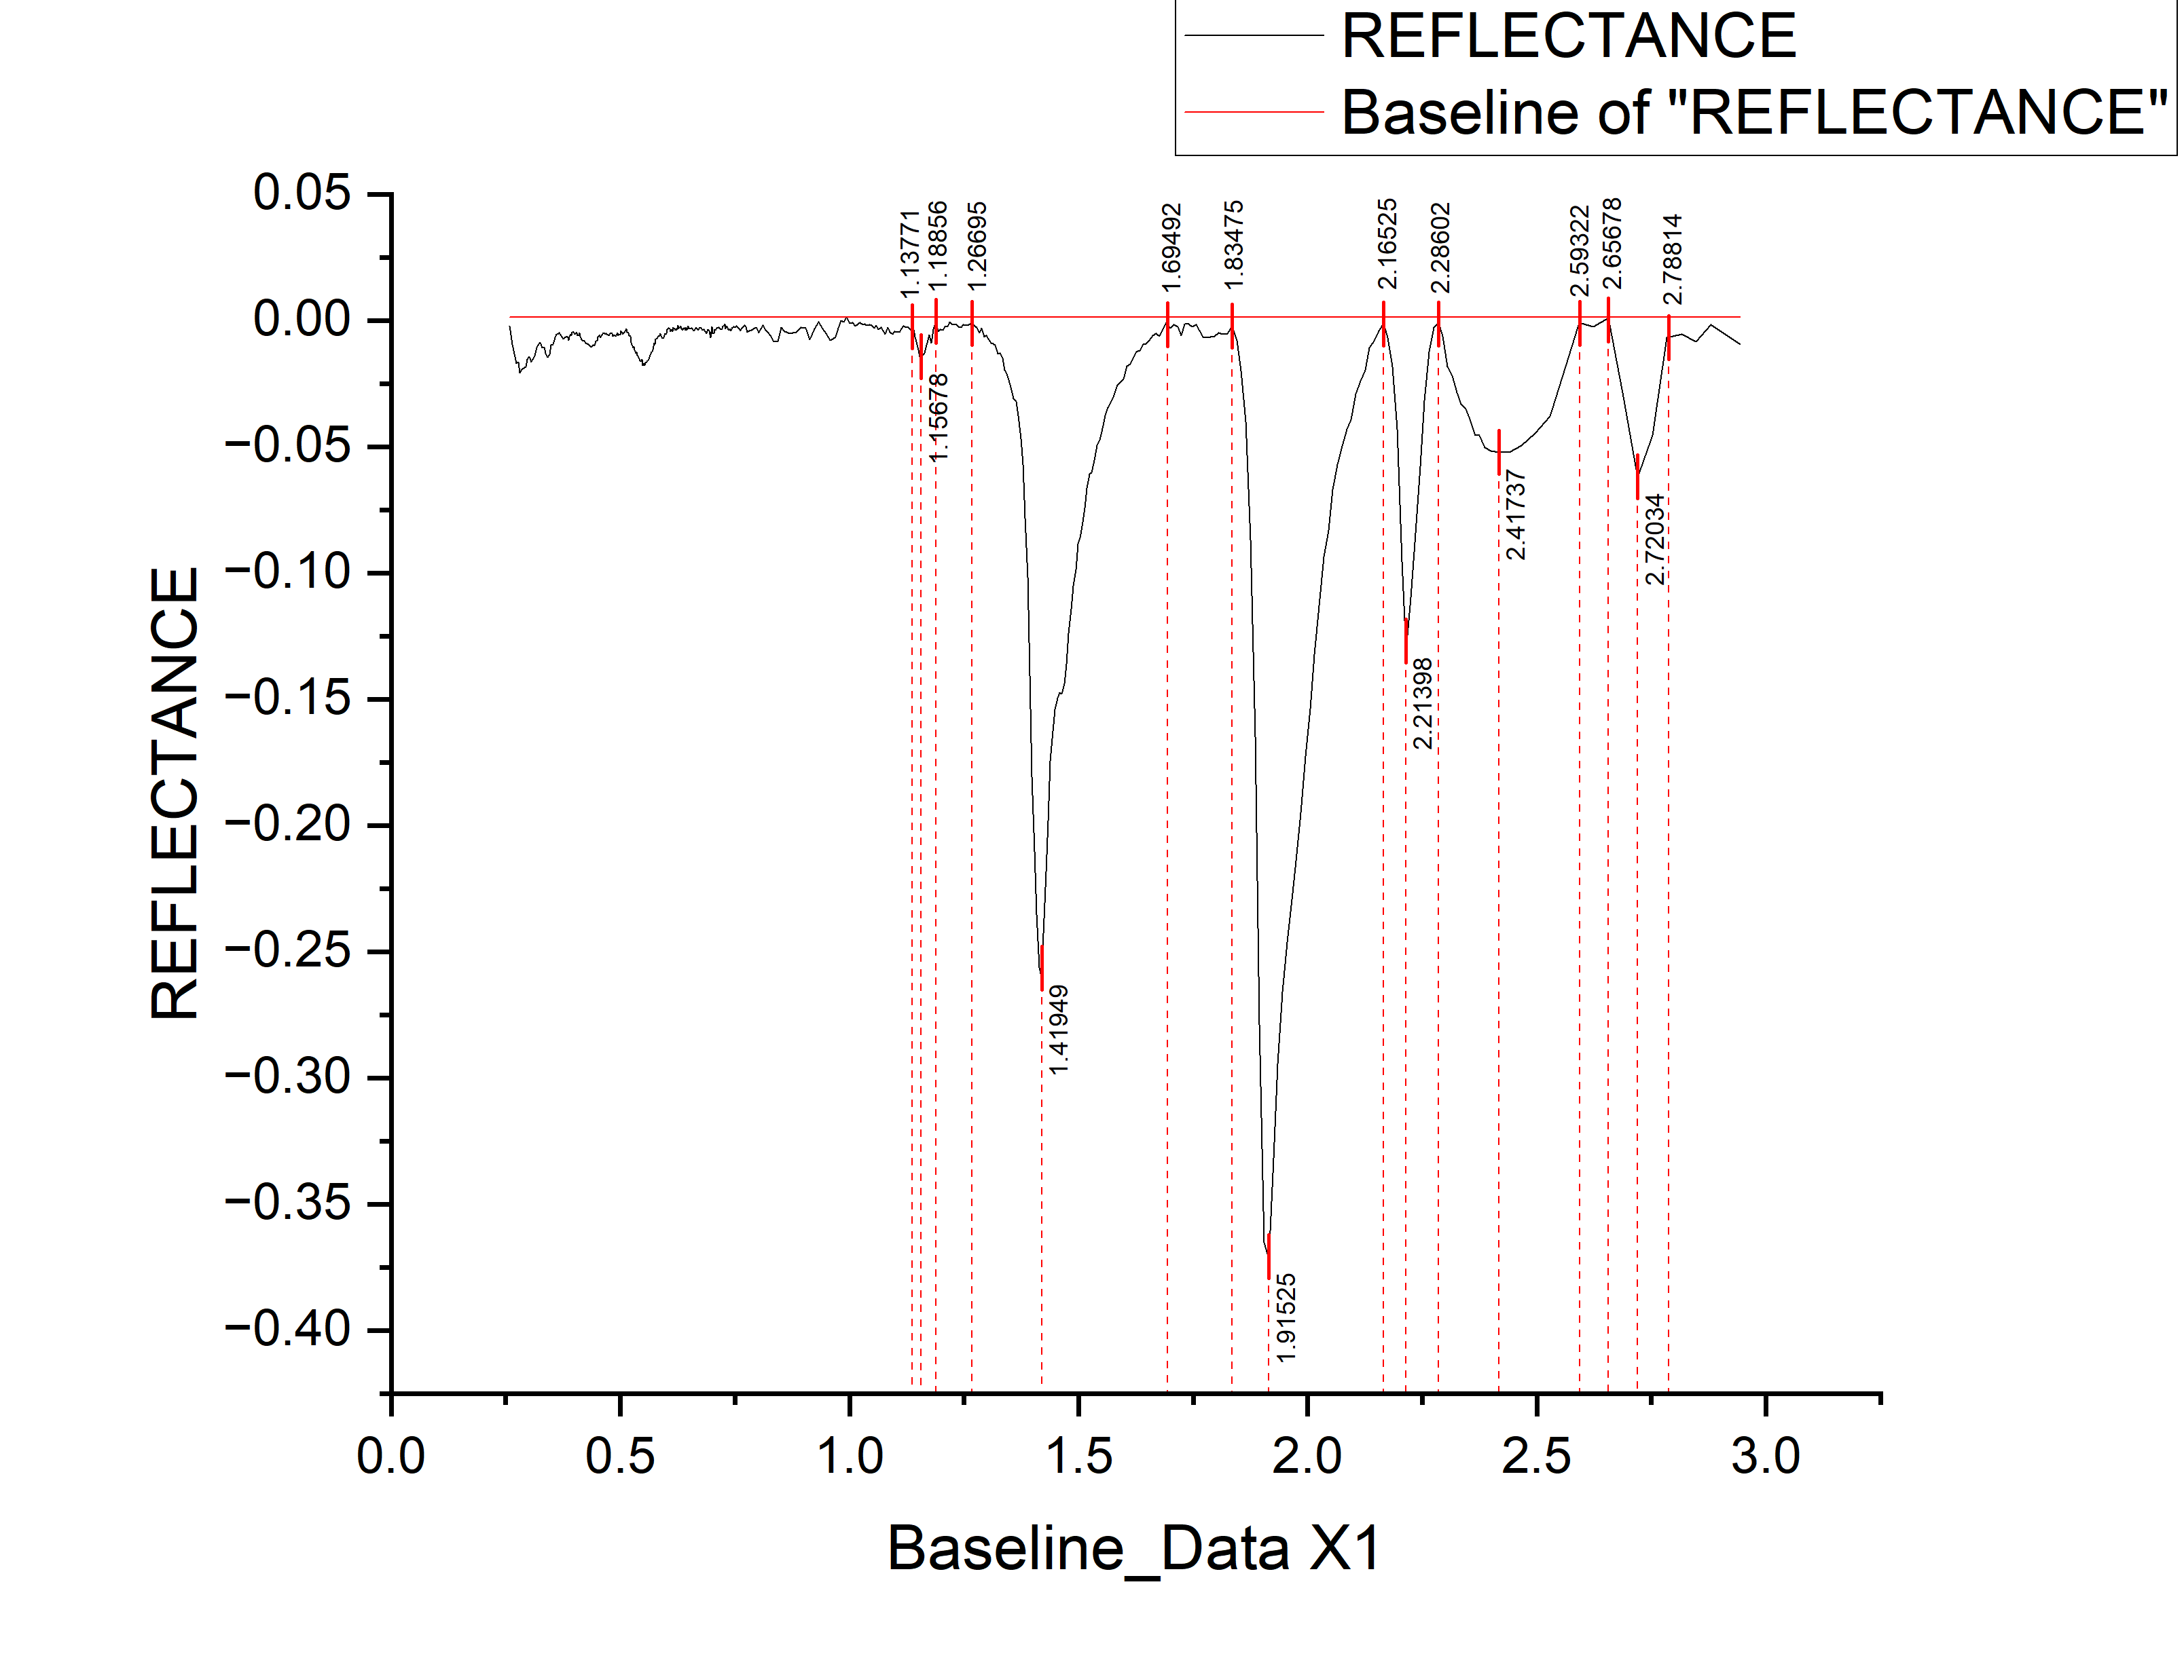
 |  |  |  |  |  |  |  |  | WAVELENGTH | REFLECTANCE | DEPTH
 |  |  |  |  |  |  |  |  | 0.2586 | -0.00212 | 0.00212
 |  |  |  |  |  |  |  |  | 0.2636 | -0.00943 | 0.00943
 |  |  |  |  |  |  |  |  | 0.2686 | -0.01314 | 0.01314
 |  |  |  |  |  |  |  |  | 0.2731 | -0.017 | 0.017
 |  |  |  |  |  |  |  |  | 0.2771 | -0.01653 | 0.01653
 |  |  |  |  |  |  |  |  | 0.2811 | -0.02066 | 0.02066
 |  |  |  |  |  |  |  |  | 0.2851 | -0.01938 | 0.01938
 |  |  |  |  |  |  |  |  | 0.2891 | -0.01901 | 0.01901
 |  |  |  |  |  |  |  |  | 0.2931 | -0.01843 | 0.01843
 |  |  |  |  |  |  |  |  | 0.2971 | -0.01552 | 0.01552
 |  |  |  |  |  |  |  |  | 0.3011 | -0.01424 | 0.01424
 |  |  |  |  |  |  |  |  | 0.3051 | -0.01646 | 0.01646
 |  |  |  |  |  |  |  |  | 0.3091 | -0.01548 | 0.01548
 |  |  |  |  |  |  |  |  | 0.3131 | -0.0141 | 0.0141
 |  |  |  |  |  |  |  |  | 0.3171 | -0.01082 | 0.01082
 |  |  |  |  |  |  |  |  | 0.3211 | -0.00966 | 0.00966
 |  |  |  |  |  |  |  |  | 0.3251 | -0.00855 | 0.00855
 |  |  |  |  |  |  |  |  | 0.3291 | -0.01095 | 0.01095
 |  |  |  |  |  |  |  |  | 0.3331 | -0.01065 | 0.01065
 |  |  |  |  |  |  |  |  | 0.3371 | -0.01295 | 0.01295
 |  |  |  |  |  |  |  |  | 0.3411 | -0.01455 | 0.01455
 |  |  |  |  |  |  |  |  | 0.3451 | -0.01352 | 0.01352
 |  |  |  |  |  |  |  |  | 0.3491 | -0.00964 | 0.00964
 |  |  |  |  |  |  |  |  | 0.3531 | -0.00936 | 0.00936
 |  |  |  |  |  |  |  |  | 0.3571 | -0.00689 | 0.00689
 |  |  |  |  |  |  |  |  | 0.3606 | -0.00541 | 0.00541
 |  |  |  |  |  |  |  |  | 0.3636 | -0.00552 | 0.00552
 |  |  |  |  |  |  |  |  | 0.3666 | -0.00484 | 0.00484
 |  |  |  |  |  |  |  |  | 0.3696 | -0.00566 | 0.00566
 |  |  |  |  |  |  |  |  | 0.3726 | -0.00648 | 0.00648
 |  |  |  |  |  |  |  |  | 0.3756 | -0.00729 | 0.00729
 |  |  |  |  |  |  |  |  | 0.3786 | -0.00691 | 0.00691
 |  |  |  |  |  |  |  |  | 0.3811 | -0.00683 | 0.00683
 |  |  |  |  |  |  |  |  | 0.3831 | -0.00634 | 0.00634
 |  |  |  |  |  |  |  |  | 0.3851 | -0.00675 | 0.00675
 |  |  |  |  |  |  |  |  | 0.3871 | -0.00786 | 0.00786
 |  |  |  |  |  |  |  |  | 0.3891 | -0.00656 | 0.00656
 |  |  |  |  |  |  |  |  | 0.3911 | -0.00539 | 0.00539
 |  |  |  |  |  |  |  |  | 0.3931 | -0.00593 | 0.00593
 |  |  |  |  |  |  |  |  | 0.3951 | -0.00456 | 0.00456
 |  |  |  |  |  |  |  |  | 0.3971 | -0.0046 | 0.0046
 |  |  |  |  |  |  |  |  | 0.3991 | -0.00493 | 0.00493
peak_number | peak_value | start | end | depth | width | left_area | right_area | TOTAL | 0.4011 | -0.00547 | 0.00547
1 | 1.15678 | 1.13771 | 1.18856 | 0.01414 | 0.05085 | 0.03359 | 0.055199017 | 0.088789017 | 0.4031 | -0.0048 | 0.0048
2 | 1.41949 | 1.26695 | 1.69492 | 0.25996 | 0.42797 | 1.86305 | 3.358964409 | 5.222014409 | 0.4051 | -0.00484 | 0.00484
3 | 1.91525 | 1.83475 | 2.16525 | 0.37178 | 0.3305 | 1.33779 | 2.87913 | 4.21692 | 0.4071 | -0.00587 | 0.00587
4 | 2.21398 | 2.16525 | 2.28602 | 0.13064 | 0.12077 | 0.16356 | 0.430427053 | 0.593987053 | 0.4091 | -0.00601 | 0.00601
5 | 2.41737 | 2.28602 | 2.59322 | 0.05224 | 0.3072 | 0.37537 | 0.257685023 | 0.633055023 | 0.4111 | -0.00494 | 0.00494
6 | 2.72034 | 2.65678 | 2.78814 | 0.06209 | 0.13136 | 0.09227 | 0.05232 | 0.14459 | 0.4128 | -0.00623 | 0.00623
 |  |  |  |  |  |  |  |  | 0.4158 | -0.00748 | 0.00748
 |  |  |  |  |  |  |  |  | 0.4188 | -0.00803 | 0.00803
...

M12
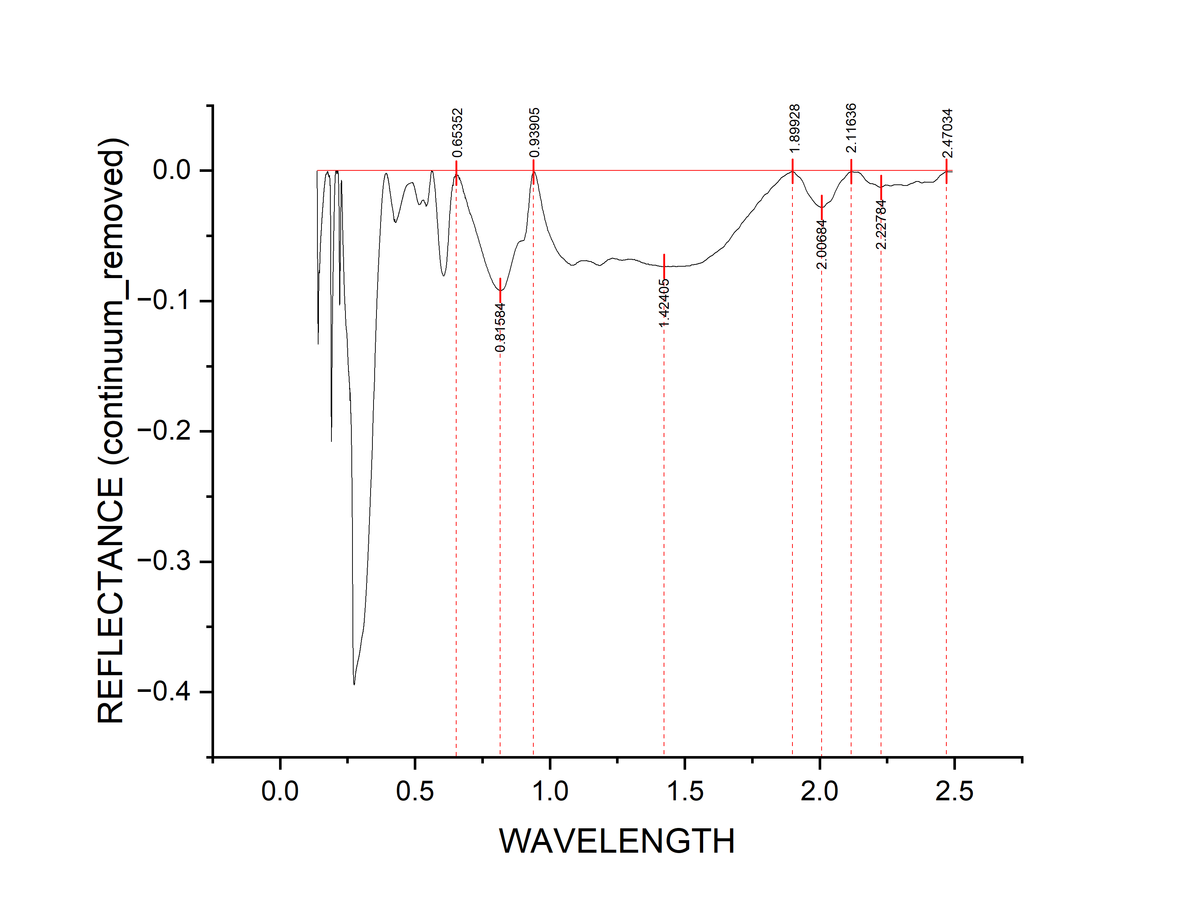
 |  |  |  |  |  |  |  |  | WAVELENGTH | REFLECTANCE | depth
 |  |  |  |  |  |  |  |  | 0.13747 | -4.84E-05 | 4.83962E-05
 |  |  |  |  |  |  |  |  | 0.13751 | -4.56E-04 | 0.000456371
 |  |  |  |  |  |  |  |  | 0.13755 | -0.00116 | 0.00116
 |  |  |  |  |  |  |  |  | 0.13758 | -0.00127 | 0.00127
 |  |  |  |  |  |  |  |  | 0.13762 | -0.00168 | 0.00168
 |  |  |  |  |  |  |  |  | 0.13766 | -0.00329 | 0.00329
 |  |  |  |  |  |  |  |  | 0.13769 | -0.0042 | 0.0042
 |  |  |  |  |  |  |  |  | 0.13773 | -0.0042 | 0.0042
 |  |  |  |  |  |  |  |  | 0.13777 | -0.00501 | 0.00501
 |  |  |  |  |  |  |  |  | 0.1378 | -0.00592 | 0.00592
 |  |  |  |  |  |  |  |  | 0.13784 | -0.00693 | 0.00693
 |  |  |  |  |  |  |  |  | 0.13788 | -0.00754 | 0.00754
 |  |  |  |  |  |  |  |  | 0.13791 | -0.00834 | 0.00834
 |  |  |  |  |  |  |  |  | 0.13795 | -0.00935 | 0.00935
 |  |  |  |  |  |  |  |  | 0.13799 | -0.01056 | 0.01056
 |  |  |  |  |  |  |  |  | 0.13802 | -0.01157 | 0.01157
 |  |  |  |  |  |  |  |  | 0.13806 | -0.01278 | 0.01278
 |  |  |  |  |  |  |  |  | 0.1381 | -0.01308 | 0.01308
 |  |  |  |  |  |  |  |  | 0.13813 | -0.01349 | 0.01349
 |  |  |  |  |  |  |  |  | 0.13817 | -0.0142 | 0.0142
 |  |  |  |  |  |  |  |  | 0.13821 | -0.01581 | 0.01581
 |  |  |  |  |  |  |  |  | 0.13824 | -0.01752 | 0.01752
 |  |  |  |  |  |  |  |  | 0.13828 | -0.01792 | 0.01792
 |  |  |  |  |  |  |  |  | 0.13832 | -0.01853 | 0.01853
 |  |  |  |  |  |  |  |  | 0.13835 | -0.01994 | 0.01994
 |  |  |  |  |  |  |  |  | 0.13839 | -0.02065 | 0.02065
 |  |  |  |  |  |  |  |  | 0.13843 | -0.02196 | 0.02196
 |  |  |  |  |  |  |  |  | 0.13847 | -0.02347 | 0.02347
 |  |  |  |  |  |  |  |  | 0.1385 | -0.02427 | 0.02427
 |  |  |  |  |  |  |  |  | 0.13854 | -0.02498 | 0.02498
 |  |  |  |  |  |  |  |  | 0.13858 | -0.02639 | 0.02639
 |  |  |  |  |  |  |  |  | 0.13861 | -0.0278 | 0.0278
 |  |  |  |  |  |  |  |  | 0.13865 | -0.02931 | 0.02931
 |  |  |  |  |  |  |  |  | 0.13869 | -0.03031 | 0.03031
 |  |  |  |  |  |  |  |  | 0.13873 | -0.03132 | 0.03132
 |  |  |  |  |  |  |  |  | 0.13876 | -0.03303 | 0.03303
 |  |  |  |  |  |  |  |  | 0.1388 | -0.03464 | 0.03464
 |  |  |  |  |  |  |  |  | 0.13884 | -0.03585 | 0.03585
 |  |  |  |  |  |  |  |  | 0.13887 | -0.03715 | 0.03715
 |  |  |  |  |  |  |  |  | 0.13891 | -0.03876 | 0.03876
 |  |  |  |  |  |  |  |  | 0.13895 | -0.04057 | 0.04057
 |  |  |  |  |  |  |  |  | 0.13899 | -0.04228 | 0.04228
peak_number | peak_value | start | end | depth | width | left_area | right_area | TOTAL | 0.13902 | -0.04359 | 0.04359
1 | 0.81584 | 0.65352 | 0.93905 | 0.09203 | 0.28553 | 7.45108 | 5.05904 | 12.51012 | 0.13906 | -0.0449 | 0.0449
2 | 1.42405 | 0.93905 | 1.89928 | 0.0736 | 0.96023 | 11.358445505 | 4.62624743 | 15.984692935 | 0.1391 | -0.0467 | 0.0467
3 | 2.00684 | 1.89928 | 2.11636 | 0.02821 | 0.21708 | 0.21012 | 0.208211491 | 0.418331491 | 0.13913 | -0.04841 | 0.04841
4 | 2.22784 | 2.11636 | 2.47034 | 0.01276 | 0.35398 | 0.08082827 | 0.206410438 | 0.287238708 | 0.13917 | -0.05062 | 0.05062
 |  |  |  |  |  |  |  |  | 0.13921 | -0.05303 | 0.05303
 |  |  |  |  |  |  |  |  | 0.13925 | -0.05484 | 0.05484
 |  |  |  |  |  |  |  |  | 0.13928 | -0.05624 | 0.05624
...

M13
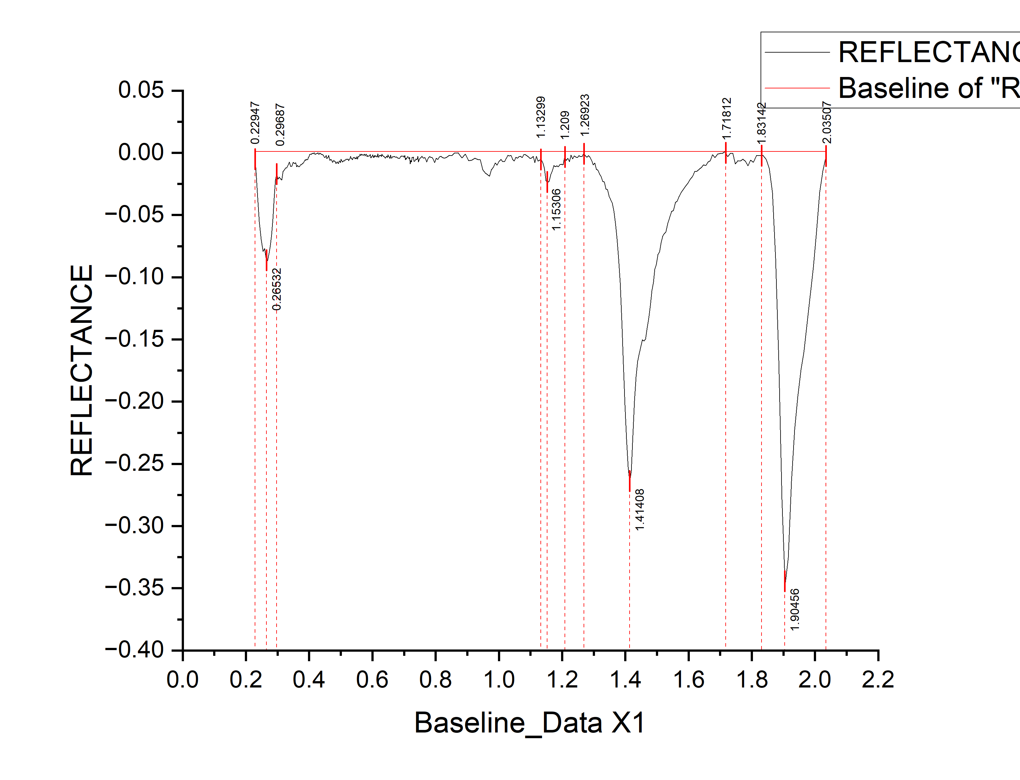
 |  |  |  |  |  |  |  |  | WAVELENGTH | REFLECTANCE | DEPTH
 |  |  |  |  |  |  |  |  | 0.2291 | -0.00365 | 0.00365
 |  |  |  |  |  |  |  |  | 0.2361 | -0.03216 | 0.03216
 |  |  |  |  |  |  |  |  | 0.2421 | -0.05534 | 0.05534
 |  |  |  |  |  |  |  |  | 0.2481 | -0.06961 | 0.06961
 |  |  |  |  |  |  |  |  | 0.2536 | -0.07916 | 0.07916
 |  |  |  |  |  |  |  |  | 0.2586 | -0.07698 | 0.07698
 |  |  |  |  |  |  |  |  | 0.2636 | -0.08601 | 0.08601
 |  |  |  |  |  |  |  |  | 0.2686 | -0.08694 | 0.08694
 |  |  |  |  |  |  |  |  | 0.2731 | -0.08074 | 0.08074
 |  |  |  |  |  |  |  |  | 0.2771 | -0.07432 | 0.07432
 |  |  |  |  |  |  |  |  | 0.2811 | -0.0657 | 0.0657
 |  |  |  |  |  |  |  |  | 0.2851 | -0.05318 | 0.05318
 |  |  |  |  |  |  |  |  | 0.2891 | -0.03637 | 0.03637
 |  |  |  |  |  |  |  |  | 0.2931 | -0.02205 | 0.02205
 |  |  |  |  |  |  |  |  | 0.2971 | -0.01662 | 0.01662
 |  |  |  |  |  |  |  |  | 0.3011 | -0.021 | 0.021
 |  |  |  |  |  |  |  |  | 0.3051 | -0.01948 | 0.01948
 |  |  |  |  |  |  |  |  | 0.3091 | -0.02085 | 0.02085
 |  |  |  |  |  |  |  |  | 0.3131 | -0.02183 | 0.02183
 |  |  |  |  |  |  |  |  | 0.3171 | -0.01512 | 0.01512
 |  |  |  |  |  |  |  |  | 0.3211 | -0.01382 | 0.01382
 |  |  |  |  |  |  |  |  | 0.3251 | -0.01233 | 0.01233
 |  |  |  |  |  |  |  |  | 0.3291 | -0.01193 | 0.01193
 |  |  |  |  |  |  |  |  | 0.3331 | -0.00984 | 0.00984
 |  |  |  |  |  |  |  |  | 0.3371 | -0.00724 | 0.00724
 |  |  |  |  |  |  |  |  | 0.3411 | -0.01105 | 0.01105
 |  |  |  |  |  |  |  |  | 0.3451 | -0.01075 | 0.01075
 |  |  |  |  |  |  |  |  | 0.3491 | -0.00762 | 0.00762
 |  |  |  |  |  |  |  |  | 0.3531 | -0.00863 | 0.00863
 |  |  |  |  |  |  |  |  | 0.3571 | -0.00793 | 0.00793
 |  |  |  |  |  |  |  |  | 0.3606 | -0.01111 | 0.01111
 |  |  |  |  |  |  |  |  | 0.3636 | -0.01026 | 0.01026
 |  |  |  |  |  |  |  |  | 0.3666 | -0.01112 | 0.01112
 |  |  |  |  |  |  |  |  | 0.3696 | -0.01097 | 0.01097
 |  |  |  |  |  |  |  |  | 0.3726 | -0.00972 | 0.00972
 |  |  |  |  |  |  |  |  | 0.3756 | -0.00967 | 0.00967
 |  |  |  |  |  |  |  |  | 0.3786 | -0.00873 | 0.00873
 |  |  |  |  |  |  |  |  | 0.3811 | -0.00806 | 0.00806
 |  |  |  |  |  |  |  |  | 0.3831 | -0.00726 | 0.00726
 |  |  |  |  |  |  |  |  | 0.3851 | -0.00646 | 0.00646
 |  |  |  |  |  |  |  |  | 0.3871 | -0.00546 | 0.00546
 |  |  |  |  |  |  |  |  | 0.3891 | -0.00606 | 0.00606
peak_number | peak_value | start | end | depth | width | left_area | right_area | TOTAL | 0.3911 | -0.00497 | 0.00497
1 | 1.15306 | 1.13299 | 1.209 | 0.02358 | 0.07601 | 0.04794 | 0.15222 | 0.20016 | 0.3931 | -0.00557 | 0.00557
2 | 1.41408 | 1.26923 | 1.71812 | 0.26492 | 0.44889 | 1.93204 | 3.585440554 | 5.517480554 | 0.3951 | -0.00531 | 0.00531
3 | 1.90456 | 1.83142 | 2.03507 | 0.34723 | 0.20365 | 0.58184 | 2.14723 | 2.72907 | 0.3971 | -0.00366 | 0.00366
 |  |  |  |  |  |  |  |  | 0.3991 | -0.003 | 0.003
 |  |  |  |  |  |  |  |  | 0.4011 | -0.00134 | 0.00134
 |  |  |  |  |  |  |  |  | 0.4031 | -0.00118 | 0.00118
 |  |  |  |  |  |  |  |  | 0.4051 | -0.00112 | 0.00112
 |  |  |  |  |  |  |  |  | 0.4071 | -0.00126 | 0.00126
...

M14
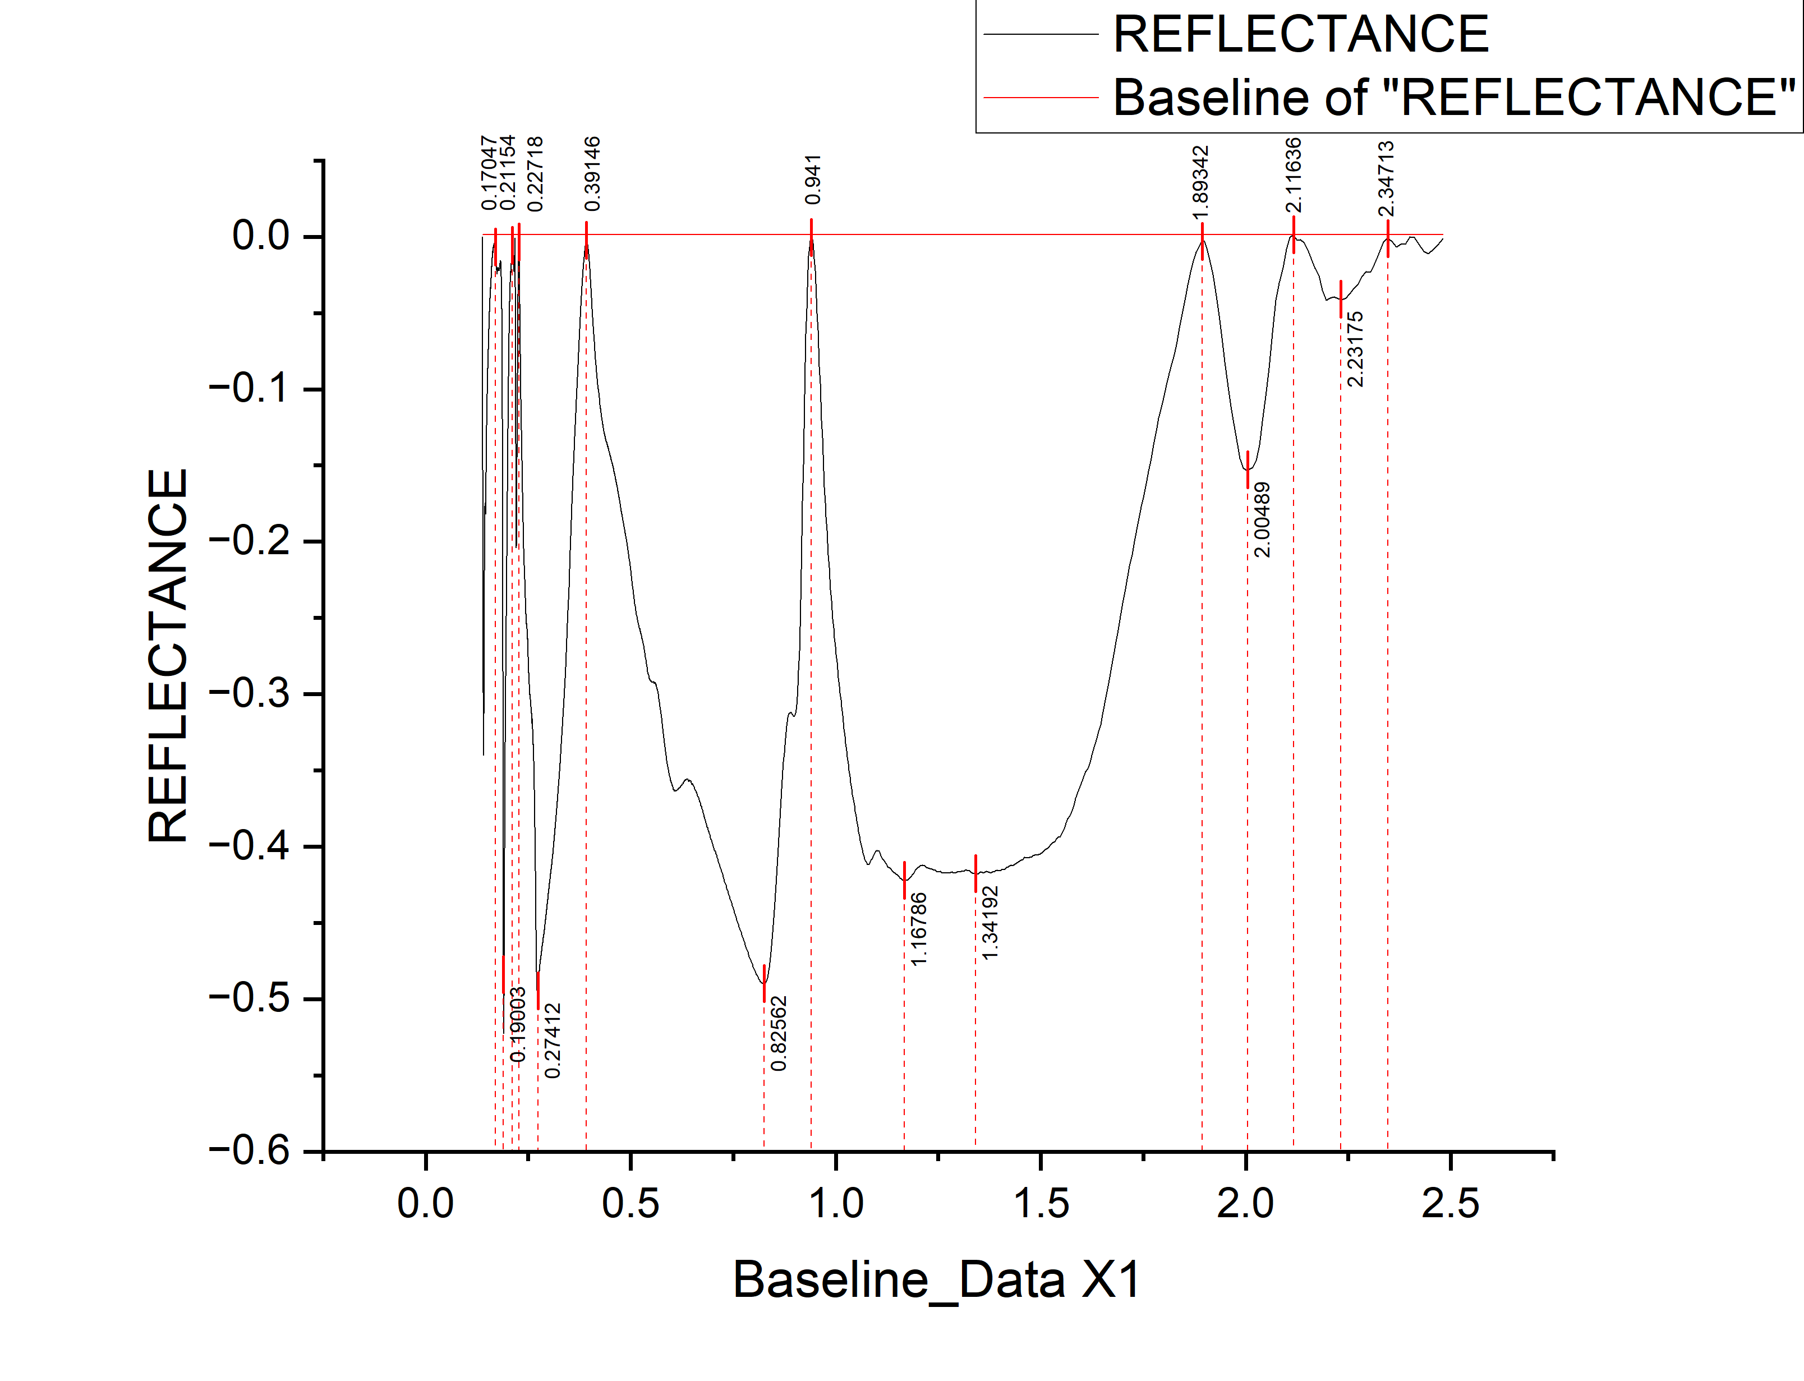
 |  |  |  |  |  |  |  |  | WAVELENGTH | REFLECTANCE | DEPTH
 |  |  |  |  |  |  |  |  | 0.13847 | -2.99E-04 | 0.000298955
 |  |  |  |  |  |  |  |  | 0.1385 | -0.00465 | 0.00465
 |  |  |  |  |  |  |  |  | 0.13854 | -0.00919 | 0.00919
 |  |  |  |  |  |  |  |  | 0.13858 | -0.01314 | 0.01314
 |  |  |  |  |  |  |  |  | 0.13861 | -0.01629 | 0.01629
 |  |  |  |  |  |  |  |  | 0.13865 | -0.02004 | 0.02004
 |  |  |  |  |  |  |  |  | 0.13869 | -0.02579 | 0.02579
 |  |  |  |  |  |  |  |  | 0.13873 | -0.03123 | 0.03123
 |  |  |  |  |  |  |  |  | 0.13876 | -0.03618 | 0.03618
 |  |  |  |  |  |  |  |  | 0.1388 | -0.04043 | 0.04043
 |  |  |  |  |  |  |  |  | 0.13884 | -0.04478 | 0.04478
 |  |  |  |  |  |  |  |  | 0.13887 | -0.04963 | 0.04963
 |  |  |  |  |  |  |  |  | 0.13891 | -0.05417 | 0.05417
 |  |  |  |  |  |  |  |  | 0.13895 | -0.06002 | 0.06002
 |  |  |  |  |  |  |  |  | 0.13899 | -0.06597 | 0.06597
 |  |  |  |  |  |  |  |  | 0.13902 | -0.07112 | 0.07112
 |  |  |  |  |  |  |  |  | 0.13906 | -0.07607 | 0.07607
 |  |  |  |  |  |  |  |  | 0.1391 | -0.08151 | 0.08151
 |  |  |  |  |  |  |  |  | 0.13913 | -0.08936 | 0.08936
 |  |  |  |  |  |  |  |  | 0.13917 | -0.09651 | 0.09651
 |  |  |  |  |  |  |  |  | 0.13921 | -0.10376 | 0.10376
 |  |  |  |  |  |  |  |  | 0.13925 | -0.11021 | 0.11021
 |  |  |  |  |  |  |  |  | 0.13928 | -0.11515 | 0.11515
 |  |  |  |  |  |  |  |  | 0.13932 | -0.1197 | 0.1197
 |  |  |  |  |  |  |  |  | 0.13936 | -0.12495 | 0.12495
 |  |  |  |  |  |  |  |  | 0.1394 | -0.1305 | 0.1305
 |  |  |  |  |  |  |  |  | 0.13943 | -0.13815 | 0.13815
 |  |  |  |  |  |  |  |  | 0.13947 | -0.1462 | 0.1462
 |  |  |  |  |  |  |  |  | 0.13951 | -0.15274 | 0.15274
 |  |  |  |  |  |  |  |  | 0.13955 | -0.15729 | 0.15729
 |  |  |  |  |  |  |  |  | 0.13958 | -0.16254 | 0.16254
 |  |  |  |  |  |  |  |  | 0.13962 | -0.16959 | 0.16959
 |  |  |  |  |  |  |  |  | 0.13966 | -0.17524 | 0.17524
 |  |  |  |  |  |  |  |  | 0.1397 | -0.17969 | 0.17969
 |  |  |  |  |  |  |  |  | 0.13973 | -0.18384 | 0.18384
 |  |  |  |  |  |  |  |  | 0.13977 | -0.18858 | 0.18858
 |  |  |  |  |  |  |  |  | 0.13981 | -0.19373 | 0.19373
 |  |  |  |  |  |  |  |  | 0.13985 | -0.19818 | 0.19818
 |  |  |  |  |  |  |  |  | 0.13989 | -0.20223 | 0.20223
 |  |  |  |  |  |  |  |  | 0.13992 | -0.20798 | 0.20798
 |  |  |  |  |  |  |  |  | 0.13996 | -0.21283 | 0.21283
 |  |  |  |  |  |  |  |  | 0.14 | -0.21688 | 0.21688
peak_number | peak_value | start | end | depth | width | left_area | right_area | TOTAL | 0.14004 | -0.22142 | 0.22142
1 | 0.82562 | 0.654 | 0.941 | 0.48987 | 0.287 | 70.13658 | 24.305665951 | 94.442245951 | 0.14007 | -0.22607 | 0.22607
2 | 1.34192 | 0.941 | 1.89342 | 0.41797 | 0.95242 | 56.89778 | 34.77704 | 91.67482 | 0.14011 | -0.22992 | 0.22992
3 | 2.00489 | 1.89342 | 2.11636 | 0.15257 | 0.22294 | 1.20739 | 1.064141535 | 2.271531535 | 0.14015 | -0.23367 | 0.23367
4 | 2.23175 | 2.11636 | 2.34713 | 0.04131 | 0.23077 | 0.27527 | 0.289264304 | 0.564534304 | 0.14019 | -0.23652 | 0.23652
 |  |  |  |  |  |  |  |  | 0.14023 | -0.23887 | 0.23887
 |  |  |  |  |  |  |  |  | 0.14026 | -0.24292 | 0.24292
 |  |  |  |  |  |  |  |  | 0.1403 | -0.24767 | 0.24767
 |  |  |  |  |  |  |  |  | 0.14034 | -0.25112 | 0.25112
...

M15
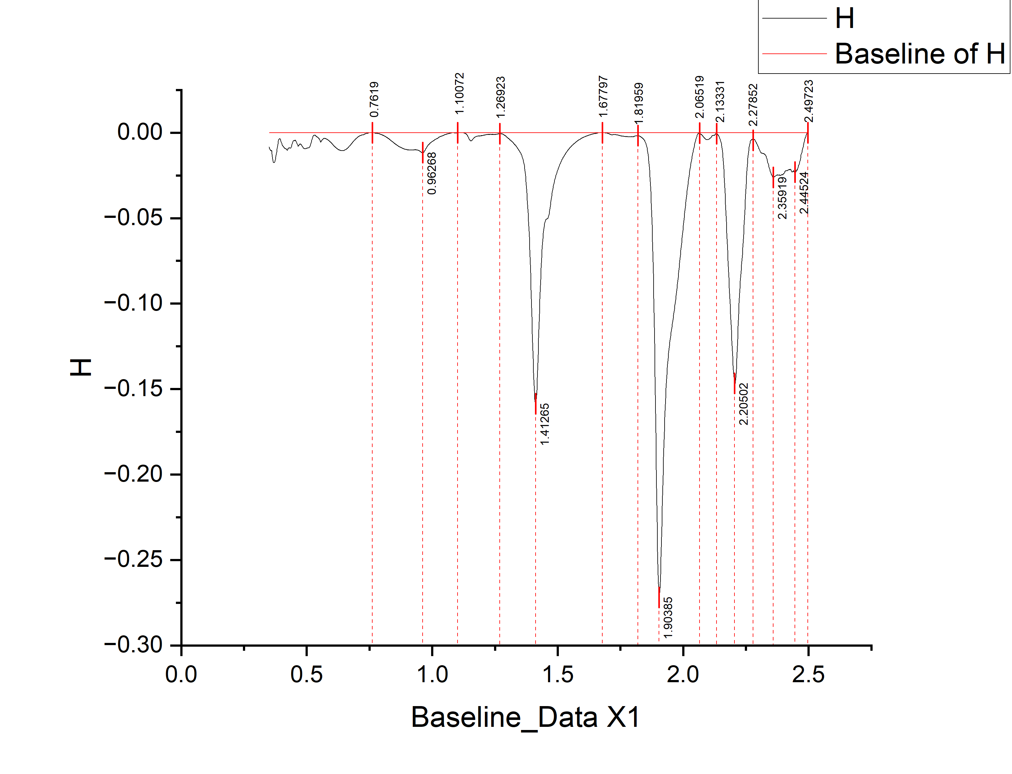
 |  |  |  |  |  |  |  |  | WAVELENGTH | REFLECTANCE | DEPTH
 |  |  |  |  |  |  |  |  | 0.35 | -0.00832 | 0.00832
 |  |  |  |  |  |  |  |  | 0.351 | -0.00892 | 0.00892
 |  |  |  |  |  |  |  |  | 0.352 | -0.00922 | 0.00922
 |  |  |  |  |  |  |  |  | 0.353 | -0.00952 | 0.00952
 |  |  |  |  |  |  |  |  | 0.354 | -0.00992 | 0.00992
 |  |  |  |  |  |  |  |  | 0.355 | -0.01012 | 0.01012
 |  |  |  |  |  |  |  |  | 0.356 | -0.01032 | 0.01032
 |  |  |  |  |  |  |  |  | 0.357 | -0.01052 | 0.01052
 |  |  |  |  |  |  |  |  | 0.358 | -0.01062 | 0.01062
 |  |  |  |  |  |  |  |  | 0.359 | -0.01072 | 0.01072
 |  |  |  |  |  |  |  |  | 0.36 | -0.01042 | 0.01042
 |  |  |  |  |  |  |  |  | 0.361 | -0.0112 | 0.0112
 |  |  |  |  |  |  |  |  | 0.362 | -0.01253 | 0.01253
 |  |  |  |  |  |  |  |  | 0.363 | -0.01395 | 0.01395
 |  |  |  |  |  |  |  |  | 0.364 | -0.01528 | 0.01528
 |  |  |  |  |  |  |  |  | 0.365 | -0.0162 | 0.0162
 |  |  |  |  |  |  |  |  | 0.366 | -0.01682 | 0.01682
 |  |  |  |  |  |  |  |  | 0.367 | -0.01725 | 0.01725
 |  |  |  |  |  |  |  |  | 0.368 | -0.01747 | 0.01747
 |  |  |  |  |  |  |  |  | 0.369 | -0.0175 | 0.0175
 |  |  |  |  |  |  |  |  | 0.37 | -0.01762 | 0.01762
 |  |  |  |  |  |  |  |  | 0.371 | -0.01755 | 0.01755
 |  |  |  |  |  |  |  |  | 0.372 | -0.01727 | 0.01727
 |  |  |  |  |  |  |  |  | 0.373 | -0.0169 | 0.0169
 |  |  |  |  |  |  |  |  | 0.374 | -0.01632 | 0.01632
 |  |  |  |  |  |  |  |  | 0.375 | -0.01565 | 0.01565
 |  |  |  |  |  |  |  |  | 0.376 | -0.01477 | 0.01477
 |  |  |  |  |  |  |  |  | 0.377 | -0.014 | 0.014
 |  |  |  |  |  |  |  |  | 0.378 | -0.01312 | 0.01312
 |  |  |  |  |  |  |  |  | 0.379 | -0.01215 | 0.01215
 |  |  |  |  |  |  |  |  | 0.38 | -0.01137 | 0.01137
 |  |  |  |  |  |  |  |  | 0.381 | -0.0104 | 0.0104
 |  |  |  |  |  |  |  |  | 0.382 | -0.00952 | 0.00952
 |  |  |  |  |  |  |  |  | 0.383 | -0.00865 | 0.00865
 |  |  |  |  |  |  |  |  | 0.384 | -0.00768 | 0.00768
 |  |  |  |  |  |  |  |  | 0.385 | -0.00664 | 0.00664
 |  |  |  |  |  |  |  |  | 0.386 | -0.0057 | 0.0057
 |  |  |  |  |  |  |  |  | 0.387 | -0.00487 | 0.00487
 |  |  |  |  |  |  |  |  | 0.388 | -0.00423 | 0.00423
 |  |  |  |  |  |  |  |  | 0.389 | -0.00379 | 0.00379
 |  |  |  |  |  |  |  |  | 0.39 | -0.00365 | 0.00365
 |  |  |  |  |  |  |  |  | 0.391 | -0.00362 | 0.00362
peak_number | peak_value | start | end | depth | width | left_area | right_area | TOTAL | 0.392 | -0.00358 | 0.00358
1 | 0.96268 | 0.7619 | 1.10072 | 0.01171 | 0.33882 | 1.2742876603 | 0.47807106125 | 1.7523587215 | 0.393 | -0.00354 | 0.00354
2 | 1.41265 | 1.26923 | 1.67797 | 0.15856 | 0.40874 | 4.345895223 | 6.6027894779 | 10.948684701 | 0.394 | -0.00371 | 0.00371
3 | 1.90385 | 1.81959 | 2.06519 | 0.27211 | 0.2456 | 5.13989 | 14.293949984 | 19.433839984 | 0.395 | -0.00397 | 0.00397
4 | 2.20502 | 2.13331 | 2.27852 | 0.14664 | 0.14521 | 4.02297143 | 4.41272 | 8.43569143 | 0.396 | -0.00433 | 0.00433
5 | 2.35919 | 2.27852 | 2.49723 | 0.02609 | 0.21871 | 1.08263 | 2.662911008 | 3.745541008 | 0.397 | -0.0048 | 0.0048
 |  |  |  |  |  |  |  |  | 0.398 | -0.00536 | 0.00536
 |  |  |  |  |  |  |  |  | 0.399 | -0.00572 | 0.00572
 |  |  |  |  |  |  |  |  | 0.4 | -0.00618 | 0.00618
...

