Grade Analysis
Row Labels | Total Expected loss | Average PD | Loan Count
A | $801,590.73 | 6.98% | 1762
B | $2,109,320.27 | 13.06% | 2729
C | $3,605,420.56 | 21.66% | 2448
D | $2,820,299.80 | 33.20% | 1139
E | $2,296,017.80 | 46.03% | 574
F | $1,041,602.05 | 62.50% | 189
G | $257,930.78 | 71.29% | 43
Grand Total | $12,932,181.99 | 20.27% | 8884

Expected Loss by Risk Grade A to G
 | Total Expected loss
A | $801,590.73
B | $2,109,320.27
C | $3,605,420.56
D | $2,820,299.80
E | $2,296,017.80
F | $1,041,602.05
G | $257,930.78

Model Explainability
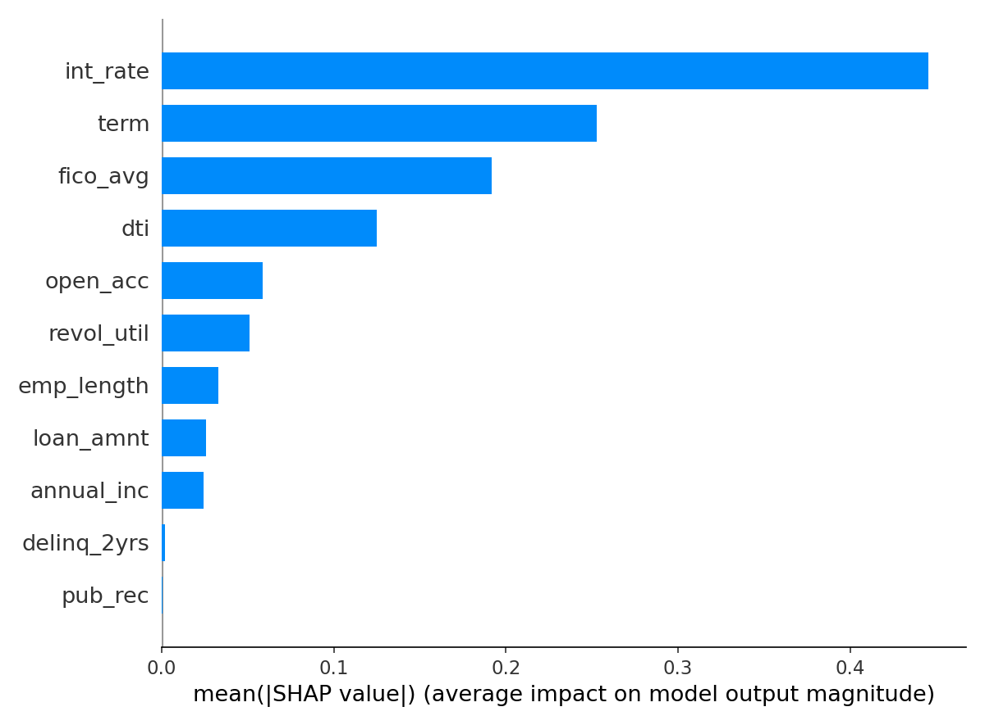
SHAP Feature Importance — Top drivers of default prediction

