DASHBOARD
SALES
ANALYSIS
TOTAL REVENUE
₹ 35,20,984
TOTAL ORDERS
1000
AVERAGE DELIVERY DAYS
5.5 DAYS
AVERAGE_CUSTOMER SPENDING
₹3,520

TOP 5 PRODUCTS REVENUE
 | Total
Magnam Set | ₹121,905.00
Quia Gift | ₹114,476.00
Dolores Gift | ₹106,624.00
Harum Pack | ₹101,556.00
Deserunt Box | ₹97,665.00
REVENUE BY MONTH
 | Total
January | ₹95,468.00
February | ₹704,509.00
March | ₹511,823.00
April | ₹140,393.00
May | ₹150,346.00
June | ₹157,913.00
July | ₹135,826.00
August | ₹737,389.00
September | ₹136,938.00
October | ₹151,619.00
November | ₹449,169.00
December | ₹149,591.00
CUSTOMERS BY MONTH
 | Female | Male
Bidhannagar | 11 | 10
Imphal | 19 | 10
Kavali | 27
Dhanbad | 17 | 11
Haridwar | 11 | 13

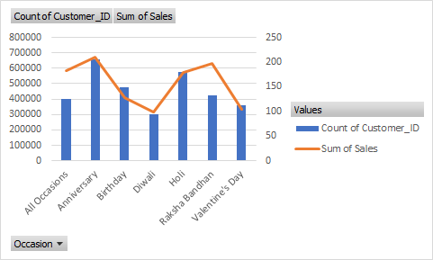

REVENUE BY DAY NAME
 | Total
Saturday | ₹ 444,960.00
Friday | ₹ 475,447.00
Thursday | ₹ 418,354.00
Wednesday | ₹ 415,192.00
Tuesday | ₹ 677,223.00
Monday | ₹ 461,670.00
Sunday | ₹ 628,138.00
REVENUE BY CATEGORY
 | Total
Cake | ₹329,862.00
Colors | ₹1,005,645.00
Mugs | ₹201,151.00
Plants | ₹212,281.00
Raksha Bandhan | ₹297,372.00
Soft Toys | ₹740,831.00
Sweets | ₹733,842.00
REVENUE BY DATE
 | Total
5 | 156198
6 | 177211
12 | 162394
15 | 163586
17 | 155373
18 | 173118
19 | 185771
20 | 186426
21 | 155466
23 | 168511

