PDA Template
 |  |  |  | PDA 2025 goal setting

 | Employee and Career Data

 | Employee Name |  |  |  | Job Title

 | People Manager |  | Country |  | Reporting Manager
 |  |  | India
 | Goals

 | Use this template to document your goals to easily copy paste them into Workday (our global HR system) when launched. All employees are responsible for documenting their goals in Workday. INSTRUCTIONS: In the PDA process in Workday, you can relate goals to three categories. It is mandatory for all employees to have Performance and Behavior goals. Learning & Development goals are there to support your professional development. 1.Performance Goal – WHAT you should deliver in your role. Related to Munters strategy and business plan. 2.Behavior Goal – HOW you should deliver based on Core Values (Individual Contributors) and Leadership Framework (Managers) 3.Learning & Development Goal – activities to support growth and performance in current or future positions, for instance developing a professional/technical skill. NOTE: To start a new line of text or add space inside a cell, press Alt + Enter

 | 2025 Goals: Add approx 3 Performance goals and 1-3 Behavior goals. Learning & Development goals are optional. |  |  |  |  | Goal Category | Due Date | Career & Growth Touchpoint |  | End-of-Year Reflection

 |  |  |  |  |  |  |  | Employee Evaluation Comment | Manager Evaluation Comment | Employee Evaluation | Manager Evaluation
 | Goal name: |  |  |  |  |  | 202X-x-x
 | Goal Description:

 | Goal name: |  |  |  |  |  | 202X-x-x
 | Goal Description:

 | Goal name: |  |  |  |  |  | 202X-x-x
 | Goal Description:

 | Goal name: |  |  |  |  |  | 202X-x-x
 | Goal Description:

 | Goal name: |  |  |  |  |  | 202X-x-x
 | Goal Description:

 | Goal name: |  |  |  |  |  | 202X-x-x
 | Goal Description:

 | Goal name: |  |  |  |  |  | 202X-x-x
 | Goal Description:

 | Goal name: |  |  |  |  |  | 202X-x-x
 | Goal Description:

 | Goal name: |  |  |  |  |  | 202X-x-x
 | Goal Description:

 | Goal name: |  |  |  |  |  | 202X-x-x
 | Goal Description:

 | Goal name: |  |  |  |  |  | 202X-x-x
 | Goal Description:

 | Goal name: |  |  |  |  |  | 202X-x-x
 | Goal Description:

 |  |  |  |  |  |  |  |  | Summary Rating
 |  |  |  |  |  |  |  |  | Comments
 |  |  |  |  |  |  |  |  | Did you have the 1:1 conversation with your employee?

SMART GOALS

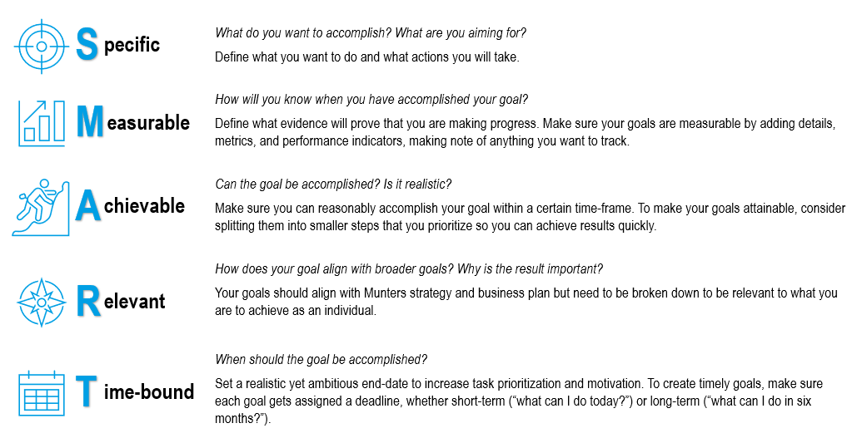

 |  | R

 | New Rating Scale for PDA appraisal

