Excel Gantt Chart Template
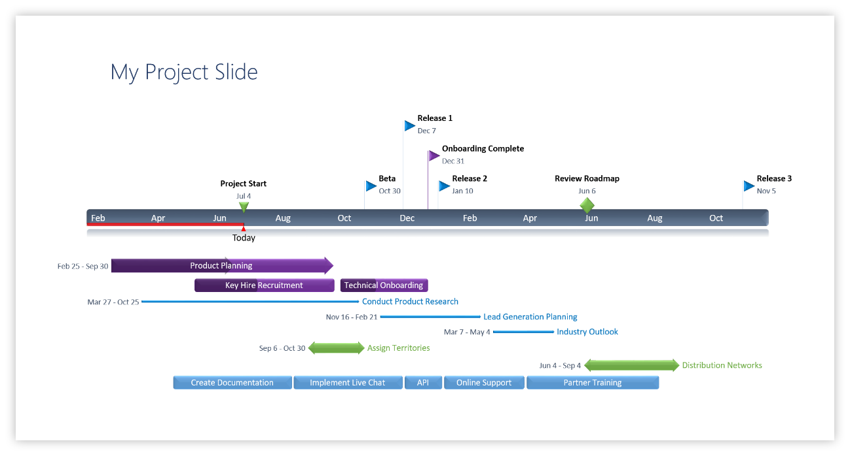
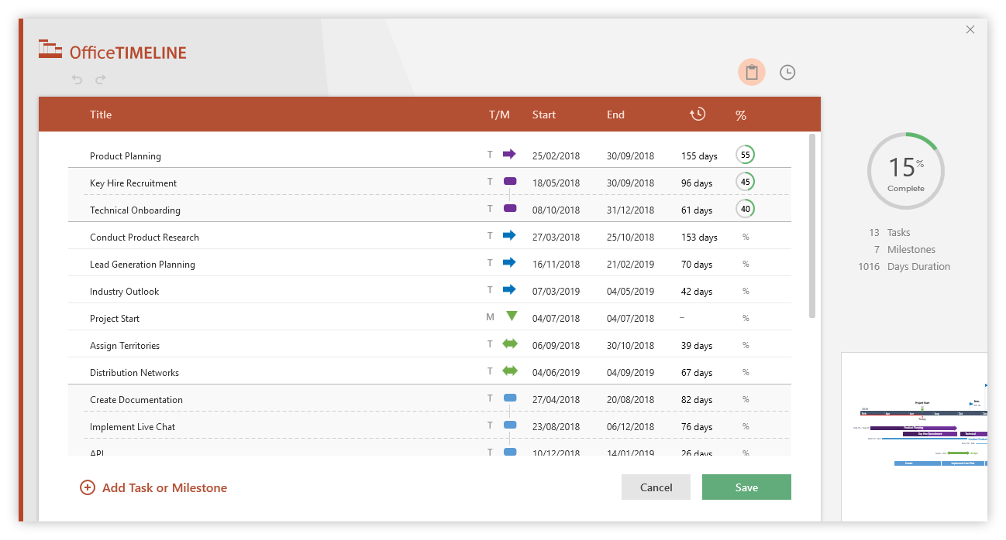
Gantt Chart
 | START DATE | DURATION (days)
Milestone 2 Draft submission | 2/6/19 | 6
In depth analysis of Related Research Papers | 2/11/19 | 3
Comparison with our studies | 2/12/19 | 2
POD Session | 2/13/19 | 1
Identify Limitations of the Proposed work | 2/13/19 | 1
Scope of Improvement | 2/14/19 | 1
Team Progress Meeting | 2/15/19 | 1
Draft Preparation | 2/15/19 | 1
Final Draft Review & Changes | 2/16/19 | 1
Milestone 3 Draft submission | 2/17/19 | 1
Metric Development and Implementation
Internal Metrics | 2/18/19 | 6
Sample Metric Computation | 2/19/19 | 6
POD Session | 2/20/19 | 1
Metric Implementation | 2/24/19 | 4
POD Session | 2/27/19 | 1
Metric Testing | 3/1/19 | 1
Team Progress Meeting | 3/3/19 | 1
EXTERNAL METRICS
Chage control | 3/4/19 | 4
POD Session | 3/6/19 | 1
Unit Testing & Integration | 3/7/19 | 2
Bug Report & Fixing | 3/8/19 | 2
Data Collection in Spreadsheet | 3/10/19 | 3
POD Session | 3/13/19 | 1
Team Progress Meeting | 3/14/19 | 1
Draft Preparation | 3/14/19 | 4
Final Draft Review & Changes(if any) | 3/17/19 | 1
Milestone 4 Draft submission | 3/18/19 | 1
STATISTCAL TESTING
Correlation Analysis | 3/19/19 | 2
POD Session | 3/20/19 | 1
Regression Testing & Bug Fixing | 3/20/19 | 2
Project Deviation Evaluation | 3/22/19 | 1
Test result analysis | 3/23/19 | 1
Team Meeting(Hypothesis review based on test result) | 3/24/19 | 1
Draft Preparation | 3/24/19 | 1
Final Draft Review & Changes (if any) | 3/25/19 | 1
Milestone 5 Draft Submission | 3/26/19
FINAL PHASE
Prepare Presentation | 3/27/19 | 5
POD Session | 3/27/19 | 1
Research Paper Writing | 3/28/19 | 4
POD Session | 4/3/19 | 1
Initial draft of Research Paper | 4/4/19 | 2
Paper review POD(Possibility) | 4/6/19 | 1
Milestone 5 Final report & Presentation | 4/8/19
SOEN6611 - Project Proposed Timeline |  |  | DURATION (days)
START DATE | END DATE | DESCRIPTION
2/6/19 | 2/11/19 | Milestone 2 Draft submission | 6
2/11/19 | 2/13/19 | In depth analysis of Related Research Papers | 3
2/12/19 | 2/13/19 | Comparison with our studies | 2
2/13/19 | 2/13/19 | POD Session | 1
2/13/19 | 2/13/19 | Identify Limitations of the Proposed work | 1
2/14/19 | 2/14/19 | Scope of Improvement | 1
2/15/19 | 2/15/19 | Team Progress Meeting | 1
2/15/19 | 2/15/19 | Draft Preparation | 1
2/16/19 | 2/16/19 | Final Draft Review & Changes | 1
2/17/19 | 2/17/19 | Milestone 3 Draft submission | 1
 |  | Metric Development and Implementation
2/18/19 | 2/23/19 | Internal Metrics | 6
2/19/19 | 2/24/19 | Sample Metric Computation | 6
2/20/19 | 2/20/19 | POD Session | 1
2/24/19 | 2/28/19 | Metric Implementation | 4
2/27/19 | 2/27/19 | POD Session | 1
3/1/19 | 3/1/19 | Metric Testing | 1
3/3/19 | 3/3/19 | Team Progress Meeting | 1
 |  | EXTERNAL METRICS
3/4/19 | 3/6/19 | Chage control | 4
3/6/19 | 3/6/19 | POD Session | 1
3/7/19 | 3/7/19 | Unit Testing & Integration | 2
3/8/19 | 3/9/19 | Bug Report & Fixing | 2
3/10/19 | 3/12/19 | Data Collection in Spreadsheet | 3
3/13/19 | 3/13/19 | POD Session | 1
3/14/19 | 3/14/19 | Team Progress Meeting | 1
3/14/19 | 3/16/19 | Draft Preparation | 4
3/17/19 | 3/17/19 | Final Draft Review & Changes(if any) | 1
3/18/19 | 3/18/19 | Milestone 4 Draft submission | 1
 |  | STATISTCAL TESTING
3/19/19 | 3/20/19 | Correlation Analysis | 2
3/20/19 | 3/20/19 | POD Session | 1
3/20/19 | 3/21/19 | Regression Testing & Bug Fixing | 2
3/22/19 | 3/22/19 | Project Deviation Evaluation | 1
3/23/19 | 3/23/19 | Test result analysis | 1
3/24/19 | 3/24/19 | Team Meeting(Hypothesis review based on test result) | 1
3/24/19 | 3/24/19 | Draft Preparation | 1
3/25/19 | 3/25/19 | Final Draft Review & Changes (if any) | 1
3/26/19 | 3/26/19 | Milestone 5 Draft Submission
 |  | FINAL PHASE
3/27/19 | 4/2/19 | Prepare Presentation | 5
3/27/19 | 3/27/19 | POD Session | 1
3/28/19 | 4/2/19 | Research Paper Writing | 4
4/3/19 | 4/3/19 | POD Session | 1
4/4/19 | 4/5/19 | Initial draft of Research Paper | 2
4/6/19 | 4/6/19 | Paper review POD(Possibility) | 1
4/8/19 | 4/8/19 | Milestone 5 Final report & Presentation

Make impressive PowerPoint Gantt charts for important meetings. |  |  |  | Instantly turn Excel data into PowerPoint slides with the Office Timeline add-in for PowerPoint.

3 Easy steps to instantly turn Excel data into a PowerPoint slide
1. Download the Free Office Timeline plug-in for PowerPoint - 14-day Trial Edition.
2. Open PowerPoint and click on NEW Timeline from the Office Timeline tab inside of
PowerPoint. Copy your Excel table and paste it into Office Timeline with the PASTE button.
3. Click the green SAVE button to instantly produce a PowerPoint Gantt chart slide.
 |  |  |  | www.officetimeline.com

Excel Timeline Template
Excel Timeline Template

Enter Your Project Details Here
DATE | DESCRIPTION | POSITION
5/10/18 | Kick Off | 1
6/7/18 | Milestone 1 | 2
7/21/18 | Milestone 2 | 1
8/1/18 | Checkpoint A | 4
9/20/18 | Milestone 3 | 3
10/30/18 | Milestone 4 | 2
12/20/18 | Checkpoint B | 3
1/30/19 | Milestone 5 | 4
2/10/19 | Milestone 6 | 1
3/30/19 | Milestone 7 | 2 |  | `
5/20/19 | Checkpoint C | 3
5/30/19 | Sign Off | 1

Make beautiful timelines in PowerPoint for important meetings. |  |  | Instantly turn Excel data into PowerPoint slides with the Office Timeline add-in for PowerPoint.

 |  |  | www.officetimeline.com
3 Easy steps to instantly turn Excel data into a PowerPoint slide
1. Download the Free Office Timeline plug-in for PowerPoint - 14-day Free Trial.
2. Open PowerPoint and click on NEW Timeline from the Office Timeline tab inside of PowerPoint.
Copy your Excel table and paste it into Office Timeline with the PASTE button.
3. Click the green SAVE button to instantly produce your timeline slide.

 |  | https://www.officetimeline.com/download

