1.Business
Business Knowledge and Understanding
Project Statement | Develop a datawarehouse system to analyze flight cancellations of an airline, including reasons for cancellations, passenger compensation, and rescheduling details, to improve operational efficiency and customer satisfaction.
Chosen Business Domain | Aviation
Describe the Overall Business Domain
The airline industry encompasses companies that operate air transport services for passengers and cargo. It involves the management of aircraft fleets, flight schedules, ticket sales, and various services related to air travel. The aviation sector, focuses on flight management, passenger services, and operational efficiency. It collects and analyzes data related to flight schedules, cancellations, and rescheduling. The system facilitates comprehensive analysis of flight performance, passenger satisfaction, and operational effectiveness. 1) Flight schedules, including departure and arrival times, aircraft type, and route details, are stored in the Flight Schedule table. 2) Passenger data, such as booking information, seat assignments, and frequent flyer status, are maintained in the Passenger table. 3) Flight cancellations and rescheduling events are recorded in the Flight Events table, with details on reasons and impacts. 4) Aircraft maintenance records, including service dates, component replacements, and inspections, are stored in the Maintenance table. 5) Crew assignments and schedules, along with qualifications and availability, are managed in the Crew table, ensuring smooth operations and compliance with regulations.

Describe the Particular Business Process
Business Process: Manage and analyze flight cancellations and rescheduling data to optimize operations, improve customer satisfaction, and ensure regulatory compliance.
Major Business Entities and KPIs Involved
1. Account 2. Location 3. Date 4. Channel 5. Customer 6. merchant |  | 1. Cancellation Rate: percentage of scheduled flights that are canceled. 2. Average Compensation Amount per Canceled Flight 3. Rescheduled Flight Rate:The percentage of canceled flights that are rescheduled. 4. Top-5 countries with highest flights 5. Average Lead Time for Cancellations:

Potential Analytical Requirements of the Business
1. Number of Cancellations by Reason and Month 2. What is the Average Capacity of Aircraft by Airline 3. What is the Total Reimbursement Fee by Year 4. What are the top 10 airports with lowest Cancellation Lead Time? 5. What is the Number of Rescheduled Flights by Month and Year

What is the Grain?
One row of the fact table represents one cancelled flight
Web Sources (Competitor Analysis and APR)
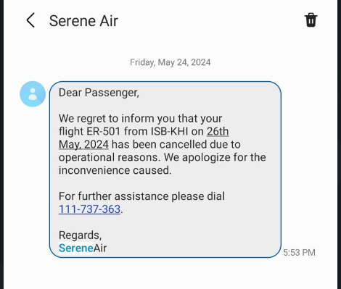 https://chatgpt.com/c/95a0d1f1-4915-4ca4-a10e-cec3b80a9514 https://www.mockaroo.com/ https://www.airportdata.com/

6.Star Schema
Star Schema

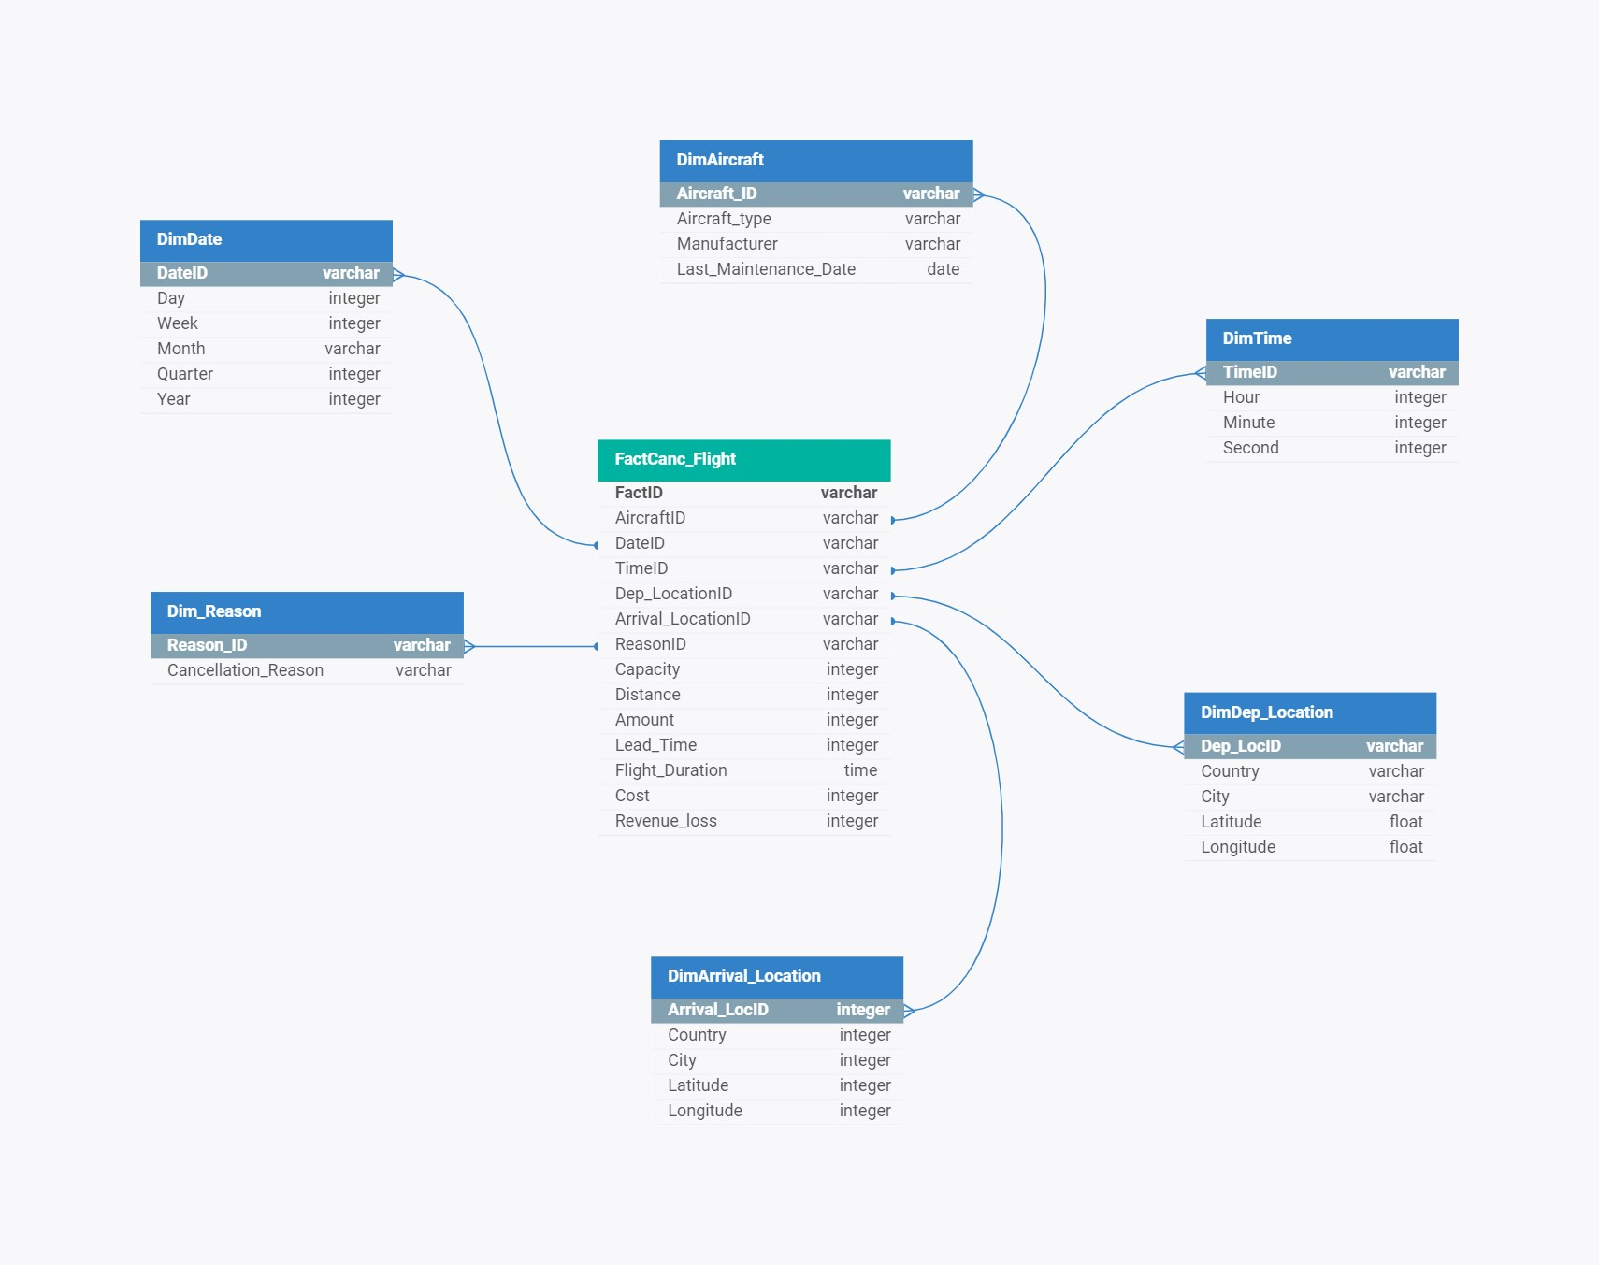
Star Schema Image | Possible Star Schema Queries
 | Sno | Business Question Addressed | SQL query
 | 1 | Find the total revenue loss Over time | SELECT EXTRACT(YEAR FROM DateID) AS Year, EXTRACT(MONTH FROM DateID) AS Month, SUM(Revenue_loss) AS Total_Revenue_Loss FROM FactCanc_Flight GROUP BY Year, Month ORDER BY Year, Month;
 | 2 | Find the average lead time of cancellations by aircraft type. | SELECT Aircraft.Aircraft_Type, AVG(FactCanc_Flight.Lead_Time) AS Avg_Lead_Time FROM FactCanc_Flight JOIN Aircraft ON FactCanc_Flight.AircraftID = Aircraft.AircraftID GROUP BY Aircraft.Aircraft_Type;
 | 3 | Determine the most common reasons for flight cancellations. | SELECT Reason.Cancellation_Reason, COUNT(FactCanc_Flight.ReasonID) AS Cancellation_Count FROM FactCanc_Flight JOIN Reason ON FactCanc_Flight.ReasonID = Reason.ReasonID GROUP BY Reason.Cancellation_Reason ORDER BY Cancellation_Count DESC;
 | 4 | Compute the total compensation paid out by year and by airport. | SELECT EXTRACT(YEAR FROM DateID) AS Year, Airport.Dep_LocationID, SUM(Cost) AS Total_Compensation FROM FactCanc_Flight JOIN Airport ON FactCanc_Flight.Dep_LocationID = Airport.LocationID GROUP BY Year, Airport. Dep_LocationID ORDER BY Year, Airport.Dep_LocationID;
 | 5 | Get the average capacity of canceled flights by manufacturer. | SELECT Aircraft.Manufacturer, AVG(FactCanc_Flight.capacity) AS Avg_Capacity FROM FactCanc_Flight JOIN Aircraft ON FactCanc_Flight.AircraftID = Aircraft.AircraftID GROUP BY Aircraft.Manufacturer;
 | 6 | List the top 5 routes with the highest number of cancellations. | SELECT Route.Dep_LocationID, Route.Arrival_LocationID, COUNT(FactCanc_Flight.FactID) AS Cancellation_Count FROM FactCanc_Flight JOIN Route ON FactCanc_Flight.Dep_LocationID = Route.Dep_LocationID AND FactCanc_Flight.Arrival_LocationID = Route.Arrival_LocationID GROUP BY Route.Dep_LocationID, Route.Arrival_LocationID ORDER BY Cancellation_Count DESC LIMIT 5;

