buttons

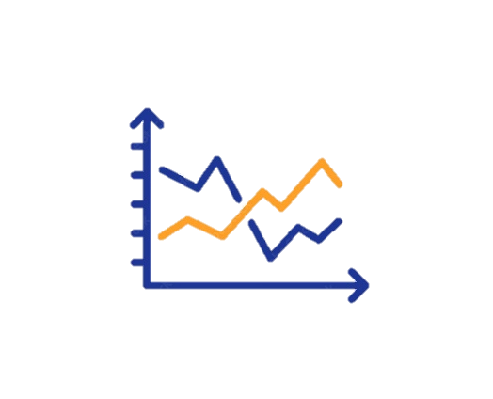
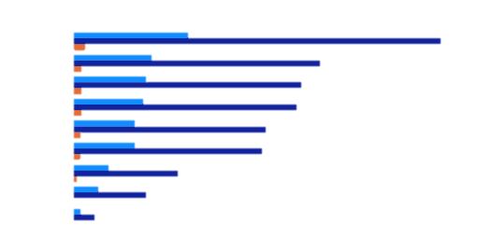


Market Performance
Performance Record of year 2023

86940000.00
Total Sales
Target of Year 5000000.00
Sales of Month

 | Sum of SalesOrder Detail ID | Sum of Quantity | Sum of january | Sum of Quantity2 | Sum of feb | Sum of Quantity3 | Sum of march | Sum of Quantity4 | Sum of april
AWC Logo Cap | 198 | 282 | 564000 | 360 | 720000 | 384 | 768000 | 279 | 558000
Bike Wash - Dissolver | 428 | 779 | 1558000 | 1184 | 2368000 | 820 | 1640000 | 918 | 1836000
Classic Vest, L | 162 | 513 | 1026000 | 152 | 304000 | 403 | 806000 | 460 | 920000
Classic Vest, S | 230 | 458 | 916000 | 442 | 884000 | 552 | 1104000 | 285 | 570000
Fender Set - Mountain | 674 | 1195 | 2390000 | 1346 | 2692000 | 1174 | 2348000 | 1177 | 2354000
Hitch Rack - 4-Bike | 154 | 458 | 916000 | 555 | 1110000 | 443 | 886000 | 179 | 358000
Hydration Pack - 70 oz. | 238 | 466 | 932000 | 499 | 998000 | 364 | 728000 | 305 | 610000
Long-Sleeve Logo Jersey, L | 372 | 687 | 1374000 | 947 | 1894000 | 708 | 1416000 | 931 | 1862000
Mountain Tire Tube | 864 | 1883 | 3766000 | 1825 | 3650000 | 1593 | 3186000 | 1581 | 3162000
Patch Kit/8 Patches | 210 | 382 | 764000 | 293 | 586000 | 342 | 684000 | 457 | 914000
Sport-100 Helmet, Black | 646 | 1096 | 2192000 | 968 | 1936000 | 1137 | 2274000 | 1413 | 2826000
Sport-100 Helmet, Red | 194 | 492 | 984000 | 413 | 826000 | 590 | 1180000 | 424 | 848000
Water Bottle - 30 oz. | 356 | 738 | 1476000 | 1112 | 2224000 | 1186 | 2372000 | 944 | 1888000
Women's Mountain Shorts, L | 166 | 576 | 1152000 | 542 | 1084000 | 241 | 482000 | 414 | 828000
Women's Mountain Shorts, S | 158 | 395 | 790000 | 622 | 1244000 | 506 | 1012000 | 575 | 1150000
January
Ferburary
19356000.00
20600000.00

March
April
20314000.00
21654000.00

buttons (2)
Market Performance
Performance Record of year 2023

86940000.00
Total Sales
Target of Year 5000000.00
Sales of Month

 | Sum of Quantity | Sum of january | Sum of Quantity2 | Sum of feb | Sum of Quantity3 | Sum of march | Sum of Quantity4 | Sum of april
AWC Logo Cap | 282 | 564000 | 360 | 720000 | 384 | 768000 | 279 | 558000
Bike Wash - Dissolver | 779 | 1558000 | 1184 | 2368000 | 820 | 1640000 | 918 | 1836000
Classic Vest, L | 513 | 1026000 | 152 | 304000 | 403 | 806000 | 460 | 920000
Classic Vest, S | 458 | 916000 | 442 | 884000 | 552 | 1104000 | 285 | 570000
Fender Set - Mountain | 1195 | 2390000 | 1346 | 2692000 | 1174 | 2348000 | 1177 | 2354000
Hitch Rack - 4-Bike | 458 | 916000 | 555 | 1110000 | 443 | 886000 | 179 | 358000
Hydration Pack - 70 oz. | 466 | 932000 | 499 | 998000 | 364 | 728000 | 305 | 610000
Long-Sleeve Logo Jersey, L | 687 | 1374000 | 947 | 1894000 | 708 | 1416000 | 931 | 1862000
Mountain Tire Tube | 1883 | 3766000 | 1825 | 3650000 | 1593 | 3186000 | 1581 | 3162000
Patch Kit/8 Patches | 382 | 764000 | 293 | 586000 | 342 | 684000 | 457 | 914000
Sport-100 Helmet, Black | 1096 | 2192000 | 968 | 1936000 | 1137 | 2274000 | 1413 | 2826000
Sport-100 Helmet, Red | 492 | 984000 | 413 | 826000 | 590 | 1180000 | 424 | 848000
Water Bottle - 30 oz. | 738 | 1476000 | 1112 | 2224000 | 1186 | 2372000 | 944 | 1888000
Women's Mountain Shorts, L | 576 | 1152000 | 542 | 1084000 | 241 | 482000 | 414 | 828000
Women's Mountain Shorts, S | 395 | 790000 | 622 | 1244000 | 506 | 1012000 | 575 | 1150000
January
Ferburary
19356000.00
20600000.00

March
April
20314000.00
21654000.00

buttons (3)
Market Performance
Performance Record of year 2023

86940000.00
Total Sales
Target of Year 5000000.00
Sales of Month

 | Sum of Quantity | Sum of january | Sum of Quantity2 | Sum of feb | Sum of Quantity3 | Sum of march | Sum of Quantity4 | Sum of april
AWC Logo Cap | 282 | 564000 | 360 | 720000 | 384 | 768000 | 279 | 558000
Bike Wash - Dissolver | 779 | 1558000 | 1184 | 2368000 | 820 | 1640000 | 918 | 1836000
Classic Vest, L | 513 | 1026000 | 152 | 304000 | 403 | 806000 | 460 | 920000
Classic Vest, S | 458 | 916000 | 442 | 884000 | 552 | 1104000 | 285 | 570000
Fender Set - Mountain | 1195 | 2390000 | 1346 | 2692000 | 1174 | 2348000 | 1177 | 2354000
Hitch Rack - 4-Bike | 458 | 916000 | 555 | 1110000 | 443 | 886000 | 179 | 358000
Hydration Pack - 70 oz. | 466 | 932000 | 499 | 998000 | 364 | 728000 | 305 | 610000
Long-Sleeve Logo Jersey, L | 687 | 1374000 | 947 | 1894000 | 708 | 1416000 | 931 | 1862000
Mountain Tire Tube | 1883 | 3766000 | 1825 | 3650000 | 1593 | 3186000 | 1581 | 3162000
Patch Kit/8 Patches | 382 | 764000 | 293 | 586000 | 342 | 684000 | 457 | 914000
Sport-100 Helmet, Black | 1096 | 2192000 | 968 | 1936000 | 1137 | 2274000 | 1413 | 2826000
Sport-100 Helmet, Red | 492 | 984000 | 413 | 826000 | 590 | 1180000 | 424 | 848000
Water Bottle - 30 oz. | 738 | 1476000 | 1112 | 2224000 | 1186 | 2372000 | 944 | 1888000
Women's Mountain Shorts, L | 576 | 1152000 | 542 | 1084000 | 241 | 482000 | 414 | 828000
Women's Mountain Shorts, S | 395 | 790000 | 622 | 1244000 | 506 | 1012000 | 575 | 1150000
January
Ferburary
19356000.00
20600000.00

March
April
20314000.00
21654000.00

buttons (4)
Market Performance
Performance Record of year 2023

86940000.00
Total Sales
Target of Year 5000000.00
Sales of Month

 | Sum of Quantity | Sum of january | Sum of Quantity2 | Sum of feb | Sum of Quantity3 | Sum of march | Sum of Quantity4 | Sum of april
AWC Logo Cap | 282 | 564000 | 360 | 720000 | 384 | 768000 | 279 | 558000
Bike Wash - Dissolver | 779 | 1558000 | 1184 | 2368000 | 820 | 1640000 | 918 | 1836000
Classic Vest, L | 513 | 1026000 | 152 | 304000 | 403 | 806000 | 460 | 920000
Classic Vest, S | 458 | 916000 | 442 | 884000 | 552 | 1104000 | 285 | 570000
Fender Set - Mountain | 1195 | 2390000 | 1346 | 2692000 | 1174 | 2348000 | 1177 | 2354000
Hitch Rack - 4-Bike | 458 | 916000 | 555 | 1110000 | 443 | 886000 | 179 | 358000
Hydration Pack - 70 oz. | 466 | 932000 | 499 | 998000 | 364 | 728000 | 305 | 610000
Long-Sleeve Logo Jersey, L | 687 | 1374000 | 947 | 1894000 | 708 | 1416000 | 931 | 1862000
Mountain Tire Tube | 1883 | 3766000 | 1825 | 3650000 | 1593 | 3186000 | 1581 | 3162000
Patch Kit/8 Patches | 382 | 764000 | 293 | 586000 | 342 | 684000 | 457 | 914000
Sport-100 Helmet, Black | 1096 | 2192000 | 968 | 1936000 | 1137 | 2274000 | 1413 | 2826000
Sport-100 Helmet, Red | 492 | 984000 | 413 | 826000 | 590 | 1180000 | 424 | 848000
Water Bottle - 30 oz. | 738 | 1476000 | 1112 | 2224000 | 1186 | 2372000 | 944 | 1888000
Women's Mountain Shorts, L | 576 | 1152000 | 542 | 1084000 | 241 | 482000 | 414 | 828000
Women's Mountain Shorts, S | 395 | 790000 | 622 | 1244000 | 506 | 1012000 | 575 | 1150000
January
Ferburary
19356000.00
20600000.00

March
April

20314000.00
21654000.00

