EDA
Count | 1200
Mean | 1053.9683
Median | 823.615
Minimum | 11.39
Maximum | 3456.4
Standard Deviation | 819.8565584

Revenue by Product-

Product Chart-

Observation:
Chair generated the highest revenue.

Revenue by Referral Source-

Revenue by Payment Method-

Revenue by Order Status-

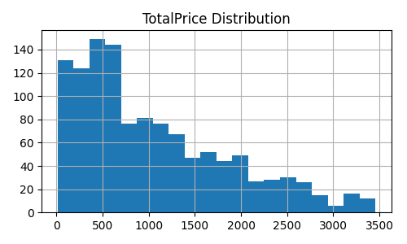
Outlier Detection
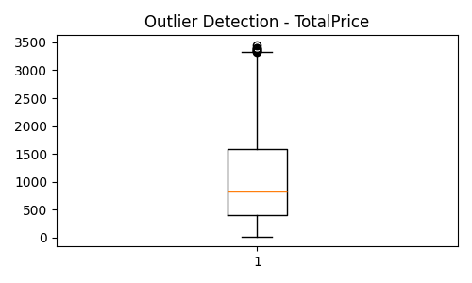

Business Insights-
1. Chair is the highest revenue-generating product.

2. Instagram is the strongest referral source.

3. Revenue declined after 2023.

4. Mean is higher than median, indicating right-skewed data.

5. High-value orders exist as outliers.

6. Digital payment methods generate significant revenue.

7. Order cancellations require investigation.

8. Marketing efforts should focus on high-performing channels.

