Sheet1
https://github.com/liferay/liferay-portal

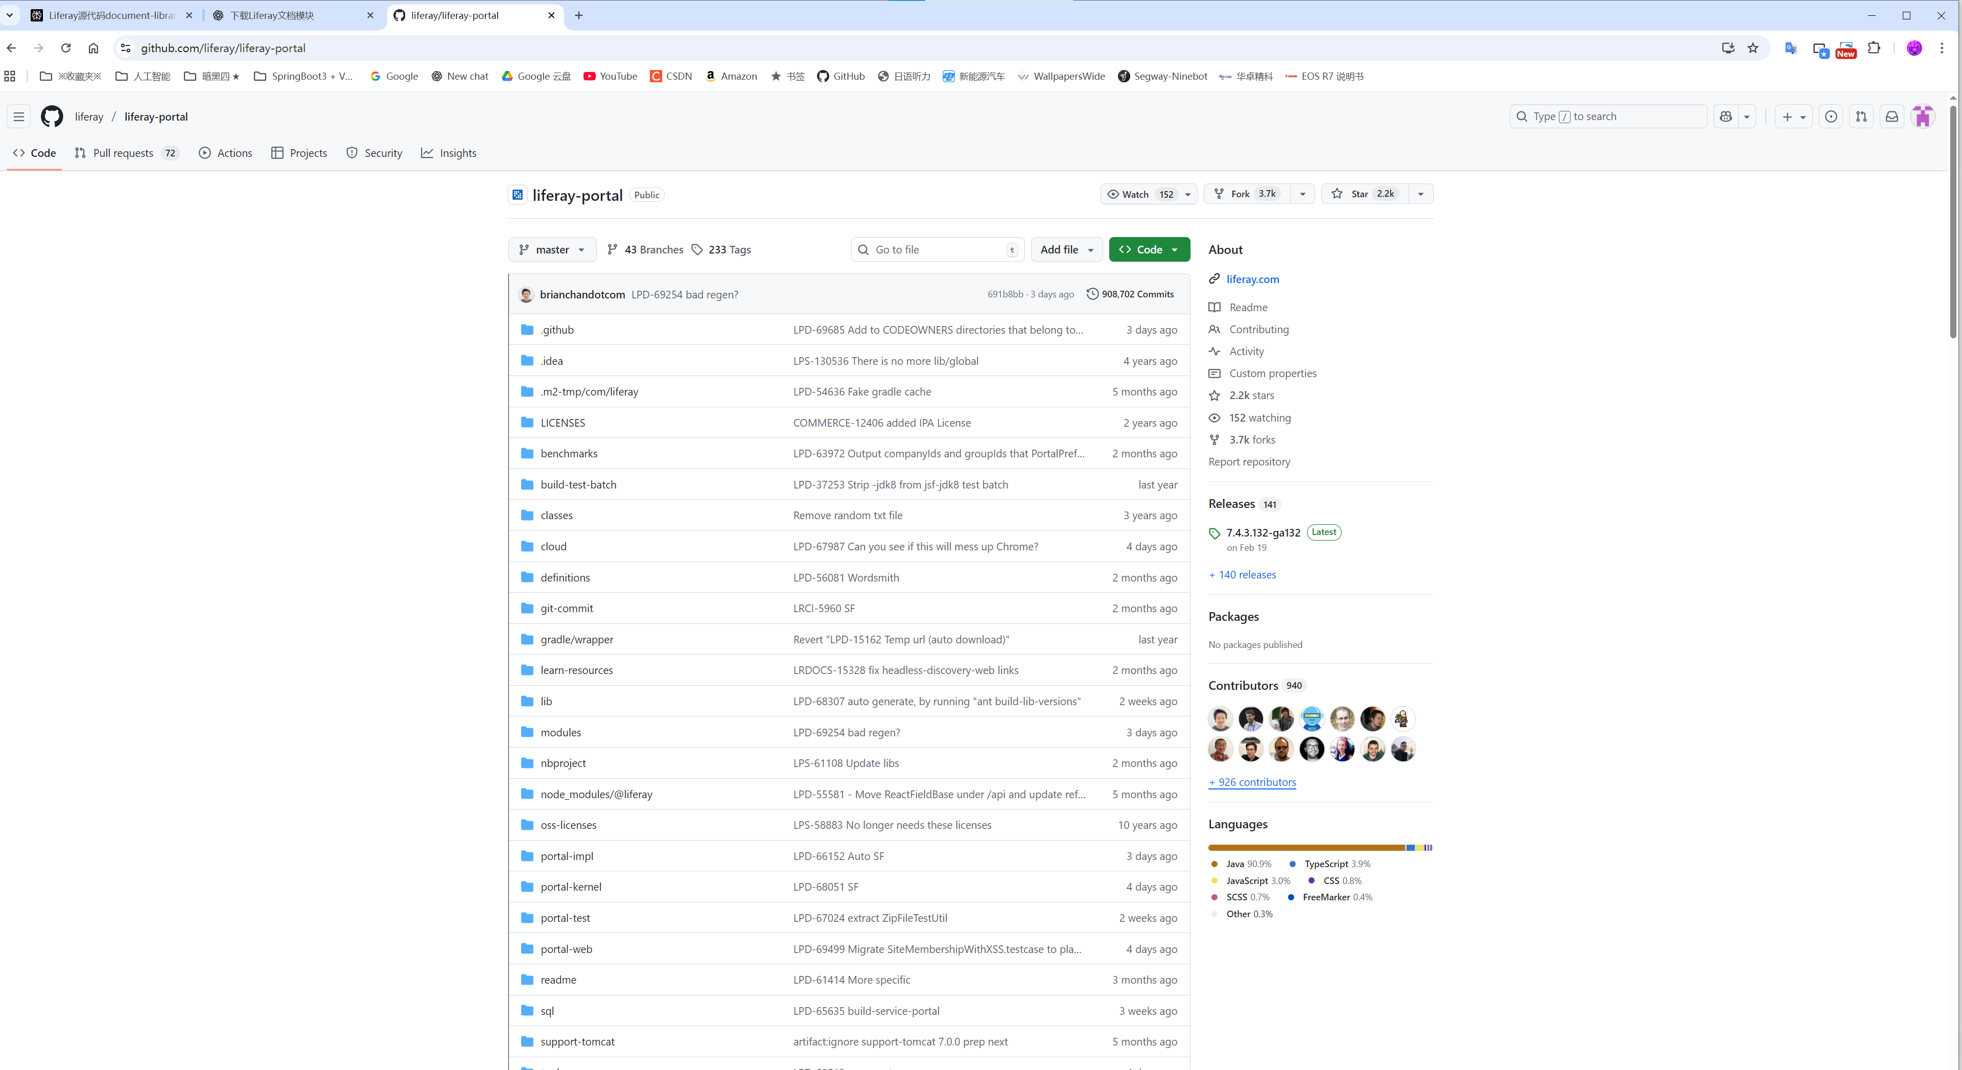

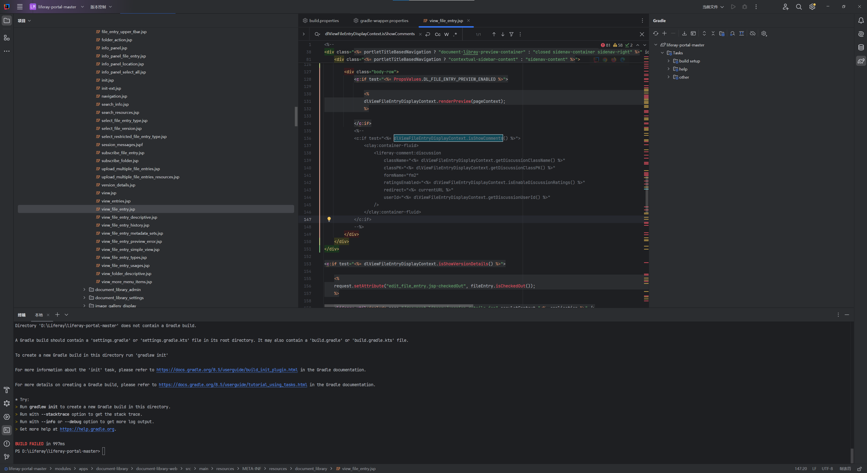

cd D:\Liferay\liferay-portal-master
.\gradlew initBundle

.\gradlew build

build.gradle
settings.gradle

D:\Liferay\liferay-portal-master\settings.gradle
D:\Liferay\liferay-portal-master\build.gradle

jar file
