PS & PL
Edge FPGA Z7020 Pinout |  |  |  | 전력 설정 > | LVCMOS33
 | 이름 | BANK500 MIO 번호 | ZYNQ 핀 번호 | 포트 이름 | 핀 설정 1 (.xdc) | 핀 설정 2 (.xdc)
LED | PS_LED | MIO[9] | B5
 | D7 [0] |  | R18
 | D6 [1] |  | T17
 | D5 [2] |  | R17
 | D4 [3] |  | R16
PUSH BUTTON | PS_PB | MIO[0] | E6
 | SW5 [0] |  | W15
 | SW7 [1] |  | V15
USB UART | UART_TX | MIO[14] | C5
 | UART_RX | MIO[15] | C8
CLOCK | PS CLK (33.33Mhz) |  | E7
 | PL CLK (50 Mhz) |  | U18
Slide SW | SW8 (SW[0]) |  | P15
 | SW3 (SW[1]) |  | W19
 | SW4 (SW[2]) |  | N17
 | SW6 (SW[3]) |  | P18
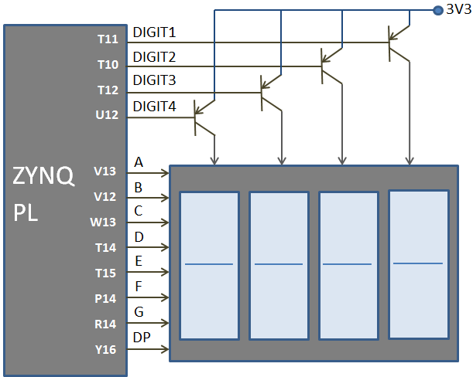
WIFI / BT / BLE | ESP_TX |  | R19
 | ESP_RX |  | T19 |  |  |  | FND
Seven segment | DIGIT1 |  | T11
 | DIGIT2 |  | T10
 | DIGIT3 |  | T12
 | DIGIT4 |  | U12
 | SEG_A |  | V13
 | SEG_B |  | V12
 | SEG_C |  | W13
 | SEG_D |  | T14
 | SEG_E |  | 15
 | SEG_F |  | P14
 | SEG_G |  | R14
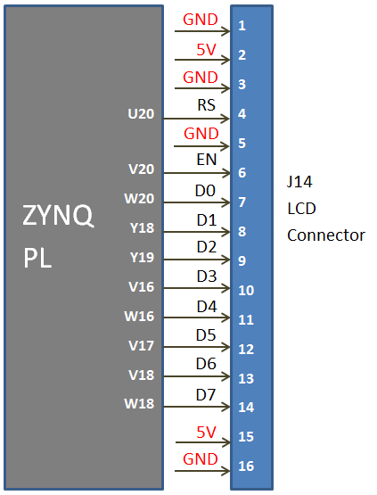
 | SEG_Dp |  | Y16 |  |  |  | 16x2 LCD
2x16 LCD | LCD_RS |  | U20
 | LCD_EN |  | V20
 | LCD_D0 |  | W20
 | LCD_D1 |  | Y18
 | LCD_D2 |  | Y19
 | LCD_D3 |  | V16
 | LCD_D4 |  | W16
 | LCD_D5 |  | V17
 | LCD_D6 |  | V18
 | LCD_D7 |  | W18
Analog Input | AD2_P |  | M19
 | AD2_N |  | M20
 | AD10_P |  | M17
 | AD10_N |  | M18
VGA | VGA_R0 |  | E18
 | VGA_R1 |  | E19
 | VGA_R2 |  | F16
 | VGA_R3 |  | F17
 | VGA_G0 |  | E17
 | VGA_G1 |  | D18
 | VGA_G2 |  | D19
 | VGA_G3 |  | D20
 | VGA_B0 |  | C20
 | VGA_B1 |  | B20
 | VGA_B2 |  | B19
 | VGA_B3 |  | A20
 | VGA_HSYNC |  | G18
 | VGA_VSYNC |  | G17
AUDIO | AUDIO_L |  | U14
 | AUDIO_R |  | U16
BUZZER | BUZZER |  | L19
HDMI / DVI | HDMI_CLK_P |  | J18
 | HDMI_CLK_N |  | H18
 | HDMI_D0_P |  | H16
 | HDMI_D0_N |  | H17
 | HDMI_D1_P |  | K17
 | HDMI_D1_N |  | K18
 | HDMI_D2_P |  | L16
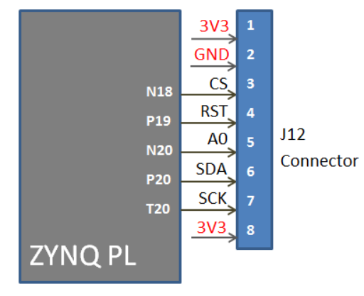
 | HDMI_D2_N |  | L17
 | HDMI_HPD |  | K19 |  |  |  | TFT display
 | HDMI_OUT_EN |  | L20
 | HDMI_SCL |  | F19
 | HDMI_SDA |  | F20
 | HDMI_CEC |  | J19
TFT Display | TFT_CS |  | N18
 | TFT_RST |  | P19
 | TFT_A0 |  | N20
 | TFT_SDA |  | P20
 | TFT_SCK |  | T20
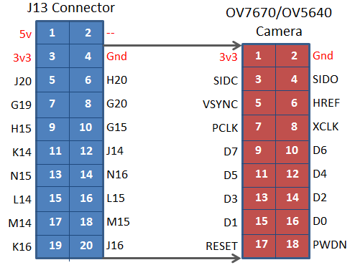
20Pin Connector (GPIO) | PL_IO1 | SCL | J20 |  |  |  | OV7670 / GPIO
 | PL_IO2 | SDA | H20
 | PL_IO3 | VSYNC | G19
 | PL_IO4 | HREF | G20
 | PL_IO5 | PCLK | H15
 | PL_IO6 | XCLK | G15
 | PL_IO7 | D7 | K14
 | PL_IO8 | D6 | J14
 | PL_IO9 | D5 | N15
 | PL_IO10 | D4 | N16
 | PL_IO11 | D3 | L14
 | PL_IO12 | D2 | L15
 | PL_IO13 | D1 | M14
 | PL_IO14 | D0 | M15
 | PL_IO15 | RESET | K16
 | PL_IO16 | PWDN | J16

