2025, Mar
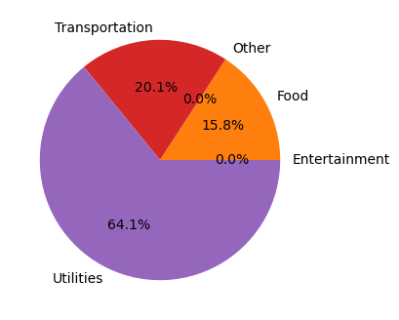
Total Monthly Spending | Average Daily Spending | Most Expensive Category | Budget Status
$234.00 | $39.00 | Utilities ($150.0) | On Track

Category | Total Spent | % of Total | Budget | Budget vs. Actual
Entertainment | $0.00 | 0.0% | $50.00 | On Track
Food | $37.00 | 15.8% | $250.00 | On Track
Other | $0.00 | 0.0% | $100.00 | On Track
Transportation | $47.00 | 20.1% | $150.00 | On Track
Utilities | $150.00 | 64.1% | $350.00 | On Track

Month | Total Spending | Most Spent Category
March | $234.00 | Utilities ($150.0)
February | $907.50 | Food ($297.5)
January | $519.00 | Utilities ($220.0)

2025, Feb
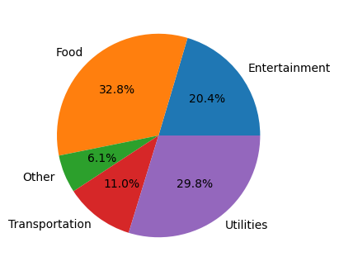
Total Monthly Spending | Average Daily Spending | Most Expensive Category | Budget Status
$907.50 | $32.41 | Food ($297.5) | $7.5 Over Budget

Category | Total Spent | % of Total | Budget | Budget vs. Actual
Entertainment | $185.00 | 20.4% | $50.00 | $135.0 Over Budget
Food | $297.50 | 32.8% | $250.00 | $47.5 Over Budget
Other | $55.00 | 6.1% | $100.00 | On Track
Transportation | $100.00 | 11.0% | $150.00 | On Track
Utilities | $270.00 | 29.8% | $350.00 | On Track

Month | Total Spending | Most Spent Category
February | $907.50 | Food ($297.5)
January | $519.00 | Utilities ($220.0)

2025, Jan
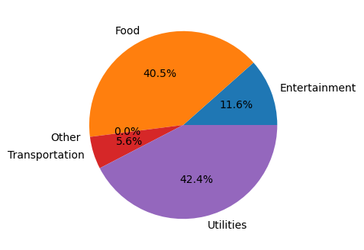
Total Monthly Spending | Average Daily Spending | Most Expensive Category | Budget Status
$519.00 | $16.74 | Utilities ($220.0) | On Track

Category | Total Spent | % of Total | Budget | Budget vs. Actual
Entertainment | $60.00 | 11.6% | $50.00 | $10.0 Over Budget
Food | $210.00 | 40.5% | $250.00 | On Track
Other | $0.00 | 0.0% | $100.00 | On Track
Transportation | $29.00 | 5.6% | $150.00 | On Track
Utilities | $220.00 | 42.4% | $350.00 | On Track

Month | Total Spending | Most Spent Category
January | $519.00 | Utilities ($220.0)

2024, Dec

Total Monthly Spending | Average Daily Spending | Most Expensive Category | Budget Status
$493.00 | $15.90 | Utilities ($210.0) | On Track

Category | Total Spent | % of Total | Budget | Budget vs. Actual
Entertainment | $55.00 | 11.2% | $50.00 | $5.0 Over Budget
Food | $200.00 | 40.6% | $250.00 | On Track
Other | $0.00 | 0.0% | $100.00 | On Track
Transportation | $28.00 | 5.7% | $150.00 | On Track
Utilities | $210.00 | 42.6% | $350.00 | On Track

Month | Total Spending | Most Spent Category
December | $493.00 | Utilities ($210.0)
November | $467.00 | Utilities ($200.0)
October | $444.00 | Utilities ($190.0)
September | $419.00 | Utilities ($180.0)
August | $395.00 | Utilities ($170.0)
July | $369.00 | Utilities ($160.0)
June | $341.00 | Utilities ($150.0)
May | $310.00 | Utilities ($140.0)
April | $307.00 | Utilities ($130.0)
March | $278.00 | Food ($110.0)
February | $225.00 | Utilities ($100.0)
January | $22,175.00 | Entertainment ($21930.0)

2024, Nov
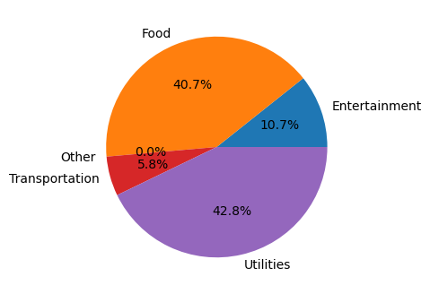
Total Monthly Spending | Average Daily Spending | Most Expensive Category | Budget Status
$467.00 | $15.57 | Utilities ($200.0) | On Track

Category | Total Spent | % of Total | Budget | Budget vs. Actual
Entertainment | $50.00 | 10.7% | $50.00 | On Track
Food | $190.00 | 40.7% | $250.00 | On Track
Other | $0.00 | 0.0% | $100.00 | On Track
Transportation | $27.00 | 5.8% | $150.00 | On Track
Utilities | $200.00 | 42.8% | $350.00 | On Track

Month | Total Spending | Most Spent Category
November | $467.00 | Utilities ($200.0)
October | $444.00 | Utilities ($190.0)
September | $419.00 | Utilities ($180.0)
August | $395.00 | Utilities ($170.0)
July | $369.00 | Utilities ($160.0)
June | $341.00 | Utilities ($150.0)
May | $310.00 | Utilities ($140.0)
April | $307.00 | Utilities ($130.0)
March | $278.00 | Food ($110.0)
February | $225.00 | Utilities ($100.0)
January | $22,175.00 | Entertainment ($21930.0)

2024, Oct

Total Monthly Spending | Average Daily Spending | Most Expensive Category | Budget Status
$444.00 | $15.31 | Utilities ($190.0) | On Track

Category | Total Spent | % of Total | Budget | Budget vs. Actual
Entertainment | $48.00 | 10.8% | $50.00 | On Track
Food | $180.00 | 40.5% | $250.00 | On Track
Other | $0.00 | 0.0% | $100.00 | On Track
Transportation | $26.00 | 5.9% | $150.00 | On Track
Utilities | $190.00 | 42.8% | $350.00 | On Track

Month | Total Spending | Most Spent Category
October | $444.00 | Utilities ($190.0)
September | $419.00 | Utilities ($180.0)
August | $395.00 | Utilities ($170.0)
July | $369.00 | Utilities ($160.0)
June | $341.00 | Utilities ($150.0)
May | $310.00 | Utilities ($140.0)
April | $307.00 | Utilities ($130.0)
March | $278.00 | Food ($110.0)
February | $225.00 | Utilities ($100.0)
January | $22,175.00 | Entertainment ($21930.0)

2024, Sep

Total Monthly Spending | Average Daily Spending | Most Expensive Category | Budget Status
$419.00 | $13.97 | Utilities ($180.0) | On Track

Category | Total Spent | % of Total | Budget | Budget vs. Actual
Entertainment | $45.00 | 10.7% | $50.00 | On Track
Food | $170.00 | 40.6% | $250.00 | On Track
Other | $0.00 | 0.0% | $100.00 | On Track
Transportation | $24.00 | 5.7% | $150.00 | On Track
Utilities | $180.00 | 43.0% | $350.00 | On Track

Month | Total Spending | Most Spent Category
September | $419.00 | Utilities ($180.0)
August | $395.00 | Utilities ($170.0)
July | $369.00 | Utilities ($160.0)
June | $341.00 | Utilities ($150.0)
May | $310.00 | Utilities ($140.0)
April | $307.00 | Utilities ($130.0)
March | $278.00 | Food ($110.0)
February | $225.00 | Utilities ($100.0)
January | $22,175.00 | Entertainment ($21930.0)

2024, Aug

Total Monthly Spending | Average Daily Spending | Most Expensive Category | Budget Status
$395.00 | $12.74 | Utilities ($170.0) | On Track

Category | Total Spent | % of Total | Budget | Budget vs. Actual
Entertainment | $42.00 | 10.6% | $50.00 | On Track
Food | $160.00 | 40.5% | $250.00 | On Track
Other | $0.00 | 0.0% | $100.00 | On Track
Transportation | $23.00 | 5.8% | $150.00 | On Track
Utilities | $170.00 | 43.0% | $350.00 | On Track

Month | Total Spending | Most Spent Category
August | $395.00 | Utilities ($170.0)
July | $369.00 | Utilities ($160.0)
June | $341.00 | Utilities ($150.0)
May | $310.00 | Utilities ($140.0)
April | $307.00 | Utilities ($130.0)
March | $278.00 | Food ($110.0)
February | $225.00 | Utilities ($100.0)
January | $22,175.00 | Entertainment ($21930.0)

2024, Jul

Total Monthly Spending | Average Daily Spending | Most Expensive Category | Budget Status
$369.00 | $11.90 | Utilities ($160.0) | On Track

Category | Total Spent | % of Total | Budget | Budget vs. Actual
Entertainment | $38.00 | 10.3% | $50.00 | On Track
Food | $150.00 | 40.7% | $250.00 | On Track
Other | $0.00 | 0.0% | $100.00 | On Track
Transportation | $21.00 | 5.7% | $150.00 | On Track
Utilities | $160.00 | 43.4% | $350.00 | On Track

Month | Total Spending | Most Spent Category
July | $369.00 | Utilities ($160.0)
June | $341.00 | Utilities ($150.0)
May | $310.00 | Utilities ($140.0)
April | $307.00 | Utilities ($130.0)
March | $278.00 | Food ($110.0)
February | $225.00 | Utilities ($100.0)
January | $22,175.00 | Entertainment ($21930.0)

2024, Jun
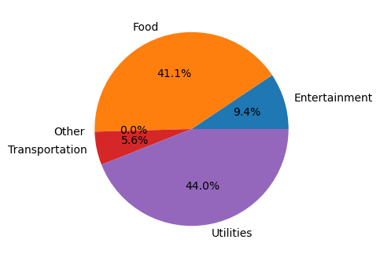
Total Monthly Spending | Average Daily Spending | Most Expensive Category | Budget Status
$341.00 | $11.76 | Utilities ($150.0) | On Track

Category | Total Spent | % of Total | Budget | Budget vs. Actual
Entertainment | $32.00 | 9.4% | $50.00 | On Track
Food | $140.00 | 41.1% | $250.00 | On Track
Other | $0.00 | 0.0% | $100.00 | On Track
Transportation | $19.00 | 5.6% | $150.00 | On Track
Utilities | $150.00 | 44.0% | $350.00 | On Track

Month | Total Spending | Most Spent Category
June | $341.00 | Utilities ($150.0)
May | $310.00 | Utilities ($140.0)
April | $307.00 | Utilities ($130.0)
March | $278.00 | Food ($110.0)
February | $225.00 | Utilities ($100.0)
January | $22,175.00 | Entertainment ($21930.0)

2024, May
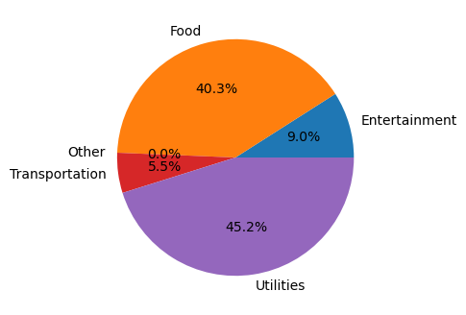
Total Monthly Spending | Average Daily Spending | Most Expensive Category | Budget Status
$310.00 | $10.33 | Utilities ($140.0) | On Track

Category | Total Spent | % of Total | Budget | Budget vs. Actual
Entertainment | $28.00 | 9.0% | $50.00 | On Track
Food | $125.00 | 40.3% | $250.00 | On Track
Other | $0.00 | 0.0% | $100.00 | On Track
Transportation | $17.00 | 5.5% | $150.00 | On Track
Utilities | $140.00 | 45.2% | $350.00 | On Track

Month | Total Spending | Most Spent Category
May | $310.00 | Utilities ($140.0)
April | $307.00 | Utilities ($130.0)
March | $278.00 | Food ($110.0)
February | $225.00 | Utilities ($100.0)
January | $22,175.00 | Entertainment ($21930.0)

2024, Apr
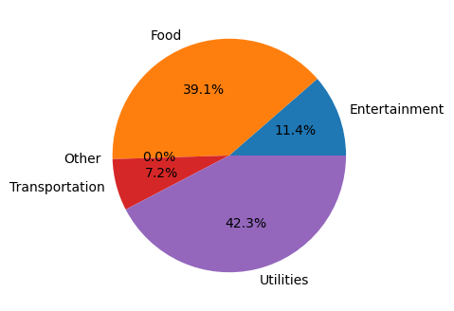
Total Monthly Spending | Average Daily Spending | Most Expensive Category | Budget Status
$307.00 | $10.59 | Utilities ($130.0) | On Track

Category | Total Spent | % of Total | Budget | Budget vs. Actual
Entertainment | $35.00 | 11.4% | $50.00 | On Track
Food | $120.00 | 39.1% | $250.00 | On Track
Other | $0.00 | 0.0% | $100.00 | On Track
Transportation | $22.00 | 7.2% | $150.00 | On Track
Utilities | $130.00 | 42.3% | $350.00 | On Track

Month | Total Spending | Most Spent Category
April | $307.00 | Utilities ($130.0)
March | $278.00 | Food ($110.0)
February | $225.00 | Utilities ($100.0)
January | $22,175.00 | Entertainment ($21930.0)

2024, Mar
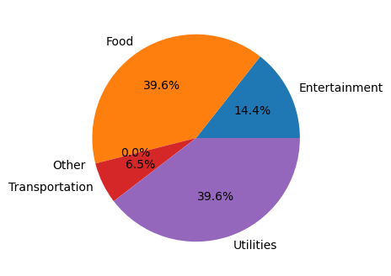
Total Monthly Spending | Average Daily Spending | Most Expensive Category | Budget Status
$278.00 | $9.27 | Food ($110.0) | On Track

Category | Total Spent | % of Total | Budget | Budget vs. Actual
Entertainment | $40.00 | 14.4% | $50.00 | On Track
Food | $110.00 | 39.6% | $250.00 | On Track
Other | $0.00 | 0.0% | $100.00 | On Track
Transportation | $18.00 | 6.5% | $150.00 | On Track
Utilities | $110.00 | 39.6% | $350.00 | On Track

Month | Total Spending | Most Spent Category
March | $278.00 | Food ($110.0)
February | $225.00 | Utilities ($100.0)
January | $22,175.00 | Entertainment ($21930.0)

2024, Feb
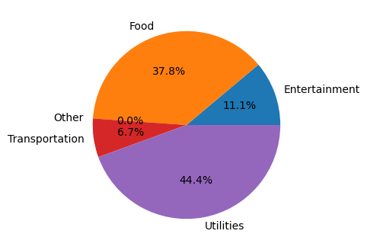
Total Monthly Spending | Average Daily Spending | Most Expensive Category | Budget Status
$225.00 | $8.04 | Utilities ($100.0) | On Track

Category | Total Spent | % of Total | Budget | Budget vs. Actual
Entertainment | $25.00 | 11.1% | $50.00 | On Track
Food | $85.00 | 37.8% | $250.00 | On Track
Other | $0.00 | 0.0% | $100.00 | On Track
Transportation | $15.00 | 6.7% | $150.00 | On Track
Utilities | $100.00 | 44.4% | $350.00 | On Track

Month | Total Spending | Most Spent Category
February | $225.00 | Utilities ($100.0)
January | $22,175.00 | Entertainment ($21930.0)

2024, Jan
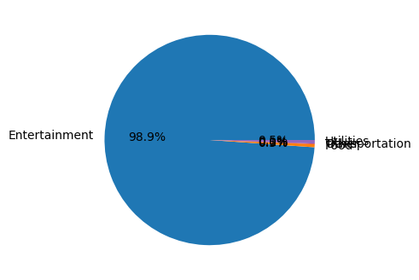
Total Monthly Spending | Average Daily Spending | Most Expensive Category | Budget Status
$22,175.00 | $739.17 | Entertainment ($21930.0) | $21275.0 Over Budget

Category | Total Spent | % of Total | Budget | Budget vs. Actual
Entertainment | $21,930.00 | 98.9% | $50.00 | $21880.0 Over Budget
Food | $105.00 | 0.5% | $250.00 | On Track
Other | $0.00 | 0.0% | $100.00 | On Track
Transportation | $20.00 | 0.1% | $150.00 | On Track
Utilities | $120.00 | 0.5% | $350.00 | On Track

Month | Total Spending | Most Spent Category
January | $22,175.00 | Entertainment ($21930.0)

