Graphs&Charts
Riyadh Tour Test Cases (Iteration 2)
Riyadh Tour Test Cases (Iteration 1)
Iteration |  |  | 1
Req ID | Total Test Cases | Paased | Failed
RQ01 | 14 | 12 | 2
RQ02 | 12 | 11 | 1
RQ03 | 13 | 12 | 1
RQ04 | 16 | 16 | 0

Iteration |  |  | 2
Req ID | Total Test Cases | Paased | Failed
RQ01 | 14 | 14 | 0
RQ02 | 12 | 12 | 0
RQ03 | 13 | 13 | 0
RQ04 | 16 | 16 | 0

Riyadh Tour Test Cases (Iteration 1)
Riyadh Tour Test Cases (Iteration 2)
Iteration |  | 1
Total Test Cases | Paased | Failed
55 | 51 | 4

Iteration |  | 2
Total Test Cases | Paased | Failed
55 | 55 | 0

TS01
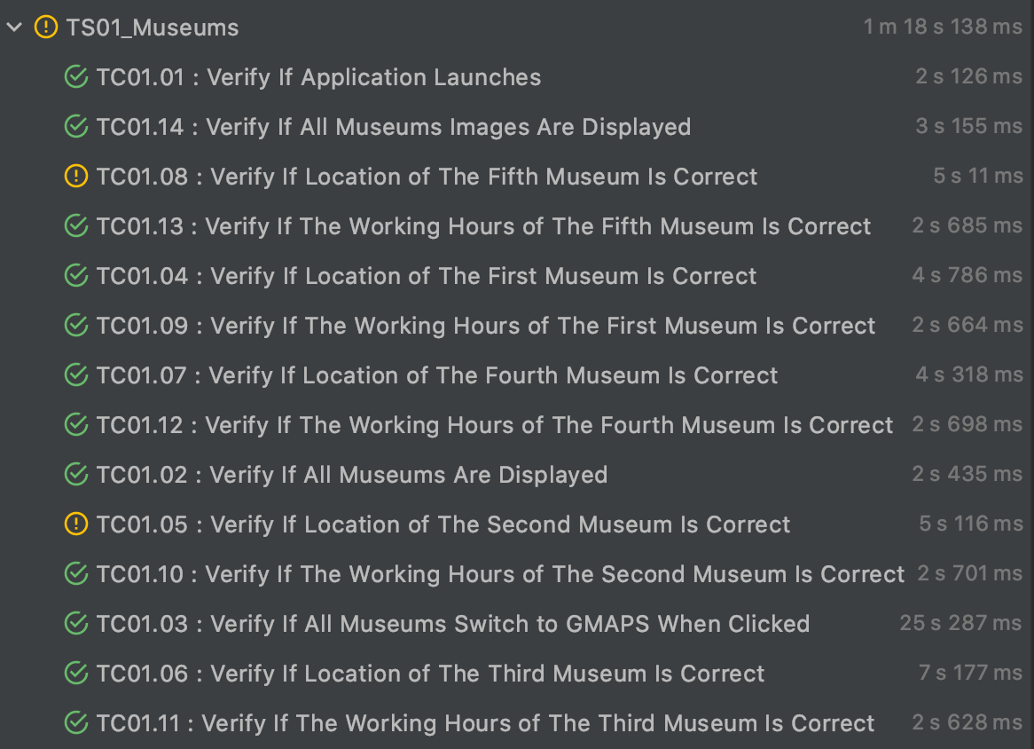
Test Design Details |  | Test Execution Details
Test Suite | TS01 | Test Suite Id | TS01
Linked Requirement | RQ01 | Description | Testing the museums page
Created On | 2020-06-10 | Execution Status | FAILED
Created By | Hisham | Prepared On | 2020-06-10
Reviewed On | 2020-06-11 | Prepared By | Hisham
Reviewed By | Talal | Tools Used | Appium , IntelliJ
 |  | Reviewed By | Talal
 |  | Execution Iteration | 1
 |  | Linked Defects | DF01.01 , DF01.02
 |  | Defect Status | Assigned
 |  | Type of Execution | Automation
 |  | Executed On | 2020-06-14
 |  | Executed By | Hisham

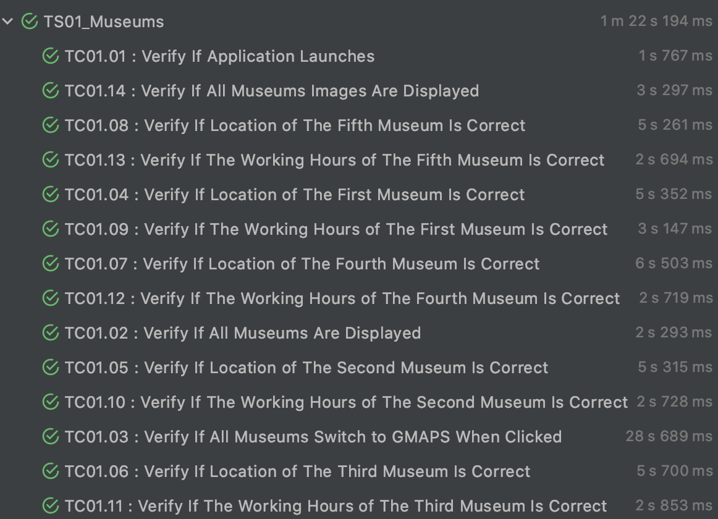
 |  | Test Execution Details
 |  | Test Suite Id | TS01
 |  | Description | Testing the museums page
 |  | Execution Status | PASSED
 |  | Prepared On | 2020-06-10
 |  | Prepared By | Hisham
 |  | Tools Used | Appium , IntelliJ
 |  | Reviewed By | Talal
 |  | Execution Iteration | 2
 |  | Linked Defects | DF01.01 , DF01.02
 |  | Defect Status | Closed
 |  | Type of Execution | Automation
 |  | Executed On | 2020-06-14
 |  | Executed By | Hisham

TS02
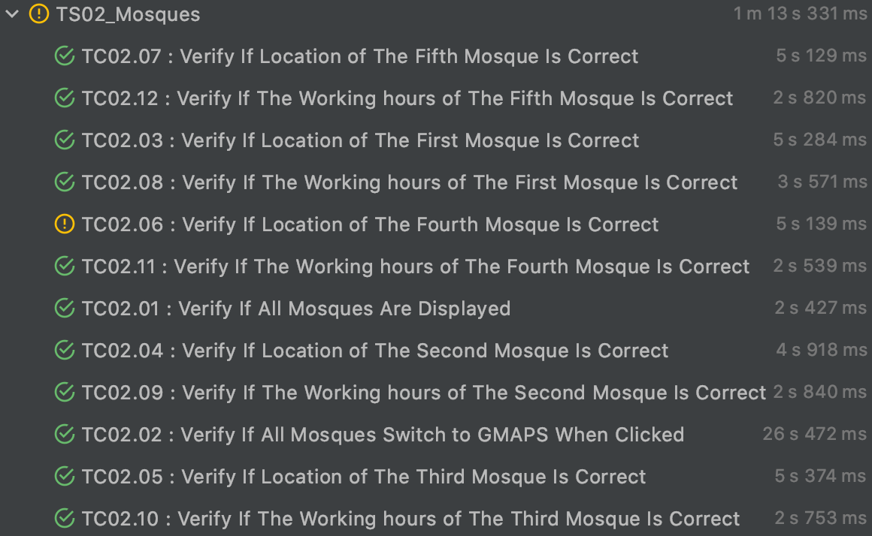
Test Design Details |  | Test Execution Details
Test Suite | TS02 | Test Suite Id | TS02
Linked Requirement | RQ02 | Description | Testing the mosques page
Created On | 2020-06-10 | Execution Status | FAILED
Created By | Hisham | Prepared On | 2020-06-10
Reviewed On | 2020-06-11 | Prepared By | Hisham
Reviewed By | Talal | Tools Used | Appium , IntelliJ
 |  | Reviewed By | Talal
 |  | Execution Iteration | 1
 |  | Linked Defects | DF02.01
 |  | Defect Status | Assigned
 |  | Type of Execution | Automation
 |  | Executed On | 2020-06-14
 |  | Executed By | Hisham

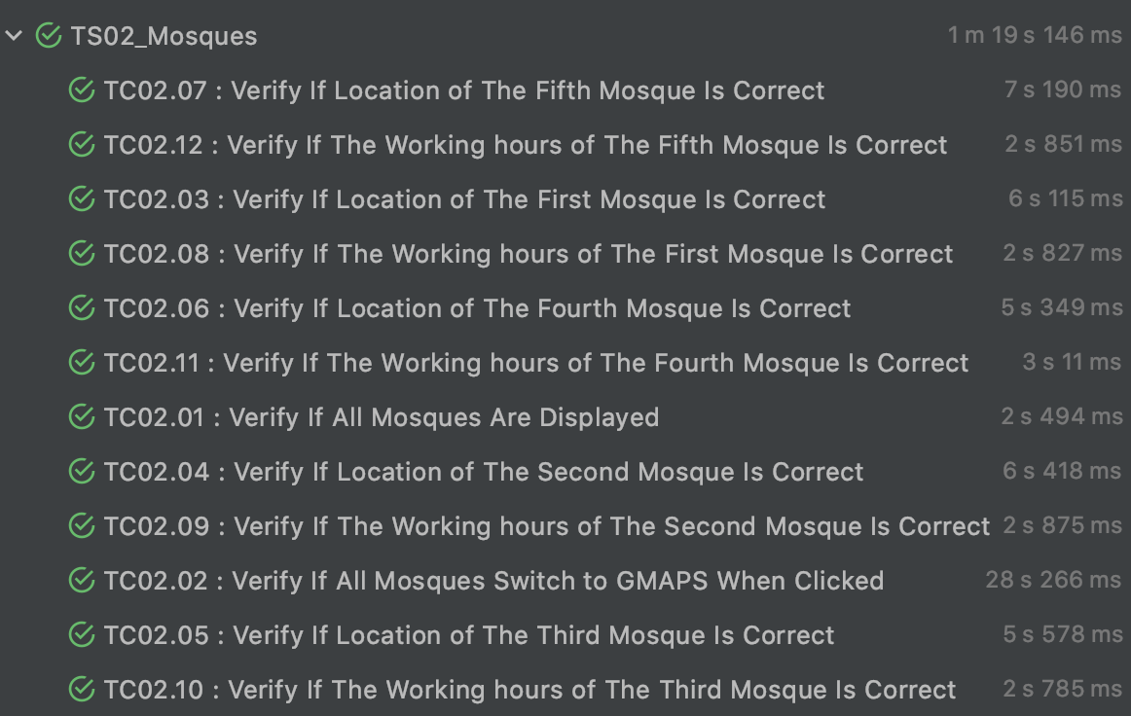
 |  | Test Execution Details
 |  | Test Suite Id | TS02
 |  | Description | Testing the mosques page
 |  | Execution Status | PASSED
 |  | Prepared On | 2020-06-10
 |  | Prepared By | Hisham
 |  | Tools Used | Appium , IntelliJ
 |  | Reviewed By | Talal
 |  | Execution Iteration | 2
 |  | Linked Defects | DF02.01
 |  | Defect Status | Closed
 |  | Type of Execution | Automation
 |  | Executed On | 2020-06-14
 |  | Executed By | Hisham

TS03
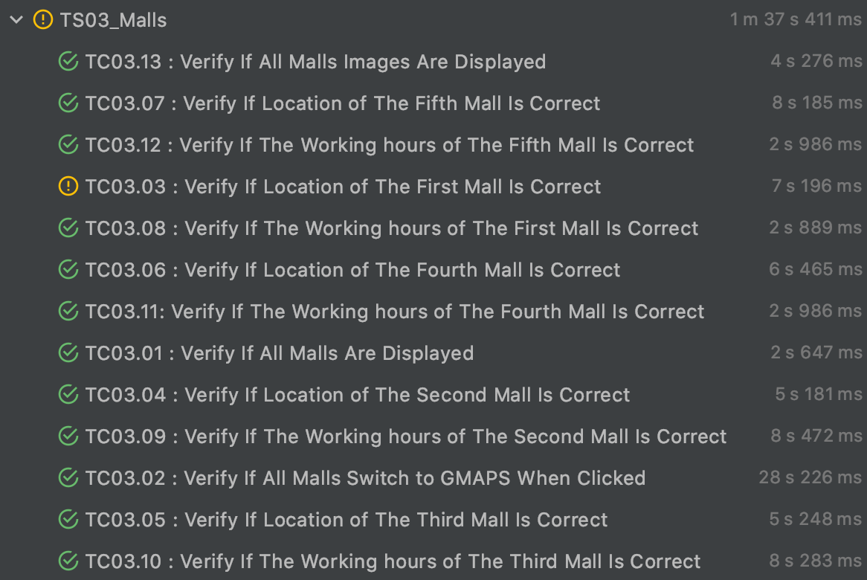
Test Design Details |  | Test Execution Details
Test Suite | TS03 | Test Suite Id | TS03
Linked Requirement | RQ03 | Description | Testing the malls page
Created On | 2020-06-10 | Execution Status | FAILED
Created By | Hisham | Prepared On | 2020-06-10
Reviewed On | 2020-06-11 | Prepared By | Hisham
Reviewed By | Talal | Tools Used | Appium , IntelliJ
 |  | Reviewed By | Talal
 |  | Execution Iteration | 1
 |  | Linked Defects | DF03.01
 |  | Defect Status | Assigned
 |  | Type of Execution | Automation
 |  | Executed On | 2020-06-14
 |  | Executed By | Hisham

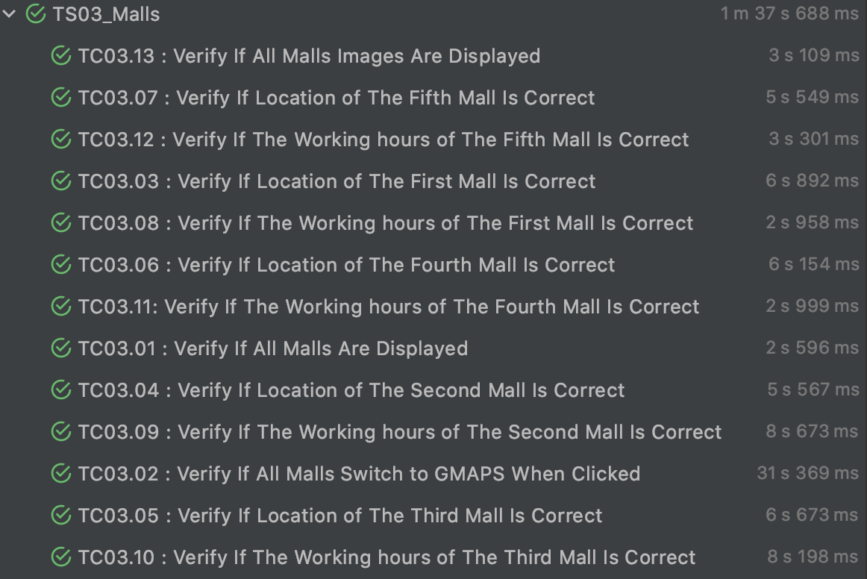
 |  | Test Execution Details
 |  | Test Suite Id | TS03
 |  | Description | Testing the malls page
 |  | Execution Status | PASSED
 |  | Prepared On | 2020-06-10
 |  | Prepared By | Hisham
 |  | Tools Used | Appium , IntelliJ
 |  | Reviewed By | Talal
 |  | Execution Iteration | 2
 |  | Linked Defects | DF03.01
 |  | Defect Status | Closed
 |  | Type of Execution | Automation
 |  | Executed On | 2020-06-14
 |  | Executed By | Hisham

TS04
Test Design Details |  |  | Test Execution Details
Test Suite | TS04 |  | Test Suite Id | TS04
Linked Requirement | RQ04 |  | Description | Testing the parks page
Created On | 2020-06-10 |  | Execution Status | Passed
Created By | Hisham |  | Prepared On | 2020-06-10
Reviewed On | 2020-06-11 |  | Prepared By | Hisham
Reviewed By | Talal |  | Tools Used | Excel,Android Phone
 |  |  | Reviewed By | Talal
 |  |  | Execution Iteration | 1
 |  |  | Linked Defects | 0
 |  |  | Type of Execution | Manual
 |  |  | Executed On | 2020-06-14
 |  |  | Executed By | Hisham

TCID | Objective | Prerequisite | Test Data | Steps | Expected Result | Actual Result | Status | Remarks
TC04.01 | To Check The Parks page open when clicked on its tab | * Application installed. * Application Running | No Input Data. | 1. click on the PARKS tab from the home screen. | Page Redirected : Parks page should be selected and show all available parks . | Page Redirected : Parks page is selected and is showing all available parks (5) . | PASS
TC04.02 | To Check that When first park clicked it redirects to google map application | * Application installed. * Application Running | No Input Data. | 1. click on the PARKS tab from the home screen. 2. click one the first park. | Application should be switched to google maps showing a marker | Application is switched to google maps showing a marker | PASS
TC04.03 | To Check that When second park clicked it redirects to google map application | * Application installed. * Application Running | No Input Data. | 1. click on the PARKS tab from the home screen. 2. click one the second park. | Application should be switched to google maps showing a marker | Application is switched to google maps showing a marker | PASS
TC04.04 | To Check that When third park clicked it redirects to google map application | * Application installed. * Application Running | No Input Data. | 1. click on the PARKS tab from the home screen. 2. click one the third park. | Application should be switched to google maps showing a marker | Application is switched to google maps showing a marker | PASS
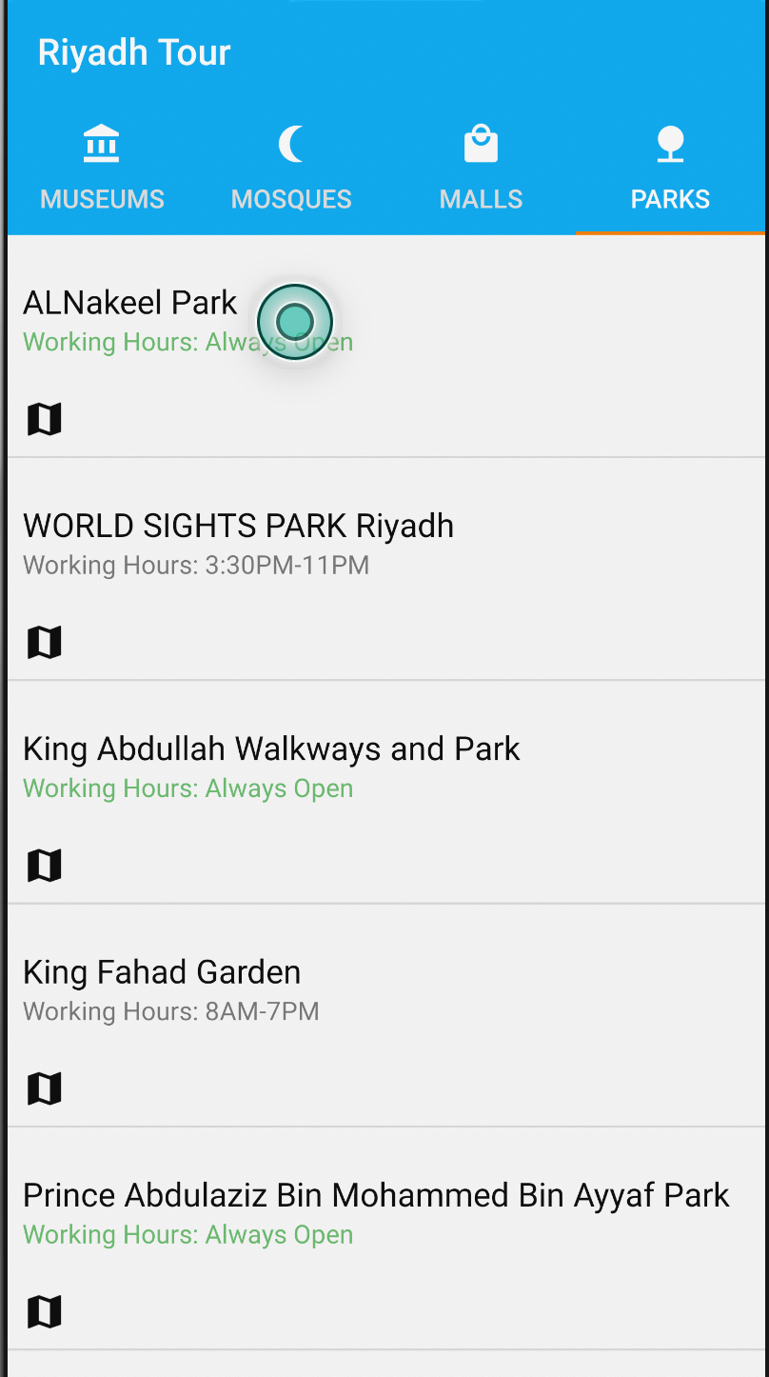
TC04.05 | To Check that When fourth park clicked it redirects to google map application | * Application installed. * Application Running | No Input Data. | 1. click on the PARKS tab from the home screen. 2. click one the fourth park. | Application should be switched to google maps showing a marker | Application is switched to google maps showing a marker | PASS
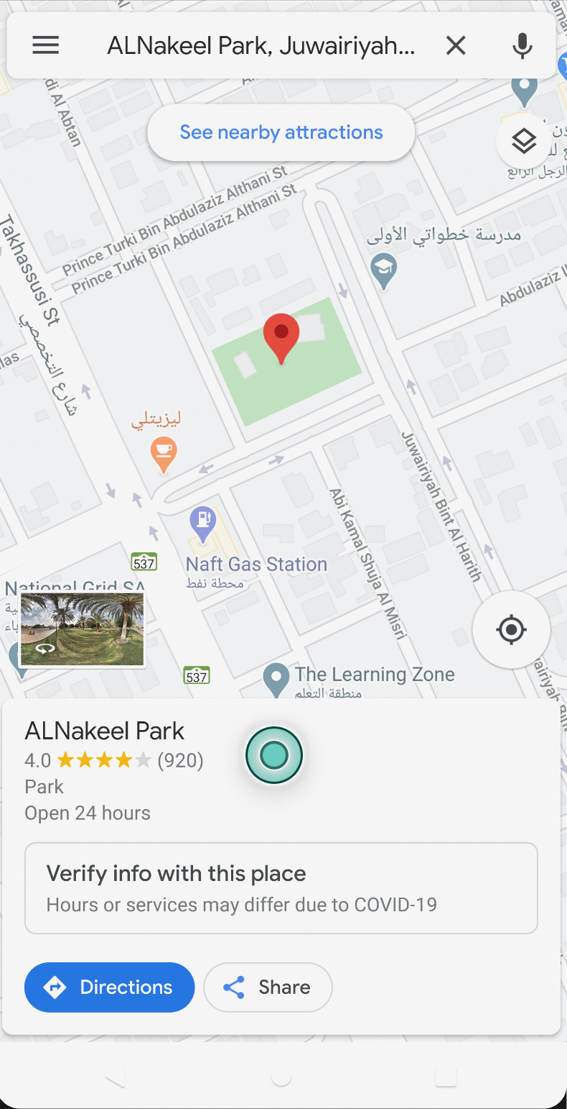
TC04.06 | To Check that When fifth park clicked it redirects to google map application | * Application installed. * Application Running | No Input Data. | 1. click on the PARKS tab from the home screen. 2. click one the fifth park. | Application should be switched to google maps showing a marker | Application is switched to google maps showing a marker | PASS
TC04.07 | To check the marker location for the first park is correct | * Application installed. * Application Running | No Input Data. | 1. click on the PARKS tab from the home screen. 2. click one the first park. 3. wait for marker title to show. | Google Maps Marker title should have the same name as the park which is "ALNakeel Park" | Google Maps Marker title is "ALNakeel Park" | PASS
TC04.08 | To check the marker location for the second park is correct | * Application installed. * Application Running | No Input Data. | 1. click on the PARKS tab from the home screen. 2. click one the second park. 3. wait for marker title to show. | Google Maps Marker title should have the same name as the park which is "WORLD SIGHTS PARK Riyadh" | Google Maps Marker title is "WORLD SIGHTS PARK Riyadh" | PASS
TC04.09 | To check the marker location for the third park is correct | * Application installed. * Application Running | No Input Data. | 1. click on the PARKS tab from the home screen. 2. click one the third park. 3. wait for marker title to show. | Google Maps Marker title should have the same name as the park which is "King Abdullah's Walkways and Park" | Google Maps Marker title is "King Abdullah's Walkways and Park" | PASS
TC04.10 | To check the marker location for the fourth park is correct | * Application installed. * Application Running | No Input Data. | 1. click on the PARKS tab from the home screen. 2. click one the fourth park. 3. wait for marker title to show. | Google Maps Marker title should have the same name as the park which is "King Fahad Garden" | Google Maps Marker title is "King Fahad Garden" | PASS
TC04.11 | To check the marker location for the fifth park is correct | * Application installed. * Application Running | No Input Data. | 1. click on the PARKS tab from the home screen. 2. click one the fifth park. 3. wait for marker title to show. | Google Maps Marker title should have the same name as the park which is "Prince Abdulaziz Bin Mohammed Bin Ayyaf Park" | Google Maps Marker title is "Prince Abdulaziz Bin Mohammed Bin Ayyaf Park" | PASS
TC04.12 | To check working hours for the first park Is correct | * Application installed. * Application Running | No Input Data. | 1. click on the PARKS tab from the home screen. 2. click one the fifth park. 3. wait for marker working hour text field to appear. | Google Maps Marker working hours should be the same as what the app says which is "Working Hours : Always Open" | Google Maps Marker working hours is "Working Hours : Open 24 hours" | PASS
TC04.13 | To check working hours for the second park Is correct | * Application installed. * Application Running | No Input Data. | 1. click on the PARKS tab from the home screen. 2. click one the fifth park. 3. wait for marker working hour text field to appear. | Google Maps Marker working hours should be the same as what the app says which is "Working Hours : 3:30PM-11PM" | Google Maps Marker working hours is "Working Hours : 3:30PM-11PM" | PASS
TC04.14 | To check working hours for the third park Is correct | * Application installed. * Application Running | No Input Data. | 1. click on the PARKS tab from the home screen. 2. click one the fifth park. 3. wait for marker working hour text field to appear. | Google Maps Marker working hours should be the same as what the app says which is "Working Hours : Always Open" | Google Maps Marker working hours is "Working Hours : Open 24 hours" | PASS
TC04.15 | To check working hours for the fourth park Is correct | * Application installed. * Application Running | No Input Data. | 1. click on the PARKS tab from the home screen. 2. click one the fifth park. 3. wait for marker working hour text field to appear. | Google Maps Marker working hours should be the same as what the app says which is "Working Hours : 8AM-7PM" | Google Maps Marker working hours is "Working Hours : 8AM-7PM" | PASS
TC04.16 | To check working hours for the fifth park Is correct | * Application installed. * Application Running | No Input Data. | 1. click on the PARKS tab from the home screen. 2. click one the fifth park. 3. wait for marker working hour text field to appear. | Google Maps Marker working hours should be the same as what the app says which is "Working Hours : Always Open" | Google Maps Marker working hours is "Working Hours : Open 24 hours" | PASS

