Arborescence
V0.2.5 | Hitach Rail Internal

Product Breakdown Structure
Title : | Product Brakedown Structure - Zalaszentiván Delta | Date : | 09/23/2026 | Ref : | 100007442
Verticalisation |  |  |  | FURTHER INFORMATIONS
YES | Display information | x | x | x
YES | Display specific borders' colors |  | x
Levels | Description | Category | Make, Team, Buy | TRL | RCL | Level | [Maestria] Type | [Maestria] Selection (0 ou 1)

1 | ZIV Delta | System |  |  |  | 1
1.1 | ETCS L2 Trackside equipment BL 2.3.0.d Version 2.0 | Existing | Make | 8 |  | 1.1
1.1.1 | RBC HW Release 3.1, SW BL RBC HU 1.2.1.A | Existing | Make | 7 |  | 1.1.1
1.1.1.1 | Human-Machine Interface HIS version BL HIS_RBC_GSV_2.15.0.11 (VEZÍR) | New | Buy | 7 |  | 1.1.1.1
1.1.1.2 | MCE/MOP Maintenance server/diag. workplace version 4.7 | Existing | Make | 7 |  | 1.1.1.2
1.1.1.3 | GSM-R Interface | Existing | Make | 9 |  | 1.1.1.3
1.1.2 | DAKO PV_01.02.02 | Re-use | Make | 7 |  | 1.1.2
1.1.2.1 | ELEKTRA1 Interface AHI, OLE, POK | Re-use | Make | 7 |  | 1.1.2.1
1.1.2.2 | ELEKTRA 2 Interface ZIV | New | Make | 7 |  | 1.1.2.2
1.1.3 | LEU PV 3.5 | Existing | Make | 9 |  | 1.1.3
1.1.3.1 | Shelf (for indoor or outdoor installation) | Re-use | Make | 8 |  | 1.1.3.1
1.1.3.2 | PDU (Power Distribution Unit) | Re-use | Make | 8 |  | 1.1.3.2
1.1.3.3 | PAB (Primary Adaptation Board) / RAB (Relay Adaptation Board) / SAB (Signal Adaptation Board) | Re-use | Make | 8 |  | 1.1.3.3
1.1.3.4 | PIO | Re-use | Make | 8 |  | 1.1.3.4
1.1.3.5 | BD (Balise Driver) Duplicated BD 1.1.3.5 and 1.1.4.3 | Re-use | Make | 8 |  | 1.1.3.5
1.1.3.6 | EMC Material (Varistors, Ferrites) | Re-use | Make | 8 |  | 1.1.3.6
1.1.4 | EURO Balise | New | Buy | 8 |  | 1.1.4
1.1.4.1 | EuroBalises Siemens S21 ERL6 existing | Re-use | Make | 9 |  | 1.1.4.1
1.1.4.2 | EuroBalises Siemens S21 ERL6 new installation | New | Buy | 9 |  | 1.1.4.2
1.1.4.3 | Balise cable | New | Buy | 9 |  | 1.1.4.3
1.1.4.4 | BD (Balise Driver) | New | Buy | 9 |  | 1.1.4.4
1.2 | Interlocking equipment | System | Team | 9 |  | 1.2
1.2.1 | ELEKTRA 2 PV INT 2.9.1A (INT_22.07) | New | Make | 9 |  | 1.2.1
1.2.1.1 | EC/CC Cabinet | New | Buy | 7 |  | 1.2.1.1
1.2.1.2 | IF Cabinet | New | Buy | 7 |  | 1.2.1.2
1.2.1.3 | KOAX Cabinet (AS495/SR1, SR1/SR9, AS1438/SR3, AS486/SR7, AS512) | Re-use | Team | 7 |  | 1.2.1.3
1.2.1.4 | SFA Cabinet (AS495/SR1, SR1/SR9, AS1438/SR3, AS486/SR7, AS512) | Re-use | Team | 7 |  | 1.2.1.4
1.2.1.5 | ZG RIC (Nagykapornak) | Re-use | Make | 8 |  | 1.2.1.5
1.2.1.6 | RIC - (Egervár) | Re-use | Make | 8 |  | 1.2.1.6
1.2.1.7 | A3 | Re-use | Make | 8 |  | 1.2.1.7
1.2.1.8 | Webride | Re-use | Make | 8 |  | 1.2.1.8
1.2.1.9 | Station LCSI (SR5) | New | Team | 8 |  | 1.2.1.9
1.2.1.10 | Station LCSI ETCS Interface | Re-use | Make | 8 |  | 1.2.1.10
1.2.1.11 | RAD-PAD | Re-use | Make | 8 |  | 1.2.1.11
1.2.1.12 | CU-modem (LTE, NTE) | Re-use | Make | 8 |  | 1.2.1.12
1.2.2 | AKF PV akf-1.7.0, akf-mav-hodos 1.4.1, Appl. Database Version: app-akf-mav-hodos 1.5.0 | Existing | Make | 9 |  | 1.2.2
1.2.2.1 | AKF operator workplace | Existing | Make | 8 |  | 1.2.2.1
1.2.2.2 | Super AKF workplace | Existing | Make | 8 |  | 1.2.2.2
1.2.2.3 | AKF Maintenece workplace | Existing | Make | 8 |  | 1.2.2.3
1.2.3 | AzLM PV 7.6 | New | Buy | 9 |  | 1.2.3
1.2.3.1 | AzLM Cabinet | New | Buy | 9 |  | 1.2.3.1
1.2.3.2 | ZP 30K | New | Buy | 9 |  | 1.2.3.2
1.2.4 | Power supply upgrade | Existing | Team | 9 |  | 1.2.4
1.2.4.1 | PQ upgrade | New | Team | 9 |  | 1.2.4.1
1.2.5 | MÁV Block block system towards Egervár | Existing | Team | 9 |  | 1.2.5
1.2.5.1 | AT 1420 update | Re-use | Team | 9 |  | 1.2.5.1
1.2.6 | ZG Block | Existing | Team | 9 |  | 1.2.6
1.2.6.1 | ZG RIC connection towards Nagykapornak | Re-use | Team | 9 |  | 1.2.6.1
1.2.7 | Station wayside equipment | Existing | Team | 9 |  | 1.2.7
1.2.7.1 | Main signal (filament lamp) existing | Re-use | Team | 9 |  | 1.2.7.1
1.2.7.2 | Shunting signal (filament lamp) existing | Re-use | Team | 9 |  | 1.2.7.2
1.2.7.3 | Turnout existing | Re-use | Team | 9 |  | 1.2.7.3
1.2.7.4 | Main signal (filament lamp) new installation | New | Buy | 9 |  | 1.2.7.4
1.2.7.5 | Shunting signal (filament lamp) new installation | New | Buy | 9 |  | 1.2.7.5
1.2.7.6 | Turnout new installation | New | Buy | 9 |  | 1.2.7.6
1.3 | Telecommunication | System | Team | 9 |  | 1.3
1.3.1 | Zalaszentiván station | Re-use | Team | 8 |  | 1.3.1
1.3.1.1 | PIS (incl. Schauer IRCS cabinets) | Re-use | Team | 8 |  | 1.3.1.1
1.3.1.2 | Station building security system | Re-use | Team | 8 |  | 1.3.1.2
1.3.1.3 | Camera system monitoring center (NVR) | Re-use | Team | 8 |  | 1.3.1.3
1.3.1.4 | Data transmission network (Fiber optic splicing assemblies, ODF) | Re-use | Team | 8 |  | 1.3.1.4
1.3.1.5 | Open line signalling cables (Fv24 and Fv96) | New | Make | 8 |  | 1.3.1.5
1.3.2 | Szentivánvölgyi train stop platform | New | Team | 9 |  | 1.3.2
1.3.2.1 | Outdoor telecommunications cabinet (IRCS, UPS, MOXA Remote I/O, fire and intrusion sensors) | New | Team | 9 |  | 1.3.2.1
1.3.2.2 | PIS (audio-visual and clock, outdoor incl. mounting structure) | New | Team | 9 |  | 1.3.2.2
1.3.2.3 | Data transmission network | New | Team | 9 |  | 1.3.2.3

Graphic Representation
THALES GROUP INTERNAL
This document is not to be reproduced, modified, adapted, published, translated in any material form in whole or in part nor disclosed to any third party without the prior written permission of Thales.

 | Title : | Product Brakedown Structure - Zalaszentiván Delta | Existing | Building Block | Make | Buy
 | Date: | 2026-09-23 | New | System
 | Ref: | 100007442 | Re-use |  | Team
ZIV Delta Category : System
Human-Machine Interface HIS version BL HIS_RBC_GSV_2.15.0.11 (VEZÍR) Category : New Make, Team, Buy : Buy TRL : 7
MCE/MOP Maintenance server/diag. workplace version 4.7 Category : Existing Make, Team, Buy : Make TRL : 7
GSM-R Interface Category : Existing Make, Team, Buy : Make TRL : 9
ELEKTRA1 Interface AHI, OLE, POK Category : Re-use Make, Team, Buy : Make TRL : 7
ELEKTRA 2 Interface ZIV Category : New Make, Team, Buy : Make TRL : 7
Shelf (for indoor or outdoor installation) Category : Re-use Make, Team, Buy : Make TRL : 8
PDU (Power Distribution Unit) Category : Re-use Make, Team, Buy : Make TRL : 8
PAB (Primary Adaptation Board) / RAB (Relay Adaptation Board) / SAB (Signal Adaptation Board) Category : Re-use Make, Team, Buy : Make TRL : 8
PIO Category : Re-use Make, Team, Buy : Make TRL : 8
BD (Balise Driver) Duplicated BD 1.1.3.5 and 1.1.4.3 Category : Re-use Make, Team, Buy : Make TRL : 8
EMC Material (Varistors, Ferrites) Category : Re-use Make, Team, Buy : Make TRL : 8
RBC HW Release 3.1, SW BL RBC HU 1.2.1.A Category : Existing Make, Team, Buy : Make TRL : 7
DAKO PV_01.02.02 Category : Re-use Make, Team, Buy : Make TRL : 7
LEU PV 3.5 Category : Existing Make, Team, Buy : Make TRL : 9
EURO Balise Category : New Make, Team, Buy : Buy TRL : 8
EuroBalises Siemens S21 ERL6 existing Category : Re-use Make, Team, Buy : Make TRL : 9
EuroBalises Siemens S21 ERL6 new installation Category : New Make, Team, Buy : Buy TRL : 9
Balise cable Category : New Make, Team, Buy : Buy TRL : 9
BD (Balise Driver) Category : New Make, Team, Buy : Buy TRL : 9
EC/CC Cabinet Category : New Make, Team, Buy : Buy TRL : 7
IF Cabinet Category : New Make, Team, Buy : Buy TRL : 7
KOAX Cabinet (AS495/SR1, SR1/SR9, AS1438/SR3, AS486/SR7, AS512) Category : Re-use Make, Team, Buy : Team TRL : 7
SFA Cabinet (AS495/SR1, SR1/SR9, AS1438/SR3, AS486/SR7, AS512) Category : Re-use Make, Team, Buy : Team TRL : 7
ZG RIC (Nagykapornak) Category : Re-use Make, Team, Buy : Make TRL : 8
RIC - (Egervár) Category : Re-use Make, Team, Buy : Make TRL : 8
A3 Category : Re-use Make, Team, Buy : Make TRL : 8
Webride Category : Re-use Make, Team, Buy : Make TRL : 8
Station LCSI (SR5) Category : New Make, Team, Buy : Team TRL : 8
Station LCSI ETCS Interface Category : Re-use Make, Team, Buy : Make TRL : 8
RAD-PAD Category : Re-use Make, Team, Buy : Make TRL : 8
CU-modem (LTE, NTE) Category : Re-use Make, Team, Buy : Make TRL : 8
AKF operator workplace Category : Existing Make, Team, Buy : Make TRL : 8
Super AKF workplace Category : Existing Make, Team, Buy : Make TRL : 8
AKF Maintenece workplace Category : Existing Make, Team, Buy : Make TRL : 8
AzLM Cabinet Category : New Make, Team, Buy : Buy TRL : 9
ZP 30K Category : New Make, Team, Buy : Buy TRL : 9
PQ upgrade Category : New Make, Team, Buy : Team TRL : 9
AT 1420 update Category : Re-use Make, Team, Buy : Team TRL : 9
ZG RIC connection towards Nagykapornak Category : Re-use Make, Team, Buy : Team TRL : 9
ELEKTRA 2 PV INT 2.9.1A (INT_22.07) Category : New Make, Team, Buy : Make TRL : 9
AKF PV akf-1.7.0, akf-mav-hodos 1.4.1, Appl. Database Version: app-akf-mav-hodos 1.5.0 Category : Existing Make, Team, Buy : Make TRL : 9
AzLM PV 7.6 Category : New Make, Team, Buy : Buy TRL : 9
Power supply upgrade Category : Existing Make, Team, Buy : Team TRL : 9
MÁV Block block system towards Egervár Category : Existing Make, Team, Buy : Team TRL : 9
ZG Block Category : Existing Make, Team, Buy : Team TRL : 9
Station wayside equipment Category : Existing Make, Team, Buy : Team TRL : 9
Main signal (filament lamp) existing Category : Re-use Make, Team, Buy : Team TRL : 9
Shunting signal (filament lamp) existing Category : Re-use Make, Team, Buy : Team TRL : 9
Turnout existing Category : Re-use Make, Team, Buy : Team TRL : 9
Main signal (filament lamp) new installation Category : New Make, Team, Buy : Buy TRL : 9
Shunting signal (filament lamp) new installation Category : New Make, Team, Buy : Buy TRL : 9
Turnout new installation Category : New Make, Team, Buy : Buy TRL : 9
ETCS L2 Trackside equipment BL 2.3.0.d Version 2.0 Category : Existing Make, Team, Buy : Make TRL : 8
Interlocking equipment Category : System Make, Team, Buy : Team TRL : 9
Telecommunication Category : System Make, Team, Buy : Team TRL : 9
PIS (incl. Schauer IRCS cabinets) Category : Re-use Make, Team, Buy : Team TRL : 8
Station building security system Category : Re-use Make, Team, Buy : Team TRL : 8
Camera system monitoring center (NVR) Category : Re-use Make, Team, Buy : Team TRL : 8
Data transmission network (Fiber optic splicing assemblies, ODF) Category : Re-use Make, Team, Buy : Team TRL : 8
Open line signalling cables (Fv24 and Fv96) Category : New Make, Team, Buy : Make TRL : 8
Zalaszentiván station Category : Re-use Make, Team, Buy : Team TRL : 8
Szentivánvölgyi train stop platform Category : New Make, Team, Buy : Team TRL : 9
Outdoor telecommunications cabinet (IRCS, UPS, MOXA Remote I/O, fire and intrusion sensors) Category : New Make, Team, Buy : Team TRL : 9
PIS (audio-visual and clock, outdoor incl. mounting structure) Category : New Make, Team, Buy : Team TRL : 9
Data transmission network Category : New Make, Team, Buy : Team TRL : 9

READ ME
 |  |  | Product Breakdown Structure
Informations

Description

This tool allows to create easily a PBS and after to obtain automatically its graphic representation.
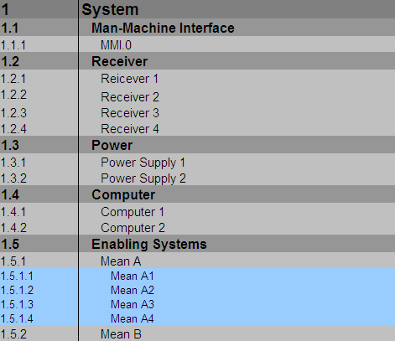
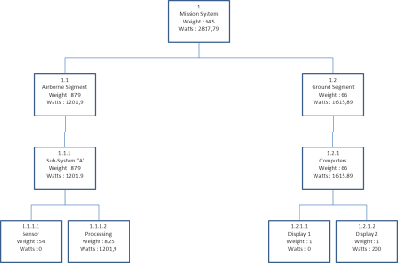

 | Written representation of the PBS |  |  | Graphical representation of the PBS

The PBS is composed of the System of Interest (SOI): system / product to be made and Enablings Systems (means to do)
This decomposition can be performed at the highest level, but also on elements of SOI (allocation Enablings Systems involving only
elements of the SOI)
The PBS describes the WHAT

Summary and recommendations

The PBS is the major element that allows to structure the development and to define the development strategy (including IVVQ), dimensionning the activities and achieve
the associated estimates in BID phase
The PBS is initialized in BID phase
The development breakdown structure is build on the basis of the PBS and
 | - Gives adequate visibility during development and later during support
 | - has the purpose of monitoring the development no more than necessary
Neither too much nor too little items ==> essential factor for tailoring
Designate a CI (Configuration Item) is primarily an act of management

Instructions for use

Initialise the PBS
In « Arborescence » initialize or update the parameters (B3, D3, F3) : Title (title of the breakdown structure), Date (of creation or update), Ref (Bid/Project reference ; eg XXXXXXXX-295-YY)
Enter the system description (B9)

Use of information columns
It is possible to define and use different types of information depending on what information is desired :
 | Indicate the name in the corresponding column of 7th line, and then complete the lines
 | Informations proposed by default are le followings :

The "Category" row
Select a category from the "category" row among the following proposals:
 | - Existing: Product / complete and functional by-product, which is taken as is (TRL 9)
 | - New: product / by-product characterized by a level of TRL (1-8) indicating the level of maturity of the technology associated with this product
 | - Re-use: product / complete and functional by-product existing with a level of RCL (B-F) indicating the level of maturity of the element reused in
 | the architecture
 | - Building Block: Existing element listed in entity Building Block catalog

The "Make, Team Buy" row
Refer to the "Make or Buy" row using one of the following propositions:
 | - Make : manufactured by Thales
 | - Team : manufactured with co-contractors
 | - Buy : bought to sub-contractors

The TRL (Technology Readiness Level) row
Enter a level of TRL to 1 at 9 according to the following information:

The RCL row (Re-use Category Level)
Input level from A to F according to the following information (for more details see PLE Handbook 87208865-DDQ-GRP-EN in DDQS TRS):
A : Full-Custom development
B : Copy and modify
C : Re-use Building Blocks (BBs) catalogue
D : Reference architecture and commonalities (BBs)
E : Managed variability and derivation process ; customer-specific allowed
F : Managed variability and derivation process ; no customer-specific

Insert a new element

To add an item, insert if needed a new line to the desired location, then complete the information as follows:
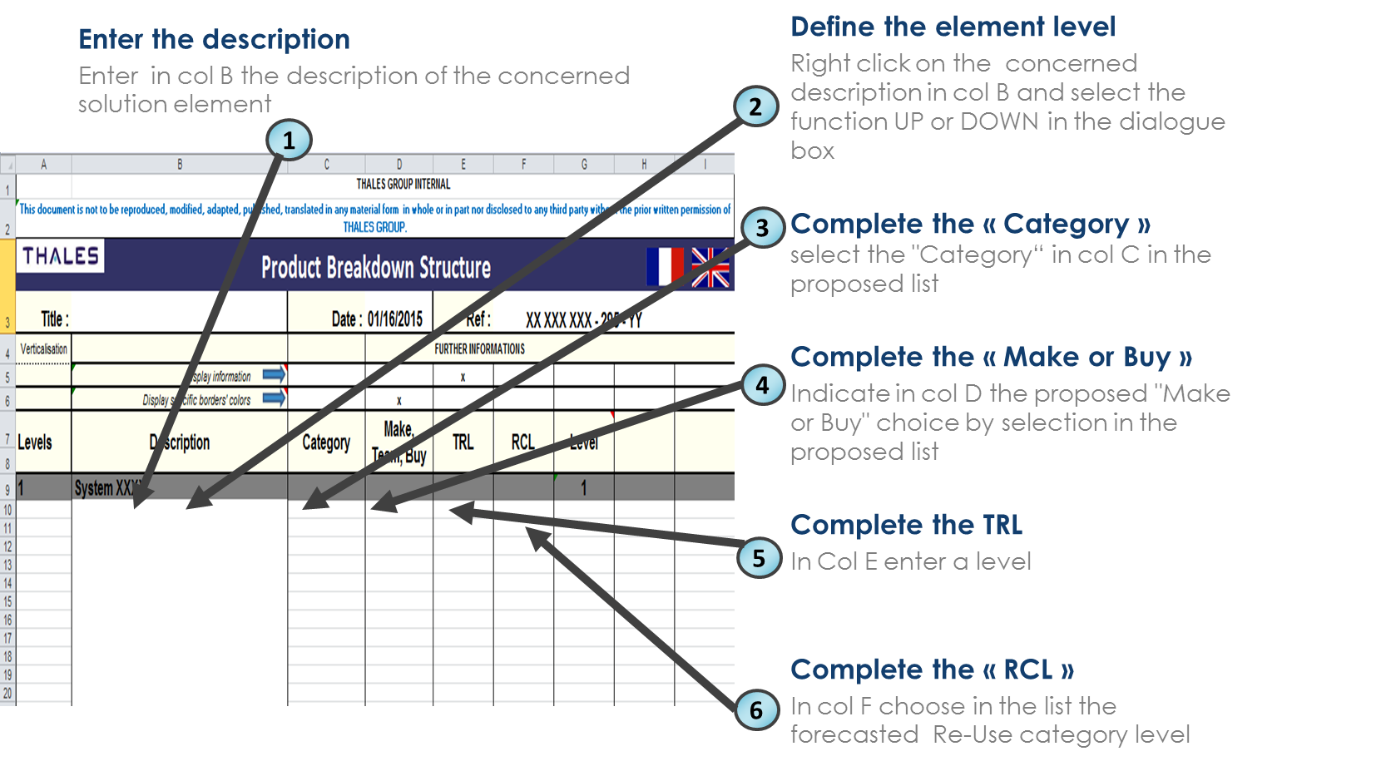

Comment: | - The numbering of the breakdown structure is automatic. When adding an element to its numbering is thus performed automatically according to its
 | position in the breakdown structure

Possible error messages
Structural problem: |  |  | There is an error in the breakdown structure, there is a transition from one level N to a level N-2
You indicated a RCL level while this product is not a Re-use : |  |  | A RCL has been indicated while the category on the same line is not a Re-use.
A plan can have a maximum of 8 levels. The lower levels will be regrouped at the 8th level. |  |  | This message appears when an element of level 8 is set to a lower level.

Achieve the PBS in graphic form
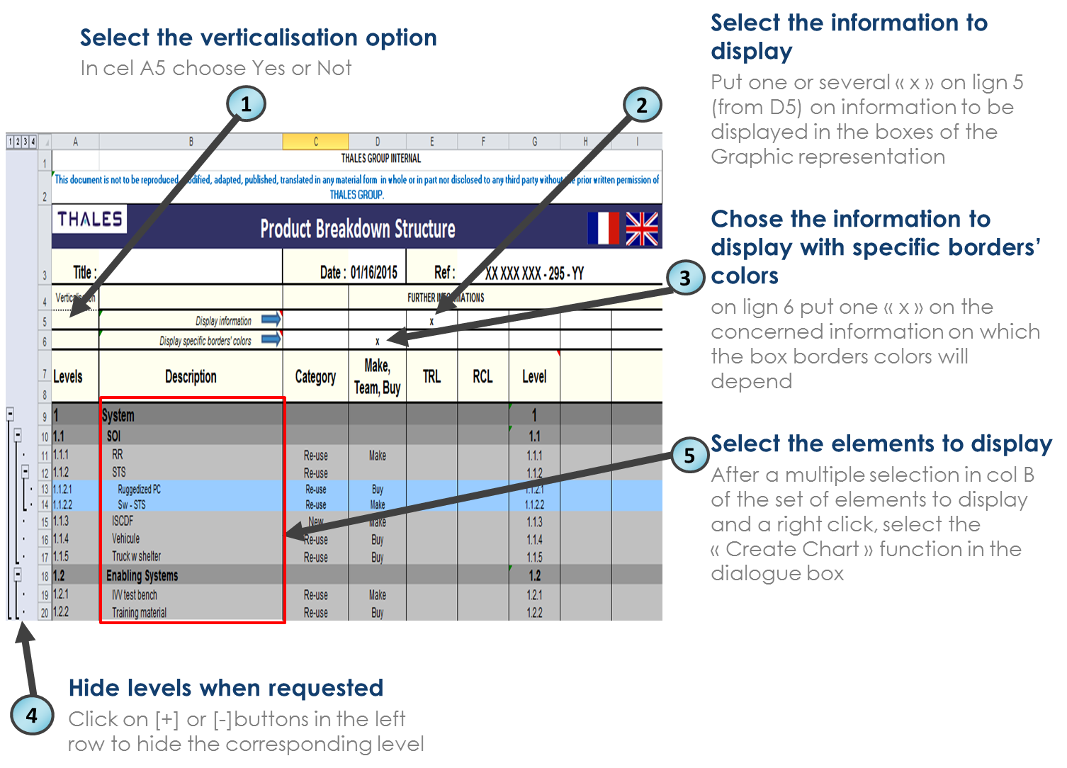

Advice: - on the grahical representation, only 3 lines can be displayed in each box with the default size

Option verticalisation the last level
You can choose to represent the last level of the tree in horizontal or vertical form
 | 1. Select "NO" in the "Verticalisation" box to not verticalize the last line.
 | 2. Select "YES" in the "Verticalisation" box to verticalize the last line.
normal example |  |  |  | example with vertical integration
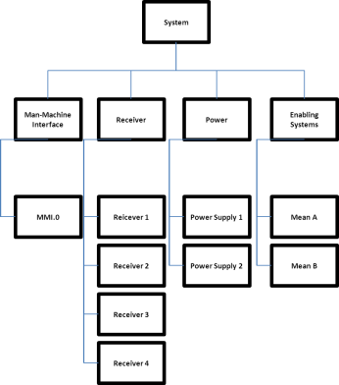

Hide different levels
The tool will display only the relevant information according to user:
 | 1. Click on [+] button in the left row to view the corresponding level in the breakdown structure written
 | 2. Click on [-] located in the left row to hide the corresponding level in the breakdown structure written.
Advice : -When creating the graphical representation, only visible items of arborescence are displayed ; therefore you may limit the graphic to the upper levels at your convenience.

Menu Functions
UP function: go up or the products / by-products selected one level in the breakdown structure.
DOWN function: Moves down or the products / by-products selected one level in the breakdown structure.
Create Chart function: Allows you to create a graphical representation of all the nodes of the selected elements.

Possible error messages
Incorrect selection: |  |  | The selection made ​​for the graphical representation is not correct, must then review the selection and try again.

Complete the PBS as a project document if needed
Fill up the the header page tab in particular entity and document identifyers, revision
Update the PBS history & approval tab in consistency with the origin of the concerned evolution.

Adaptation - Parameters configuration

In the Configuration sheet you may modify :

Background colors of elements in the graphical representation
Background colors' of elements in the graph are set according to their category via the following color code:

 |  | Color table
 |  | Code | Color
 |  | System
 |  | Existing
 |  | New
 |  | Re-use
 |  | Building Block

However in order to allow more freedom, it is possible to customize the following table of colors, adding new categories. To do this:
 | 1.Go to the Configuration sheet
 | 2. Enter a name in row "Code"
 | 3. Choose the corresponding color in the "Color" row using "fill color" Classic EXCEL

 |  | Color Table
 |  | Code | Color

Borders' colors of elements in the graphical representation
Borders' colors of elements in the graph are set according to their category via the following color code:

 |  | Color Table
 |  | Code | Color
 |  | Make
 |  | Team
 |  | Buy

However in order to allow more freedom, it is possible to customize the following table of colors, adding new contours. To do this:
 | 1.Go to the Configuration sheet
 | 2. Enter a name in row "Code"
 | 3. Choose the corresponding color in the "Color" row using "fill color" Classic EXCEL

 |  | Color Table
 |  | Code | Color

Box size in the Graphic representation :
To allow the display of more attributs in the boxes you can ajust the dimensions in the following table

 | Graphic box size (Min : 40 - Max : 300)
 | Width | 100
 | Height | 90

Recovery of existing data in a new version of the template

Open the new template then remove the tab "Breakdown structure"
Open the existing template including the data
Move with duplication the tab “Arborescence" containing the existing PBS in the new template before the tab "Graphical Representation "
In the tab "Configuration" update the parameters (background/border's colors, texts, box size) by copying the values from the similar tab of the existing template
Warning: - the deletion of the column "category" will lead to the loss of background colors.

