Answers
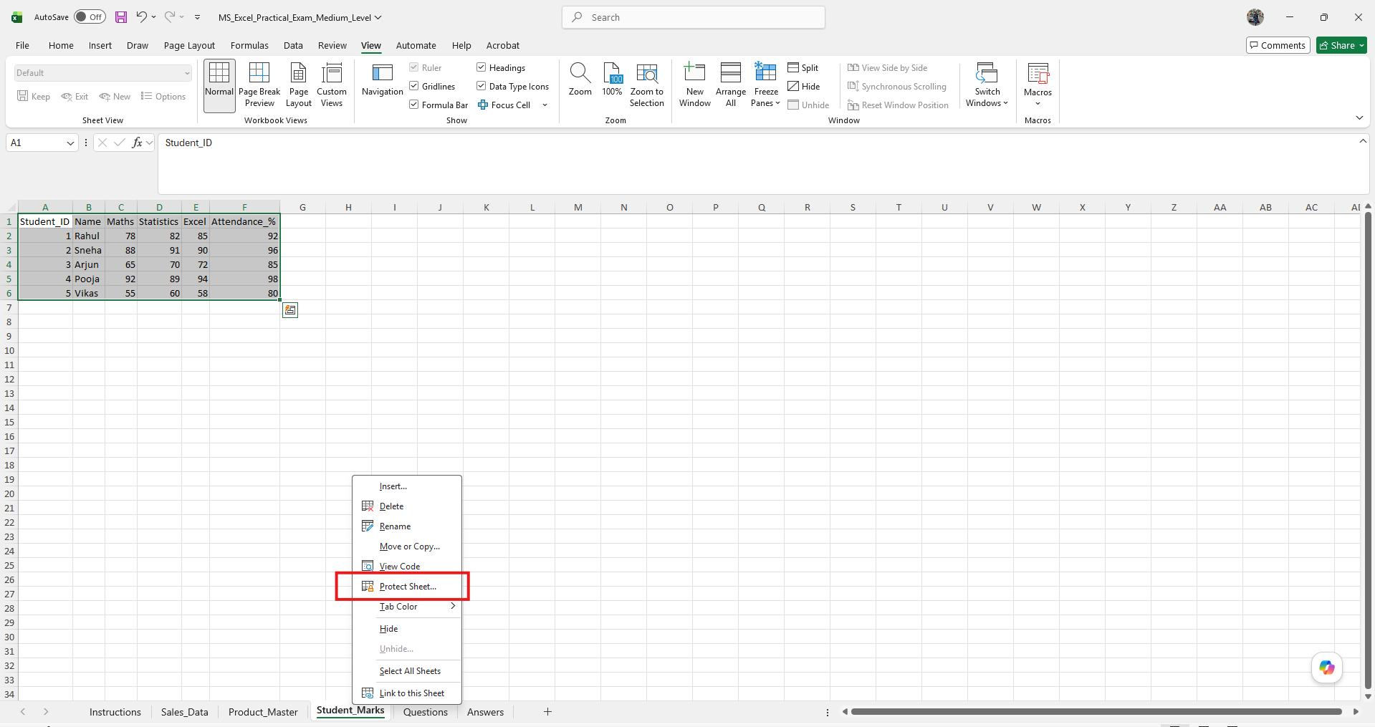
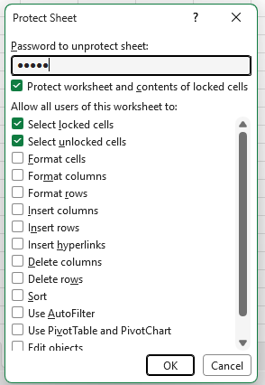
1. Calculate Total Sales for each order (Quantity × Unit_Price).

 | Order_ID | Region | Salesperson | Product | Quantity | Unit_Price | Sales_Date | Total Sales
 | 301 | North | Amit | Laptop | 2 | 45000 | 05-01-2025 | 90000
 | 302 | South | Riya | Mobile | 5 | 15000 | 07-01-2025 | 75000
 | 303 | East | Kunal | Tablet | 3 | 18000 | 10-01-2025 | 54000
 | 304 | West | Neha | Laptop | 1 | 45000 | 12-01-2025 | 45000
 | 305 | North | Amit | Mobile | 4 | 15000 | 15-01-2025 | 60000
 | 306 | South | Riya | Laptop | 2 | 45000 | 18-01-2025 | 90000

2. Calculate GST Amount using VLOOKUP from Product_Master.

 | Order_ID | Region | Salesperson | Product | Quantity | Unit_Price | Sales_Date | Total Sales | GST% | GST Amount
 | 301 | North | Amit | Laptop | 2 | 45000 | 05-01-2025 | 90000 | 18 | 16200
 | 302 | South | Riya | Mobile | 5 | 15000 | 07-01-2025 | 75000 | 12 | 9000
 | 303 | East | Kunal | Tablet | 3 | 18000 | 10-01-2025 | 54000 | 12 | 6480
 | 304 | West | Neha | Laptop | 1 | 45000 | 12-01-2025 | 45000 | 18 | 8100
 | 305 | North | Amit | Mobile | 4 | 15000 | 15-01-2025 | 60000 | 12 | 7200
 | 306 | South | Riya | Laptop | 2 | 45000 | 18-01-2025 | 90000 | 18 | 16200

3. Find Final Amount payable (Total Sales + GST).

 | Order_ID | Region | Salesperson | Product | Quantity | Unit_Price | Sales_Date | Total Sales | GST% | GST Amount | Final Payable Amount
 | 301 | North | Amit | Laptop | 2 | 45000 | 05-01-2025 | 90000 | 18 | 16200 | 106200
 | 302 | South | Riya | Mobile | 5 | 15000 | 07-01-2025 | 75000 | 12 | 9000 | 84000
 | 303 | East | Kunal | Tablet | 3 | 18000 | 10-01-2025 | 54000 | 12 | 6480 | 60480
 | 304 | West | Neha | Laptop | 1 | 45000 | 12-01-2025 | 45000 | 18 | 8100 | 53100
 | 305 | North | Amit | Mobile | 4 | 15000 | 15-01-2025 | 60000 | 12 | 7200 | 67200
 | 306 | South | Riya | Laptop | 2 | 45000 | 18-01-2025 | 90000 | 18 | 16200 | 106200

4. Find Grand Total of Final Amount

 | Order_ID | Region | Salesperson | Product | Quantity | Unit_Price | Sales_Date | Total Sales | GST% | GST Amount | Final Payable Amount
 | 301 | North | Amit | Laptop | 2 | 45000 | 05-01-2025 | 90000 | 18 | 16200 | 106200
 | 302 | South | Riya | Mobile | 5 | 15000 | 07-01-2025 | 75000 | 12 | 9000 | 84000
 | 303 | East | Kunal | Tablet | 3 | 18000 | 10-01-2025 | 54000 | 12 | 6480 | 60480
 | 304 | West | Neha | Laptop | 1 | 45000 | 12-01-2025 | 45000 | 18 | 8100 | 53100
 | 305 | North | Amit | Mobile | 4 | 15000 | 15-01-2025 | 60000 | 12 | 7200 | 67200
 | 306 | South | Riya | Laptop | 2 | 45000 | 18-01-2025 | 90000 | 18 | 16200 | 106200
 |  |  |  |  |  |  |  |  |  |  | 477180

5. Count total number of orders using COUNTA

Total number of orders | 6

6. Find Region-wise total sales using SUMIF

 | Order_ID | Region | Salesperson | Product | Quantity | Unit_Price | Sales_Date | Total Sales |  |  | Region | Total Sales
 | 301 | North | Amit | Laptop | 2 | 45000 | 05-01-2025 | 90000 |  |  | North | 150000
 | 302 | South | Riya | Mobile | 5 | 15000 | 07-01-2025 | 75000 |  |  | South | 165000
 | 303 | East | Kunal | Tablet | 3 | 18000 | 10-01-2025 | 54000 |  |  | East | 54000
 | 304 | West | Neha | Laptop | 1 | 45000 | 12-01-2025 | 45000 |  |  | West | 45000
 | 305 | North | Amit | Mobile | 4 | 15000 | 15-01-2025 | 60000
 | 306 | South | Riya | Laptop | 2 | 45000 | 18-01-2025 | 90000

7. Use IF to classify Quantity as High (>3) or Low (<=3).

 | Order_ID | Region | Salesperson | Product | Quantity | Unit_Price | Sales_Date | Quantity classification
 | 301 | North | Amit | Laptop | 2 | 45000 | 05-01-2025 | Low
 | 302 | South | Riya | Mobile | 5 | 15000 | 07-01-2025 | High
 | 303 | East | Kunal | Tablet | 3 | 18000 | 10-01-2025 | Low
 | 304 | West | Neha | Laptop | 1 | 45000 | 12-01-2025 | Low
 | 305 | North | Amit | Mobile | 4 | 15000 | 15-01-2025 | High
 | 306 | South | Riya | Laptop | 2 | 45000 | 18-01-2025 | Low

8. Find the maximum and minimum Final Amount.

 | Order_ID | Region | Salesperson | Product | Quantity | Unit_Price | Sales_Date | Total Sales | GST% | GST Amount | Final Payable Amount
 | 301 | North | Amit | Laptop | 2 | 45000 | 05-01-2025 | 90000 | 18 | 16200 | 106200
 | 302 | South | Riya | Mobile | 5 | 15000 | 07-01-2025 | 75000 | 12 | 9000 | 84000
 | 303 | East | Kunal | Tablet | 3 | 18000 | 10-01-2025 | 54000 | 12 | 6480 | 60480
 | 304 | West | Neha | Laptop | 1 | 45000 | 12-01-2025 | 45000 | 18 | 8100 | 53100
 | 305 | North | Amit | Mobile | 4 | 15000 | 15-01-2025 | 60000 | 12 | 7200 | 67200
 | 306 | South | Riya | Laptop | 2 | 45000 | 18-01-2025 | 90000 | 18 | 16200 | 106200

 | Maximum | Minimum
 | 106200 | 53100

9. Extract month name from Sales_Date.

 | Order_ID | Region | Salesperson | Product | Quantity | Unit_Price | Sales_Date | Month name
 | 301 | North | Amit | Laptop | 2 | 45000 | 05-01-2025 | January
 | 302 | South | Riya | Mobile | 5 | 15000 | 07-01-2025 | January
 | 303 | East | Kunal | Tablet | 3 | 18000 | 10-01-2025 | January
 | 304 | West | Neha | Laptop | 1 | 45000 | 12-01-2025 | January
 | 305 | North | Amit | Mobile | 4 | 15000 | 15-01-2025 | January
 | 306 | South | Riya | Laptop | 2 | 45000 | 18-01-2025 | January

10. Sort Sales_Data by Final Amount (Descending).

 | Order_ID | Region | Salesperson | Product | Quantity | Unit_Price | Sales_Date | Total Sales | GST% | GST Amount | Final Payable Amount
 | 301 | North | Amit | Laptop | 2 | 45000 | 05-01-2025 | 90000 | 18 | 16200 | 106200
 | 306 | South | Riya | Laptop | 2 | 45000 | 18-01-2025 | 90000 | 18 | 16200 | 106200
 | 302 | South | Riya | Mobile | 5 | 15000 | 07-01-2025 | 75000 | 12 | 9000 | 84000
 | 305 | North | Amit | Mobile | 4 | 15000 | 15-01-2025 | 60000 | 12 | 7200 | 67200
 | 303 | East | Kunal | Tablet | 3 | 18000 | 10-01-2025 | 54000 | 12 | 6480 | 60480
 | 304 | West | Neha | Laptop | 1 | 45000 | 12-01-2025 | 45000 | 18 | 8100 | 53100

11. Use INDEX-MATCH to fetch Product Category.

Product | GST
Laptop | 18

12. Calculate average marks of each student.

 | Student_ID | Name | Maths | Statistics | Excel | Attendance_% | Average Marks
 | 1 | Rahul | 78 | 82 | 85 | 92 | 81.67
 | 2 | Sneha | 88 | 91 | 90 | 96 | 89.67
 | 3 | Arjun | 65 | 70 | 72 | 85 | 69.00
 | 4 | Pooja | 92 | 89 | 94 | 98 | 91.67
 | 5 | Vikas | 55 | 60 | 58 | 80 | 57.67

13. Find the topper based on average marks.

 | Student_ID | Name | Maths | Statistics | Excel | Attendance_% | Average Marks
 | 1 | Rahul | 78 | 82 | 85 | 92 | 81.67
 | 2 | Sneha | 88 | 91 | 90 | 96 | 89.67
 | 3 | Arjun | 65 | 70 | 72 | 85 | 69.00
 | 4 | Pooja | 92 | 89 | 94 | 98 | 91.67
 | 5 | Vikas | 55 | 60 | 58 | 80 | 57.67

14. Count students with Attendance above 90%.

 | Student_ID | Name | Maths | Statistics | Excel | Attendance_%
 | 1 | Rahul | 78 | 82 | 85 | 92
 | 2 | Sneha | 88 | 91 | 90 | 96
 | 3 | Arjun | 65 | 70 | 72 | 85
 | 4 | Pooja | 92 | 89 | 94 | 98
 | 5 | Vikas | 55 | 60 | 58 | 80

 | Count students | 3

15. Use IF to classify students as Eligible (Attendance >= 85%).

 | Student_ID | Name | Maths | Statistics | Excel | Attendance_% | Classification
 | 1 | Rahul | 78 | 82 | 85 | 92 | Eligible
 | 2 | Sneha | 88 | 91 | 90 | 96 | Eligible
 | 3 | Arjun | 65 | 70 | 72 | 85 | Eligible
 | 4 | Pooja | 92 | 89 | 94 | 98 | Eligible
 | 5 | Vikas | 55 | 60 | 58 | 80 | Not Eligible

16. Create a Pivot Table showing Product-wise Total Sales.
 | Product | Sum of Sales
 | Laptop | 225000
 | Mobile | 135000
 | Tablet | 54000
 | Grand Total | 414000

Region Wise Sales
 | Total
East | 54000
North | 150000
South | 165000
West | 45000

17. Create a Pivot Table showing Region-wise Total Sales.

Product Wise Sales
 | Total
Laptop | 225000
Mobile | 135000
Tablet | 54000

18. Insert a Pivot Chart for Product-wise Sales.

Student Excel marks
19. Create a Bar Chart for Student Excel marks.

 |  | Student_ID | Name | Maths | Statistics | Excel | Attendance_%
 |  | 1 | Rahul | 78 | 82 | 85 | 92
 |  | 2 | Sneha | 88 | 91 | 90 | 96
 |  | 3 | Arjun | 65 | 70 | 72 | 85
 |  | 4 | Pooja | 92 | 89 | 94 | 98
 |  | 5 | Vikas | 55 | 60 | 58 | 80

20. Find Median of Statistics marks.

 |  | Student_ID | Name | Maths | Statistics | Excel | Attendance_%
 |  | 1 | Rahul | 78 | 82 | 85 | 92
 |  | 2 | Sneha | 88 | 91 | 90 | 96
 |  | 3 | Arjun | 65 | 70 | 72 | 85
 |  | 4 | Pooja | 92 | 89 | 94 | 98
 |  | 5 | Vikas | 55 | 60 | 58 | 80

 |  |  |  |  | 82

21. Find Standard Deviation of Excel marks.

 |  | Student_ID | Name | Maths | Statistics | Excel | Attendance_%
 |  | 1 | Rahul | 78 | 82 | 85 | 92
 |  | 2 | Sneha | 88 | 91 | 90 | 96
 |  | 3 | Arjun | 65 | 70 | 72 | 85
 |  | 4 | Pooja | 92 | 89 | 94 | 98
 |  | 5 | Vikas | 55 | 60 | 58 | 80

 |  |  |  |  | 13.181805643

22. Use CONCAT to combine Student_ID and Name.

 | Student_ID | Name | Maths | Statistics | Excel | Attendance_% | CONCAT
 | 1 | Rahul | 78 | 82 | 85 | 92 | 1Rahul
 | 2 | Sneha | 88 | 91 | 90 | 96 | 2Sneha
 | 3 | Arjun | 65 | 70 | 72 | 85 | 3Arjun
 | 4 | Pooja | 92 | 89 | 94 | 98 | 4Pooja
 | 5 | Vikas | 55 | 60 | 58 | 80 | 5Vikas

23. Use LEFT function to extract first 2 letters of Salesperson name.

 | Order_ID | Region | Salesperson | Product | Quantity | Unit_Price | Sales_Date | LEFT function
 | 301 | North | Amit | Laptop | 2 | 45000 | 05-01-2025 | Am
 | 302 | South | Riya | Mobile | 5 | 15000 | 07-01-2025 | Ri
 | 303 | East | Kunal | Tablet | 3 | 18000 | 10-01-2025 | Ku
 | 304 | West | Neha | Laptop | 1 | 45000 | 12-01-2025 | Ne
 | 305 | North | Amit | Mobile | 4 | 15000 | 15-01-2025 | Am
 | 306 | South | Riya | Laptop | 2 | 45000 | 18-01-2025 | Ri

24. Apply Conditional Formatting to highlight Final Amount > 60000.

 | Order_ID | Region | Salesperson | Product | Quantity | Unit_Price | Sales_Date | Total Sales | GST% | GST Amount | Final Payable Amount
 | 301 | North | Amit | Laptop | 2 | 45000 | 05-01-2025 | 90000 | 18 | 16200 | 106200
 | 302 | South | Riya | Mobile | 5 | 15000 | 07-01-2025 | 75000 | 12 | 9000 | 84000
 | 303 | East | Kunal | Tablet | 3 | 18000 | 10-01-2025 | 54000 | 12 | 6480 | 60480
 | 304 | West | Neha | Laptop | 1 | 45000 | 12-01-2025 | 45000 | 18 | 8100 | 53100
 | 305 | North | Amit | Mobile | 4 | 15000 | 15-01-2025 | 60000 | 12 | 7200 | 67200
 | 306 | South | Riya | Laptop | 2 | 45000 | 18-01-2025 | 90000 | 18 | 16200 | 106200

25. Filter orders where Product is Laptop and Quantity > 1.

 | Order_ID | Region | Salesperson | Product | Quantity | Unit_Price | Sales_Date | Filter orders
 | 301 | North | Amit | Laptop | 2 | 45000 | 05-01-2025 | Yes
 | 302 | South | Riya | Mobile | 5 | 15000 | 07-01-2025 | No
 | 303 | East | Kunal | Tablet | 3 | 18000 | 10-01-2025 | No
 | 304 | West | Neha | Laptop | 1 | 45000 | 12-01-2025 | No
 | 305 | North | Amit | Mobile | 4 | 15000 | 15-01-2025 | No
 | 306 | South | Riya | Laptop | 2 | 45000 | 18-01-2025 | Yes

26. Use COUNTIFS to count Laptop orders in North region.

 | Order_ID | Region | Salesperson | Product | Quantity | Unit_Price | Sales_Date
 | 301 | North | Amit | Laptop | 2 | 45000 | 05-01-2025
 | 302 | South | Riya | Mobile | 5 | 15000 | 07-01-2025
 | 303 | East | Kunal | Tablet | 3 | 18000 | 10-01-2025
 | 304 | West | Neha | Laptop | 1 | 45000 | 12-01-2025
 | 305 | North | Amit | Mobile | 4 | 15000 | 15-01-2025
 | 306 | South | Riya | Laptop | 2 | 45000 | 18-01-2025

 |  |  |  |  | 1

27. Use ROUND to round Unit_Price to nearest thousand.

 | Order_ID | Region | Salesperson | Product | Quantity | Unit_Price | Sales_Date | ROUND
 | 301 | North | Amit | Laptop | 2 | 45000 | 05-01-2025 | 45000
 | 302 | South | Riya | Mobile | 5 | 15000 | 07-01-2025 | 15000
 | 303 | East | Kunal | Tablet | 3 | 18000 | 10-01-2025 | 18000
 | 304 | West | Neha | Laptop | 1 | 45000 | 12-01-2025 | 45000
 | 305 | North | Amit | Mobile | 4 | 15000 | 15-01-2025 | 15000
 | 306 | South | Riya | Laptop | 2 | 45000 | 18-01-2025 | 45000

28. Remove duplicate records if present.

 | Order_ID | Region | Salesperson | Product | Quantity | Unit_Price | Sales_Date
 | 301 | North | Amit | Laptop | 2 | 45000 | 05-01-2025
 | 302 | South | Riya | Mobile | 5 | 15000 | 07-01-2025
 | 303 | East | Kunal | Tablet | 3 | 18000 | 10-01-2025
 | 304 | West | Neha | Laptop | 1 | 45000 | 12-01-2025
 | 305 | North | Amit | Mobile | 4 | 15000 | 15-01-2025
 | 306 | South | Riya | Laptop | 2 | 45000 | 18-01-2025

 | Product | Category | GST_%
 | Laptop | Electronics | 18
 | Mobile | Electronics | 12
 | Tablet | Electronics | 12

 | Student_ID | Name | Maths | Statistics | Excel | Attendance_%
 | 1 | Rahul | 78 | 82 | 85 | 92
 | 2 | Sneha | 88 | 91 | 90 | 96
 | 3 | Arjun | 65 | 70 | 72 | 85
 | 4 | Pooja | 92 | 89 | 94 | 98
 | 5 | Vikas | 55 | 60 | 58 | 80

No duplicate records found.

29. Freeze top row in Sales_Data sheet.

Check Sales_Data sheet for the freeze top row.

30. Protect the Student_Marks sheet.

Right click on Student_Marks sheet and then click on protect sheet

