Student
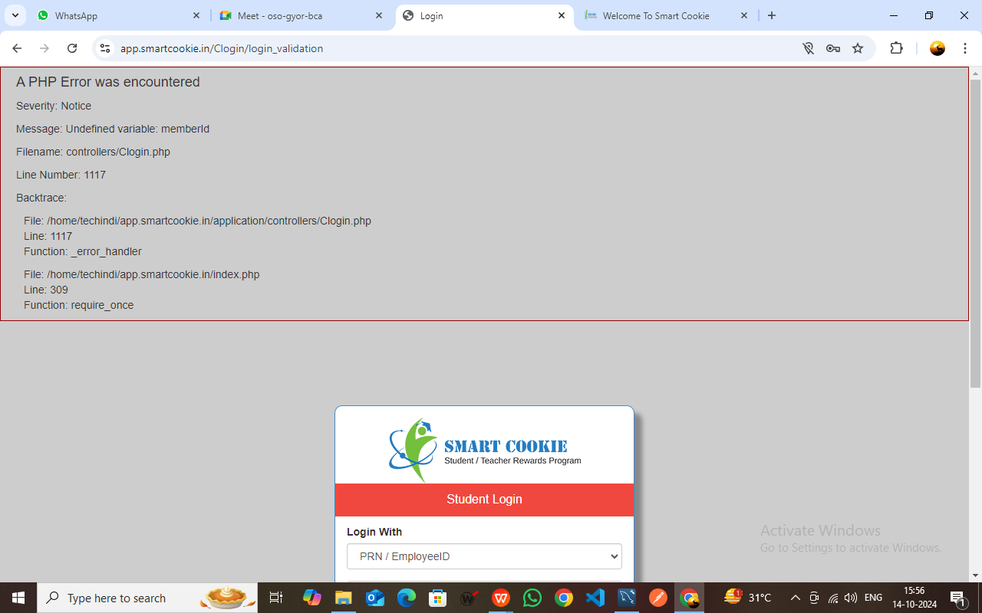

Teacher


Invalid Password

SchoolAdmin
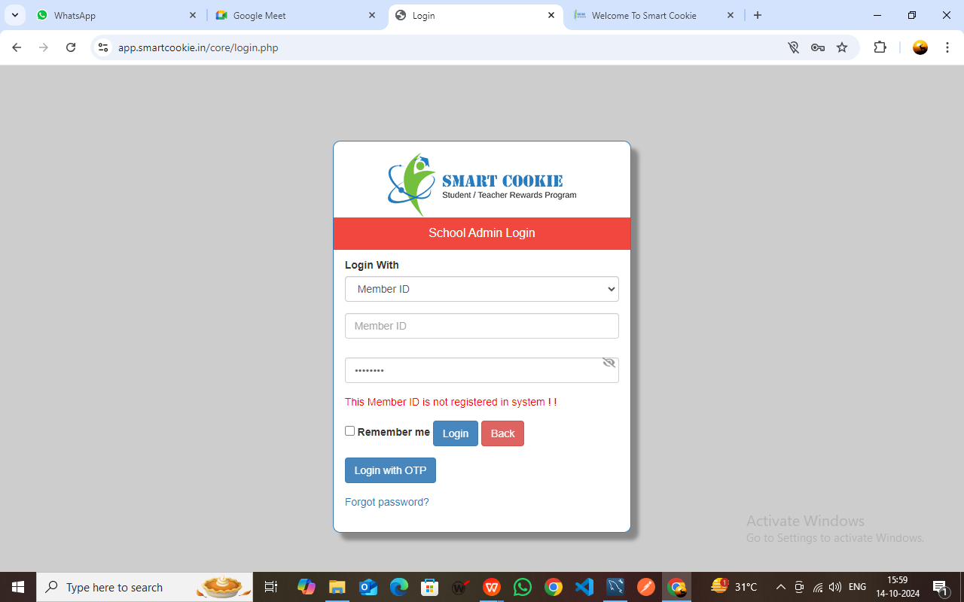

Member ID not Registered

SchoolAdminStaff


Invalid Password

Emplyee


Email ID and Organization ID is not registered

Manager


Organization ID is not registered

HRAdmin


Phone Number is not registered

HRAdminStaff


Phone Number is not registered

GroupAdmin
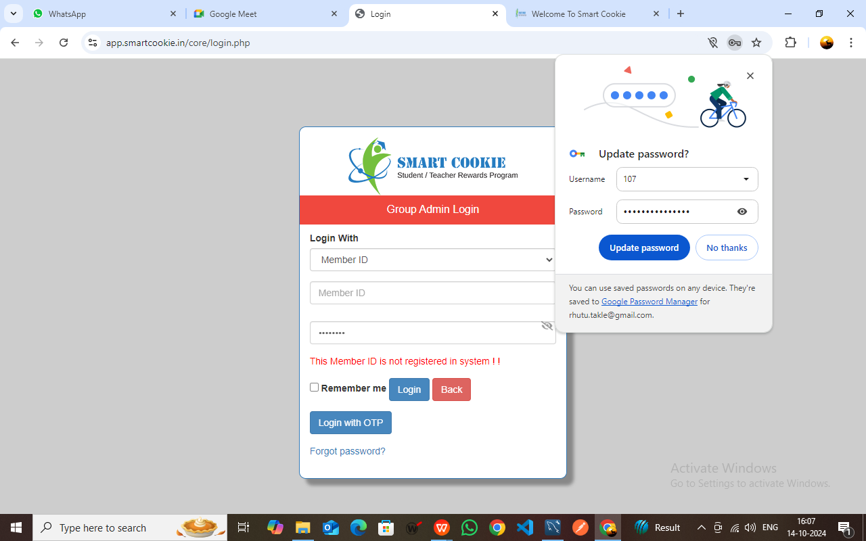

Member ID is not registered

GroupAdminStaff


Member ID is not registered

CookieAdmin


Invalid Password

CookieAdminStaff


Member ID is not registered

Parent
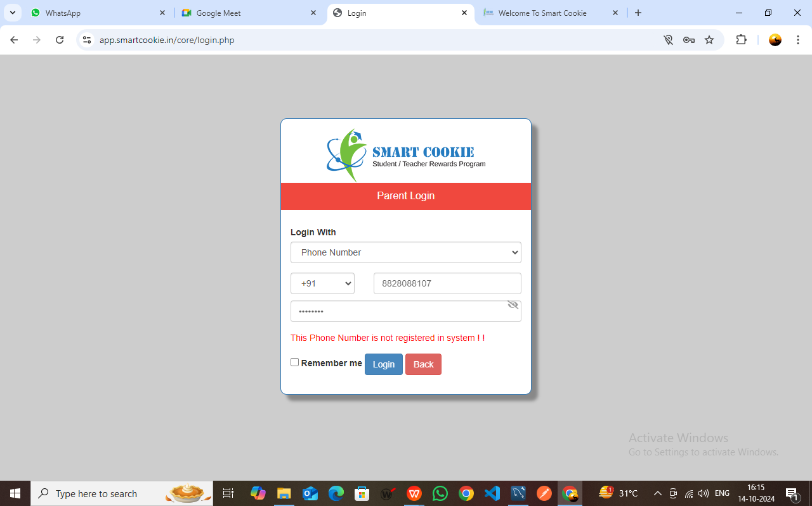

Phone Number is not registered

Salesperson
