Home
Conditionally Formatting Data: Examples and Guidelines

To navigate to the worksheet you want to see, click the worksheet name button in the Worksheet column.
Home

Worksheet | Rule Type | Description
Products1 | Cell value | Find specific numbers, dates, and text in a list of products
Products2 | Cell value (with formula) | See a dynamically changed number or text value in a list of products
Book tour | Top/bottom values Above/below average | Identify top, bottom, and above average values in a recent book tour report
Grades | Top/bottom values | Determine who are the top two students in the class
Customers1 | Unique/duplicate | Find duplicate rows in a list of customers
Quarters | Icon set | Quickly see revenue status and trends from one quarter to the next
Bike Rating | Icon set | Compare different product criteria by using a rating scale
Fy months | Icon set | Examine profit trends from month to month
Regional sales | Icon set | Identify regional sales below $900,000
Mountains | Data bars | Compare heights of the tallest mountains
Category sales | 3 color scale | Examine overall sales distributions in key product categories
Banded rows | Formula-based | Shade alternate rows in a range
Compare to totals | Formula-based | Compare data in a cell outside the conditionally formatted range of cells
Products3 | Formula-based | Shade an entire row where several criteria must be true
Customers2 | Formula-based | Shade an entire row if the row is a unique value

Products1
Home
How to create this rule
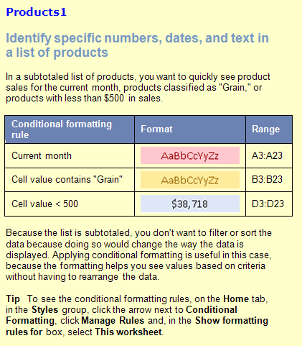
Date | Product | Region | Amount
04/09/2007 | Dairy | Denmark | $1,148.00
05/26/2007 | Produce | Denmark | $1,530.00
12/07/2007 | Produce | Denmark | $1,423.50
 |  | Denmark Total | $4,101.50
11/05/2007 | Dairy | Finland | $192.10
07/12/2007 | Dairy | Finland | $351.00
06/02/2007 | Grain | Finland | $560.40
 |  | Finland Total | $1,103.50
08/30/2007 | Dairy | Germany | $470.00
07/26/2007 | Dairy | Germany | $17.40
09/24/2007 | Grain | Germany | $1,405.00
10/30/2007 | Grain | Germany | $470.00
08/26/2007 | Grain | Germany | $17.40
07/07/2007 | Grain | Germany | $747.00
06/26/2007 | Produce | Germany | $17.40
07/07/2007 | Produce | Germany | $747.00
 |  | Germany Total | $3,891.20
01/18/2007 | Dairy | Italy | $3,194.20
02/13/2007 | Dairy | Italy | $438.43
12/18/2007 | Produce | Italy | $3,194.20
03/13/2007 | Produce | Italy | $438.43
 |  | Italy Total | $7,265.26

Products2
Home
How to create this rule
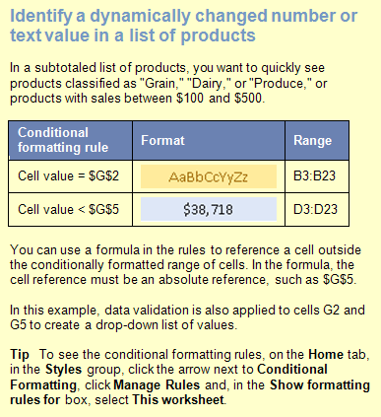
 |  |  |  |  |  | 4
Date | Product | Region | Amount | Change Product: | Grain
04/09/2007 | Dairy | Denmark | $1,148.00
05/26/2007 | Produce | Denmark | $1,530.00
12/07/2007 | Produce | Denmark | $1,423.50 | Change Amount: | $200
 |  | Denmark Total | $4,101.50
11/05/2007 | Dairy | Finland | $192.10
07/12/2007 | Dairy | Finland | $351.00
06/02/2007 | Grain | Finland | $560.40
 |  | Finland Total | $1,103.50
08/30/2007 | Dairy | Germany | $470.00
07/26/2007 | Dairy | Germany | $17.40
09/24/2007 | Grain | Germany | $1,405.00
10/30/2007 | Grain | Germany | $470.00
08/26/2007 | Grain | Germany | $17.40
07/07/2007 | Grain | Germany | $747.00
06/26/2007 | Produce | Germany | $17.40
07/07/2007 | Produce | Germany | $747.00
 |  | Germany Total | $3,891.20
01/18/2007 | Dairy | Italy | $3,194.20
02/13/2007 | Dairy | Italy | $438.43
12/18/2007 | Produce | Italy | $3,194.20
03/13/2007 | Produce | Italy | $438.43
 |  | Italy Total | $7,265.26

Book tour
Home
How to create this rule
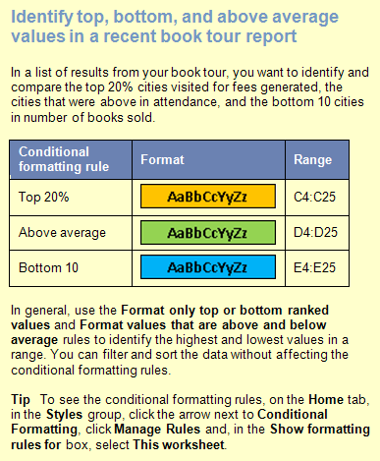
 |  | (Top 20%) | (Above Average) | (Bottom 10)
City | Date | Fee | Attendance | Books Sold
Anchorage | 1997-03-15 | $1,038 | 179 | 98
Atlanta | 1997-02-08 | $1,880 | 149 | 95
Boston | 1997-01-25 | $821 | 385 | 146
Charleston | 1997-01-29 | $1,822 | 328 | 124
Cleveland | 1997-02-10 | $1,073 | 128 | 32
Detroit | 1997-02-14 | $1,881 | 376 | 58
Flagstaff | 1997-03-25 | $1,222 | 37 | 5
Los Angeles | 1997-03-05 | $945 | 265 | 47
Memphis | 1997-02-06 | $910 | 93 | 45
New Orleans | 1997-03-31 | $1,233 | 415 | 59
New York | 1997-01-23 | $1,180 | 205 | 147
Philadelphia | 1997-01-31 | $1,965 | 145 | 31
Phoenix | 1997-03-23 | $955 | 37 | 8
Portland | 1997-03-09 | $781 | 85 | 33
Providence | 1997-02-02 | $1,964 | 111 | 73
Salt Lake City | 1997-03-21 | $1,190 | 275 | 37
San Francisco | 1997-03-07 | $904 | 171 | 145
Seattle | 1997-03-11 | $936 | 279 | 109
St. Louis | 1997-02-18 | $926 | 354 | 19
Topeka | 1997-02-20 | $1,775 | 66 | 12
Vancouver, B.C. | 1997-03-13 | $1,740 | 69 | 59
Washington, D.C. | 1997-01-27 | $1,724 | 499 | 151

Grades
Home
How to create this rule

Student | Quiz1 | Exam1 | Quiz2 | Exam2 | Grade
Nancy | 96 | 97 | 90 | 82 | 90
Andrew | 59 | 55 | 71 | 94 | 72
Janet | 69 | 71 | 98 | 98 | 84
Margaret | 99 | 90 | 59 | 79 | 83
Steven | 56 | 86 | 65 | 74 | 75
Michael | 57 | 61 | 84 | 67 | 66
Robert | 55 | 86 | 59 | 86 | 79
Laura | 89 | 91 | 91 | 81 | 87
Anne | 55 | 77 | 91 | 86 | 79

Customers1
Home
How to create this rule
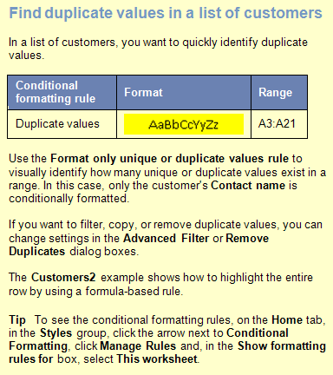
Contact Name | Address | City | Postal Code | Country | Phone
Ana Trujillo | Avda. de la Constitución 2222 | México D.F. | 5021 | Mexico | (5) 555-4729
Antonio Moreno | Mataderos 2312 | México D.F. | 5023 | Mexico | (5) 555-3932
Christina Berglund | Berguvsvägen 8 | Luleå | S-958 22 | Sweden | 0921-12 34 65
Frédérique Citeaux | 24, place Kléber | Strasbourg | 67000 | France | 88.60.15.31
Thomas Hardy | 120 Hanover Sq. | London | WA1 1DP | UK | (171) 555-7788
Georg Pipps | Geislweg 14 | Salzburg | 5020 | Austria | 6562-9722
Guillermo Fernández | Calle Dr. Jorge Cash 321 | México D.F. | 5033 | Mexico | (5) 552-3745
Hanna Moos | Forsterstr. 57 | Mannheim | 68306 | Germany | 0621-08460
Henriette Pfalzheim | Mehrheimerstr. 369 | Köln | 50739 | Germany | 0221-0644327
Henriette Pfalzheim | Mehrheimerstr. 369 | Köln | 50739 | Germany | 0221-0644327
Horst Kloss | Taucherstraße 10 | Cunewalde | 1307 | Germany | 0372-035188
Isabel de Castro | Estrada da saúde n. 58 | Lisboa | 1756 | Portugal | (1) 356-5634
Maria Anders | Obere Str. 57 | Berlin | 12209 | Germany | 030-0074321
Marie Bertrand | 265, boulevard Charonne | Paris | 75012 | France | (1) 42.34.22.66
Hanna Moos | Forsterstr. 57 | Mannheim | 68306 | Germany | 0621-08460
Sergio Gutiérrez | Av. del Libertador 900 | Buenos Aires | 1010 | Argentina | (1) 123-5555
Thomas Hardy | 120 Hanover Sq. | London | WA1 1DP | UK | (171) 555-7788
Maria Anders | Obere Str. 57 | Berlin | 12209 | Germany | 030-0074321
Thomas Hardy | 120 Hanover Sq. | London | WA1 1DP | UK | (171) 555-7788

Quarters
Home
How to create this rule
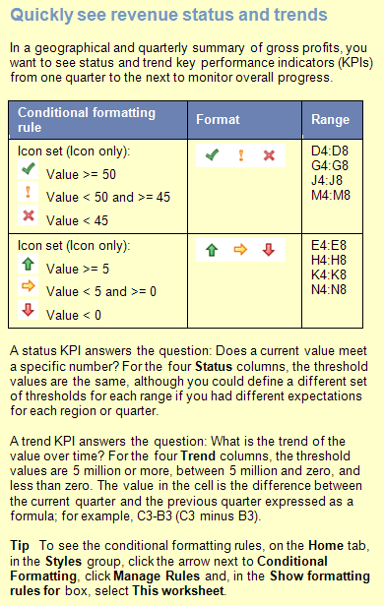
 | 2005 | 2006 Gross Profits (in Millions)
Area | Q4 | Q1 | Status | Trend | Q2 | Status | Trend | Q3 | Status | Trend | Q4 | Status | Trend
Europe | $32 | $33 | 33 | 1 | $81 | 81 | $48 | $72 | 72 | -9 | $56 | 56 | -16
S. America | $26 | $29 | 29 | 3 | $30 | 30 | $1 | $42 | 42 | 12 | $69 | 69 | 27
Far East | $49 | $62 | 62 | 13 | $70 | 70 | $8 | $43 | 43 | -27 | $63 | 63 | 20
Australia | $22 | $64 | 64 | 42 | $78 | 78 | $14 | $38 | 38 | -40 | $45 | 45 | 7
N. America | $11 | $67 | 67 | 56 | $77 | 77 | $10 | $35 | 35 | -42 | $76 | 76 | 41

Bike rating
Home
How to create this rule
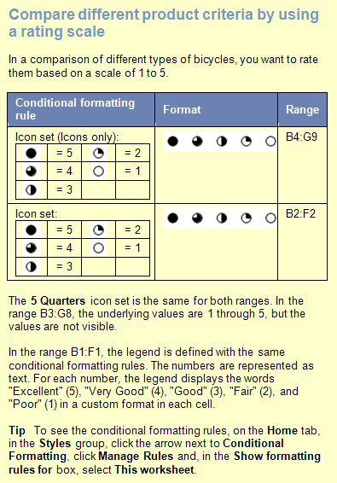
 | Excellent | Very Good | Good | Fair | Poor
Product | Shifting | Brakes | Handle Bars | Seat | Frequency of Repair | Overall Score
Mountain Bike | 5 | 1 | 1 | 2 | 3 | 2.4
Comfort Rider | 4 | 3 | 3 | 5 | 4 | 3.8
Hybrid | 3 | 3 | 3 | 3 | 2 | 2.8
Road Bike | 3 | 1 | 1 | 2 | 1 | 1.6
Recumbant | 2 | 3 | 3 | 4 | 2 | 2.8
Unicycle | 3 | 2 | 2 | 1 | 5 | 2.6

FY months
Home
How to create this rule
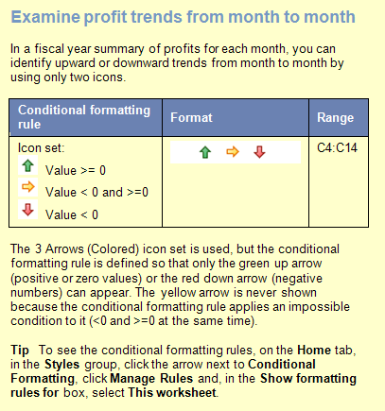
FY 2008 | Profits | Trend
July | $5,000
August | $7,000 | $2,000
September | $10,000 | $3,000
October | $2,500 | -$7,500
November | $4,000 | $1,500
December | $9,800 | $5,800
January | $5,400 | -$4,400
February | $6,700 | $1,300
March | $4,300 | -$2,400
April | $11,000 | $6,700
May | $12,500 | $1,500
June | $9,800 | -$2,700

Regional sales
Home
How to create this rule
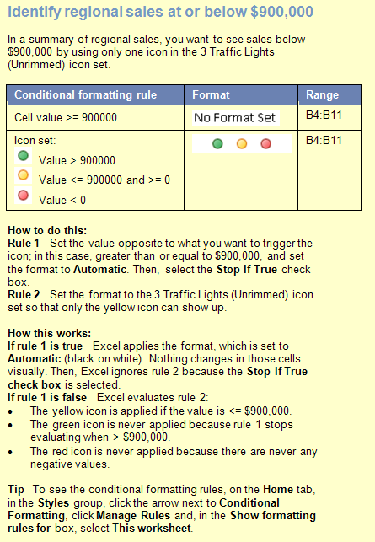
 | < $900,000
Region | Sales
NorthWest | $1,781,345
West | $534,389
SouthWest | $1,009,268
South | $899,999
Central | $2,345,184
NorthEast | $900,000
East | $1,567,090
Territories | $34,678
Total | $9,071,953

Mountains
Home
How to create this rule
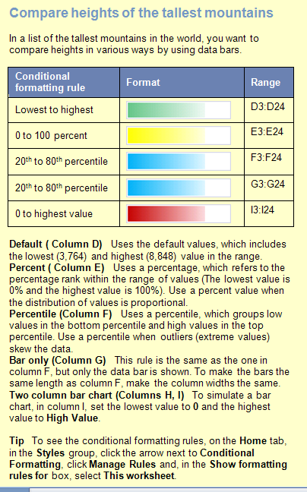
Mountain | Location | Height (m) | Default Value | Percent | Percen- tile | Bar only | Two column bar chart
Aconcagua | Argentina | 6,960 | 6,960 | 6,960 | 6,960 | 6,960 | 6,960 | 6,960
Annapurna I | Nepal | 8,078 | 8,078 | 8,078 | 8,078 | 8,078 | 8,078 | 8,078
Ararat | Turkey | 5,122 | 5,122 | 5,122 | 5,122 | 5,122 | 5,122 | 5,122
Citlaltepetl | Mexico | 5,700 | 5,700 | 5,700 | 5,700 | 5,700 | 5,700 | 5,700
Cook | New Zealand | 3,764 | 3,764 | 3,764 | 3,764 | 3,764 | 3,764 | 3,764
Everest | Nepal-China | 8,848 | 8,848 | 8,848 | 8,848 | 8,848 | 8,848 | 8,848
Grand Teton | Wyoming, U.S. | 4,196 | 4,196 | 4,196 | 4,196 | 4,196 | 4,196 | 4,196
Huascaran | Peru | 6,768 | 6,768 | 6,768 | 6,768 | 6,768 | 6,768 | 6,768
Jaja | New Guinea | 5,029 | 5,029 | 5,029 | 5,029 | 5,029 | 5,029 | 5,029
Jebel Toubkal | Morocco | 4,164 | 4,164 | 4,164 | 4,164 | 4,164 | 4,164 | 4,164
K2 | Kashmir | 8,611 | 8,611 | 8,611 | 8,611 | 8,611 | 8,611 | 8,611
Kanchenjunga | India-Nepal | 8,598 | 8,598 | 8,598 | 8,598 | 8,598 | 8,598 | 8,598
Kilimanjaro | Tanzania | 5,895 | 5,895 | 5,895 | 5,895 | 5,895 | 5,895 | 5,895
Kinabalu | Malaysia | 4,101 | 4,101 | 4,101 | 4,101 | 4,101 | 4,101 | 4,101
Logan | Yukon, Canada | 6,050 | 6,050 | 6,050 | 6,050 | 6,050 | 6,050 | 6,050
McKinley | Alaska, U.S. | 6,194 | 6,194 | 6,194 | 6,194 | 6,194 | 6,194 | 6,194
Mont Blanc | France-Italy | 4,807 | 4,807 | 4,807 | 4,807 | 4,807 | 4,807 | 4,807
Monte Rosa | Italy-Switzerland | 4,634 | 4,634 | 4,634 | 4,634 | 4,634 | 4,634 | 4,634
Ojos del Salado | Argentina-Chile | 6,880 | 6,880 | 6,880 | 6,880 | 6,880 | 6,880 | 6,880
Ras Dashan | Ethiopia | 4,260 | 4,260 | 4,260 | 4,260 | 4,260 | 4,260 | 4,260
Sajama | Bolivia | 6,520 | 6,520 | 6,520 | 6,520 | 6,520 | 6,520 | 6,520
Vinson Massif | Antarctica | 5,140 | 5,140 | 5,140 | 5,140 | 5,140 | 5,140 | 5,140

Category sales
Home
How to create this rule
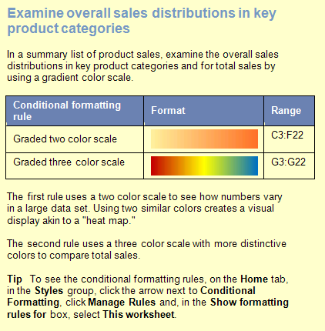
Country | Region | Dairy | Produce | Grain | Beverage | Total Sales
Finland | North | $32,726 | $38,483 | $33,016 | $19,474 | $123,699
Finland | South | $34,733 | $37,971 | $32,236 | $16,734 | $121,674
Spain | North | $31,062 | $73,611 | $61,085 | $45,120 | $210,878
Spain | South | $45,389 | $22,189 | $22,040 | $60,116 | $149,734
France | East | $63,539 | $50,602 | $25,347 | $21,991 | $161,479
France | West | $49,382 | $39,100 | $55,406 | $31,810 | $175,698
Norway | North | $21,842 | $62,310 | $42,256 | $19,191 | $145,599
Norway | South | $15,566 | $28,321 | $21,355 | $47,141 | $112,383
Denmark | East | $63,332 | $70,239 | $61,149 | $56,706 | $251,426
Denmark | West | $21,386 | $29,939 | $63,308 | $47,036 | $161,669
Italy | Mid | $10,471 | $15,781 | $44,755 | $64,064 | $135,071
Italy | South | $40,282 | $36,045 | $35,135 | $32,748 | $144,210
Germany | East | $60,161 | $32,055 | $24,207 | $26,952 | $143,375
Germany | West | $70,606 | $58,763 | $65,356 | $15,132 | $209,857
UK | North | $13,522 | $36,363 | $24,925 | $56,741 | $131,551
UK | South | $50,055 | $28,828 | $28,333 | $49,805 | $157,021
Belgium | North | $57,008 | $65,101 | $73,444 | $29,043 | $224,596
Belgium | Mid | $52,202 | $60,639 | $38,777 | $52,787 | $204,405
Sweden | Mid | $65,925 | $10,865 | $41,532 | $10,731 | $129,053
Sweden | South | $61,525 | $22,930 | $10,785 | $60,148 | $155,388

Banded rows
Home
How to create this rule
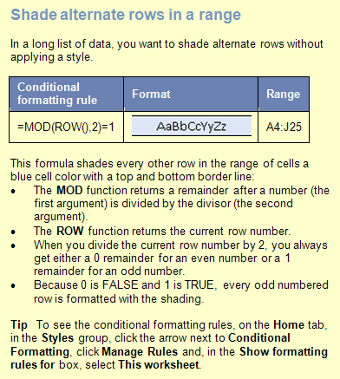
 | Widgets |  |  | Whatnots |  |  | Whoseits
Account # | Actuals | Budget | Variance | Actuals | Budget | Variance | Actuals | Budget | Variance
VF-56 | $828,923 | $525,102 | 58% | $553,082 | $440,237 | 26% | $389,859 | $373,537 | 4%
NA-16 | $17,911 | $263,640 | -93% | $796,045 | $475,995 | 67% | $764,213 | $67,530 | 1032%
YI-31 | $45,016 | $129,498 | -65% | $578,806 | $680,391 | -15% | $551,418 | $141,283 | 290%
CF-33 | $437,361 | $84,668 | 417% | $178,970 | $490,475 | -64% | $183,076 | $473,213 | -61%
AT-38 | $619,932 | $704,848 | -12% | $893,278 | $821,136 | 9% | $504,880 | $138,708 | 264%
IR-59 | $262,543 | $616,172 | -57% | $203,017 | $531,739 | -62% | $699,009 | $161,153 | 334%
SP-95 | $506,004 | $118,953 | 325% | $855,252 | $358,632 | 138% | $365,882 | $606,000 | -40%
GT-96 | $317,381 | $336,700 | -6% | $626,232 | $797,406 | -21% | $770,559 | $789,980 | -2%
AQ-18 | $417,676 | $549,676 | -24% | $104,696 | $803,328 | -87% | $642,605 | $153,226 | 319%
LX-84 | $478,518 | $427,397 | 12% | $385,078 | $154,539 | 149% | $743,726 | $602,881 | 23%
BG-53 | $402,440 | $450,463 | -11% | $299,815 | $366,979 | -18% | $468,461 | $172,335 | 172%
DF-84 | $511,325 | $149,980 | 241% | $486,677 | $702,406 | -31% | $602,059 | $703,775 | -14%
MM-33 | $287,030 | $772,719 | -63% | $31,254 | $827,509 | -96% | $882,879 | $70,813 | 1147%
VZ-105 | $449,917 | $444,492 | 1% | $609,250 | $303,316 | 101% | $667,870 | $394,949 | 69%
YS-39 | $459,117 | $668,364 | -31% | $133,932 | $504,651 | -73% | $58,487 | $656,804 | -91%
TO-55 | $722,245 | $850,786 | -15% | $554,527 | $21,385 | 2493% | $505,097 | $350,394 | 44%
WF-69 | $266,636 | $178,433 | 49% | $537,783 | $38,483 | 1297% | $57,354 | $863,778 | -93%
VA-41 | $270,480 | $794,357 | -66% | $837,665 | $808,048 | 4% | $748,117 | $563,125 | 33%
OL-94 | $464,252 | $205,673 | 126% | $366,163 | $186,063 | 97% | $890,613 | $16,835 | 5190%
TL-14 | $477,958 | $461,381 | 4% | $240,605 | $474,793 | -49% | $815,550 | $249,015 | 228%
XZ-75 | $784,017 | $666,658 | 18% | $653,507 | $794,167 | -18% | $591,929 | $298,557 | 98%
BC-92 | $327,856 | $412,337 | -20% | $437,507 | $26,499 | 1551% | $295,408 | $512,575 | -42%

Compare to totals
Home
How to create this rule
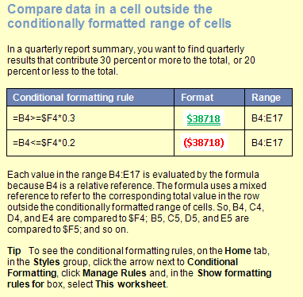
 | Q1 | Q2 | Q3 | Q4 | Totals
Division A
North | $55 | $40 | $55 | $70 | $220
East | $59 | $98 | $76 | $90 | $323
South | $60 | $46 | $86 | $78 | $270
West | $90 | $65 | $82 | $45 | $282
Division B
North | $47 | $81 | $54 | $61 | $243
East | $89 | $63 | $71 | $58 | $281
South | $61 | $49 | $88 | $86 | $284
West | $54 | $64 | $91 | $73 | $282
Division C
North | $76 | $45 | $78 | $92 | $291
East | $81 | $62 | $47 | $59 | $249
South | $85 | $62 | $82 | $83 | $312
West | $56 | $72 | $72 | $89 | $289

 | Q1 | Q2 | Q3 | Q4 | Totals
Division A
North | $52 | $88 | $52 | $70 | $262
East | $59 | $89 | $76 | $90
South | $60 | $46 | $86 | $78
West | $90 | $65 | $82 | $45
Division B
North | $53 | $66 | $54 | $61
East | $89 | $63 | $71 | $58
South | $61 | $49 | $88 | $88
West | $54 | $64 | $91 | $73
Division C
North | $76 | $45 | $78 | $92
East | $81 | $62 | $47 | $59
South | $85 | $64 | $82 | $83
West | $56 | $72 | $72 | $89

Products3
Home
How to create this rule
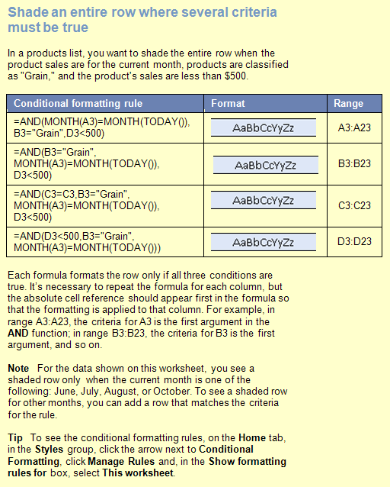
Date | Product | Region | Amount
04/09/2007 | Dairy | Denmark | $1,148.00
05/26/2007 | Produce | Denmark | $1,530.00
12/07/2007 | Produce | Denmark | $1,423.50
 |  | Denmark Total | $4,101.50
11/05/2007 | Dairy | Finland | $192.10
07/12/2007 | Dairy | Finland | $351.00
06/02/2007 | Grain | Finland | $490.50
 |  | Finland Total | $1,033.60
08/30/2007 | Dairy | Germany | $470.00
07/26/2007 | Dairy | Germany | $17.40
09/24/2007 | Grain | Germany | $1,405.00
10/30/2007 | Grain | Germany | $470.00
08/26/2007 | Grain | Germany | $17.40
07/07/2007 | Grain | Germany | $447.00
06/26/2007 | Produce | Germany | $17.40
07/07/2007 | Produce | Germany | $747.00
 |  | Germany Total | $3,591.20
01/18/2007 | Dairy | Italy | $3,194.20
02/13/2007 | Dairy | Italy | $438.43
12/18/2007 | Produce | Italy | $3,194.20
03/13/2007 | Produce | Italy | $438.43
 |  | Italy Total | $7,265.26

Customers2
Home
How to create this rule
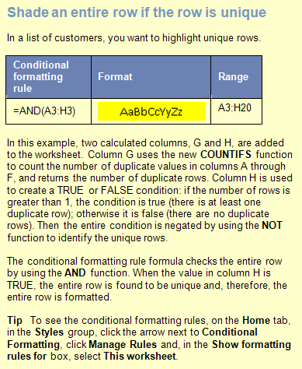
Contact Name | Address | City | Postal Code | Country | Phone | # | T/F
Christina Berglund | Berguvsvägen 8 | Luleå | S-958 22 | Sweden | 0921-12 34 65 | 1 | TRUE
Hanna Moos | Forsterstr. 57 | Mannheim | 68306 | Germany | 0621-08460 | 2 | FALSE
Henriette Pfalzheim | Mehrheimerstr. 369 | Köln | 50739 | Germany | 0221-0644327 | 2 | FALSE
Maria Anders | Obere Str. 57 | Berlin | 12209 | Germany | 030-0074321 | 2 | FALSE
Sergio Gutiérrez | Av. del Libertador 900 | Buenos Aires | 1010 | Argentina | (1) 123-5555 | 1 | TRUE
Thomas Hardy | 120 Hanover Sq. | London | WA1 1DP | UK | (171) 555-7788 | 3 | FALSE
Marie Bertrand | 265, blvd. Charonne | Paris | 75012 | France | (1) 42.34.22.66 | 1 | TRUE
Thomas Hardy | 120 Hanover Sq. | London | WA1 1DP | UK | (171) 555-7788 | 3 | FALSE
Antonio Moreno | Mataderos 2312 | México D.F. | 5023 | Mexico | (5) 555-3932 | 1 | TRUE
Maria Anders | Obere Str. 57 | Berlin | 12209 | Germany | 030-0074321 | 2 | FALSE
Isabel de Castro | Estrada da saúde n. 58 | Lisboa | 1756 | Portugal | (1) 356-5634 | 1 | TRUE
Guillermo Fernández | Calle Dr. Jorge Cash 321 | México D.F. | 5033 | Mexico | (5) 552-3745 | 1 | TRUE
Frédérique Citeaux | 24, place Kléber | Strasbourg | 67000 | France | 88.60.15.31 | 1 | TRUE
Thomas Hardy | 120 Hanover Sq. | London | WA1 1DP | UK | (171) 555-7788 | 3 | FALSE
Horst Kloss | Taucherstraße 10 | Cunewalde | 1307 | Germany | 0372-035188 | 1 | TRUE
Georg Pipps | Geislweg 14 | Salzburg | 5020 | Austria | 6562-9722 | 1 | TRUE
Hanna Moos | Forsterstr. 57 | Mannheim | 68306 | Germany | 0621-08460 | 2 | FALSE
Henriette Pfalzheim | Mehrheimerstr. 369 | Köln | 50739 | Germany | 0221-0644327 | 2 | FALSE

Another Sheet
Home
How to create this rule
 | Q1 | Q2 | Q3 | Q4
Division A
North | $55 | $40 | $55 | $70
East | $59 | $98 | $76 | $90
South | $60 | $46 | $86 | $78
West | $90 | $65 | $82 | $45
Division B
North | $47 | $81 | $54 | $61
East | $89 | $63 | $71 | $58
South | $61 | $49 | $88 | $86
West | $54 | $64 | $91 | $73
Division C
North | $76 | $45 | $78 | $92
East | $81 | $62 | $47 | $59
South | $85 | $62 | $82 | $83
West | $56 | $72 | $72 | $89

 | Q1 | Q2 | Q3 | Q4
Division A
North | $52 | $88 | $52 | $70
East | $59 | $89 | $76 | $90
South | $60 | $46 | $86 | $78
West | $90 | $65 | $82 | $45
Division B
North | $53 | $66 | $54 | $61
East | $89 | $63 | $71 | $58
South | $61 | $49 | $88 | $88
West | $54 | $64 | $91 | $73
Division C
North | $76 | $45 | $78 | $92
East | $81 | $62 | $47 | $59
South | $85 | $64 | $82 | $83
West | $56 | $72 | $72 | $89

