Sheet1
MOPED ECU wiring table
v. 20141210

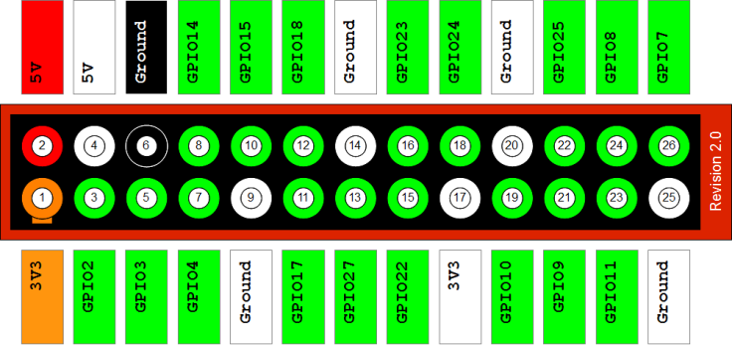
ECU: | E2/VCU
Header | P1
Pin no | Name | Spec. function | Connected to | Signal
1 | 3V3
2 | 5V
3 | GPIO2 | I2C SDA
4 | 5V
5 | GPIO3 | I2CSCL
6 | GND
7 | GPIO4 | LED RED
8 | GPIO14 | UART TXD
9 | GND
10 | GPIO15 | UART RXD
11 | GPIO17 |  | E1/SC | PPM signal
12 | GPIO18 | PWM | E17/Servo | PPM signal
13 | GPIO27 | LED YELLOW2
14 | GND
15 | GPIO22 | LED YELLOW1
16 | GPIO23 |  | E10/RF sensor | WS
17 | 3V3 |  | E16/AD | 3V3
18 | GPIO24 |  | E11/RR sensor | WS
19 | GPIO10 | SPI MOSI | E16/AD | DIN
20 | GND
21 | GPIO9 | SPI MISO | E16/AD | DOUT
22 | GPIO25
23 | GPIO11 | SPI CLK | E16/AD | CLK
24 | GPIO8 | SPI CE0 | E16/AD | CS
25 | GND |  | E16/AD | GND
26 | GPIO7 | SPI CE1

ECU: | E3/SCU
Header | P1
Pin no | Name | Spec. function | Connected to | Signal
1 | 3V3 |  | E13/IMU | 3V3
2 | 5V
3 | GPIO2 | I2C SDA | E13/IMU | SDA
4 | 5V |  | E12/U sensor | 5V
5 | GPIO3 | I2CSCL | E13/IMU | SCL
6 | GND |  | E13/IMU | GND
7 | GPIO4 | LED RED
8 | GPIO14 | UART TXD
9 | GND
10 | GPIO15 | UART RXD
11 | GPIO17
12 | GPIO18
13 | GPIO27 | LED YELLOW2 | E12/U sensor | Echo
14 | GND
15 | GPIO22 | LED YELLOW1 | E12/U sensor | Trig
16 | GPIO23
17 | 3V3
18 | GPIO24
19 | GPIO10 | SPI MOSI
20 | GND |  | E12/U sensor | GND
21 | GPIO9 | SPI MISO
22 | GPIO25
23 | GPIO11 | SPI CLK
24 | GPIO8 | SPI CE0
25 | GND
26 | GPIO7 | SPI CE1

