Riadky a Stlpce
488 | 971 | 140 | 1044
570 | 92 | 891 | 178
916 | 483 | 205 | 510
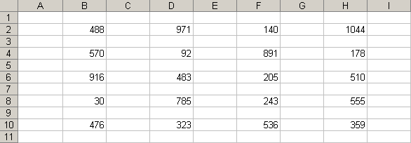
30 | 785 | 243 | 555
476 | 323 | 536 | 359

Autofil
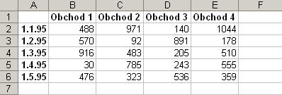
 | Obchod 1 | Obchod 2 | Obchod 3 | Obchod 4
1995-01-01 | 488 | 971 | 140 | 1044
1995-02-01 | 570 | 92 | 891 | 178 | Vlozte 1. riadok a stlpec
1995-03-01 | 916 | 483 | 205 | 510 | Stlpec A : 1.1.95, 1.2.1995, ...
1995-04-01 | 30 | 785 | 243 | 555 | Riadok 1: Obchod 1, Obchod 2, ...
1995-05-01 | 476 | 323 | 536 | 359

Bunky
488 | 971 | 140 | 1044
570 | 92 | 891 | 178 | Zasunte bunky B5:C9 na svoje miesto
916 | 483 | 205 | 510
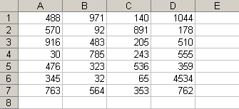
30 | 785 | 243 | 555
476 | 323 | 536 | 359
345 | 32 | 65 | 4534
763 | 564 | 353 | 762

Move
Výrobná cena | Prenájom skladu | Nákupná cena | Prenájom skladu | Výrobná cena | Inventár | Prenájom miestnosti
8560 | 1047 | 107822 | 1047 | 8560 | 834 | 1200 | 1. prehodte stlpec B, C
7600 | 1047 | 95927 | 1047 | 7600 | 302 | 1200 | 2. presunte A do F
9304 | 1080 | 97264 | 1080 | 9304 | 280 | 1200
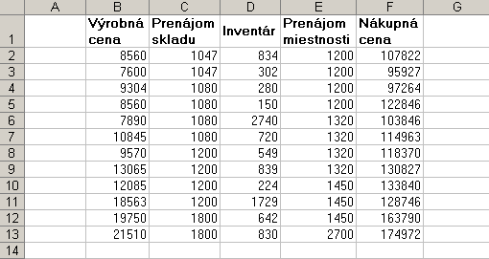
8560 | 1080 | 122846 | 1080 | 8560 | 150 | 1200
7890 | 1080 | 103846 | 1080 | 7890 | 2740 | 1320
10845 | 1080 | 114963 | 1080 | 10845 | 720 | 1320
9570 | 1200 | 118370 | 1200 | 9570 | 549 | 1320
13065 | 1200 | 130827 | 1200 | 13065 | 839 | 1320
12085 | 1200 | 133840 | 1200 | 12085 | 224 | 1450
18563 | 1200 | 128746 | 1200 | 18563 | 1729 | 1450
19750 | 1800 | 163790 | 1800 | 19750 | 642 | 1450
21510 | 1800 | 174972 | 1800 | 21510 | 830 | 2700

Adresa 1
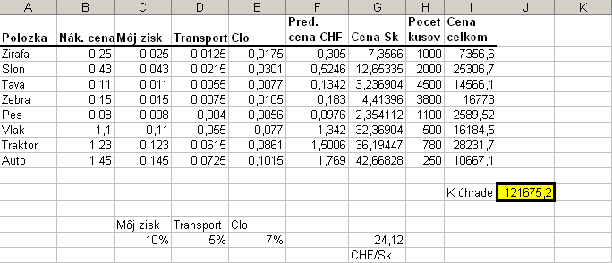
Polozka | Nák. cena | Môj zisk | Transport | Clo | Pred. cena CHF | Cena Sk | Pocet kusov | Cena celkom
Zirafa | 0.25 | 0.025 | 0.0125 | 0.0175 | 0.305 | 7.3566 | 1000 | 7356.6 |  | 1. Moj zisk (C2 az C9) vypocitate ako sucin nak. ceny (B2 az B9) a moj zisk (C14)
Slon | 0.43 | 0.043 | 0.0215 | 0.0301 | 0.5246 | 12.653352 | 2000 | 25306.704 |  | 2. Transport (D2 az D9) vypocitate ako sucin nak. ceny (B2 az B9) a Transport (D14)
Tava | 0.11 | 0.011 | 0.0055 | 0.0077 | 0.1342 | 3.236904 | 4500 | 14566.068 |  | 3. Clo (E2 az E9) vypocitate ako sucin nak. ceny (B2 az B9) a Clo (E14)
Zebra | 0.15 | 0.015 | 0.0075 | 0.0105 | 0.183 | 4.41396 | 3800 | 16773.048 |  | 4. Pred. cenu v CHF vypocitate ako sumu stlpcov B, C, D, E
Pes | 0.08 | 0.008 | 0.004 | 0.0056 | 0.0976 | 2.354112 | 1100 | 2589.5232 |  | 5. Cenu Sk (G2 az G9) vypocitate ako sucin Pred. cenu v CHF a kurzu (G14)
Vlak | 1.1 | 0.11 | 0.055 | 0.077 | 1.342 | 32.36904 | 500 | 16184.52 |  | 6. Cenu Celkom (I2 az I9) vypocitate ako sucin Pocet kusov a Cena Sk
Traktor | 1.23 | 0.123 | 0.0615 | 0.0861 | 1.5006 | 36.194472 | 780 | 28231.68816 |  | 7. K uhrade (J11) vypocitate ako sucet buniek (I2 az I9)
Auto | 1.45 | 0.145 | 0.0725 | 0.1015 | 1.769 | 42.66828 | 250 | 10667.07

 |  |  |  |  |  |  |  | K úhrade | 121675.22136

 |  | Môj zisk | Transport | Clo
 |  | 10% | 5% | 7% |  | 24.12
 |  |  |  |  |  | CHF/Sk

Adresa 2
Cislo | ID | Meno | Anglicke meno | Mnozstvo v jednotke | Cena za kus | Objednane mnozstvo | Cena | Zisk 10% | 10%
1 | 1 | Chai | Dharamsala Tea | 10 boxes x 20 bags | 18.00 | 39 | 702 | 70.2 |  | 1. vypocitajte cenu (sucin stlpcov F a G) pre vsetky produkty
2 | 1 | Chang | Tibetan Barley Beer | 24 - 12 oz bottles | 19.00 | 17 | 323 | 32.3 |  | 2. vypocitajte zisk (sucin stlpcov H a J1) pre vsetky produkty
3 | 2 | Aniseed Syrup | Licorice Syrup | 12 - 550 ml bottles | 10.00 | 13 | 130 | 13 |  | 3. v bunkach H79 a I79 vypocitajte celkove sucty stlpcov H a I
4 | 2 | Chef Anton's Cajun Seasoning | Chef Anton's Cajun Seasoning | 48 - 6 oz jars | 22.00 | 53 | 1166 | 116.6
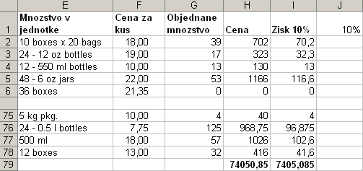
5 | 2 | Chef Anton's Gumbo Mix | Chef Anton's Gumbo Mix | 36 boxes | 21.35 | 0 | 0 | 0
6 | 2 | Grandma's Boysenberry Spread | Grandma's Boysenberry Spread | 12 - 8 oz jars | 25.00 | 120 | 3000 | 300
7 | 7 | Uncle Bob's Organic Dried Pears | Uncle Bob's Organic Dried Pears | 12 - 1 lb pkgs. | 30.00 | 15 | 450 | 45
8 | 2 | Northwoods Cranberry Sauce | Northwoods Cranberry Sauce | 12 - 12 oz jars | 40.00 | 6 | 240 | 24
9 | 6 | Mishi Kobe Niku | Mishi Kobe Beef | 18 - 500 g pkgs. | 97.00 | 29 | 2813 | 281.3
10 | 8 | Ikura | Fish Roe | 12 - 200 ml jars | 31.00 | 31 | 961 | 96.1
11 | 4 | Queso Cabrales | Cabrales Cheese | 1 kg pkg. | 21.00 | 22 | 462 | 46.2
12 | 4 | Queso Manchego La Pastora | Manchego La Pastora Cheese | 10 - 500 g pkgs. | 38.00 | 86 | 3268 | 326.8
13 | 8 | Konbu | Kelp Seaweed | 2 kg box | 6.00 | 24 | 144 | 14.4
14 | 7 | Tofu | Bean Curd | 40 - 100 g pkgs. | 23.25 | 35 | 813.75 | 81.375
15 | 2 | Genen Shouyu | Lite Sodium Soy Sauce | 24 - 250 ml bottles | 15.50 | 39 | 604.5 | 60.45
16 | 3 | Pavlova | Pavlova Meringue Dessert | 32 - 500 g boxes | 17.45 | 29 | 506.05 | 50.605
17 | 6 | Alice Mutton | Alice Springs Lamb | 20 - 1 kg tins | 39.00 | 0 | 0 | 0
18 | 8 | Carnarvon Tigers | Carnarvon Tiger Prawns | 16 kg pkg. | 62.50 | 42 | 2625 | 262.5
19 | 3 | Teatime Chocolate Biscuits | Teatime Chocolate Biscuits | 10 boxes x 12 pieces | 9.20 | 25 | 230 | 23
20 | 3 | Sir Rodney's Marmalade | Sir Rodney's Marmalade | 30 gift boxes | 81.00 | 40 | 3240 | 324
21 | 3 | Sir Rodney's Scones | Sir Rodney's Scones | 24 pkgs. x 4 pieces | 10.00 | 3 | 30 | 3
22 | 5 | Gustaf's Knäckebröd | Gustaf's Rye Crisp Bread | 24 - 500 g pkgs. | 21.00 | 104 | 2184 | 218.4
23 | 5 | Tunnbröd | Thin Bread | 12 - 250 g pkgs. | 9.00 | 61 | 549 | 54.9
24 | 1 | Guaraná Fantástica | Guaraná Fantástica Soft Drink | 12 - 355 ml cans | 4.50 | 20 | 90 | 9
25 | 3 | NuNuCa Nuß-Nougat-Creme | NuNuCa Chocolate-Nut Spread | 20 - 450 g glasses | 14.00 | 76 | 1064 | 106.4
26 | 3 | Gumbär Gummibärchen | Gumbär Gummy Bears | 100 - 250 g bags | 31.23 | 15 | 468.45 | 46.845
27 | 3 | Schoggi Schokolade | Schoggi Chocolate | 100 - 100 g pieces | 43.90 | 49 | 2151.1 | 215.11
28 | 7 | Rössle Sauerkraut | Rössle Sauerkraut | 25 - 825 g cans | 45.60 | 26 | 1185.6 | 118.56
29 | 6 | Thüringer Rostbratwurst | Thüringer Sausage | 50 bags x 30 sausgs. | 123.79 | 0 | 0 | 0
30 | 8 | Nord-Ost Matjeshering | Nord-Ost White Herring | 10 - 200 g glasses | 25.89 | 10 | 258.9 | 25.89
31 | 4 | Gorgonzola Telino | Gorgonzola Telino | 12 - 100 g pkgs | 12.50 | 0 | 0 | 0
32 | 4 | Mascarpone Fabioli | Mascarpone Fabioli | 24 - 200 g pkgs. | 32.00 | 9 | 288 | 28.8
33 | 4 | Geitost | Goat Cheese | 500 g | 2.50 | 112 | 280 | 28
34 | 1 | Sasquatch Ale | Sasquatch Ale | 24 - 12 oz bottles | 14.00 | 111 | 1554 | 155.4
35 | 1 | Steeleye Stout | Steeleye Stout | 24 - 12 oz bottles | 18.00 | 20 | 360 | 36
36 | 8 | Inlagd Sill | Pickled Herring | 24 - 250 g jars | 19.00 | 112 | 2128 | 212.8
37 | 8 | Gravad lax | Gravad Lox | 12 - 500 g pkgs. | 26.00 | 11 | 286 | 28.6
38 | 1 | Côte de Blaye | Côte de Blaye (Red Bordeaux wine) | 12 - 75 cl bottles | 263.50 | 17 | 4479.5 | 447.95
39 | 1 | Chartreuse verte | Green Chartreuse (Liqueur) | 750 cc per bottle | 18.00 | 69 | 1242 | 124.2
40 | 8 | Boston Crab Meat | Boston Crab Meat | 24 - 4 oz tins | 18.40 | 123 | 2263.2 | 226.32
41 | 8 | Jack's New England Clam Chowder | Jack's New England Clam Chowder | 12 - 12 oz cans | 9.65 | 85 | 820.25 | 82.025
42 | 5 | Singaporean Hokkien Fried Mee | Singapore Noodles | 32 - 1 kg pkgs. | 14.00 | 26 | 364 | 36.4
43 | 1 | Ipoh Coffee | Malaysian Coffee | 16 - 500 g tins | 46.00 | 17 | 782 | 78.2
44 | 2 | Gula Malacca | Malacca Dark Brown Sugar | 20 - 2 kg bags | 19.45 | 27 | 525.15 | 52.515
45 | 8 | Rřgede sild | Smoked Herring | 1k pkg. | 9.50 | 5 | 47.5 | 4.75
46 | 8 | Spegesild | Salt Herring | 4 - 450 g glasses | 12.00 | 95 | 1140 | 114
47 | 3 | Zaanse koeken | Zaanse Cookies | 10 - 4 oz boxes | 9.50 | 36 | 342 | 34.2
48 | 3 | Chocolade | Dutch Chocolate | 10 pkgs. | 12.75 | 15 | 191.25 | 19.125
49 | 3 | Maxilaku | Licorice | 24 - 50 g pkgs. | 20.00 | 10 | 200 | 20
50 | 3 | Valkoinen suklaa | White Chocolate | 12 - 100 g bars | 16.25 | 65 | 1056.25 | 105.625
51 | 7 | Manjimup Dried Apples | Manjimup Dried Apples | 50 - 300 g pkgs. | 53.00 | 20 | 1060 | 106
52 | 5 | Filo Mix | Mix for Greek Filo Dough | 16 - 2 kg boxes | 7.00 | 38 | 266 | 26.6
53 | 6 | Perth Pasties | Perth Meat Pies | 48 pieces | 32.80 | 0 | 0 | 0
54 | 6 | Tourtičre | Pork Pie | 16 pies | 7.45 | 21 | 156.45 | 15.645
55 | 6 | Pâté chinois | Shepard's Pie | 24 boxes x 2 pies | 24.00 | 115 | 2760 | 276
56 | 5 | Gnocchi di nonna Alice | Gramma Alice's Dumplings | 24 - 250 g pkgs. | 38.00 | 21 | 798 | 79.8
57 | 5 | Ravioli Angelo | Angelo Ravioli | 24 - 250 g pkgs. | 19.50 | 36 | 702 | 70.2
58 | 8 | Escargots de Bourgogne | Escargots from Burgundy | 24 pieces | 13.25 | 62 | 821.5 | 82.15
59 | 4 | Raclette Courdavault | Courdavault Raclette Cheese | 5 kg pkg. | 55.00 | 79 | 4345 | 434.5
60 | 4 | Camembert Pierrot | Pierrot Camembert | 15 - 300 g rounds | 34.00 | 19 | 646 | 64.6
61 | 2 | Sirop d'érable | Maple Syrup | 24 - 500 ml bottles | 28.50 | 113 | 3220.5 | 322.05
62 | 3 | Tarte au sucre | Sugar Pie | 48 pies | 49.30 | 17 | 838.1 | 83.81
63 | 2 | Vegie-spread | Vegetable Sandwich Spread | 15 - 625 g jars | 43.90 | 24 | 1053.6 | 105.36
64 | 5 | Wimmers gute Semmelknödel | Wimmer's Delicious Bread Dumplings | 20 bags x 4 pieces | 33.25 | 22 | 731.5 | 73.15
65 | 2 | Louisiana Fiery Hot Pepper Sauce | Louisiana Fiery Hot Pepper Sauce | 32 - 8 oz bottles | 21.05 | 76 | 1599.8 | 159.98
66 | 2 | Louisiana Hot Spiced Okra | Louisiana Hot Spiced Okra | 24 - 8 oz jars | 17.00 | 4 | 68 | 6.8
67 | 1 | Laughing Lumberjack Lager | Laughing Lumberjack Lager | 24 - 12 oz bottles | 14.00 | 52 | 728 | 72.8
68 | 3 | Scottish Longbreads | Scottish Longbreads | 10 boxes x 8 pieces | 12.50 | 6 | 75 | 7.5
69 | 4 | Gudbrandsdalsost | Gudbrandsdals Cheese | 10 kg pkg. | 36.00 | 26 | 936 | 93.6
70 | 1 | Outback Lager | Outback Lager | 24 - 355 ml bottles | 15.00 | 15 | 225 | 22.5
71 | 4 | Flřtemysost | Flřtemys Cream Cheese | 10 - 500 g pkgs. | 21.50 | 26 | 559 | 55.9
72 | 4 | Mozzarella di Giovanni | Giovanni's Mozzarella | 24 - 200 g pkgs. | 34.80 | 14 | 487.2 | 48.72
73 | 8 | Röd Kaviar | Red Caviar | 24 - 150 g jars | 15.00 | 101 | 1515 | 151.5
74 | 7 | Longlife Tofu | Longlife Bean Curd | 5 kg pkg. | 10.00 | 4 | 40 | 4
75 | 1 | Rhönbräu Klosterbier | Rhönbräu Beer | 24 - 0.5 l bottles | 7.75 | 125 | 968.75 | 96.875
76 | 1 | Lakkalikööri | Cloudberry Liqueur | 500 ml | 18.00 | 57 | 1026 | 102.6
77 | 2 | Original Frankfurter grüne Soße | Original Frankfurter Green Sauce | 12 boxes | 13.00 | 32 | 416 | 41.6
 |  |  |  |  |  | SUM= | 74050.85 | 7405.085

